Ratings
Item | Snapshot | Structural member | MEP element | Clash geometry | Load context | Rating | Confidence (1-5) | Comment
C01 | 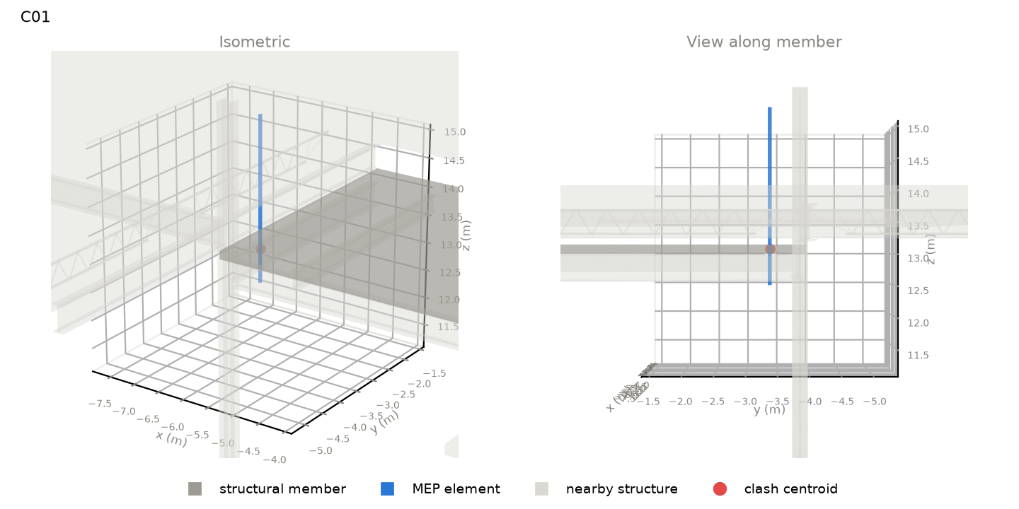 | slab | Floor : NW Concrete on Metal Deck material: nan length 7.47 m, section 4839 x 152 mm level: L5 | pipe | Pipe Types : PVC - DWV outside size 60 mm system: Sanitary | position along member: 0.95 of length overlap: 60 (along) x 60 (width) x 152 (depth) mm overlap volume: 392 cm3 crossing angle: 90 deg | gravity load carried: 13 kN (~0.3 typical bays) supports of member: n/a
C02 | 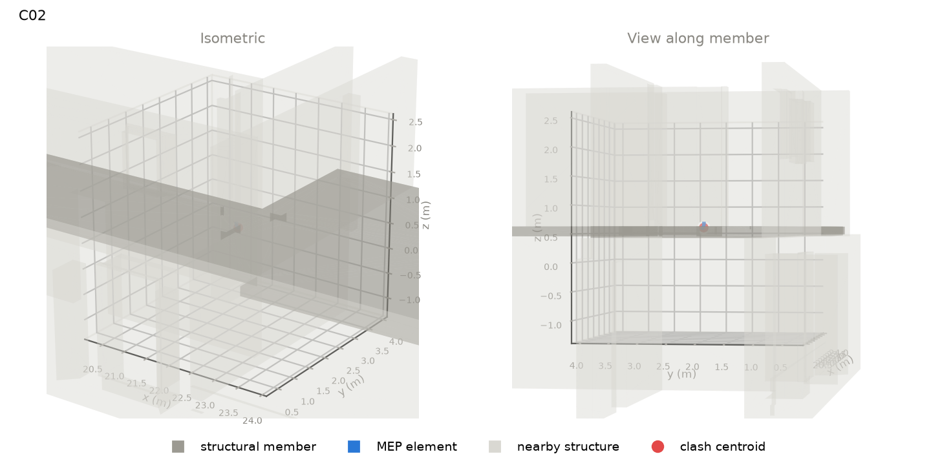 | slab | Floor : Ortbeton - 180 material: nan length 17.35 m, section 6896 x 180 mm level: HG_EG_OK RFB | fitting | Bogen HT : Standard outside size 76 mm system: Sanitary | position along member: 0.68 of length overlap: 62 (along) x 82 (width) x 65 (depth) mm overlap volume: 113 cm3 crossing angle: 72 deg | gravity load carried: 11 kN (~0.2 typical bays) supports of member: n/a
C03 | 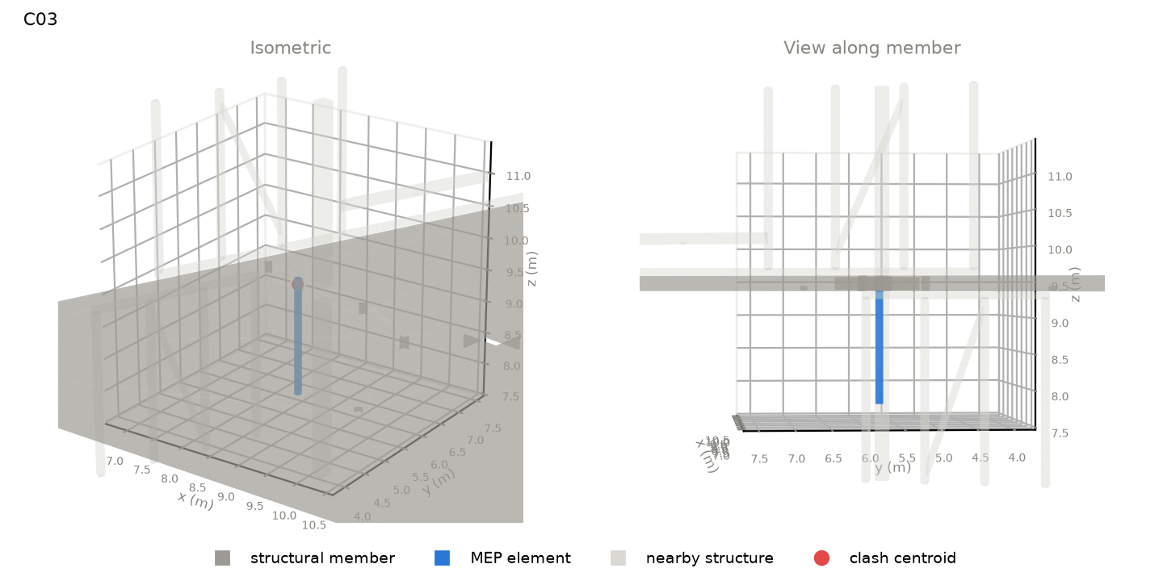 | slab | Floor : Ortbeton - 220 material: nan length 10.30 m, section 11594 x 220 mm level: GN_OG 3_OK RFB | pipe | Pipe Types : Abwasser HT outside size 110 mm system: Sanitary | position along member: 0.71 of length overlap: 65 (along) x 102 (width) x 203 (depth) mm overlap volume: 263 cm3 crossing angle: 90 deg | gravity load carried: 13 kN (~0.3 typical bays) supports of member: n/a
C04 | 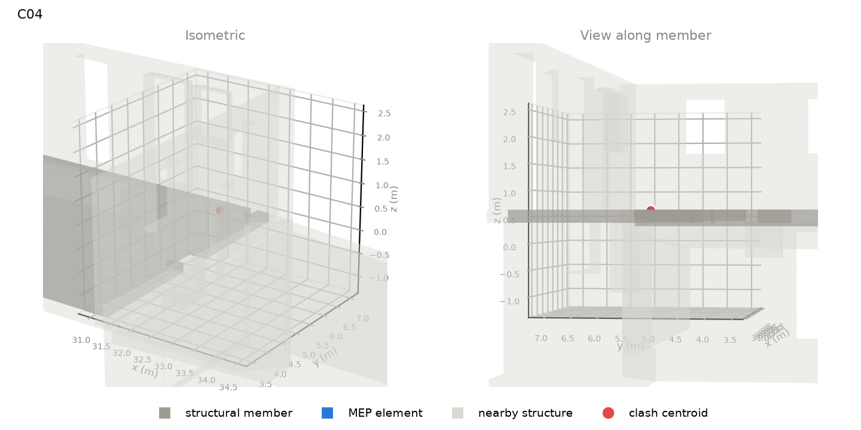 | slab | Floor : Ortbeton - 180 material: nan length 17.35 m, section 6896 x 180 mm level: HG_EG_OK RFB | fitting | Bogen Edelstahl - Press : Standard outside size 39 mm system: Hydronic Supply | position along member: 0.05 of length overlap: 26 (along) x 26 (width) x 20 (depth) mm overlap volume: 6 cm3 crossing angle: 84 deg | gravity load carried: 11 kN (~0.2 typical bays) supports of member: n/a
C05 | 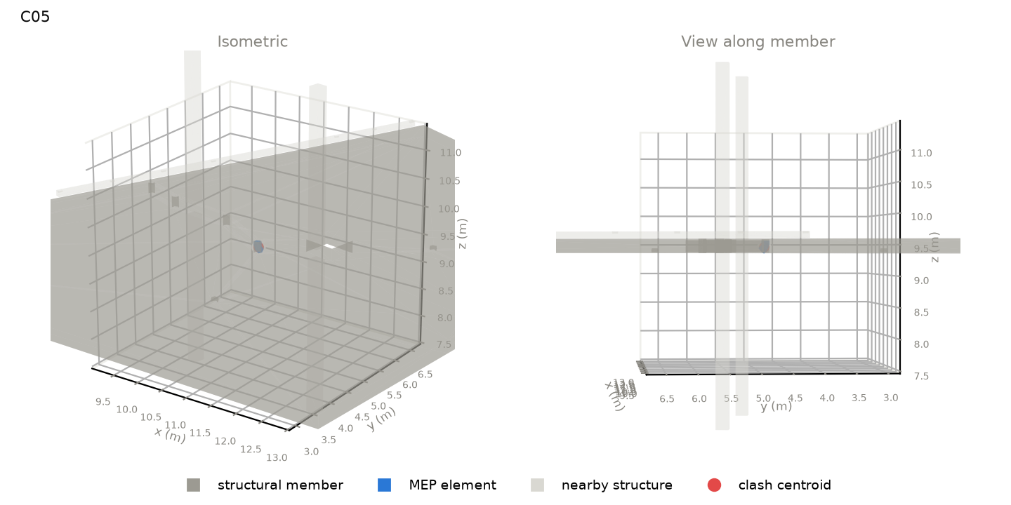 | slab | Floor : Ortbeton - 220 material: nan length 10.30 m, section 11594 x 220 mm level: GN_OG 3_OK RFB | fitting | Bogen HT : Standard outside size 147 mm system: Sanitary | position along member: 0.47 of length overlap: 117 (along) x 180 (width) x 200 (depth) mm overlap volume: 349 cm3 crossing angle: 89 deg | gravity load carried: 49 kN (~1.1 typical bays) supports of member: n/a
C06 | 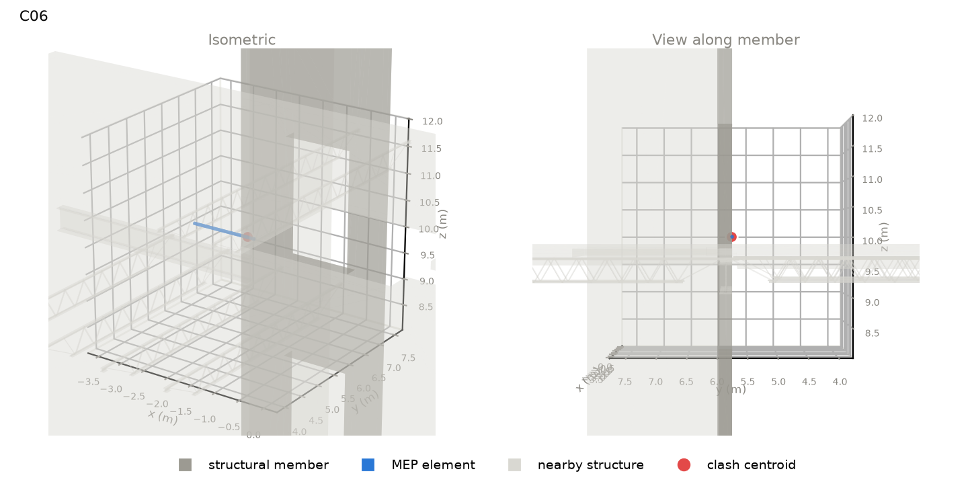 | wall | Basic Wall : Concrete 10" material: nan length 2.79 m, section 254 x 22644 mm level: L1_37_Med | pipe | Pipe Types : PVC - DWV outside size 60 mm system: Sanitary | position along member: 0.96 of length overlap: 284 (along) x 32 (width) x 60 (depth) mm overlap volume: 392 cm3 crossing angle: 0 deg | gravity load carried: 1774 kN (~34.8 typical bays) supports of member: n/a
C07 | 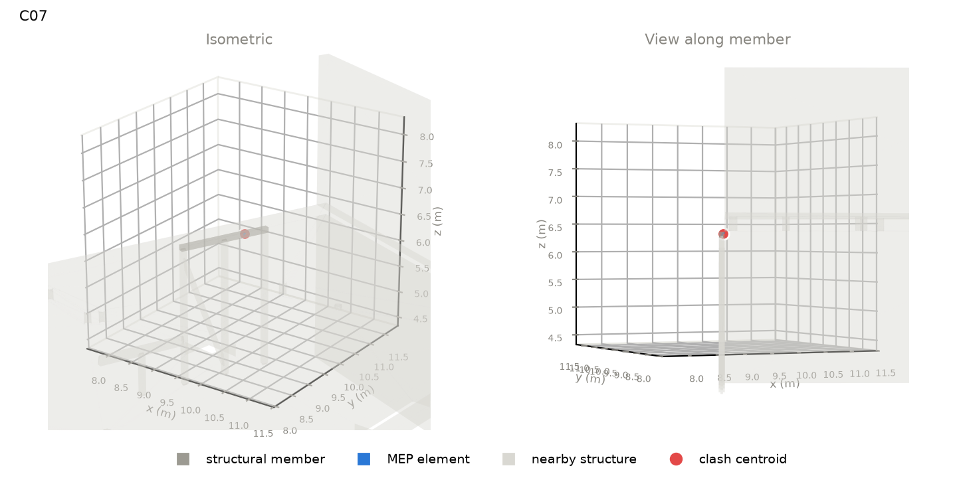 | beam | Skelettbau Holz - Pfette : 100x100 material: Wood length 1.75 m, section 100 x 100 mm level: GN_OG 2_OK RFB | fitting | Bogen Kupfer - Press : Standard outside size 34 mm system: Other | position along member: 0.27 of length overlap: 23 (along) x 58 (width) x 59 (depth) mm overlap volume: 12 cm3 crossing angle: 90 deg | gravity load carried: 68 kN (~1.5 typical bays) supports of member: n/a
C08 | 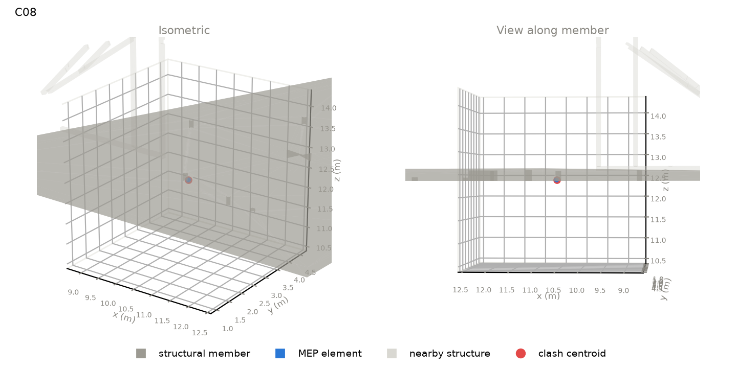 | slab | Floor : Ortbeton - 220 material: nan length 11.87 m, section 11455 x 220 mm level: GN_OG 4_OK RFB | pipe | Pipe Types : Abwasser HT outside size 110 mm system: Sanitary | position along member: 0.27 of length overlap: 114 (along) x 112 (width) x 71 (depth) mm overlap volume: 288 cm3 crossing angle: 52 deg | gravity load carried: 324 kN (~7.1 typical bays) supports of member: n/a
C09 | 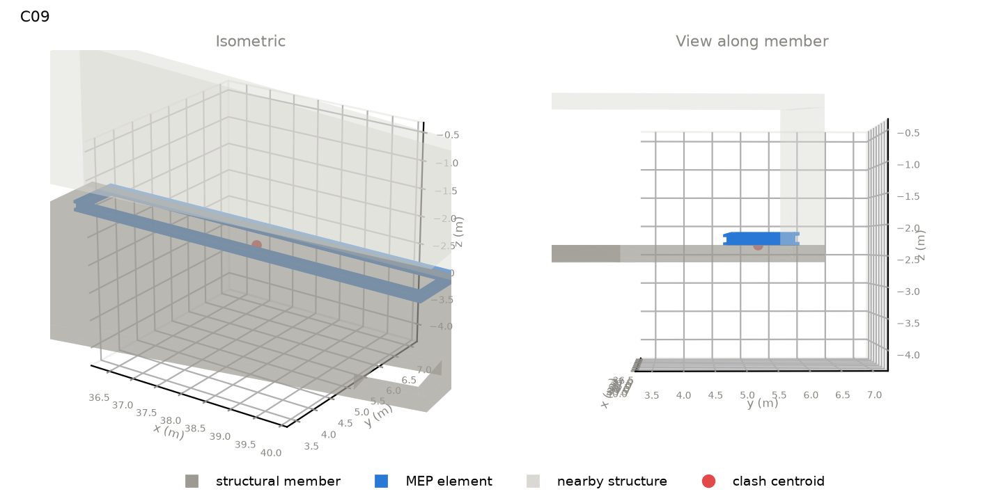 | foundation | Foundation Slab : Ortbeton - Fundamentplatte_250 material: nan length 9.64 m, section 6220 x 250 mm level: HG_Technik_Bodenplatte OK | equipment | RLT-Gerät Grundrahmen RLT-Gerät : Grundrahmen 1.035 x 7.04 m outside size 1035 mm system: nan | position along member: 0.44 of length overlap: 7070 (along) x 1267 (width) x 5 (depth) mm overlap volume: 4258 cm3 crossing angle: 2 deg | gravity load carried: 1754 kN (~38.4 typical bays) supports of member: n/a
C10 | 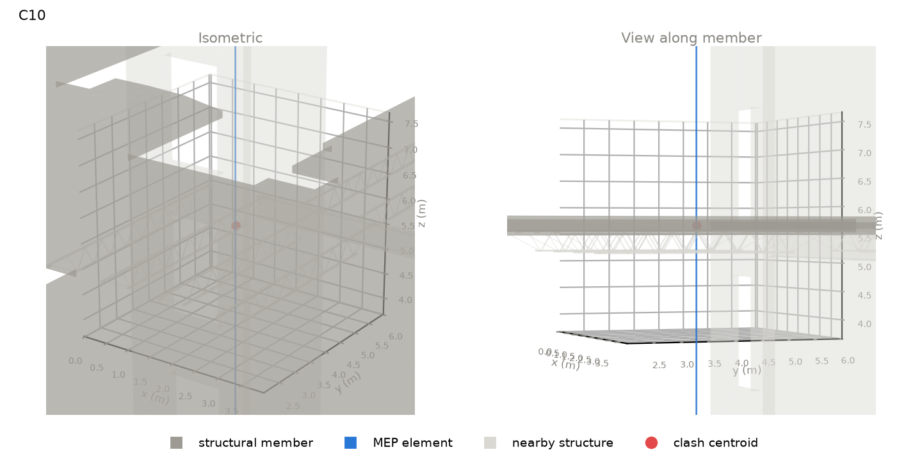 | slab | Floor : NW Concrete on Metal Deck material: nan length 39.15 m, section 31996 x 152 mm level: L3 | pipe | Pipe Types : Copper outside size 29 mm system: Domestic Cold Water | position along member: 0.42 of length overlap: 29 (along) x 28 (width) x 152 (depth) mm overlap volume: 97 cm3 crossing angle: 90 deg | gravity load carried: 11 kN (~0.2 typical bays) supports of member: n/a
C11 | 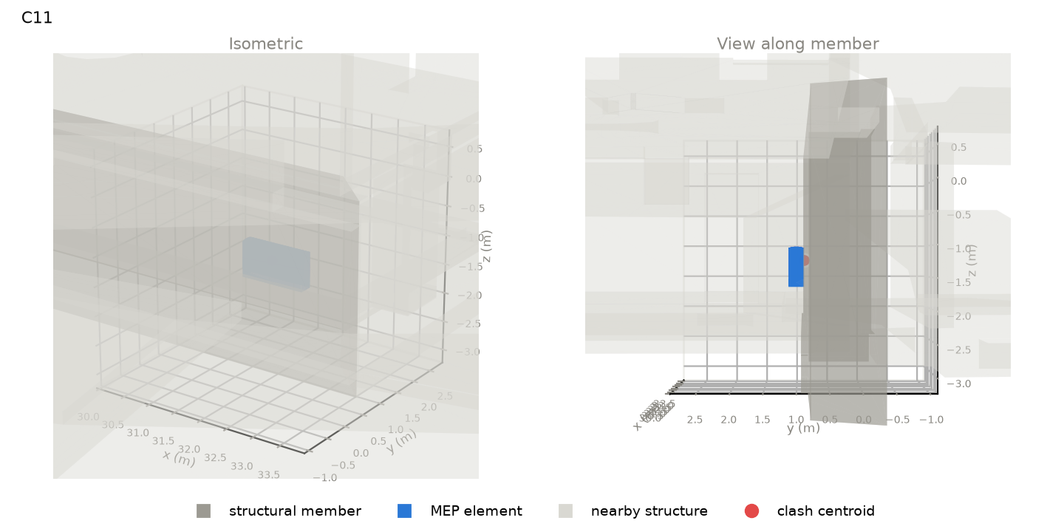 | wall | Basic Wall : Mauerwerk - Stein Bestand 800 material: nan length 17.25 m, section 800 x 3210 mm level: HG_UG 1_Fundament UK | equipment | Gebläsekonvektor 4-Leiter : BG 3 LG 2 outside size 688 mm system: Power,Supply Air,Sanitary,Hydronic Return,Hydronic Supply | position along member: 0.12 of length overlap: 1140 (along) x 7 (width) x 606 (depth) mm overlap volume: 1412 cm3 crossing angle: 3 deg | gravity load carried: 1848 kN (~40.4 typical bays) supports of member: n/a
C12 | 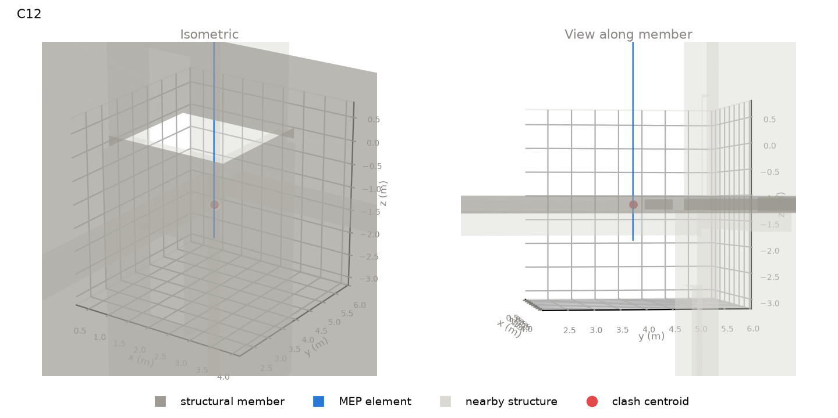 | slab | Floor : Concrete 10 material: nan length 29.21 m, section 25574 x 254 mm level: L1_37_Med | pipe | Pipe Types : Copper outside size 29 mm system: Domestic Cold Water | position along member: 0.59 of length overlap: 28 (along) x 28 (width) x 254 (depth) mm overlap volume: 149 cm3 crossing angle: 90 deg | gravity load carried: 61 kN (~1.2 typical bays) supports of member: n/a
C13 | 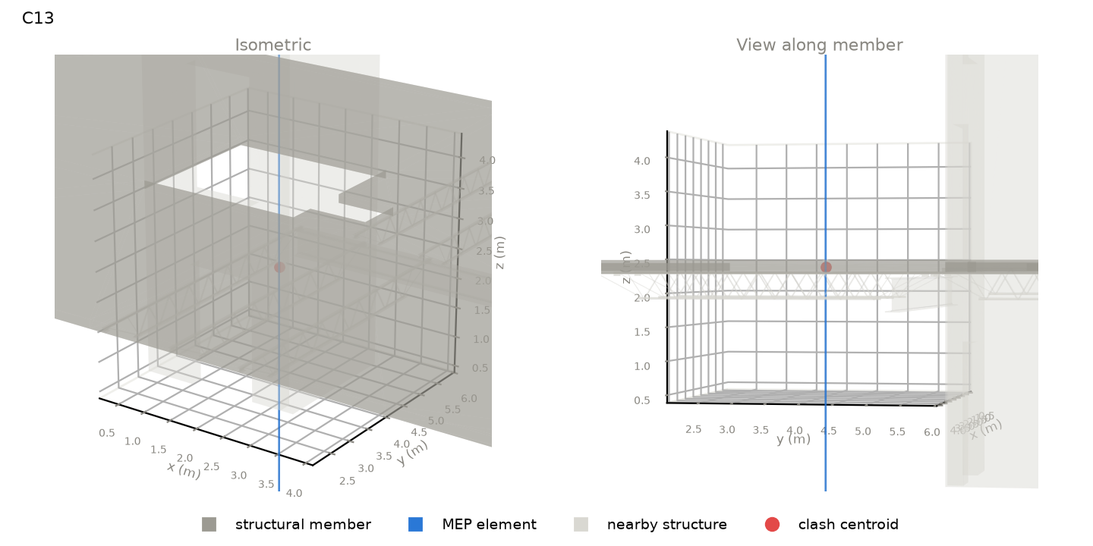 | slab | Floor : NW Concrete on Metal Deck material: nan length 32.32 m, section 22165 x 152 mm level: L2 | pipe | Pipe Types : Copper outside size 29 mm system: Domestic Cold Water | position along member: 0.60 of length overlap: 28 (along) x 28 (width) x 152 (depth) mm overlap volume: 96 cm3 crossing angle: 90 deg | gravity load carried: 10 kN (~0.2 typical bays) supports of member: n/a
C14 | 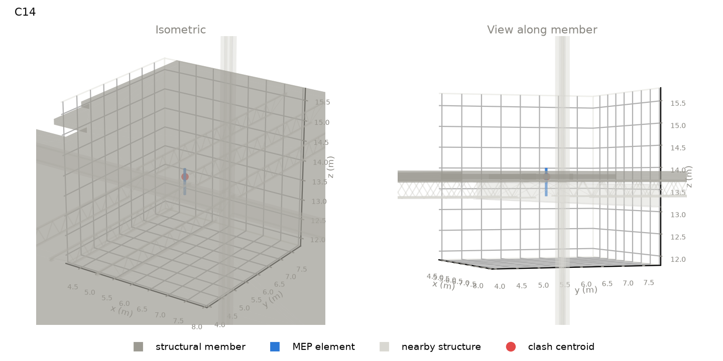 | slab | Floor : NW Concrete on Metal Deck material: nan length 39.15 m, section 32059 x 152 mm level: L5 | pipe | Pipe Types : PVC - DWV outside size 60 mm system: Sanitary | position along member: 0.50 of length overlap: 56 (along) x 56 (width) x 152 (depth) mm overlap volume: 392 cm3 crossing angle: 90 deg | gravity load carried: 10 kN (~0.2 typical bays) supports of member: n/a
C15 | 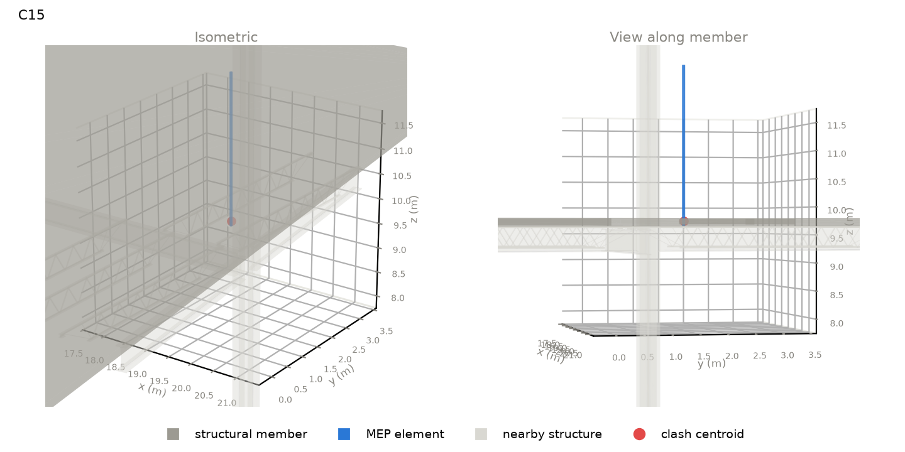 | slab | Floor : NW Concrete on Metal Deck material: nan length 38.68 m, section 27750 x 152 mm level: L4 | conduit | Conduit with Fittings : Electrical Metallic Tubing (EMT) outside size 56 mm system: nan | position along member: 0.90 of length overlap: 55 (along) x 55 (width) x 152 (depth) mm overlap volume: 336 cm3 crossing angle: 90 deg | gravity load carried: 10 kN (~0.2 typical bays) supports of member: n/a
C16 | 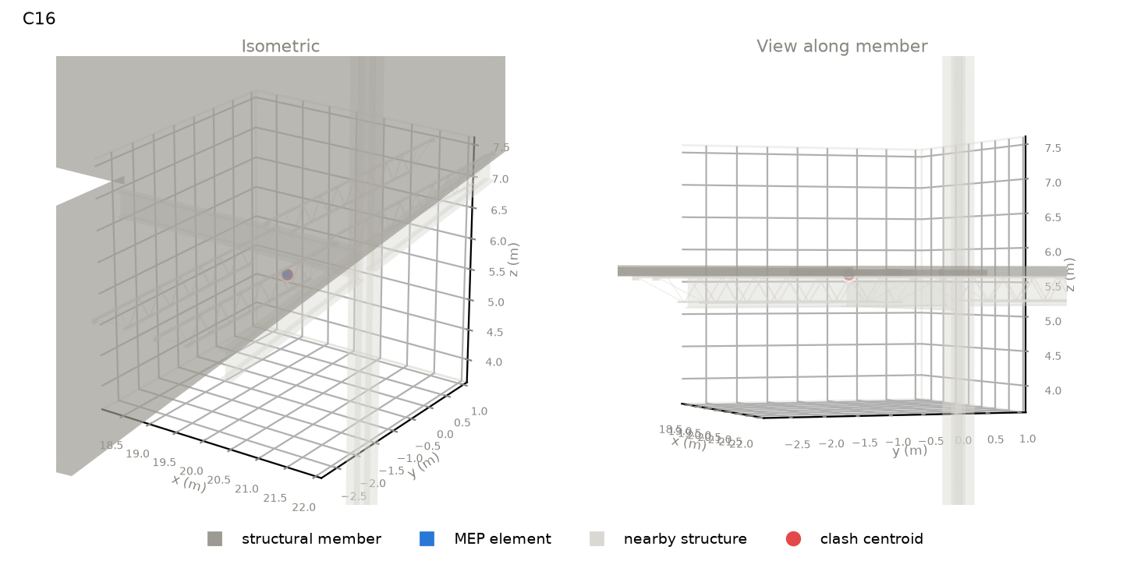 | slab | Floor : NW Concrete on Metal Deck material: nan length 39.15 m, section 31996 x 152 mm level: L3 | pipe | Pipe Types : PVC - DWV outside size 114 mm system: Sanitary | position along member: 0.90 of length overlap: 107 (along) x 107 (width) x 68 (depth) mm overlap volume: 630 cm3 crossing angle: 90 deg | gravity load carried: 10 kN (~0.2 typical bays) supports of member: n/a
C17 | 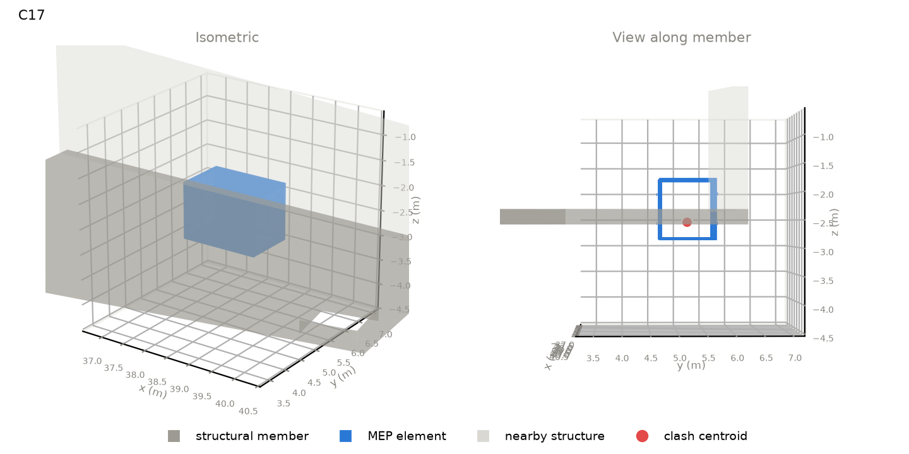 | foundation | Foundation Slab : Ortbeton - Fundamentplatte_250 material: nan length 9.64 m, section 6220 x 250 mm level: HG_Technik_Bodenplatte OK | equipment | RLT-Gerät Wärmerückgewinnung Doppelplatte - vertikal : WRG Doppelpplatte outside size 1193 mm system: Undefined | position along member: 0.48 of length overlap: 1598 (along) x 1128 (width) x 250 (depth) mm overlap volume: 35232 cm3 crossing angle: 2 deg | gravity load carried: 1754 kN (~38.4 typical bays) supports of member: n/a
C18 | 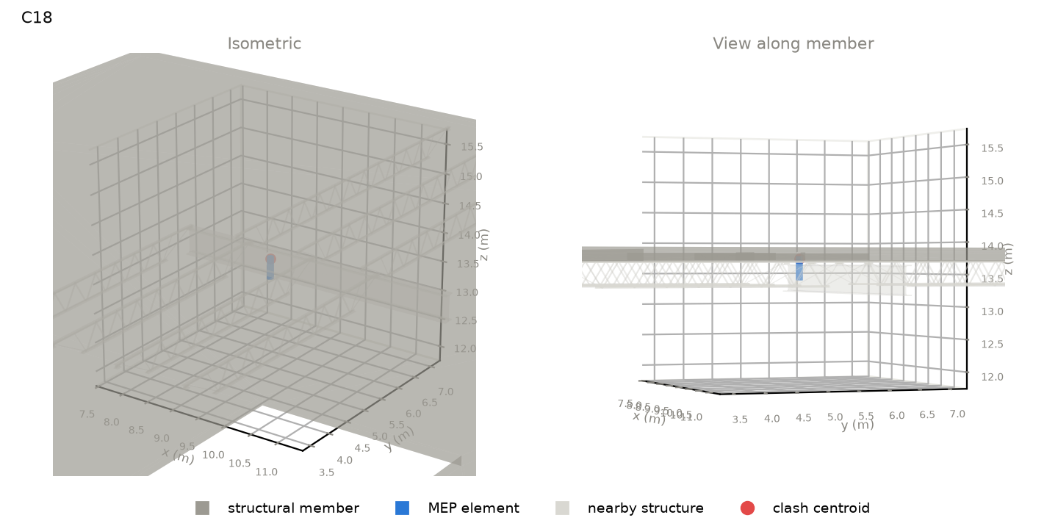 | slab | Floor : NW Concrete on Metal Deck material: nan length 39.15 m, section 32059 x 152 mm level: L5 | pipe | Pipe Types : PVC - DWV outside size 114 mm system: Sanitary | position along member: 0.59 of length overlap: 107 (along) x 107 (width) x 68 (depth) mm overlap volume: 630 cm3 crossing angle: 90 deg | gravity load carried: 10 kN (~0.2 typical bays) supports of member: n/a
C19 | 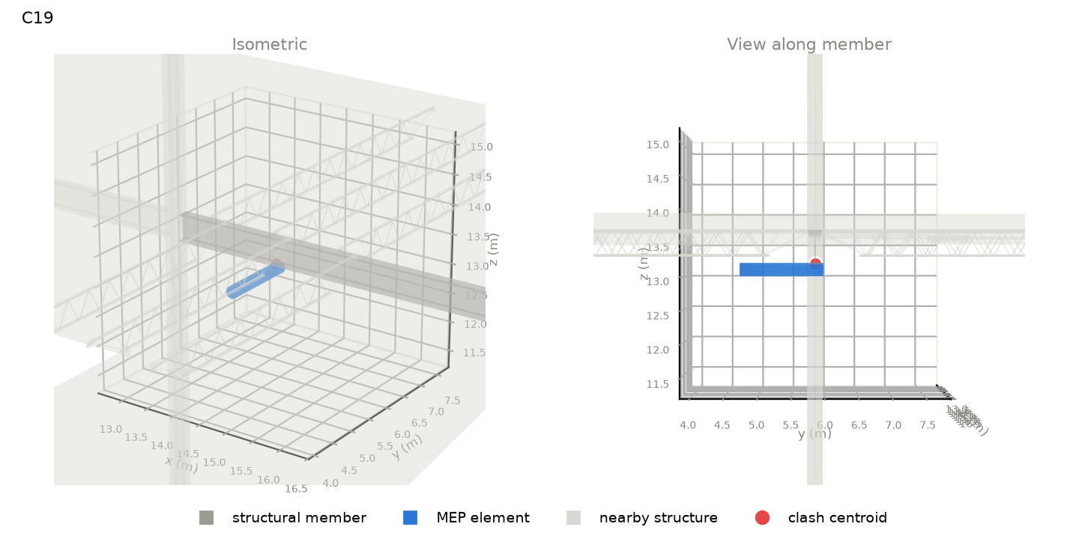 | beam | W Shapes : W18x55 material: Steel length 6.83 m, section 191 x 460 mm level: L5 TOS | duct | Round Duct : Tees outside size 203 mm system: Return Air | position along member: 0.26 of length overlap: 73 (along) x 191 (width) x 15 (depth) mm overlap volume: 107 cm3 crossing angle: 90 deg | gravity load carried: 399 kN (~7.8 typical bays) supports of member: n/a
C20 | 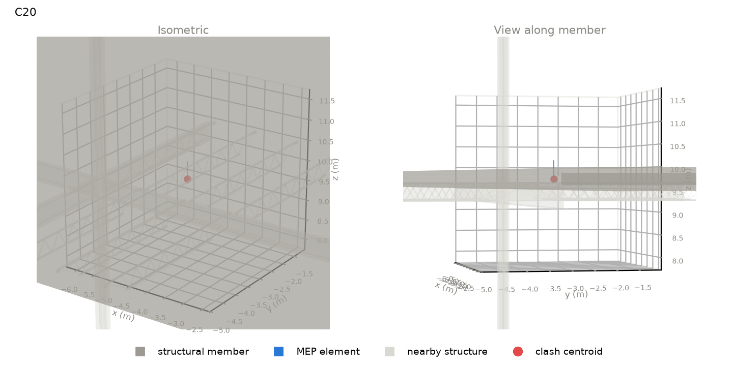 | slab | Floor : NW Concrete on Metal Deck material: nan length 38.68 m, section 27750 x 152 mm level: L4 | pipe | Pipe Types : Copper outside size 16 mm system: Domestic Cold Water | position along member: 0.32 of length overlap: 16 (along) x 16 (width) x 152 (depth) mm overlap volume: 27 cm3 crossing angle: 90 deg | gravity load carried: 12 kN (~0.2 typical bays) supports of member: n/a
C21 | 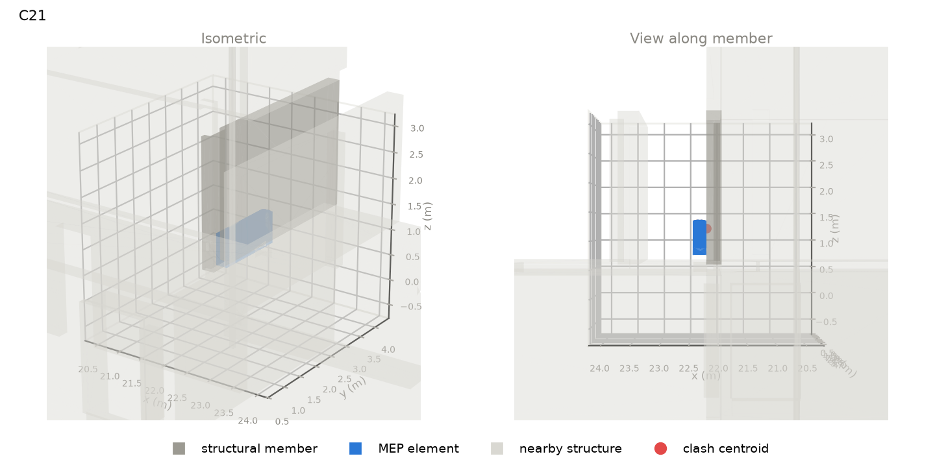 | wall | Basic Wall : Ortbeton - STB 250 material: nan length 4.10 m, section 250 x 2520 mm level: HG_EG_OK RFB | equipment | Gebläsekonvektor 4-Leiter : BG 5 LG 2 outside size 678 mm system: Power,Supply Air,Sanitary,Hydronic Return,Hydronic Supply | position along member: 0.19 of length overlap: 1440 (along) x 2 (width) x 606 (depth) mm overlap volume: 1730 cm3 crossing angle: 2 deg | gravity load carried: 160 kN (~3.5 typical bays) supports of member: n/a
C22 | 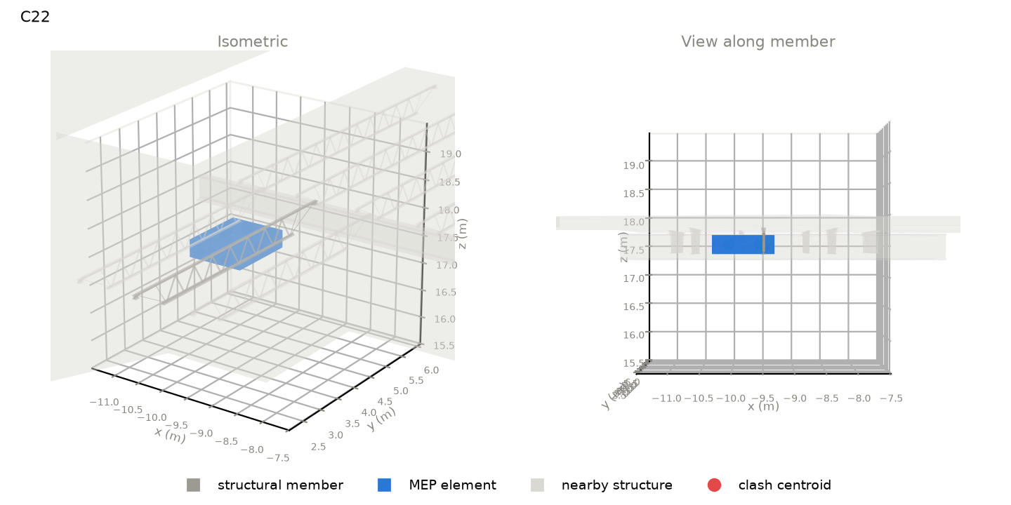 | beam | K-Series Bar Joist-Angle Web : 16K2 material: Steel length 5.09 m, section 73 x 406 mm level: R2 TOS | equipment | HeatRecoveryUnit : Heat Recovery Unit (HRU) outside size 1043 mm system: Return Air,Supply Air,Exhaust Air,Supply Air,Power | position along member: 0.34 of length overlap: 1330 (along) x 73 (width) x 308 (depth) mm overlap volume: 1162 cm3 crossing angle: 1 deg | gravity load carried: 74 kN (~1.5 typical bays) supports of member: n/a
C23 | 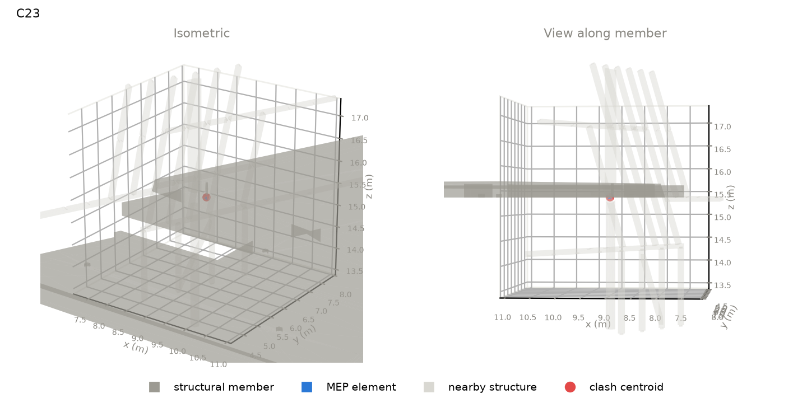 | slab | Floor : Ortbeton - 290 material: nan length 11.79 m, section 8948 x 290 mm level: GN_OG 5_OK RFB | fitting | T-Stück Edelstahl - Press : Standard outside size 55 mm system: Domestic Hot Water | position along member: 0.56 of length overlap: 23 (along) x 20 (width) x 16 (depth) mm overlap volume: 4 cm3 crossing angle: 61 deg | gravity load carried: 14 kN (~0.3 typical bays) supports of member: n/a
C24 | 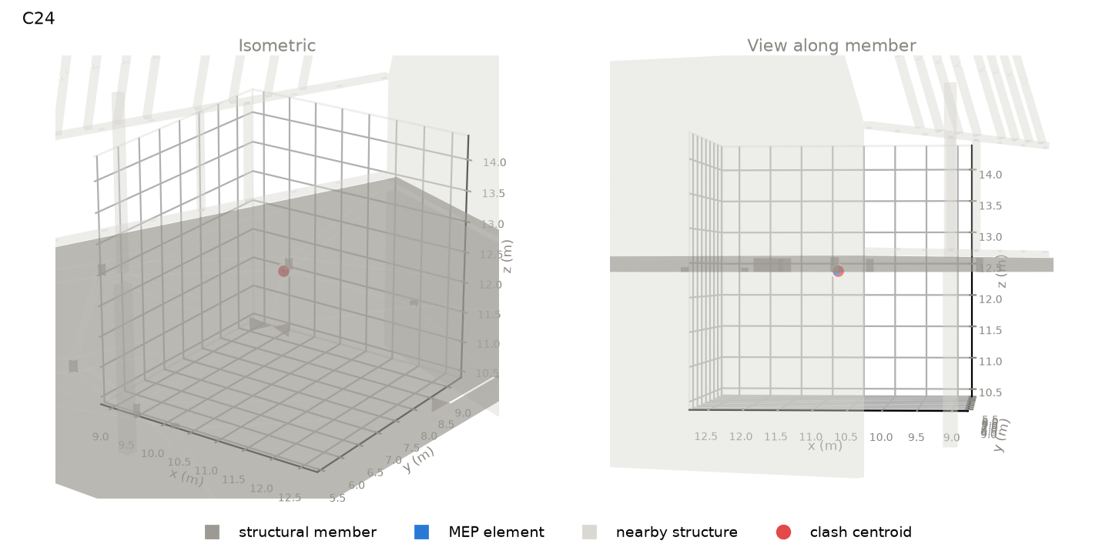 | slab | Floor : Ortbeton - 220 material: nan length 11.87 m, section 11455 x 220 mm level: GN_OG 4_OK RFB | pipe | Pipe Types : Abwasser HT outside size 110 mm system: Sanitary | position along member: 0.66 of length overlap: 67 (along) x 93 (width) x 34 (depth) mm overlap volume: 20 cm3 crossing angle: 52 deg | gravity load carried: 288 kN (~6.3 typical bays) supports of member: n/a
C25 | 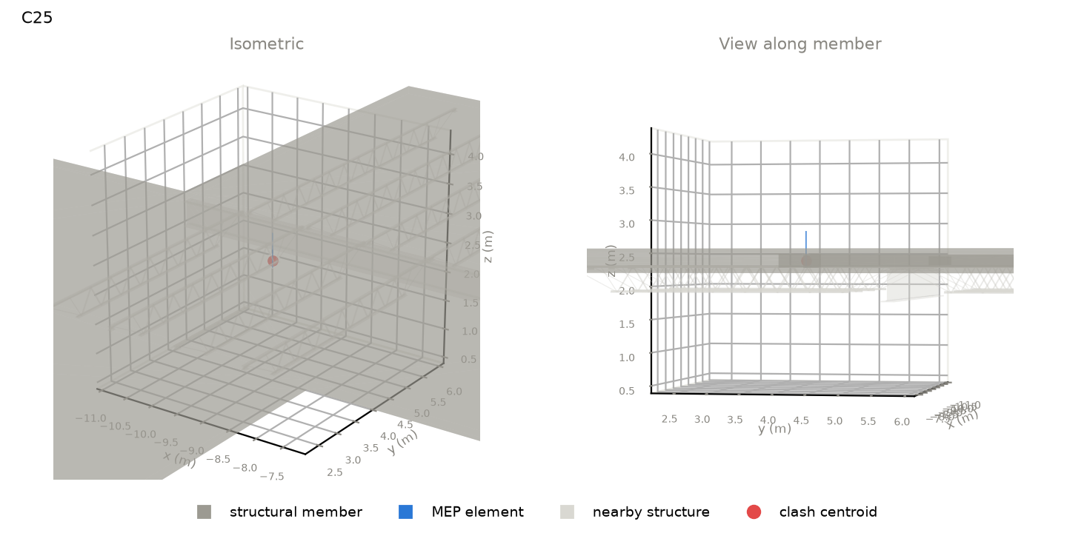 | slab | Floor : NW Concrete on Metal Deck material: nan length 32.32 m, section 22165 x 152 mm level: L2 | pipe | Pipe Types : Copper outside size 16 mm system: Domestic Hot Water | position along member: 0.26 of length overlap: 16 (along) x 16 (width) x 152 (depth) mm overlap volume: 27 cm3 crossing angle: 90 deg | gravity load carried: 14 kN (~0.3 typical bays) supports of member: n/a
C26 | 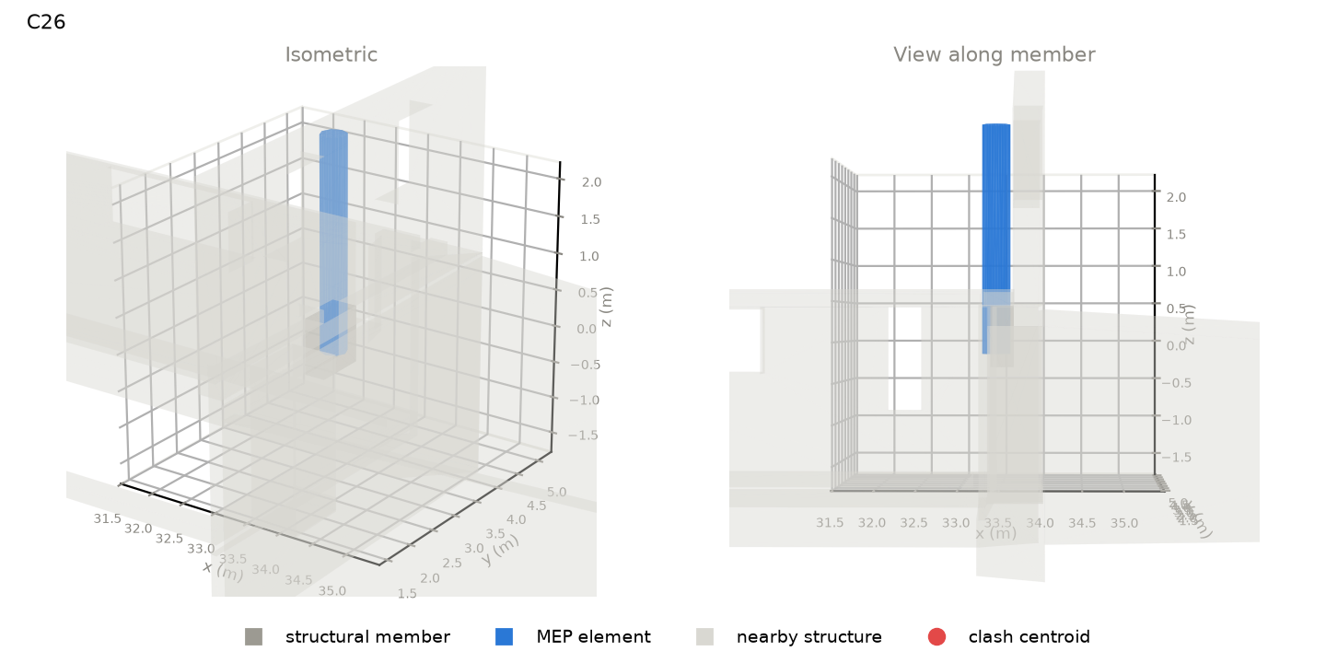 | wall | Basic Wall : Mauerwerk - Stein Bestand 800 material: nan length 0.74 m, section 291 x 764 mm level: HG_UG 1_Fundament UK | duct | Round Duct : Bogen - T-Stück outside size 355 mm system: Return Air | position along member: 0.25 of length overlap: 355 (along) x 241 (width) x 604 (depth) mm overlap volume: 38640 cm3 crossing angle: 90 deg | gravity load carried: 114 kN (~2.5 typical bays) supports of member: n/a
C27 | 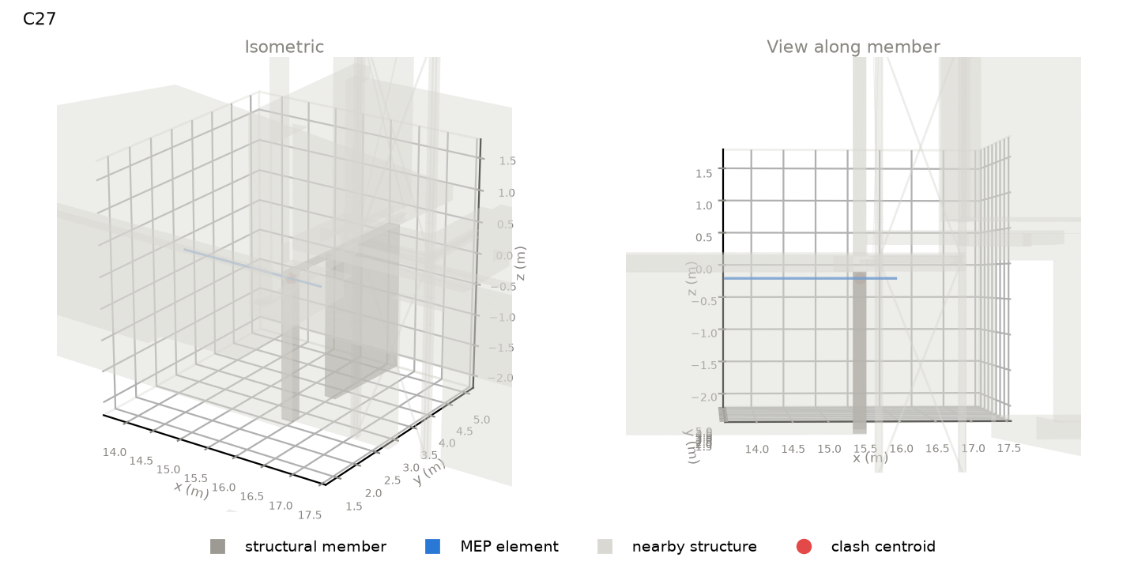 | wall | Basic Wall : Ortbeton - STB 200 material: nan length 2.68 m, section 200 x 2389 mm level: GN_UG 1_Bodenplatte_OK | pipe | Pipe Types : Stahl - Pressfitting outside size 75 mm system: Hydronic Supply | position along member: 0.97 of length overlap: 44 (along) x 200 (width) x 35 (depth) mm overlap volume: 174 cm3 crossing angle: 87 deg | gravity load carried: 73 kN (~1.6 typical bays) supports of member: n/a
C28 |  | beam | W Shapes : W18x55 material: Steel length 6.83 m, section 191 x 460 mm level: L4 TOS | duct | Round Duct : Tees outside size 203 mm system: Return Air | position along member: 0.26 of length overlap: 73 (along) x 191 (width) x 15 (depth) mm overlap volume: 107 cm3 crossing angle: 90 deg | gravity load carried: 380 kN (~7.5 typical bays) supports of member: n/a
C29 | 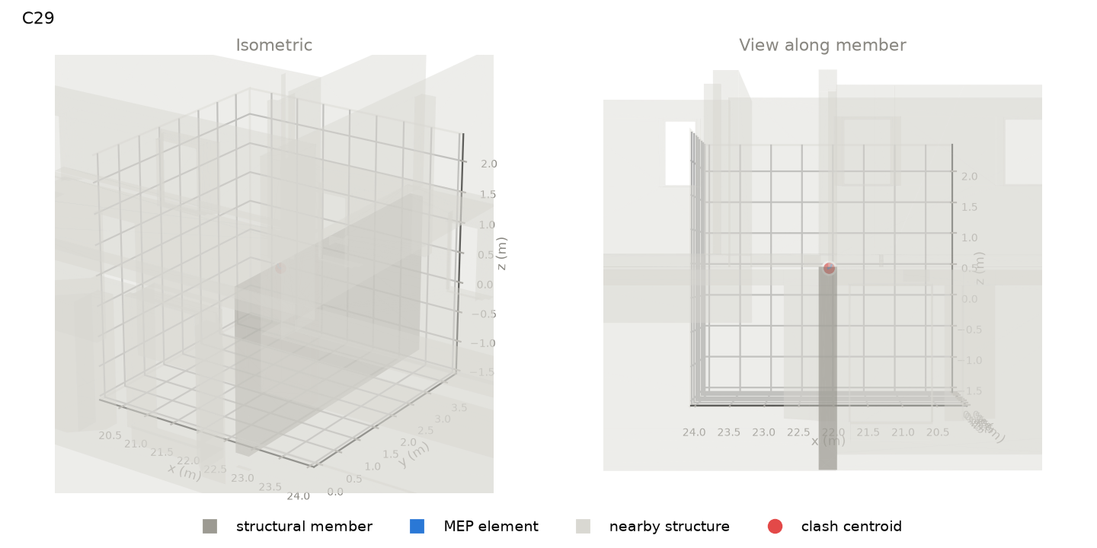 | wall | Basic Wall : Ortbeton - STB 250 material: nan length 4.96 m, section 250 x 2778 mm level: GN_UG 1_Treppenhaus_Bodenplatte_OK | fitting | Bogen Edelstahl - Press : Standard outside size 47 mm system: Domestic Cold Water | position along member: 0.21 of length overlap: 31 (along) x 65 (width) x 35 (depth) mm overlap volume: 21 cm3 crossing angle: 90 deg | gravity load carried: 372 kN (~8.1 typical bays) supports of member: n/a
C30 | 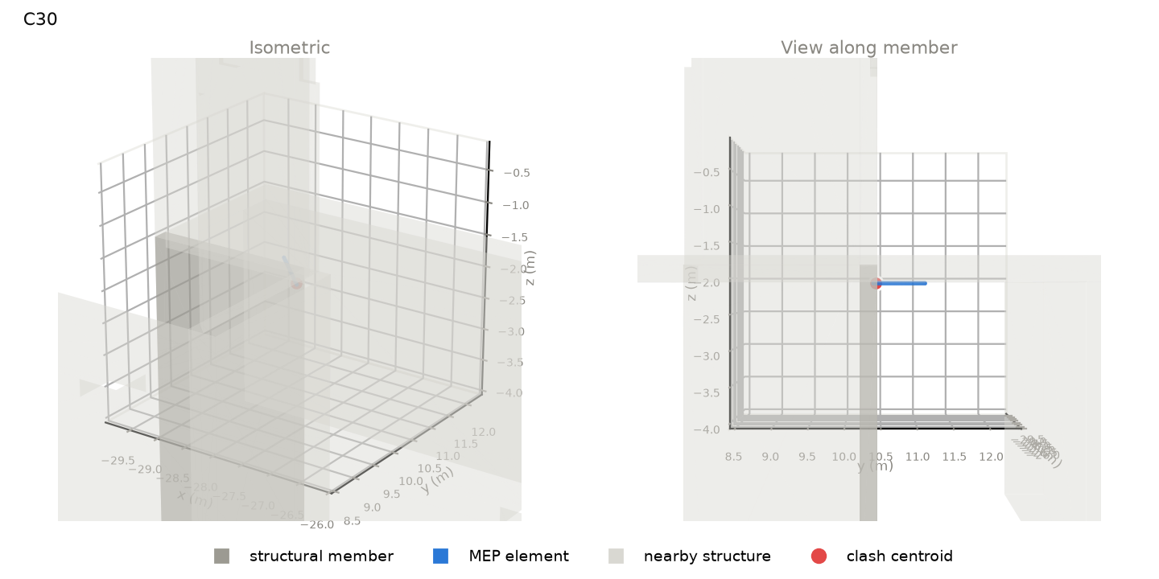 | wall | Basic Wall : Concrete 10" material: nan length 2.54 m, section 254 x 5182 mm level: Elevator Pit | pipe | Pipe Types : PVC - DWV outside size 60 mm system: Sanitary | position along member: 0.95 of length overlap: 130 (along) x 87 (width) x 60 (depth) mm overlap volume: 239 cm3 crossing angle: 45 deg | gravity load carried: 793 kN (~15.6 typical bays) supports of member: n/a
C31 | 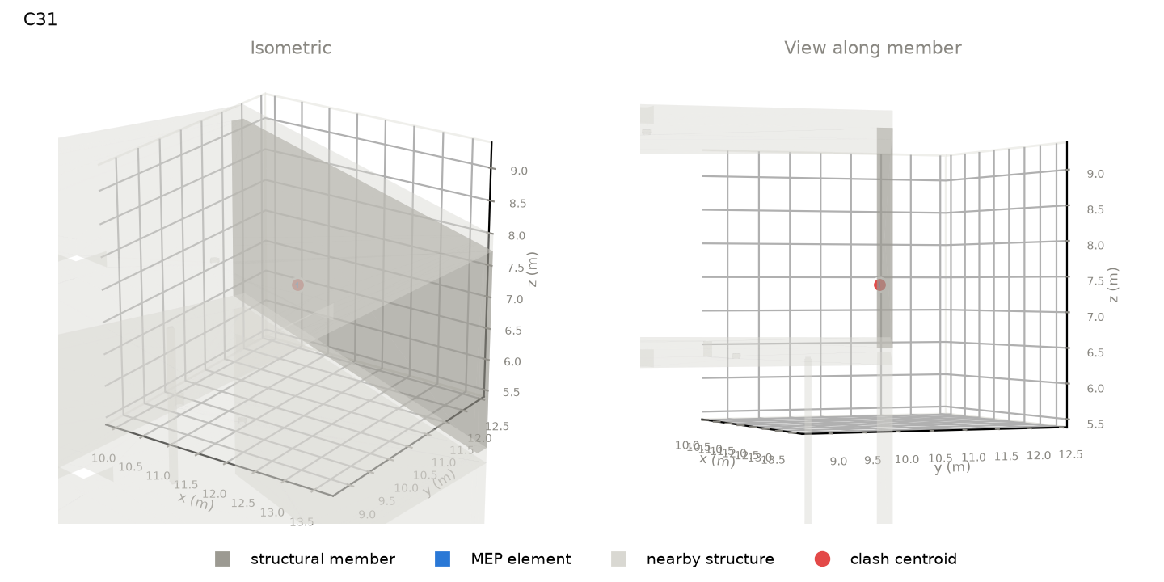 | wall | Basic Wall : Ortbeton - STB 200 material: nan length 6.39 m, section 200 x 2780 mm level: GN_OG 2_OK RFB | fitting | T-Stück Edelstahl - Press : Standard outside size 54 mm system: Domestic Hot Water | position along member: 0.28 of length overlap: 55 (along) x 23 (width) x 82 (depth) mm overlap volume: 21 cm3 crossing angle: 90 deg | gravity load carried: 875 kN (~19.1 typical bays) supports of member: n/a
C32 | 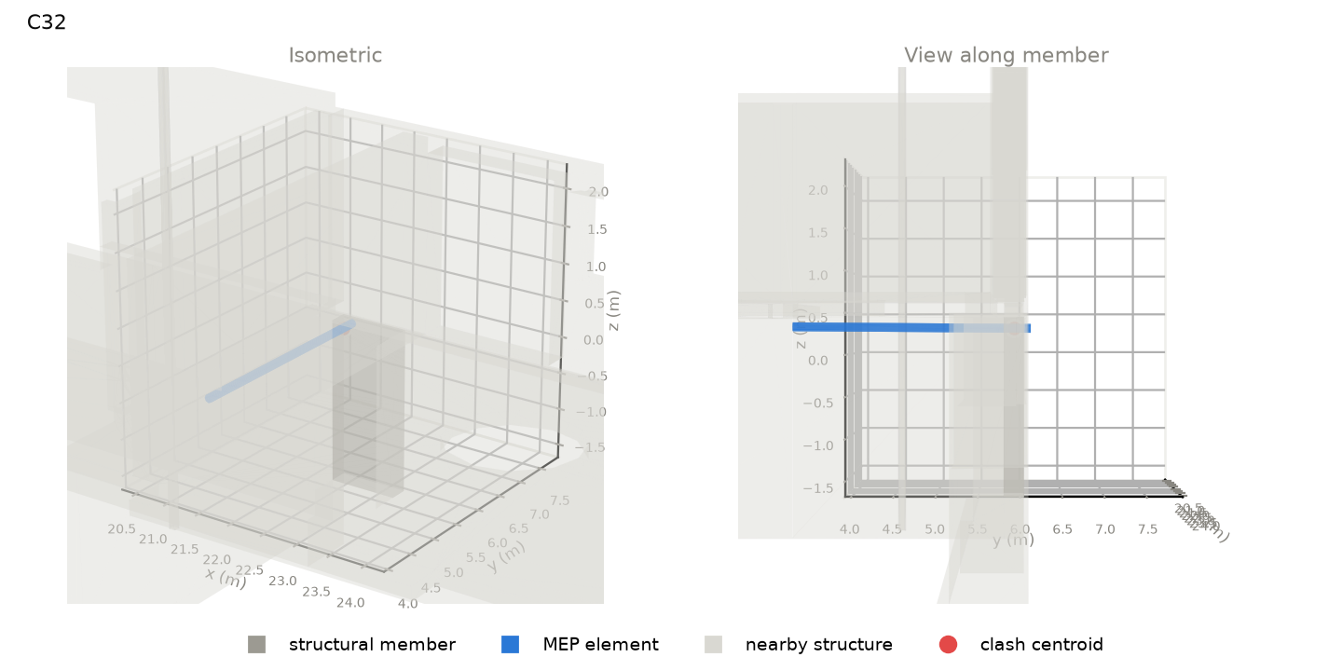 | wall | Basic Wall : Ortbeton - STB 250 material: nan length 0.93 m, section 250 x 2200 mm level: HG_UG 1_Bodenplatte_OK | pipe | Pipe Types : Abwasser HT outside size 110 mm system: Sanitary | position along member: 0.08 of length overlap: 110 (along) x 250 (width) x 112 (depth) mm overlap volume: 2139 cm3 crossing angle: 90 deg | gravity load carried: 121 kN (~2.7 typical bays) supports of member: n/a
C33 | 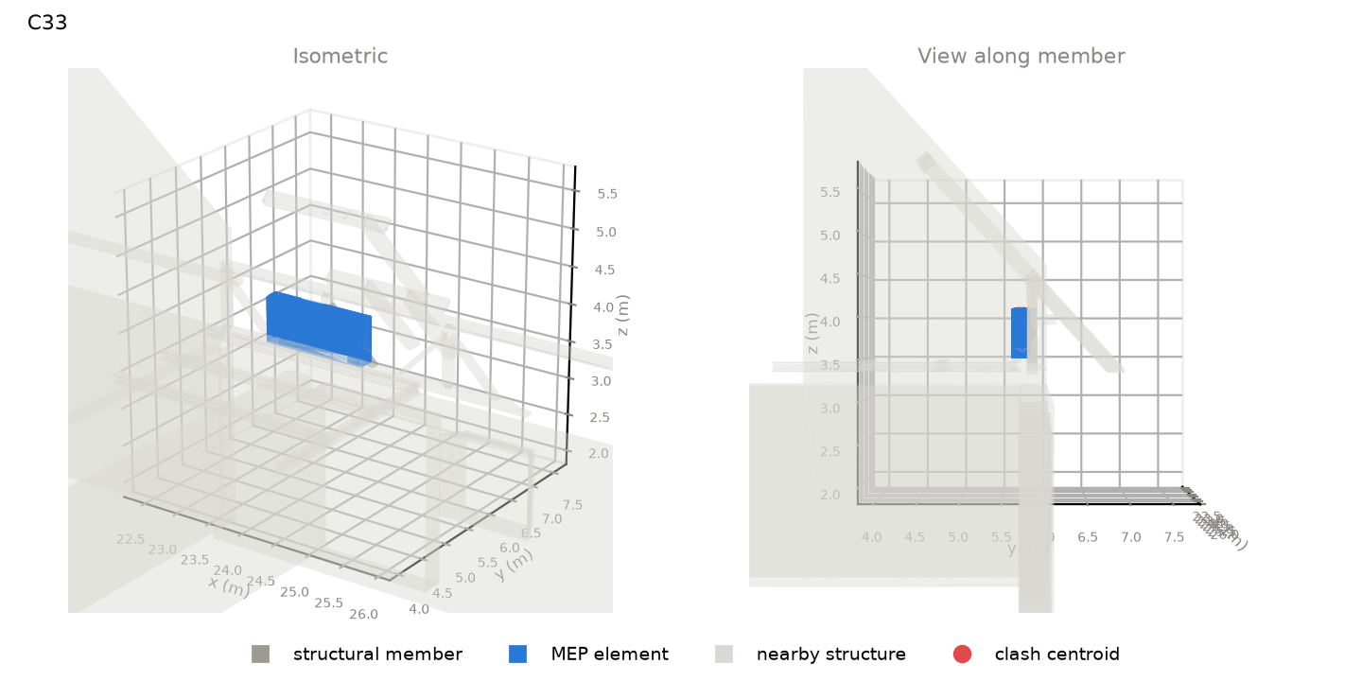 | beam | hsbcad Balken : Variabel material: Wood length 0.96 m, section 120 x 60 mm level: Dach Bezug_OG 1_FBOK | equipment | Gebläsekonvektor 4-Leiter : BG 5 LG 2 outside size 678 mm system: Power,Supply Air,Sanitary,Hydronic Return,Hydronic Supply | position along member: 0.44 of length overlap: 882 (along) x 44 (width) x 60 (depth) mm overlap volume: 2431 cm3 crossing angle: 43 deg | gravity load carried: 0 kN (~0.0 typical bays) supports of member: n/a
C34 | 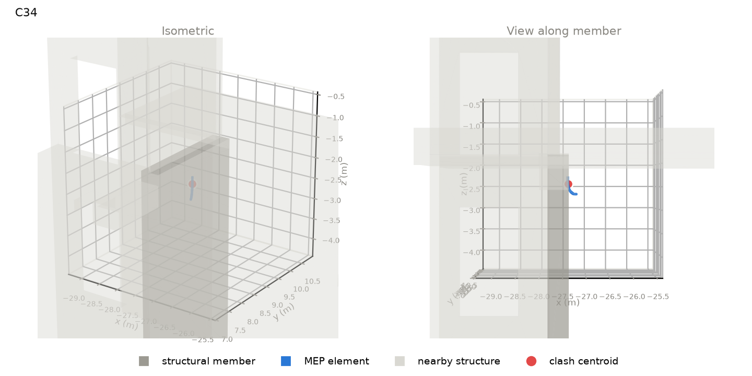 | wall | Basic Wall : Concrete 18" material: nan length 2.77 m, section 457 x 5182 mm level: Elevator Pit | fitting | Conduit Elbow - Steel : Standard outside size 205 mm system: CableTrayConduit | position along member: 0.53 of length overlap: 118 (along) x 50 (width) x 327 (depth) mm overlap volume: 533 cm3 crossing angle: 52 deg | gravity load carried: 940 kN (~18.4 typical bays) supports of member: n/a
C35 | 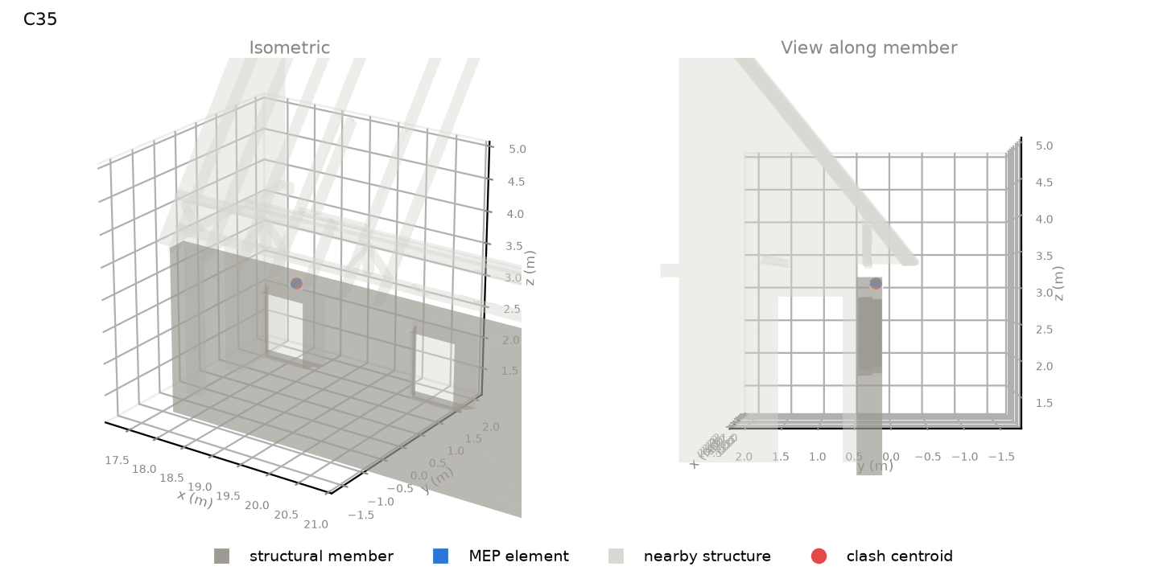 | wall | Basic Wall : Mauerwerk - Stein Bestand 350 material: nan length 6.51 m, section 350 x 2700 mm level: HG_UG 1_UK RD | fitting | Übergang rund kurz : Standard outside size 100 mm system: Return Air | position along member: 0.65 of length overlap: 100 (along) x 150 (width) x 100 (depth) mm overlap volume: 863 cm3 crossing angle: 90 deg | gravity load carried: 180 kN (~3.9 typical bays) supports of member: n/a
C36 | 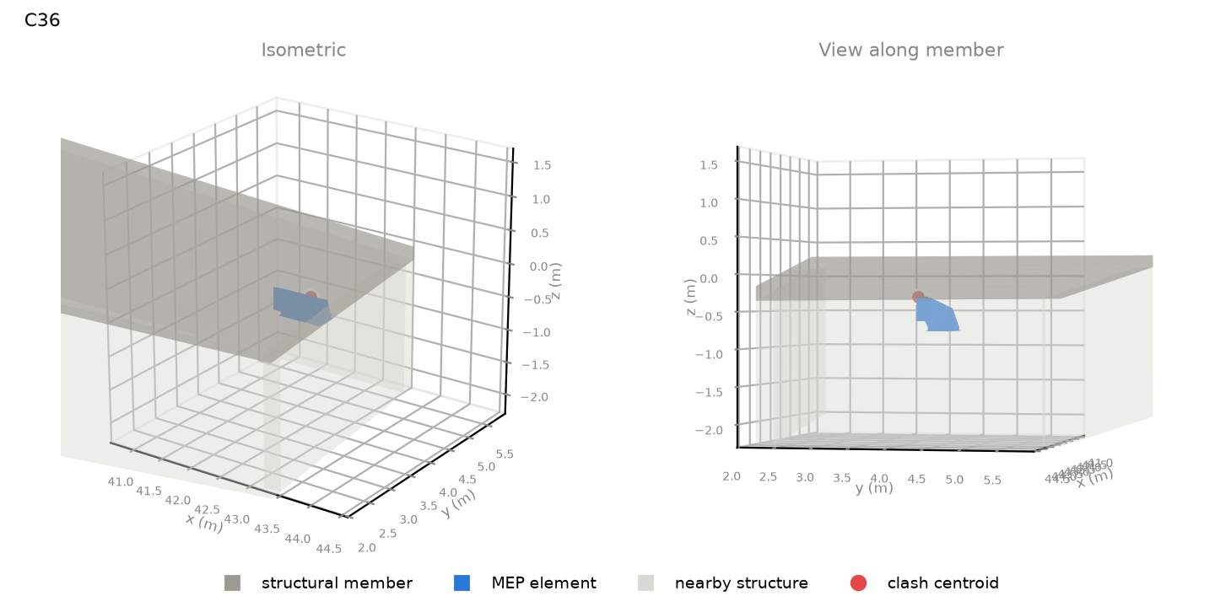 | slab | Floor : Ortbeton - 200 material: nan length 10.00 m, section 6187 x 756 mm level: HG_Technik_UK RD | fitting | Bogen Rechteck BS : Standard outside size 488 mm system: Supply Air | position along member: 0.92 of length overlap: 174 (along) x 45 (width) x 10 (depth) mm overlap volume: 5 cm3 crossing angle: 12 deg | gravity load carried: 11 kN (~0.2 typical bays) supports of member: n/a
C37 | 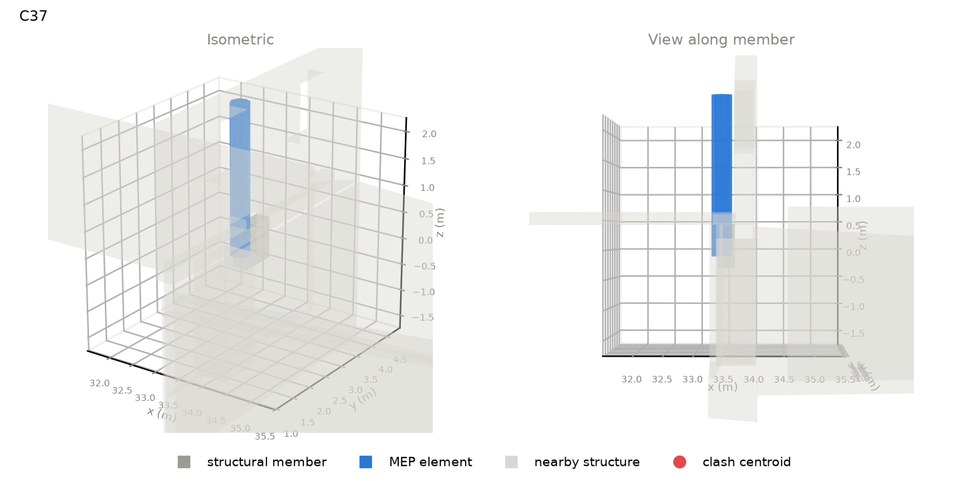 | wall | Basic Wall : Mauerwerk - Stein Bestand 800 material: nan length 0.74 m, section 291 x 764 mm level: HG_UG 1_Fundament UK | duct | Round Duct : Bogen - T-Stück outside size 355 mm system: Supply Air | position along member: 0.75 of length overlap: 312 (along) x 242 (width) x 565 (depth) mm overlap volume: 33872 cm3 crossing angle: 90 deg | gravity load carried: 114 kN (~2.5 typical bays) supports of member: n/a
C38 | 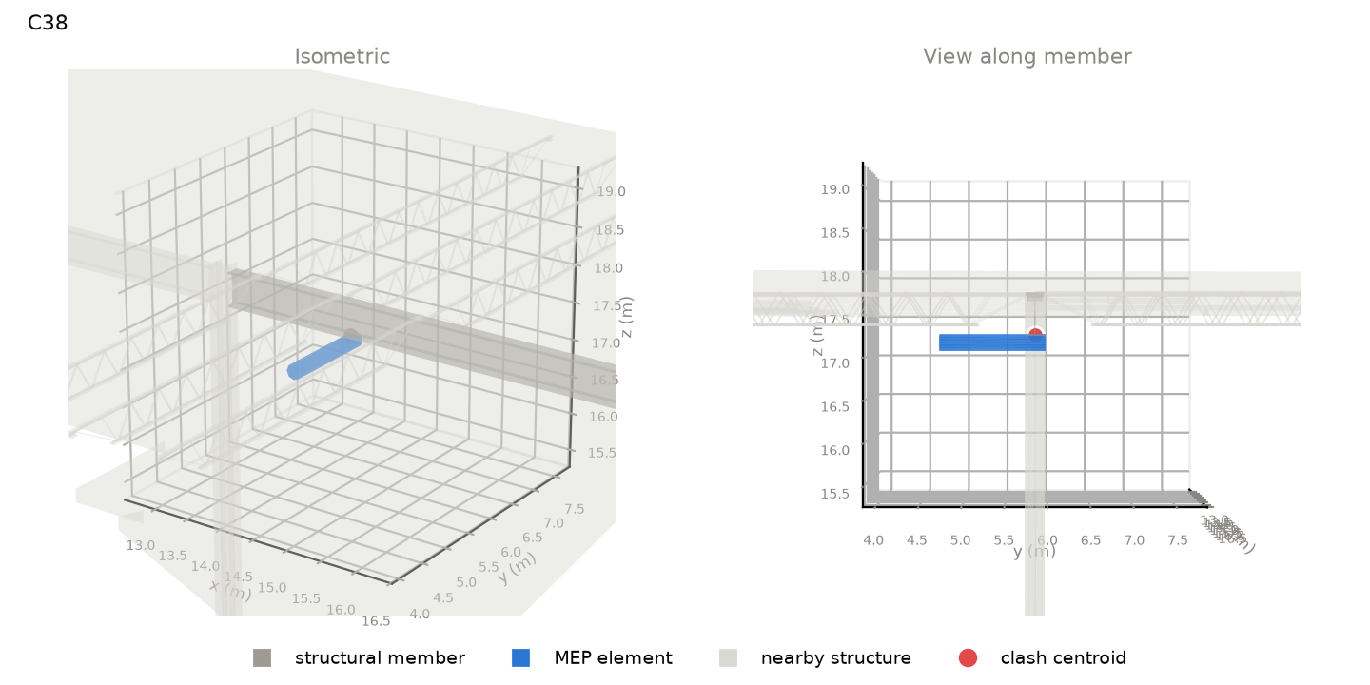 | beam | W Shapes : W18x55 material: Steel length 6.83 m, section 191 x 460 mm level: R2 TOS | duct | Round Duct : Tees outside size 203 mm system: Return Air | position along member: 0.26 of length overlap: 73 (along) x 191 (width) x 15 (depth) mm overlap volume: 107 cm3 crossing angle: 90 deg | gravity load carried: 417 kN (~8.2 typical bays) supports of member: n/a
C39 | 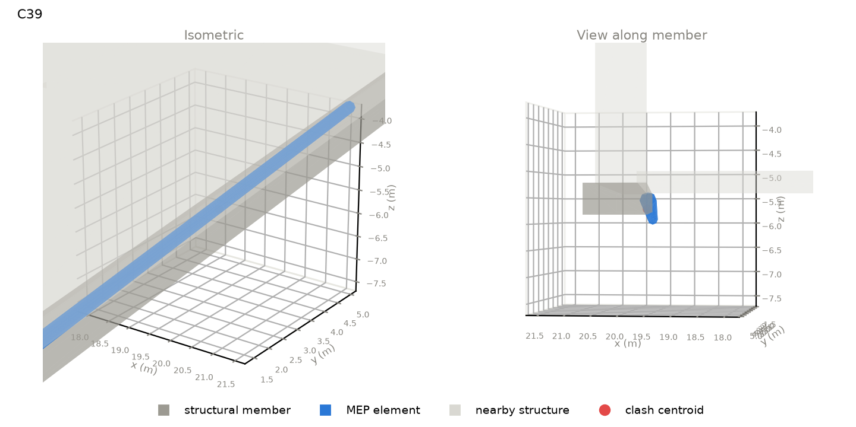 | foundation | Wall Foundation : Bearing Footing - 36"x18" material: nan length 21.09 m, section 1060 x 457 mm level: None | pipe | Pipe Types : PVC - DWV outside size 273 mm system: Sanitary | position along member: 0.52 of length overlap: 17097 (along) x 257 (width) x 356 (depth) mm overlap volume: 281670 cm3 crossing angle: 1 deg | gravity load carried: 5129 kN (~100.6 typical bays) supports of member: n/a
C40 | 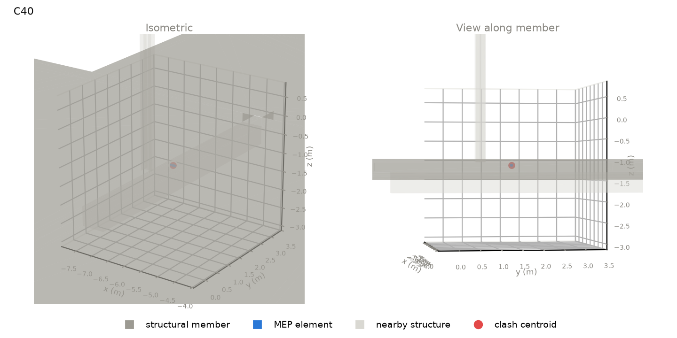 | slab | Floor : Concrete 10 material: nan length 29.21 m, section 25574 x 254 mm level: L1_37_Med | pipe | Pipe Types : PVC - DWV outside size 60 mm system: Sanitary | position along member: 0.33 of length overlap: 156 (along) x 81 (width) x 60 (depth) mm overlap volume: 383 cm3 crossing angle: 8 deg | gravity load carried: 1812 kN (~35.6 typical bays) supports of member: n/a
C41 | 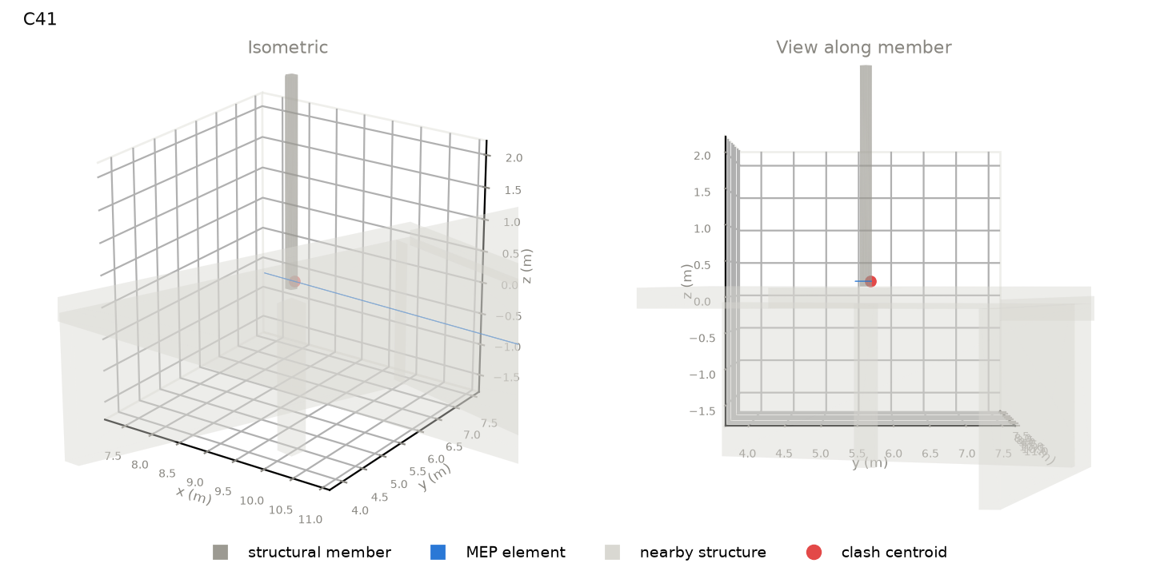 | column | Ortbeton - Stütze - rund : Ortbeton - Ø 200 material: Concrete length 3.23 m, section 200 x 173 mm level: GN_EG_Bodenplatte_OK | pipe | Pipe Types : Kupfer - Hartgelötet outside size 13 mm system: Hydronic Supply | position along member: 0.02 of length overlap: 13 (along) x 134 (width) x 17 (depth) mm overlap volume: 14 cm3 crossing angle: 90 deg | gravity load carried: 807 kN (~17.7 typical bays) supports of member: n/a
C42 | 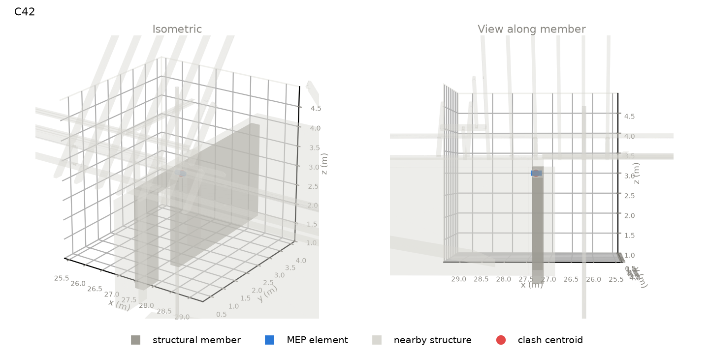 | wall | Basic Wall : Ortbeton - STB 250 material: nan length 5.26 m, section 250 x 2520 mm level: HG_EG_OK RFB | duct | Round Duct : Bogen - T-Stück outside size 125 mm system: Supply Air | position along member: 0.33 of length overlap: 125 (along) x 223 (width) x 125 (depth) mm overlap volume: 2460 cm3 crossing angle: 90 deg | gravity load carried: 171 kN (~3.7 typical bays) supports of member: n/a
C43 | 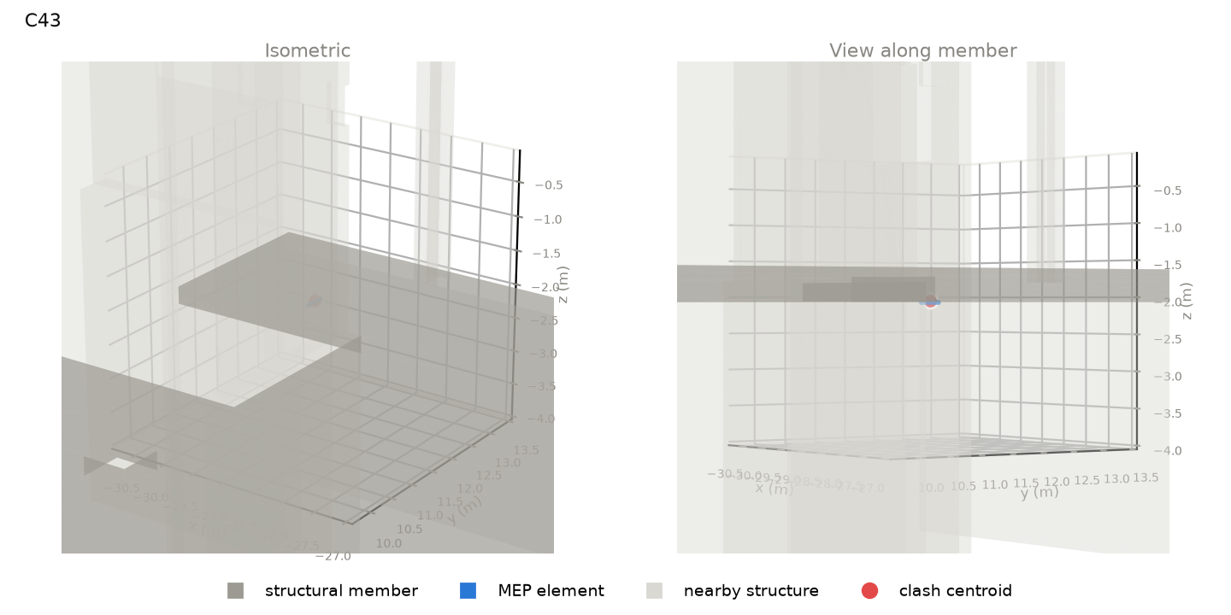 | slab | Floor : Concrete 10 material: nan length 25.15 m, section 28680 x 254 mm level: L1_35_Low | pipe | Pipe Types : PVC - DWV outside size 60 mm system: Sanitary | position along member: 0.08 of length overlap: 220 (along) x 285 (width) x 17 (depth) mm overlap volume: 184 cm3 crossing angle: 55 deg | gravity load carried: 68 kN (~1.3 typical bays) supports of member: n/a
C44 | 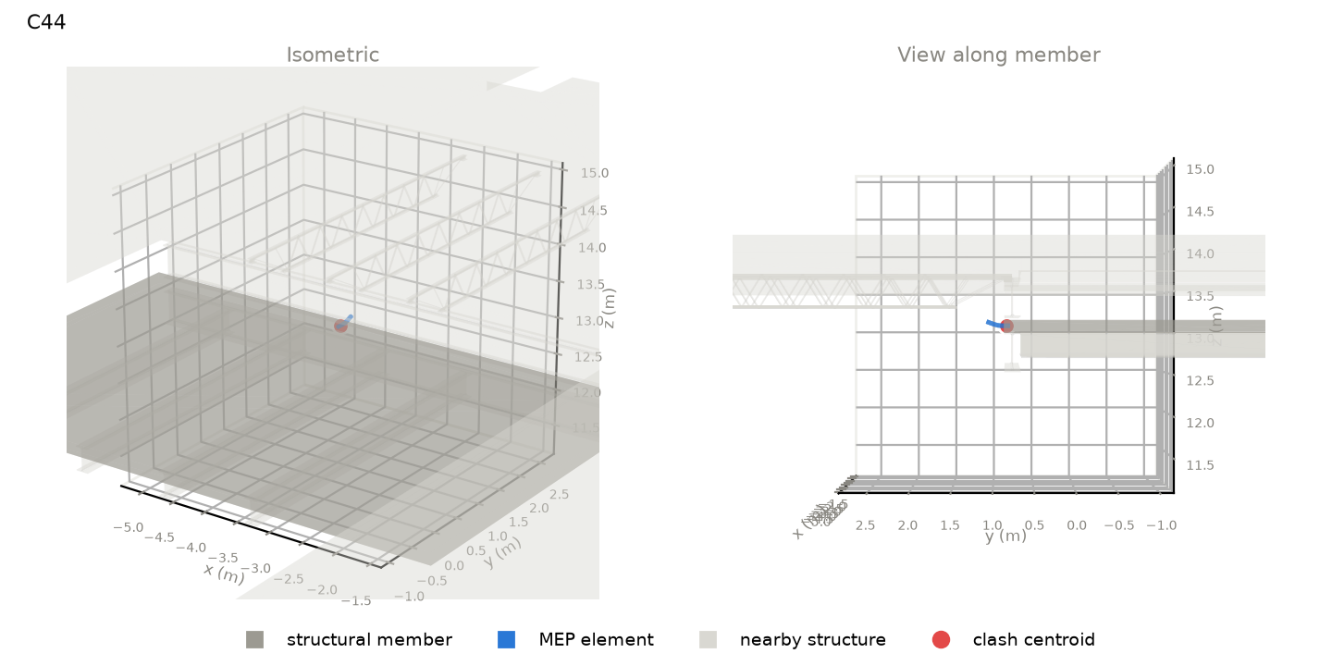 | slab | Floor : NW Concrete on Metal Deck material: nan length 7.47 m, section 4839 x 152 mm level: L5 | fitting | Conduit Elbow - Steel : Standard outside size 78 mm system: CableTrayConduit | position along member: 0.61 of length overlap: 48 (along) x 77 (width) x 56 (depth) mm overlap volume: 156 cm3 crossing angle: 90 deg | gravity load carried: 322 kN (~6.3 typical bays) supports of member: n/a
C45 | 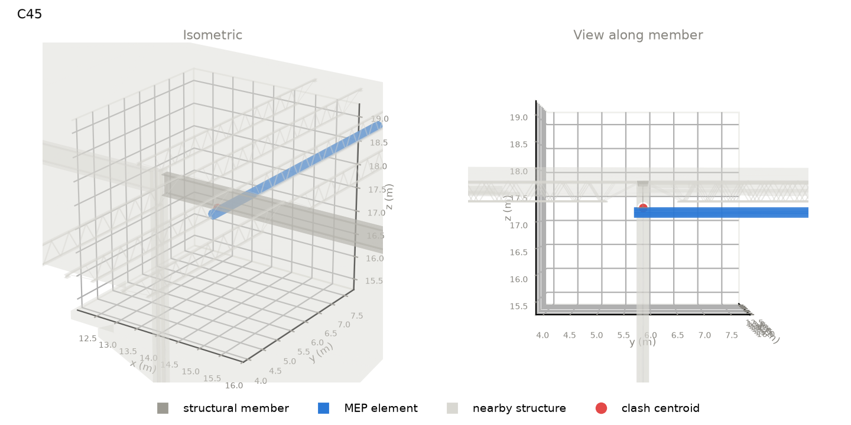 | beam | W Shapes : W18x55 material: Steel length 6.83 m, section 191 x 460 mm level: R2 TOS | duct | Round Duct : Tees outside size 203 mm system: Supply Air | position along member: 0.19 of length overlap: 73 (along) x 191 (width) x 15 (depth) mm overlap volume: 107 cm3 crossing angle: 90 deg | gravity load carried: 417 kN (~8.2 typical bays) supports of member: n/a
C46 | 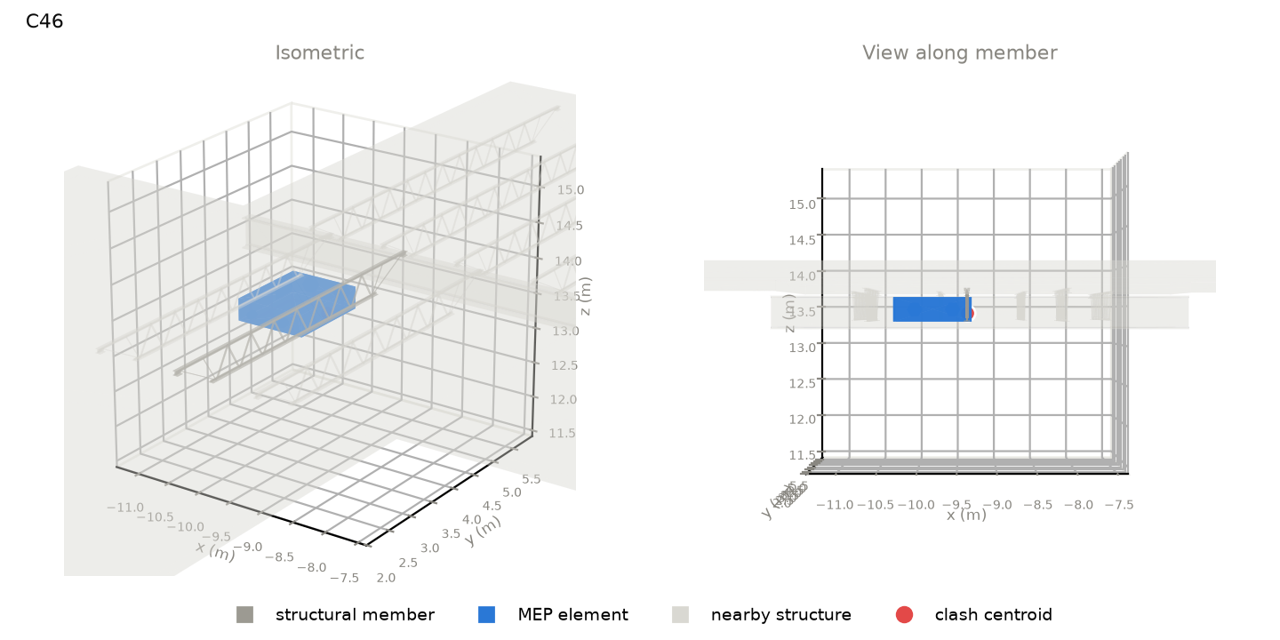 | beam | K-Series Bar Joist-Angle Web : 16K6 material: Steel length 5.09 m, section 73 x 406 mm level: L5 TOS | equipment | HeatRecoveryUnit : Heat Recovery Unit (HRU) outside size 1043 mm system: Return Air,Supply Air,Exhaust Air,Supply Air,Power | position along member: 0.37 of length overlap: 1230 (along) x 73 (width) x 308 (depth) mm overlap volume: 1150 cm3 crossing angle: 1 deg | gravity load carried: 56 kN (~1.1 typical bays) supports of member: n/a
C47 | 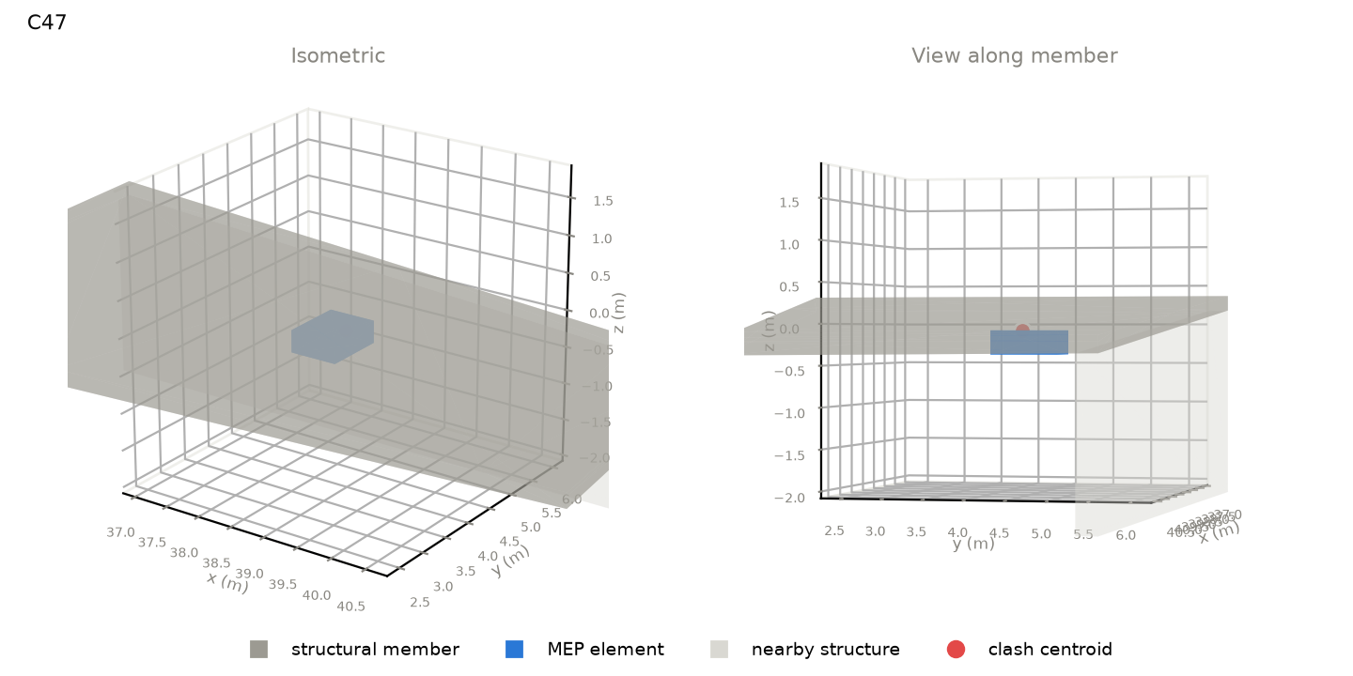 | slab | Floor : Ortbeton - 200 material: nan length 10.00 m, section 6187 x 756 mm level: HG_Technik_UK RD | duct | Rectangular Duct : Bogen - T-Stück outside size 660 mm system: Return Air | position along member: 0.56 of length overlap: 427 (along) x 881 (width) x 14 (depth) mm overlap volume: 1459 cm3 crossing angle: 77 deg | gravity load carried: 129 kN (~2.8 typical bays) supports of member: n/a
C48 |  | slab | Floor : NW Concrete on Metal Deck material: nan length 38.68 m, section 27750 x 152 mm level: L4 | pipe | Pipe Types : PVC - DWV outside size 114 mm system: Sanitary | position along member: 0.92 of length overlap: 112 (along) x 112 (width) x 68 (depth) mm overlap volume: 630 cm3 crossing angle: 90 deg | gravity load carried: 10 kN (~0.2 typical bays) supports of member: n/a

