Map from PowerBi
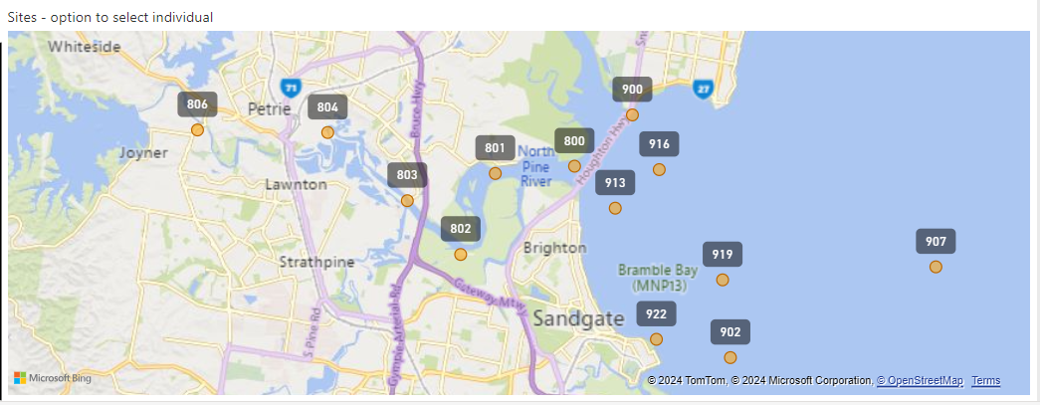
WaterNav - Estuarine/Marine
https://app.powerbi.com/view?r=eyJrIjoiMDIxNTczNGQtOGRjZi00NjRjLWIyZTctOGFhNjBkOGUzN2JmIiwidCI6IjI2YzVlZTI0LWVjYTQtNDlkNS1hZjdjLTg5MmFiNTM3Y2ZlZCJ9

