Data
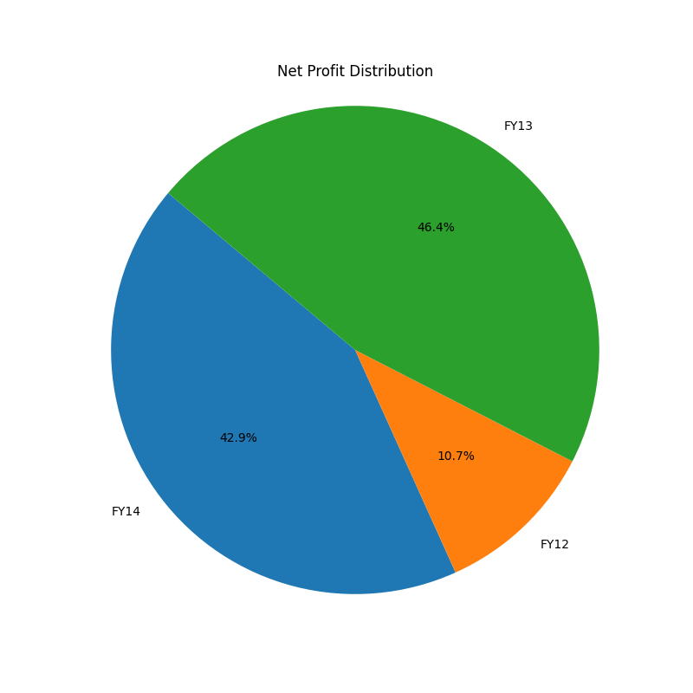
Year | Sales | Employee expense | EBITDA | EBIT | Net Profit | RoCE | Interest | WC %
FY12 | 1000 | 10 | 900 | 800 | 650 | 0.27 | 90 | 0.1
FY13 | 1100 | 30 | 600 | 300 | 150 | 0.09 | 87 | 0.09
FY14 | 1210 | 490 | 800 | 750 | 600 | 0.21 | 80 | 0.08
FY15 | 1331 | 90 | 1100 | 1000 | 850 | 0.25 | 23 | 0.07
FY16 | 1464.1 | 89 | 1200 | 1000 | 850 | 0.23 | 4 | 0.06

