Set 4
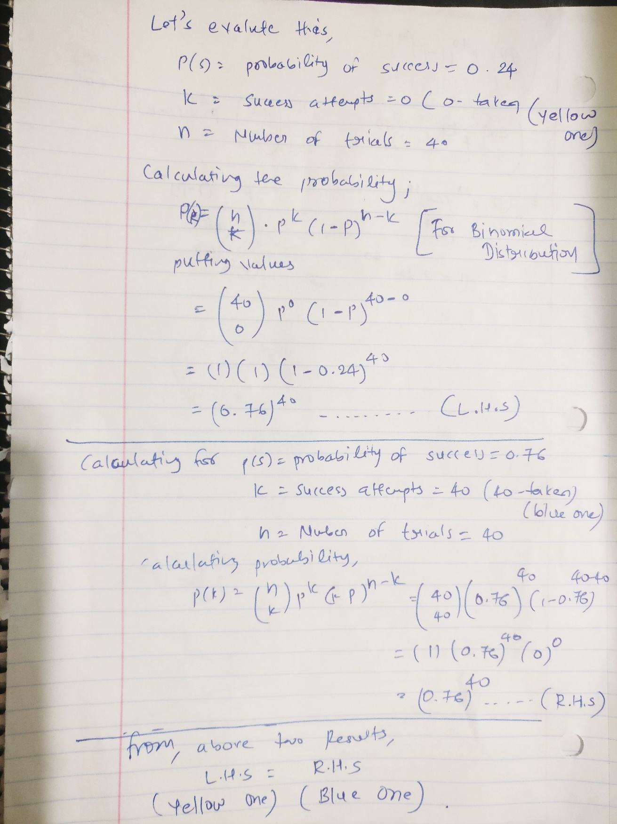
NAME: Darshil Maheshbhai Gohel

Use BINOM.DIST function to develop a Binomial distribution table for number of trials = 40.

 |  |  | Probability of success
# Success | 0.24 | 0.37 | 0.48 | # Success | 0.76 | 0.63 | 0.52
0 | 1.7082195631E-05 | 9.4107010663E-09 | 4.3665028242E-12 | 40 | 1.7082195631E-05 | 9.4107010663E-09 | 4.3665028242E-12
1 | 0.0002157751027 | 2.2107678695E-07 | 1.6122471966E-10 | 39 | 0.0002157751027 | 2.2107678695E-07 | 1.6122471966E-10
2 | 0.0013287203693 | 2.5318555839E-06 | 2.9020449539E-09 | 38 | 0.0013287203693 | 2.5318555839E-06 | 2.9020449539E-09
3 | 0.0053148814771 | 1.8834862175E-05 | 3.3931602538E-08 | 37 | 0.0053148814771 | 1.8834862175E-05 | 3.3931602538E-08
4 | 0.015525048525 | 0.00010232113618 | 2.8972368321E-07 | 36 | 0.015525048525 | 0.00010232113618 | 2.8972368321E-07
5 | 0.035299057699 | 0.00043267223298 | 1.9255481715E-06 | 35 | 0.035299057699 | 0.00043267223298 | 1.9255481715E-06
6 | 0.065024579972 | 0.0014823030204 | 1.0368336308E-05 | 34 | 0.065024579972 | 0.0014823030204 | 1.0368336308E-05
7 | 0.099736949732 | 0.0042284290242 | 4.6486606744E-05 | 33 | 0.099736949732 | 0.0042284290242 | 4.6486606744E-05
8 | 0.12992050031 | 0.010243872696 | 0.00017700669491 | 32 | 0.12992050031 | 0.010243872696 | 0.00017700669491
9 | 0.14587564947 | 0.021391085135 | 0.00058094504996 | 31 | 0.14587564947 | 0.021391085135 | 0.00058094504996
10 | 0.14280458316 | 0.038945356587 | 0.0016623966045 | 30 | 0.14280458316 | 0.038945356587 | 0.0016623966045
11 | 0.12298959316 | 0.062380008386 | 0.004185054389 | 29 | 0.12298959316 | 0.062380008386 | 0.004185054389
12 | 0.093860478987 | 0.088536705024 | 0.00933589056 | 28 | 0.093860478987 | 0.088536705024 | 0.00933589056
13 | 0.063840325789 | 0.11199514824 | 0.018561297208 | 27 | 0.063840325789 | 0.11199514824 | 0.018561297208
14 | 0.038880198413 | 0.12685164749 | 0.033043188436 | 26 | 0.038880198413 | 0.12685164749 | 0.033043188436
15 | 0.021281792815 | 0.1291336348 | 0.052869101498 | 25 | 0.021281792815 | 0.1291336348 | 0.052869101498
16 | 0.010500884613 | 0.11850060733 | 0.076253511776 | 24 | 0.010500884613 | 0.11850060733 | 0.076253511776
17 | 0.0046815089296 | 0.098252604399 | 0.099371092269 | 23 | 0.0046815089296 | 0.098252604399 | 0.099371092269
18 | 0.001889029919 | 0.073732774553 | 0.11720692934 | 22 | 0.001889029919 | 0.073732774553 | 0.11720692934
19 | 0.00069072562134 | 0.050140750615 | 0.12527380302 | 21 | 0.00069072562134 | 0.050140750615 | 0.12527380302
20 | 0.00022903007444 | 0.030920129546 | 0.12141922447 | 20 | 0.00022903007444 | 0.030920129546 | 0.12141922447
21 | 6.8881225396E-05 | 0.017294705868 | 0.10674217536 | 19 | 6.8881225396E-05 | 0.017294705868 | 0.10674217536
22 | 1.8785788744E-05 | 0.0087721343619 | 0.085095160774 | 18 | 1.8785788744E-05 | 0.0087721343619 | 0.085095160774
23 | 4.6427120925E-06 | 0.0040319126881 | 0.061473427181 | 17 | 4.6427120925E-06 | 0.0040319126881 | 0.061473427181
24 | 1.0385013891E-06 | 0.0016772970111 | 0.040194163926 | 16 | 1.0385013891E-06 | 0.0016772970111 | 0.040194163926
25 | 2.0988659653E-07 | 0.00063045068608 | 0.023745475304 | 15 | 2.0988659653E-07 | 0.00063045068608 | 0.023745475304
26 | 3.8238448761E-08 | 0.00021361424345 | 0.012645519393 | 14 | 3.8238448761E-08 | 0.00021361424345 | 0.012645519393
27 | 6.2612664638E-09 | 6.5051251092E-05 | 0.0060525562905 | 13 | 6.2612664638E-09 | 6.5051251092E-05 | 0.0060525562905
28 | 9.1800523342E-10 | 1.7737897832E-05 | 0.0025939526959 | 12 | 9.1800523342E-10 | 1.7737897832E-05 | 0.0025939526959
29 | 1.1995712669E-10 | 4.3106878146E-06 | 0.00099079360269 | 11 | 1.1995712669E-10 | 4.3106878146E-06 | 0.00099079360269
30 | 1.3889772564E-11 | 9.2828039183E-07 | 0.00033534552706 | 10 | 1.3889772564E-11 | 9.2828039183E-07 | 0.00033534552706
31 | 1.4149174089E-12 | 1.7586469277E-07 | 9.9854747513E-05 | 9 | 1.4149174089E-12 | 1.7586469277E-07 | 9.9854747513E-05
32 | 1.2566700671E-13 | 2.9049078716E-08 | 2.5923828681E-05 | 8 | 1.2566700671E-13 | 2.9049078716E-08 | 2.5923828681E-05
33 | 9.6204407052E-15 | 4.1358957672E-09 | 5.8011364881E-06 | 7 | 9.6204407052E-15 | 4.1358957672E-09 | 5.8011364881E-06
34 | 6.2547756907E-16 | 5.0009197185E-10 | 1.1024784276E-06 | 6 | 6.2547756907E-16 | 5.0009197185E-10 | 1.1024784276E-06
35 | 3.3860439829E-17 | 5.0349395805E-11 | 1.7445812481E-07 | 5 | 3.3860439829E-17 | 5.0349395805E-11 | 1.7445812481E-07
36 | 1.4851070101E-18 | 4.1069833439E-12 | 2.2366426257E-08 | 4 | 1.4851070101E-18 | 4.1069833439E-12 | 2.2366426257E-08
37 | 5.0700666062E-20 | 2.6076084723E-13 | 2.2319926411E-09 | 3 | 5.0700666062E-20 | 2.6076084723E-13 | 2.2319926411E-09
38 | 1.2640055251E-21 | 1.2090415223E-14 | 1.6265533417E-10 | 2 | 1.2640055251E-21 | 1.2090415223E-14 | 1.6265533417E-10
39 | 2.0469725103E-23 | 3.6413948981E-16 | 7.699660789E-12 | 1 | 2.0469725103E-23 | 3.6413948981E-16 | 7.699660789E-12
40 | 1.6160309292E-25 | 5.3464925092E-18 | 1.7768447975E-13 | 0 | 1.6160309292E-25 | 5.3464925092E-18 | 1.7768447975E-13

Explain why the yellow and the blue sets of numbers are the same row-wise?
The calculation by the probability mass function for the similarities of Cell B7(Yellow) and F7(Blue) are given below….which is application for all other values. The probability of x number of success with probability of success given p, is equal to the probability of n-x number of success with probability of success given 1-p. Formula reference: https://en.wikipedia.org/wiki/Binomial_distribution

