Cover
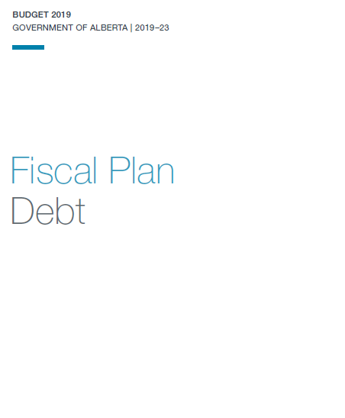

This document contains information licenced under the
Open Government License - Alberta.

