Dashboard
Suggestions & Recommendations - Improve app stability to reduce crash complaints. -Train customer support for faster and more helpful responses.
- Enhance loan repayment flexibility to minimize late fee issues. - Increase transparency on loan terms to reduce confusion.
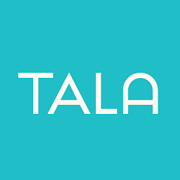
Tala Sentiment Analysis Dashboard

Top Negative Complaints Categories
 | count
Loan Repayment Issues | 22
App Experience Issues | 27
Customer Service Issues | 6
Regulatory Concerns | 10
59% Positive Reviews
19.5% Negative Reviews
Most Common Complaint:
App Experience Isuues
6.9 Hrs Average reply

Sentiment Comparison in Terms of Gender
 | f | m
Negative | 13 | 26
Neutral | 19 | 24
Positive | 33 | 85
Sentiment Distribution in 2024
 | 2024
Neutral | 1
Positive | 2
Sentiment Distribution in 2025
 | 2025
Negative | 39
Neutral | 42
Positive | 116

Gender Comparison
Count of Gender | Column Labels
Row Labels | f | m | Grand Total
Negative | 13 | 26 | 39
Neutral | 19 | 24 | 43
Positive | 33 | 85 | 118
Grand Total | 65 | 135 | 200

Summary Data
Sentiment | Count
Positive | 118 | 59
Neutral | 43 | 29.5
Negative | 39 | 19.5

 |  | Complaint Word | Frequency
 |  | loan | 10
 |  | app | 10
 |  | time | 6
 |  | dont | 4
 |  | customer | 3
 |  | apps | 3
 |  | fake | 3
 |  | money | 3
 |  | month | 3
Top Negative Complaints Categories
 |  | paying | 3

 |  | Complaint Categories | count
 |  | Loan Repayment Issues | 22
 |  | App Experience Issues | 27
 |  | Customer Service Issues | 6
 |  | Regulatory Concerns | 10

