Process Flow
Function Flow |  |  |  | Created by: | DonHV | Created date: | 2026-07-25
Function ID | IDTS-FS | Function Name | IDTS CAP/Fiori | Modified by: | DonHV | Modified date: | 2026-07-25
 |  |  |  | Reviewed by: | Mentor / Supervisor | Reviewed date: | Pending
Screen Flow
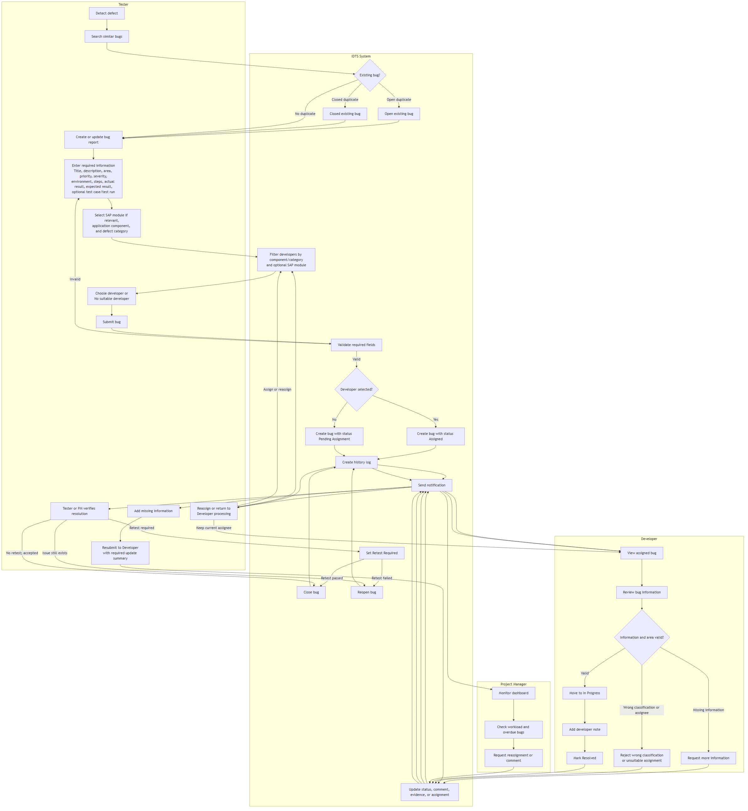
1. Sign in → AuthService validates account/session → open protected Fiori shell.
2. Tester/PM creates draft: NEW → PATCH → SAVE/CREATE; backend validation remains authoritative.
3. Select valid Developer → Assigned; leave empty → Pending Assignment.
4. Developer actions: markInReview, requestMoreInformation, resubmitToDeveloper, rejectBug, startProgress.
5. Tester/PM follow-up: resubmit, retest, close or reopen; exact history and notifications are persisted.
6. Comments and attachments support evidence; PostgreSQL stores metadata and S3 stores binary content.
7. AI suggestions are reviewed first; apply/duplicate confirmation are explicit authorized actions; OpenAI live is disabled.

Supplement / Bổ sung: source baseline 8009b2a6a72d73db28f190b3a0bcbb65b1ff4740
Role flow: Tester/PM creates and assigns; the assigned Developer reviews and resolves; Tester/PM retests, closes or reopens.
Control flow: every write is revalidated by CAP authorization, code-list, assignee and lifecycle rules before commit.
Atomic side effects: Bug state, next processor, exact-action history and in-app notification commit in one request transaction.
External boundaries: PostgreSQL stores business metadata, S3 stores attachment binary, and the email worker runs after workflow commit.

