Technical Design
Technical Design |  |  |  | Created by: | DonHV | Created date: | 2026-07-25
Function ID | IDTS-TECH | Function Name | IDTS CAP/Fiori | Modified by: | DonHV | Modified date: |  | 2026-07-25
 |  |  |  | Reviewed by: | Mentor / Supervisor | Reviewed date: |  | Pending
Business Process |  |  |  | 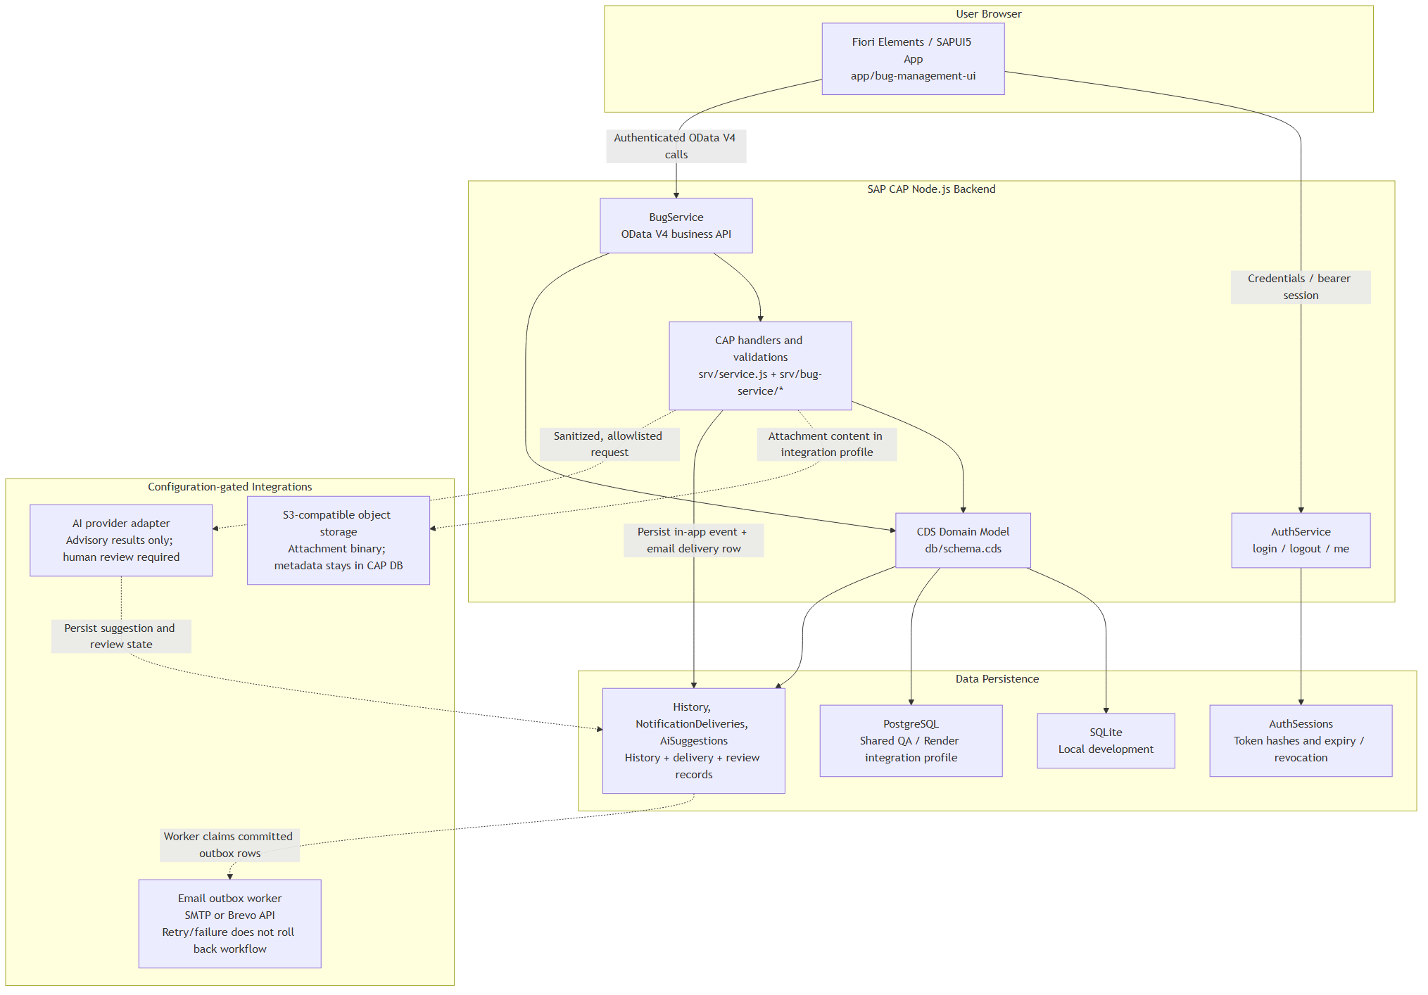
Fiori/UI5 → OData V4 → CAP service → handler/validator → request transaction → PostgreSQL/S3/Brevo/AI provider → safe response.
WBS & Timeline
Runtime baseline: 8009b2a6a72d73db28f190b3a0bcbb65b1ff4740; documentation baseline origin/dev 9eee79cbb741962403b2d35ee33efc2eb3d18c46; Render deploy dep-d9i0r537uimc73as0be0.
Data Dictionary Objects
Package
N/A — CAP project modules are organized by app/, srv/ and db/ rather than an ABAP package.
Tables
Bugs owns classifications, assignee and nextProcessor. Compositions link Comments, Attachments, HistoryEvents/HistoryLogs and Notifications. Users/AuthSessions provide identity; NotificationDeliveries is the email outbox; DuplicateLinks/AiSuggestions hold reviewed AI outcomes.

Domain
CDS types, status/action constants, roles and code lists define the bounded domain values.

Data Element
CDS scalar fields and associations define technical types, nullability and relationships.

View
BugService projections, AssignableDevelopers, DeveloperWorkloads from srv/bug-service/monitoring.js, and PM/AI operational read models.
Table Type
N/A — CAP CDS entities/projections replace classic ABAP table types.
Data Definition
db/schema.cds defines persistence; srv/service.cds defines the public OData contract.

CDS Metadata Extension
app/bug-management-ui/annotations/*.cds supplies Fiori UI, value help and action annotations.

Service Definition
AuthService (/odata/v4/auth/) and BugService (/odata/v4/bug/).
Service Binding
CAP Node.js OData V4 runtime binds the CDS services; no classic SAP service binding object is used.
Annotation Model
Fiori Elements consumes service metadata plus annotation CDS and manifest routing.
Function Group
N/A — JavaScript modules under srv/ replace classic ABAP Function Groups.
Function Module
N/A — CAP event handlers and helpers replace classic ABAP Function Modules.

Screens
Login, profile shell, dashboard, List Report, Object Page and SAPUI5 extension dialogs.
Includes
srv/service.js registers handlers from srv/bug-service; AuthService is implemented in srv/auth.js; custom bearer middleware is in srv/auth/custom-auth.js; provider modules live under srv/email and srv/ai.

Enhancement Implementation
SAPUI5 controller extensions and fragments are used only where Fiori Elements annotations are insufficient.

Class
BugService extends cds.ApplicationService; focused JavaScript modules encapsulate domain operations.
Message Class
N/A — CAP returns sanitized OData errors and a documented message catalog instead of an ABAP Message Class.
Number Range Object
N/A — Bug numbers are generated by the CAP backend; no classic SAP number-range object is used.
Smart Forms
N/A — IDTS uses Fiori Elements/SAPUI5 pages and does not generate SAP Smart Forms.
Smartform Style
N/A — no SAP Smart Form is generated, so no Smartform Style applies.
Workflow Scenario
CAP bound actions implement assignment and lifecycle transitions; exact action types are recorded in HistoryEvents.
Container Element
N/A — CAP request data, entity state and transaction context replace classic workflow container elements.
Task
Lifecycle actions validate role, state, assignee and reason before committing Bug, history and notification side effects.
Provider
Private provider seams support AWS S3, Brevo email and optional OpenAI. Attachment metadata is transactional in PostgreSQL while binary content is external; email uses bounded retry/locking; secrets and raw provider errors are never exposed.
Navigation Target Object
Fiori routes and semantic navigation open dashboard, List Report and Bug Object Page targets.
Graphic
Official IDTS architecture/process diagrams are generated from maintained diagram sources and inserted without changing business meaning.
Catalogs
Priority, severity, environment, application component, defect category and responsibility code lists are validated as active.
Roles
Tester, Developer and PM authorization is resolved server-side from the authenticated IDTS user and rechecked for every mutation.

