Technical Design
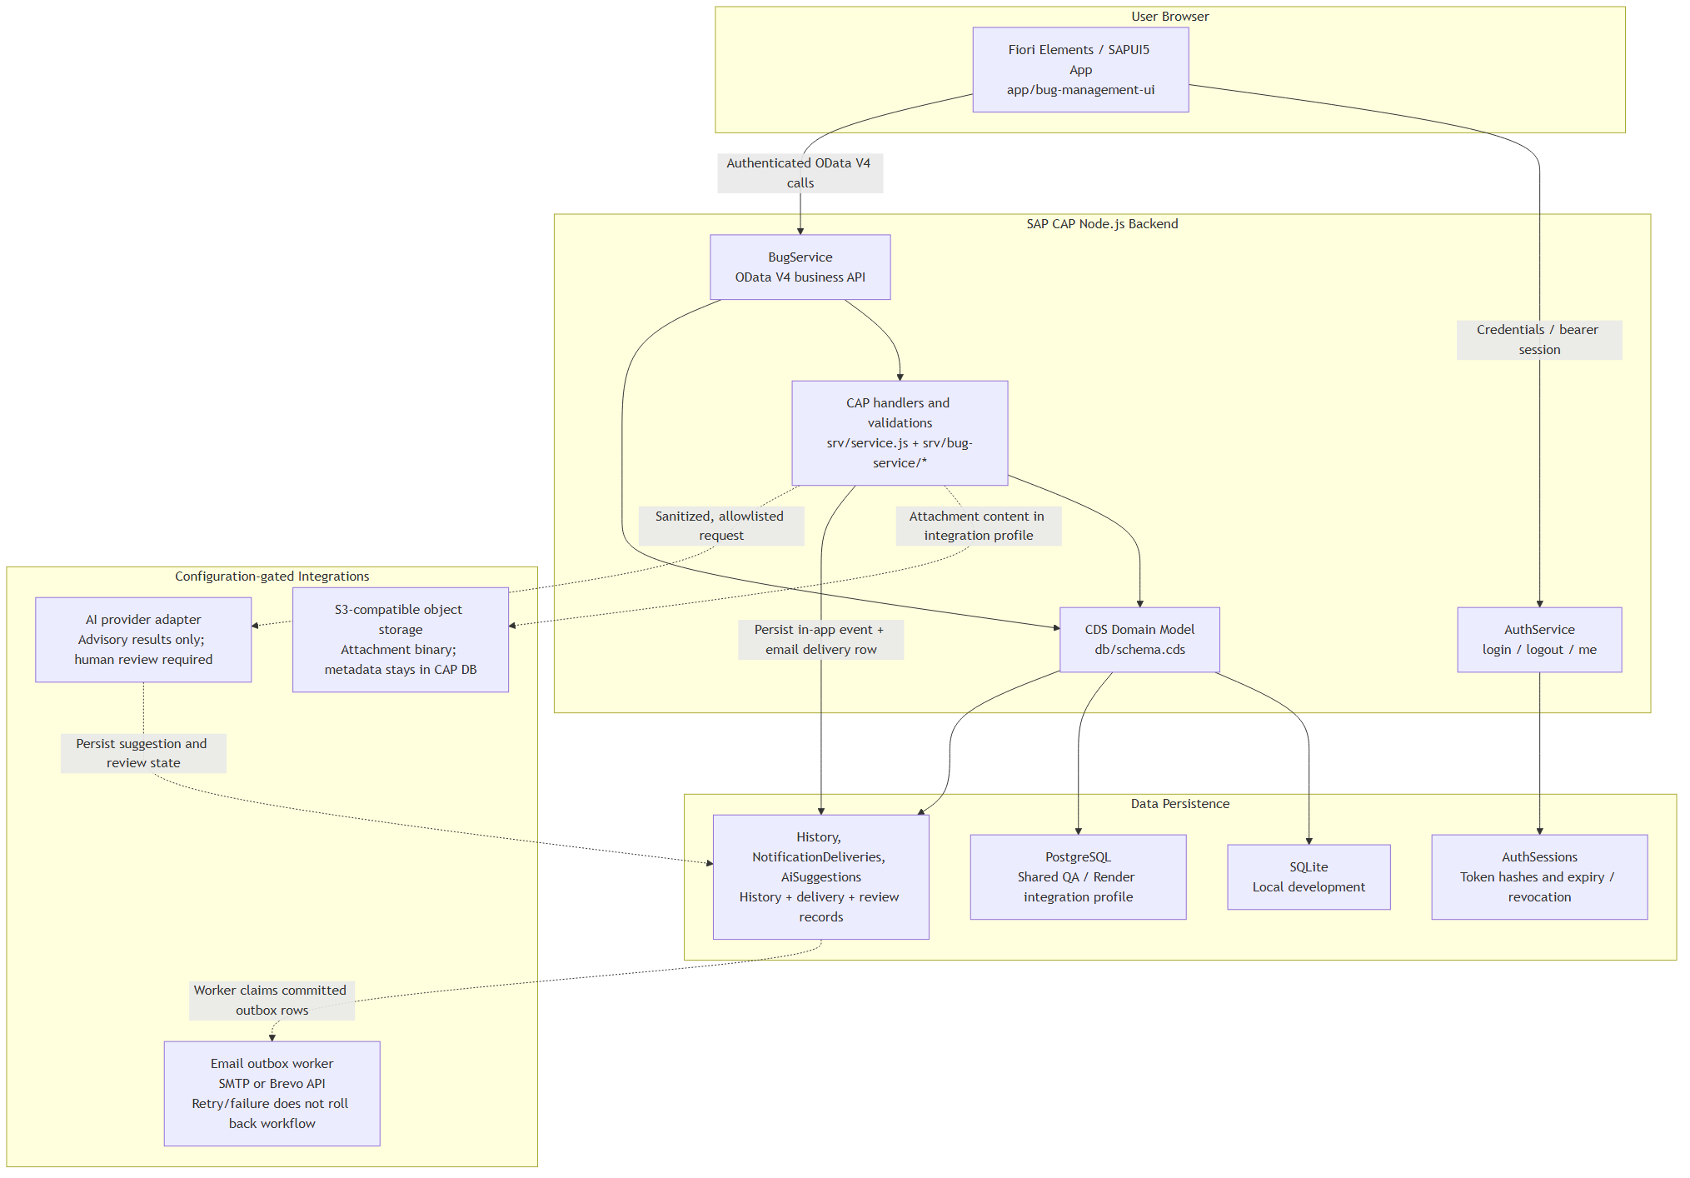
Technical Design |  |  |  |  |  |  | Created by: | DonHV | Created date: | 2026-07-25
Function ID | IDTS-TECH |  | Function Name | IDTS CAP/Fiori |  |  | Modified by: | DonHV | Modified date: |  | 2026-07-25
 |  |  |  |  |  |  | Reviewed by: | Mentor / Supervisor | Reviewed date: |  | Pending
Business Process
Component Map
Component |  | Responsibility |  |  | Public boundary | Source
AuthService |  | Authentication and bearer session lifecycle |  |  | /odata/v4/auth/ | srv/auth.js; srv/auth/custom-auth.js
BugService |  | Bug workflow, collaboration, monitoring and AI actions |  |  | /odata/v4/bug/ | srv/service.cds; srv/service.js
Fiori application |  | Role-aware user experience |  |  | UI routes and OData bindings | app/bug-management-ui

Entity Relationship
Parent |  | Relationship |  |  | Child / target | Purpose
Bugs |  | composition |  |  | Comments; Attachments; HistoryEvents; Notifications | Lifecycle-owned collaboration and audit
Users |  | association |  |  | AuthSessions; Bugs reporter/assignee/nextProcessor | Identity and ownership
Notifications |  | composition |  |  | NotificationDeliveries | Outbox delivery tracking
AiSuggestions |  | association |  |  | Bugs; DuplicateLinks | Human-reviewed AI outcomes

Module Dependency
Caller |  | Callee |  |  | Contract | Reason
srv/service.js |  | srv/bug-service/* |  |  | Registered CAP handlers | Keep service bootstrap small
Bug actions |  | history/notification helpers |  |  | Transaction-scoped side effects | Atomic workflow audit
Fiori controllers |  | OData V4 model |  |  | Metadata/actions/entities | No direct database access

Transaction Boundary
Operation |  | In transaction |  |  | Outside transaction | Failure behavior
Bug lifecycle |  | Bug, next processor, history, notification |  |  | Email provider send | Rollback business data when audit write fails
Attachment |  | PostgreSQL metadata |  |  | S3 binary provider | Sanitize provider error; keep Bug
AI review/apply |  | AiSuggestions and explicit authorized mutation |  |  | Optional provider request | No autonomous workflow mutation

External Integration
Provider |  | Purpose |  |  | Private configuration | Verification
AWS S3 |  | Attachment binary storage |  |  | Environment binding | Upload/download/hash/reload/delete
Brevo |  | Email delivery |  |  | Environment binding | PENDING → SENT and inbox evidence
OpenAI |  | Optional AI provider |  |  | Disabled | NOT ACCEPTED; fallback/no-mutation only
Render PostgreSQL |  | Shared QA persistence |  |  | Database binding | Readback after restart/redeploy

