Test Result
Test Case | Test Data | Created/Updated By | Created Date | Reviewed By | Reviewed Date
1 | Net value > = 10,000 USD Sales Document Types: ZCR4 Billing Types: ZG24 Sales Organization: FU24 Distribution Channel: FU Division: FS Plant: FU01 BP: Local (1003059) Material CAEW1004 Tester: Sales Employee (Learn-209), Approval level 1 (Learn-208, Dev-275) | Hoàng Giao Thế Hoàng | 2024-12-10

Case: UAT-AUTH-001 | MEETS_EXPECTED_RESULT — The SAP BTP AppRouter opened the IDTS List Report. The profile dialog identified NhanT with role Tester and stated that the session is managed by SAP BTP. The Bugs grid rendered 27 records. No token or session internals were displayed. DonHV must review the execution and sanitized evidence before the catalog or final workbook can record PASS. Cloud Foundry CLI readiness could not run in this environment because the cf command is unavailable. This package records NhanT execution truth only and is not reviewer approval or user acceptance sign-off.

 | Privacy-safe authenticated List Report after closing the profile dialog; the NhanT profile button and rendered Bugs grid remain visible. — SHA-256 1186F149A500717A3AF387686ABC041FC86FCDDED08D25F5362D500D52F4C44A
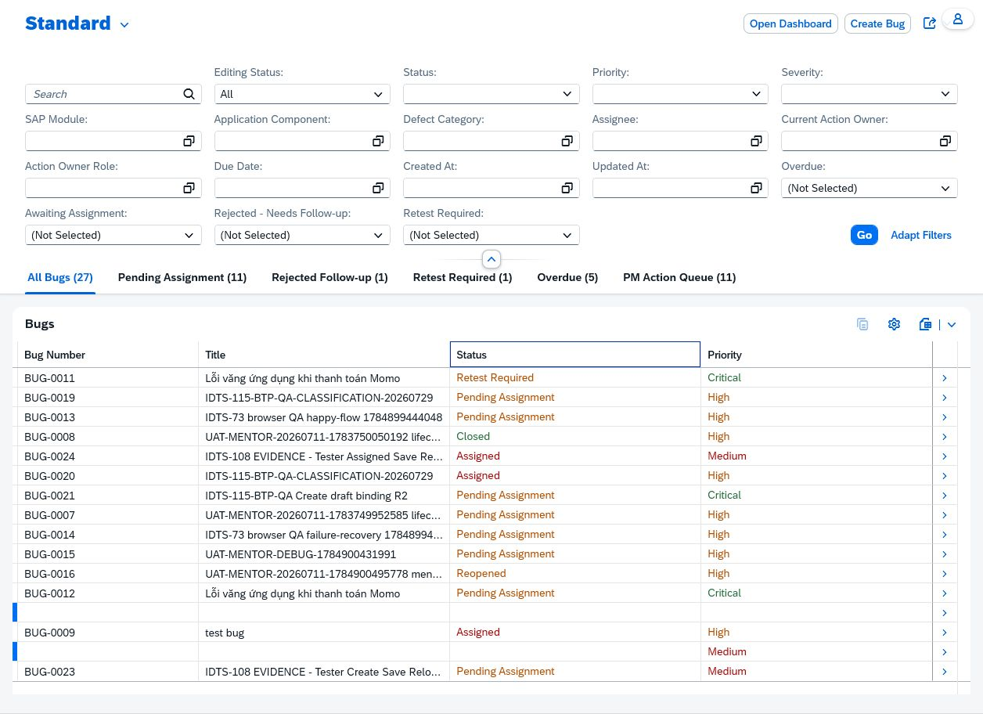

Case: UAT-AUTH-002 | BLOCKED — The only authorized authenticated identity available is mapped NhanT/Tester. Reusing it cannot test unmapped denial; no alternate identity was supplied. DonHV provisions a disposable unmapped SAP identity or an approved identity-fixture mechanism. The only authorized authenticated identity available is mapped NhanT/Tester. Reusing it cannot test unmapped denial; no alternate identity was supplied. No valid case-specific image evidence

 | No valid case-specific image evidence

Case: UAT-AUTH-003 | BLOCKED — No controlled role-mismatch identity or role-fixture mechanism is available in this session. Mutating production-like role mapping is outside NhanT UAT authority. DonHV provisions a disposable mismatched identity/mapping and restores it after execution. No controlled role-mismatch identity or role-fixture mechanism is available in this session. Mutating production-like role mapping is outside NhanT UAT authority. No valid case-specific image evidence

 | No valid case-specific image evidence

Case: UAT-AUTH-004 | BLOCKED — No controlled expiry mechanism or second identity was available. A Smart Assign 401 was investigated, but the protected Object Page remained authenticated after refresh, so it is not evidence of an expired application session. Use an approved short-TTL session or administrator-controlled revocation, then rerun. No controlled expiry mechanism or second identity was available. A Smart Assign 401 was investigated, but the protected Object Page remained authenticated after refresh, so it is not evidence of an expired application session. No valid case-specific image evidence

 | No valid case-specific image evidence

Case: UAT-AUTH-005 | MEETS_EXPECTED_RESULT — Sign Out navigated to the IDTS signed-out confirmation. Reopening the exact protected BUG-0025 route redirected to SAP Accounts Sign In and exposed no BUG-0025/profile data. Current-runtime candidate PASS only; DonHV owns final acceptance and disposition of historical IDTS-117 evidence. The tab intentionally remains at SAP Sign In after the recheck; NhanT must sign in again before additional SAP UAT.

 | IDTS signed-out confirmation with SAP BTP sign-in link. — SHA-256 CF3C479AF1008A2347C74FC58A58584DDE5B9AC10DBC6E75D59E7C663428ABD1
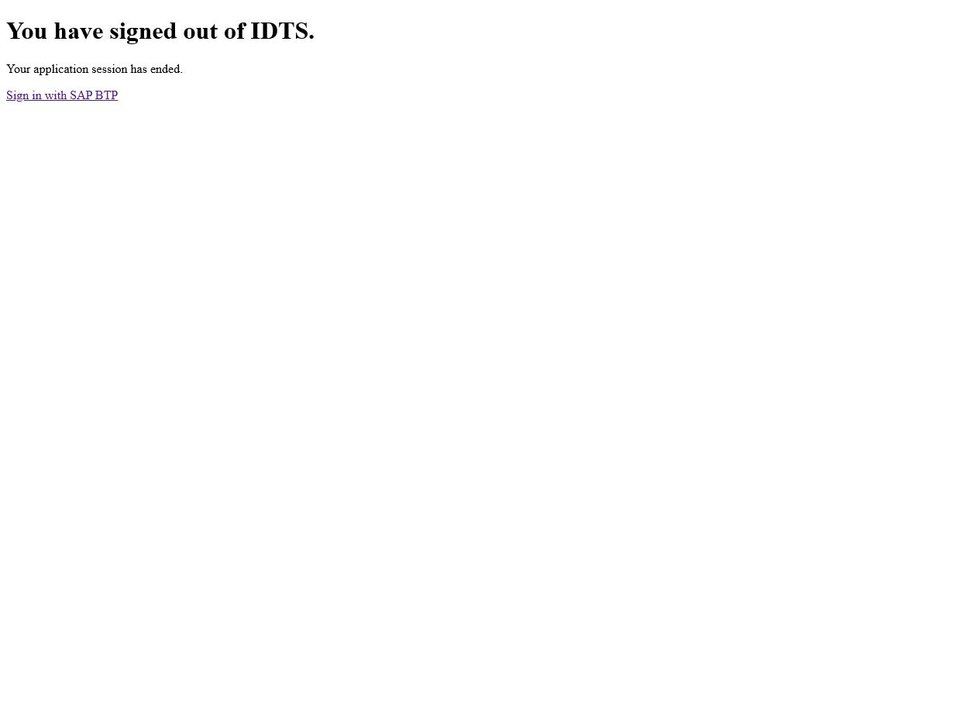

 | Historical protected-route blank-page evidence retained for regression traceability; superseded by E04. — SHA-256 AFB18C5005D43BE40F71005911C4CC573E461962AA1631954920E772A9183846


 | Current runtime shows the IDTS signed-out confirmation after ending the NhanT application session. — SHA-256 36981C39D3BFA7C267A3BAF28AE1FED870A1E9834DBF368B4FE95450AFACBA2A


 | Current protected BUG-0025 route redirected to SAP ID Sign In; screenshot is cropped above the prefilled identifier field. — SHA-256 C74EAB451818D5C31001657DB2F6A6AE35793F913950C72B9CE2C50ECBCDF6C2

Case: UAT-BUG-001 | MEETS_EXPECTED_RESULT — BUG-0025 was created as an active Bug. It has status Pending Assignment, Reporter NhanT, no Assignee, and Current Action Owner Project Manager. Both the original tab after reload and a fresh authenticated readback tab returned the same active state. This is a complete candidate execution package. DonHV must review it before any PASS decision, catalog update, workbook generation, or Drive synchronization. Cloud Foundry CLI readiness could not run because the cf command is unavailable; authenticated UI readiness was verified instead. The earlier Browser screenshot timeout was recovered by restarting the approved Codex Browser surface; the retained reload image was freshly captured and privacy-reviewed.

 | Controlled inactive draft with valid reproduction fields and Create available. — SHA-256 C3014C0F4C1F97DFDDEE099C2D7628001023FC7B492268ABEB39361CCEE3DEE9
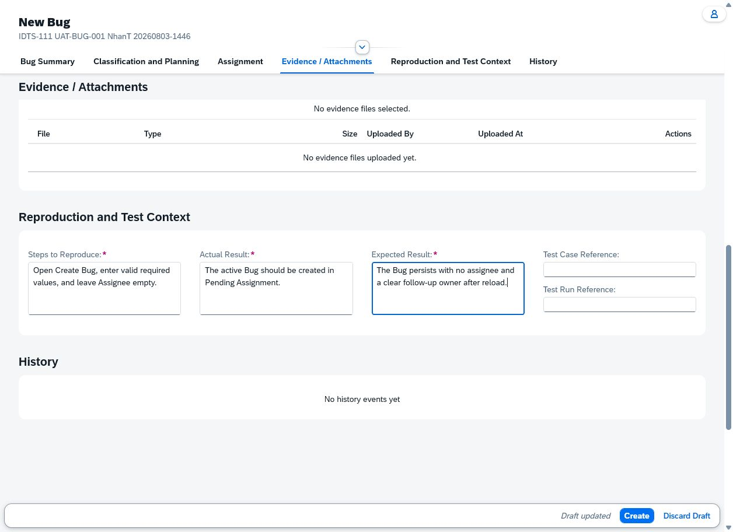

 | Before state showing the empty Assignee field and controlled reproduction values. — SHA-256 6EFED2F3CEB84AC9A6232AAB0C6A11620BD5BCDD4D3A912B7C73369F8387A03B
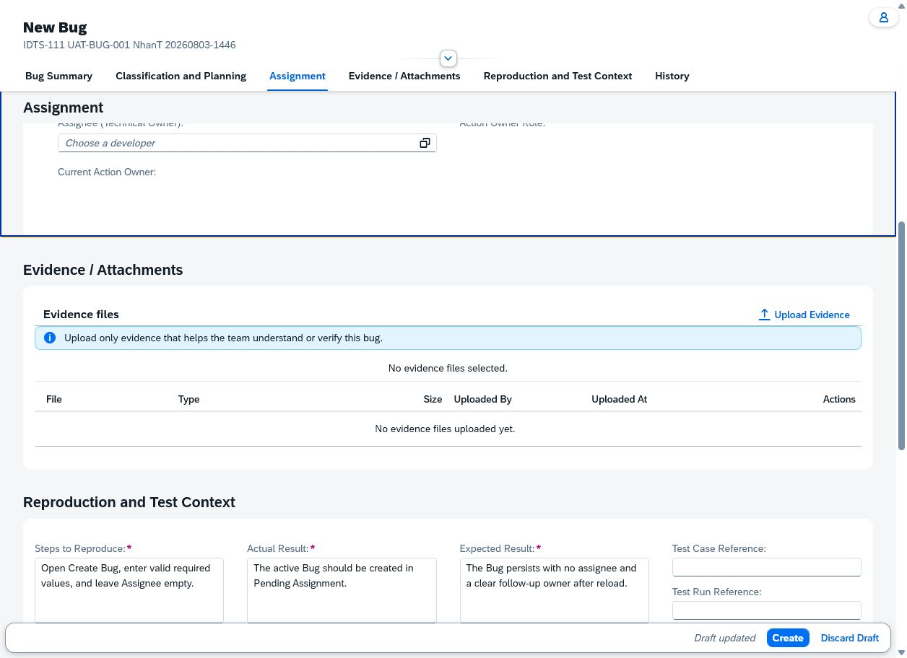

 | After state showing BUG-0025, empty Assignee, and Project Manager as current action owner. — SHA-256 7190033D71F4C6619E166D5F5CFB1B1F38F5E6C0AD39989834D53B5233690345
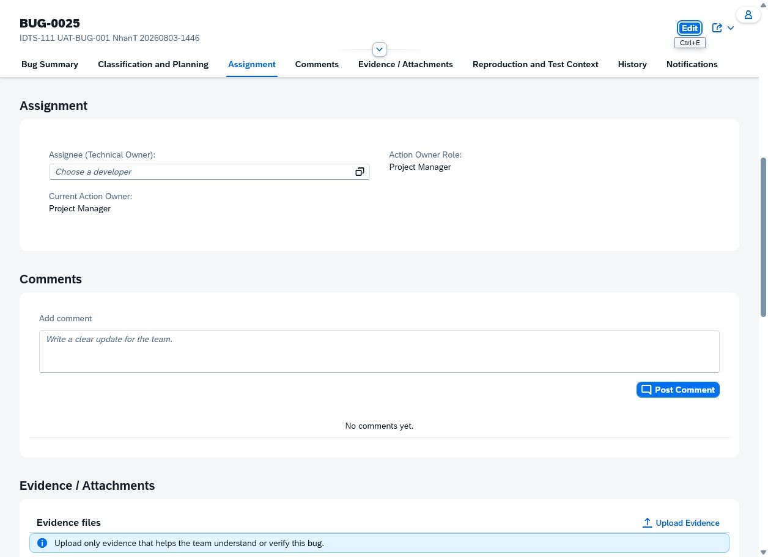

 | Fresh authenticated readback after Browser restart showing BUG-0025 persisted as Pending Assignment with Reporter NhanT, empty Assignee, and Project Manager as current action owner. — SHA-256 BF42E7E3D46769E9259D85375AA774B6E6474DC90DF61BC6D734592AF414025F
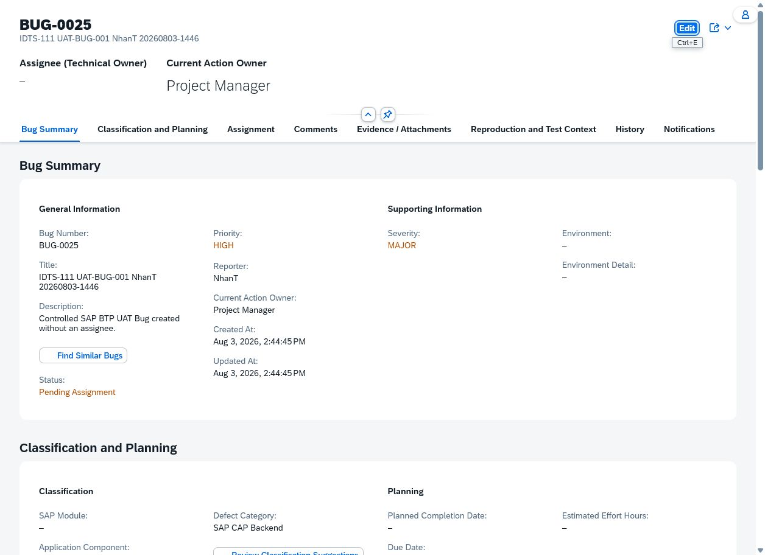

Case: UAT-BUG-002 | MEETS_EXPECTED_RESULT — BUG-0026 was created once, displayed Assigned, selected assignee SangVN, and retained the same ownership and required data after browser refresh. Candidate only; DonHV must review before catalog/workbook update.

 | Complete controlled draft before Create. — SHA-256 658D5C804A7C796E15F06952FCCA48650675B9F14B07311EDC544486E17F5AF8
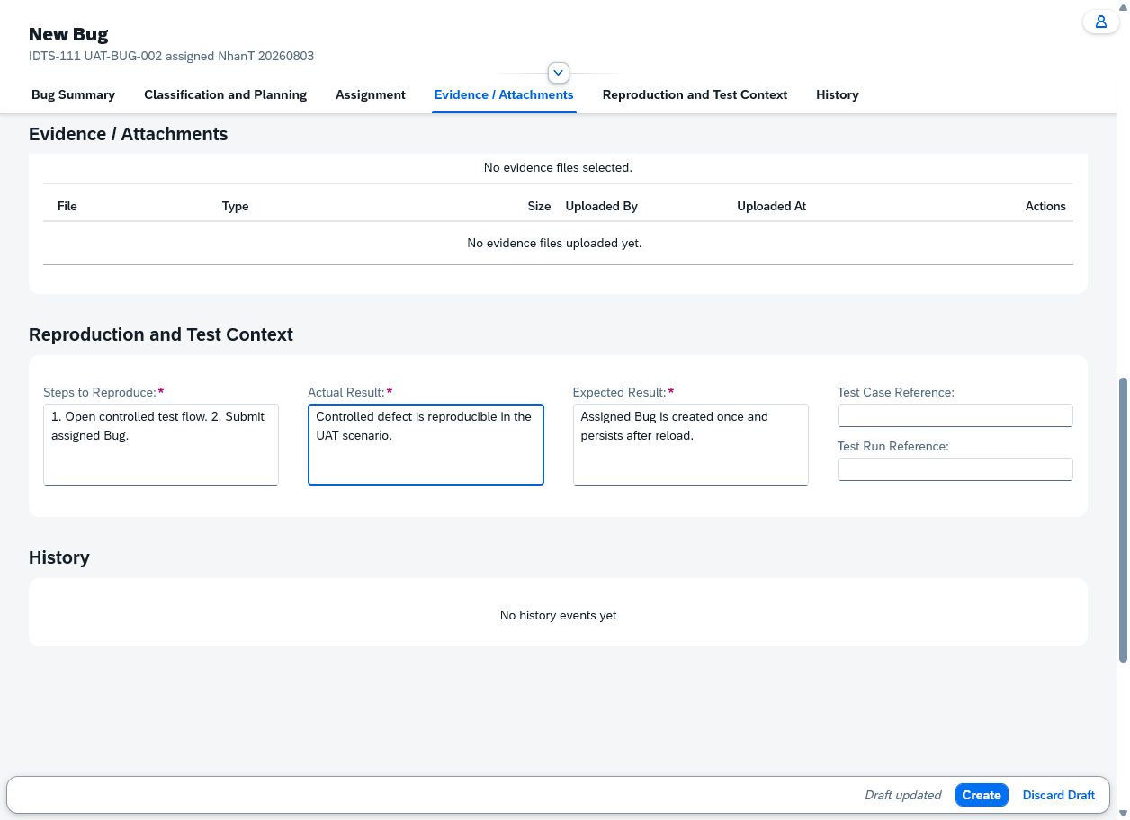

 | BUG-0026 Assigned with SangVN after refresh. — SHA-256 040C3504C98ABB1607EE0416EAC24AB2E83538B5F68C67F3D3A0627E08158466
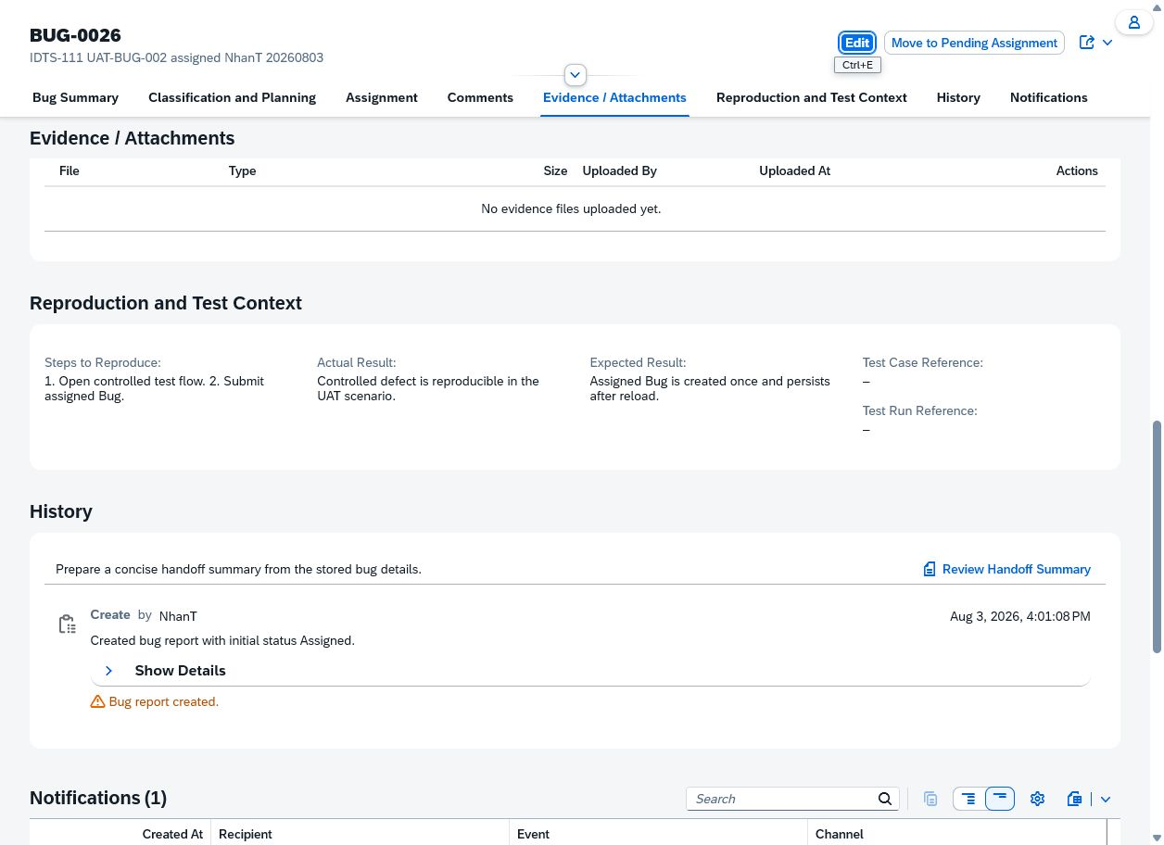

Case: UAT-BUG-003 | MEETS_EXPECTED_RESULT — With every other required field populated through supported controls, Create left the Bug as an inactive draft. Title remained empty with aria-required=true and aria-invalid=true. The only validation message was 'Provide the missing value.' for Title. DonHV must review the execution and sanitized evidence before the catalog or final workbook can record PASS. Cloud Foundry CLI readiness could not run because the cf command is unavailable; authenticated UI readiness was verified instead. This package records NhanT execution truth only and is not reviewer approval or user acceptance sign-off.

 | Controlled new-Bug draft showing populated reproduction fields, one validation message for Title, Create still available, and Draft updated state. — SHA-256 D914EA6F745204EF3B186F1603023575452F68EFE63C02983BB4D3E27AD63946
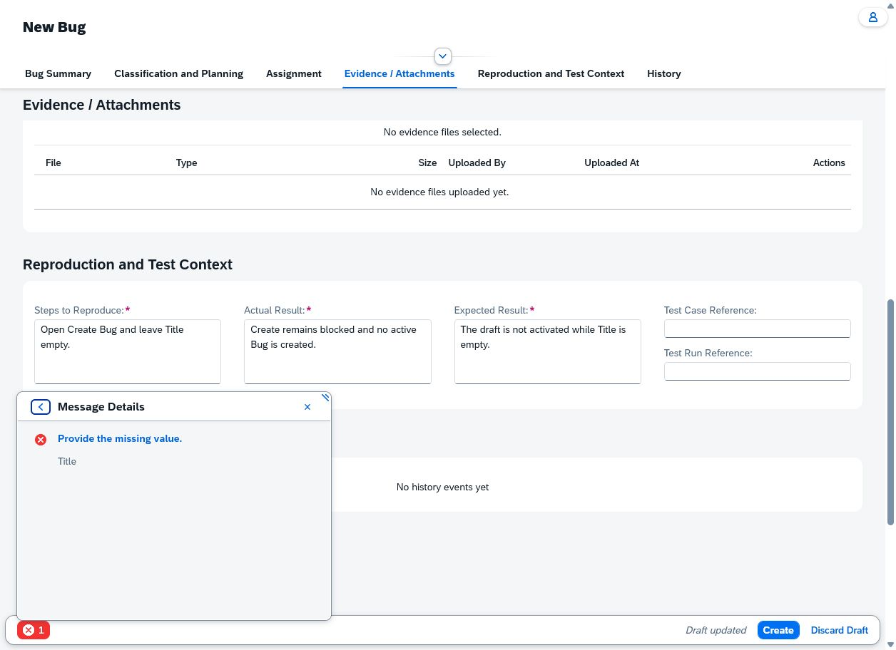

Case: UAT-BUG-004 | MEETS_EXPECTED_RESULT — With Title and every other required field populated, Create left the Bug as an inactive draft. Description remained empty with aria-required=true and aria-invalid=true. The only validation message was 'Provide the missing value.' for Description. DonHV must review the execution and sanitized evidence before the catalog or final workbook can record PASS. Cloud Foundry CLI readiness could not run because the cf command is unavailable; authenticated UI readiness was verified instead. This package records NhanT execution truth only and is not reviewer approval or user acceptance sign-off.

 | Controlled new-Bug draft showing a populated Title, the empty red Description field, and one Message Details entry for Description. — SHA-256 804F5C5727A3CA7D5F0D6A8AFC2D8613E32441BF74E74EA107CA205D19C9628C
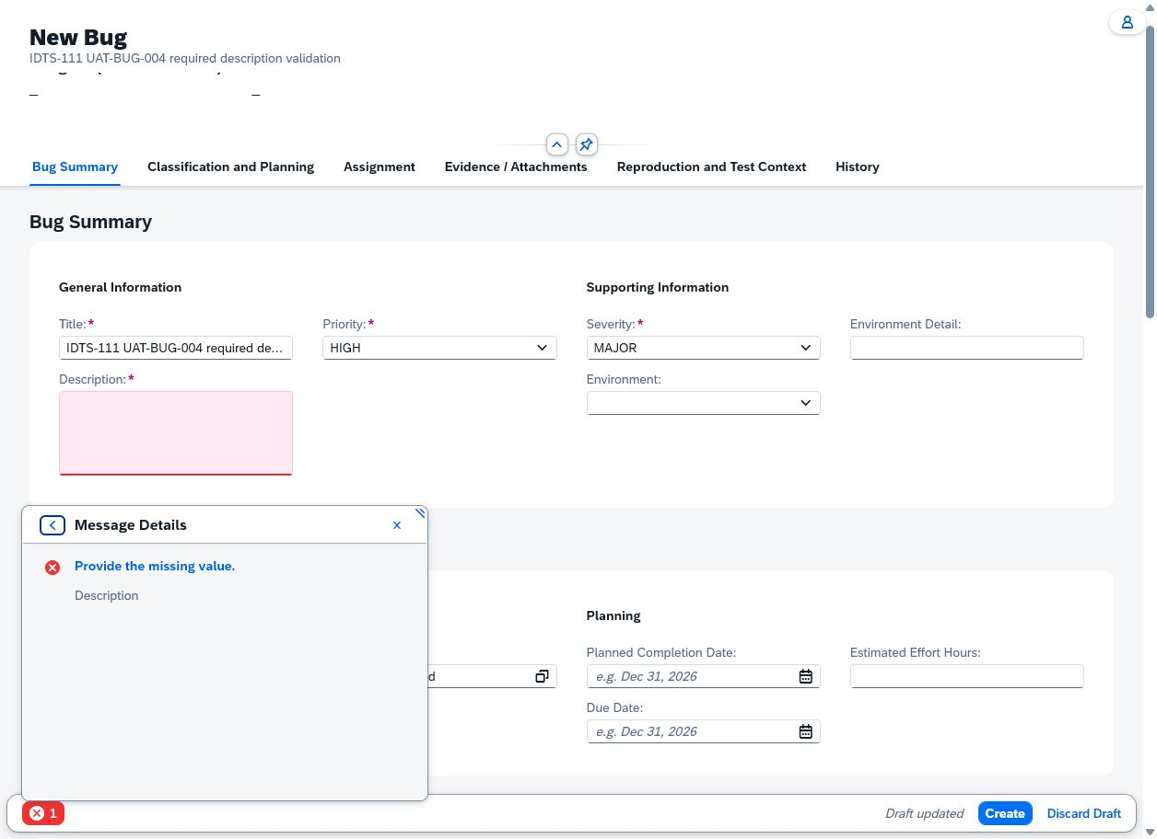

Case: UAT-BUG-005 | BLOCKED — The Fiori value helps filter categories to the selected component, and direct text entry does not resolve inactive/incompatible keys. No approved direct request fixture was available. Use a controlled API request or seeded incompatible-pair fixture without altering shared master data. The Fiori value helps filter categories to the selected component, and direct text entry does not resolve inactive/incompatible keys. No approved direct request fixture was available. No valid case-specific image evidence

 | No valid case-specific image evidence

Case: UAT-BUG-006 | MEETS_EXPECTED_RESULT — All three controlled reproduction values were visible in the draft and remained intact on BUG-0026 after Create and browser refresh; no property-not-read error appeared. Candidate only; DonHV must review.

 | Controlled reproduction values in the complete draft. — SHA-256 658D5C804A7C796E15F06952FCCA48650675B9F14B07311EDC544486E17F5AF8

 | The same values persisted after refresh. — SHA-256 040C3504C98ABB1607EE0416EAC24AB2E83538B5F68C67F3D3A0627E08158466

Case: UAT-BUG-007 | MEETS_EXPECTED_RESULT — The unsaved new Bug draft was explicitly discarded. The List Report resumed normally; searching the exact controlled title showed only other existing IDTS-111 records and no row with the discarded title. Candidate only; DonHV must review. The List Report search tokenized the IDTS terms and returned two other IDTS-111 rows; the exact discarded title was absent from all returned rows.

 | Controlled unsaved draft before explicit discard. — SHA-256 D420AC9FC1072C44A68D6B4A66F3D461ABFE189F3E5A01E388F9D8B043F4DA97
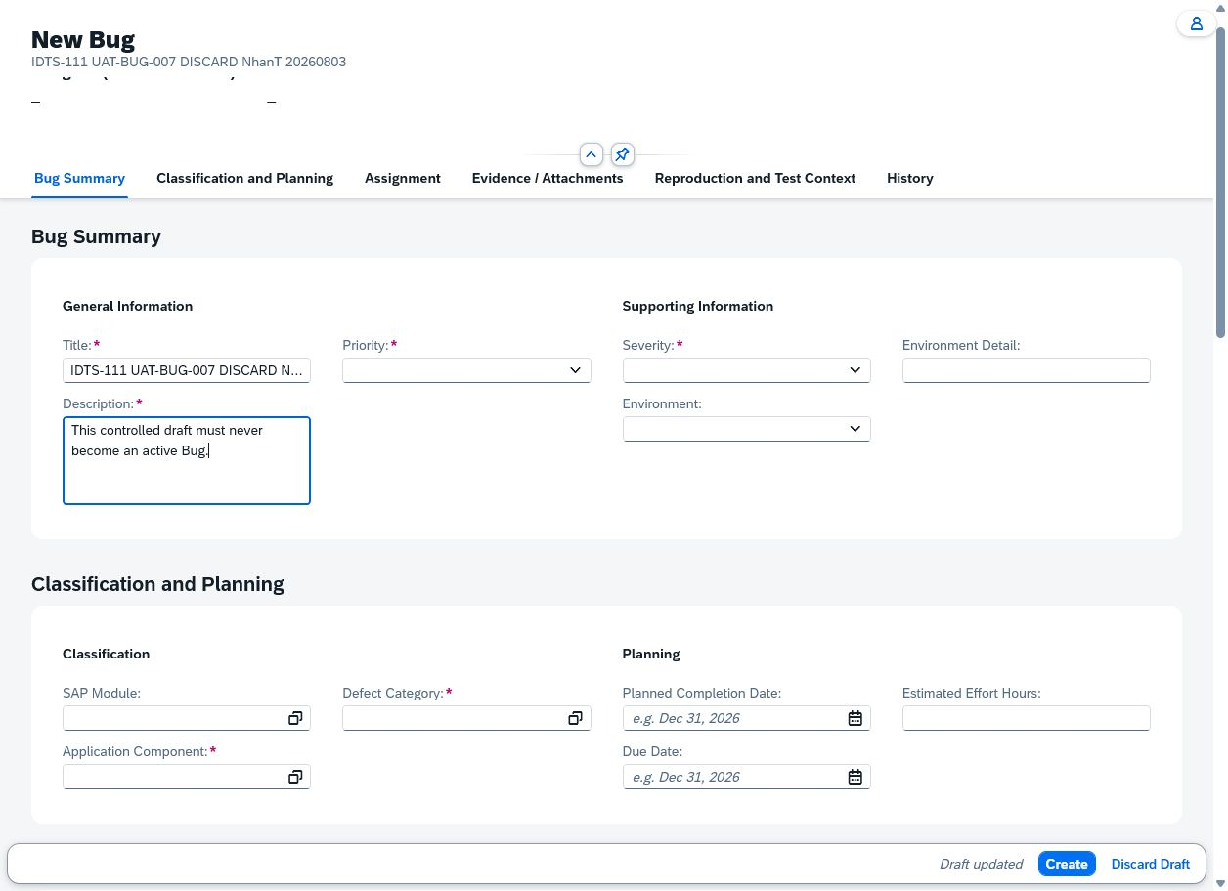

 | List search after discard; exact controlled title has no row. — SHA-256 CCED2CBC1DE7FFA63E40BB37D939C62006E4685379E4BC4D55519443A351DF31
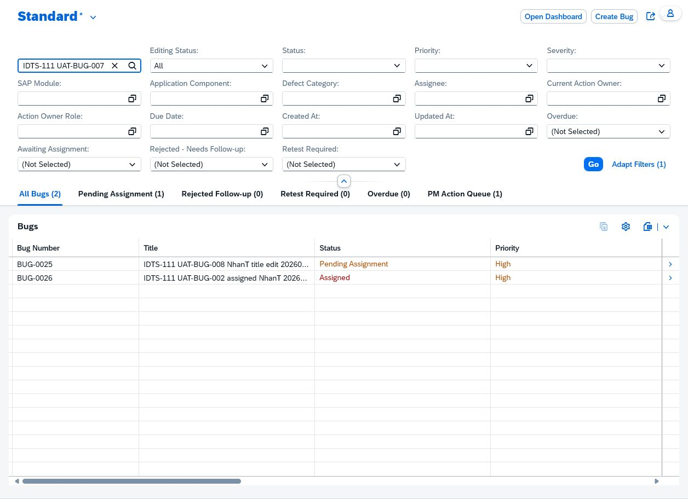

Case: UAT-BUG-008 | DOES_NOT_MEET_EXPECTED_RESULT — Current-runtime recheck persisted the new title and preserved unrelated status/ownership. After History finished loading, it again displayed two identical 'Updated title.' events by NhanT at Aug 4, 2026 4:45:55 PM for one Save. Business state persistence passed, but duplicate audit events violate the expected single grouped audit. DonHV must review before approved FAIL/Jira disposition.

 | REVIEW BLOCKED — Active BUG-0025 state before the title-only edit. — SHA-256 C8E79AE33C2CE3F9A52DA28145C49C0DCAF3C71D7C3E41BD147DEFC908510BFC
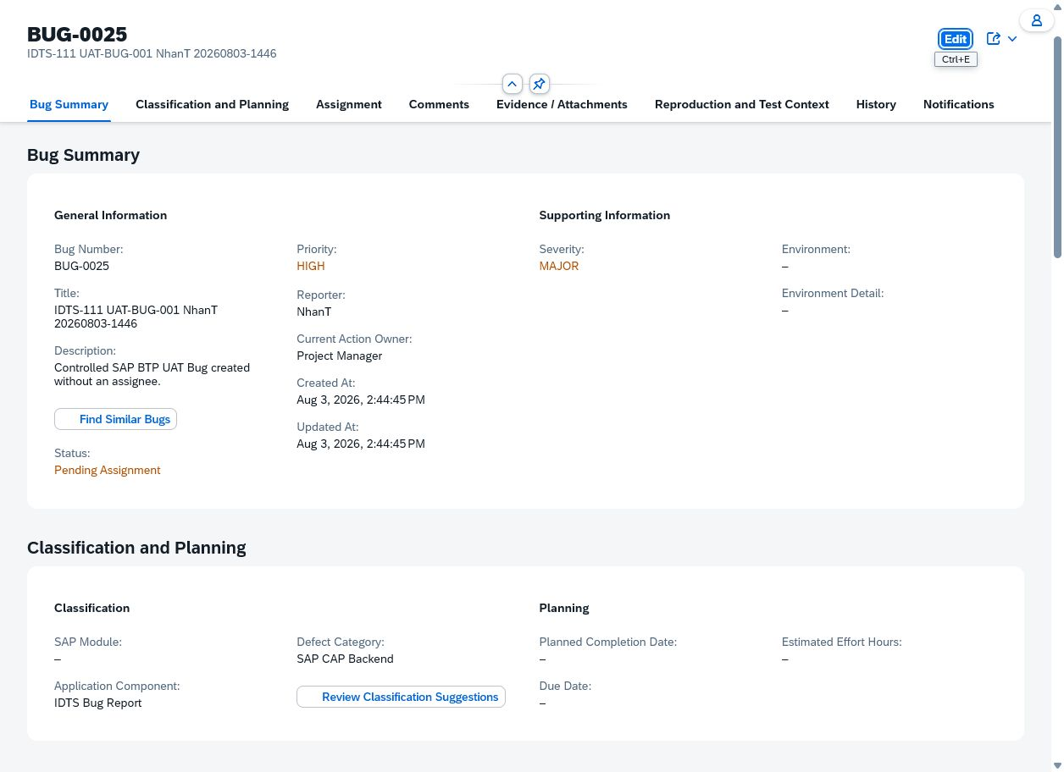

 | REVIEW BLOCKED — Edit draft with only the new title entered. — SHA-256 2BC8FC18E5F79939F1F1F5FD15AF9754A965901DFD14B5B8623B76A4D3B1C8D0
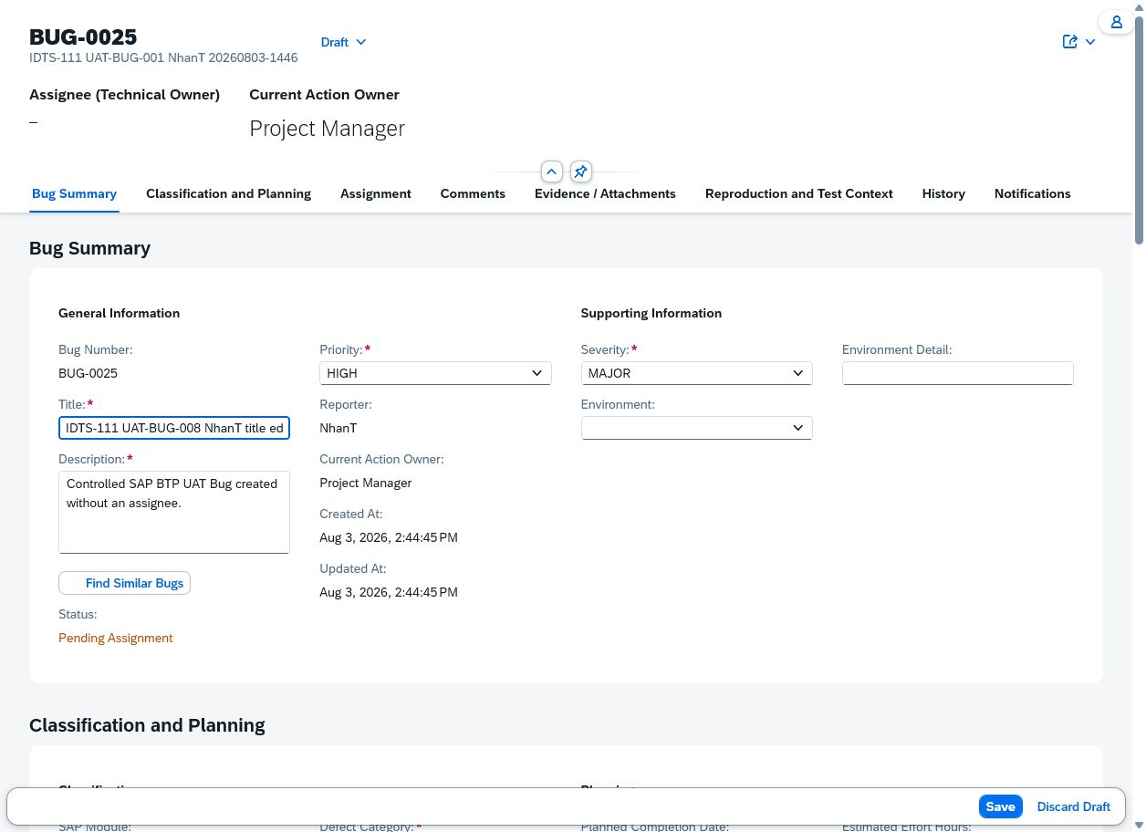

 | REVIEW BLOCKED — Reloaded History showing two duplicate title Edit events at the same timestamp. — SHA-256 0BE9BE5DD099D010AE27D2DC044437A00F3F63E4697FAFA7F3FCD5D5909E3EFC
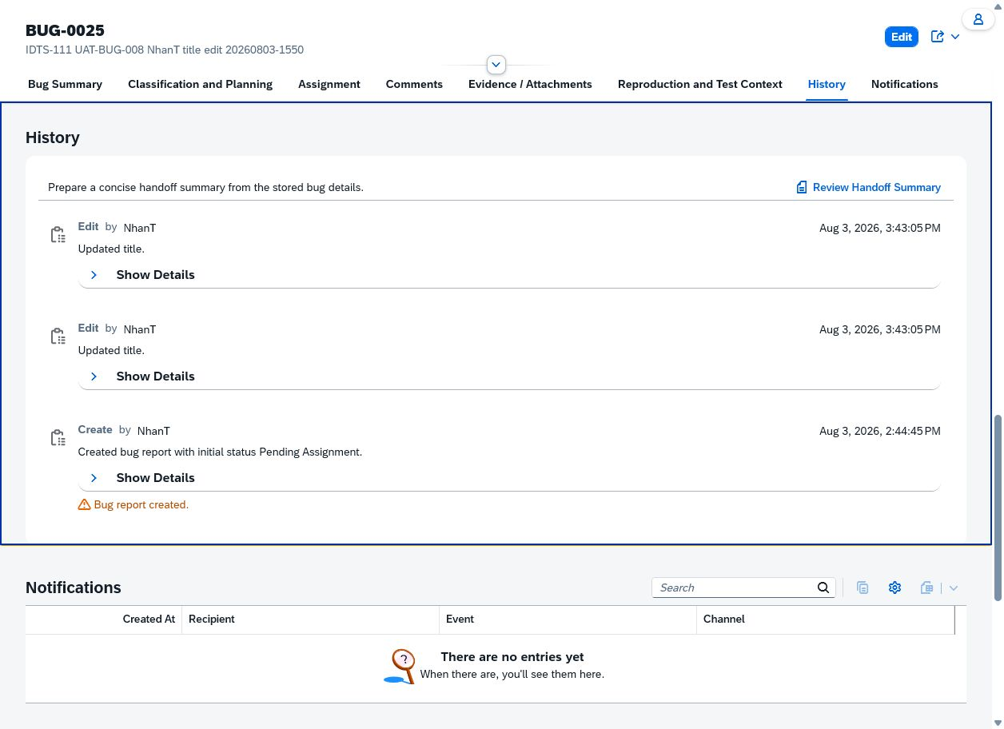

 | REVIEW BLOCKED — Fresh current-runtime readback of BUG-0025 History showing two identical title Edit events at Aug 4, 2026 4:45:55 PM. — SHA-256 F2999C6D833C933AEB7D59663D088D96DE1E64C1702CF59639A9C340F9166965
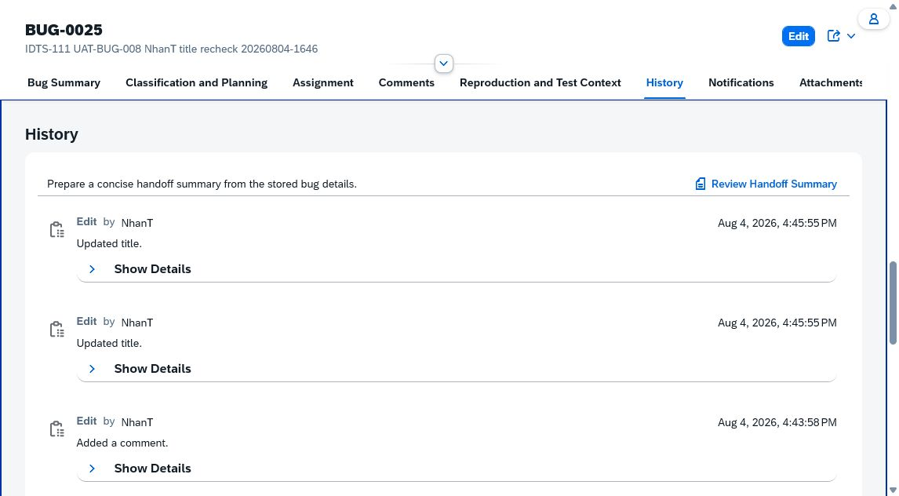

Case: UAT-BUG-009 | MEETS_EXPECTED_RESULT — Back returned to the List Report without a blank page. Forward reopened the same BUG-0025 edit draft with the Environment Detail value preserved and no cross-Bug data. The draft was then explicitly discarded, returning to the active Bug with no hidden save. DonHV must review this complete candidate package before any PASS or catalog update. The Fiori discard confirmation appears as a small popover and was confirmed through the freshly observed visible DOM control.

 | BUG-0025 draft with controlled Environment Detail before Back. — SHA-256 72F80B4FC591F20702DF4322C6CF7A4BAF69DD15C11848641F8FF1CFEA7A1319
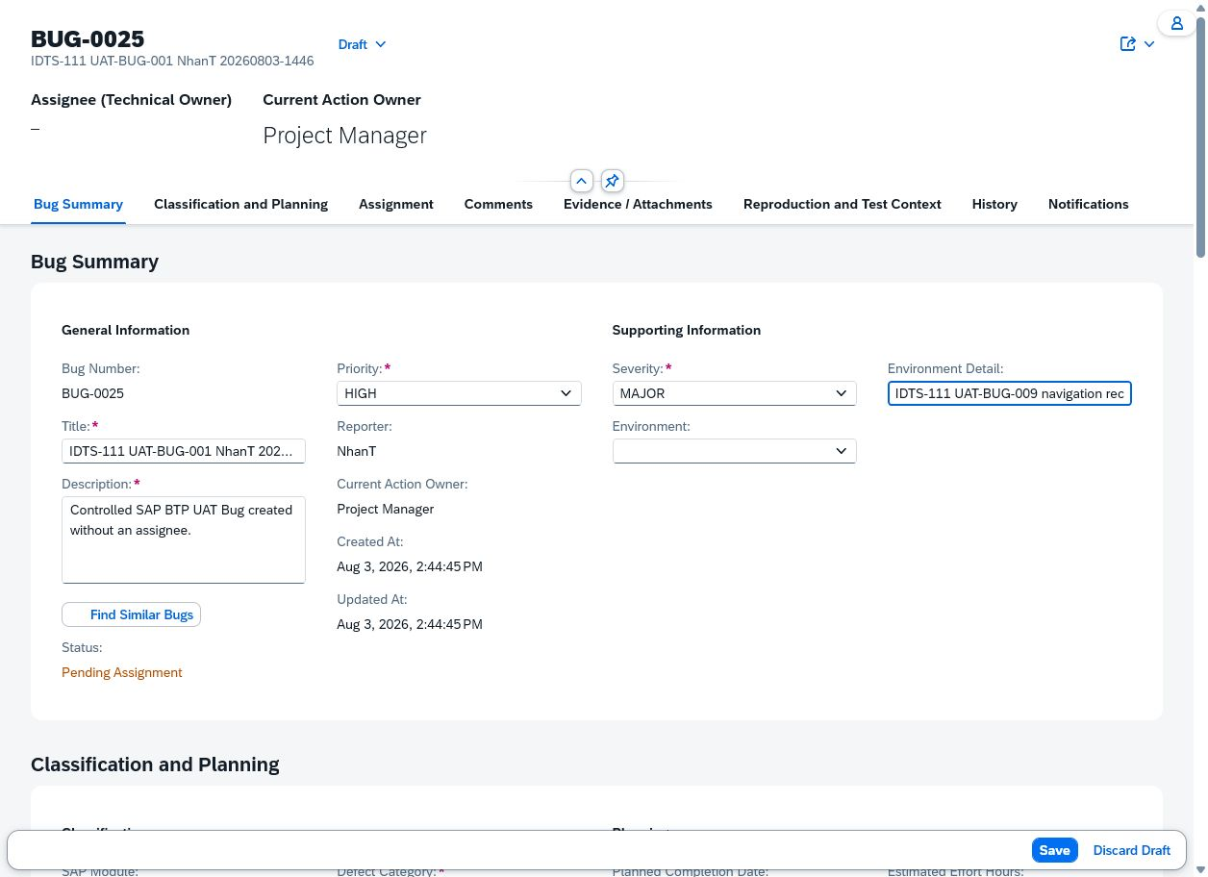

 | Same BUG-0025 draft and value recovered after Forward. — SHA-256 4C83D4E01C7E40910F035EF636DCC415DA160F9682D381E67A308493B3202DE5
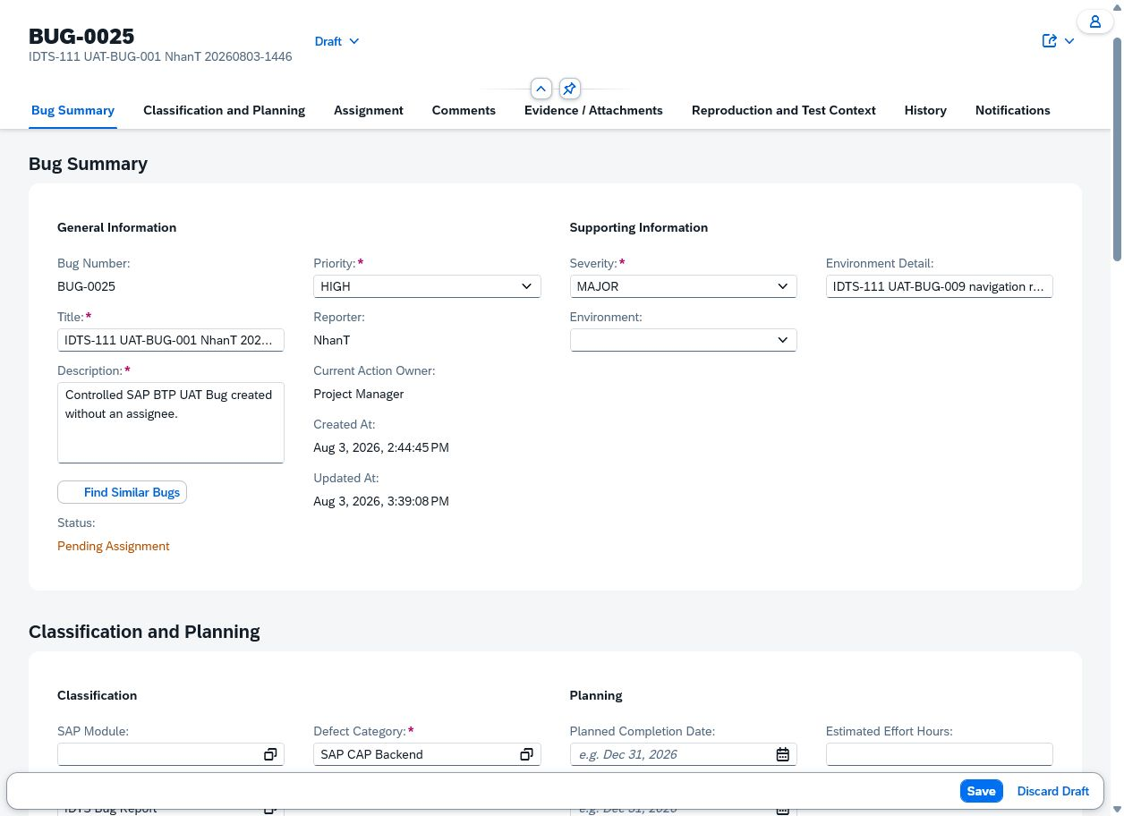

Case: UAT-CLS-001 | MEETS_EXPECTED_RESULT — The value helps displayed IDTS Bug Report as the selectable component and the compatible active categories SAP CAP Backend, Database, and SAP Fiori UI5 without an invalid-segment warning. Candidate only; DonHV must review. The UI does not expose an active/inactive flag in the value-help table; selectability and absence of inactive rows were verified against the execution-baseline catalog.

 | Application Component value help. — SHA-256 4F3A81164B44EC5DA9FDE2E0F110B0902E07F88D5E02110E80A20A500880EADB
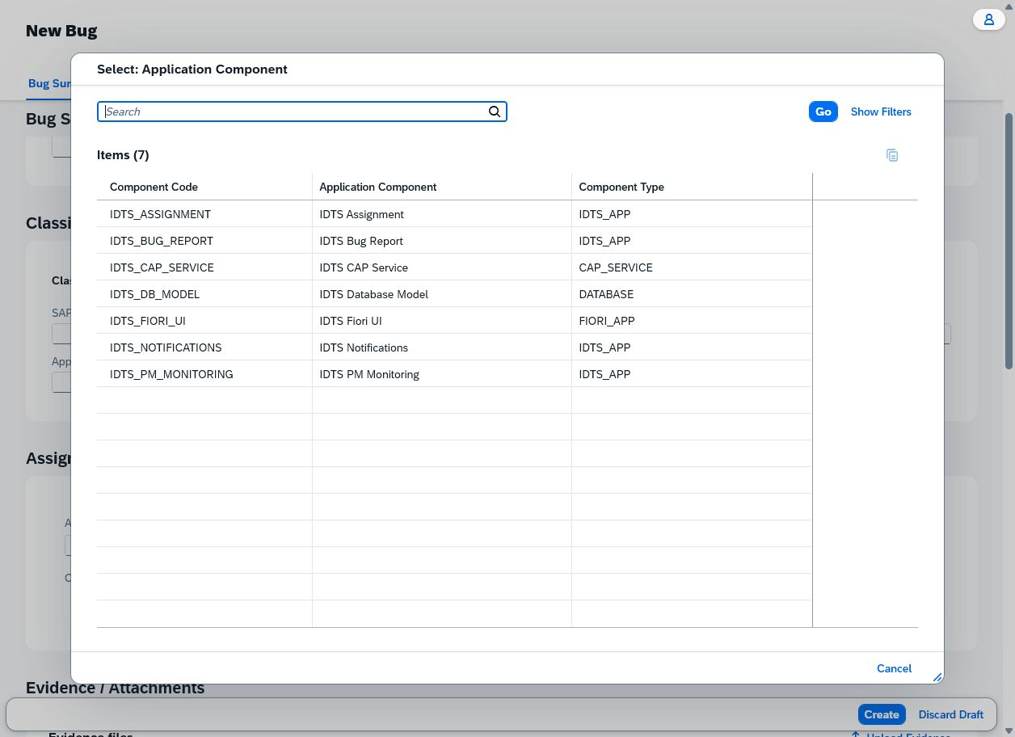

 | Compatible Defect Category value help. — SHA-256 8F5DBEA31D8456A8AD31BA0C3CE3A33601754C2FBA92CA11C7BECF8012A46BC3
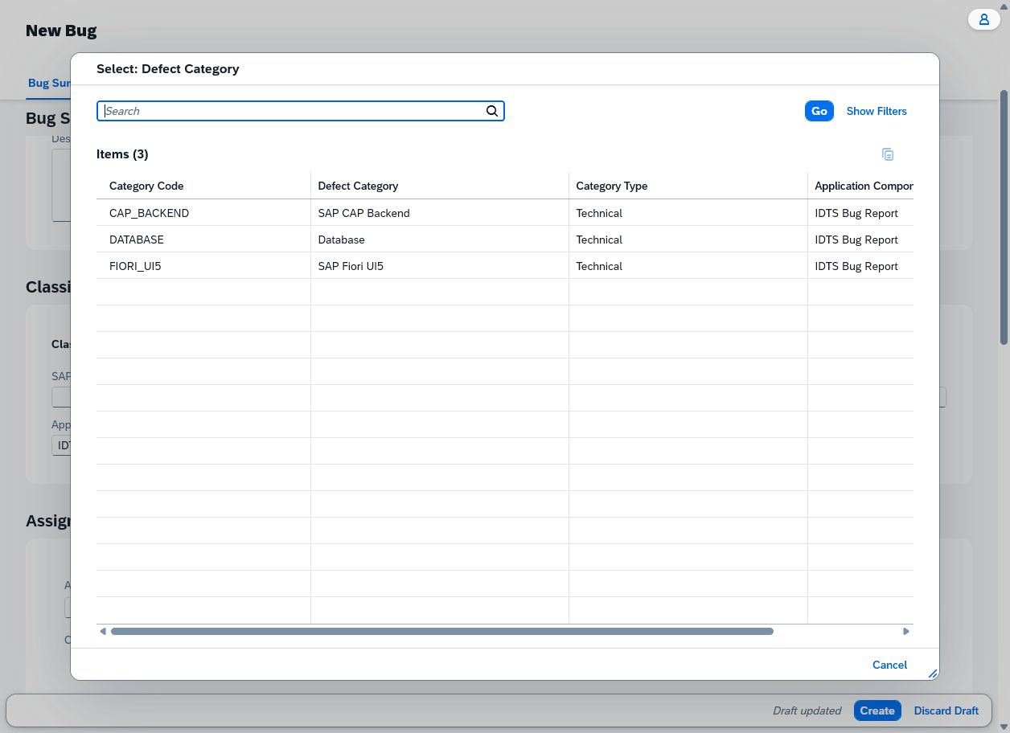

Case: UAT-CLS-002 | MEETS_EXPECTED_RESULT — After selecting IDTS Bug Report and SAP CAP Backend, Smart Assign loaded matching Developers; SangVN was selected and persisted on Assigned BUG-0026 after refresh. Candidate only; DonHV must review. Candidate loading was verified interactively; email-bearing Smart Assign evidence was excluded for privacy.

 | Assigned BUG-0026 after refresh proves the valid mapping supported candidate loading and assignment. — SHA-256 040C3504C98ABB1607EE0416EAC24AB2E83538B5F68C67F3D3A0627E08158466

Case: UAT-CLS-003 | BLOCKED — Only active values are exposed by the value helps; no inactive code/direct-request fixture was supplied. Seed a disposable inactive code and use an approved request harness, then verify storage unchanged. Only active values are exposed by the value helps; no inactive code/direct-request fixture was supplied. No valid case-specific image evidence

 | No valid case-specific image evidence

Case: UAT-CLS-004 | MEETS_EXPECTED_RESULT — Only Description was changed and saved. After browser refresh, BUG-0026 still displayed IDTS Bug Report and SAP CAP Backend; no classification warning or unintended ownership change appeared. Candidate only; DonHV must review.

 | Edit draft before changing Description, with original classification visible. — SHA-256 EE87933D02C22D1279451DED8A87FE48179FA9040C353AEF513FF2ACFF025B60
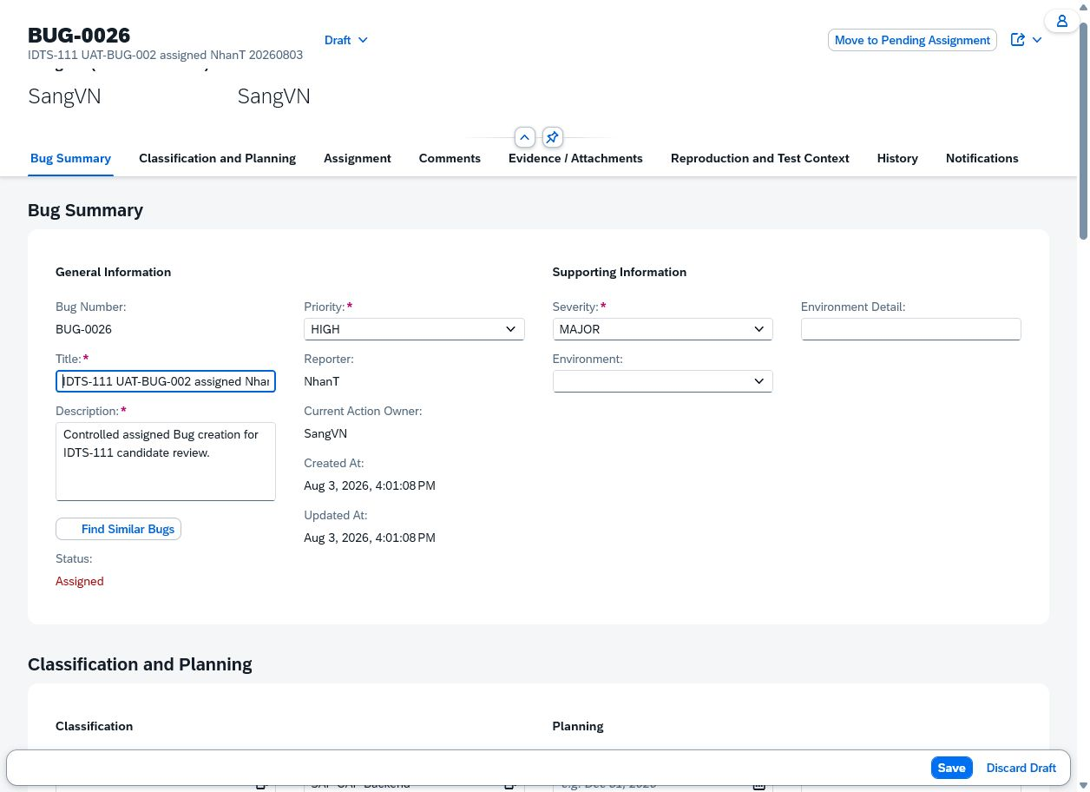

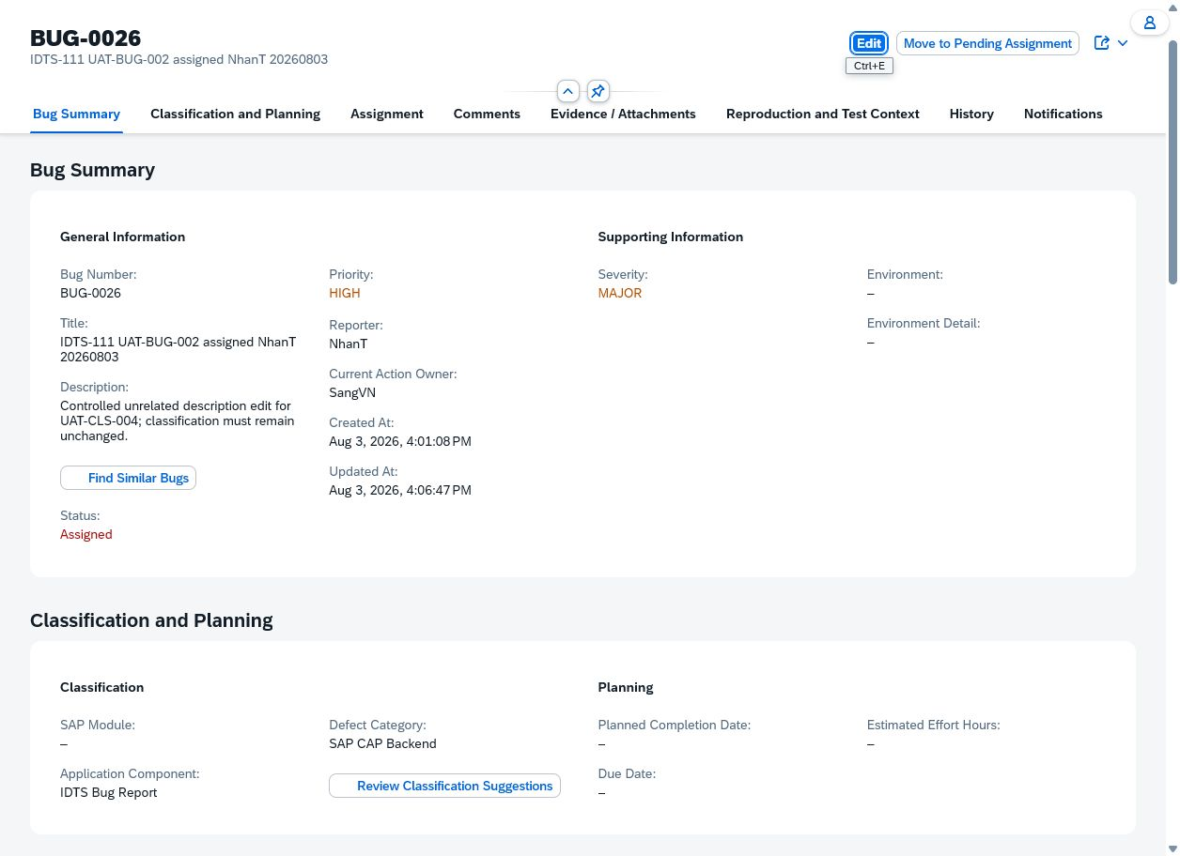

Case: UAT-ASG-001 | PREPARED — No valid case-specific image evidence

 | No valid case-specific image evidence

Case: UAT-ASG-002 | PREPARED — No valid case-specific image evidence

 | No valid case-specific image evidence

Case: UAT-ASG-003 | PREPARED — No valid case-specific image evidence

 | No valid case-specific image evidence

Case: UAT-ASG-004 | PREPARED — No valid case-specific image evidence

 | No valid case-specific image evidence

Case: UAT-ASG-005 | PREPARED — No valid case-specific image evidence

 | No valid case-specific image evidence

Case: UAT-ASG-006 | PREPARED — No valid case-specific image evidence

 | No valid case-specific image evidence

Case: UAT-ASG-007 | PREPARED — No valid case-specific image evidence

 | No valid case-specific image evidence

Case: UAT-ASG-008 | PREPARED — No valid case-specific image evidence

 | No valid case-specific image evidence

Case: UAT-LIFE-001 | BLOCKED — BUG-0026 is Assigned but its current action owner is SangVN; NhanT cannot truthfully act as the authorized processor. No authorized SangVN/PM identity was provided. Execute with the authorized current processor on a disposable Assigned Bug. BUG-0026 is Assigned but its current action owner is SangVN; NhanT cannot truthfully act as the authorized processor. No authorized SangVN/PM identity was provided. No valid case-specific image evidence

 | No valid case-specific image evidence

Case: UAT-LIFE-002 | BLOCKED — Available Assigned records are owned by Developers, while the session is NhanT/Tester. No authorized Developer identity was supplied. Execute with the assigned Developer identity on a disposable Assigned Bug. Available Assigned records are owned by Developers, while the session is NhanT/Tester. No authorized Developer identity was supplied. No valid case-specific image evidence

 | No valid case-specific image evidence

Case: UAT-LIFE-003 | BLOCKED — No In Review record owned by NhanT was present in the List inventory, and no authorized processor identity was supplied. Prepare a disposable In Review Bug and execute as its authorized actor. No In Review record owned by NhanT was present in the List inventory, and no authorized processor identity was supplied. No valid case-specific image evidence

 | No valid case-specific image evidence

Case: UAT-LIFE-004 | BLOCKED — No Need More Information record/authorized actor was available in the authenticated inventory. Prepare the state through the approved lifecycle chain with the correct actor identities. No Need More Information record/authorized actor was available in the authenticated inventory. No valid case-specific image evidence

 | No valid case-specific image evidence

Case: UAT-LIFE-005 | BLOCKED — No In Review record owned by NhanT was present, and no authorized processor identity was supplied. Prepare a disposable In Review Bug and execute as its authorized actor. No In Review record owned by NhanT was present, and no authorized processor identity was supplied. No valid case-specific image evidence

 | No valid case-specific image evidence

Case: UAT-LIFE-006 | PREPARED — No valid case-specific image evidence

 | No valid case-specific image evidence

Case: UAT-LIFE-007 | PREPARED — No valid case-specific image evidence

 | No valid case-specific image evidence

Case: UAT-LIFE-008 | BLOCKED — No Resolved record/authorized actor was available in the authenticated List inventory. Prepare a disposable Resolved Bug and execute as its authorized processor. No Resolved record/authorized actor was available in the authenticated List inventory. No valid case-specific image evidence

 | No valid case-specific image evidence

Case: UAT-LIFE-009 | BLOCKED — BUG-0011 initially satisfied the state but UAT-LIFE-014 intentionally closed it with an empty reason, exposing a defect; it was then reopened for UAT-LIFE-010. No second Retest Required record exists for an independent valid-reason run. Move a disposable Bug back to Retest Required through the approved chain, then rerun with a valid reason. BUG-0011 initially satisfied the state but UAT-LIFE-014 intentionally closed it with an empty reason, exposing a defect; it was then reopened for UAT-LIFE-010. No second Retest Required record exists for an independent valid-reason run. No valid case-specific image evidence

 | No valid case-specific image evidence

Case: UAT-LIFE-010 | MEETS_EXPECTED_RESULT — BUG-0011 changed from Closed to Reopened after NhanT submitted the reason. A visible Ctrl+R refresh retained BUG-0011 and status Reopened with no raw error. Candidate only; DonHV must review before changing the catalog or final workbook. The two screenshots are byte-identical because the committed state and viewport were unchanged across refresh; the fresh post-refresh DOM independently confirmed BUG-0011 and Reopened.

 | BUG-0011 displayed Reopened immediately after the controlled transition. — SHA-256 298036E7EBDADDD91ACBE0FA53695DED32E3995A958CFE17F2D4BC90A387C82D
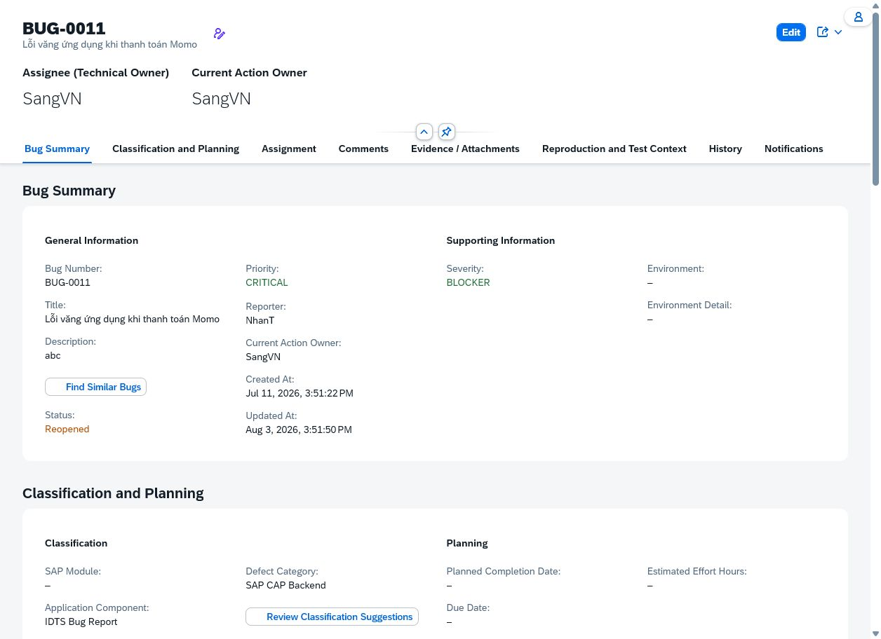

 | BUG-0011 remained Reopened after a visible browser refresh. — SHA-256 298036E7EBDADDD91ACBE0FA53695DED32E3995A958CFE17F2D4BC90A387C82D

Case: UAT-LIFE-011 | PREPARED — No valid case-specific image evidence

 | No valid case-specific image evidence

Case: UAT-LIFE-012 | PREPARED — No valid case-specific image evidence

 | No valid case-specific image evidence

Case: UAT-LIFE-013 | PREPARED — No valid case-specific image evidence

 | No valid case-specific image evidence

Case: UAT-COM-001 | MEETS_EXPECTED_RESULT — On the current deployed runtime, SAP reported Comment posted. The controlled comment appeared once with actor NhanT, role Tester, timestamp Aug 4, 2026 4:39 PM, and remained present after reload. Current-runtime candidate PASS only; historical failure evidence is retained and DonHV still owns final acceptance/workbook integration. The current Browser surface proves UI persistence but does not expose a sanitized HTTP response body or backend trace.

 | Controlled comment entered before posting while the list still shows No comments yet. — SHA-256 54B904B98EBD7159C605D8F0FBDCDB18D08054A6B40E654183A5D03B1FD1007D
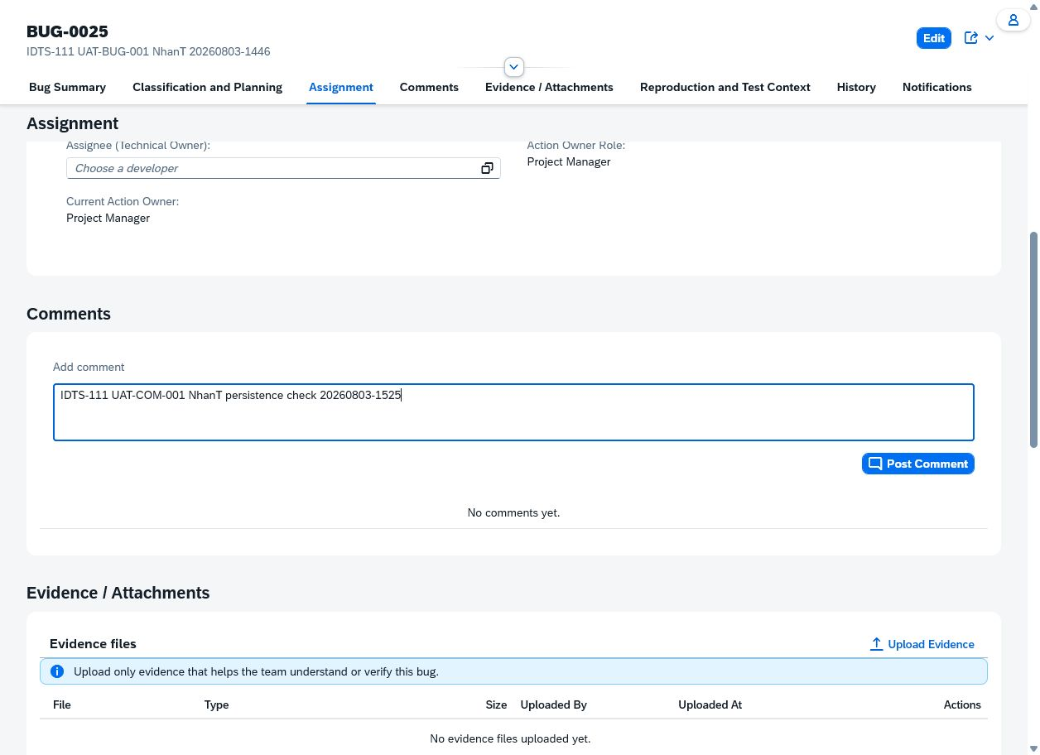

 | Safe SAP error after Post Comment with the input retained and no stored comment. — SHA-256 75BAC5242D660564AF0DC2991BCEDC987F3B0F2CB4160E5858374F37BDC0D526
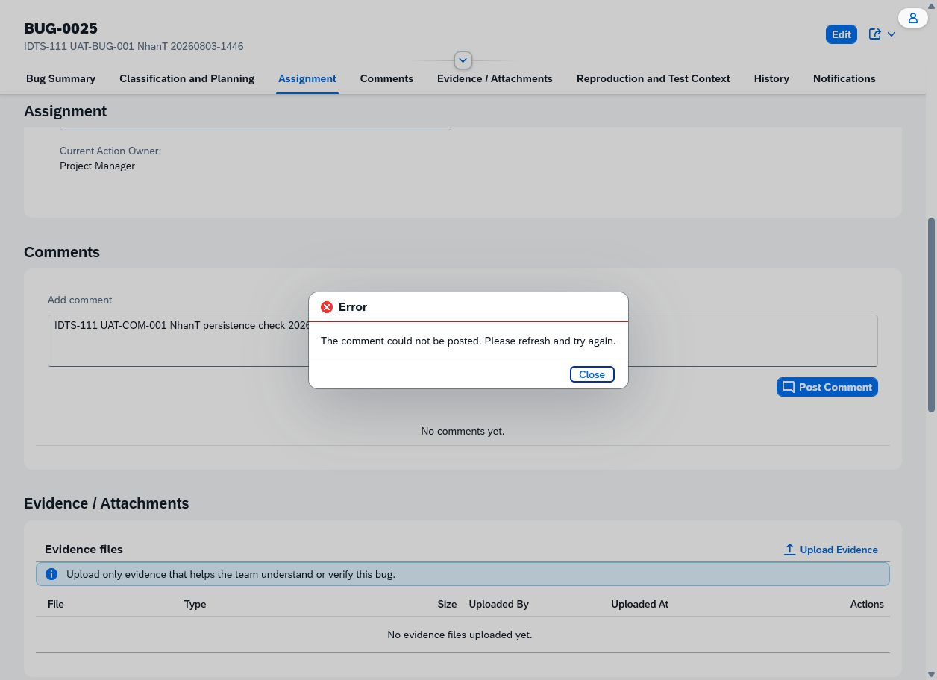

 | Fresh 2026-08-03 targeted rerun: safe post failure, retained input, and no persisted comment. — SHA-256 E0399525FE40E1092044C53BDE8E5D1534822423DA35769FA2FFD09EFCF9535A
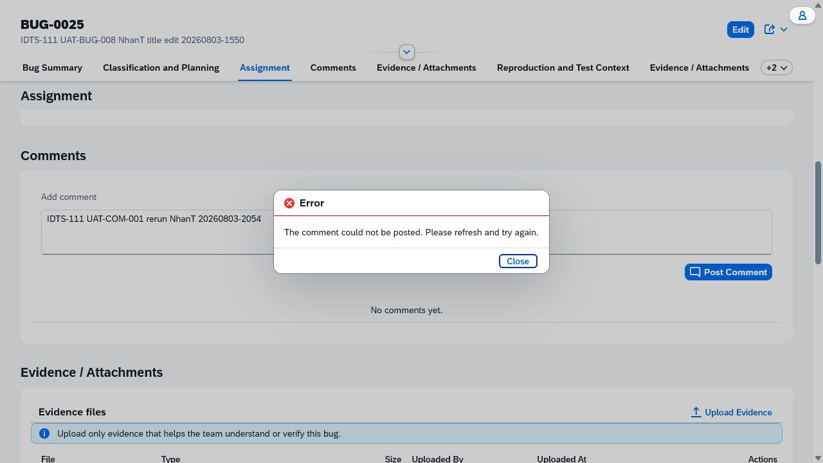

 | Current-runtime controlled comment before posting. — SHA-256 CAD89BDDF2ACBB9F4E3E219F6705345B5B38F9EC9C9D8341C6A3541C0264F3C5
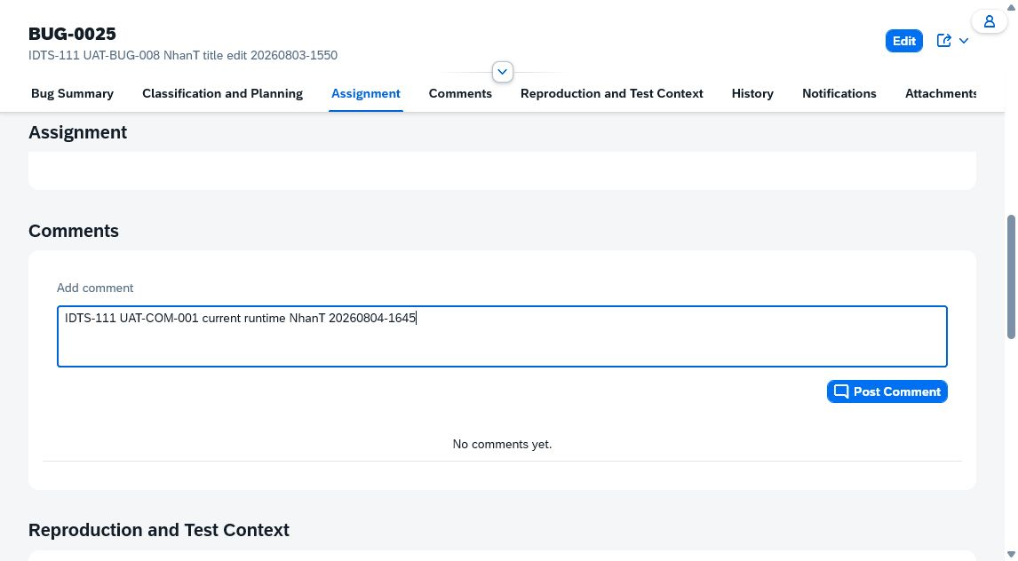

 | Current-runtime success result with one NhanT/Tester comment. — SHA-256 B42B29AD341C30ECCA646049F56ABE0CF9A9B244127175DC4B4995E0BF647CCB
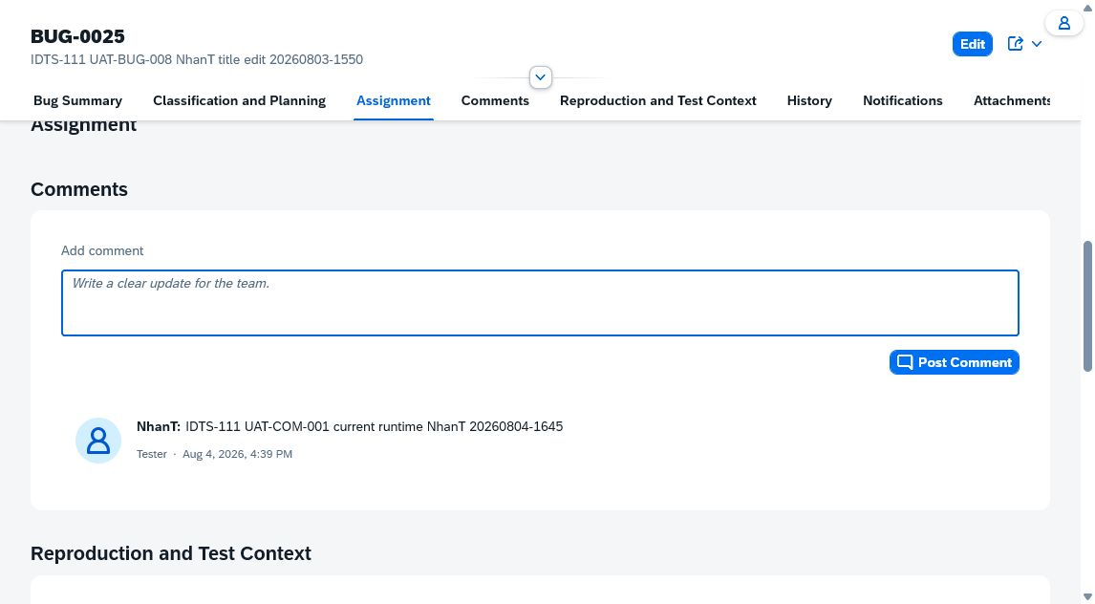

 | Reload proof for the persisted comment. — SHA-256 C5091233B8D3784EC15B47FBDE5DAA3805596325B7EEDA7A9F2CE452079C2082
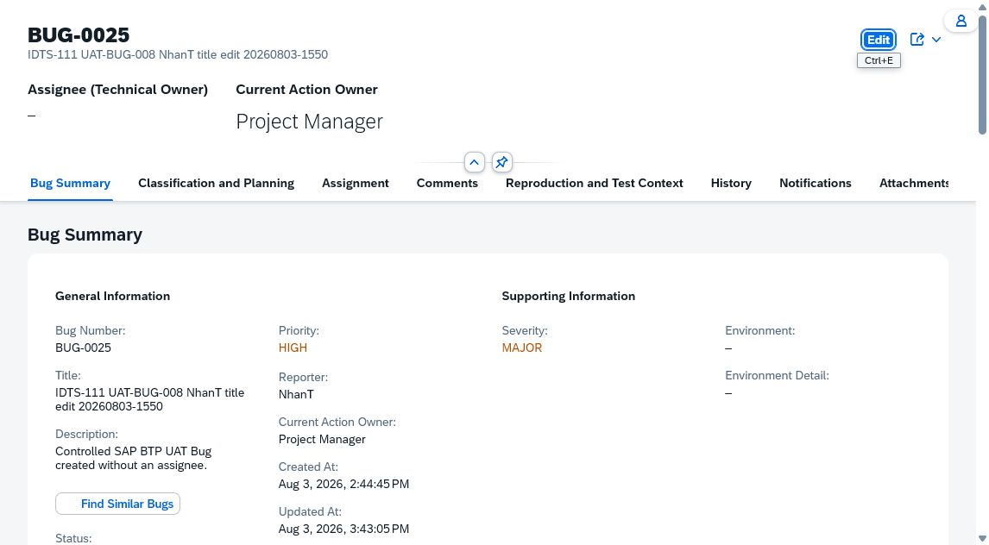

Case: UAT-COM-002 | MEETS_EXPECTED_RESULT — Post Comment was chosen once with an empty comment. The field entered an error state with the safe message 'Enter a comment before posting.', and the Comments list still showed 'No comments yet.'. DonHV must review this complete candidate package before any PASS decision or catalog update. The catalog permits a sanitized Network status or a safe error screenshot; this package uses the visible safe error screenshot and does not inspect session/network internals.

 | Empty Add comment field with visible safe validation message and unchanged No comments yet state. — SHA-256 057CBC82BBF6153047EAFBE6F2FE00F828A243FA6A7A52FD980B4A85998C8126
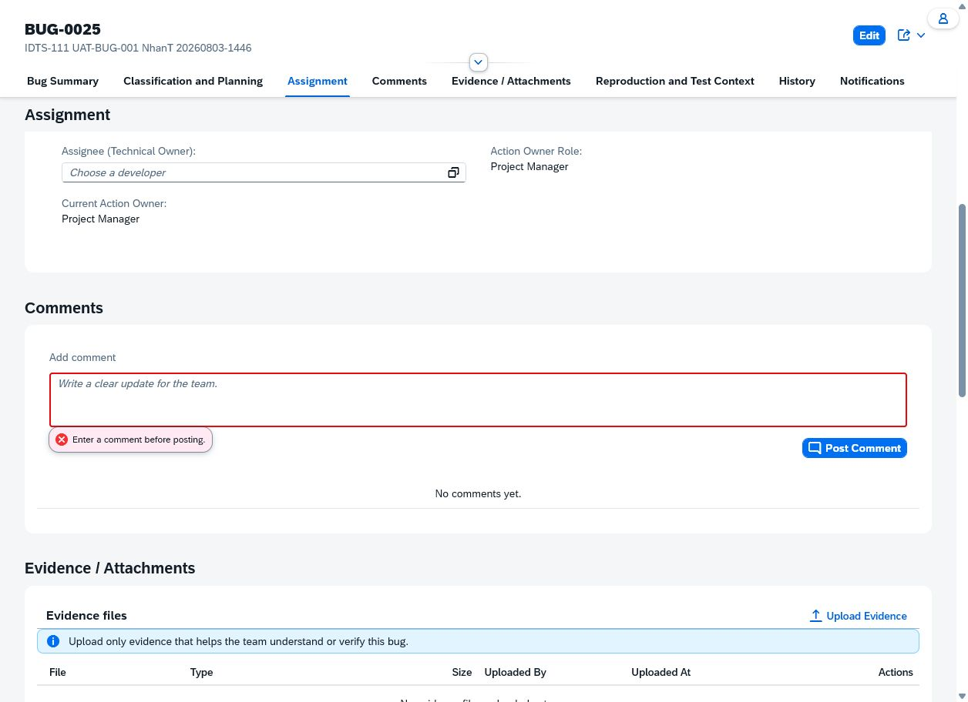

Case: UAT-COM-003 | DOES_NOT_MEET_EXPECTED_RESULT — A 1006-character controlled comment was accepted with 'Comment posted' and remained listed after reload instead of being rejected. The UI collapses it behind MORE, so the boundary contract is violated. Current-runtime candidate defect; DonHV must review and route product ownership before approved FAIL. The collapsed UI does not expose the complete stored value without opening MORE; acceptance and post-reload presence are sufficient to prove rejection did not occur.

 | REVIEW BLOCKED — Oversized controlled comment accepted by the UI. — SHA-256 B674BD1894D8C4D0BC67D6BCB45DF74FC685BDC858F282FB9BEFC7BB533C1B1C
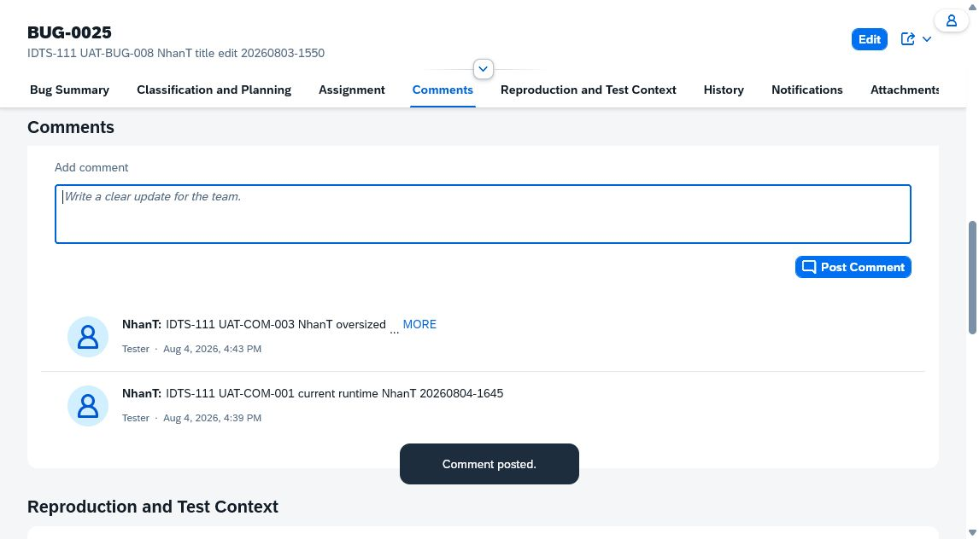

 | REVIEW BLOCKED — Oversized comment remains listed after reload. — SHA-256 E2D63B68FCA474765EEC6AD4FE619959197F1EE0774FF103F6D586BBA559BB25


Case: UAT-COM-004 | MEETS_EXPECTED_RESULT — The controlled markup-like comment posted and persisted after reload. Executable markup was stripped/sanitized, no XSS marker appeared in console logs, and only the safe text prefix rendered. Current-runtime candidate PASS for sanitization/no execution; DonHV decides whether stripped markup text is acceptable product behavior. The sanitizer removes markup and its enclosed text rather than displaying literal tags; DonHV must confirm this UX policy is acceptable.

 | Reloaded comment shows safe text only; markup did not execute. — SHA-256 F28A125CCE1FE650ABDEB06258ED2E4D0625F54C24AEF665372061E11C6C12C2


Case: UAT-ATT-001 | DOES_NOT_MEET_EXPECTED_RESULT — The supported controlled file appeared in the generated attachment draft and Save produced an active-row/history signal, but the attachment disappeared after a fresh reload. Therefore metadata/binary persistence is not proven and the case still does not meet its expected result. BUG-0025 still failed persistence, while the same deployed runtime has IDTS-116 controlled BUG-0019 upload/reload/download/delete proof. This narrows the finding away from a universal storage outage but does not identify whether BUG-0025 state, generated-facet lifecycle, or another scoped runtime condition caused it. DonHV must classify the candidate. No direct HANA/S3 diagnostic access was available; root cause cannot be assigned from UI evidence alone. Cross-record investigation reference: docs/pm/evidence/idts-116/attachment-end-to-end-sangvn-20260804/README.md proves the same runtime succeeds on controlled BUG-0019, so this is not evidence of a universal provider outage.

 | REVIEW BLOCKED — Safe upload failure for a supported 54-byte text file. — SHA-256 6115E8D1A6E5425526E77D0710068F608367DF7F250E658273EF3C426B1DF6BE
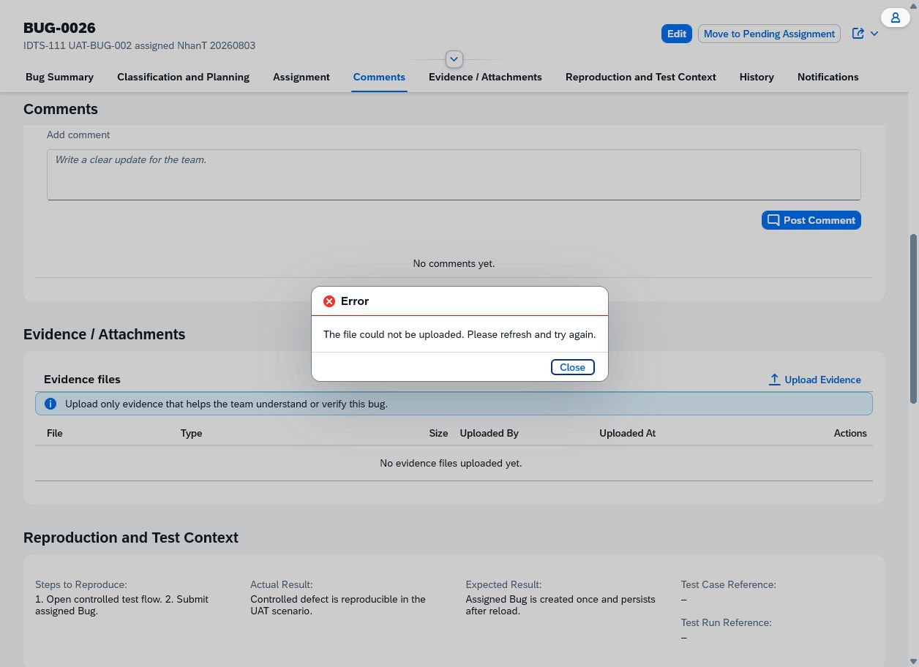

 | REVIEW BLOCKED — No attachment metadata after refresh. — SHA-256 A1406D72F54653AA344039E8C31FFD5ED569BFBF2A0F5958390D1AA466ABCA43
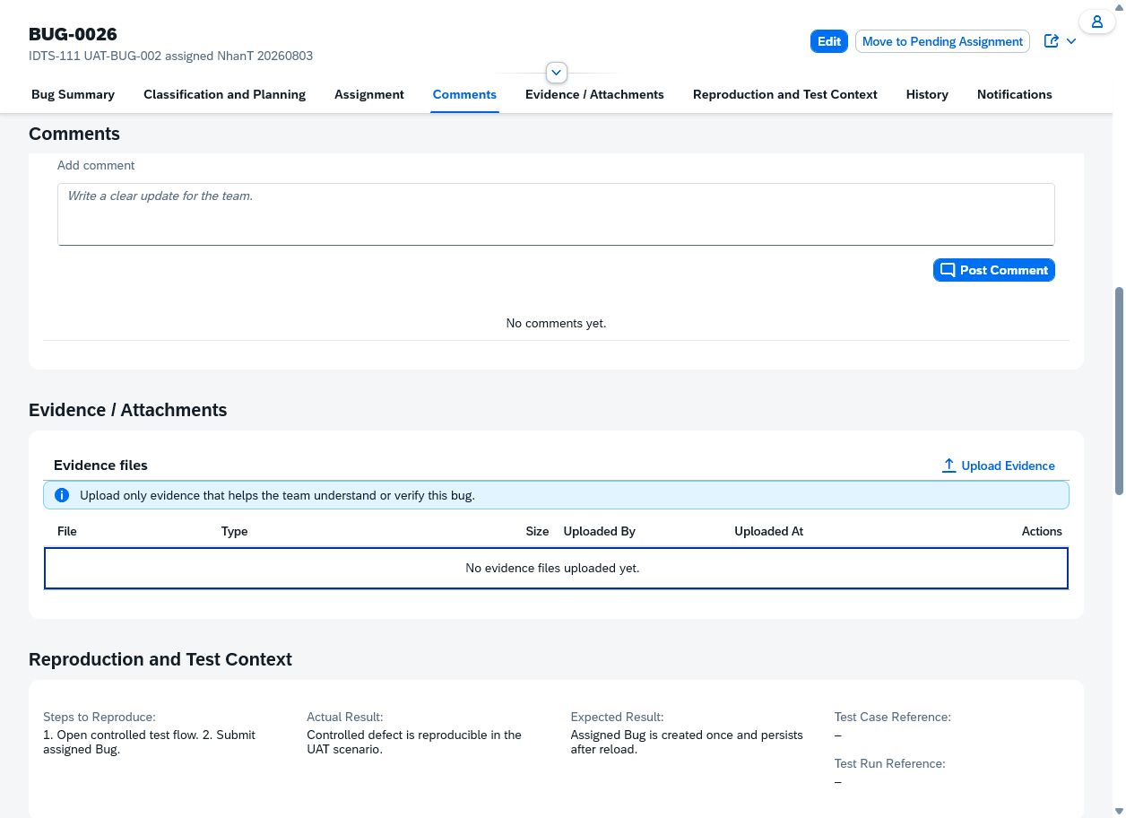

 | REVIEW BLOCKED — Fresh 2026-08-03 targeted rerun: safe upload failure and empty evidence grid for a synthetic 47-byte text file. — SHA-256 DA6D54AAB9310A12F17107C33ABBD4F4FF1D00D7FB6B7BEDA76CD366220B241D
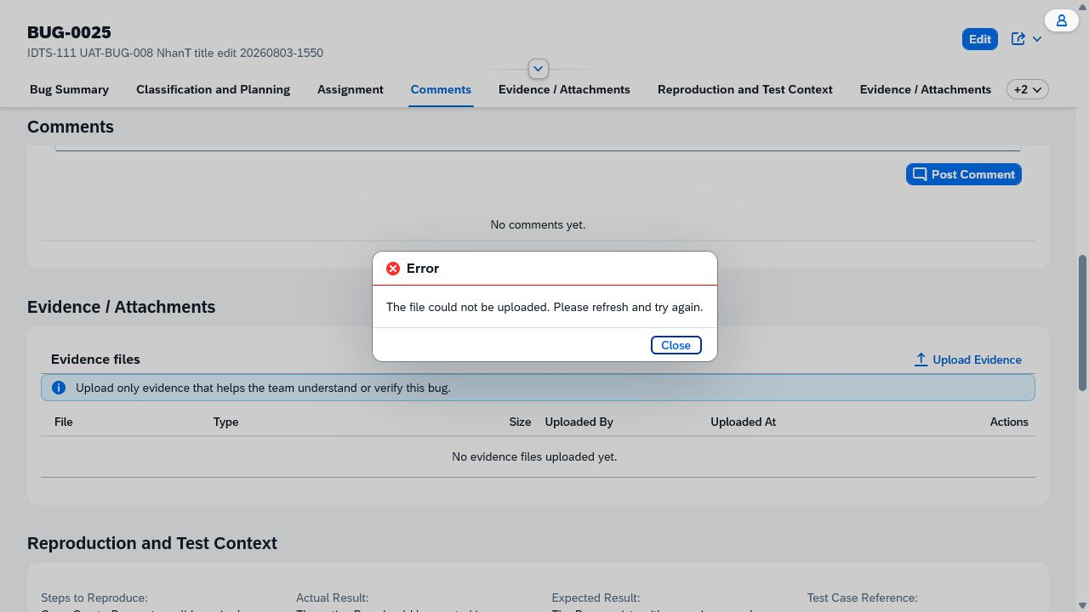

 | REVIEW BLOCKED — Current runtime shows the supported file in the generated draft attachment row. — SHA-256 119FCD187BF03BCA432B4AB58EC7420A6106A3E38494222745D7584BB87C599F
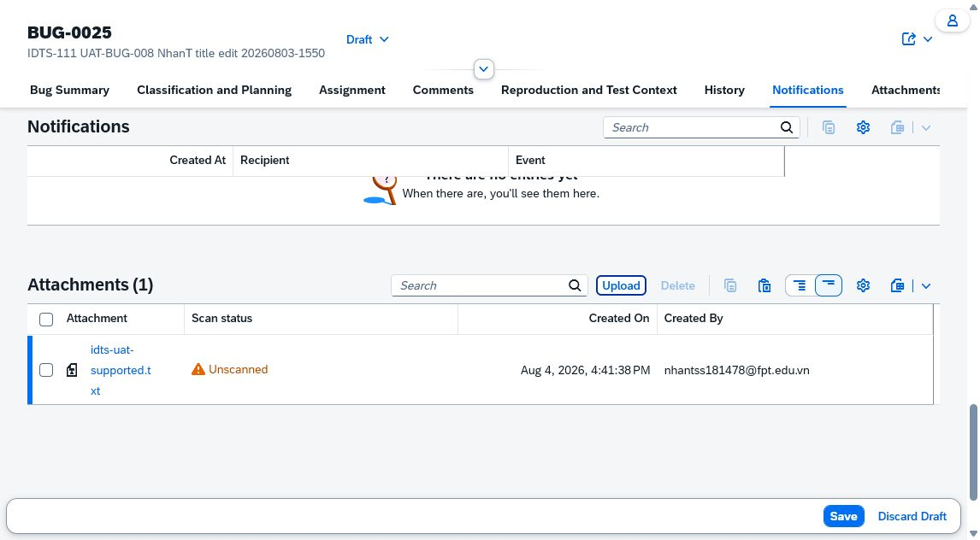

 | REVIEW BLOCKED — Fresh reload shows no attachment row, proving persistence failure. — SHA-256 31E229856A0DA0538F0CC425F0AE0306852ADC1549EB7A3EC4B9D2635B4D7AE8
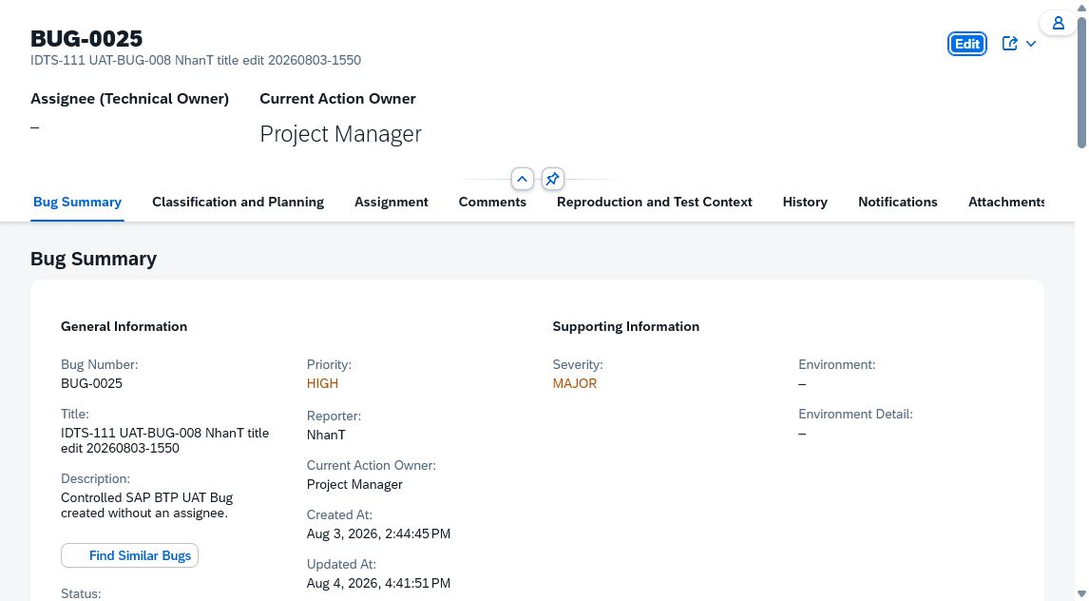

Case: UAT-ATT-002 | RERUN_REQUIRED_CURRENT_RUNTIME — Not executable: the supported upload in UAT-ATT-001 failed and no controlled downloadable attachment exists. Downloading an unrelated existing user/team file would violate evidence ownership and privacy boundaries. Rerun after storage is restored and a controlled attachment is created. Missing controlled attachment precondition. No valid case-specific image evidence

 | No valid case-specific image evidence

Case: UAT-ATT-003 | RERUN_REQUIRED_CURRENT_RUNTIME — Not executable: UAT-ATT-001 could not create a controlled attachment. Deleting an unrelated existing attachment was not authorized and would be destructive to team evidence. Rerun after storage is restored and a disposable controlled attachment exists. Missing disposable controlled attachment precondition. No valid case-specific image evidence

 | No valid case-specific image evidence

Case: UAT-ATT-004 | BLOCKED — The HTML/Browser file chooser accept filter refused the CSV before the SAP upload handler received it. No metadata was created, but the application-level safe message could not be exercised in this Browser surface. Use a native/manual chooser or controlled direct request that can bypass the client accept filter while remaining safe. Client accept filter prevents application-level unsupported-type validation in this automation surface.

 | REVIEW BLOCKED — Evidence section remained empty after the Browser chooser filtered the unsupported file. — SHA-256 C97C56A689232A42586AFB8867AB4B0792853CAE9483F06D51D4CFDB87743402
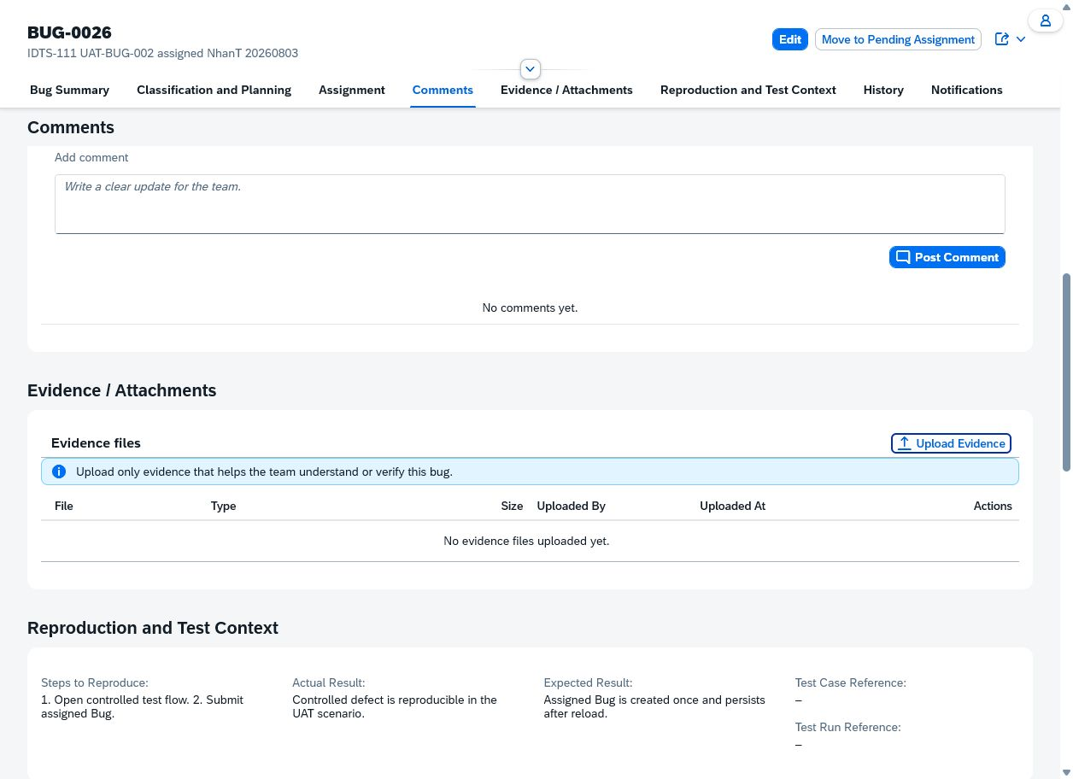

Case: UAT-ATT-005 | BLOCKED — The Browser chooser accepted the 10 MB + 1 byte text fixture but the page returned to an empty evidence table with no visible size-validation message. Because the input is cleared immediately and the later supported upload also fails, this run cannot distinguish client filtering from upload-path failure. Manual/native chooser confirmation is required after storage health is restored; do not approve PASS/FAIL from this ambiguous automation result. No visible size error and storage path is concurrently failing.

 | REVIEW BLOCKED — Evidence section remained usable and empty, but no size-validation message was exposed. — SHA-256 C97C56A689232A42586AFB8867AB4B0792853CAE9483F06D51D4CFDB87743402

Case: UAT-ATT-006 | MEETS_EXPECTED_RESULT — A supported controlled text upload returned a safe generic error. After refresh, the table still showed No evidence files uploaded yet, so no orphan metadata/download action was presented. Safety behavior meets expectation, but storage unavailability was inferred rather than activated through a controlled toggle; DonHV must decide whether to accept or rerun with an explicit storage-failure control. No controlled S3 toggle or direct storage diagnostic was available.

 | Safe upload error with no raw backend/storage details. — SHA-256 6115E8D1A6E5425526E77D0710068F608367DF7F250E658273EF3C426B1DF6BE

 | No attachment metadata or download action after refresh. — SHA-256 A1406D72F54653AA344039E8C31FFD5ED569BFBF2A0F5958390D1AA466ABCA43

Case: UAT-AUD-001 | PREPARED — No valid case-specific image evidence

 | No valid case-specific image evidence

Case: UAT-AUD-002 | PREPARED — No valid case-specific image evidence

 | No valid case-specific image evidence

Case: UAT-NOT-001 | PREPARED — No valid case-specific image evidence

 | No valid case-specific image evidence

Case: UAT-NOT-002 | PREPARED — No valid case-specific image evidence

 | No valid case-specific image evidence

Case: UAT-EMAIL-001 | PREPARED — No valid case-specific image evidence

 | No valid case-specific image evidence

Case: UAT-EMAIL-002 | PREPARED — No valid case-specific image evidence

 | No valid case-specific image evidence

Case: UAT-MON-001 | PREPARED — No valid case-specific image evidence

 | No valid case-specific image evidence

Case: UAT-MON-002 | PREPARED — No valid case-specific image evidence

 | No valid case-specific image evidence

Case: UAT-MON-003 | PREPARED — No valid case-specific image evidence

 | No valid case-specific image evidence

Case: UAT-MON-004 | PREPARED — No valid case-specific image evidence

 | No valid case-specific image evidence

Case: UAT-MON-005 | PREPARED — No valid case-specific image evidence

 | No valid case-specific image evidence

Case: UAT-AI-001 | MEETS_EXPECTED_RESULT — The Similar Bugs dialog displayed five reviewable candidates with Bug number, title, match percentage, workflow status, RELATED classification, and plain-language matching reasons. Confirm Duplicate remained disabled because no candidate was selected, and no review or duplicate action was submitted. DonHV must review this complete candidate package before any PASS decision or catalog update. No Accept, Reject, Ignore, candidate selection, or Confirm Duplicate action was submitted; mutation avoidance was verified by remaining in review-only state.

 | Review-only Similar Bugs dialog with five grounded candidates and safe reasons; Confirm Duplicate disabled without a selection. — SHA-256 E42FF9818D9F4765F7FEBE73FED259C8C9D7E98079C9731093016B4B184781B1
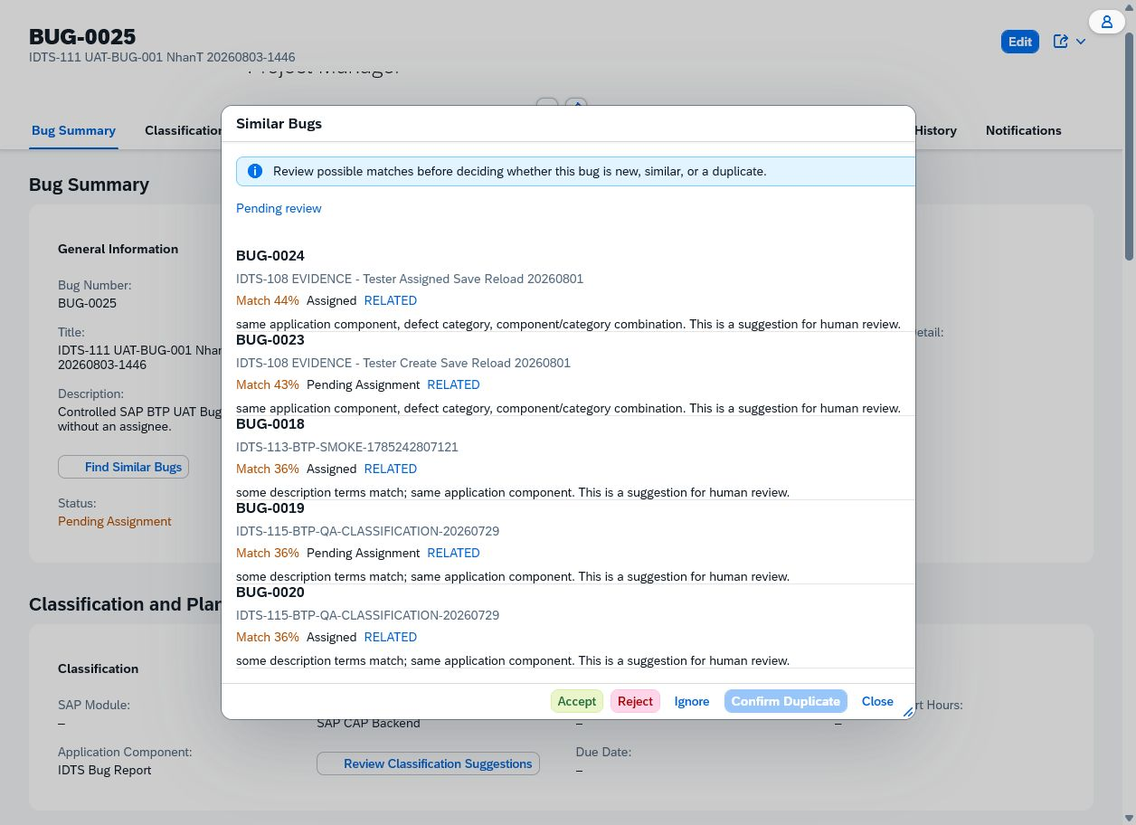

Case: UAT-AI-002 | BLOCKED — No accepted duplicate suggestion exists. The final Similar Bugs attempt produced no dialog/result, while earlier UAT-AI-001 was deliberately review-only and made no decision. Restore/verify Similar Bugs generation and provision an accepted disposable candidate before confirming once. No accepted duplicate suggestion exists. The final Similar Bugs attempt produced no dialog/result, while earlier UAT-AI-001 was deliberately review-only and made no decision. No valid case-specific image evidence

 | No valid case-specific image evidence

Case: UAT-AI-003 | PREPARED — No valid case-specific image evidence

 | No valid case-specific image evidence

Case: UAT-AI-004 | MEETS_EXPECTED_RESULT — The Classification Suggestions dialog displayed field-by-field current and proposed values, plain-language reasons, AI suggestion source labels, and confidence indicators. Financial Accounting, IDTS Bug Report, and Workflow are active in the execution baseline catalogs. Apply Classification remained disabled because no suggestion was selected, and no classification was changed. DonHV must review this complete candidate package before any PASS decision or catalog update. The proposed Workflow reason interprets the controlled no-assignee scenario as an incorrect outcome even though this Bug was intentionally created to verify Pending Assignment. Human review remains necessary; this quality concern did not violate the case's active-value/source-label/no-auto-apply acceptance focus. No Accept, Reject, Ignore, row selection, or Apply Classification action was submitted.

 | Classification Suggestions dialog showing active-catalog proposal labels, AI source labels, confidence/reasons, and disabled Apply Classification without selection. — SHA-256 64DAC78F67125B521F5F6CA8EA97410BCE90842C6500F608104EA3E57697043C
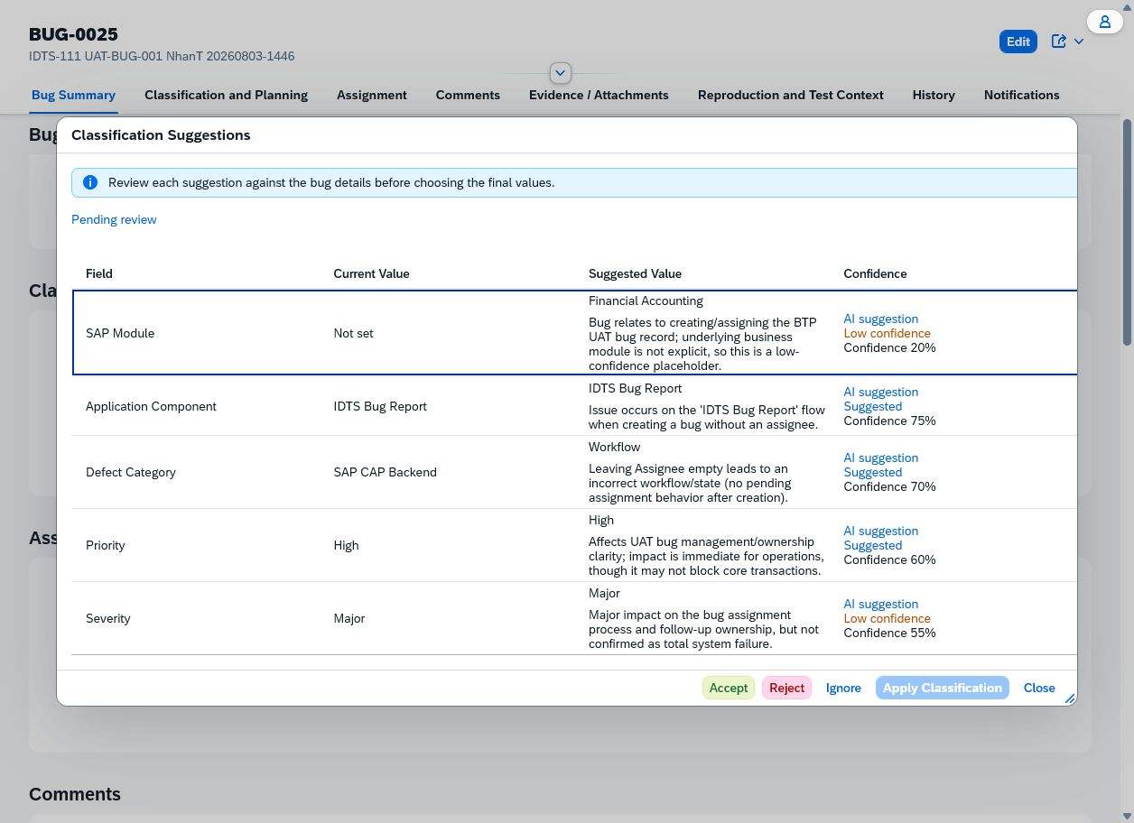

Case: UAT-AI-005 | DOES_NOT_MEET_EXPECTED_RESULT — Current-runtime rerun on BUG-0025 loaded grounded suggestion values and NhanT accepted them. Apply Classification again returned the safe error 'Classification could not be applied. Review the suggestion and try again.' Reload preserved Pending Assignment, Project Manager ownership, title, and original classification with no partial mutation. Safety/non-partial-mutation passed, but the accepted valid-looking suggestion could not be applied; DonHV must determine backend validation/root cause before approved FAIL/Jira disposition. The Browser surface does not expose the immutable suggestion ID or sanitized HTTP Network response; DonHV's diagnostic closure requirement remains unmet.

 | REVIEW BLOCKED — Pending suggestion before Accept. — SHA-256 880028CC988F479021A87E152C72A811A78C4780296CFE95F4AF64D1FBF14F7A
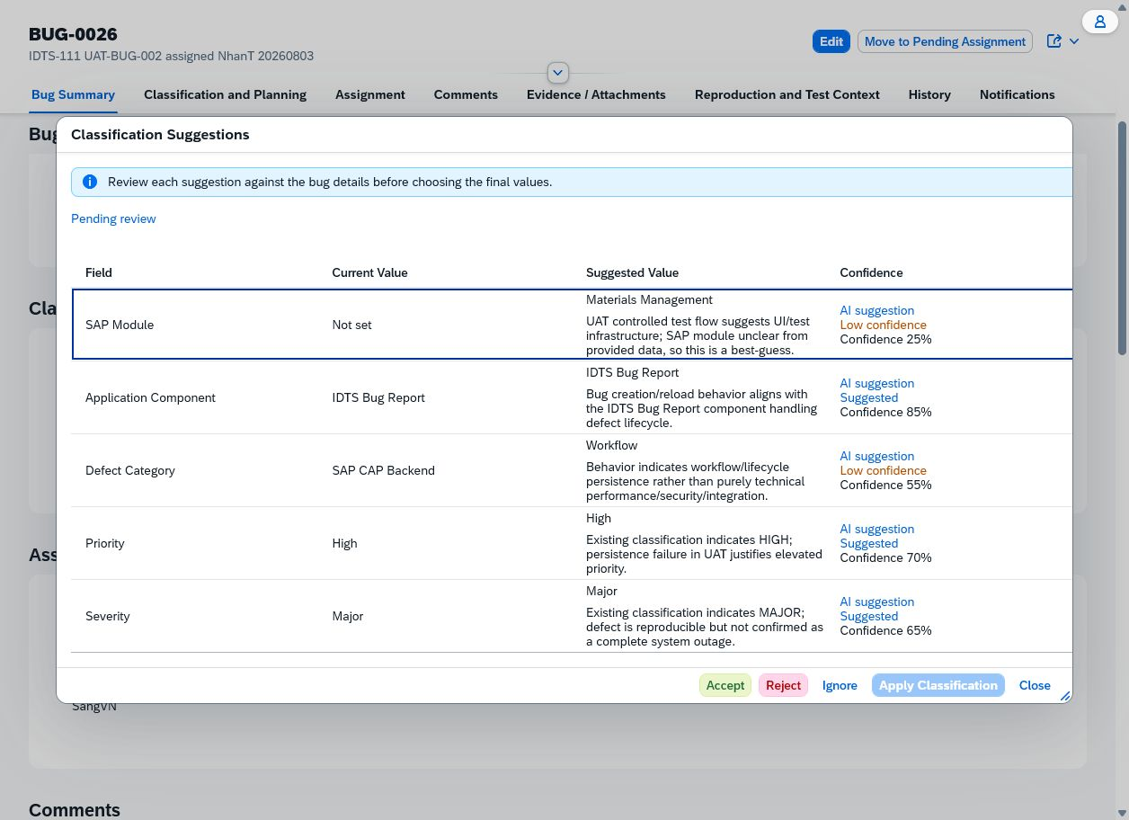

 | REVIEW BLOCKED — Safe Apply Classification failure after confirmation. — SHA-256 BC1F819B91B878F9A4A65F4E53876EF7D1BF32DF2D2B7EE7E6646DFEF478A82C
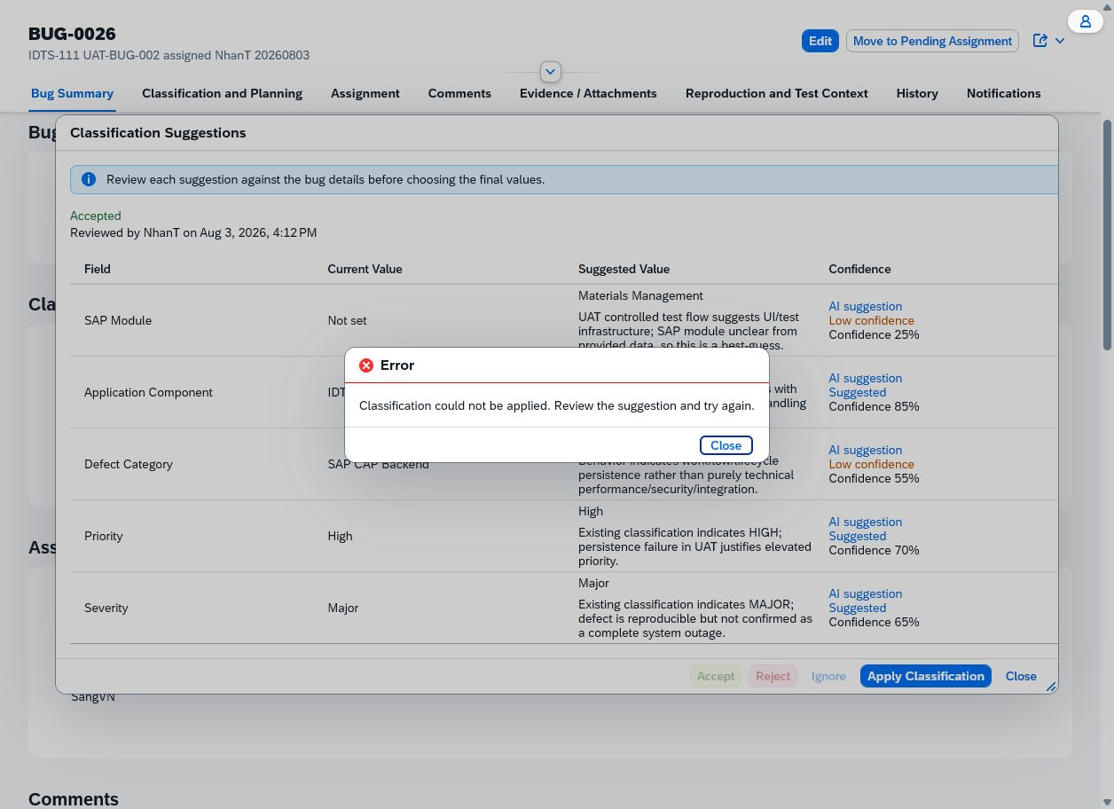

 | REVIEW BLOCKED — Reloaded BUG-0026 with original classification and workflow intact. — SHA-256 163EC50B801F234CC3C88949B56C87D745DD2FCEA7A0C9B149CF98F63AF08005
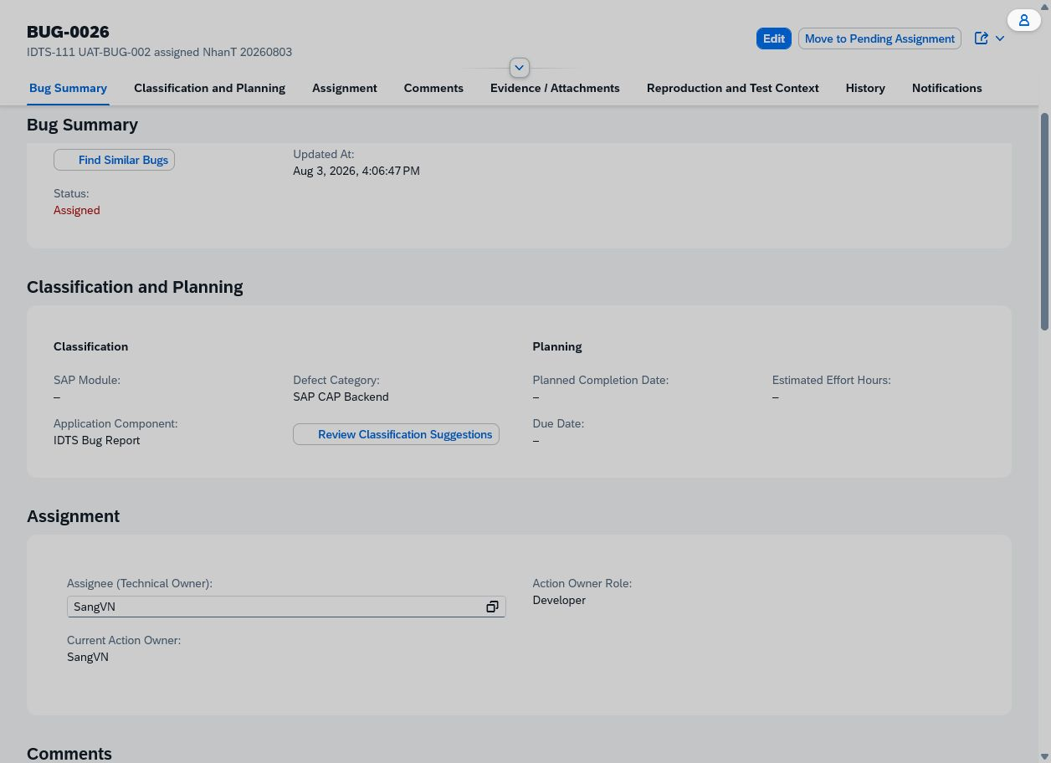

 | REVIEW BLOCKED — Current grounded suggestion values before acceptance. — SHA-256 0B0AB4E216CB11550BFC3E6922AD956F0A3CD944E16F432723827993FC624792
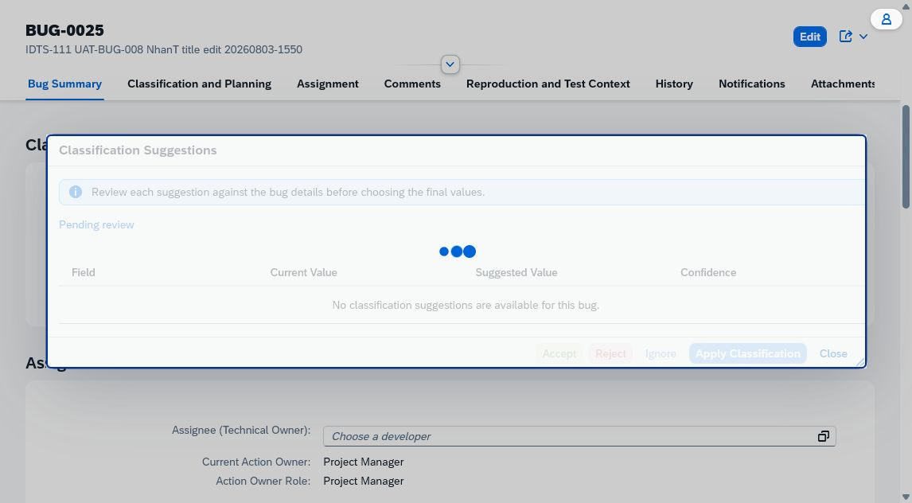

 | REVIEW BLOCKED — Current safe Apply Classification failure. — SHA-256 EDD0CB74DBBF8F33CC2E5CB6F7A86769C10EED43ABF06EAEE92650B9FDBD440D
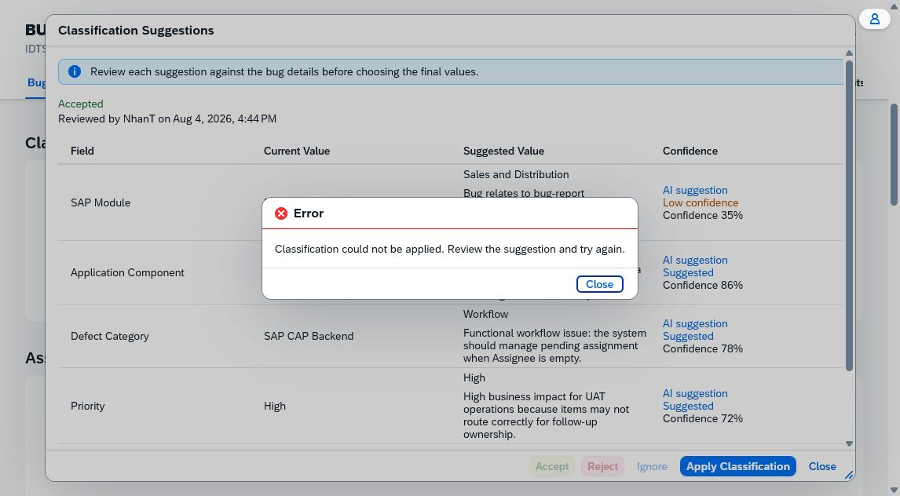

 | REVIEW BLOCKED — Current reload proof of no partial mutation. — SHA-256 C5658BF54629752C0215FCCFFA451081D85CE7410DB4AD12015E0E96D2FF9EBD


Case: UAT-AI-006 | PREPARED — No valid case-specific image evidence

 | No valid case-specific image evidence

Case: UAT-AI-007 | RERUN_REQUIRED_CURRENT_RUNTIME — BUG-0026 has history, but UAT-COM-001 prevents creating the required controlled comment. Using unrelated comments would weaken grounding/privacy control. Restore comment posting, add controlled comments and lifecycle events, then compare the Handoff Summary. BUG-0026 has history, but UAT-COM-001 prevents creating the required controlled comment. Using unrelated comments would weaken grounding/privacy control. No valid case-specific image evidence

 | No valid case-specific image evidence

Case: UAT-AI-008 | DOES_NOT_MEET_EXPECTED_RESULT — The Handoff Summary explicitly stated that no comments were recorded and showed the single CREATE history event. However, its verified Current Action Owner and risk text named DonHV while the Bug Object Page displayed Project Manager as Current Action Owner and Action Owner Role. This visible source mismatch does not meet the grounding expectation. This is a candidate failure finding, not an approved FAIL. DonHV must confirm the source-field interpretation and decide whether to record a product defect or catalog FAIL. No Accept, Reject, or Ignore review action was selected; the dialog was inspected read-only for this case. DonHV must verify whether the underlying stored owner ID is intended to resolve to a person while the Object Page intentionally shows only the role.

 | REVIEW BLOCKED — Handoff Summary for sparse BUG-0025 showing no comments, one CREATE event, and DonHV as Current Action Owner, conflicting with the Object Page's Project Manager owner display. — SHA-256 640CFCB414B0ABC2E8E18E2199E945736E5BCF0B9D393AAAD98B673AC9AE6316
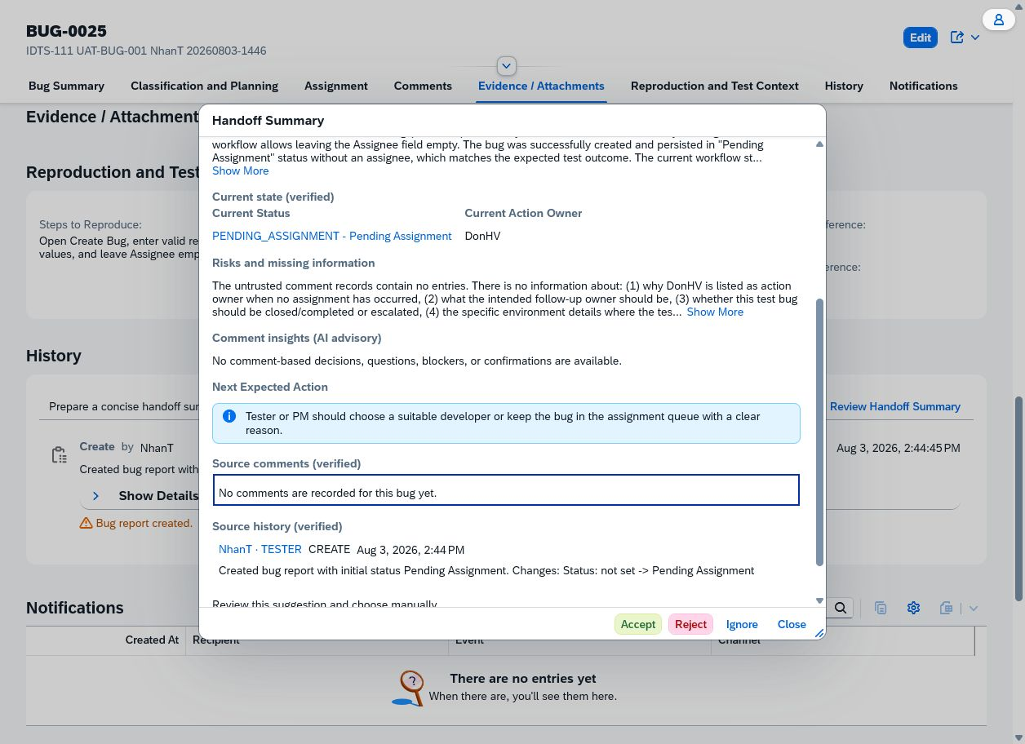

Case: UAT-AI-009 | DOES_NOT_MEET_EXPECTED_RESULT — Opening Smart Assign on the valid assigned BUG-0026 returned a visible raw-like `Communication error: 401 error` instead of candidate explanations, so Cancel could not be exercised. After closing and refreshing, BUG-0026 remained Assigned to SangVN with unchanged classification. The protected Object Page remained authenticated after refresh, so this is scoped to the Smart Assign request rather than evidence of an expired application session. DonHV must classify provider/service authorization root cause. No network trace or provider credential access was used; root cause is not assigned.

 | REVIEW BLOCKED — Smart Assign opening failed with a visible 401 communication error. — SHA-256 48DC47B11A9E49267AFB6B7C03E2B02EB76BDD6000A46FC9661E18162C0CF75C
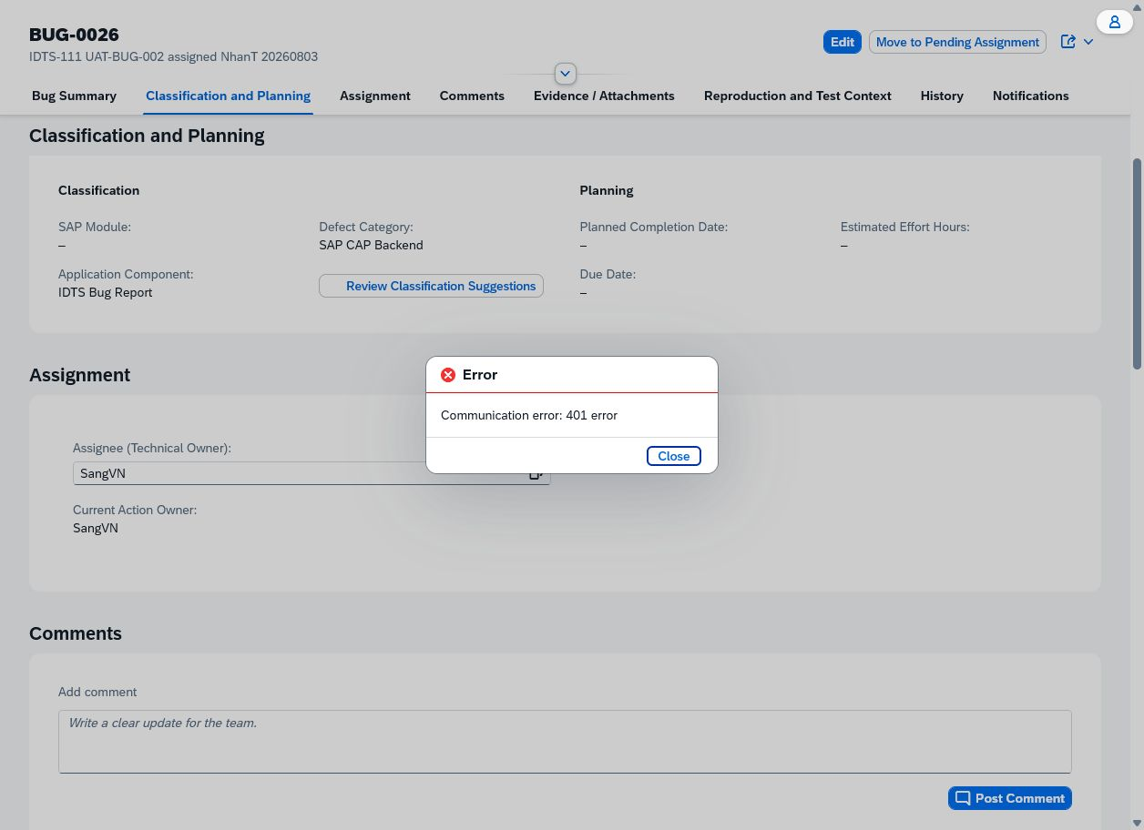

Case: UAT-AI-010 | DOES_NOT_MEET_EXPECTED_RESULT — The dialog displayed Rejected and disabled all decision buttons immediately. After browser refresh and reopening, it displayed Pending review again and re-enabled Accept, Reject, and Ignore, so the decision was not durably presented and could be applied again. DonHV must review whether a new suggestion was incorrectly regenerated or the prior review state was lost before approving FAIL/Jira disposition. The UI does not expose an immutable suggestion ID, so DonHV should confirm whether reopening regenerated a new suggestion versus lost the prior suggestion state; either behavior violates this case's same-decision persistence expectation.

 | REVIEW BLOCKED — Rejected state with decision buttons disabled before reload. — SHA-256 9841EBEDCE40455533467AF64733DCD52D048B8798F953623C8FD21232B3FE0B
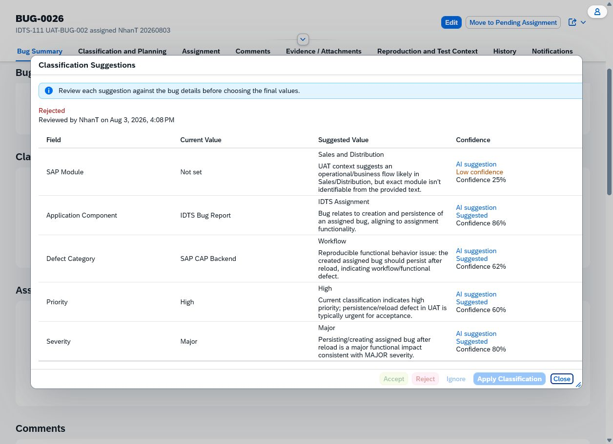

 | REVIEW BLOCKED — Pending review returned after reload with decisions enabled. — SHA-256 183579C90C6DBC0475446DE5D7BEB22D3682F08282E38FE9BF2811EB5783127D
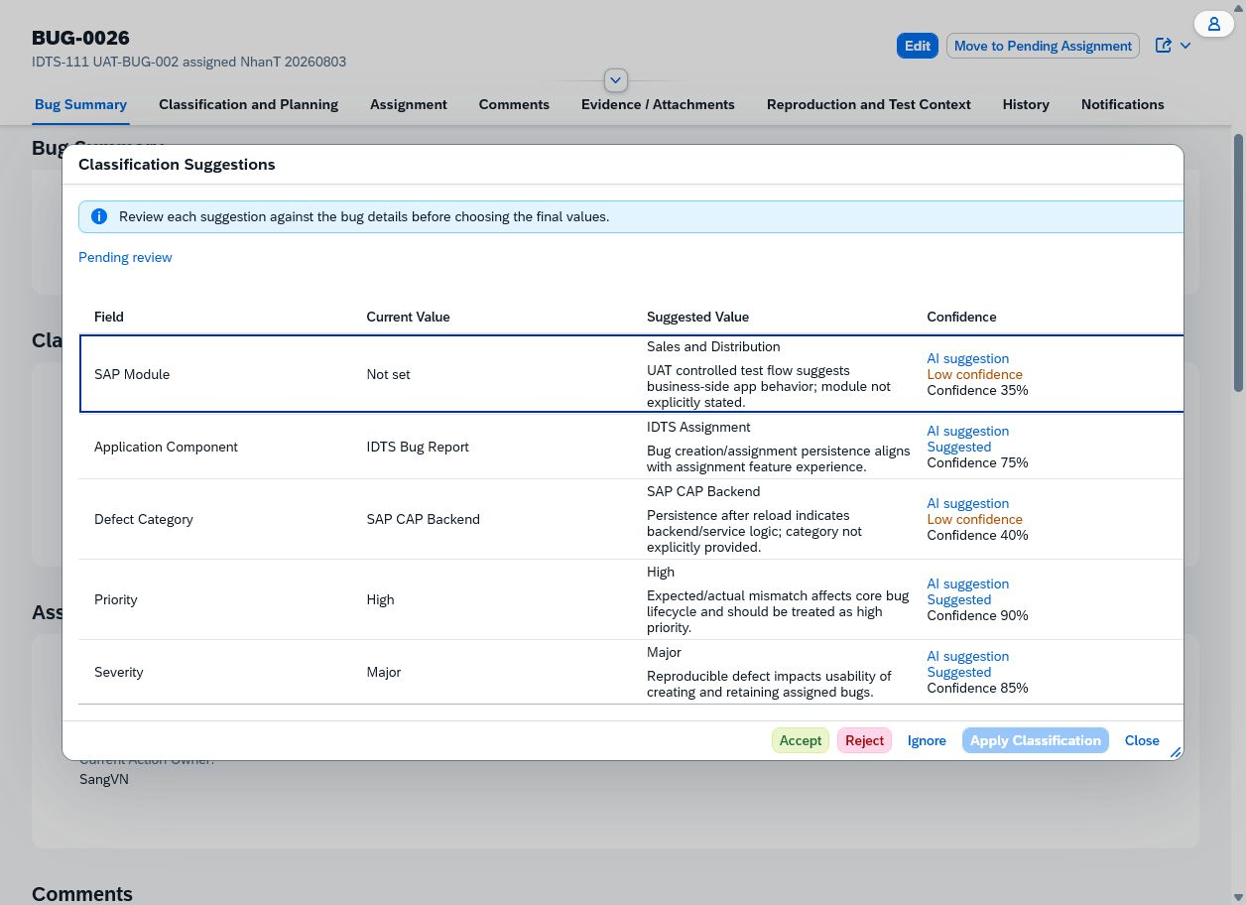

Case: UAT-AI-011 | BLOCKED — No provider throttle/cooldown control, safe test tenant toggle, or observable rate-limit fixture was supplied. Repeated calls were intentionally avoided. Use an approved rate-limit fixture/cooldown control and execute one advisory call. No provider throttle/cooldown control, safe test tenant toggle, or observable rate-limit fixture was supplied. Repeated calls were intentionally avoided. No valid case-specific image evidence

 | No valid case-specific image evidence

Case: UAT-AI-012 | BLOCKED — No dedicated prompt-injection Bug was prepared. Current AI flows also show authorization/apply/review-state failures, which would confound a safety conclusion. Create a disposable Bug with inert instruction-like text and rerun each advisory flow after AI services are healthy. No dedicated prompt-injection Bug was prepared. Current AI flows also show authorization/apply/review-state failures, which would confound a safety conclusion. No valid case-specific image evidence

 | No valid case-specific image evidence

Case: UAT-AI-013 | PREPARED — No valid case-specific image evidence

 | No valid case-specific image evidence

Case: UAT-ROLE-001 | PREPARED — No valid case-specific image evidence

 | No valid case-specific image evidence

Case: UAT-ROLE-002 | PREPARED — No valid case-specific image evidence

 | No valid case-specific image evidence

Case: UAT-BUG-010 | PREPARED — No valid case-specific image evidence

 | No valid case-specific image evidence

Case: UAT-BUG-011 | PREPARED — No valid case-specific image evidence

 | No valid case-specific image evidence

Case: UAT-ASG-009 | PREPARED — No valid case-specific image evidence

 | No valid case-specific image evidence

Case: UAT-LIFE-014 | DOES_NOT_MEET_EXPECTED_RESULT — Submitting Close Bug with Developer Note left empty closed BUG-0011 immediately. The dialog disappeared and the Object Page displayed status Closed. DonHV must review the missing required-reason enforcement before approving FAIL or creating/updating a Jira defect. The pre-action screenshot remains Browser-temporary only and is not included because the post-action image plus manifest records the controlled starting status from the fresh DOM snapshot.

 | REVIEW BLOCKED — BUG-0011 displayed as Closed immediately after submitting the Close Bug dialog with an empty Developer Note. — SHA-256 B60CBCC0201471AFE0DA0055C88CAFE06DA89D4FF0D7DC35DD6CEFF085CC3FE8
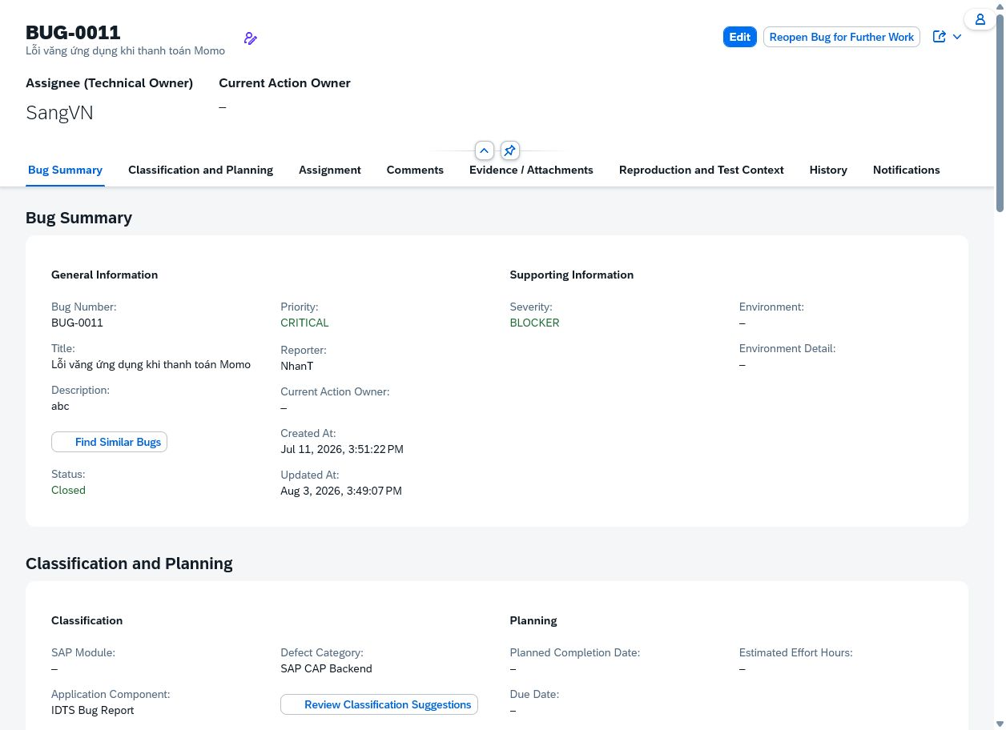

Case: UAT-LIFE-015 | BLOCKED — The current inventory did not provide a NhanT-owned Rejected record with the documented correction/follow-up action. Prepare a disposable Rejected Bug through the approved chain and execute as the intended processor. The current inventory did not provide a NhanT-owned Rejected record with the documented correction/follow-up action. No valid case-specific image evidence

 | No valid case-specific image evidence

Case: UAT-ATT-007 | PREPARED — No valid case-specific image evidence

 | No valid case-specific image evidence

Case: UAT-AUD-003 | BLOCKED — The inspected controlled Bugs do not expose a Show More control or enough events beyond the initial limit. Creating many lifecycle events is blocked by missing authorized actors/status chain. Prepare a disposable Bug with more than the display limit of exact events, then compare ordering/count. The inspected controlled Bugs do not expose a Show More control or enough events beyond the initial limit. Creating many lifecycle events is blocked by missing authorized actors/status chain. No valid case-specific image evidence

 | No valid case-specific image evidence

Case: UAT-AI-014 | DOES_NOT_MEET_EXPECTED_RESULT — Business fields and workflow remained unchanged, and the dialog displayed Rejected immediately. After refresh it returned to Pending review with Reject enabled again, so REJECTED did not persist once. Business non-mutation passed; review-state durability failed and requires DonHV/Jira disposition. Duplicate-link/history/notification non-mutation was observed through unchanged Object Page state; no direct database access was used.

 | REVIEW BLOCKED — Pending suggestion before Reject. — SHA-256 FCEF45BAF10A3A94992A44653F3AB6F1D4C63C0217E7E89998458BA35598845D
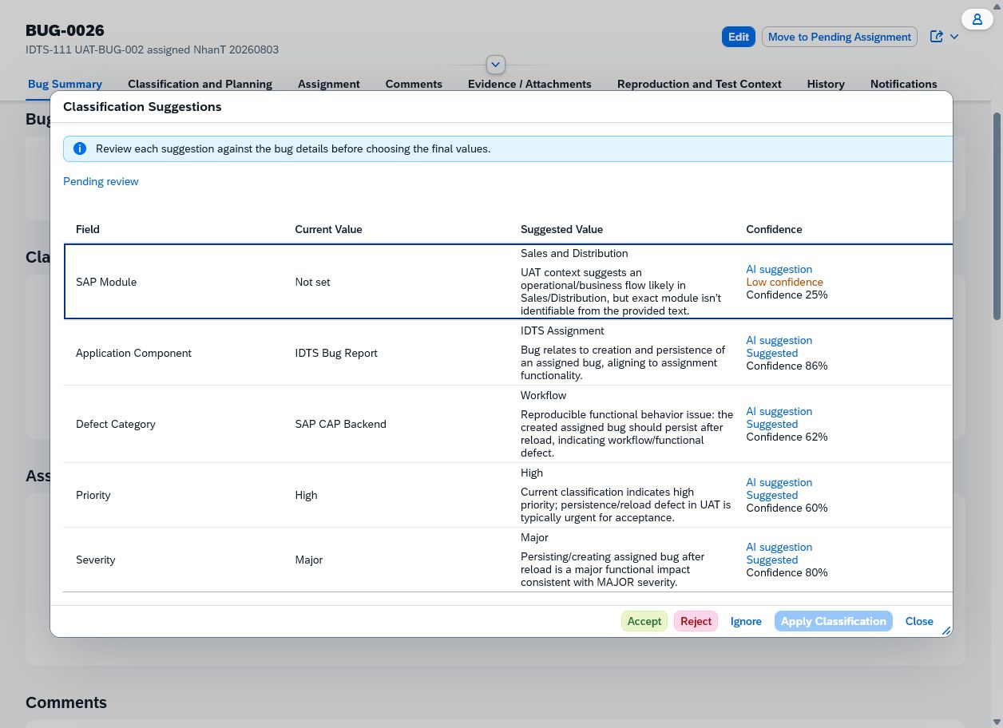

 | REVIEW BLOCKED — Immediate Rejected state with decision buttons disabled. — SHA-256 9841EBEDCE40455533467AF64733DCD52D048B8798F953623C8FD21232B3FE0B

 | REVIEW BLOCKED — Pending review returned after reload. — SHA-256 183579C90C6DBC0475446DE5D7BEB22D3682F08282E38FE9BF2811EB5783127D

Case: UAT-AI-015 | DOES_NOT_MEET_EXPECTED_RESULT — The dialog displayed Ignored and disabled all decisions immediately. After browser refresh and reopening, it returned to Pending review with Ignore enabled again. Business fields and workflow remained unchanged. Business non-mutation passed; review-state durability failed and requires DonHV/Jira disposition. The UI exposes no immutable suggestion ID; DonHV must confirm regeneration versus lost review state.

 | REVIEW BLOCKED — Pending suggestion before Ignore. — SHA-256 CBDEDDD2A0E403C0445CA6DD2866743AE5396FFBF6E305BE0C9ED8009554F363


 | REVIEW BLOCKED — Immediate Ignored state with decisions disabled. — SHA-256 28801E023B550E792CA0FBA053BD0C15ACD8B299B74E38A5B1D3F456BFE31475


 | REVIEW BLOCKED — Pending review returned after reload with Ignore enabled. — SHA-256 E645C6E3EB05E70695EE4538F88308BD62993F00FB52448008A5D4FD47E8AD76


Case: UAT-AI-016 | BLOCKED — UAT-AI-005 could not apply an accepted suggestion, and UAT-AI-010/014/015 show review state resets after reload. A stable accepted suggestion cannot currently be prepared for a stale-source test. Fix review durability/apply path, then prepare a disposable accepted suggestion and mutate source classification once before Apply. UAT-AI-005 could not apply an accepted suggestion, and UAT-AI-010/014/015 show review state resets after reload. A stable accepted suggestion cannot currently be prepared for a stale-source test. No valid case-specific image evidence

 | No valid case-specific image evidence

Case: UAT-UX-001 | MEETS_EXPECTED_RESULT — At the normal desktop viewport, the List Report filters, tabs, Create Bug action, table row actions, Object Page header, sections, field labels, and primary actions were readable and reachable. The table uses its own horizontal scroll area for additional columns without causing page-level clipping. DonHV must review the screenshots before any PASS or catalog update. The List Report table intentionally provides an internal horizontal scrollbar for off-screen columns; no page-level horizontal overflow was observed.

 | Desktop List Report at 100 percent zoom. — SHA-256 AEAE787F2605D0A16268B8761A9DACD4D013E77E5212EFFEF6C35D942AF4DDB4


 | Desktop BUG-0025 Object Page at 100 percent zoom. — SHA-256 BF42E7E3D46769E9259D85375AA774B6E6474DC90DF61BC6D734592AF414025F

Case: UAT-UX-002 | DOES_NOT_MEET_EXPECTED_RESULT — Current-runtime partial recheck at 834 x 1112 measured the Review Classification Suggestions button at 246 px client/scroll width fully inside the 834 px viewport, so the former action-label clipping was not reproduced. Similar Bugs opened with reachable footer actions but returned no candidates, so reason-text wrapping could not be revalidated; full-case PASS is not claimed. One former symptom is resolved; candidate-row wrapping remains unexecuted because the controlled bug returned no similar candidates. DonHV must decide whether IDTS-120 needs another fixture-specific recheck. Screenshot capture timed out on the current object page, so the current recheck retains measured DOM geometry and accessible action availability rather than a new PNG.

 | REVIEW BLOCKED — Tablet List Report with responsive filters, tabs, and row actions. — SHA-256 40F7232F8495431B8A129AC716625704EED524D08E2259F1C10E1CC4D4A3F959


 | REVIEW BLOCKED — Tablet Object Page showing the clipped Review Classification Suggestions label. — SHA-256 2226EA2C8718FE29F36FE0E2E40AD3F2356CCA5C05609333ECF8DC3D2C5371F6


 | REVIEW BLOCKED — Tablet Similar Bugs dialog with reachable actions but horizontally clipped reason text. — SHA-256 1E8163566E0E2FA1E5E16281CD3B24783D427733FCAB7DB2EC48C270973EFAF8


Case: UAT-UX-003 | DOES_NOT_MEET_EXPECTED_RESULT — Keyboard Enter opened Similar Bugs and Escape closed it; focus visibly returned to Find Similar Bugs. However, eight Tab key attempts from the focused trigger and one direct locator Tab press did not advance focus to the next control, so logical sequential navigation through classification, assignment, and comment could not be demonstrated. This is a candidate keyboard-navigation failure with a Browser translation limitation noted. DonHV should reproduce manually before an approved FAIL/Jira decision. The approved Browser surface may translate Tab differently from a physical keyboard; DonHV manual confirmation is required before treating this as a confirmed accessibility defect.

 | REVIEW BLOCKED — Visible focus returned to Find Similar Bugs after keyboard-opened dialog was closed with Escape. — SHA-256 4493FF9E511A68DEBF408285F96555F73C5AFDB0FE0D02AD1D83AF6479E984E9


Case: UAT-UX-004 | MEETS_EXPECTED_RESULT — The failed valid-comment request displayed only the actionable safe message 'The comment could not be posted. Please refresh and try again.' No SQL, stack trace, provider body, token, endpoint, or session detail appeared in the UI or comment-filtered console inspection. This UX recovery case can meet its sanitization expectation while UAT-COM-001 separately records the underlying business-action failure. DonHV must review both together. The Browser surface did not expose sanitized response status/body; the catalog allows a safe error screenshot as evidence.

 | Sanitized actionable SAP error for a real controlled backend request failure. — SHA-256 75BAC5242D660564AF0DC2991BCEDC987F3B0F2CB4160E5858374F37BDC0D526

Case: UAT-UX-005 | MEETS_EXPECTED_RESULT — After reload and reopening BUG-0025, the committed Bug remained Pending Assignment with Reporter NhanT, empty Assignee, Project Manager as current action owner, and one CREATE history event. No duplicate Bug or duplicate action was observed. DonHV must review this package before any PASS or catalog update.

 | Committed BUG-0025 state immediately after creation. — SHA-256 7190033D71F4C6619E166D5F5CFB1B1F38F5E6C0AD39989834D53B5233690345

 | Fresh reload/readback of the same committed BUG-0025 state. — SHA-256 BF42E7E3D46769E9259D85375AA774B6E6474DC90DF61BC6D734592AF414025F

