Evidence
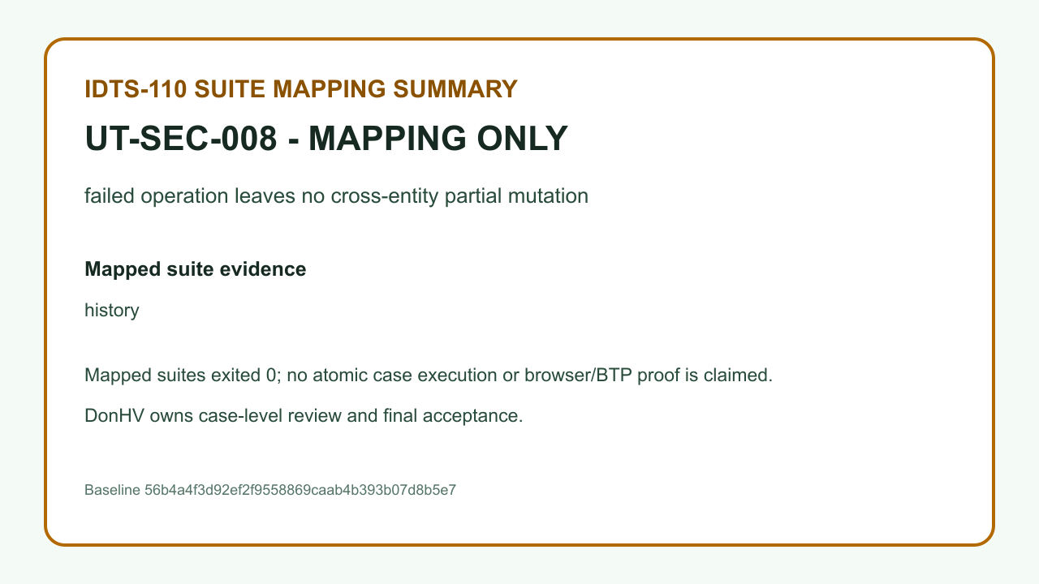
Case: UT-AUTH-001 | ACCEPTED_CANDIDATE — DonHV accepted the candidate assertion and its case-specific evidence for documentation integration; this does not update the approved workbook or make a final project acceptance claim.

 | result.png — SHA-256 BE3B331307C918660A75C4BF25783CEA2CE7F92623F1659655C69558938C7128
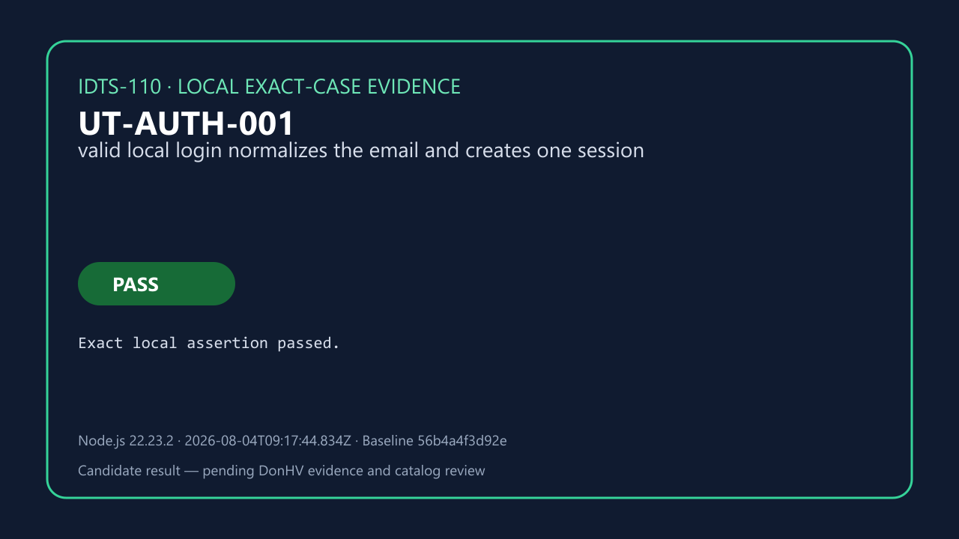

 | before-database.png — SHA-256 5CF7A4EDA29FAA4E45E89104C5FC0BFFF8EF3CADA18AB4D22A756685AC0EF08B
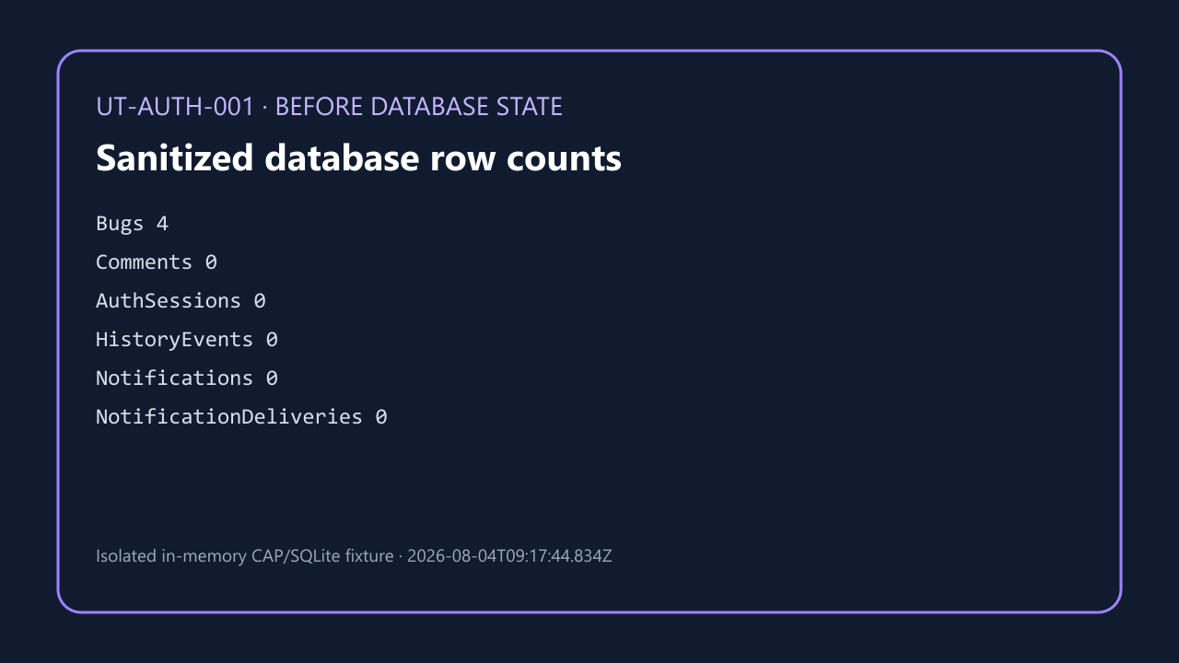

 | after-database.png — SHA-256 7B60B4412B2358A943841C594E9884BFAD3DF71DFF3EDA29C9E6D69224A53B0E
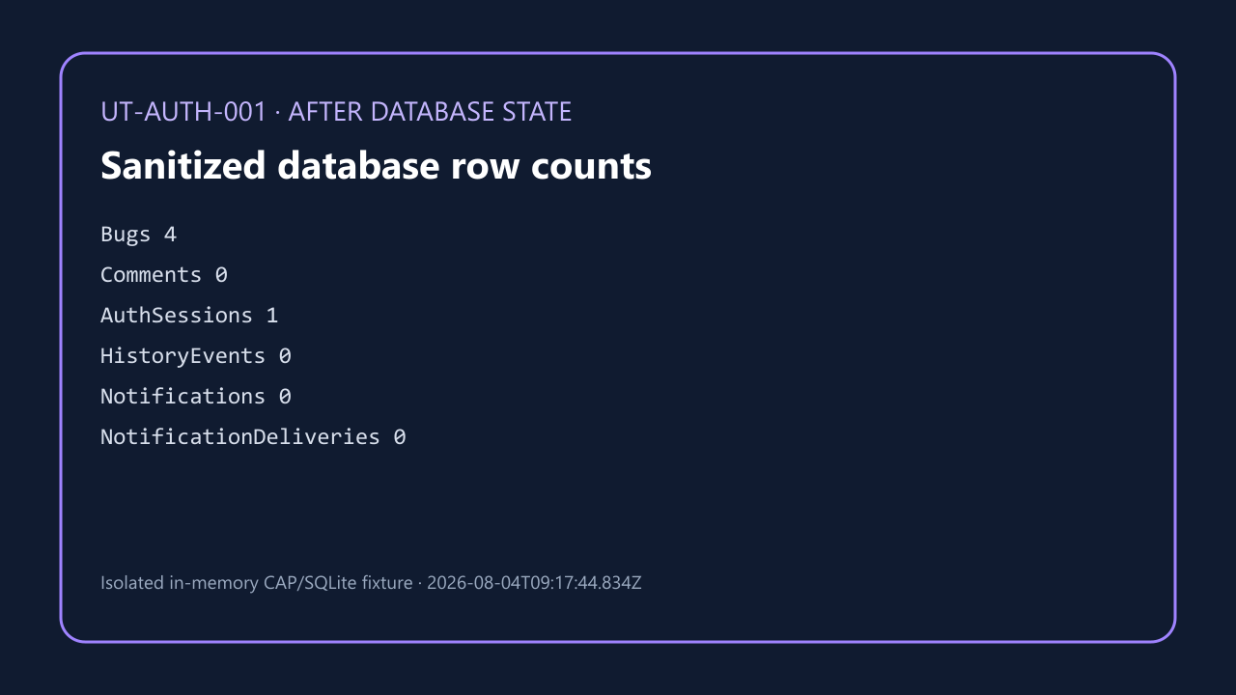

 | reload-readback.png — SHA-256 4A8D45D5F6A45B9827014EBDB21AFF0B08D69F93C2B5EFDF5D8F966CA25440D5


Case: UT-AUTH-002

 | result.png — SHA-256 30A30E37982BB556B348C61D6ABCCDEAC0190268DC80BFE905E16708CEF0E183
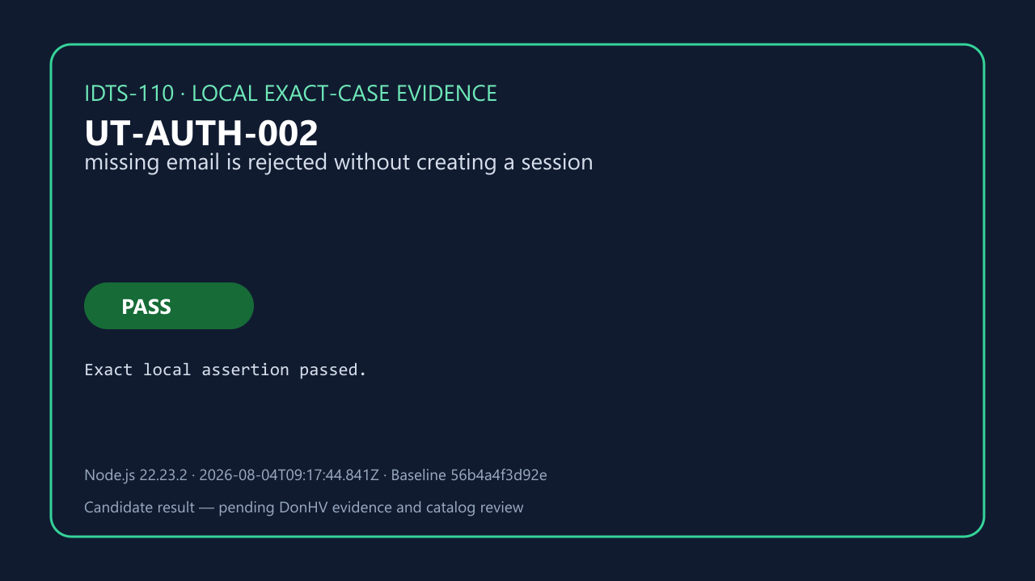

 | before-database.png — SHA-256 9EA9727D24A9259377717CE2D7C7478837989083A9A0629307DC6E59760F9E24
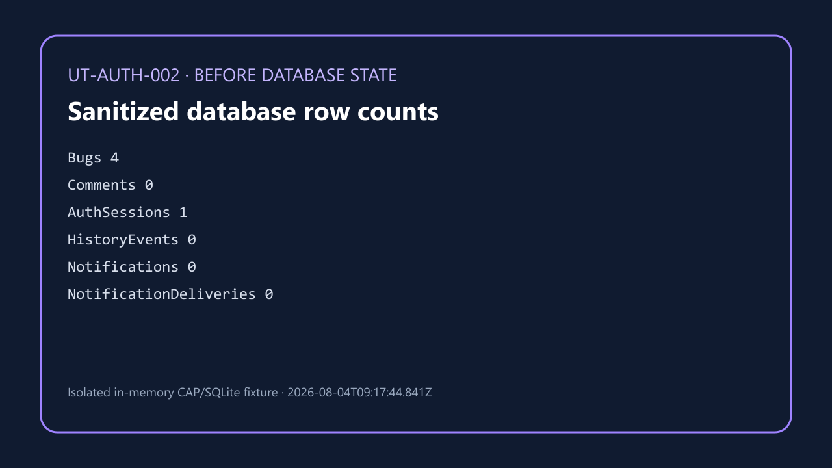



 | reload-readback.png — SHA-256 F0B8B354A80BA14198F82862729DBA24DD18F9466F2FC9723D07EFB20DBD0C0A


Case: UT-AUTH-003 | ACCEPTED_CANDIDATE — DonHV accepted the candidate assertion and its case-specific evidence for documentation integration; this does not update the approved workbook or make a final project acceptance claim.

 | result.png — SHA-256 BFCE97A55409AA948EBA72C30434231CDF031A9A782C73755757B454D0B2B973


 | before-database.png — SHA-256 EDCD488B84CF2FB9153C3D8B2879D41E4BF27334F4EDB4D37B6F95179FA0A509


 | after-database.png — SHA-256 647D3F06DC08A3E98E21A9F9AF5D94B531C3C08706D29EDE5098AD963985279C


 | reload-readback.png — SHA-256 81FA7C4737F712E0E8F4F28018378866A043596280C3FD44A3C9F6CD9A917CF0


Case: UT-AUTH-004 | ACCEPTED_CANDIDATE — DonHV accepted the candidate assertion and its case-specific evidence for documentation integration; this does not update the approved workbook or make a final project acceptance claim.

 | result.png — SHA-256 2B07B06D5D9EF06A2A608220AFC0ACB568DB9155B1F7C24550683F5B689EA926


 | before-database.png — SHA-256 2AA4CF1A2F9F12933D3B94D95FB36C276A96F6A897219C18CE9F61677549BAD3


 | after-database.png — SHA-256 1668D412A98ED37AC604E139CB86261AF1D54EE10A99AD998D51643A5C7A11BC


 | reload-readback.png — SHA-256 0B49B6BC0A60F898A57547C0F608F80DADF16CC1A2E929349926F24E1CD0CE39


Case: UT-AUTH-005 | ACCEPTED_CANDIDATE — DonHV accepted the candidate assertion and its case-specific evidence for documentation integration; this does not update the approved workbook or make a final project acceptance claim.

 | result.png — SHA-256 D961BE5D1E1F4DA20EE18F0110BBA6F1FB99DFD179D7FB07A755D4A2C2F32C9A
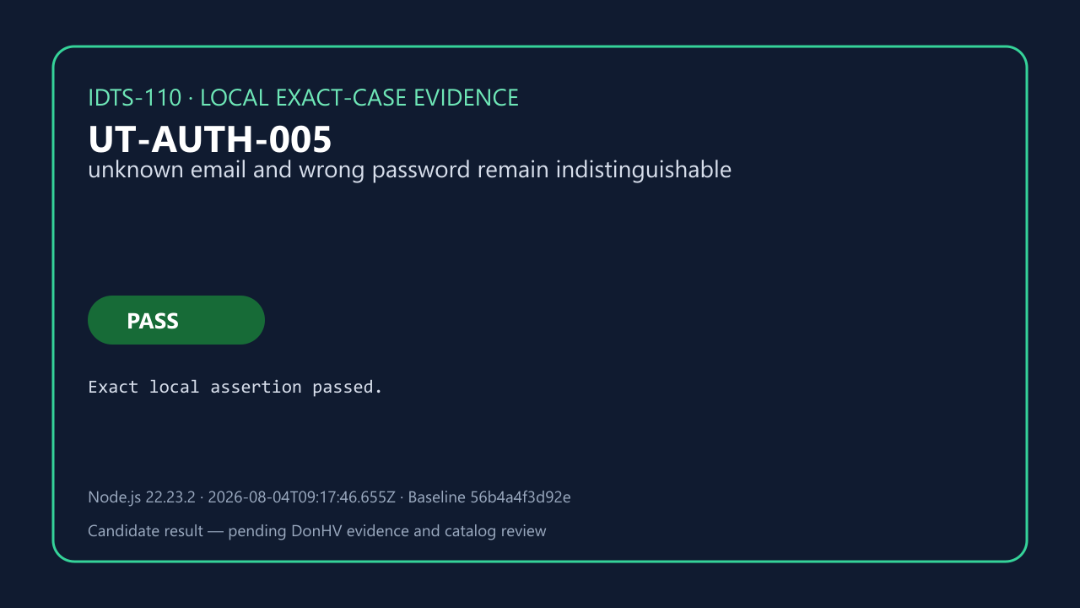

Case: UT-AUTH-006 | ACCEPTED_CANDIDATE — DonHV accepted the candidate assertion and its case-specific evidence for documentation integration; this does not update the approved workbook or make a final project acceptance claim.

 | result.png — SHA-256 1FE26B43CCF62F1B2743035E82C6E3E85E351F31126B3264C3D4DF0322114B9F


 | before-database.png — SHA-256 902116183751E0E7DF523311046F67177649B875D6E6002FAE3D3578066AF66C


 | after-database.png — SHA-256 39809FAAE9A1BC72F91C12CFEF4A3D28BC9087114F6C153D219ADB9DBE4C37F5


 | reload-readback.png — SHA-256 D2735CEB17725D279581B2B68D4D7A3CDABC4AD1F8788BD3922EF4BB65B81BAE


Case: UT-AUTH-007 | MAPPING_ONLY_NOT_PASS — The record proves suite-to-case traceability only. It is not an atomic execution, browser proof, BTP proof, or PASS result.

 | REVIEW BLOCKED — result.png — SHA-256 7C5A967F56E6EA73363173868E4DF231E7B529A9E6ECCDB915BAFF900E6C2087


Case: UT-AUTH-008 | MAPPING_ONLY_NOT_PASS — The record proves suite-to-case traceability only. It is not an atomic execution, browser proof, BTP proof, or PASS result.

 | REVIEW BLOCKED — result.png — SHA-256 41025F8DD2BAD935D56398CE2D3A164550449602ED96EE67EBC2DC3BC7A4B7F8
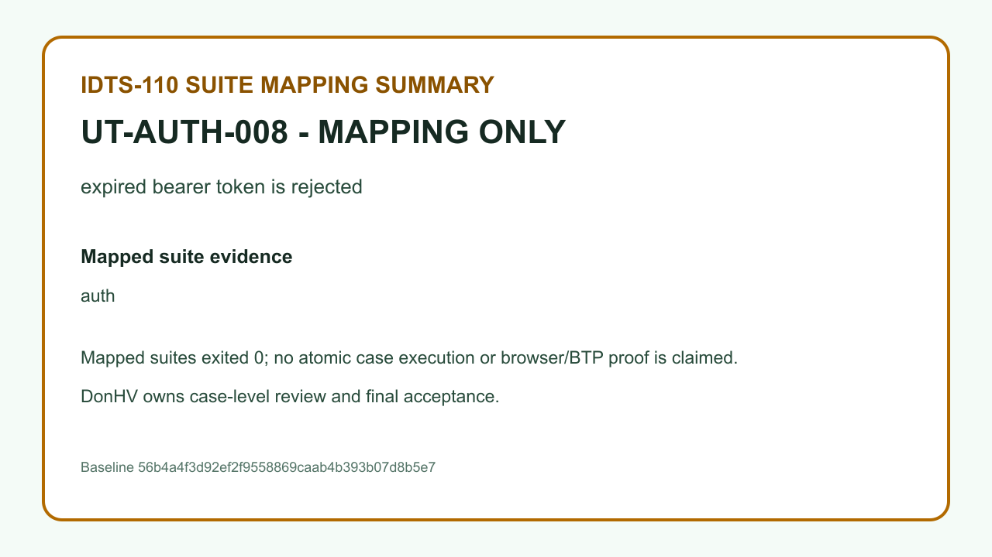

Case: UT-AUTH-009 | MAPPING_ONLY_NOT_PASS — The record proves suite-to-case traceability only. It is not an atomic execution, browser proof, BTP proof, or PASS result.

 | REVIEW BLOCKED — result.png — SHA-256 3218A5D59FF33240DD6BF8ED98FF40F8802B6DD5128C739A084A1163E9E432C7
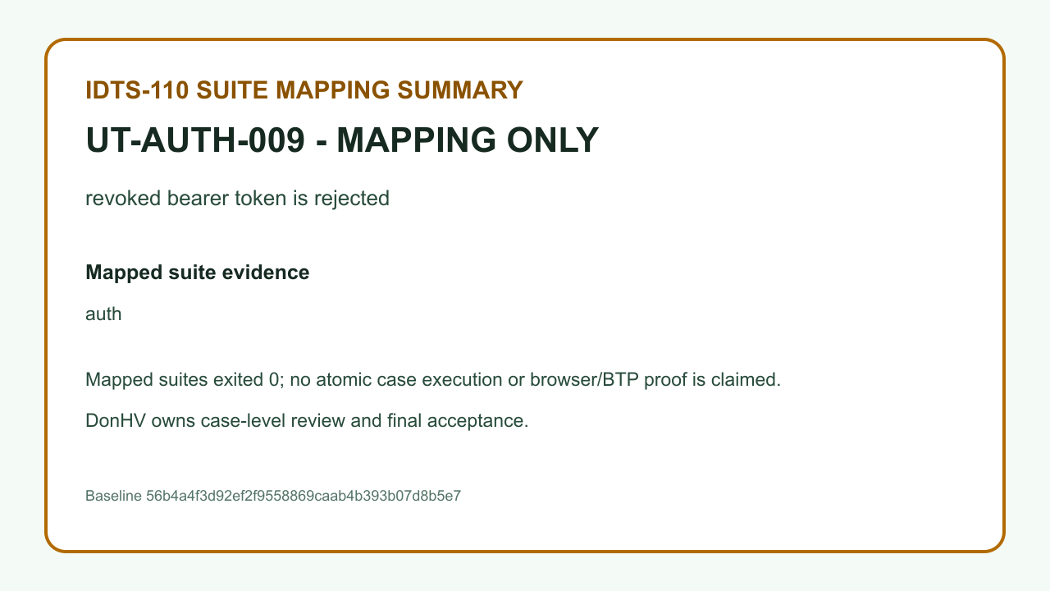

Case: UT-AUTH-010 | MAPPING_ONLY_NOT_PASS — The record proves suite-to-case traceability only. It is not an atomic execution, browser proof, BTP proof, or PASS result.

 | REVIEW BLOCKED — result.png — SHA-256 3DAFC733D9AC6999E27424565699E1FB2707D115E30039926C13617D9541DB49
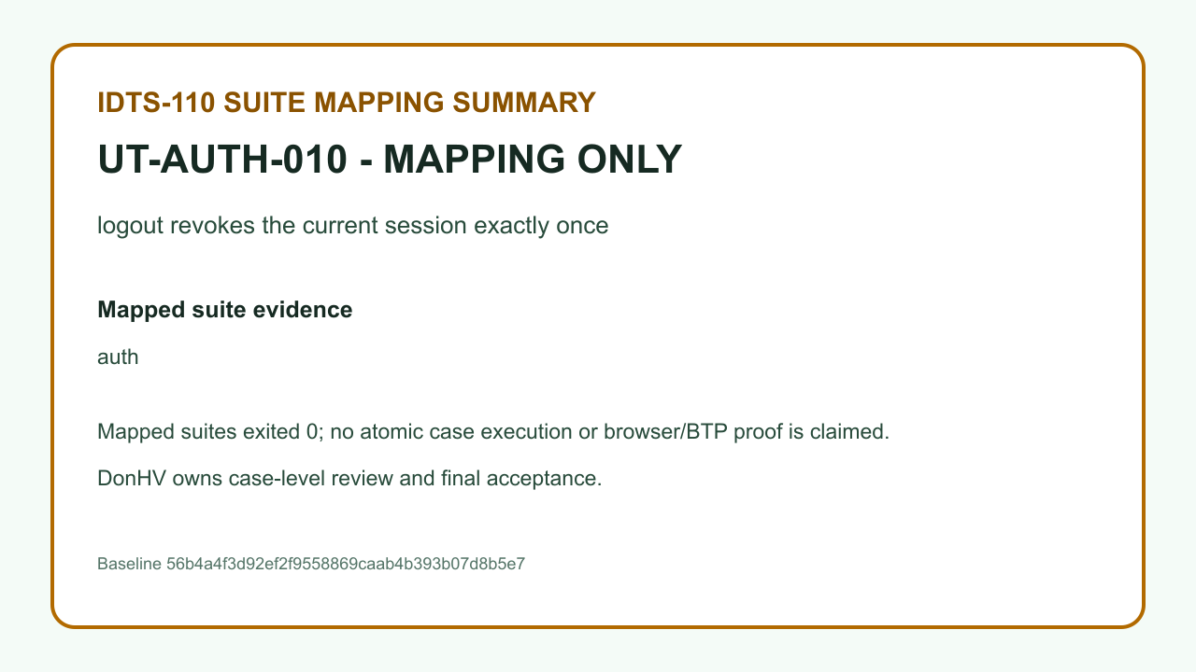

Case: UT-AUTH-011 | BLOCKED_PENDING_MEMBER_EVIDENCE — The assertion still requires member-owned SAP BTP/HANA/XSUAA/external-service evidence and remains blocked.

 | REVIEW BLOCKED — result.png — SHA-256 7097A8F2456E8DB4D3BA379D0498175D1E5B881B8245F42CD5903E950CBDED05
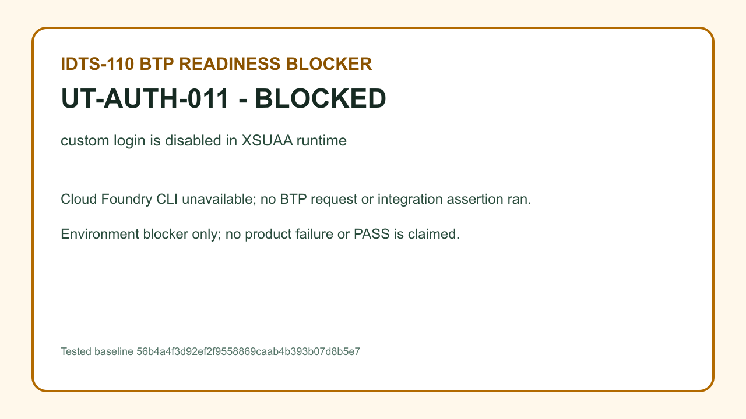

Case: UT-AUTH-012 | BLOCKED_PENDING_MEMBER_EVIDENCE — The assertion still requires member-owned SAP BTP/HANA/XSUAA/external-service evidence and remains blocked.

 | REVIEW BLOCKED — result.png — SHA-256 0EFC83A0CF5D76DC3DC55EC17BC47F4430FB5EC4BA279AD82D9AB5762168D511
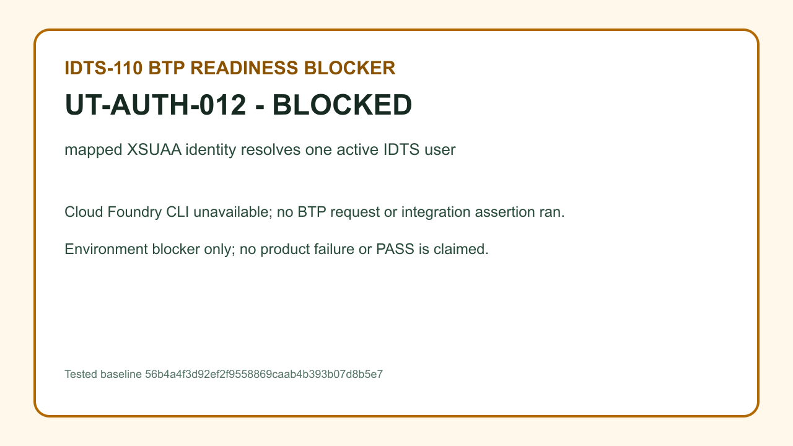

Case: UT-AUTH-013 | BLOCKED_PENDING_MEMBER_EVIDENCE — The assertion still requires member-owned SAP BTP/HANA/XSUAA/external-service evidence and remains blocked.

 | REVIEW BLOCKED — result.png — SHA-256 794B999188A51AD90A7EB3D266FDF14BF60498D6C3A854A7D300678B85E2FBCA


Case: UT-AUTH-014 | BLOCKED_PENDING_MEMBER_EVIDENCE — The assertion still requires member-owned SAP BTP/HANA/XSUAA/external-service evidence and remains blocked.

 | REVIEW BLOCKED — result.png — SHA-256 087D886034349C6465960BBF65F02229B49F982B5DC8D79B39E6DBDAF3D05BCA


Case: UT-AUTH-015 | BLOCKED_PENDING_MEMBER_EVIDENCE — The assertion still requires member-owned SAP BTP/HANA/XSUAA/external-service evidence and remains blocked.

 | REVIEW BLOCKED — result.png — SHA-256 F03715C10A422ECDD493B92B99482A870052225005FB2509327FB981FE55B142
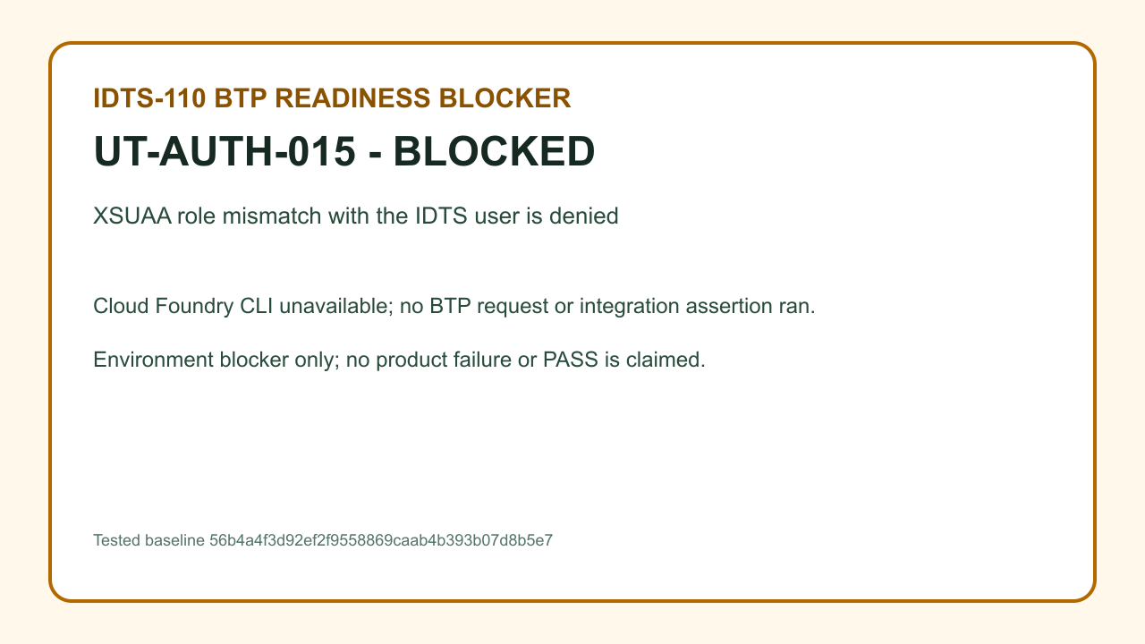

Case: UT-BUG-001 | MAPPING_ONLY_NOT_PASS — The record proves suite-to-case traceability only. It is not an atomic execution, browser proof, BTP proof, or PASS result.

 | REVIEW BLOCKED — result.png — SHA-256 CC95A8B90008FC46F65FBBABEA1D196E748905A1F66C54409CEB7BCFB68A3719


Case: UT-BUG-002 | MAPPING_ONLY_NOT_PASS — The record proves suite-to-case traceability only. It is not an atomic execution, browser proof, BTP proof, or PASS result.

 | REVIEW BLOCKED — result.png — SHA-256 A7DD5CE8FE628EA60E5287F8ABD04C365D26C6FF060C0F104881DA92C5AC17E3
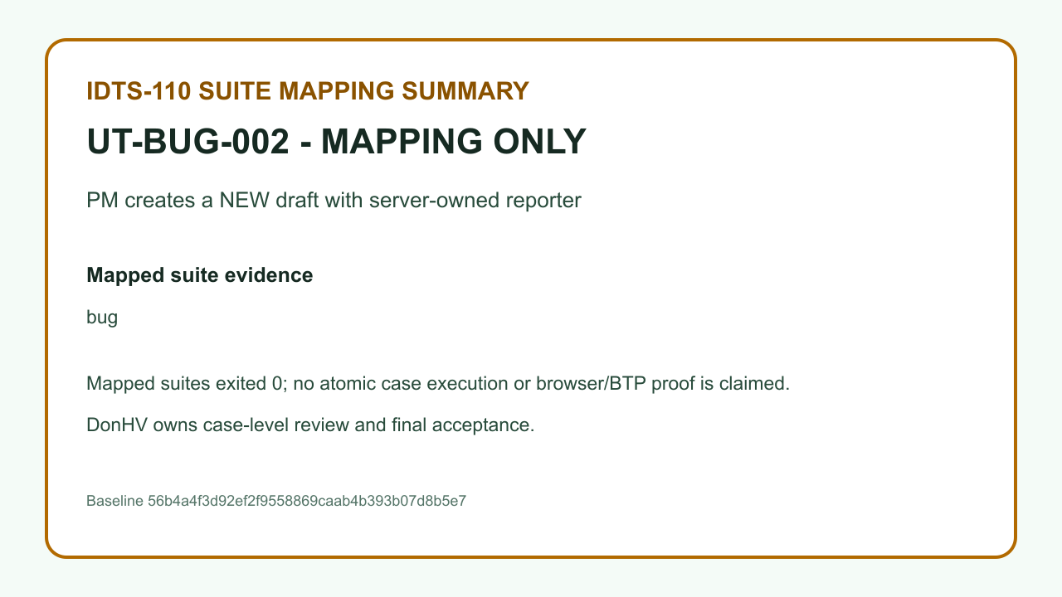

Case: UT-BUG-003 | MAPPING_ONLY_NOT_PASS — The record proves suite-to-case traceability only. It is not an atomic execution, browser proof, BTP proof, or PASS result.

 | REVIEW BLOCKED — result.png — SHA-256 FC72FC62947B94B36264906AC3F6258049A4BC86038FC3AE7E8CB4893466293E
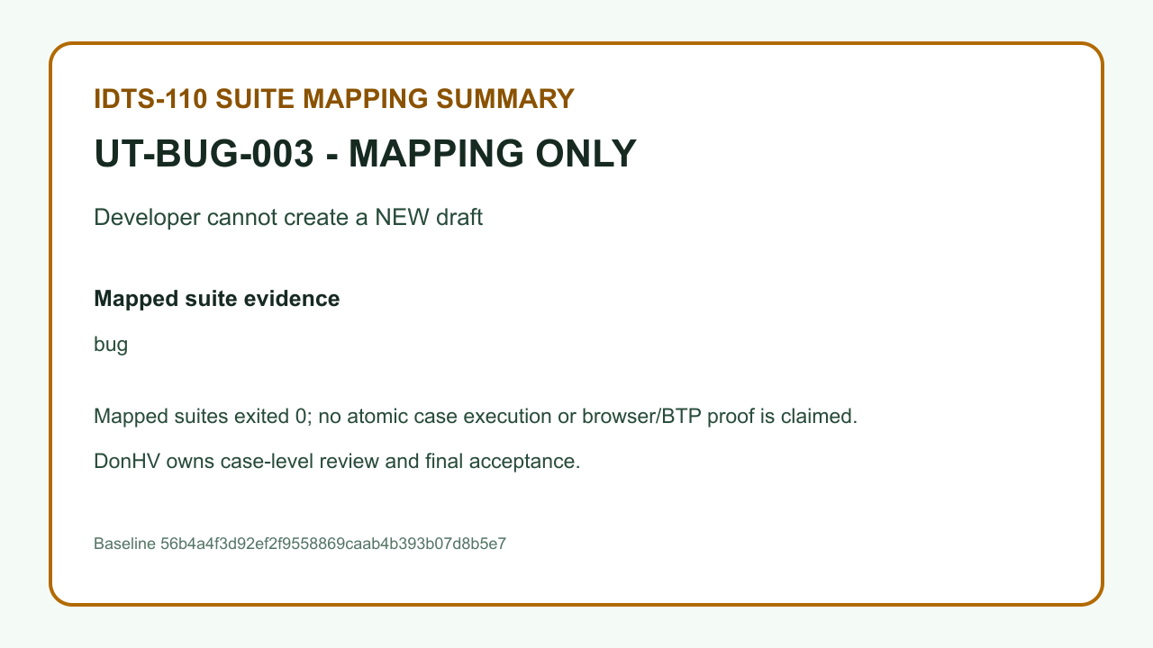

Case: UT-BUG-004 | MAPPING_ONLY_NOT_PASS — The record proves suite-to-case traceability only. It is not an atomic execution, browser proof, BTP proof, or PASS result.

 | REVIEW BLOCKED — result.png — SHA-256 ED04473771E4FB18C994BEECCCB773428E70B8C471F0DCE5A1811B4660399401
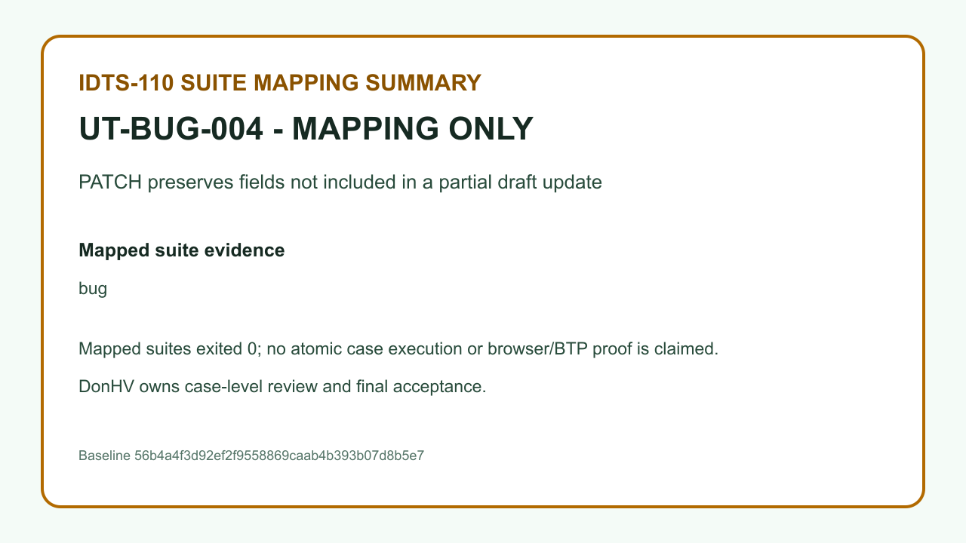

Case: UT-BUG-005 | MAPPING_ONLY_NOT_PASS — The record proves suite-to-case traceability only. It is not an atomic execution, browser proof, BTP proof, or PASS result.

 | REVIEW BLOCKED — result.png — SHA-256 0A81606873E9E08FA7D0B81B3CCC9CF505581EC3ADC9490D1CE6420699C687D1


Case: UT-BUG-006 | MAPPING_ONLY_NOT_PASS — The record proves suite-to-case traceability only. It is not an atomic execution, browser proof, BTP proof, or PASS result.

 | REVIEW BLOCKED — result.png — SHA-256 9667852C645BD2567DCA7C0E06492E2DCBF5F30315423035DD5C62E48F4323D7


Case: UT-BUG-007 | MAPPING_ONLY_NOT_PASS — The record proves suite-to-case traceability only. It is not an atomic execution, browser proof, BTP proof, or PASS result.

 | REVIEW BLOCKED — result.png — SHA-256 7AD89B04BB5C5FC81F12FD6BEE09468D287DE9DE1A31DECF6E01D972DC506974


Case: UT-BUG-008 | MAPPING_ONLY_NOT_PASS — The record proves suite-to-case traceability only. It is not an atomic execution, browser proof, BTP proof, or PASS result.

 | REVIEW BLOCKED — result.png — SHA-256 5AB978E8E7BE45AF06983364C115D74A6AD1234AC282428DA25A893523713DE7
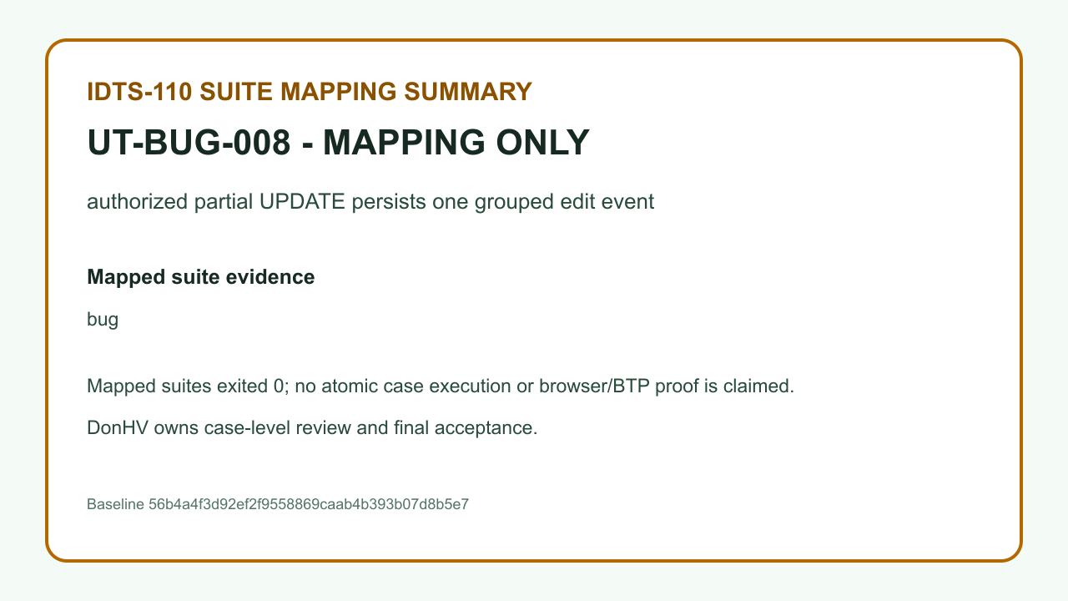

Case: UT-BUG-009 | MAPPING_ONLY_NOT_PASS — The record proves suite-to-case traceability only. It is not an atomic execution, browser proof, BTP proof, or PASS result.

 | REVIEW BLOCKED — result.png — SHA-256 2E69BC23CA5E81314FDB991DD33919303D33830C76FA3F058469B580DD115CC6


Case: UT-BUG-010 | MAPPING_ONLY_NOT_PASS — The record proves suite-to-case traceability only. It is not an atomic execution, browser proof, BTP proof, or PASS result.

 | REVIEW BLOCKED — result.png — SHA-256 8B334A218E6901CEC9FF646C1EDD4FDB345C7A3B6FE6728DDC1693B7E1AB5065
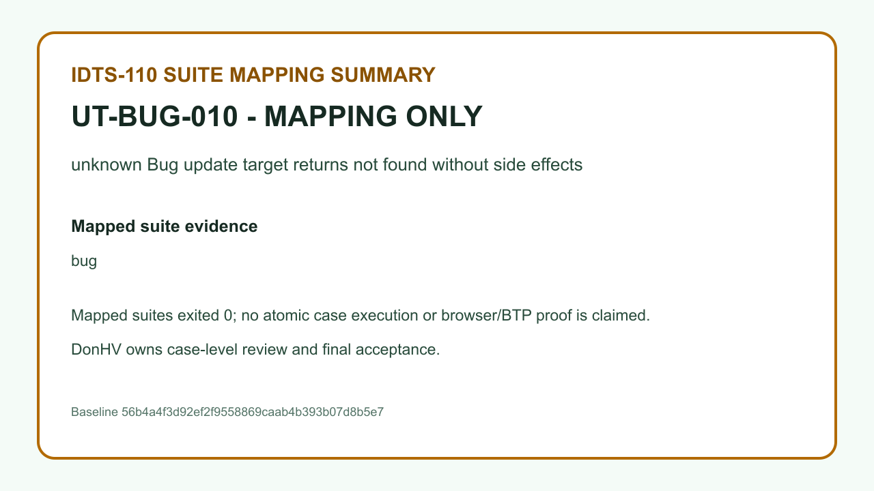

Case: UT-BUG-011 | MAPPING_ONLY_NOT_PASS — The record proves suite-to-case traceability only. It is not an atomic execution, browser proof, BTP proof, or PASS result.

 | REVIEW BLOCKED — result.png — SHA-256 A5A9DBE5665E3226EC25DB6F01D864295531C7D79A887766A112663A208C4A80


Case: UT-VAL-TITLE | ACCEPTED_CANDIDATE — DonHV accepted the candidate assertion and its case-specific evidence for documentation integration; this does not update the approved workbook or make a final project acceptance claim.

 | result.png — SHA-256 4A9BB8FF3A0E99228AB6DF52C34CAED6BC58E90979FC01AB5572FF3DF0B7F363
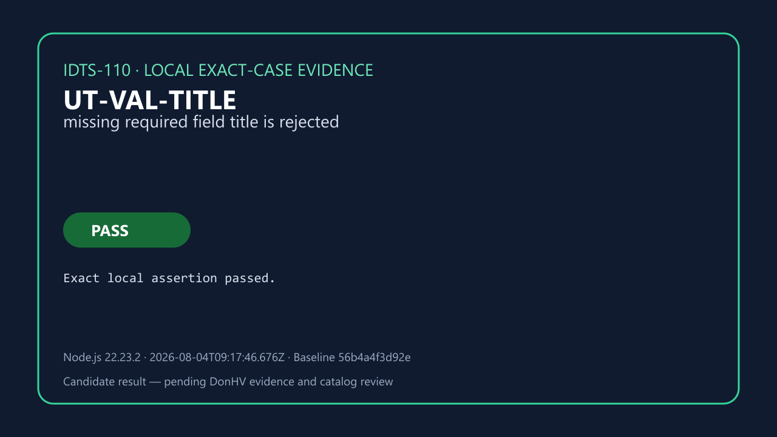

 | before-database.png — SHA-256 FD73D5E4B8A420809AB525AE534A44FC935076A2E651D8D5E436117499EA2116


 | after-database.png — SHA-256 FD50626B54929608B9B935D1C238413C1D9106EE10D34493CB5139343A77F45D


 | reload-readback.png — SHA-256 5C16770A13CAE061B59220B4A77A5DA1BDF03A58A032C404258535BC5C0DA69F


Case: UT-VAL-DESCRIPTION | ACCEPTED_CANDIDATE — DonHV accepted the candidate assertion and its case-specific evidence for documentation integration; this does not update the approved workbook or make a final project acceptance claim.

 | result.png — SHA-256 5653A70D18AF95B00A65E29B98BBB7B56CB44283E4CDC11C6AD43DB7437646EB
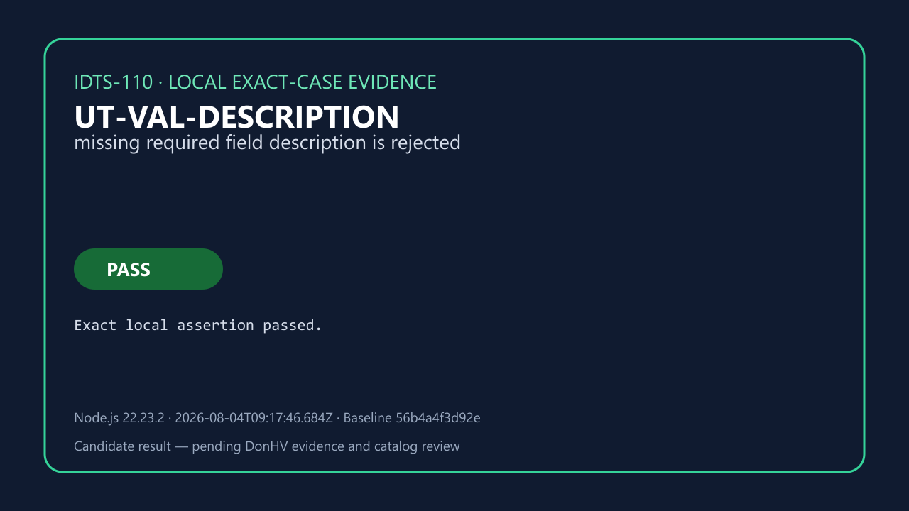

 | before-database.png — SHA-256 7058FCF8DE6FCE1D138CD1B6654F1AB316F53F0D733CED5DC785FD0BD4737E15
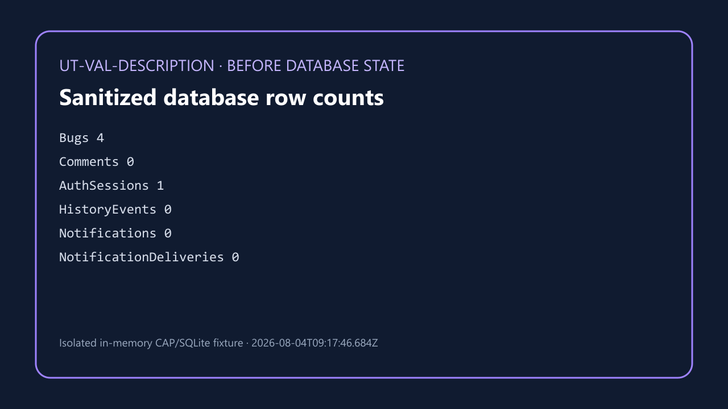

 | after-database.png — SHA-256 9B4CF67AA8A39166D8AE17AD4DDE768C5AB704F8A78CC5975B3F83849F0539ED


 | reload-readback.png — SHA-256 6B64B845CB0462E4AA4431A3C0899A32F609B94C4FB9027676DF6130E560F196
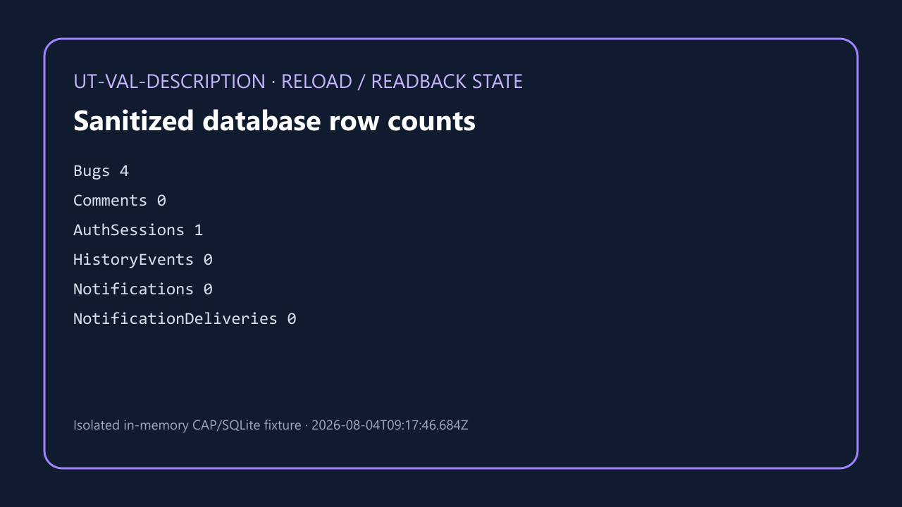

Case: UT-VAL-STEPS | ACCEPTED_CANDIDATE — DonHV accepted the candidate assertion and its case-specific evidence for documentation integration; this does not update the approved workbook or make a final project acceptance claim.

 | result.png — SHA-256 DFC40512E36565443C6751171A9D95CFE8D12C031E27F11A64329BD58B814E11


 | before-database.png — SHA-256 D8582D8222987845DA9BD53BD62F965BE167A93ACA570BDC02B6F1593C43E4CA


 | after-database.png — SHA-256 DAD1C0EBAE4B14DC53D4041FF1855342374C954D95ABF2B4E90D023846C5AFFB


 | reload-readback.png — SHA-256 D3BC1EDFE87052FFD8338B198F29BBD57BA5513B3FA2822C76F56D261334A432


Case: UT-VAL-ACTUAL | ACCEPTED_CANDIDATE — DonHV accepted the candidate assertion and its case-specific evidence for documentation integration; this does not update the approved workbook or make a final project acceptance claim.

 | result.png — SHA-256 4A5E6703AD969AC1624FF7E8A69D9F70E2179B562368DCADBC6405E53C785D90
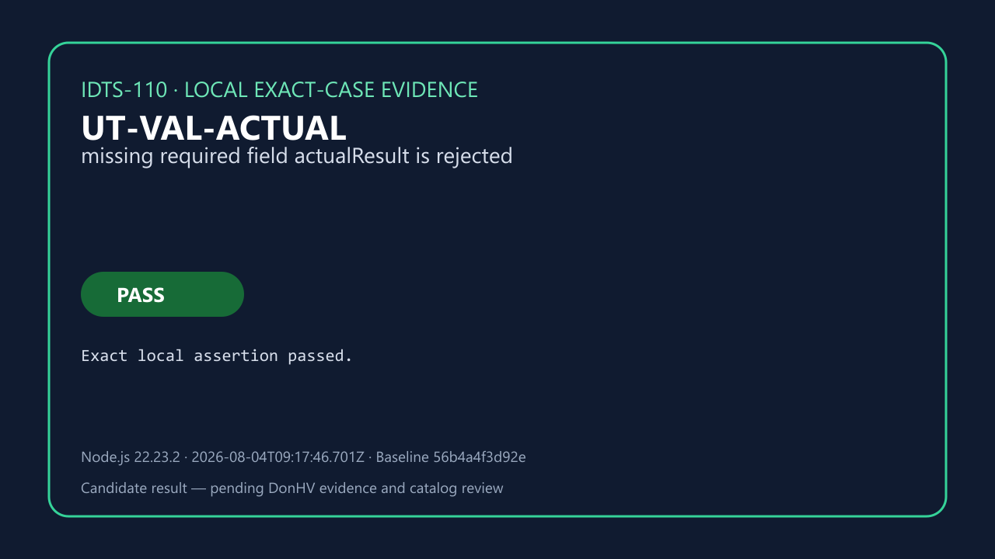

 | before-database.png — SHA-256 DCC4C1D789645A3D42EB559B97042CD33982239217438E599654A4C08D5765F6
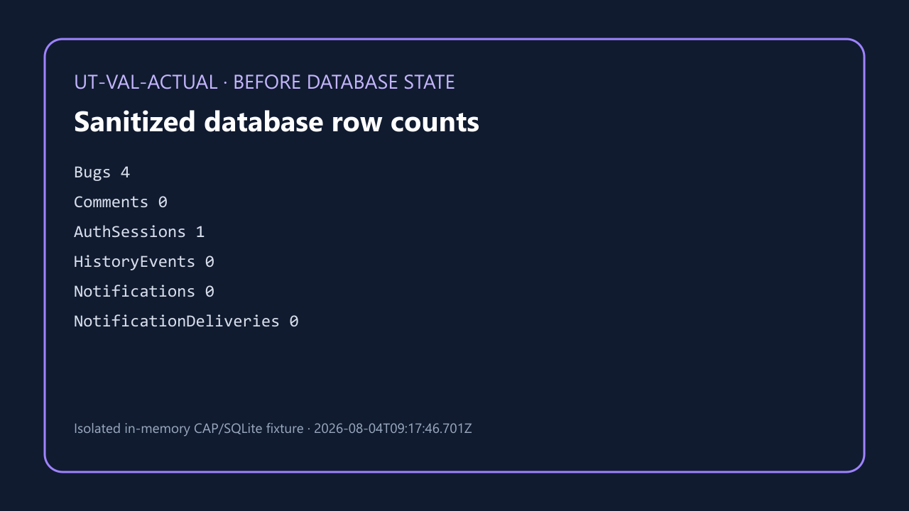

 | after-database.png — SHA-256 03CB27114CAFFECC1477625D137E3B033D27987983E22A4282F6FE1700C15771


 | reload-readback.png — SHA-256 405FDA63167279CC28046E531BD4D2D27027634FD49371F5D7930E0F8A732F42


Case: UT-VAL-EXPECTED | ACCEPTED_CANDIDATE — DonHV accepted the candidate assertion and its case-specific evidence for documentation integration; this does not update the approved workbook or make a final project acceptance claim.

 | result.png — SHA-256 E0B51D2CC720654F73FBD5D70DAB330725E7204F3FB71C72CA86A6D21F7ECC92
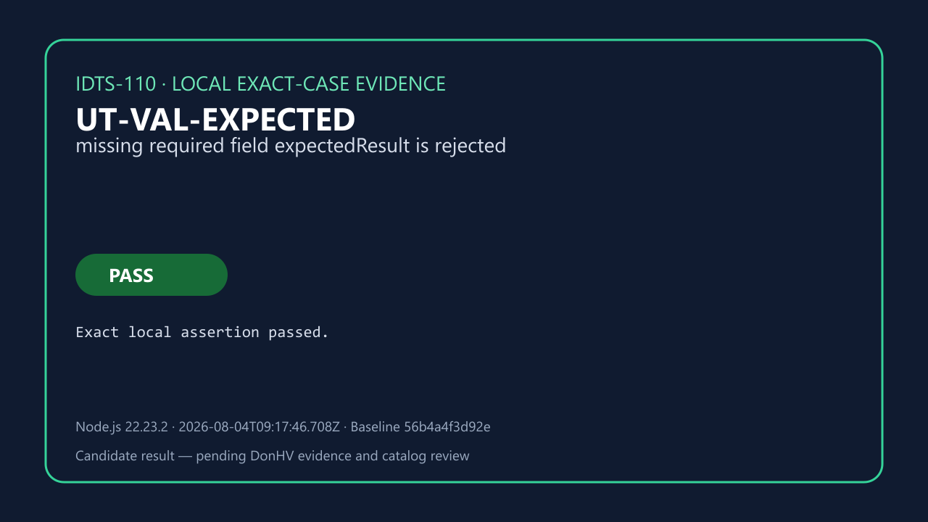

 | before-database.png — SHA-256 5EAD0497491126B4CD9717BF6E860966332136C3E9614821ACD26A652C01572E


 | after-database.png — SHA-256 60F60F53E8917E794AAC413D315B3DFD90D1D76C5F3DBDCAD273A27A181286C3


 | reload-readback.png — SHA-256 F248477AFFF8D0FF4FD68059AAAE0C60FBA213485C5BC1A3C023796014A603E5


Case: UT-VAL-PRIORITY | ACCEPTED_CANDIDATE — DonHV accepted the candidate assertion and its case-specific evidence for documentation integration; this does not update the approved workbook or make a final project acceptance claim.

 | result.png — SHA-256 00B484FB06CA8D7D106A02557D203262606B2F2D7564E55C9FE9B3F79F854BC6


 | before-database.png — SHA-256 DE66E0667777AB745D3ABA11DF119F459525E7F8E1CC22BA956CF960AF9C24F9


 | after-database.png — SHA-256 6B8858A2AB8CA24E6F46A46DA2A16690547CF35A43F0FE18D89A88F48F05938A


 | reload-readback.png — SHA-256 84A8D9962056DFFEEAC8D3BE88DB44B830F71A0455D16BFA0C2A65A31F2F3E91


Case: UT-VAL-SEVERITY | ACCEPTED_CANDIDATE — DonHV accepted the candidate assertion and its case-specific evidence for documentation integration; this does not update the approved workbook or make a final project acceptance claim.

 | result.png — SHA-256 AD192CB1D694E1CD01EB1230DD4DBC3F06646C8DEAC15504B5EF930B59722C04


 | before-database.png — SHA-256 7CF8736957B0C5673F6E2DCB4457DFFC798CE0912394ED52164087DA402DE663


 | after-database.png — SHA-256 A356ED0C73230E0875B7A1FDF0689F4C85EF1BA64752185E45C8BEED26A1D8B6


 | reload-readback.png — SHA-256 8CBF88132CE6B35659DB1C76A6DFB4BE0EBFFBEC11A08FCF53E9E4FBC83404AB


Case: UT-VAL-COMPONENT | ACCEPTED_CANDIDATE — DonHV accepted the candidate assertion and its case-specific evidence for documentation integration; this does not update the approved workbook or make a final project acceptance claim.

 | result.png — SHA-256 371446F4049EB3B6969B53D5DBD6CCE40ED5D8775FE1080BF1B3863B1807949F
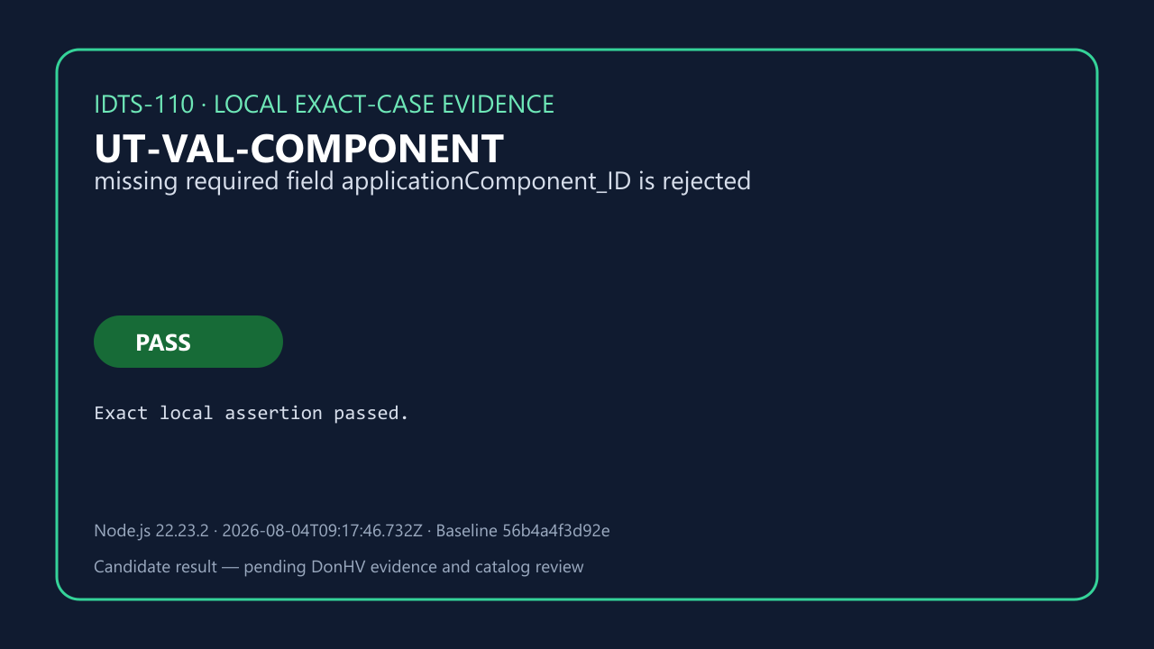

 | before-database.png — SHA-256 0A5174BF4C0814D315C279BD23F147358B79C61ED4FFF144087C056EF24A46A1


 | after-database.png — SHA-256 A19A74C5CE77875268C3A89257B2F046104B6A88D596C904F0821AD2779E528D


 | reload-readback.png — SHA-256 E138FFF764FC799BAE30B5D4849E4EFEC37225EE55317F691846657F6D66E309


Case: UT-VAL-CATEGORY | ACCEPTED_CANDIDATE — DonHV accepted the candidate assertion and its case-specific evidence for documentation integration; this does not update the approved workbook or make a final project acceptance claim.

 | result.png — SHA-256 CB378ABB79F852635574C5927B4F8C93BB09E5A1619129D9BA59E38241AF8FC7


 | before-database.png — SHA-256 D02CB9581F5BA5DF7008FFACF43A92BBED14ECF3A84619898FB918215C90E1C9


 | after-database.png — SHA-256 AD29EF9D93C2C565ED956F55427FC0E4105FFBDB29BD4ABA34BBEFE37FB5105B


 | reload-readback.png — SHA-256 D419707D4B33E9413BD7B2F6455525816E34E5C6DE8E1713255D2044E965A497


Case: UT-VAL-REPORTER | ACCEPTED_CANDIDATE — DonHV accepted the candidate assertion and its case-specific evidence for documentation integration; this does not update the approved workbook or make a final project acceptance claim.

 | result.png — SHA-256 6B9E39B25CA338BA6802866013E99EB89148E7B2888941DDD6BF9B5021A2C74B
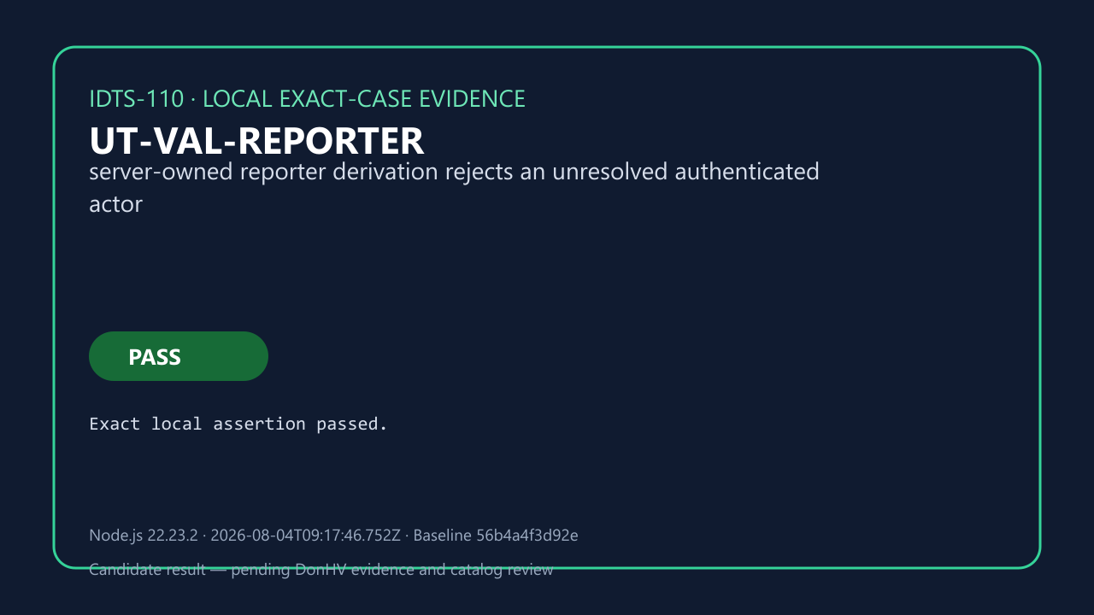

 | before-database.png — SHA-256 CB7DF224656C24EE9D054A7BAE5D4828AD810ED6B7650E3A17D43D7D732762EC


 | after-database.png — SHA-256 1E92E9B5BD7DEEBA3776449A2168FC64D91CD94F6E57E814CA63CFB56F18DC04


 | reload-readback.png — SHA-256 8B0E1A2EED78F2C835027F728C8E94A62FCCF0C53F947F80DD099BBF015B0AAB


Case: UT-VAL-WHITESPACE | ACCEPTED_CANDIDATE — DonHV accepted the candidate assertion and its case-specific evidence for documentation integration; this does not update the approved workbook or make a final project acceptance claim.

 | result.png — SHA-256 B4D5B6032404BDE6374EE616BFC121DD6F723BAE9C1758750EB1638DAF78F500


 | before-database.png — SHA-256 D96DD021B3239023039D40E6F01821ABB71EF6DBD3E1E0A11F68909B424EC278


 | after-database.png — SHA-256 9CF017F15553992ADAF2258DB6AEEAEC1CAC8BD7F2A428B38DFE9F0BE11A8870


 | reload-readback.png — SHA-256 509BA3AA5B432EE6346B478523BCD538AE543A05D807710C5EA8E4763760B465


Case: UT-VAL-CODE-UNKNOWN | ACCEPTED_CANDIDATE — DonHV accepted the candidate assertion and its case-specific evidence for documentation integration; this does not update the approved workbook or make a final project acceptance claim.

 | result.png — SHA-256 26DECB63A4C64288D0D03697305D5A322D0C1BE1E2585880D8367B30BABF51DB
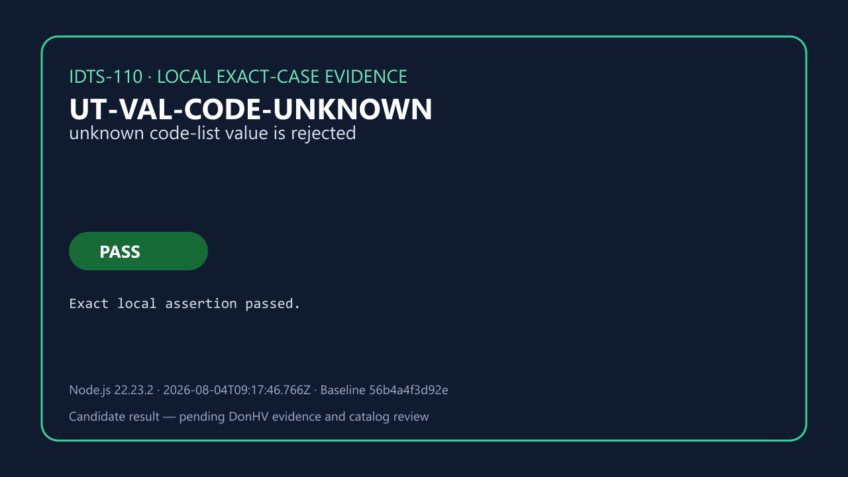

 | before-database.png — SHA-256 D97C7C30609EF7A8DA15F02242EFE93074B972225E28A3C9A87A1DB0F5432177
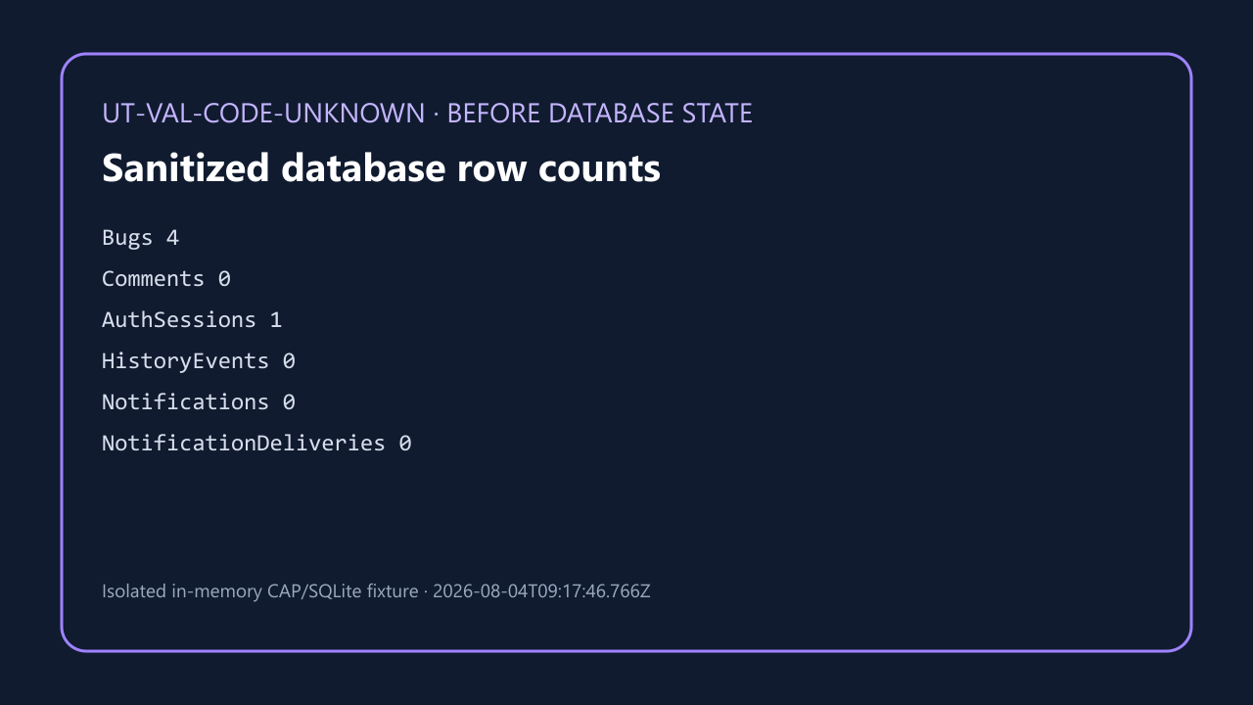

 | after-database.png — SHA-256 5F345C2EE2FF5E2093EE4DE95E89EB7AC6EF7B7FA8BC101D74B7165C8451BDD3


 | reload-readback.png — SHA-256 D493A600E16CBD58CF7ACBFDEEA24224683802C649E9EBA3B26D9690A4EA9A8A
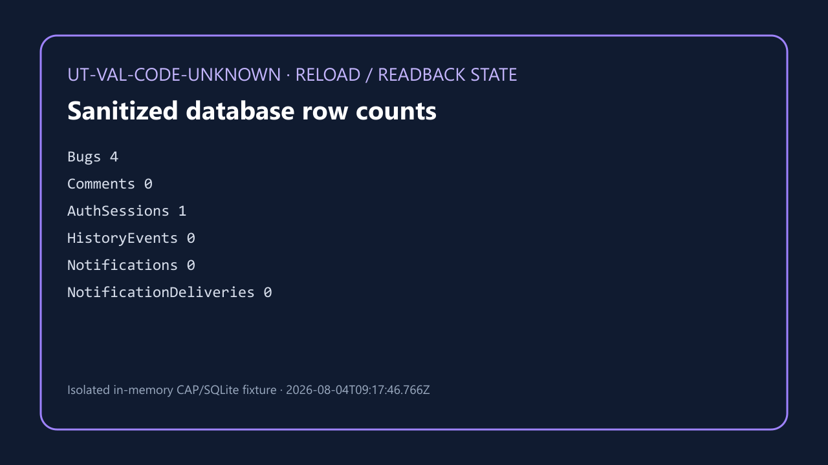

Case: UT-VAL-CODE-INACTIVE | ACCEPTED_CANDIDATE — DonHV accepted the candidate assertion and its case-specific evidence for documentation integration; this does not update the approved workbook or make a final project acceptance claim.

 | result.png — SHA-256 6AB146C4B9333FD2A5F707DABB709573CC1347E1BFAF82CB13E6C3731988B5FE


 | before-database.png — SHA-256 EEBC29A3DC4FABF1E8220C042FDAC37858B1E885E15CE9A805D3C42DD6849F33


 | after-database.png — SHA-256 AB2B6DE35E2BC31CD3BB6670E20DA7F2B6130EEBF3A3CA128E15C57F14ACA46D


 | reload-readback.png — SHA-256 F0531519B6BE267A9203A5B8F46F0DAE7D43495672C31F38A61660B1EB52E2F6


Case: UT-VAL-CODE-SPACES | ACCEPTED_CANDIDATE — DonHV accepted the candidate assertion and its case-specific evidence for documentation integration; this does not update the approved workbook or make a final project acceptance claim.

 | result.png — SHA-256 9316DDC93D1B64716E5AF6A30B026F91331588D0D196C1650B79D254E479CDAC


 | before-database.png — SHA-256 F34BA36BBC5EBCE2056622E0387C6850388AC47AB7193291537F4B3026F720F6


 | after-database.png — SHA-256 2171C6BA88A9862BF0A0350C60F13A51ED3D5C8B26988A2A39E59CFDB786CB53


 | reload-readback.png — SHA-256 662F39E417FB3B285A8EE64EBA7CB2F90BC0ADDBCD1845C37F8FED44C06CB1F5


Case: UT-VAL-CODE-EMPTY | ACCEPTED_CANDIDATE — DonHV accepted the candidate assertion and its case-specific evidence for documentation integration; this does not update the approved workbook or make a final project acceptance claim.

 | result.png — SHA-256 73B9B07D9289067D9D2D86F4906165F4821174D999B866DF8A37D37E7B5649A0


 | before-database.png — SHA-256 E0EDE162E7DABFB848725826307025CB3180D239984BC3FCD8D85586B02DDE9D


 | after-database.png — SHA-256 5220C1C48ACC0AA63966343F0326292B2DE8801AD0B6A47AD407B7B44DDDC7E5


 | reload-readback.png — SHA-256 2F087B21AFF62636B9CB71B47DF8121129E9BCD6B6267F55C6DB27E95C927261


Case: UT-VAL-CODE-TYPE | ACCEPTED_CANDIDATE — DonHV accepted the candidate assertion and its case-specific evidence for documentation integration; this does not update the approved workbook or make a final project acceptance claim.

 | result.png — SHA-256 D5373B285583AD3C5F13CFB35FA8E393B703C52D1570488B1389E9B16C349C9C
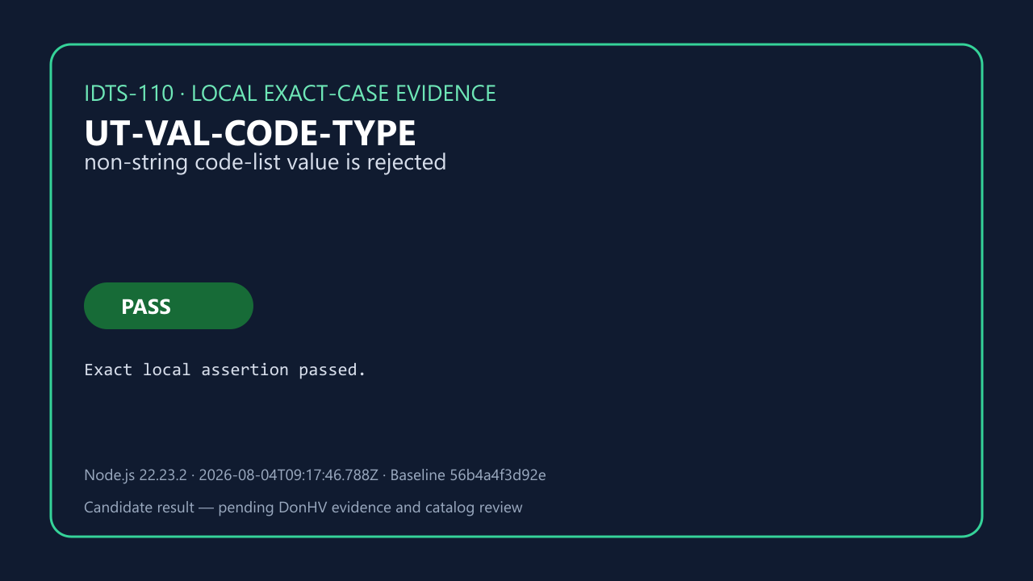

 | before-database.png — SHA-256 EFE39D2944E9F10286F515CDB9D7C49D28C4262499110FF9E419E5D3080110FD


 | after-database.png — SHA-256 3EDA82F171FD4B17BBAC2ADD2AC5D2FE4943E1D90D4A3939A39C5164E5F3649B


 | reload-readback.png — SHA-256 B4B74DB26B5BEC96EF33EFD6E69E32A53DAADBE41F060A1301E8BDAA42203653


Case: UT-VAL-PAIR-VALID | MAPPING_ONLY_NOT_PASS — The record proves suite-to-case traceability only. It is not an atomic execution, browser proof, BTP proof, or PASS result.

 | REVIEW BLOCKED — result.png — SHA-256 0567243C86D6A325BA403677105556D567DE5DB155182B9B0F3E508A0F5FEEF0
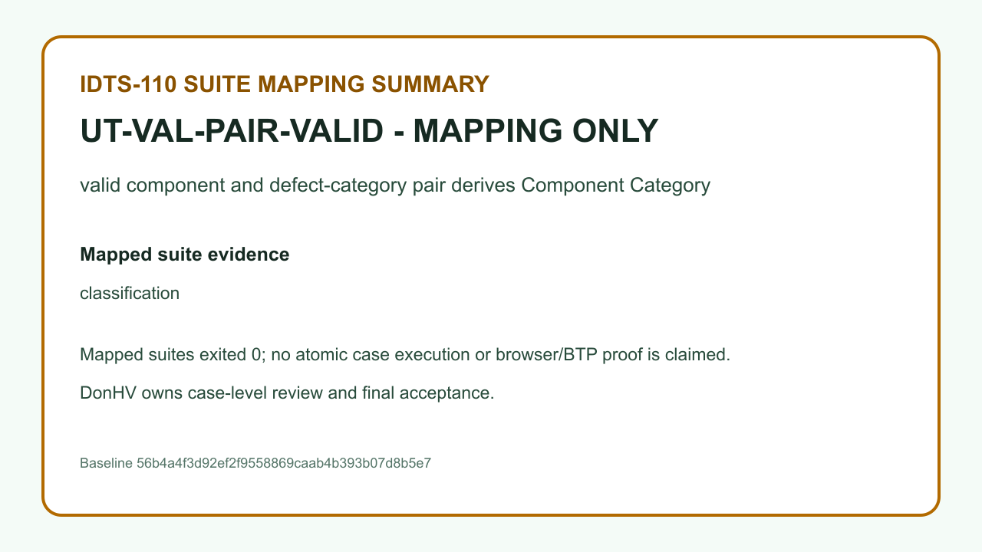

Case: UT-VAL-PAIR-NOMAP | MAPPING_ONLY_NOT_PASS — The record proves suite-to-case traceability only. It is not an atomic execution, browser proof, BTP proof, or PASS result.

 | REVIEW BLOCKED — result.png — SHA-256 E3578548A9DE26B46D1AF5602FA5DE85EEBE781BA5F81828AA7C667AE24059D7
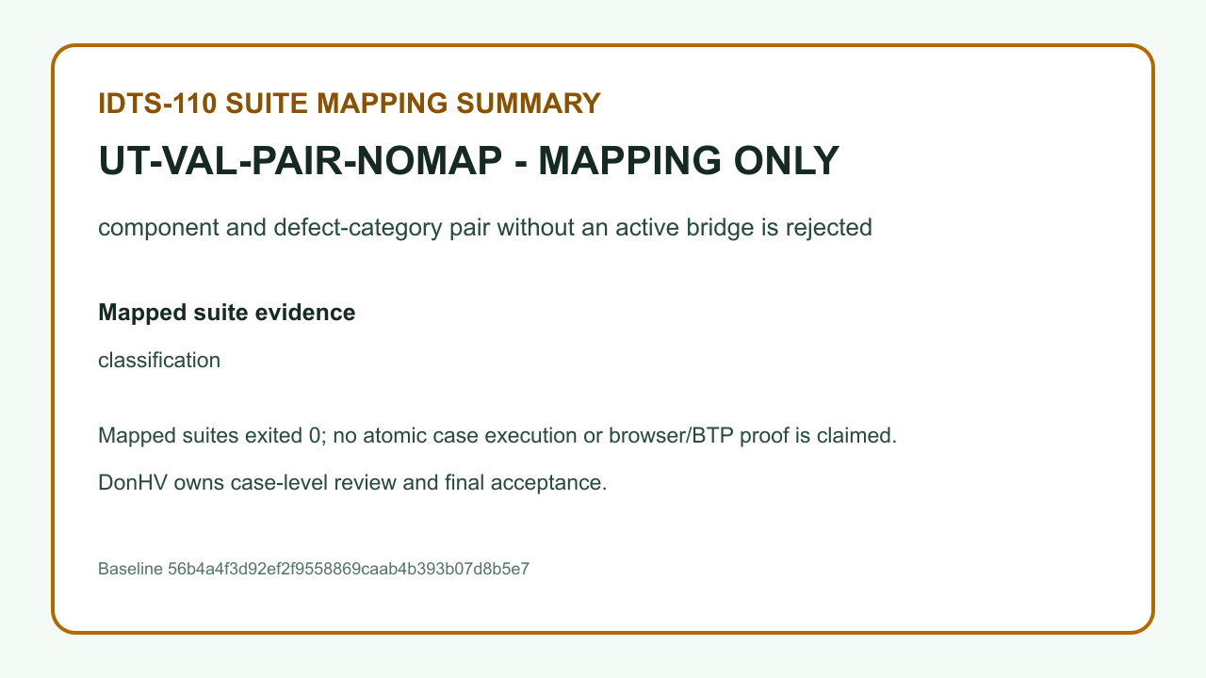

Case: UT-VAL-PAIR-MISMATCH | ACCEPTED_CANDIDATE — DonHV accepted the candidate assertion and its case-specific evidence for documentation integration; this does not update the approved workbook or make a final project acceptance claim.

 | result.png — SHA-256 5B238F2F7ADC4FA5FEF7500D684AAF0D68A0585F3973DA1736DDF7D03A775121
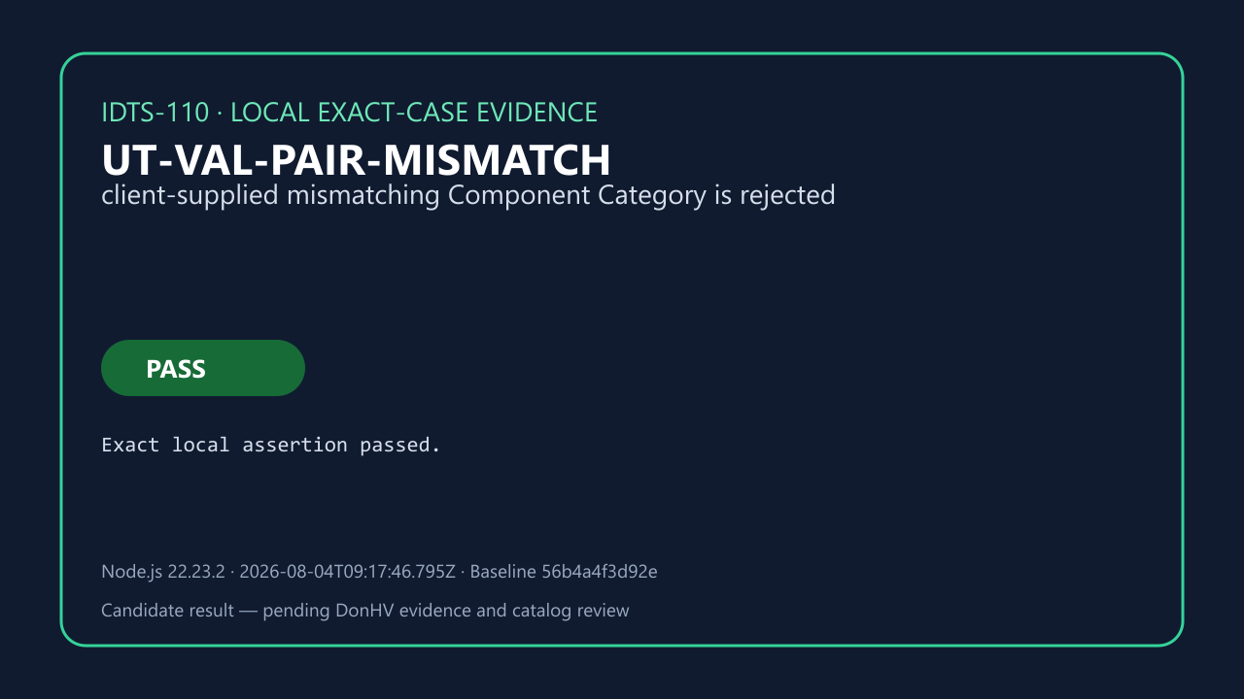

 | before-database.png — SHA-256 C55F523E876BB9F12E34225A48314FCEBF0934B66C32F46578E391E1A46AACCE


 | after-database.png — SHA-256 4437035C4B65CC8FAD2F4C0A15DB9D28513C7CBCA8EE6B2FCC5395553B9D3C11


 | reload-readback.png — SHA-256 EC1CB81BAF293D88F8CA488DAA07B1859A615B00950C8D64B7F30C4C4BA1E9A3


Case: UT-VAL-PAIR-CHANGE | MAPPING_ONLY_NOT_PASS — The record proves suite-to-case traceability only. It is not an atomic execution, browser proof, BTP proof, or PASS result.

 | REVIEW BLOCKED — result.png — SHA-256 F1EA446240569B595D36100C846E4247AB3C4671763AF724E501170602D4203B
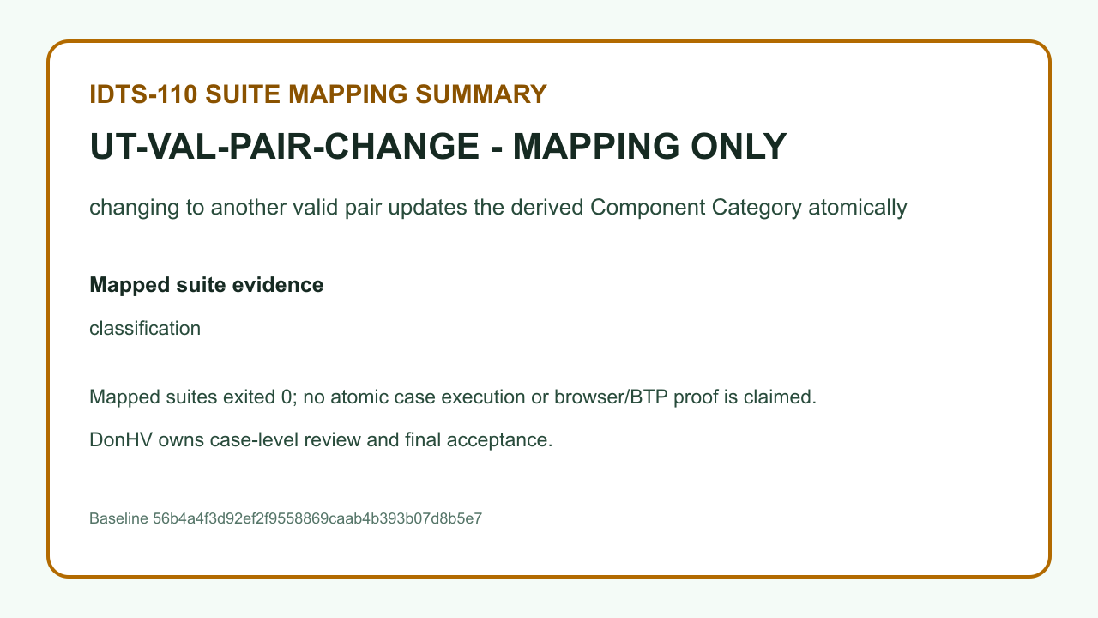

Case: UT-VAL-PAIR-PARTIAL | MAPPING_ONLY_NOT_PASS — The record proves suite-to-case traceability only. It is not an atomic execution, browser proof, BTP proof, or PASS result.

 | REVIEW BLOCKED — result.png — SHA-256 25C1804C310AE1D8BF301AE19CF70FC825664D8D2E0A6138DA8937A62EFE37AD


Case: UT-ASN-001 | MAPPING_ONLY_NOT_PASS — The record proves suite-to-case traceability only. It is not an atomic execution, browser proof, BTP proof, or PASS result.

 | REVIEW BLOCKED — result.png — SHA-256 E794B5A6428AA0C7B07BC54710D0CDE1C52AD7D00C30B2AA247A09948DBBFFE2
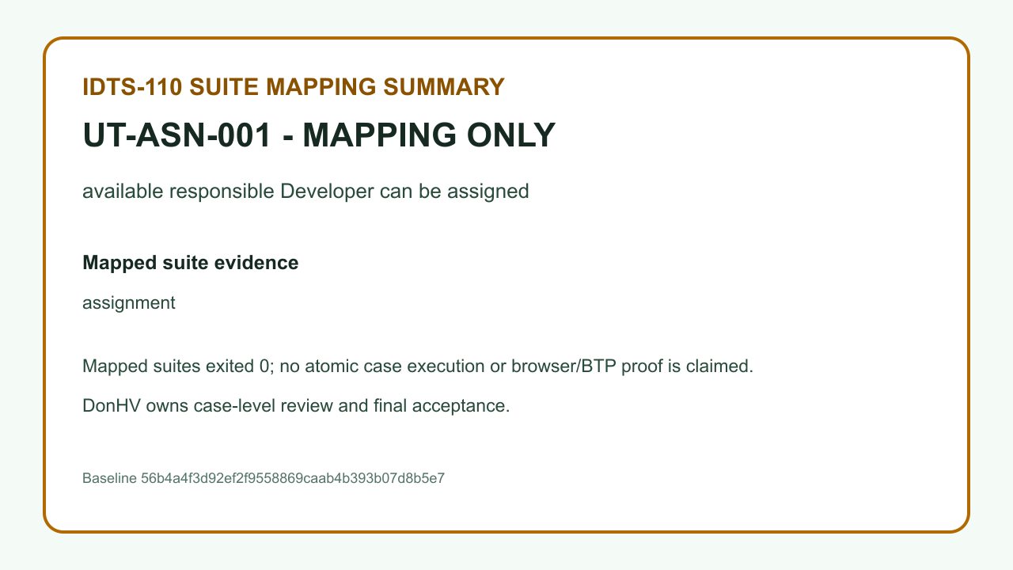

Case: UT-ASN-002 | MAPPING_ONLY_NOT_PASS — The record proves suite-to-case traceability only. It is not an atomic execution, browser proof, BTP proof, or PASS result.

 | REVIEW BLOCKED — result.png — SHA-256 D39064277E09B643BD1542AD4FF98FC58D37E27DB1D0A64EFB14E8BAB0A8F839
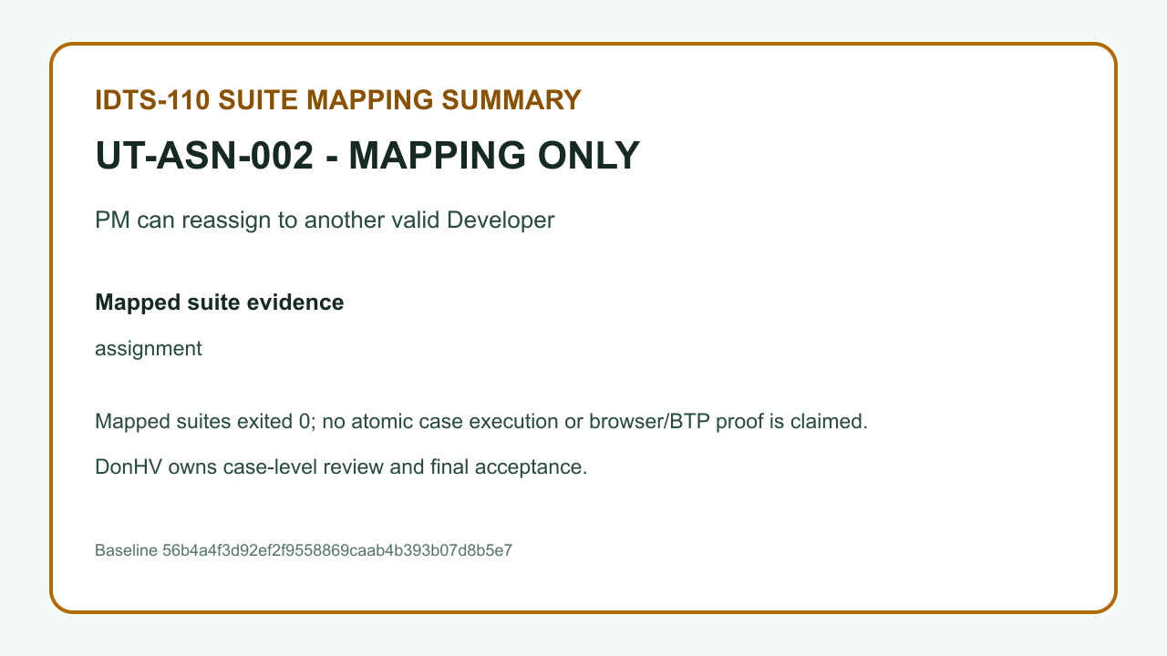

Case: UT-ASN-003 | MAPPING_ONLY_NOT_PASS — The record proves suite-to-case traceability only. It is not an atomic execution, browser proof, BTP proof, or PASS result.

 | REVIEW BLOCKED — result.png — SHA-256 9BC4B11F18CE7846BD029230C80A76CAC7B484AB6C4CC2B76501D424CF9F2DA8
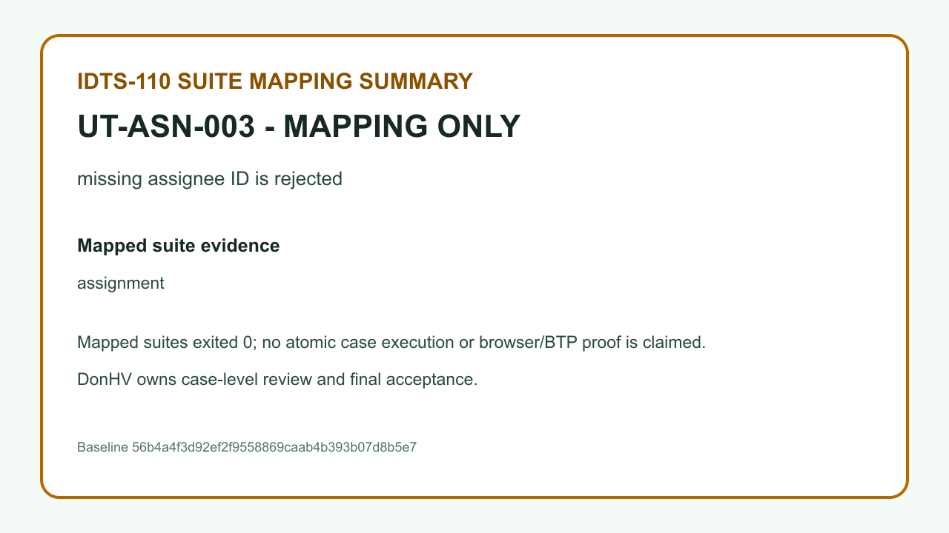

Case: UT-ASN-004 | MAPPING_ONLY_NOT_PASS — The record proves suite-to-case traceability only. It is not an atomic execution, browser proof, BTP proof, or PASS result.

 | REVIEW BLOCKED — result.png — SHA-256 14B6213D3852F5FE28282D0CE09E109C7B10FE4BB4B2FB9175B6F27493CC8E19
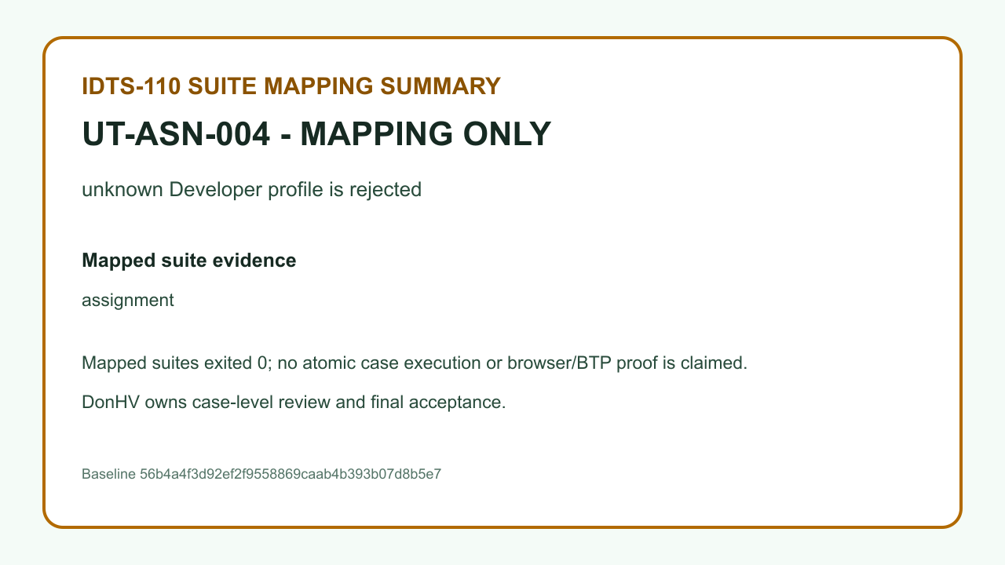

Case: UT-ASN-005 | MAPPING_ONLY_NOT_PASS — The record proves suite-to-case traceability only. It is not an atomic execution, browser proof, BTP proof, or PASS result.

 | REVIEW BLOCKED — result.png — SHA-256 D42856F03278C6516D365AD6BFCD8CEDE49BCFA71EFAF96618A1819B4ECDF78E


Case: UT-ASN-006 | MAPPING_ONLY_NOT_PASS — The record proves suite-to-case traceability only. It is not an atomic execution, browser proof, BTP proof, or PASS result.

 | REVIEW BLOCKED — result.png — SHA-256 22DC5A92CD90149161835536E92FABB4DF19C21F0550B9CFA77F429214C12578


Case: UT-ASN-007 | MAPPING_ONLY_NOT_PASS — The record proves suite-to-case traceability only. It is not an atomic execution, browser proof, BTP proof, or PASS result.

 | REVIEW BLOCKED — result.png — SHA-256 CBCD1A310599CB992751487218FA60F153CECB9DF10B636B7D292785C5098043


Case: UT-ASN-008 | MAPPING_ONLY_NOT_PASS — The record proves suite-to-case traceability only. It is not an atomic execution, browser proof, BTP proof, or PASS result.

 | REVIEW BLOCKED — result.png — SHA-256 A21F705DE8EC3EAB80AA7E41FAD37FF20B4D4141B0CDAC07F790F86FCA067851


Case: UT-ASN-009 | MAPPING_ONLY_NOT_PASS — The record proves suite-to-case traceability only. It is not an atomic execution, browser proof, BTP proof, or PASS result.

 | REVIEW BLOCKED — result.png — SHA-256 837B24ED62F3F901C29044194E2E78AC142523DE047C508274AE1D4F30A286E4


Case: UT-ASN-010 | MAPPING_ONLY_NOT_PASS — The record proves suite-to-case traceability only. It is not an atomic execution, browser proof, BTP proof, or PASS result.

 | REVIEW BLOCKED — result.png — SHA-256 74D0463ADF1018FA3C65EFBAC4205DFC81B8E5C578D636C94D67C5413873D813


Case: UT-ASN-011 | MAPPING_ONLY_NOT_PASS — The record proves suite-to-case traceability only. It is not an atomic execution, browser proof, BTP proof, or PASS result.

 | REVIEW BLOCKED — result.png — SHA-256 A608657573CAD25DCF3FFD300BDF8A3D3FEF80E0EF4B7FEFD10BDF9C194462B1
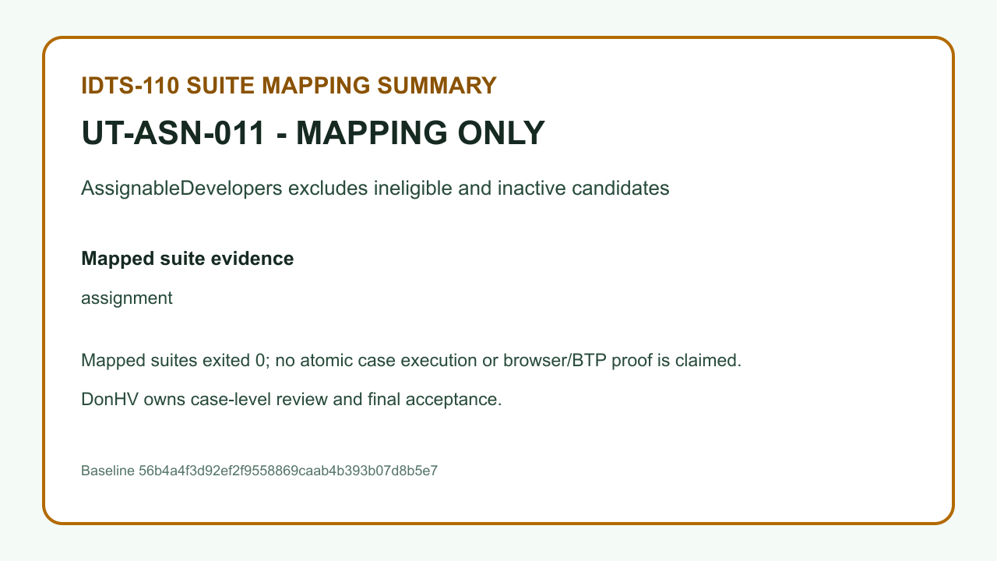

Case: UT-LC-01A | MAPPING_ONLY_NOT_PASS — The record proves suite-to-case traceability only. It is not an atomic execution, browser proof, BTP proof, or PASS result.

 | REVIEW BLOCKED — result.png — SHA-256 C9A10EABED35448B4C6BEA367F16AF1E61DB339241C44BF1882983FB3CDAFD51
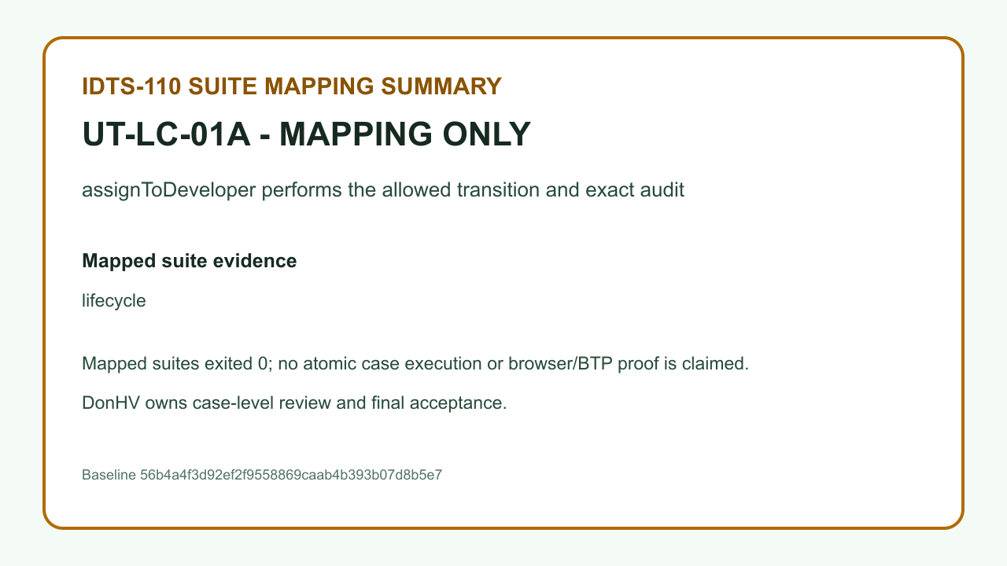

Case: UT-LC-01B | MAPPING_ONLY_NOT_PASS — The record proves suite-to-case traceability only. It is not an atomic execution, browser proof, BTP proof, or PASS result.

 | REVIEW BLOCKED — result.png — SHA-256 6AB5F71C53027EC3CCCEE974AEE82D3D1FD271F4537590724B6AE1844C179A35
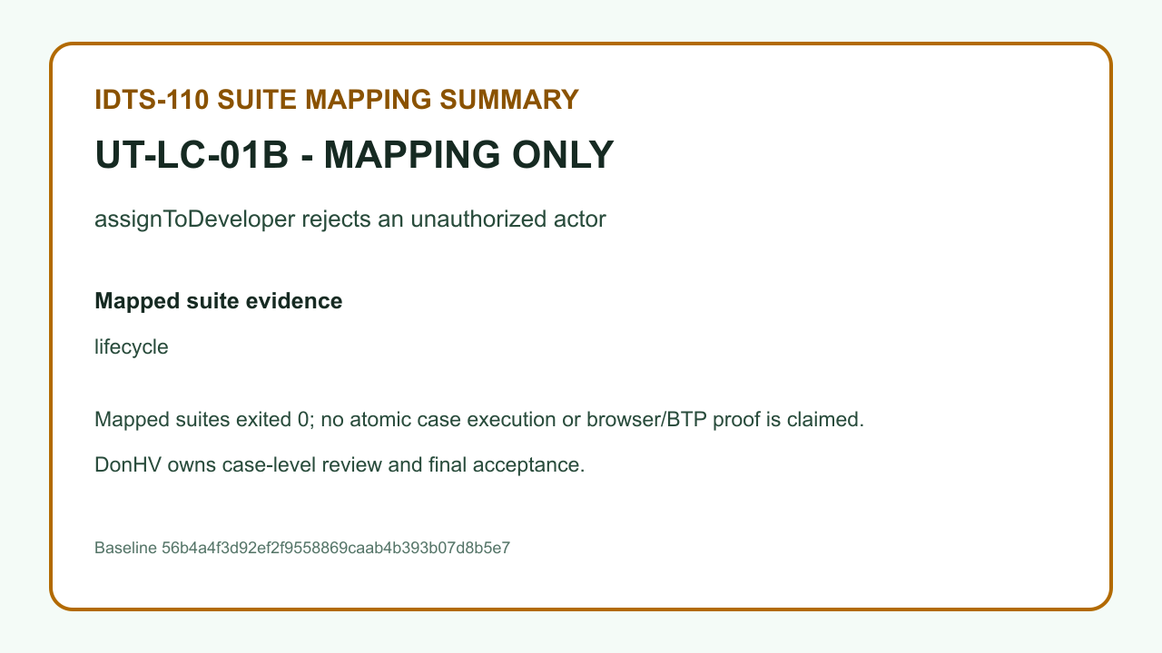

Case: UT-LC-01C | MAPPING_ONLY_NOT_PASS — The record proves suite-to-case traceability only. It is not an atomic execution, browser proof, BTP proof, or PASS result.

 | REVIEW BLOCKED — result.png — SHA-256 7A7C6E30336476612C3A3B92B5F5A25868D64F96ACC24956DE85A5DCCEF29E14
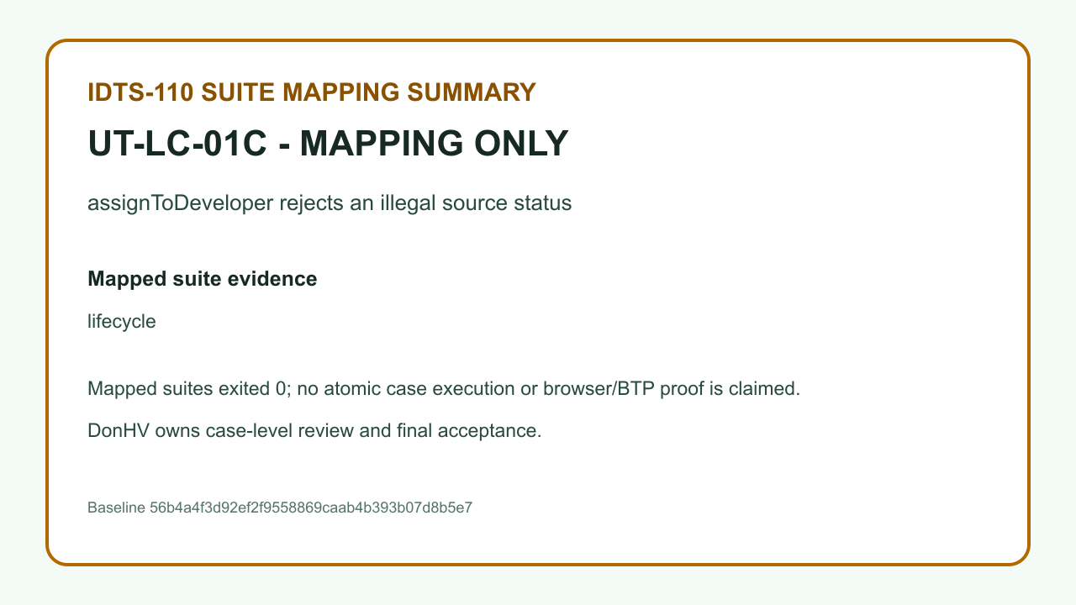

Case: UT-LC-01D | MAPPING_ONLY_NOT_PASS — The record proves suite-to-case traceability only. It is not an atomic execution, browser proof, BTP proof, or PASS result.

 | REVIEW BLOCKED — result.png — SHA-256 B4EA47AB1B63C46991D2E53421121D16186561940DAB763A696E9D0D9444AF59
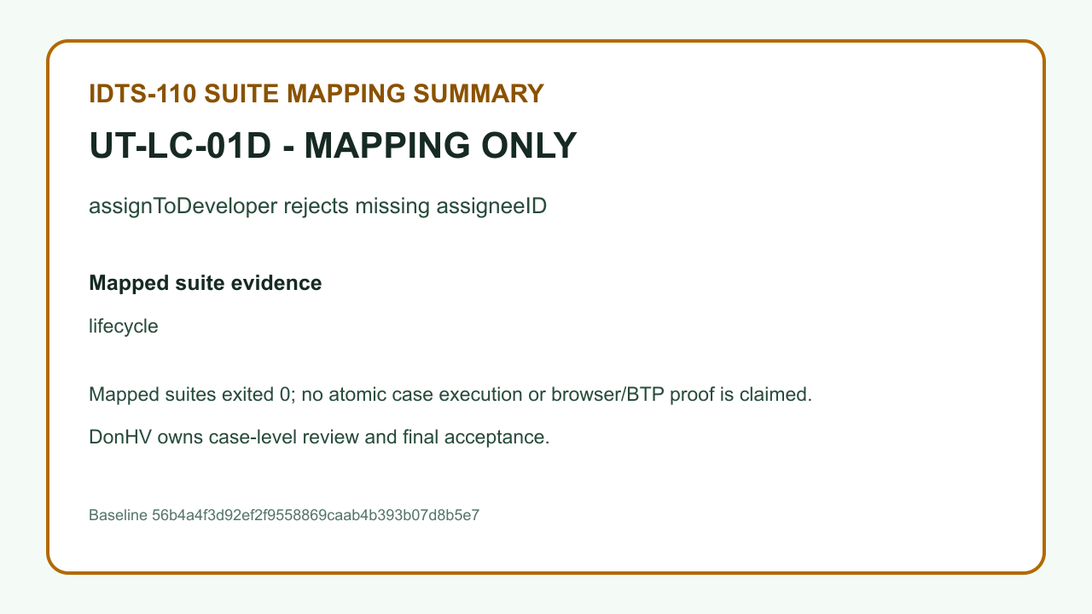

Case: UT-LC-02A | MAPPING_ONLY_NOT_PASS — The record proves suite-to-case traceability only. It is not an atomic execution, browser proof, BTP proof, or PASS result.

 | REVIEW BLOCKED — result.png — SHA-256 D374A02E9DC31B985717F8A5833E0A43BFDAB04AF38F86F590399BED89E78679


Case: UT-LC-02B | MAPPING_ONLY_NOT_PASS — The record proves suite-to-case traceability only. It is not an atomic execution, browser proof, BTP proof, or PASS result.

 | REVIEW BLOCKED — result.png — SHA-256 3C3A2302E839F6E81637191B03CC7884B67D08C9ED1CFDCFF148E6C6F79D6777
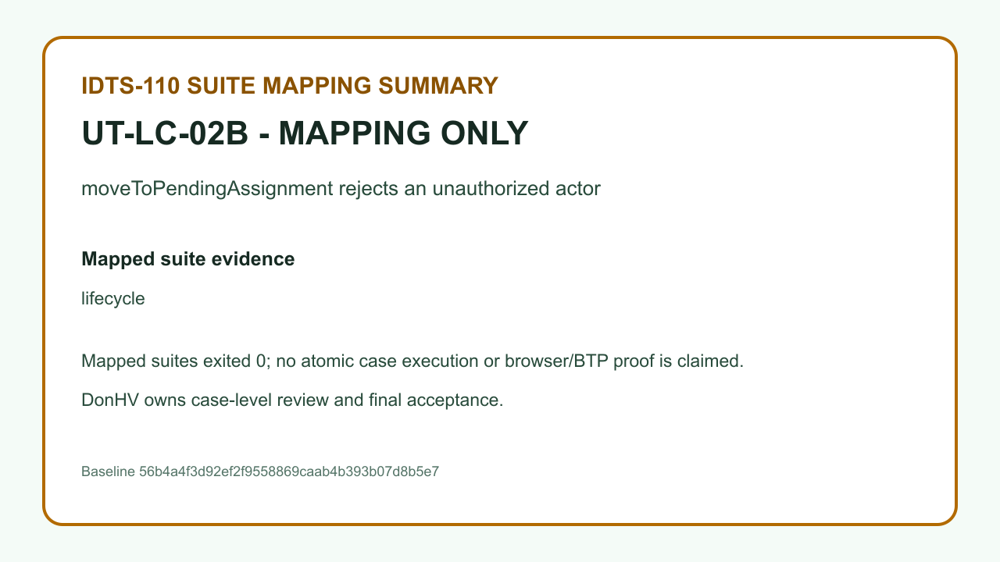

Case: UT-LC-02C | MAPPING_ONLY_NOT_PASS — The record proves suite-to-case traceability only. It is not an atomic execution, browser proof, BTP proof, or PASS result.

 | REVIEW BLOCKED — result.png — SHA-256 84CEECC324E83652B892113F0026BF76A93AD180AB98F317541679724880A1B6
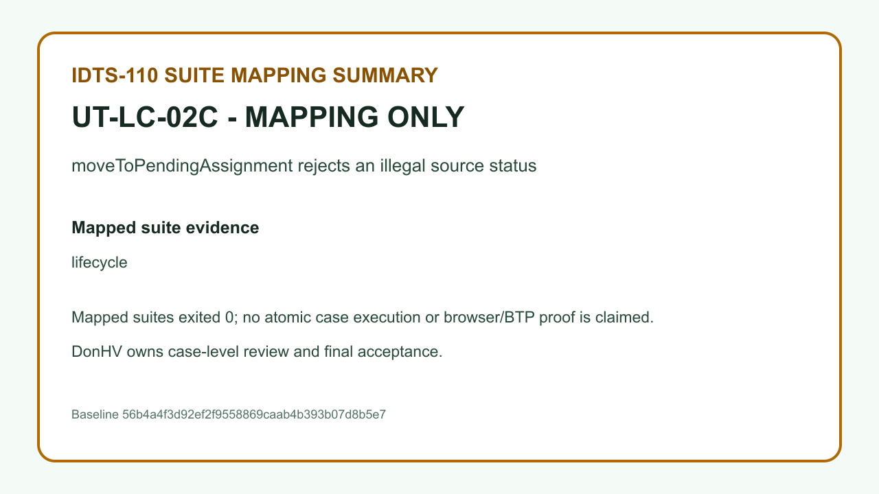

Case: UT-LC-03A | MAPPING_ONLY_NOT_PASS — The record proves suite-to-case traceability only. It is not an atomic execution, browser proof, BTP proof, or PASS result.

 | REVIEW BLOCKED — result.png — SHA-256 7F515245034F30C126A1D49813303B8C75A99CE1A7760B07D254D660F67EF8DF


Case: UT-LC-03B | MAPPING_ONLY_NOT_PASS — The record proves suite-to-case traceability only. It is not an atomic execution, browser proof, BTP proof, or PASS result.

 | REVIEW BLOCKED — result.png — SHA-256 3CD777E91A49DCFD7FDE293C88D6954067F30CB05B0811F7B7D9A45D988D10A2


Case: UT-LC-03C | MAPPING_ONLY_NOT_PASS — The record proves suite-to-case traceability only. It is not an atomic execution, browser proof, BTP proof, or PASS result.

 | REVIEW BLOCKED — result.png — SHA-256 E3CBAD2F6E813D432EB89B94C1A9B31EE76836387147692E359BA413C4DEBDD4


Case: UT-LC-03D | MAPPING_ONLY_NOT_PASS — The record proves suite-to-case traceability only. It is not an atomic execution, browser proof, BTP proof, or PASS result.

 | REVIEW BLOCKED — result.png — SHA-256 7A399431D673E7FA3A8760446C87AE97441EA9D31971569034B89F8118F880C1


Case: UT-LC-04A | MAPPING_ONLY_NOT_PASS — The record proves suite-to-case traceability only. It is not an atomic execution, browser proof, BTP proof, or PASS result.

 | REVIEW BLOCKED — result.png — SHA-256 FF4EDCD85B4120DC0804319030009F1BE39C657DE4A82E07424176952B57F667


Case: UT-LC-04B | MAPPING_ONLY_NOT_PASS — The record proves suite-to-case traceability only. It is not an atomic execution, browser proof, BTP proof, or PASS result.

 | REVIEW BLOCKED — result.png — SHA-256 11E86D6D9BDEC714D113C8CB6BC642F3EFCB731B43853D2D56677C0FD2C70958
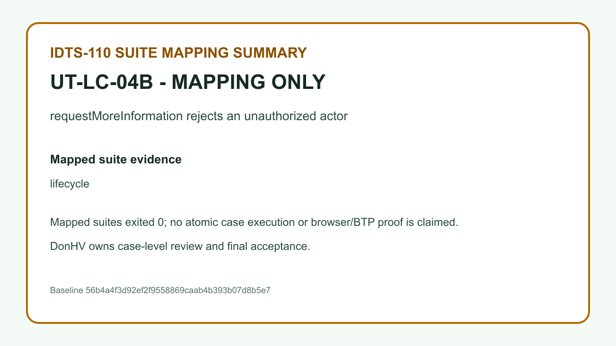

Case: UT-LC-04C | MAPPING_ONLY_NOT_PASS — The record proves suite-to-case traceability only. It is not an atomic execution, browser proof, BTP proof, or PASS result.

 | REVIEW BLOCKED — result.png — SHA-256 7E4F895E781228C003C3A3B6A8B9FCFB2C905A950A9749C67E6CAE17887F2F6B


Case: UT-LC-04D | MAPPING_ONLY_NOT_PASS — The record proves suite-to-case traceability only. It is not an atomic execution, browser proof, BTP proof, or PASS result.

 | REVIEW BLOCKED — result.png — SHA-256 8B832221371BD6369CB37457B9CC814DCD9BB424D66048E72116824F2B4D981B


Case: UT-LC-04E | MAPPING_ONLY_NOT_PASS — The record proves suite-to-case traceability only. It is not an atomic execution, browser proof, BTP proof, or PASS result.

 | REVIEW BLOCKED — result.png — SHA-256 F2733FED8E6910846FCC08C47DE61B125CB4E085EF406A727F1C87E5330991B9


Case: UT-LC-05A | MAPPING_ONLY_NOT_PASS — The record proves suite-to-case traceability only. It is not an atomic execution, browser proof, BTP proof, or PASS result.

 | REVIEW BLOCKED — result.png — SHA-256 30CC26079556125ADB6B25A97E8B1EFA2EEEFEFB012C56E8F13D82FBD9FCC45E


Case: UT-LC-05B | MAPPING_ONLY_NOT_PASS — The record proves suite-to-case traceability only. It is not an atomic execution, browser proof, BTP proof, or PASS result.

 | REVIEW BLOCKED — result.png — SHA-256 48FAEF906A442A96528306AABD156C10C0B0A7A521735C901AA9B875ED1A9701
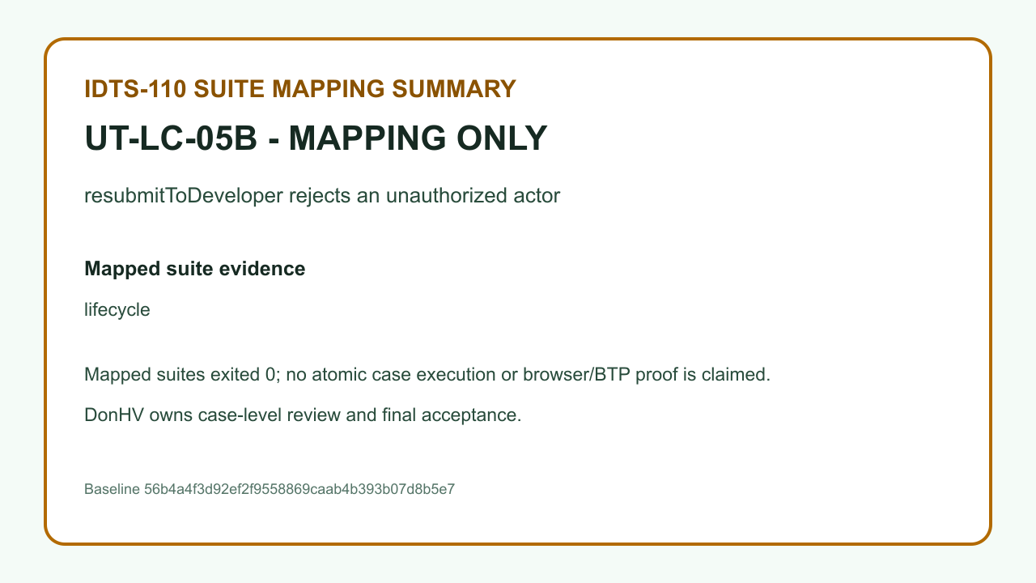

Case: UT-LC-05C | MAPPING_ONLY_NOT_PASS — The record proves suite-to-case traceability only. It is not an atomic execution, browser proof, BTP proof, or PASS result.

 | REVIEW BLOCKED — result.png — SHA-256 5B05AFFCEDF9B31DEC7AF7C77F4A23E095FAF713504F60E0815B886DD730B2F5


Case: UT-LC-05D | MAPPING_ONLY_NOT_PASS — The record proves suite-to-case traceability only. It is not an atomic execution, browser proof, BTP proof, or PASS result.

 | REVIEW BLOCKED — result.png — SHA-256 134EFFAFB2D288383ECBEB8CCF4FD413A9944AF35F343D5CFECB1080F152E67E


Case: UT-LC-05E | MAPPING_ONLY_NOT_PASS — The record proves suite-to-case traceability only. It is not an atomic execution, browser proof, BTP proof, or PASS result.

 | REVIEW BLOCKED — result.png — SHA-256 4D196B72348CF0B6F3A9A20EF59DFB7DCB7B160DF6AD0EADB438F1CEF2AFCE1E
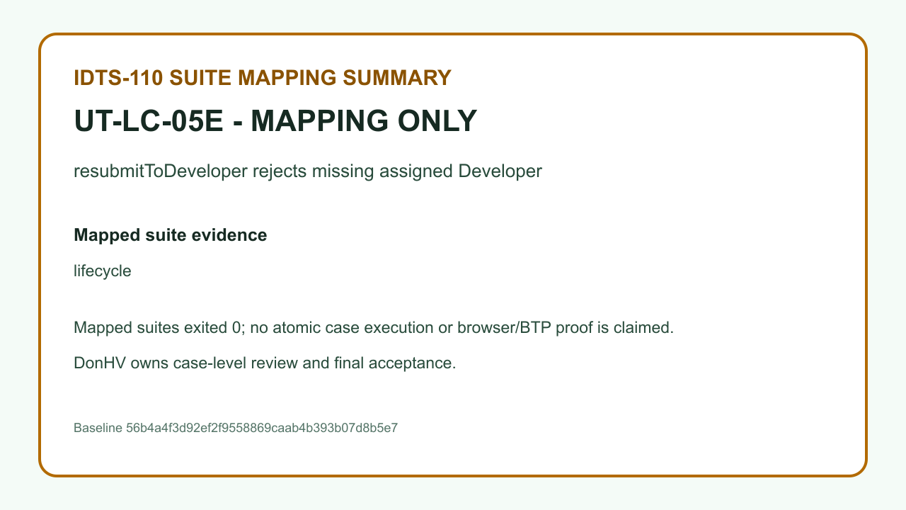

Case: UT-LC-06A | MAPPING_ONLY_NOT_PASS — The record proves suite-to-case traceability only. It is not an atomic execution, browser proof, BTP proof, or PASS result.

 | REVIEW BLOCKED — result.png — SHA-256 5BC56AF14D21EF44DECC72AAEF6E69E50C68FBF18DC0A7DF6008520F44C2E8A3


Case: UT-LC-06B | MAPPING_ONLY_NOT_PASS — The record proves suite-to-case traceability only. It is not an atomic execution, browser proof, BTP proof, or PASS result.

 | REVIEW BLOCKED — result.png — SHA-256 3795C7DAFDCC4F423AD7D2C4143737BA7665AE44176BBE7DAF574437BC7A2865


Case: UT-LC-06C | MAPPING_ONLY_NOT_PASS — The record proves suite-to-case traceability only. It is not an atomic execution, browser proof, BTP proof, or PASS result.

 | REVIEW BLOCKED — result.png — SHA-256 B61103E3A7C28CD406A872308802E1B82FEF6B57C40C9AD24EDC5BAFEADDB7F8


Case: UT-LC-06D | MAPPING_ONLY_NOT_PASS — The record proves suite-to-case traceability only. It is not an atomic execution, browser proof, BTP proof, or PASS result.

 | REVIEW BLOCKED — result.png — SHA-256 BA9780B981E6AB865EEDA06703EC99C9D58EADE45E6D1CB6456E78D2006ADD52


Case: UT-LC-06E | MAPPING_ONLY_NOT_PASS — The record proves suite-to-case traceability only. It is not an atomic execution, browser proof, BTP proof, or PASS result.

 | REVIEW BLOCKED — result.png — SHA-256 32244EF61766261F2A7B50E9FE2CF6FC1AA8F1781050A082682F78DB40B05996
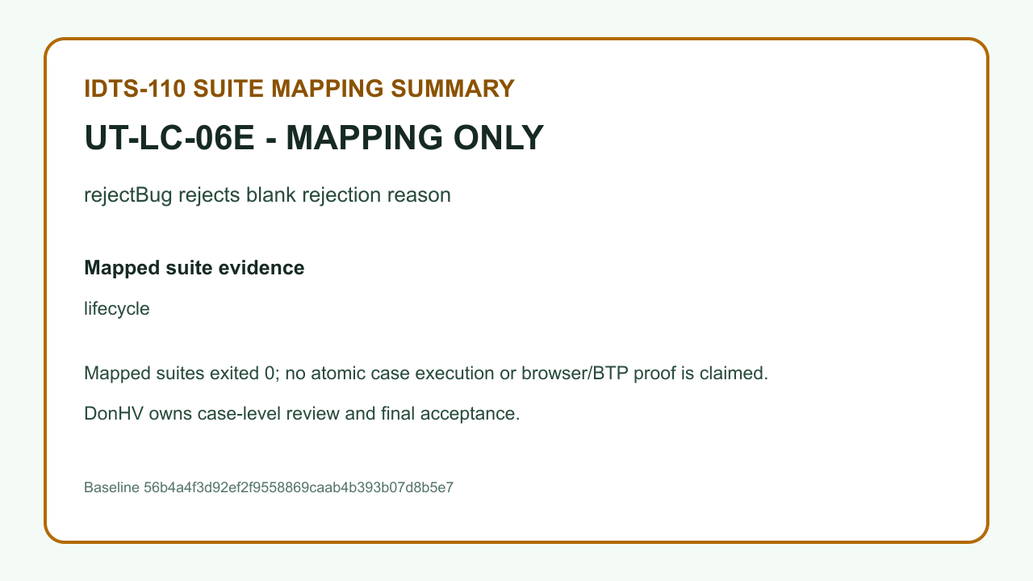

Case: UT-LC-07A | MAPPING_ONLY_NOT_PASS — The record proves suite-to-case traceability only. It is not an atomic execution, browser proof, BTP proof, or PASS result.

 | REVIEW BLOCKED — result.png — SHA-256 C9798562F1103DADCD4EBD7E974B7705D892119AF074B4D36EE64CD36185D27A


Case: UT-LC-07B | MAPPING_ONLY_NOT_PASS — The record proves suite-to-case traceability only. It is not an atomic execution, browser proof, BTP proof, or PASS result.

 | REVIEW BLOCKED — result.png — SHA-256 6497C8FDAA0B7FC6B55754774F8DFDB06A611F68BACC440347EC6F6FE13BC617


Case: UT-LC-07C | MAPPING_ONLY_NOT_PASS — The record proves suite-to-case traceability only. It is not an atomic execution, browser proof, BTP proof, or PASS result.

 | REVIEW BLOCKED — result.png — SHA-256 272BE82D1606FBB72C4879A0393FDF7F086077980AD389D671BA3684CC863D09


Case: UT-LC-07D | MAPPING_ONLY_NOT_PASS — The record proves suite-to-case traceability only. It is not an atomic execution, browser proof, BTP proof, or PASS result.

 | REVIEW BLOCKED — result.png — SHA-256 555232B44E7A833D1155E5ACACCA7C82B1DB52D8393E1E9962D5F416BEEECB55


Case: UT-LC-08A | MAPPING_ONLY_NOT_PASS — The record proves suite-to-case traceability only. It is not an atomic execution, browser proof, BTP proof, or PASS result.

 | REVIEW BLOCKED — result.png — SHA-256 FDDB6708B1ED217DE65A80CE5B554DAD8E60E33B465D82462261F261AB884D54


Case: UT-LC-08B | MAPPING_ONLY_NOT_PASS — The record proves suite-to-case traceability only. It is not an atomic execution, browser proof, BTP proof, or PASS result.

 | REVIEW BLOCKED — result.png — SHA-256 9FA98B1ABE34D60419F72F95532650FDFBFBCB3D6C1C4325688B96B5F955685B


Case: UT-LC-08C | MAPPING_ONLY_NOT_PASS — The record proves suite-to-case traceability only. It is not an atomic execution, browser proof, BTP proof, or PASS result.

 | REVIEW BLOCKED — result.png — SHA-256 C6602625246FF2A54C26060BF93A796AF80E1D54576570BDB60772EF21675CCB


Case: UT-LC-08D | MAPPING_ONLY_NOT_PASS — The record proves suite-to-case traceability only. It is not an atomic execution, browser proof, BTP proof, or PASS result.

 | REVIEW BLOCKED — result.png — SHA-256 9DAACB618593A9D19BE328B43ADD8EB91E3791E2A31A40DCD2BFB762780013F6


Case: UT-LC-08E | MAPPING_ONLY_NOT_PASS — The record proves suite-to-case traceability only. It is not an atomic execution, browser proof, BTP proof, or PASS result.

 | REVIEW BLOCKED — result.png — SHA-256 A361D0B2588D12B554CCE8CB1A95D2C45F8C20754919B56FB9C0AF8B65C389E8


Case: UT-LC-09A | MAPPING_ONLY_NOT_PASS — The record proves suite-to-case traceability only. It is not an atomic execution, browser proof, BTP proof, or PASS result.

 | REVIEW BLOCKED — result.png — SHA-256 B38750DBC7A8265E7C8BAFCBDCBB1F79EA5BF342040FE699BFEE4F145B499D00


Case: UT-LC-09B | MAPPING_ONLY_NOT_PASS — The record proves suite-to-case traceability only. It is not an atomic execution, browser proof, BTP proof, or PASS result.

 | REVIEW BLOCKED — result.png — SHA-256 9EFB72F61E60E7C04883B3660D04D9D84E2B7E2311D165E1F95784E154032AD9


Case: UT-LC-09C | MAPPING_ONLY_NOT_PASS — The record proves suite-to-case traceability only. It is not an atomic execution, browser proof, BTP proof, or PASS result.

 | REVIEW BLOCKED — result.png — SHA-256 CD60EC271A0B3A0357416C96BDD7C780B796FC39C0995784DE6724F2F5F50339


Case: UT-LC-10A | MAPPING_ONLY_NOT_PASS — The record proves suite-to-case traceability only. It is not an atomic execution, browser proof, BTP proof, or PASS result.

 | REVIEW BLOCKED — result.png — SHA-256 5AB9A86C5789D4027D1AEA2B5AA3CED6952F22EDE0C3B1984FF58A20CB7CEE51


Case: UT-LC-10B | MAPPING_ONLY_NOT_PASS — The record proves suite-to-case traceability only. It is not an atomic execution, browser proof, BTP proof, or PASS result.

 | REVIEW BLOCKED — result.png — SHA-256 E357A87539D00E0386D69B9E635A4F9BB75339CDAD44D59C571AFBB72E858DF5


Case: UT-LC-10C | MAPPING_ONLY_NOT_PASS — The record proves suite-to-case traceability only. It is not an atomic execution, browser proof, BTP proof, or PASS result.

 | REVIEW BLOCKED — result.png — SHA-256 7FC64545D393AACD5F1CD5EFB11750ABF9264A6441C386BDB0EA0B4628712604


Case: UT-LC-11A | MAPPING_ONLY_NOT_PASS — The record proves suite-to-case traceability only. It is not an atomic execution, browser proof, BTP proof, or PASS result.

 | REVIEW BLOCKED — result.png — SHA-256 84EFDE5D2BB23BE7F941A4928ACCC7B5D91A344715C53050904F45EEC93D7FE5


Case: UT-LC-11B | MAPPING_ONLY_NOT_PASS — The record proves suite-to-case traceability only. It is not an atomic execution, browser proof, BTP proof, or PASS result.

 | REVIEW BLOCKED — result.png — SHA-256 803A18FB95ED00C671EC37661C2A0B62BBAA166A03C823A3B0DBD571F39FFADA


Case: UT-LC-11C | MAPPING_ONLY_NOT_PASS — The record proves suite-to-case traceability only. It is not an atomic execution, browser proof, BTP proof, or PASS result.

 | REVIEW BLOCKED — result.png — SHA-256 1BD2D9555200FCBFF5C3371D196CF1811FFCED302410D57919D51F2F661B970A


Case: UT-LC-11D | MAPPING_ONLY_NOT_PASS — The record proves suite-to-case traceability only. It is not an atomic execution, browser proof, BTP proof, or PASS result.

 | REVIEW BLOCKED — result.png — SHA-256 7FD41E5141EE22C81B0B5AFE7252092544F8FC1C62FC801F5ED5797CA51E1AE4


Case: UT-CMT-001 | MAPPING_ONLY_NOT_PASS — The record proves suite-to-case traceability only. It is not an atomic execution, browser proof, BTP proof, or PASS result.

 | REVIEW BLOCKED — result.png — SHA-256 7A705242D065A90C4AD24EE86FD379DD62A99FD58CA90CD8DA6EF53CA53F7150


Case: UT-CMT-002 | MAPPING_ONLY_NOT_PASS — The record proves suite-to-case traceability only. It is not an atomic execution, browser proof, BTP proof, or PASS result.

 | REVIEW BLOCKED — result.png — SHA-256 72D1840F550535E37735340BBE8A9DCAD8AFAC3868558FA61F2484B702C51A93


Case: UT-CMT-003 | MAPPING_ONLY_NOT_PASS — The record proves suite-to-case traceability only. It is not an atomic execution, browser proof, BTP proof, or PASS result.

 | REVIEW BLOCKED — result.png — SHA-256 179F1FAFEE2EC08FBD40B5FCE110C5D87051246DFCABA8E78BCB20E44437F279


Case: UT-CMT-004 | ACCEPTED_CANDIDATE — DonHV accepted the candidate assertion and its case-specific evidence for documentation integration; this does not update the approved workbook or make a final project acceptance claim.

 | result.png — SHA-256 CFF84339FDC8A1446C46624299F2E645FFB2393D4EC17AE8A96543D7BC40089C


 | before-database.png — SHA-256 DFF88D3CBD9A057A402BF6669BF731D36FA54058EE9FAD855AFA5079BB00C933


 | after-database.png — SHA-256 D38F53F9393B0838F933A01A11BEC1450A6190F4146F2C2A59F44DC0CE190490


 | reload-readback.png — SHA-256 77C1BEA657F39B9409CA4EA298E0DFC8DCAC5DEEFB2A09E57B917BBDF1D5C215


Case: UT-CMT-005 | ACCEPTED_CANDIDATE — DonHV accepted the candidate assertion and its case-specific evidence for documentation integration; this does not update the approved workbook or make a final project acceptance claim.

 | result.png — SHA-256 B07FE5D6B94018A9062D4643D9C5404F391ACEB3DE21FF320C37B68858E4FFDA


 | before-database.png — SHA-256 85B1C6990A4D3D905829633D16783092258EDAA24D68AF04D9274C63D32CD7DD


 | after-database.png — SHA-256 B053E2BAC507E4FDA2487749C776F188B1565470793464DCECADF7B3AA999F38


 | reload-readback.png — SHA-256 6CBCF48BE67557FDC6FADE4D47470627ECA40E6EC96758FC129B0502E3BE5D16


Case: UT-CMT-006 | MAPPING_ONLY_NOT_PASS — The record proves suite-to-case traceability only. It is not an atomic execution, browser proof, BTP proof, or PASS result.

 | REVIEW BLOCKED — result.png — SHA-256 4477BBB5E9A16C1A82A51C737FB121C0D1B23C56113FBB770675DF48BCE9436F


Case: UT-CMT-007 | MAPPING_ONLY_NOT_PASS — The record proves suite-to-case traceability only. It is not an atomic execution, browser proof, BTP proof, or PASS result.

 | REVIEW BLOCKED — result.png — SHA-256 59E4D7F021C20AB80AA7441EEA45BDC4DC9FB225835CA3DAACB6255114261114


Case: UT-CMT-008 | ACCEPTED_CANDIDATE — DonHV accepted the candidate assertion and its case-specific evidence for documentation integration; this does not update the approved workbook or make a final project acceptance claim.

 | result.png — SHA-256 5F80573494F5372A0A58BCE2D85DE8B8D444939FD21FC03A2495A9F1CD44AF1E


 | before-database.png — SHA-256 AAEE3FB23254AB781BD96565152AA837737D45CCB31FDB709EB9E5BA08D22157


 | after-database.png — SHA-256 C76D24A76B5E14860199C288506BD1DE9BC40623D56CE952CF2081C8E54FAE99


 | reload-readback.png — SHA-256 2E467729C124E1C2E4B51AE61042ABFFBCA45B1AD051E92CFCC78E306AA8957F


Case: UT-ATT-001 | MAPPING_ONLY_NOT_PASS — The record proves suite-to-case traceability only. It is not an atomic execution, browser proof, BTP proof, or PASS result.

 | REVIEW BLOCKED — result.png — SHA-256 18CE673D67E013DFED29DC09180E4CBE8F1A7BAA1598686763428554A6DC5B3A


Case: UT-ATT-002 | MAPPING_ONLY_NOT_PASS — The record proves suite-to-case traceability only. It is not an atomic execution, browser proof, BTP proof, or PASS result.

 | REVIEW BLOCKED — result.png — SHA-256 270891167C9EDF4A949CCD7B020F6F446771747F6D8484810D93C3028138599D


Case: UT-ATT-003 | BLOCKED_PENDING_MEMBER_EVIDENCE — The assertion still requires member-owned SAP BTP/HANA/XSUAA/external-service evidence and remains blocked.

 | REVIEW BLOCKED — result.png — SHA-256 7DB2C3B560C4BB1BB37C202097DBC990E38E0728CF544F385C9FB3A435B1EF81


Case: UT-ATT-004 | BLOCKED_PENDING_MEMBER_EVIDENCE — The assertion still requires member-owned SAP BTP/HANA/XSUAA/external-service evidence and remains blocked.

 | REVIEW BLOCKED — result.png — SHA-256 C6C57DC411AB7B56AC0A3E1EF454ECEE954435B107F13D400355441722AAE2D6


Case: UT-ATT-005 | BLOCKED_PENDING_MEMBER_EVIDENCE — The assertion still requires member-owned SAP BTP/HANA/XSUAA/external-service evidence and remains blocked.

 | REVIEW BLOCKED — result.png — SHA-256 5C53E20C751E12A042ECBCA26DCCC8240E6B19B57405167ED944F60E4DA48CF0


Case: UT-ATT-006 | BLOCKED_PENDING_MEMBER_EVIDENCE — The assertion still requires member-owned SAP BTP/HANA/XSUAA/external-service evidence and remains blocked.

 | REVIEW BLOCKED — result.png — SHA-256 68C2143E7E3047B9F615B1E36581C04B7185522DF309D4540AD7B35BFC12089B


Case: UT-ATT-007 | HELD_FOR_EXACT_HEAD_ACCEPTANCE — Preserve NhanT's historical deployed-control candidate PASS, but do not accept it as exact-head proof until the generated attachment control is rerun on the intended deployed head.

 | REVIEW BLOCKED — result.png — SHA-256 796D679D55BAA487D133F128A50366C6405437B150FF5F740B45ADD583015C10


 | REVIEW BLOCKED — runtime-generated-control.png — SHA-256 34BC3649E916F634DB09F3C8752AA5CE98F7DD31265134E9EE645ED802633063


Case: UT-ATT-008 | HELD_FOR_EXACT_HEAD_ACCEPTANCE — Preserve NhanT's historical deployed-control candidate PASS, but do not accept it as exact-head proof until the generated attachment control is rerun on the intended deployed head.

 | REVIEW BLOCKED — result.png — SHA-256 56417006E62876D9A09699E97277C2CAD4450174194AAA4E7B7C0D38172491B9


 | REVIEW BLOCKED — runtime-generated-control.png — SHA-256 1F1D0CBC4B0602D97F7382B44A32607A2AC58550F889A58C929330DDC5478A49


Case: UT-ATT-009 | ACCEPTED_CANDIDATE — DonHV accepted the candidate assertion and its case-specific evidence for documentation integration; this does not update the approved workbook or make a final project acceptance claim.

 | result.png — SHA-256 694BC384FE0FDF52E6EC000534C2F07DC13BF54887190A871F7B772B0E9E79AD


 | before-database.png — SHA-256 A9E0D06626D48465ABC19817BF77033CCBEE2D62DCFB97493CB258E2079AC9CB


 | after-database.png — SHA-256 E8C875B8B00EF27BBD7319339336637B192ADC0BD597F5BBDEA9E8E67D0CC380


 | reload-readback.png — SHA-256 779F18EFB381F9016A2537D1009E46D93DF3574F9EF743278BD482C829A15B8D


Case: UT-ATT-010 | BLOCKED_PENDING_MEMBER_EVIDENCE — The assertion still requires member-owned SAP BTP/HANA/XSUAA/external-service evidence and remains blocked.

 | REVIEW BLOCKED — result.png — SHA-256 C43CAB60A26A57172504060E00823FBEE48AA943160F12CFEDCA531989E832CE


Case: UT-ATT-011 | BLOCKED_PENDING_MEMBER_EVIDENCE — The assertion still requires member-owned SAP BTP/HANA/XSUAA/external-service evidence and remains blocked.

 | REVIEW BLOCKED — result.png — SHA-256 3390768D8D7F4A60CA2054A02A561EA7A8B89CF37345AB62F101A3C15DD92E31


Case: UT-ATT-012 | BLOCKED_PENDING_MEMBER_EVIDENCE — The assertion still requires member-owned SAP BTP/HANA/XSUAA/external-service evidence and remains blocked.

 | REVIEW BLOCKED — result.png — SHA-256 B3E0AEF9F5CF5EB7F4D2A0161D5BFF2D4A60ABAFEB8C0AD5696183527A49B7BE


Case: UT-HIS-001 | MAPPING_ONLY_NOT_PASS — The record proves suite-to-case traceability only. It is not an atomic execution, browser proof, BTP proof, or PASS result.

 | REVIEW BLOCKED — result.png — SHA-256 387650FE92EEE3C2E6648E99203D60B5A07D49397264CD22C9E62816C61210B5


Case: UT-HIS-002 | MAPPING_ONLY_NOT_PASS — The record proves suite-to-case traceability only. It is not an atomic execution, browser proof, BTP proof, or PASS result.

 | REVIEW BLOCKED — result.png — SHA-256 0AEB09B61F3AFD104B634A677815F632FF913FE26B1BAA637EF769ECFF72242D


Case: UT-HIS-003 | MAPPING_ONLY_NOT_PASS — The record proves suite-to-case traceability only. It is not an atomic execution, browser proof, BTP proof, or PASS result.

 | REVIEW BLOCKED — result.png — SHA-256 5F158865D29ABC785DAC2640841CA6E8A44C0C87BC3446EDA253EC932E53B24B


Case: UT-HIS-004 | MAPPING_ONLY_NOT_PASS — The record proves suite-to-case traceability only. It is not an atomic execution, browser proof, BTP proof, or PASS result.

 | REVIEW BLOCKED — result.png — SHA-256 2E6F9DAC1DEF5886F8513E3894FF107FF9A52283F2BBADA12D8EEB3E0B7BB580


Case: UT-HIS-005 | MAPPING_ONLY_NOT_PASS — The record proves suite-to-case traceability only. It is not an atomic execution, browser proof, BTP proof, or PASS result.

 | REVIEW BLOCKED — result.png — SHA-256 656647C886C2119A06EF6F02A7FFFC89D457C3B348AEB2A343EF29FA7E80865B


Case: UT-HIS-006 | MAPPING_ONLY_NOT_PASS — The record proves suite-to-case traceability only. It is not an atomic execution, browser proof, BTP proof, or PASS result.

 | REVIEW BLOCKED — result.png — SHA-256 63ED917B9F8833E29958BD5F7B27FCC4E976662BD9331992DCCDDF2C1E8820C0


Case: UT-HIS-007 | MAPPING_ONLY_NOT_PASS — The record proves suite-to-case traceability only. It is not an atomic execution, browser proof, BTP proof, or PASS result.

 | REVIEW BLOCKED — result.png — SHA-256 3FC14D22E03E63F51620350BEFC4F9249925ACE7F752AC90F3B9957D75B15829


Case: UT-NTF-001 | MAPPING_ONLY_NOT_PASS — The record proves suite-to-case traceability only. It is not an atomic execution, browser proof, BTP proof, or PASS result.

 | REVIEW BLOCKED — result.png — SHA-256 0712F06DAC59B1F02D83B7C0F33F48224BF5D1829B10317746E190923993D6BB


Case: UT-NTF-002 | MAPPING_ONLY_NOT_PASS — The record proves suite-to-case traceability only. It is not an atomic execution, browser proof, BTP proof, or PASS result.

 | REVIEW BLOCKED — result.png — SHA-256 2906C7EBB762729FA03A9EF92BD9606617EE5488C3ECD425650610347AD39381


Case: UT-NTF-003 | MAPPING_ONLY_NOT_PASS — The record proves suite-to-case traceability only. It is not an atomic execution, browser proof, BTP proof, or PASS result.

 | REVIEW BLOCKED — result.png — SHA-256 F27E168FC129D65333D44B93734BDD8DE1AF6E08D62C42674AB35A9D5858FDEC


Case: UT-NTF-004 | MAPPING_ONLY_NOT_PASS — The record proves suite-to-case traceability only. It is not an atomic execution, browser proof, BTP proof, or PASS result.

 | REVIEW BLOCKED — result.png — SHA-256 CA07D4DCC623F1E680F3733692C0548E843EF38B8F912559E4F42C39B4AC6568


Case: UT-NTF-005 | MAPPING_ONLY_NOT_PASS — The record proves suite-to-case traceability only. It is not an atomic execution, browser proof, BTP proof, or PASS result.

 | REVIEW BLOCKED — result.png — SHA-256 D308E61125E43C4557DB5F81D7B8BF645EE5A938F4CAA3DCDBF555ACBBDE57FD


Case: UT-NTF-006 | MAPPING_ONLY_NOT_PASS — The record proves suite-to-case traceability only. It is not an atomic execution, browser proof, BTP proof, or PASS result.

 | REVIEW BLOCKED — result.png — SHA-256 13B70AB6210CEC162A4A0FD831E457DCE65F32DC64448F00D71629F663A2E251


Case: UT-NTF-007 | MAPPING_ONLY_NOT_PASS — The record proves suite-to-case traceability only. It is not an atomic execution, browser proof, BTP proof, or PASS result.

 | REVIEW BLOCKED — result.png — SHA-256 5838FF7105BAF7AB215AD74D32BF48464B28EF5CE0298BBFC56A76A74FC34BF7


Case: UT-NTF-008 | MAPPING_ONLY_NOT_PASS — The record proves suite-to-case traceability only. It is not an atomic execution, browser proof, BTP proof, or PASS result.

 | REVIEW BLOCKED — result.png — SHA-256 94E8FBE17FBCFA948B5C1CBAA45B5AA468D8CC46149963A6A74FE950B3F3DF3C


Case: UT-NTF-009 | ACCEPTED_CANDIDATE — DonHV accepted the candidate assertion and its case-specific evidence for documentation integration; this does not update the approved workbook or make a final project acceptance claim.

 | result.png — SHA-256 1B03981A4235D36ACA9EEE3AE06A2457F646BD7ED5DDA902C73F1A768702A09F


 | before-database.png — SHA-256 59BB54FB7518310E40B00BEDB2BC90A7412C1C622CB4FDCD489F9D55A83D2F3D


 | after-database.png — SHA-256 0488B05BA4C7BE6E081D9244644FE26617CF38145FC6202BFCFD15E9A849DE24


 | reload-readback.png — SHA-256 0CD47C03EE01F3A75E4EB755F9B6F2403133804B0E4037720CA9FEB6DD8829B5


Case: UT-NTF-010 | ACCEPTED_CANDIDATE — DonHV accepted the candidate assertion and its case-specific evidence for documentation integration; this does not update the approved workbook or make a final project acceptance claim.

 | result.png — SHA-256 ADEC6CD0907A50EC4AE14B945B2934297B29568B63D2D0C2D8F4381D2742A0EF


 | before-database.png — SHA-256 6A976E93E2526BC128C469800566489A58EA50058A61606F7C0EAD7729145BEC


 | after-database.png — SHA-256 FFC4893FF55669DC7842067C895E70B690603FB56322515CCCAE9C82616FE80E


 | reload-readback.png — SHA-256 2C6B4EFB75DD1D8C5913C52C85A20B8525D9CA62763FBE27B31FE80C2B9C6455


Case: UT-NTF-011 | ACCEPTED_CANDIDATE — DonHV accepted the candidate assertion and its case-specific evidence for documentation integration; this does not update the approved workbook or make a final project acceptance claim.

 | result.png — SHA-256 D45971F842EFB9600C171D2006281FE2F51BDAA352246A01A42D2A86E1A9EC75


 | before-database.png — SHA-256 074D6ECA68E807044A8B847BE0F5E85EDB665B6D979D8A92867A97A3E7DDA268


 | after-database.png — SHA-256 118DDACE6B27B44475F22F37BD5B63B1D2F22BA8C6E064E0F80609A0B0ED11B9


 | reload-readback.png — SHA-256 24A7A6FFEEF814FADA43855D8EF792DD881E7773B7FD4B180EF44AD801766CAF


Case: UT-NTF-012 | MAPPING_ONLY_NOT_PASS — The record proves suite-to-case traceability only. It is not an atomic execution, browser proof, BTP proof, or PASS result.

 | REVIEW BLOCKED — result.png — SHA-256 01AACD1EA3D361A5B4D8430B3F84D3885C15FF6ACDF6DD6A707EE99A9EE2F181


Case: UT-NTF-013 | BLOCKED_PENDING_MEMBER_EVIDENCE — The assertion still requires member-owned SAP BTP/HANA/XSUAA/external-service evidence and remains blocked.

 | REVIEW BLOCKED — result.png — SHA-256 1DECE03111D018B325CC172D4797DFD42CCBF755B48146136938B8A884A0EEC8


Case: UT-MON-001 | MAPPING_ONLY_NOT_PASS — The record proves suite-to-case traceability only. It is not an atomic execution, browser proof, BTP proof, or PASS result.

 | REVIEW BLOCKED — result.png — SHA-256 0181853C186D59503C40D7A171944633CF7EC9589336A4880352B3BA789E721E


Case: UT-MON-002 | MAPPING_ONLY_NOT_PASS — The record proves suite-to-case traceability only. It is not an atomic execution, browser proof, BTP proof, or PASS result.

 | REVIEW BLOCKED — result.png — SHA-256 C377B17EBC270A656E62A461302727817FF2FF13A734938337DC703890822896


Case: UT-MON-003 | MAPPING_ONLY_NOT_PASS — The record proves suite-to-case traceability only. It is not an atomic execution, browser proof, BTP proof, or PASS result.

 | REVIEW BLOCKED — result.png — SHA-256 41B505FA71AFEEB75D996B8B52F4C852DE2F3261E87ED0E7E503D5C84123DD6E


Case: UT-MON-004 | MAPPING_ONLY_NOT_PASS — The record proves suite-to-case traceability only. It is not an atomic execution, browser proof, BTP proof, or PASS result.

 | REVIEW BLOCKED — result.png — SHA-256 9777BFA80070258650DFBB56285C311FF6D18DB83AAFFF37D0DC3C74D62EC294


Case: UT-MON-005 | MAPPING_ONLY_NOT_PASS — The record proves suite-to-case traceability only. It is not an atomic execution, browser proof, BTP proof, or PASS result.

 | REVIEW BLOCKED — result.png — SHA-256 F27904AEF619626F49B381FCBB057EE339C9010924681642C768420816935115


Case: UT-MON-006 | MAPPING_ONLY_NOT_PASS — The record proves suite-to-case traceability only. It is not an atomic execution, browser proof, BTP proof, or PASS result.

 | REVIEW BLOCKED — result.png — SHA-256 C48F0FE8F841D9DA6765786F132F073349B8CE613E7179BE2185F5C83C3A8385


Case: UT-MON-007 | MAPPING_ONLY_NOT_PASS — The record proves suite-to-case traceability only. It is not an atomic execution, browser proof, BTP proof, or PASS result.

 | REVIEW BLOCKED — result.png — SHA-256 52F5C37A605232F76BD9FAEA4905092754A288C78E1A8265F121B86B3A56B789


Case: UT-AI-001 | ACCEPTED_CANDIDATE — DonHV accepted the candidate assertion and its case-specific evidence for documentation integration; this does not update the approved workbook or make a final project acceptance claim.

 | result.png — SHA-256 13BF7ADADACCEC25F59B0CEF364C68085690A1C0156F6A7FC2182EBBD7DE8A07


Case: UT-AI-002 | ACCEPTED_CANDIDATE — DonHV accepted the candidate assertion and its case-specific evidence for documentation integration; this does not update the approved workbook or make a final project acceptance claim.

 | result.png — SHA-256 3DFBC45397F75A339CB880691158409DB7DCF1E14D5BCFDAA2E9EFEE8D331289


Case: UT-AI-003 | ACCEPTED_CANDIDATE — DonHV accepted the candidate assertion and its case-specific evidence for documentation integration; this does not update the approved workbook or make a final project acceptance claim.

 | result.png — SHA-256 D53AE772EB4C771079DE7A27AC11AA72A330A419B975979836AF3993E1ACBA9E


Case: UT-AI-004 | ACCEPTED_CANDIDATE — DonHV accepted the candidate assertion and its case-specific evidence for documentation integration; this does not update the approved workbook or make a final project acceptance claim.

 | result.png — SHA-256 31C0182FE70A11B2339775924526205C4CE1ECF7106C5393FB4E817E498DE6C5


Case: UT-AI-005 | ACCEPTED_CANDIDATE — DonHV accepted the candidate assertion and its case-specific evidence for documentation integration; this does not update the approved workbook or make a final project acceptance claim.

 | result.png — SHA-256 0A473DC843933654F48D0482C08103E01B1CAC71A50FA87A39264B91B8B9D920


Case: UT-AI-006 | ACCEPTED_CANDIDATE — DonHV accepted the candidate assertion and its case-specific evidence for documentation integration; this does not update the approved workbook or make a final project acceptance claim.

 | result.png — SHA-256 720A40EC7B8317DD033AF196BD06C4C4DB87B7E5D290DD310858BC06E971DB9C


Case: UT-AI-007 | ACCEPTED_CANDIDATE — DonHV accepted the candidate assertion and its case-specific evidence for documentation integration; this does not update the approved workbook or make a final project acceptance claim.

 | result.png — SHA-256 B652358BFC01C0CF1DEA1D98775CE69C293095EC96789F448F9A944348BBF36D


Case: UT-AI-008 | MAPPING_ONLY_NOT_PASS — The record proves suite-to-case traceability only. It is not an atomic execution, browser proof, BTP proof, or PASS result.

 | REVIEW BLOCKED — result.png — SHA-256 9B1A80A48E3BA4BAC855F0A757925C217125C2FEFAD06ECE5D9EEFF710F42DDC


Case: UT-AI-009 | MAPPING_ONLY_NOT_PASS — The record proves suite-to-case traceability only. It is not an atomic execution, browser proof, BTP proof, or PASS result.

 | REVIEW BLOCKED — result.png — SHA-256 561061E1C0E2AF2ADFD05F80F6E3603DEEE9867259CCE2B28F20C17DCE67A9C1


Case: UT-AI-010 | MAPPING_ONLY_NOT_PASS — The record proves suite-to-case traceability only. It is not an atomic execution, browser proof, BTP proof, or PASS result.

 | REVIEW BLOCKED — result.png — SHA-256 ECDAE7439168837B956AC0225E64A13D1D0F9D1209C4A5F4888563D7506FD2B1


Case: UT-AI-011 | MAPPING_ONLY_NOT_PASS — The record proves suite-to-case traceability only. It is not an atomic execution, browser proof, BTP proof, or PASS result.

 | REVIEW BLOCKED — result.png — SHA-256 7E1CC09A05C42CC5CA607CE0CD2076599790A5D9A4011E0C59A5F7371267F4B9


Case: UT-AI-012 | MAPPING_ONLY_NOT_PASS — The record proves suite-to-case traceability only. It is not an atomic execution, browser proof, BTP proof, or PASS result.

 | REVIEW BLOCKED — result.png — SHA-256 08F9E259B43DE21C5F5968E80A6DEE7DD65E9A088457975C575A99CA9B1EF06C


Case: UT-AI-013 | MAPPING_ONLY_NOT_PASS — The record proves suite-to-case traceability only. It is not an atomic execution, browser proof, BTP proof, or PASS result.

 | REVIEW BLOCKED — result.png — SHA-256 80E49854DB27DF05824029C68F301B68D3A52221EEC31F5348C033BDA935655A


Case: UT-AI-014 | MAPPING_ONLY_NOT_PASS — The record proves suite-to-case traceability only. It is not an atomic execution, browser proof, BTP proof, or PASS result.

 | REVIEW BLOCKED — result.png — SHA-256 2F49B2E3A608BD5F985B4965B616974834B23C1F3AF1CD80D0C946AA9CBE88DD


Case: UT-AI-015 | MAPPING_ONLY_NOT_PASS — The record proves suite-to-case traceability only. It is not an atomic execution, browser proof, BTP proof, or PASS result.

 | REVIEW BLOCKED — result.png — SHA-256 726EE36A1AB2258083A1728284B68AB4EA1101A6A0834F9147354316EA43EBEF


Case: UT-AI-016 | MAPPING_ONLY_NOT_PASS — The record proves suite-to-case traceability only. It is not an atomic execution, browser proof, BTP proof, or PASS result.

 | REVIEW BLOCKED — result.png — SHA-256 DDE2E22BD5F978BEE2844DD8184F7477C07FA0710945D6FAB02010F3714D804A


Case: UT-AI-017 | MAPPING_ONLY_NOT_PASS — The record proves suite-to-case traceability only. It is not an atomic execution, browser proof, BTP proof, or PASS result.

 | REVIEW BLOCKED — result.png — SHA-256 F311DEC71ACCF1AC22957C5B0A77B37F4FC591263F41AF1CA1DD9C38BD6BABAE


Case: UT-AI-018 | MAPPING_ONLY_NOT_PASS — The record proves suite-to-case traceability only. It is not an atomic execution, browser proof, BTP proof, or PASS result.

 | REVIEW BLOCKED — result.png — SHA-256 D654A065E7EE8EE1B35ECAF6F80A67A2B313C3315896D82A1B7BCA67E36EA0E1


Case: UT-AI-019A | MAPPING_ONLY_NOT_PASS — The record proves suite-to-case traceability only. It is not an atomic execution, browser proof, BTP proof, or PASS result.

 | REVIEW BLOCKED — result.png — SHA-256 B21ACCD87D97ABDB890B2769201320ED13B1BA36C412F8C9B29AD8421E4D32D0


Case: UT-AI-019B | MAPPING_ONLY_NOT_PASS — The record proves suite-to-case traceability only. It is not an atomic execution, browser proof, BTP proof, or PASS result.

 | REVIEW BLOCKED — result.png — SHA-256 E22DB542E93C9BD33B9EFF1F196792C64DC3715A0DADFD72DDB06E36F5AE1D6F


Case: UT-AI-019C | MAPPING_ONLY_NOT_PASS — The record proves suite-to-case traceability only. It is not an atomic execution, browser proof, BTP proof, or PASS result.

 | REVIEW BLOCKED — result.png — SHA-256 97AD0FCFD97D9A7648464913D2B7003ACA069ABBD59DB514C689EF2D45FD82E1


Case: UT-AI-020 | MAPPING_ONLY_NOT_PASS — The record proves suite-to-case traceability only. It is not an atomic execution, browser proof, BTP proof, or PASS result.

 | REVIEW BLOCKED — result.png — SHA-256 90201DAD1633F3B003C1F3C0DBD2DB4D329D2C6185C23986F91A1F31EAB9FF68


Case: UT-AI-021 | MAPPING_ONLY_NOT_PASS — The record proves suite-to-case traceability only. It is not an atomic execution, browser proof, BTP proof, or PASS result.

 | REVIEW BLOCKED — result.png — SHA-256 B0494D61847BEDD0DD60D7306B06DC29182495670A4B7BB23D9E01E57860145C


Case: UT-AI-022 | MAPPING_ONLY_NOT_PASS — The record proves suite-to-case traceability only. It is not an atomic execution, browser proof, BTP proof, or PASS result.

 | REVIEW BLOCKED — result.png — SHA-256 F5085BD3D86132457F4B8E97153FC1C0143E31229C31CC6546830DF42F6B3068


Case: UT-AI-023 | MAPPING_ONLY_NOT_PASS — The record proves suite-to-case traceability only. It is not an atomic execution, browser proof, BTP proof, or PASS result.

 | REVIEW BLOCKED — result.png — SHA-256 2FF64AACF2A42FF885AD9B26ED83D24ADDD51BC739875730022470E1DCAFC8AF


Case: UT-AI-024 | MAPPING_ONLY_NOT_PASS — The record proves suite-to-case traceability only. It is not an atomic execution, browser proof, BTP proof, or PASS result.

 | REVIEW BLOCKED — result.png — SHA-256 A4E42B35CE27FBDA11F1257AB788D2BEB520D1D208227C6543697E8D6D924862


Case: UT-AI-025A | MAPPING_ONLY_NOT_PASS — The record proves suite-to-case traceability only. It is not an atomic execution, browser proof, BTP proof, or PASS result.

 | REVIEW BLOCKED — result.png — SHA-256 DCC295E3B29DA03A7742901C84ED2C2DAE16898B426E8B1458ED7AB1C5076DDA


Case: UT-AI-025B | MAPPING_ONLY_NOT_PASS — The record proves suite-to-case traceability only. It is not an atomic execution, browser proof, BTP proof, or PASS result.

 | REVIEW BLOCKED — result.png — SHA-256 67D9D6A835FF9B35F572D745C4994A4649B8EA1ABBAFEF24531C4E4CB30EC543


Case: UT-AI-026 | MAPPING_ONLY_NOT_PASS — The record proves suite-to-case traceability only. It is not an atomic execution, browser proof, BTP proof, or PASS result.

 | REVIEW BLOCKED — result.png — SHA-256 05CE8AE8CC4808DFFC57D9A26F163AEB4B23297D881943F37B446555C001FE9A


Case: UT-AI-027 | ACCEPTED_CANDIDATE — DonHV accepted the candidate assertion and its case-specific evidence for documentation integration; this does not update the approved workbook or make a final project acceptance claim.

 | result.png — SHA-256 90380B6D31908123582CB22086E4428C8F562010FE1A371CBE1F51AC88B96BF6


 | before-database.png — SHA-256 E05E74E7A626C32B4E2B843925261C57ADA9A1F68FD7E43137488D1B4B2C343F


 | after-database.png — SHA-256 45D1C4EA3FC1851A37EA07845AC39208910971B3138B76A38121FEF2F11C65A8


 | reload-readback.png — SHA-256 3C95EA3EC8A08FA7EE1885519A19FD22EC474E577B8DE2C5FF79C0FBB85830F4


Case: UT-SEC-001 | MAPPING_ONLY_NOT_PASS — The record proves suite-to-case traceability only. It is not an atomic execution, browser proof, BTP proof, or PASS result.

 | REVIEW BLOCKED — result.png — SHA-256 CDD59CC9E9BEEB9F6778F449F31BB8E53A142DA6CF5217BC3CE02A791BF1594E


Case: UT-SEC-002 | MAPPING_ONLY_NOT_PASS — The record proves suite-to-case traceability only. It is not an atomic execution, browser proof, BTP proof, or PASS result.

 | REVIEW BLOCKED — result.png — SHA-256 B9AC4BE03DBB399706EFDB0E52B2698FAA445D6A8CA9F556F25AF16CBCA74033


Case: UT-SEC-003 | MAPPING_ONLY_NOT_PASS — The record proves suite-to-case traceability only. It is not an atomic execution, browser proof, BTP proof, or PASS result.

 | REVIEW BLOCKED — result.png — SHA-256 D30F925725A9CC5AB55DA0E9AF9915B945D0A96C3D4575694AAE77C7EB9980CC


Case: UT-SEC-004 | MAPPING_ONLY_NOT_PASS — The record proves suite-to-case traceability only. It is not an atomic execution, browser proof, BTP proof, or PASS result.

 | REVIEW BLOCKED — result.png — SHA-256 F46D3682BE6B1E32A57233CA8F71AEF5454132C89BE6D1283DF5546B7ED48D36


Case: UT-SEC-005 | MAPPING_ONLY_NOT_PASS — The record proves suite-to-case traceability only. It is not an atomic execution, browser proof, BTP proof, or PASS result.

 | REVIEW BLOCKED — result.png — SHA-256 122D45222C1245E25DA20E30F2F664A9A198E372F963AD07AAE8672CA709F550


Case: UT-SEC-006 | MAPPING_ONLY_NOT_PASS — The record proves suite-to-case traceability only. It is not an atomic execution, browser proof, BTP proof, or PASS result.

 | REVIEW BLOCKED — result.png — SHA-256 E108E14CBC6E6533479F51C902974DD4762A12A4348F061D3BF802644EC3CA2E


Case: UT-SEC-007 | MAPPING_ONLY_NOT_PASS — The record proves suite-to-case traceability only. It is not an atomic execution, browser proof, BTP proof, or PASS result.

 | REVIEW BLOCKED — result.png — SHA-256 770B317C09D4742044C499CF8C9854CECFFBD2CA81680C881505F4E932F66362


Case: UT-SEC-008 | MAPPING_ONLY_NOT_PASS — The record proves suite-to-case traceability only. It is not an atomic execution, browser proof, BTP proof, or PASS result.

 | REVIEW BLOCKED — result.png — SHA-256 A13486A025DC83F2F608E98161648754554226C0CB4AA775901953A622DC6BE3

