Flow-Proccess
: Fix Area Price Calculation
: Handling Price Calculation (Incld.)
FLOW PROCESS RIM WAREHOUSE MANAGEMENT SYSTEMS
CUSTOMER | RIM |  |  |  | Delivery | MODULES :
 | MARKETING | INBOUND | STORING | OUTBOUND
 |  |  |  |  |  |  | 1. MASTER DATA
 |  |  |  |  |  |  | a. Warehouse
Sent by Email
 |  |  |  |  |  |  | - Site Plant
 |  |  |  |  |  |  | - Warehouse Area
Customer Order | Packing List Data |  |  |  |  |  | - Rack Location
Master Customer
* ID Customer
- Nama Customer
- Telephone
- Email
- Alamat-1
- Alamat-2
Master Data Barang
* ID Barang
- No Uniq
- Part Name
- Part Nomor
- QTy/Knbn
- UOM (Satuan)
- Kategori Barang
- Informasi Spesifikasi
- Vendor
(Confirm kedatangan by WA) |  |  |  |  |  |  | - Rate Calculation
 |  |  |  |  |  |  | (Delivery Price, Storage Price, Unloading Price, Loading Price,
 |  |  |  |  |  |  | Handling Price, Packing Price)

 |  |  |  |  |  |  | b. Measurement
 | Master Data |  |  |  |  |  | - Categories
 |  |  |  |  |  |  | - Units
 |  |  |  |  |  |  | - Packs

Site Plant
* Kode Area
- Nama Area
- Nama Lokasi
- Alamat Site
 |  |  |  |  |  |  | c. Transportation
Inbound Delivery |  | Unloading |  |  |  |  | - Trucks
(Packing List & Surat Jalan Supplier) |  |  |  |  |  |  | - Drivers

Barcode Pallet :
* ID_Palet
- Palet No.
- No Kendaraan
- Date in
- Location
- UOM (Satuan)
- Vehicle Number
- Kode Customer
- Part Nomor
- Part Unique
- Part Name
- Qty Kanban
- qty/Kanban
- Total Quantity
 |  |  |  |  |  |  | d. Customers
 |  |  |  |  |  |  | - Customer List
 |  |  |  |  |  |  | - Part List Customer
 |  | Regist & Print Barcode

 |  |  |  |  |  |  | 2. TRANSACTION
 |  |  |  |  |  |  | a. Rent Request
 |  |  |  |  |  |  | b. Inbound (Receiving)
 |  | Penempelan Barcode |  |  |  |  | c. Outbound (Shiping)
Inventory :
- Part Nomor
- ID Barang
- No Uniq
- Part Name
- Satuan
- Stock awal
- date in
- date out
- Peningkatan (in)
- Penurunan (out)
- Total
- Balance/GAP
 |  |  | Report Control Stock |  |  |  | d. Packing
 |  |  |  |  |  |  | e. Inventory Stock
 |  |  |  |  |  |  | - Stock Level Control
User :
* ID User
- Username PIC
- Password
- Role Kategory
- Nama PIC
- Kontak PIC - Email PIC
- Keterangan
 |  |  |  |  |  |  | - Stock Level Relocation
 |  |  |  |  |  |  | - Stock Taking
 |  | Scan Barcode | Inventory Stock |  |  |  | f. Invoice
 |  |  |  |  |  |  | 3. DASHBOARD
 |  |  |  |  |  |  | a. General
 |  |  |  |  |  |  | b. Rent Request
 |  |  |  |  |  |  | c. On Demand Stock
 |  |  |  |  |  |  | d. Incoming Proccess
Sent by Email
 |  | Putaway (Move to Storage) | Scan Label Barcode |  |  |  | e. Outcoming Proccess
 |  |  |  |  |  |  | f. Delivered
 |  |  |  |  |  |  | g. Transaction & Stock for Customers
Request Barang Keluar |  |  |  | Scan Label Kanban
 |  |  |  |  |  |  | 4. Report
Roles_access :
* Role ID
- Role Kategory
 |  |  |  |  |  |  | a. Laporan Barang Masuk
Rate Calculation :
- Kategori Layanan
(Handling, Storing, Delivery)
- Harga
- Harga Sebelum PPN
- Jumlah Harga
- PPN
 |  |  |  |  |  |  | b. Laporan Barang Keluar
 |  |  |  |  |  |  | c. Laporan Stock barang
 |  |  |  | Pickaway Pengambilan barang |  |  | d. Laporan Pengiriman
 |  |  |  |  |  |  | e. Delivery Order

 |  |  |  | Area Preparing

Delivery Order :
- DN Number
- DN Date
- DO Number
- Kode Customer
- Alamat Customer
- Part Nomor
- Part Unique
- Part Name
- Total Kanban
- Pcs/Kanban
- Total Quantity
- Date Out
 |  |  |  | Scan DN input kanban
Driver :
* Kode Driver
- Nama Driver
- Kontak Driver - Email Driver
- Perusahaan Driver
- Keterangan

 |  |  |  | DN & Surat Jalan

Invoice :
* ID Invoice
- Invoice No.
- Tgl Invoice
- Nama Customer
- Alamat Customer
- Part Nomor
- Part Unique
- Part Name
- Total Kanban
- Pcs/Kanban
- Total Quantity
 |  |  |  | Loading Outbound delivery | Outbound Delivery
Truck :
* Kode Kendaraan
- Jenis Kendaraan
- Vehicle Number
- Keterangan
- Perusahaan Kendaraan

 |  |  |  | Invoice

2. Sample Report
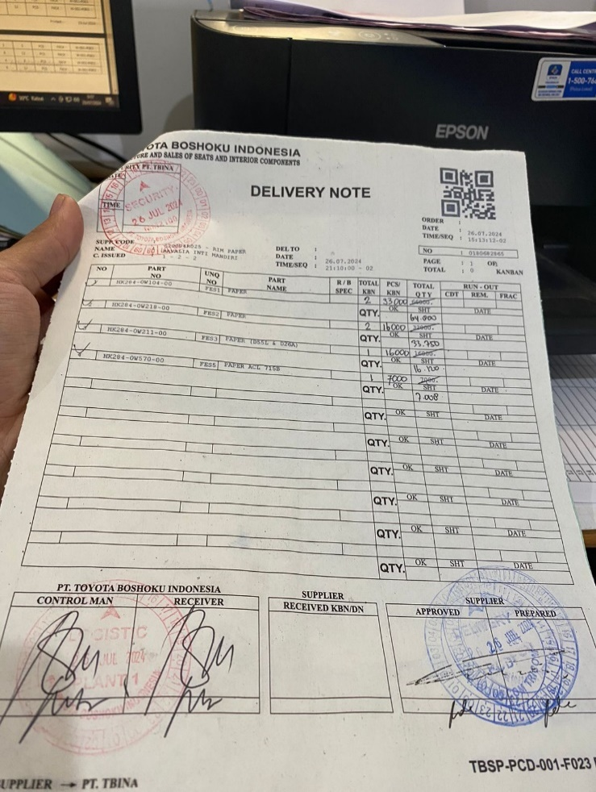
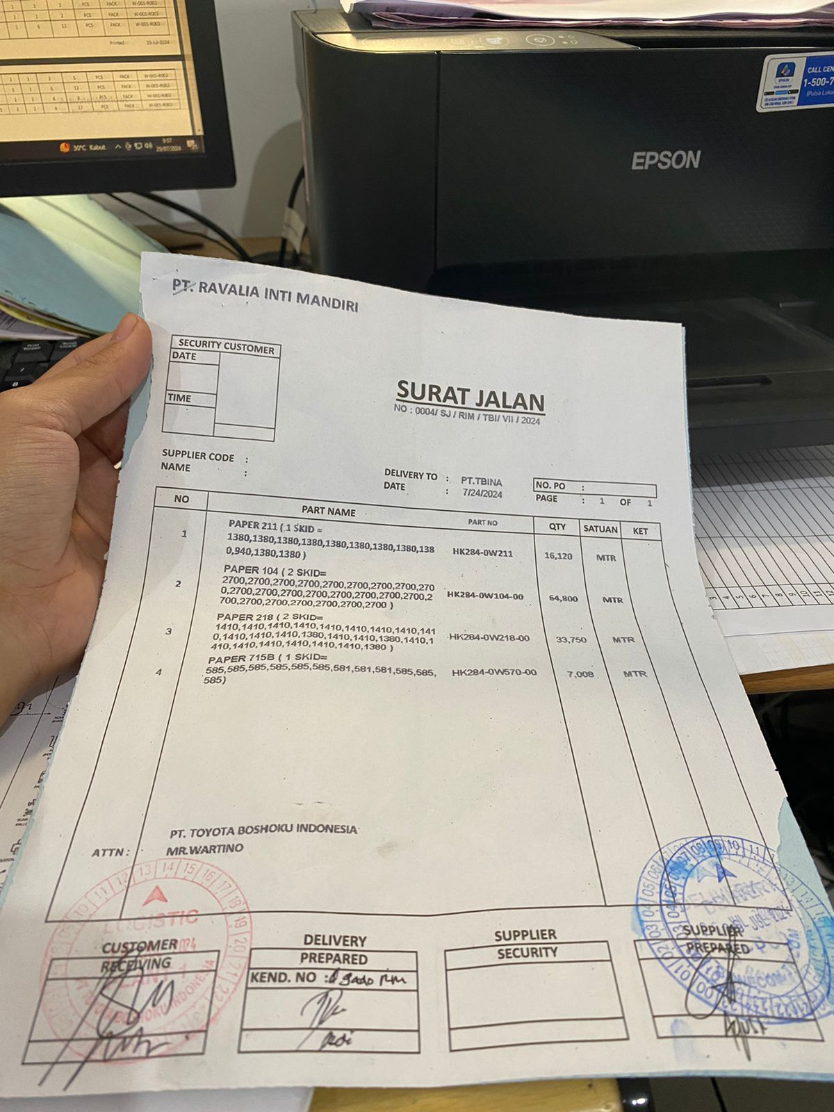
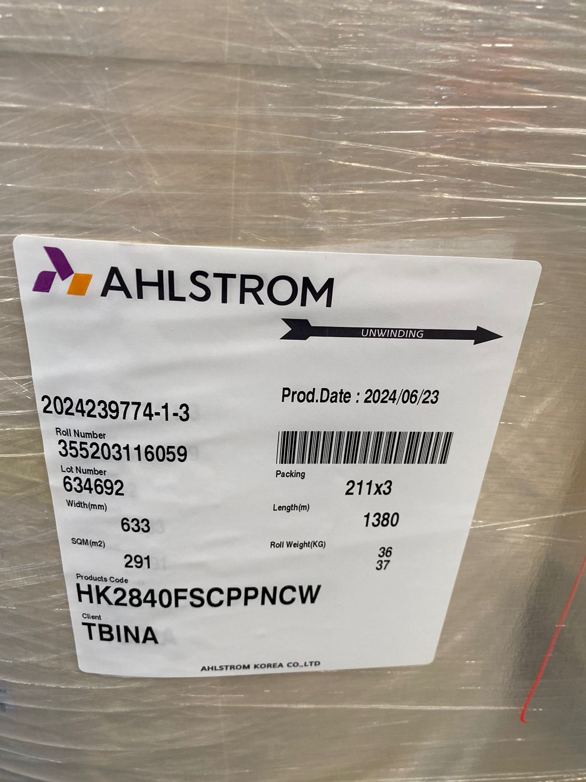
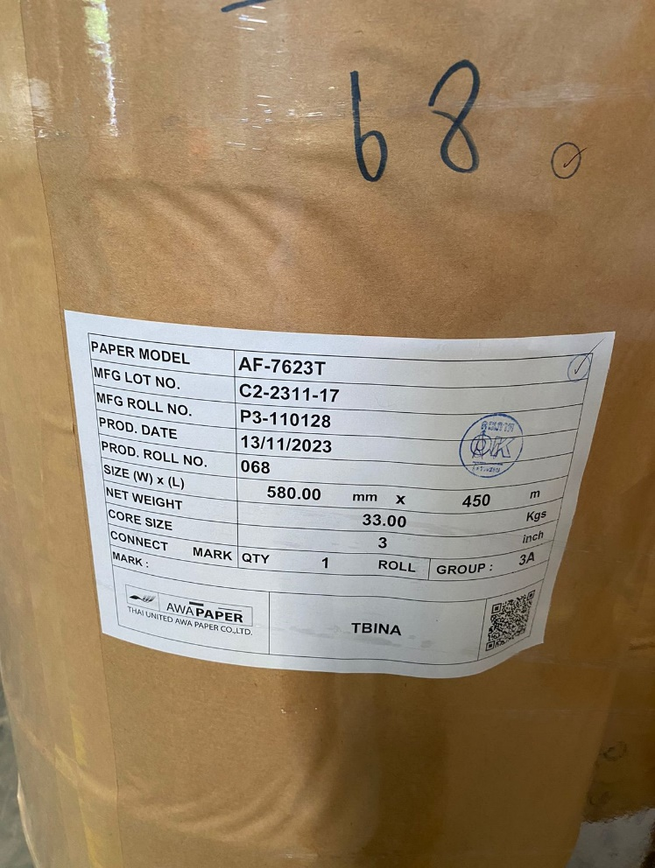

DN Customer | Surat Jalan | Label Packing Shipping

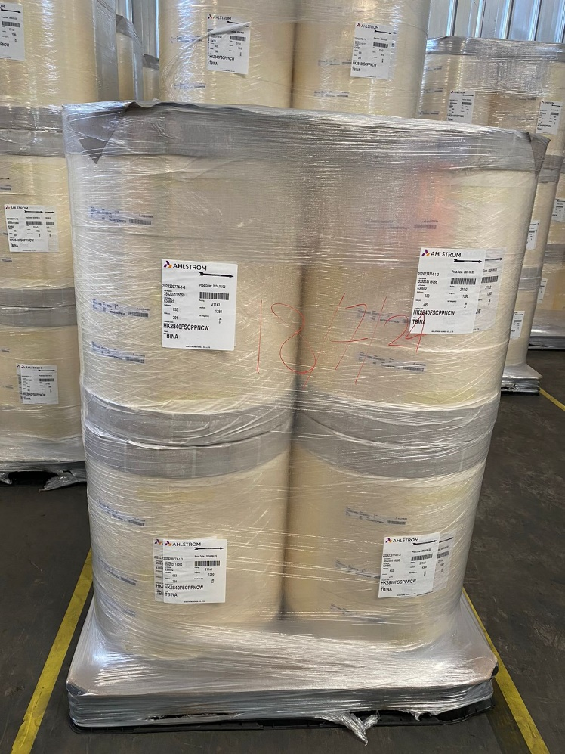
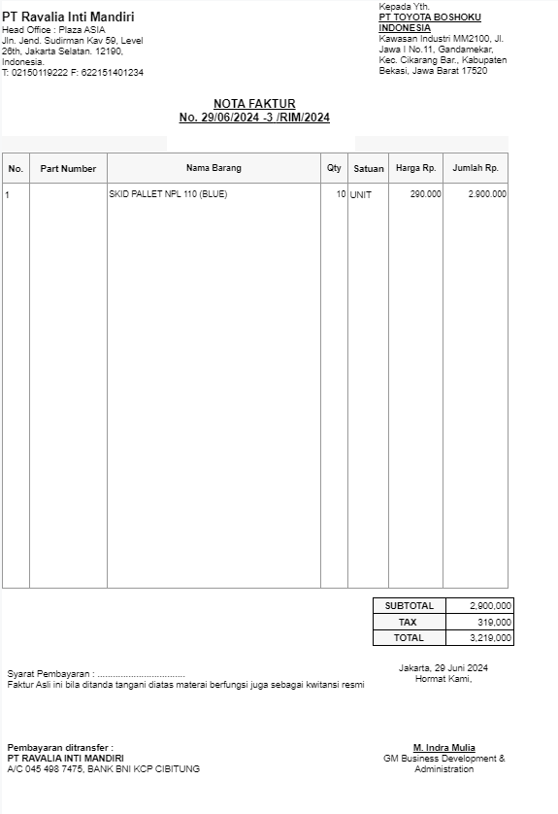

Sample item per palet (Paper), | Invoice
Panjang palet : 1 x 1
Panjang Roll : variatif sesuai uniq
Berat : variatif sesuai uniq

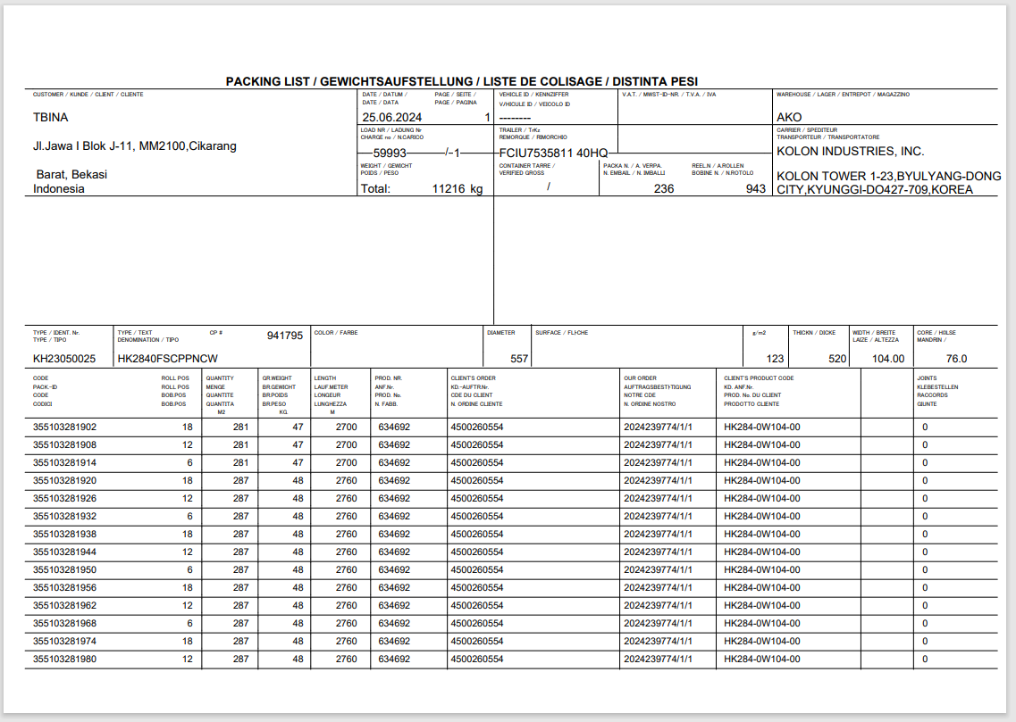

Packing List (by Email)

