Heating the Pipe
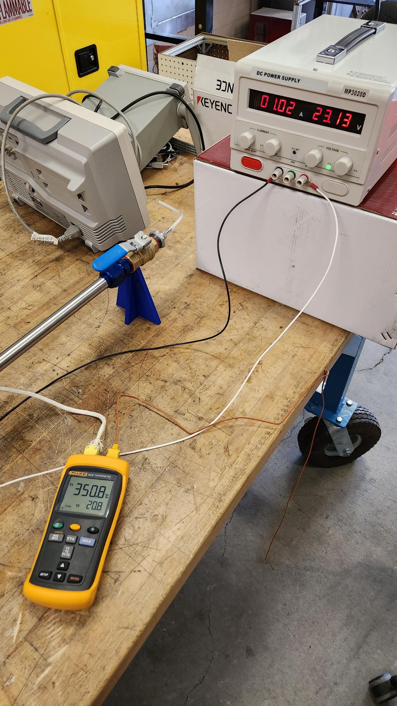
Testing the temperature of the pipe
2023-04-18
1:10pm
Prop Lab

0.9 A, ~20 V

Temperature from Thermocouple (°C)
Time (min) | Temp from Thermocouple (C) | Temp Increase (C)
0 | 22.8
10 | 171.2 | 148.4
15 | 195.8 | 24.6
20 | 211.9 | 16.1
25 | 226 | 14.1
30 | 237 | 11
35 | 246.1 | 9.1 | <- @35 min, increased to 24.92V & 1.13A
40 | 303 | 56.9
45 | 321.9 | 18.9
50 | 334.1 | 12.2
55 | 348 | 13.9 | <- @55 min, begin playing with voltage to find voltage that keeps it constant
60 | 350 |  | 24.22V 1.08A, still increasing

To hold steady @350 C: 23.1V, 1A
6 inches from center: 31C

To hold steady @300 C: 19.5V 0.86A

Time (min) | Temp from Thermocouple (C) | Temp Decrease (C)
0 | 300
1 | 266 | 34
2 | 252 | 14
3 | 238 | 14
4 | 226 | 12
5 | 214 | 12
6 | 204 | 10
7 | 195.5 | 8.5
9 | 180.9 | 14.6
10 | 174.2 | 6.7
11 | 168.2 | 6
12 | 162.4 | 5.8
13 | 156.9 | 5.5
14 | 152.1 | 4.8
15 | 147.2 | 4.9
20 | 126.4 | 20.8 |  | Time Contant: Time to get to 63.2% of the total temperature change
25 | 109.3 | 17.1 |  | Ambient | 75 | F
30 | 95.6 | 13.7 |  |  | 24 | C
35 | 85.5 | 10.1 |  | Change | 276 | C
40 | 75.4 | 10.1 |  | 63.20% | 175 | C
45 | 67.6 | 7.8 |  | Time | 10 | Minutes
55 | 54.6 | 13

Running the Electrolyzer
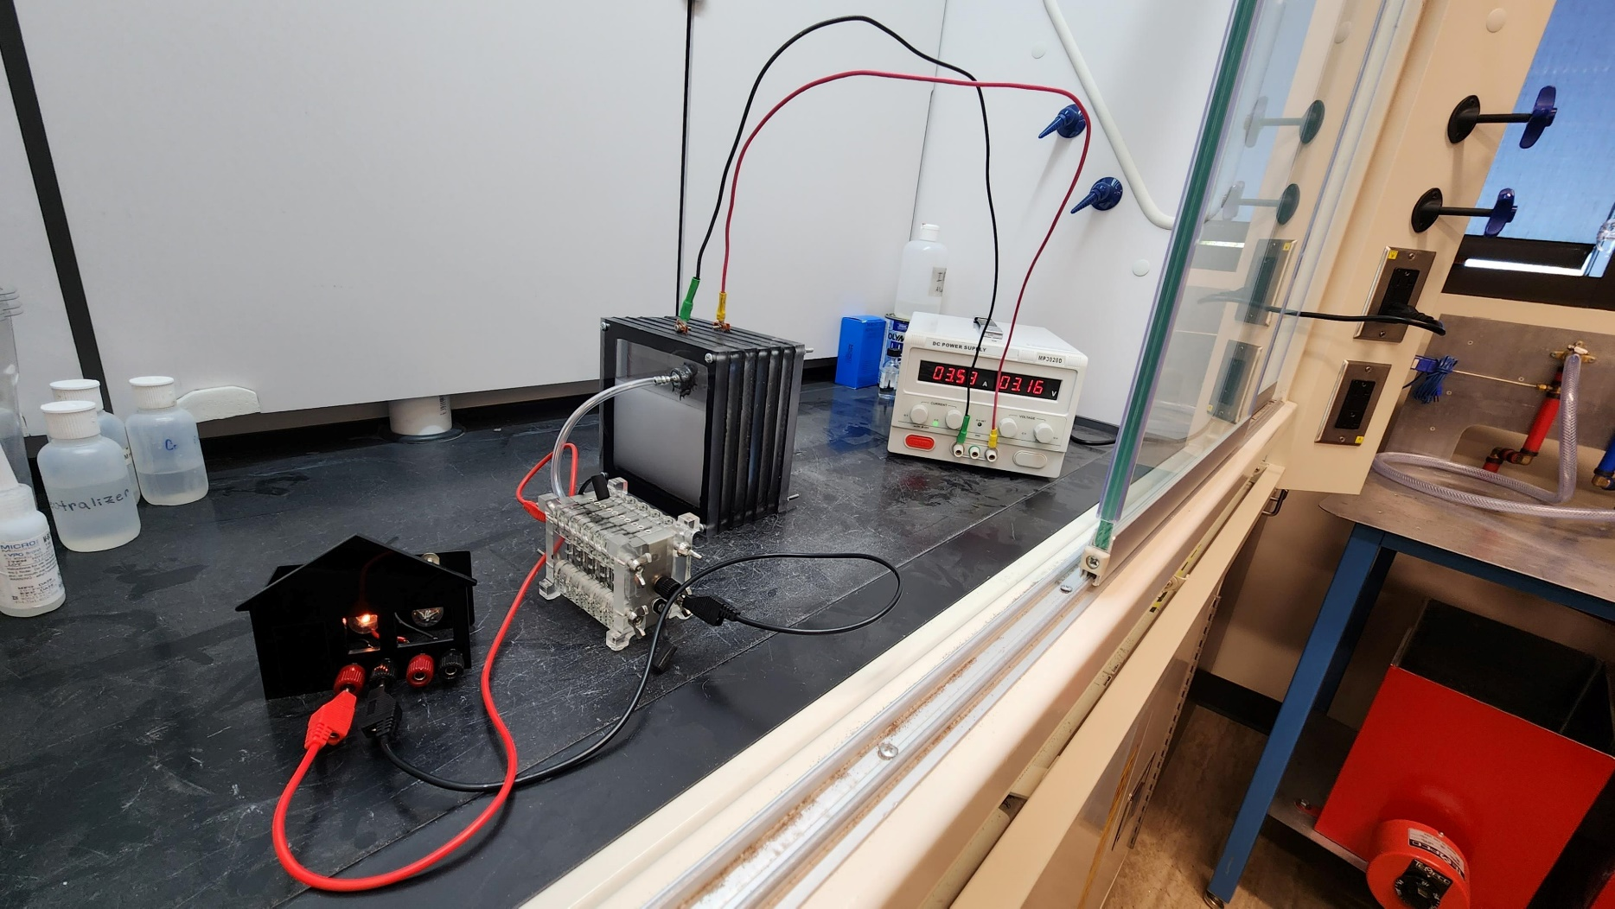
First run of the electrolyzer
2023-04-19
2:00pm
STEM 114

Supplied 1.23V to the electrolyzer by the power supply (minimum by the law of electrolysis)
Increased voltage incrementally until bubbles formed (visible hydrogen production)
Stopped increasing voltage when the fuel cell light turned on

3.16V & 3.53A

TTNC | Time to Not Cloudy
~2 min

Resistance of the electrolyzer
~ 21 kOhms initially
Decreased
~10.6 kOhms steady-state

Heating the Pipe (boil oil)
Heating the pipe to remove any excess cutting oil on the steel wool
2023-04-24
14:05:00
STEM 114

30V, ~1.4A

Time (min) | Temperature (C) | Temp Change
0 | 22.2
0.5 | 66.6 | 44.4
1 | 92.9 | 26.3
1.5 | 115 | 22.1
2 | 135 | 20
2.5 | 153 | 18
3 | 168.8 | 15.8
3.5 | 182.5 | 13.7
4 | 195.2 | 12.7
4.5 | 206.6 | 11.4
5 | 216.9 | 10.3
5.5 | 226 | 9.1
6 | 235.8 | 9.8
6.5 | 244.6 | 8.8
7 | 252.9 | 8.3
7.5 | 261.2 | 8.3
8 | 268.7 | 7.5
8.5 | 275.8 | 7.1
9 | 282.5 | 6.7
9.5 | 288.7 | 6.2
10 | 294.6 | 5.9
10.5 | 300.6 | 6
11 | 307.3 | 6.7
11.5 | 313.9 | 6.6
12 | 319.6 | 5.7
12.5 | 325 | 5.4
13 | 332 | 7
13.5 | 338 | 6
14 | 343.9 | 5.9
14.5 | 349 | 5.1
15 | 354.6 | 5.6

*note: the output of the power supply gradually decreased to about 29.85V after 15 minutes

