ESP32 Pinout
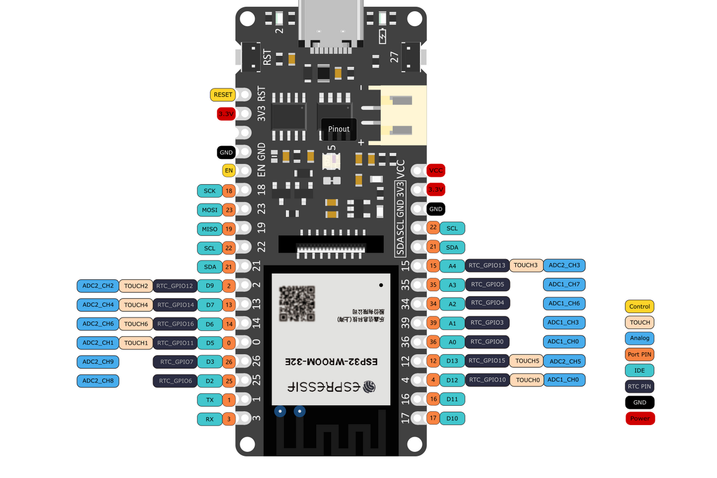

 |  |  |  |  |  |  |  | Legend
 |  |  |  |  |  |  |  |  | Boot Select pins, cannot be tied high or low at boot time
 |  |  |  |  |  |  |  |  | Analog input only
 |  |  |  |  |  |  |  |  | USB Serial Connection
 |  |  |  |  |  |  |  |  | I2C Interface

Description | Schematic Reference | Board Label | Pin # | Pin # | Board Label | Schematic Reference | Description
 |  | SCK | 18
 |  | MOSI | 23
 |  | MISO | 19 | 22 | SCL
 |  | SCL | 22 | 21 | SDA
 |  | SDA | 21 | 15 | A4 | MUX_A | select pin for 4:1 multiplexer
Tied to board debug LED |  | D9 | 2 | 35 | A3
SPI CS pin | CS | D7 | 13 | 34 | A2
433 MGHz Radio digital output pin | DOUT | D6 | 14 | 39 | A1
Dallas 3 wire/One wire interface pin | DQ | D5 | 0 | 36 | A0
Timing pin for TPL5000 | WAKE | D3 | 26 | 12 | D13 | MUX_B | select pin for 4:1 multiplexer
TPL5000 pin, low to high transition pats WDT | DONE | D2 | 25 | 4 | D12 | MUX_INH | multiplexer inhibit pin, if high, state of others doesn't matter
 |  | TX | 1 | 16 | D11 | RX_2
 |  | RX | 3 | 17 | D10 | TX_2

