Increase vs Decrease
Open | Close | Change | Value Increased | 190
57830.11 | 57005.43 | -824.68 | Value Decreased | 175
57291.9 | 57806.57 | 514.67
Percentage Change in Bitcoin Value Daily
54813.02 | 57248.46 | 2435.44
53736.43 | 54815.08 | 1078.65
58960.29 | 53569.76 | -5390.53
57165.42 | 57274.68 | 109.26
57565.85 | 56280.43 | -1285.42
56304.56 | 57569.07 | 1264.51
58706.85 | 56289.29 | -2417.56
59730.51 | 58730.48 | -1000.03
58115.08 | 59697.2 | 1582.12
56896.13 | 58119.58 | 1223.45
60360.14 | 56942.14 | -3418
60139.62 | 60368.01 | 228.39
63721.2 | 60161.25 | -3559.95
65521.29 | 63557.87 | -1963.42
64455.37 | 65466.84 | 1011.47
64158.12 | 64469.53 | 311.41
64863.98 | 64155.94 | -708.04
64978.89 | 64949.96 | -28.93
66953.34 | 64995.23 | -1958.11
67549.74 | 66971.83 | -577.91
63344.07 | 67566.83 | 4222.76
61554.92 | 63326.99 | 1772.07
61068.87 | 61527.48 | 458.61
61460.08 | 61125.67 | -334.41
62941.8 | 61452.23 | -1489.57
63254.33 | 62970.05 | -284.28
60963.25 | 63226.4 | 2263.15
61320.45 | 61004.41 | -316.04
61850.49 | 61318.96 | -531.53
62239.36 | 61888.83 | -350.53
60624.87 | 62227.96 | 1603.09
58470.73 | 60622.14 | 2151.41
60352 | 58482.39 | -1869.61
63032.76 | 60363.79 | -2668.97
60893.93 | 63039.83 | 2145.9
61368.34 | 60930.84 | -437.5
60694.63 | 61393.62 | 698.99
62237.89 | 60692.26 | -1545.63
66002.23 | 62210.17 | -3792.06
64284.59 | 65992.84 | 1708.25
62043.17 | 64261.99 | 2218.82
61548.8 | 62026.08 | 477.28
60887.65 | 61553.62 | 665.97
61609.53 | 60892.18 | -717.35
57345.9 | 61593.95 | 4248.05
57372.83 | 57321.53 | -51.3
56038.26 | 57401.1 | 1362.84
57526.83 | 56041.06 | -1485.77
54734.12 | 57484.79 | 2750.67
54952.82 | 54771.58 | -181.24
53929.78 | 54968.22 | 1038.44
53802.15 | 53967.85 | 165.7
55338.62 | 53805.99 | -1532.63
51486.67 | 55361.45 | 3874.78
49174.96 | 51514.81 | 2339.85
48208.91 | 49112.9 | 903.99
47680.03 | 48199.95 | 519.92
48137.47 | 47711.49 | -425.98
43816.74 | 48116.94 | 4300.2
41551.27 | 43790.9 | 2239.63
41064.98 | 41564.36 | 499.38
42200.9 | 41034.54 | -1166.36
43234.18 | 42235.73 | -998.45
42721.63 | 43208.54 | 486.91
42840.89 | 42716.59 | -124.3
44894.3 | 42839.75 | -2054.55
43560.3 | 44895.1 | 1334.8
40677.95 | 43574.51 | 2896.56
43012.23 | 40693.68 | -2318.55
47261.41 | 42843.8 | -4417.61
48268.86 | 47260.22 | -1008.64
47273.53 | 48278.36 | 1004.83
47771 | 47267.52 | -503.48
48158.91 | 47783.36 | -375.55
47098 | 48176.35 | 1078.35
44960.05 | 47092.49 | 2132.44
46057.22 | 44963.07 | -1094.15
45206.63 | 46063.27 | 856.64
44869.84 | 45201.46 | 331.62
46396.66 | 44883.91 | -1512.75
45774.74 | 46391.42 | 616.68
46827.76 | 46091.39 | -736.37
52660.48 | 46811.13 | -5849.35
51769 | 52633.54 | 864.54
49937.86 | 51753.41 | 1815.55
50009.33 | 49944.63 | -64.7
49288.25 | 50025.37 | 737.12
48807.85 | 49327.72 | 519.87
47099.77 | 48847.03 | 1747.26
47024.34 | 47166.69 | 142.35
48834.85 | 47054.98 | -1779.87
48911.25 | 48829.83 | -81.42
49072.59 | 48902.4 | -170.19
46894.56 | 49058.67 | 2164.11
49002.64 | 46942.22 | -2060.42
47727.26 | 48960.79 | 1233.53
49562.35 | 47706.12 | -1856.23
49291.68 | 49546.15 | 254.47
48869.1 | 49321.65 | 452.55
49327.07 | 48905.49 | -421.58
46723.12 | 49339.18 | 2616.06
44741.88 | 46717.58 | 1975.7
44686.75 | 44801.19 | 114.44
45936.46 | 44695.36 | -1241.1
47019.96 | 46004.48 | -1015.48
47096.67 | 47047 | -49.67
47810.69 | 47096.95 | -713.74
44439.69 | 47793.32 | 3353.63
45576.88 | 44428.29 | -1148.59
45599.7 | 45593.64 | -6.06
46280.85 | 45585.03 | -695.82
43791.93 | 46365.4 | 2573.47
44574.44 | 43798.12 | -776.32
42832.8 | 44555.8 | 1723
40865.87 | 42816.5 | 1950.63
39744.51 | 40869.55 | 1125.04
38213.33 | 39747.51 | 1534.18
39178.4 | 38152.98 | -1025.42
39907.26 | 39201.95 | -705.31
41460.84 | 39974.9 | -1485.94
42196.3 | 41626.2 | -570.1
40027.48 | 42235.55 | 2208.07
39995.45 | 40008.42 | 12.97
39503.19 | 39995.91 | 492.72
37276.04 | 39406.94 | 2130.9
35384.03 | 37337.53 | 1953.5
34290.29 | 35350.19 | 1059.9
33593.73 | 34292.45 | 698.72
32305.96 | 33581.55 | 1275.59
32138.87 | 32313.11 | 174.24
29796.29 | 32110.69 | 2314.4
30838.29 | 29807.35 | -1030.94
31800.01 | 30817.83 | -982.18
31533.88 | 31796.81 | 262.93
31397.31 | 31533.07 | 135.76
31841.55 | 31421.54 | -420.01
32827.87 | 31780.73 | -1047.14
32723.85 | 32822.35 | 98.5
33125.47 | 32702.03 | -423.44
34254.02 | 33155.85 | -1098.17
33509.08 | 34240.19 | 731.11
33811.24 | 33520.52 | -290.72
32861.67 | 33798.01 | 936.34
33889.61 | 32877.37 | -1012.24
34225.68 | 33855.33 | -370.35
33723.51 | 34235.19 | 511.68
35284.34 | 33746 | -1538.34
34665.56 | 35287.78 | 622.22
33854.42 | 34668.55 | 814.13
33549.6 | 33897.05 | 347.45
35035.98 | 33572.12 | -1463.86
35908.39 | 35040.84 | -867.55
34475.56 | 35867.78 | 1392.22
34679.12 | 34434.34 | -244.78
32287.52 | 34649.64 | 2362.12
31594.66 | 32186.28 | 591.62
34659.1 | 31637.78 | -3021.32
33682.8 | 34662.44 | 979.64
32515.71 | 33723.03 | 1207.32
31622.38 | 32505.66 | 883.28
35641.15 | 31676.69 | -3964.46
35563.14 | 35698.3 | 135.16
35854.53 | 35615.87 | -238.66
38099.48 | 35787.24 | -2312.24
38341.42 | 38053.5 | -287.92
40168.69 | 38347.06 | -1821.63
40427.17 | 40406.27 | -20.9
39016.97 | 40218.48 | 1201.51
35555.79 | 39097.86 | 3542.07
37340.14 | 35552.52 | -1787.62
36697.03 | 37334.4 | 637.37
37389.52 | 36702.6 | -686.92
33416.98 | 37345.12 | 3928.14
33589.52 | 33472.63 | -116.89
35835.27 | 33560.71 | -2274.56
35538.61 | 35862.38 | 323.77
36880.16 | 35551.96 | -1328.2
39242.49 | 36894.41 | -2348.08
37599.41 | 39208.77 | 1609.36
36699.92 | 37575.18 | 875.26
37293.79 | 36684.92 | -608.87
35658.59 | 37332.85 | 1674.26
34607.41 | 35678.13 | 1070.72
35684.16 | 34616.07 | -1068.09
38507.08 | 35697.61 | -2809.47
39316.89 | 38436.97 | -879.92
38392.62 | 39294.2 | 901.58
38795.78 | 38402.22 | -393.56
34700.36 | 38705.98 | 4005.62
37531.45 | 34770.58 | -2760.87
37371.03 | 37536.63 | 165.6
40596.95 | 37304.69 | -3292.26
36753.67 | 40782.74 | 4029.07
42944.98 | 37002.44 | -5942.54
43488.06 | 42909.4 | -578.66
46415.9 | 43537.51 | -2878.39
46716.64 | 46456.06 | -260.58
49855.49 | 46760.19 | -3095.3
49682.98 | 49880.53 | 197.55
49735.43 | 49716.19 | -19.24
56714.53 | 49150.53 | -7564
55847.24 | 56704.57 | 857.33
58250.87 | 55859.8 | -2391.07
58877.39 | 58232.32 | -645.07
57352.77 | 58803.78 | 1451.01
56413.95 | 57356.4 | 942.45
57441.31 | 56396.51 | -1044.8
53252.16 | 57424.01 | 4171.85
57214.18 | 53333.54 | -3880.64
56620.27 | 57200.29 | 580.02
57825.86 | 56631.08 | -1194.78
57714.66 | 57828.05 | 113.39
53568.66 | 57750.18 | 4181.52
54858.09 | 53555.11 | -1302.98
55036.64 | 54824.7 | -211.94
54030.3 | 55033.12 | 1002.82
49077.79 | 54021.75 | 4943.96
50052.83 | 49004.25 | -1048.58
51143.23 | 50050.87 | -1092.36
51739.81 | 51093.65 | -646.16
53857.11 | 51762.27 | -2094.84
56471.13 | 53906.09 | -2565.04
55681.79 | 56473.03 | 791.24
56191.58 | 55724.27 | -467.31
60701.89 | 56216.19 | -4485.7
61529.92 | 60683.82 | -846.1
63258.51 | 61572.79 | -1685.72
63075.2 | 63314.01 | 238.81
63523.75 | 63109.7 | -414.05
59890.02 | 63503.46 | 3613.44
60175.94 | 59893.45 | -282.49
59846.23 | 60204.96 | 358.73
58253.78 | 59793.24 | 1539.46
58326.56 | 58245 | -81.56
56099.91 | 58323.95 | 2224.04
58186.51 | 56048.94 | -2137.57
59171.93 | 58192.36 | -979.57
58760.87 | 59057.88 | 297.01
57604.84 | 58758.56 | 1153.72
59397.41 | 57603.89 | -1793.52
59098.88 | 59384.31 | 285.43
58926.56 | 59095.81 | 169.25
58930.28 | 58918.83 | -11.45
57750.13 | 58917.69 | 1167.56
55947.9 | 57750.2 | 1802.3
55974.94 | 55950.75 | -24.19
55137.57 | 55973.51 | 835.94
51683.01 | 55137.31 | 3454.3
52726.75 | 51704.16 | -1022.59
54710.49 | 52774.26 | -1936.23
54511.66 | 54738.94 | 227.28
57517.89 | 54529.15 | -2988.74
58309.91 | 57523.42 | -786.49
58332.26 | 58313.64 | -18.62
57850.44 | 58346.65 | 496.21
58893.08 | 57858.92 | -1034.16
56825.83 | 58870.89 | 2045.06
55840.79 | 56804.9 | 964.11
59267.43 | 55907.2 | -3360.23
61221.13 | 59302.32 | -1918.81
57343.37 | 61243.08 | 3899.71
57821.22 | 57332.09 | -489.13
55963.18 | 57805.12 | 1841.94
54824.01 | 56008.55 | 1184.54
52272.97 | 54824.12 | 2551.15
51174.12 | 52246.52 | 1072.4
48918.68 | 51206.69 | 2288.01
48899.23 | 48912.38 | 13.15
48527.03 | 48927.3 | 400.27
50522.31 | 48561.17 | -1961.14
48415.81 | 50538.24 | 2122.43
49612.11 | 48378.99 | -1233.12
45159.5 | 49631.24 | 4471.74
46194.02 | 45137.77 | -1056.25
46344.77 | 46188.45 | -156.32
47180.46 | 46339.76 | -840.7
49709.08 | 47093.85 | -2615.23
48835.09 | 49705.33 | 870.24
54204.93 | 48824.43 | -5380.5
57532.74 | 54207.32 | -3325.42
56068.57 | 57539.94 | 1471.37
55887.34 | 56099.52 | 212.18
51675.98 | 55888.13 | 4212.15
52140.97 | 51679.8 | -461.17
49207.28 | 52149.01 | 2941.73
47944.46 | 49199.87 | 1255.41
48696.54 | 47945.06 | -751.48
47114.51 | 48717.29 | 1602.78
47491.2 | 47105.52 | -385.68
47877.03 | 47504.85 | -372.18
44898.71 | 47909.33 | 3010.62
46469.76 | 44918.18 | -1551.58
46184.99 | 46481.1 | 296.11
38886.83 | 46196.46 | 7309.63
39250.19 | 38903.44 | -346.75
38138.39 | 39266.01 | 1127.62
36931.55 | 38144.31 | 1212.76
37475.1 | 36926.06 | -549.04
35510.82 | 37472.09 | 1961.27
33533.2 | 35510.29 | 1977.09
33114.58 | 33537.18 | 422.6
34270.88 | 33114.36 | -1156.52
34295.94 | 34269.52 | -26.42
34318.67 | 34316.39 | -2.28
30441.04 | 33466.1 | 3025.06
32564.03 | 30432.55 | -2131.48
32358.61 | 32569.85 | 211.24
32285.8 | 32366.39 | 80.59
32064.38 | 32289.38 | 225
32985.76 | 32067.64 | -918.12
30817.63 | 33005.76 | 2188.13
35549.4 | 30825.7 | -4723.7
36050.11 | 35547.75 | -502.36
36642.23 | 36069.81 | -572.42
35792.24 | 36630.08 | 837.84
36163.65 | 35791.28 | -372.37
36821.65 | 36178.14 | -643.51
39156.71 | 36825.37 | -2331.34
37325.11 | 39187.33 | 1862.22
33915.12 | 37316.36 | 3401.24
35516.36 | 33922.96 | -1593.4
38346.53 | 35566.66 | -2779.87
40254.22 | 38356.44 | -1897.78
40788.64 | 40254.55 | -534.09
39381.77 | 40797.61 | 1415.84
36833.87 | 39371.04 | 2537.17
34013.61 | 36824.36 | 2810.75
31977.04 | 33992.43 | 2015.39
32810.95 | 31971.91 | -839.04
32129.41 | 32782.02 | 652.61
29376.46 | 32127.27 | 2750.81
28994.01 | 29374.15 | 380.14
28841.57 | 29001.72 | 160.15
27360.09 | 28840.95 | 1480.86
27081.81 | 27362.44 | 280.63
26280.82 | 27084.81 | 803.99
26439.37 | 26272.29 | -167.08
24677.02 | 26437.04 | 1760.02
23733.57 | 24664.79 | 931.22
23240.2 | 23735.95 | 495.75
23781.97 | 23241.34 | -540.63
22794.04 | 23783.03 | 988.99
23474.46 | 22803.08 | -671.38
23861.77 | 23477.3 | -384.47
23132.87 | 23869.83 | 736.96
22806.8 | 23137.96 | 331.16
21308.35 | 22805.16 | 1496.81
19418.82 | 21310.6 | 1891.78
19246.92 | 19417.08 | 170.16
19144.49 | 19246.64 | 102.15
18806.77 | 19142.38 | 335.61
18051.32 | 18803.66 | 752.34
18263.93 | 18058.9 | -205.03
18553.3 | 18264.99 | -288.31
18320.88 | 18553.92 | 233.04
19191.53 | 18321.14 | -870.39
19343.13 | 19191.63 | -151.5
19154.18 | 19345.12 | 190.94
18698.39 | 19154.23 | 455.84
19446.97 | 18699.77 | -747.2
19205.93 | 19445.4 | 239.47
18801.74 | 19201.09 | 399.35
19633.77 | 18803 | -830.77

Average Monthly Closing
Average Monthly closing Value
Row Labels | Average of Close
Dec | 21983.136774
Jul | 34444.974516
Jan | 34761.650323
Jun | 35845.155333
Aug | 45709.023226
Sep | 45939.771667
Feb | 46306.798214
May | 46443.286129
Mar | 54998.007419
Apr | 57206.720333
Oct | 57911.97129
Nov | 60621.489667
Grand Total | 45119.994521

Monthly Volume
Bitcoins units Traded by Month
Date | Volume
2021-11-30 | 36708594618
2021-11-29 | 32370840356
2021-11-28 | 28116886357
2021-11-27 | 30560857714
2021-11-26 | 41810748221
2021-11-25 | 34284016248
2021-11-24 | 36635566789
2021-11-23 | 37485803899
2021-11-22 | 35036121783
2021-11-21 | 26123447605
2021-11-20 | 30624264863
2021-11-19 | 38702407772
2021-11-18 | 41388338699
2021-11-17 | 39178392930
2021-11-16 | 46844335592
2021-11-15 | 30558763548
2021-11-14 | 25122092191
2021-11-13 | 30474228777
2021-11-12 | 36084893887
2021-11-11 | 35880633236
2021-11-10 | 48730828378
2021-11-09 | 42357991721
2021-11-08 | 41125608330
2021-11-07 | 24726754302
2021-11-06 | 29094934221
2021-11-05 | 30605102446
2021-11-04 | 32615846901
2021-11-03 | 36124731509
2021-11-02 | 37746665647
2021-11-01 | 36150572843
2021-10-31 | 32241199927
2021-10-30 | 32157938616
2021-10-29 | 36856881767
2021-10-28 | 45257083247
2021-10-27 | 43657076893
2021-10-26 | 34878965587
2021-10-25 | 31064911614
2021-10-24 | 27316183882
2021-10-23 | 26882546034
2021-10-22 | 38434082775
2021-10-21 | 45908121370
2021-10-20 | 40788955582
2021-10-19 | 40471196346
2021-10-18 | 38055562075
2021-10-17 | 29032367511
2021-10-16 | 34250964237
2021-10-15 | 51780081801
2021-10-14 | 36615791366
2021-10-13 | 41684252783
2021-10-12 | 41083758949
2021-10-11 | 42637331698
2021-10-10 | 39527792364
2021-10-09 | 32491211414
2021-10-08 | 34800873924
2021-10-07 | 36807860413
2021-10-06 | 49034730168
2021-10-05 | 35873904236
2021-10-04 | 33383173002
2021-10-03 | 26638115879
2021-10-02 | 30614346492
2021-10-01 | 42850641582
2021-09-30 | 31141681925
2021-09-29 | 30602359905
2021-09-28 | 30214940550
2021-09-27 | 30980029059
2021-09-26 | 30661222077
2021-09-25 | 31604717236
2021-09-24 | 42839345714
2021-09-23 | 34244064430
2021-09-22 | 38139709246
2021-09-21 | 48701090088
2021-09-20 | 43909845642
2021-09-19 | 26967722648
2021-09-18 | 28575630451
2021-09-17 | 28727713711
2021-09-16 | 31764293754
2021-09-15 | 30484496466
2021-09-14 | 38652152880
2021-09-13 | 40969943253
2021-09-12 | 27881980161
2021-09-11 | 34499835245
2021-09-10 | 39154666597
2021-09-09 | 38672657013
2021-09-08 | 49007762488
2021-09-07 | 65210059683
2021-09-06 | 38884105426
2021-09-05 | 30322676319
2021-09-04 | 37471327794
2021-09-03 | 43206179619
2021-09-02 | 39508070319
2021-09-01 | 39139399125
2021-08-31 | 34730363427
2021-08-30 | 31847007016
2021-08-29 | 25889650240
2021-08-28 | 28568103401
2021-08-27 | 34511076995
2021-08-26 | 32666549568
2021-08-25 | 32646349931
2021-08-24 | 35361168834
2021-08-23 | 34305053719
2021-08-22 | 25370975378
2021-08-21 | 40585205312
2021-08-20 | 34706867452
2021-08-19 | 37204312299
2021-08-18 | 32194123075
2021-08-17 | 33451362600
2021-08-16 | 32776876610
2021-08-15 | 30988958446
2021-08-14 | 31211354442
2021-08-13 | 31744259539
2021-08-12 | 33723620826
2021-08-11 | 34319709073
2021-08-10 | 33546019517
2021-08-09 | 38734079049
2021-08-08 | 36302664750
2021-08-07 | 40030862141
2021-08-06 | 38226483046
2021-08-05 | 35185031017
2021-08-04 | 25372562724
2021-08-03 | 26189830450
2021-08-02 | 25595265436
2021-08-01 | 26688438115
2021-07-31 | 25802845343
2021-07-30 | 33072782960
2021-07-29 | 27167146027
2021-07-28 | 38702404695
2021-07-27 | 35097370560
2021-07-26 | 51022126212
2021-07-25 | 20856685287
2021-07-24 | 21664706865
2021-07-23 | 22552046192
2021-07-22 | 19555230518
2021-07-21 | 28203024559
2021-07-20 | 23148267245
2021-07-19 | 20434789545
2021-07-18 | 18787986667
2021-07-17 | 18895018942
2021-07-16 | 23699476918
2021-07-15 | 21300524237
2021-07-14 | 21376531210
2021-07-13 | 19120856669
2021-07-12 | 24321499537
2021-07-11 | 20108729370
2021-07-10 | 22971873468
2021-07-09 | 27436021028
2021-07-08 | 29910396946
2021-07-07 | 24796027477
2021-07-06 | 26501259870
2021-07-05 | 26721554282
2021-07-04 | 24924307911
2021-07-03 | 24383958643
2021-07-02 | 38728974942
2021-07-01 | 37838957079
2021-06-30 | 34059036099
2021-06-29 | 37901460044
2021-06-28 | 33892523752
2021-06-27 | 35511640894
2021-06-26 | 38585385521
2021-06-25 | 40230904226
2021-06-24 | 33123368116
2021-06-23 | 46317108925
2021-06-22 | 58964353058
2021-06-21 | 52809038594
2021-06-20 | 36664034054
2021-06-19 | 31207279719
2021-06-18 | 36200887275
2021-06-17 | 37096670047
2021-06-16 | 39211635100
2021-06-15 | 46420149185
2021-06-14 | 43148914673
2021-06-13 | 40669112838
2021-06-12 | 37924228550
2021-06-11 | 38699736985
2021-06-10 | 43576032854
2021-06-09 | 53972919008
2021-06-08 | 49902050442
2021-06-07 | 33683936663
2021-06-06 | 28913440585
2021-06-05 | 35959473399
2021-06-04 | 41831090187
2021-06-03 | 35460750427
2021-06-02 | 33070867190
2021-06-01 | 34639423297
2021-05-31 | 39009847639
2021-05-30 | 31646080921
2021-05-29 | 45231013335
2021-05-28 | 55200191952
2021-05-27 | 43210968721
2021-05-26 | 51346735160
2021-05-25 | 56211915803
2021-05-24 | 67359584098
2021-05-23 | 78469274361
2021-05-22 | 57377273240
2021-05-21 | 82051616861
2021-05-20 | 88281943359
2021-05-19 | 1.26E+11
2021-05-18 | 56187365084
2021-05-17 | 74903638450
2021-05-16 | 64047871555
2021-05-15 | 59161047474
2021-05-14 | 55737497453
2021-05-13 | 96721152926
2021-05-12 | 75215403907
2021-05-11 | 61308396325
2021-05-10 | 71776546298
2021-05-09 | 65906690347
2021-05-08 | 65382980634
2021-05-07 | 68434023376
2021-05-06 | 69523285106
2021-05-05 | 69241316747
2021-05-04 | 68564706967
2021-05-03 | 51713139031
2021-05-02 | 38177405335
2021-05-01 | 42836427360
2021-04-30 | 52395931985
2021-04-29 | 46088929780
2021-04-28 | 48000572955
2021-04-27 | 49448222757
2021-04-26 | 58284039825
2021-04-25 | 46117114240
2021-04-24 | 49014494781
2021-04-23 | 86668667320
2021-04-22 | 74798630778
2021-04-21 | 54926612466
2021-04-20 | 67849323955
2021-04-19 | 65344865159
2021-04-18 | 97468872758
2021-04-17 | 66138759198
2021-04-16 | 84293007468
2021-04-15 | 60954381579
2021-04-14 | 77451779687
2021-04-13 | 69983454362
2021-04-12 | 51828688519
2021-04-11 | 46280252580
2021-04-10 | 58238470525
2021-04-09 | 46655208546
2021-04-08 | 53053855641
2021-04-07 | 75645303584
2021-04-06 | 66058027988
2021-04-05 | 60706272115
2021-04-04 | 50749662970
2021-04-03 | 59641344484
2021-04-02 | 58727860620
2021-04-01 | 61669163792
2021-03-31 | 65520826225
2021-03-30 | 54414116432
2021-03-29 | 57625587027
2021-03-28 | 47686580918
2021-03-27 | 47266542233
2021-03-26 | 56652197978
2021-03-25 | 67999812841
2021-03-24 | 70567223787
2021-03-23 | 56435023914
2021-03-22 | 56521454974
2021-03-21 | 51943414539
2021-03-20 | 50361731222
2021-03-19 | 49063873786
2021-03-18 | 55746041000
2021-03-17 | 60258313191
2021-03-16 | 59749798599
2021-03-15 | 66419369890
2021-03-14 | 43901225564
2021-03-13 | 60669829814
2021-03-12 | 55689944702
2021-03-11 | 56772343595
2021-03-10 | 57295577614
2021-03-09 | 50912227385
2021-03-08 | 48597428048
2021-03-07 | 43137459378
2021-03-06 | 34363564661
2021-03-05 | 48625928883
2021-03-04 | 52343816680
2021-03-03 | 53220811975
2021-03-02 | 47530897720
2021-03-01 | 53891300112
2021-02-28 | 53443887451
2021-02-27 | 45910946382
2021-02-26 | 3.51E+11
2021-02-25 | 54506565949
2021-02-24 | 63695521388
2021-02-23 | 1.06E+11
2021-02-22 | 92052420332
2021-02-21 | 51897585191
2021-02-20 | 68145460026
2021-02-19 | 63495496918
2021-02-18 | 52054723579
2021-02-17 | 80820545404
2021-02-16 | 77049582886
2021-02-15 | 77069903166
2021-02-14 | 71248675228
2021-02-13 | 70250456155
2021-02-12 | 76555041196
2021-02-11 | 81388911810
2021-02-10 | 87301089896
2021-02-09 | 91809846886
2021-02-08 | 1.01E+11
2021-02-07 | 65500641143
2021-02-06 | 71326033653
2021-02-05 | 58598066402
2021-02-04 | 68838074392
2021-02-03 | 61166818159
2021-02-02 | 63088585433
2021-02-01 | 61400400660
2021-01-31 | 52754542671
2021-01-30 | 65141828798
2021-01-29 | 1.18E+11
2021-01-28 | 76517157706
2021-01-27 | 62576762015
2021-01-26 | 60255421470
2021-01-25 | 59897054838
2021-01-24 | 48643830599
2021-01-23 | 48354737975
2021-01-22 | 77207272511
2021-01-21 | 75643067688
2021-01-20 | 66834573161
2021-01-19 | 57244195486
2021-01-18 | 49511702429
2021-01-17 | 52359854336
2021-01-16 | 57706187875
2021-01-15 | 67760757881
2021-01-14 | 63615990033
2021-01-13 | 69364315979
2021-01-12 | 74773277909
2021-01-11 | 1.23E+11
2021-01-10 | 79980747690
2021-01-09 | 61984162837
2021-01-08 | 88107519480
2021-01-07 | 84762141031
2021-01-06 | 75289433811
2021-01-05 | 67547324782
2021-01-04 | 81163475344
2021-01-03 | 78665235202
2021-01-02 | 67865420765
2021-01-01 | 40730301359
2020-12-31 | 46754964848
2020-12-30 | 51287442704
2020-12-29 | 45265946774
2020-12-28 | 49056742893
2020-12-27 | 66479895605
2020-12-26 | 48332647295
2020-12-25 | 42068395846
2020-12-24 | 41080759713
2020-12-23 | 51146161904
2020-12-22 | 44171632681
2020-12-21 | 45852713981
2020-12-20 | 37844228422
2020-12-19 | 38487546580
2020-12-18 | 40387896275
2020-12-17 | 71378606374
2020-12-16 | 44409011479
2020-12-15 | 26741982541
2020-12-14 | 22473997681
2020-12-13 | 25450468637
2020-12-12 | 21752580802
2020-12-11 | 27919640985
2020-12-10 | 25547132265
2020-12-09 | 34420373071
2020-12-08 | 31692288756
2020-12-07 | 26896357742
2020-12-06 | 25293775714
2020-12-05 | 27242455064
2020-12-04 | 33872388058
2020-12-03 | 31930317405
2020-12-02 | 37387697139
2020-12-01 | 49633658712

Low vs High
Low vs High Daily Values
High | Low
59113.4 | 56057.28
58872.88 | 56792.53
57393.84 | 53576.74
55329.26 | 53668.36
59183.48 | 53569.76
59367.97 | 57146.69
57803.07 | 55964.22
57875.52 | 55632.76
59266.36 | 55679.84
60004.43 | 58618.93
59859.88 | 57469.73
58351.11 | 55705.18
60948.5 | 56550.79
60823.61 | 58515.41
63721.2 | 59016.34
66281.57 | 63548.14
65495.18 | 63647.81
64915.67 | 63303.73
65460.81 | 62333.91
65579.01 | 64180.49
68789.63 | 63208.11
68530.34 | 66382.06
67673.74 | 63344.07
63326.99 | 61432.49
61590.68 | 60163.78
62541.47 | 60844.61
63123.29 | 60799.66
63516.94 | 61184.24
64242.79 | 60673.06
62419 | 59695.18
62406.17 | 60074.33
62330.15 | 60918.39
62927.61 | 60329.97
62128.63 | 58206.92
61435.18 | 58208.19
63229.03 | 59991.16
63729.33 | 60691.8
61505.8 | 59643.35
61743.88 | 59826.52
63715.02 | 60122.8
66600.55 | 62117.41
66930.39 | 63610.67
64434.53 | 61622.93
62614.66 | 60012.76
61645.52 | 59164.47
62274.48 | 60206.12
62757.13 | 56868.14
58478.74 | 56957.08
57688.66 | 54370.97
57627.88 | 54477.97
57793.04 | 54519.77
56401.3 | 54264.26
55397.94 | 53735.14
55922.98 | 53688.06
55338.62 | 53525.47
55568.46 | 50488.19
51839.99 | 49072.84
49456.78 | 47045
49130.69 | 47157.29
48282.06 | 47465.5
48436.01 | 43320.02
44092.6 | 41444.58
42545.26 | 40829.67
42775.15 | 40931.66
44313.25 | 42190.63
43919.3 | 40848.46
42996.26 | 41759.92
45080.49 | 40936.56
44942.17 | 43109.34
43978.62 | 40625.63
43607.61 | 39787.61
47328.2 | 42598.92
48328.37 | 46919.8
48791.78 | 47087.28
48160.92 | 46832.52
48486.83 | 47079.56
48450.47 | 46773.33
47218.13 | 44752.33
46598.68 | 43591.32
46364.88 | 44790.46
45969.29 | 44818.27
47031.74 | 44344.49
47261.95 | 45669.74
47334.06 | 44561.39
52853.76 | 43285.21
52700.94 | 51053.68
51868.68 | 49538.6
50545.58 | 49548.78
50982.27 | 48386.09
50343.42 | 48652.32
49111.09 | 46562.44
48189.55 | 46750.09
48925.61 | 46950.27
49644.11 | 47925.86
49283.51 | 48499.24
49112.79 | 46394.28
49347.58 | 46405.78
49202.88 | 47163.61
49878.77 | 47687.12
50482.08 | 49074.61
49471.61 | 48199.94
49717.02 | 48312.2
49342.15 | 46650.71
46970.76 | 43998.32
45952.06 | 44364.03
47139.57 | 44512.42
47998.1 | 45700.32
47357.11 | 45579.59
48098.68 | 46177.63
47831.98 | 44282.42
46228.91 | 43861.45
46735.63 | 45351.71
46637.99 | 44705.56
46456.83 | 42848.69
45282.35 | 43331.91
44689.86 | 42618.57
43271.66 | 39932.18
41341.93 | 37458
39952.3 | 37589.17
39750.03 | 37782.05
40419.18 | 38746.35
42541.68 | 39540.94
42231.45 | 41110.83
42235.55 | 38397.35
40593.07 | 39352.06
40816.07 | 38862.44
39406.94 | 36441.73
40499.68 | 35287.31
35364.93 | 33881.84
34490.39 | 33424.86
33581.55 | 32057.89
32576.4 | 31745.3
32752.33 | 29526.18
31006.19 | 29360.96
31885.86 | 30563.74
32399 | 31215.49
31935.94 | 31223.99
32218.41 | 31100.67
33159.64 | 31175.71
33061.4 | 31639.12
33327.1 | 32261.42
34592.16 | 32697.31
34584.7 | 33346.74
34209.07 | 33116.01
34042.29 | 32318.88
33907.91 | 32133.18
34997.66 | 33839.29
35038.54 | 33599.92
35284.34 | 33213.66
35937.57 | 34396.48
34909.26 | 33402.7
33939.59 | 32770.68
35035.98 | 32883.78
36074.76 | 34086.15
36542.11 | 34252.48
35219.89 | 33902.08
34656.13 | 32071.76
32637.59 | 30184.5
35487.25 | 31350.88
35228.85 | 32385.21
34753.41 | 31772.63
33292.45 | 28893.62
35721.64 | 31295.94
36059.48 | 33432.08
36457.8 | 34933.06
38187.26 | 35255.85
39513.67 | 37439.67
40516.78 | 38176.03
41295.27 | 39609.47
40978.36 | 38757.28
39322.78 | 34864.11
37408.93 | 34728.19
37608.69 | 36044.45
38334.33 | 35847.59
37537.37 | 32475.87
34017.39 | 31114.44
36790.57 | 33480.64
36436.42 | 35304.58
37917.71 | 34900.41
39242.49 | 35717.72
39478.95 | 37243.97
38231.34 | 35966.31
37896.74 | 35787.09
37468.25 | 34241.94
36400.67 | 33520.74
37234.5 | 33693.93
38856.97 | 34779.04
40379.62 | 37247.9
40782.08 | 37905.83
39776.35 | 36581.43
39835.14 | 34551.08
38289.22 | 31227.34
38831.05 | 35383.68
42172.17 | 33616.45
42462.98 | 35050.62
43546.12 | 30681.5
45812.46 | 42367.83
46623.56 | 42207.29
49720.04 | 43963.35
50639.67 | 46664.14
51438.12 | 48868.58
51330.84 | 46980.02
57939.36 | 49150.53
56872.54 | 54608.65
59519.35 | 54071.46
59210.88 | 56482
59464.61 | 56975.21
58606.63 | 55321.85
58363.31 | 55382.51
57911.36 | 52969.06
57214.18 | 53191.43
58973.31 | 56590.87
57902.59 | 56141.91
58448.34 | 57052.27
57900.72 | 53129.6
55115.84 | 52418.03
56227.21 | 53887.92
55416.96 | 53319.19
54288 | 48852.8
50506.02 | 47159.49
51167.56 | 48805.28
52120.79 | 47714.66
55410.23 | 50583.81
56757.97 | 53695.47
57062.15 | 53448.05
57520.05 | 54368.59
61057.46 | 52829.54
62572.18 | 60361.35
63594.72 | 60222.53
63821.67 | 62208.96
64863.1 | 61554.8
63742.28 | 59869.96
61253.04 | 59589.87
60790.56 | 59289.8
61276.67 | 58038.71
58937.05 | 57807.86
58338.74 | 55879.08
58731.14 | 55604.02
59479.58 | 57646.81
59891.3 | 57694.83
58913.75 | 57168.68
60110.27 | 57603.89
60267.19 | 58869.28
59586.07 | 58505.28
59930.03 | 57726.42
59447.22 | 57251.55
58342.1 | 55139.34
56610.31 | 55071.11
56568.22 | 54242.91
55137.31 | 51579.86
53392.39 | 50856.57
57262.38 | 52514.33
55985.44 | 53470.69
58471.48 | 54288.16
58767.9 | 56005.62
60031.29 | 58213.3
59498.38 | 56643.7
60116.25 | 54253.58
58969.82 | 54528.63
56833.18 | 53555.03
60540.99 | 55393.17
61597.92 | 59302.32
61683.86 | 56217.97
57996.62 | 55376.65
58091.06 | 54484.59
57258.25 | 53290.89
54824.12 | 51981.83
52314.07 | 49506.05
51384.37 | 48918.68
49147.22 | 47257.53
49396.43 | 46542.51
51735.09 | 47656.93
52535.14 | 48274.32
50127.51 | 47228.85
49784.02 | 45115.09
46716.43 | 43241.62
48253.27 | 45269.03
48370.79 | 44454.84
51948.97 | 47093.85
51290.14 | 47213.5
54204.93 | 45290.59
57533.39 | 48967.57
58330.57 | 55672.61
57505.23 | 54626.56
56113.65 | 50937.28
52474.11 | 51015.76
52533.91 | 49072.38
50341.1 | 47201.3
48875.57 | 46347.48
49487.64 | 47114.51
48047.74 | 46392.28
48745.73 | 46424.98
48463.47 | 44187.76
47145.57 | 43881.15
48003.72 | 45166.96
46203.93 | 38076.32
39621.84 | 37446.15
40846.55 | 38138.39
38225.91 | 36658.76
38592.18 | 36317.5
37480.19 | 35443.98
35896.88 | 33489.22
34638.21 | 32384.23
34288.33 | 32270.18
34834.71 | 32940.19
38406.26 | 32064.81
33858.31 | 30023.21
32564.03 | 29367.14
32794.55 | 31030.27
34802.74 | 32087.79
32944.01 | 31106.69
33360.98 | 31493.16
33811.85 | 28953.37
35552.68 | 30250.75
36378.33 | 33570.48
37755.89 | 36069.81
37299.29 | 34883.84
36722.35 | 34069.32
37864.37 | 35633.55
39577.71 | 34659.59
39966.41 | 36868.56
37599.96 | 32584.67
36568.53 | 32697.98
38346.53 | 30549.6
41420.19 | 35984.63
41436.35 | 38980.88
41946.74 | 36838.64
40180.37 | 36491.19
36879.7 | 33514.03
34437.59 | 30221.19
33440.22 | 28722.76
34608.56 | 32052.32
33155.12 | 29091.18
29600.63 | 28803.59
29244.88 | 28201.99
28937.74 | 27360.09
27370.72 | 25987.3
27389.11 | 26207.64
28288.84 | 25922.77
26718.07 | 24522.69
24710.1 | 23463.67
23768.34 | 22777.6
24024.49 | 22802.65
23789.9 | 22430.6
24059.98 | 22159.37
24209.66 | 23147.71
24085.86 | 22826.47
23238.6 | 22399.81
23642.66 | 21234.68
21458.91 | 19298.32
19525.01 | 19079.84
19305.1 | 19012.71
19381.54 | 18734.33
18919.55 | 18046.04
18268.45 | 17619.53
18553.3 | 17957.07
18626.29 | 17935.55
19283.48 | 18269.95
19411.83 | 18931.14
19390.5 | 18897.89
19160.45 | 18590.19
19511.4 | 18697.19
19566.19 | 18925.78
19308.33 | 18347.72
19845.98 | 18321.92

Final Report
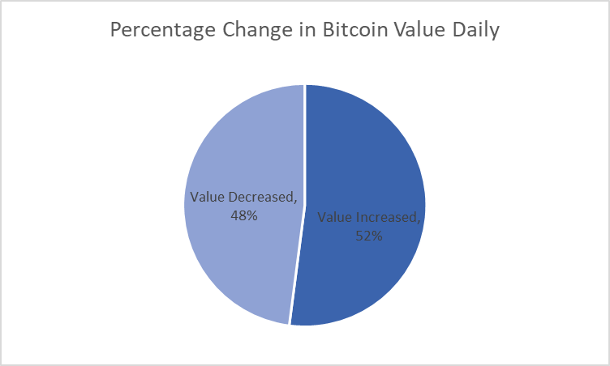
Average Monthly closing Value
 | Total
Dec | 21983.136774
Jul | 34444.974516
Jan | 34761.650323
Jun | 35845.155333
Aug | 45709.023226
Sep | 45939.771667
Feb | 46306.798214
May | 46443.286129
Mar | 54998.007419
Apr | 57206.720333
Oct | 57911.97129
Nov | 60621.489667
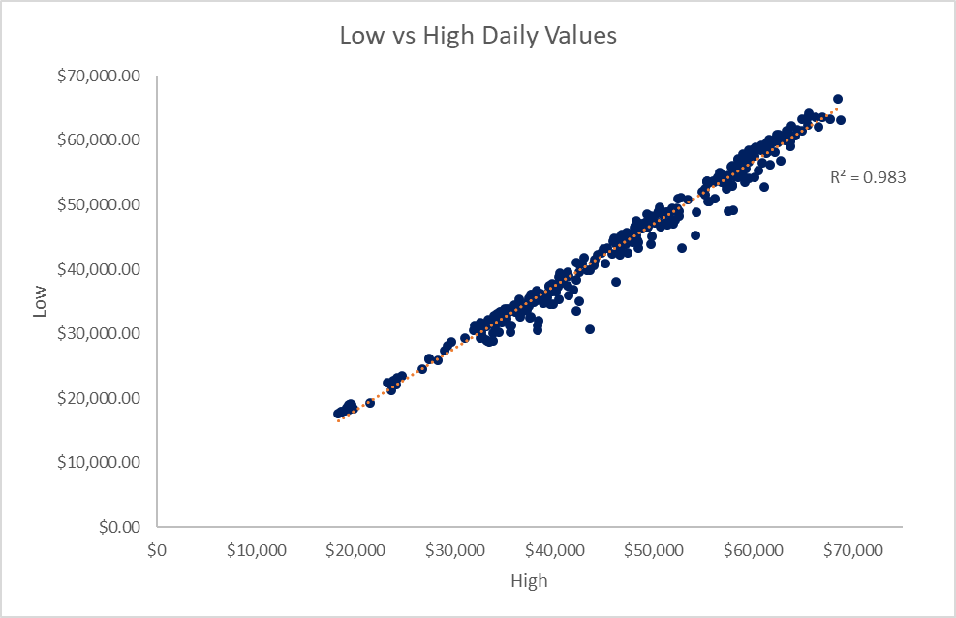

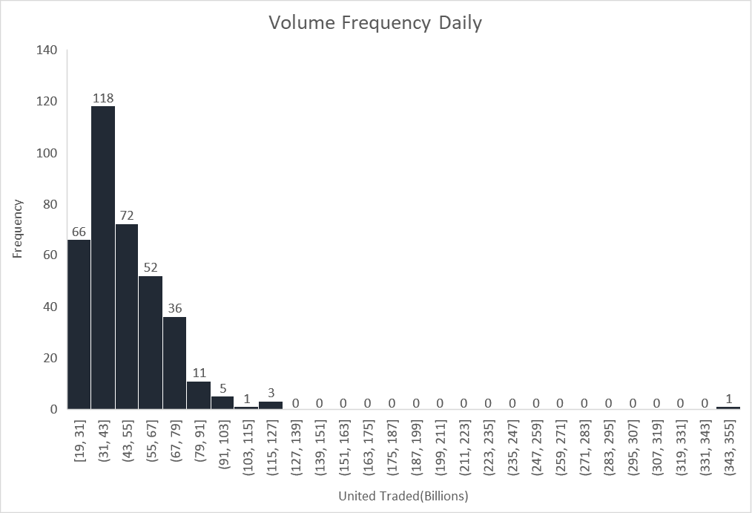
 |  | High R value indicate that low and high daily bitcoin values correlate. As low daily bitcoin value increase
 | November, October, April and March had the highest average closing values
 |  | high daily bitcoin value increase. As low daily bitcoin value decrease, high daily bitcoin values decrease
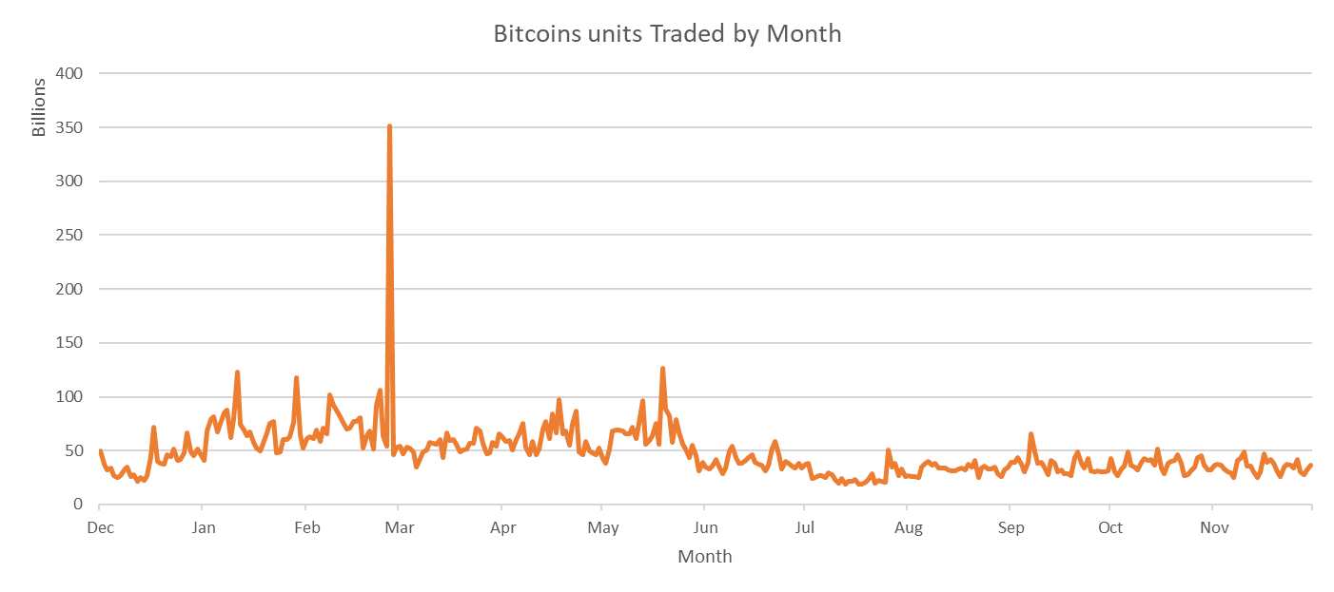

About 70% of units traded fall in the upper half and less than 30% in the lower half..

The Highest traded units were between 31 and 43 billion dollars | Period between february and March had the highest units of bitcoin traded

