Overview


 |  |  | Prospect |  |  |  |  |  |  |  | 25-004

 |  | Section |  |  |  |  | 31 |  | Township |  |  | 12N |  |  |  | Range | 24W

 |  |  | County |  |  |  | Roger Mills |  |  |  |  |  |  | State | Oklahoma

 | Containing 640.00 acres, more or less

 |  |  |  |  |  |  |  |  |  |  |  |  |  |  |  | Tract 1

 |  |  |  |  |  |  |  |  |  | Tract 4

 |  |  |  |  |  |  |  |  |  |  |  |  |  | Tract 2 |  |  | Tract 3

 |  |  |  | Tract 5

 |  |  |  |  |  |  |  |  |  |  |  |  |  |  |  |  | Tract 7

 |  |  |  |  |  |  |  |  |  | Tract 6

 |  |  |  |  |  |  |  |  |  |  |  |  |  | Tract 8

 | ATTACHMENTS: |  |  |  |  |  |  | OWNERSHIP REPORT DATED: |  |  |  |  |  |  |  | LAST ENTRY:

 |  |  |  |  |  |  |  | TITLE OPINION UPDATE DATED: |  |  |  |  |  |  |  | LAST ENTRY:

 |  |  |  |  |  | x |  | CURSORY REPORT DATED: |  |  |  |  | 6/16/2026 |  |  | LAST ENTRY: | 2704/142

 |  |  |  |  |  |  |  | COUNTY CERTIFICATION DATE:

 | REMARKS:
 | REPORT IS A CURSORY REPORT

 | EXAMINER: |  |  |  | RG

PLAT
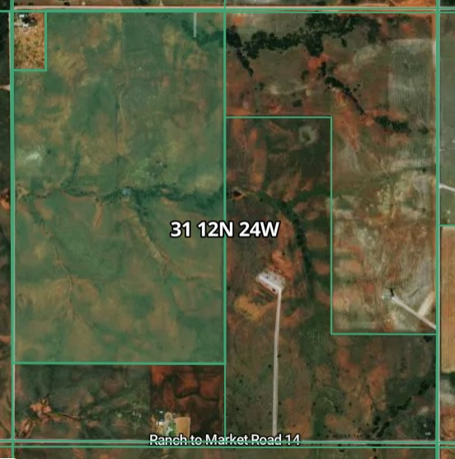
SECTION 31 — T12N R24W, Roger Mills County, OK
Tract / Aliquot Plat — nominal 40-acre quarter-quarter diagram (North up). Not a survey.

 | N ↑
W | NW/4 NW/4 Tract 5 |  | NE/4 NW/4 Tract 4 | NW/4 NE/4 Tract 1 |  | NE/4 NE/4 Tract 1 | E

 | SW/4 NW/4 Tract 5 |  | SE/4 NW/4 Tract 4 | SW/4 NE/4 Tract 2 |  | SE/4 NE/4 Tract 3

 | NW/4 SW/4 Tract 6 |  | NE/4 SW/4 NOT ASSIGNED | NW/4 SE/4 Tract 8 |  | NE/4 SE/4 Tract 7

 | SW/4 SW/4 Tract 6 |  | SE/4 SW/4 Tract 5 (part) | SW/4 SE/4 Tract 8 |  | SE/4 SE/4 Tract 8

 | S

LEGEND
 | Tract | Legal description |  | Nom. ac. | Notes
 | Tract 1 | N/2 NE/4 |  | 80
 | Tract 2 | SW/4 NE/4 |  | 40
 | Tract 3 | SE/4 NE/4 |  | 40
 | Tract 4 | E/2 NW/4 |  | 80
 | Tract 5 | NW/4 partial (W/2, Lots 1 & 4) + SE/4 SW/4 partial |  | Irregular — VERIFY | Boundary section; W & S tiers are government lots with non-40 acreage.
 | Tract 6 | W/2 SW/4 |  | 80 (nom.) | SW tier lotted — confirm acreage vs plat.
 | Tract 7 | NE/4 SE/4 |  | 40
 | Tract 8 | W/2 SE/4, SE/4 SE/4 |  | 120 (nom.)
 | — | NE/4 SW/4 |  | 40 | NOT in any subject tract per current legals — verify (may fall in lots).

Diagram derived from the tract legal descriptions on the Title sheet (data already in this workbook). Aliquot positions are nominal; Section 31 is a township-boundary section, so the west and south tiers are government lots whose true acreage differs from 40. Not a survey — confirm boundaries and acreage against the recorded plat/survey.

Aerial / plat reference — attach recorded plat/survey image here when available.

