Overview


 |  |  | Prospect Name/Number: |  |  |  |  |  |  |  | 32-11N-25W / Diversified

 |  | Section |  |  |  |  | 32 |  | Township |  |  | 11N |  |  |  | Range | 25W

 |  |  | County |  |  |  | Beckham |  |  |  |  |  |  | State | Oklahoma

 | Containing 640.00 acres, more or less

 |  |  |  |  |  |  |  |  |  |  |  |  |  |  | T1: N/2 NE/4 + SW/4 NE/4 120 ac

 |  |  |  |  |  |  |  |  |  |  |  | T2: SE/4 NE/4 + E/2 SE/4 120 ac

 |  |  |  | T4: SW/4 160 ac |  |  |  |  |  | T3: NW/4 160 ac

 |  |  |  |  |  |  |  |  |  |  |  |  |  |  | T5: W/2 SE/4 80 ac

 | ATTACHMENTS: |  |  |  |  |  |  | OWNERSHIP REPORT DATED: |  |  |  |  |  |  |  | LAST ENTRY:

 |  |  |  |  |  |  |  | TITLE OPINION UPDATE DATED: |  |  |  |  |  |  |  | LAST ENTRY:

 |  |  |  |  |  | x |  | CURSORY REPORT DATED: |  |  |  |  | 2026-07-15 05:00:00 |  |  | LAST ENTRY: | 2485/685

 |  |  |  |  |  |  |  | COUNTY CERTIFICATION DATE:

 | REMARKS: |  |  |  | HOLD_NO_RELEASE — source-limited cursory update through 2026-07-15. Diversified Production LLC is supported only through the OK48147.001.1 identity path (2395/415–464; 2400/551–567); exact WI, NRI, ORRI and net acres remain NOT DETERMINED. 1697/236 is an assignment, not a proved base OGL. Carlson 32-11-25 7H carve (2183/174; 2185/639) remains unmapped to OK48147.001.1. Current tract display is gross reporting control only; mineral-title tract control remains OPEN. Local OCC RBDMS snapshot 2026-07-09 lists 11 Section 32 records. Historical OCC Cause CD 59995 / Order 156126 was reviewed, but current order effect, other orders, production continuity and lease-by-lease HBP remain NEEDS VERIFICATION.

 | EXAMINER: |  |  |  | NHE

PLAT
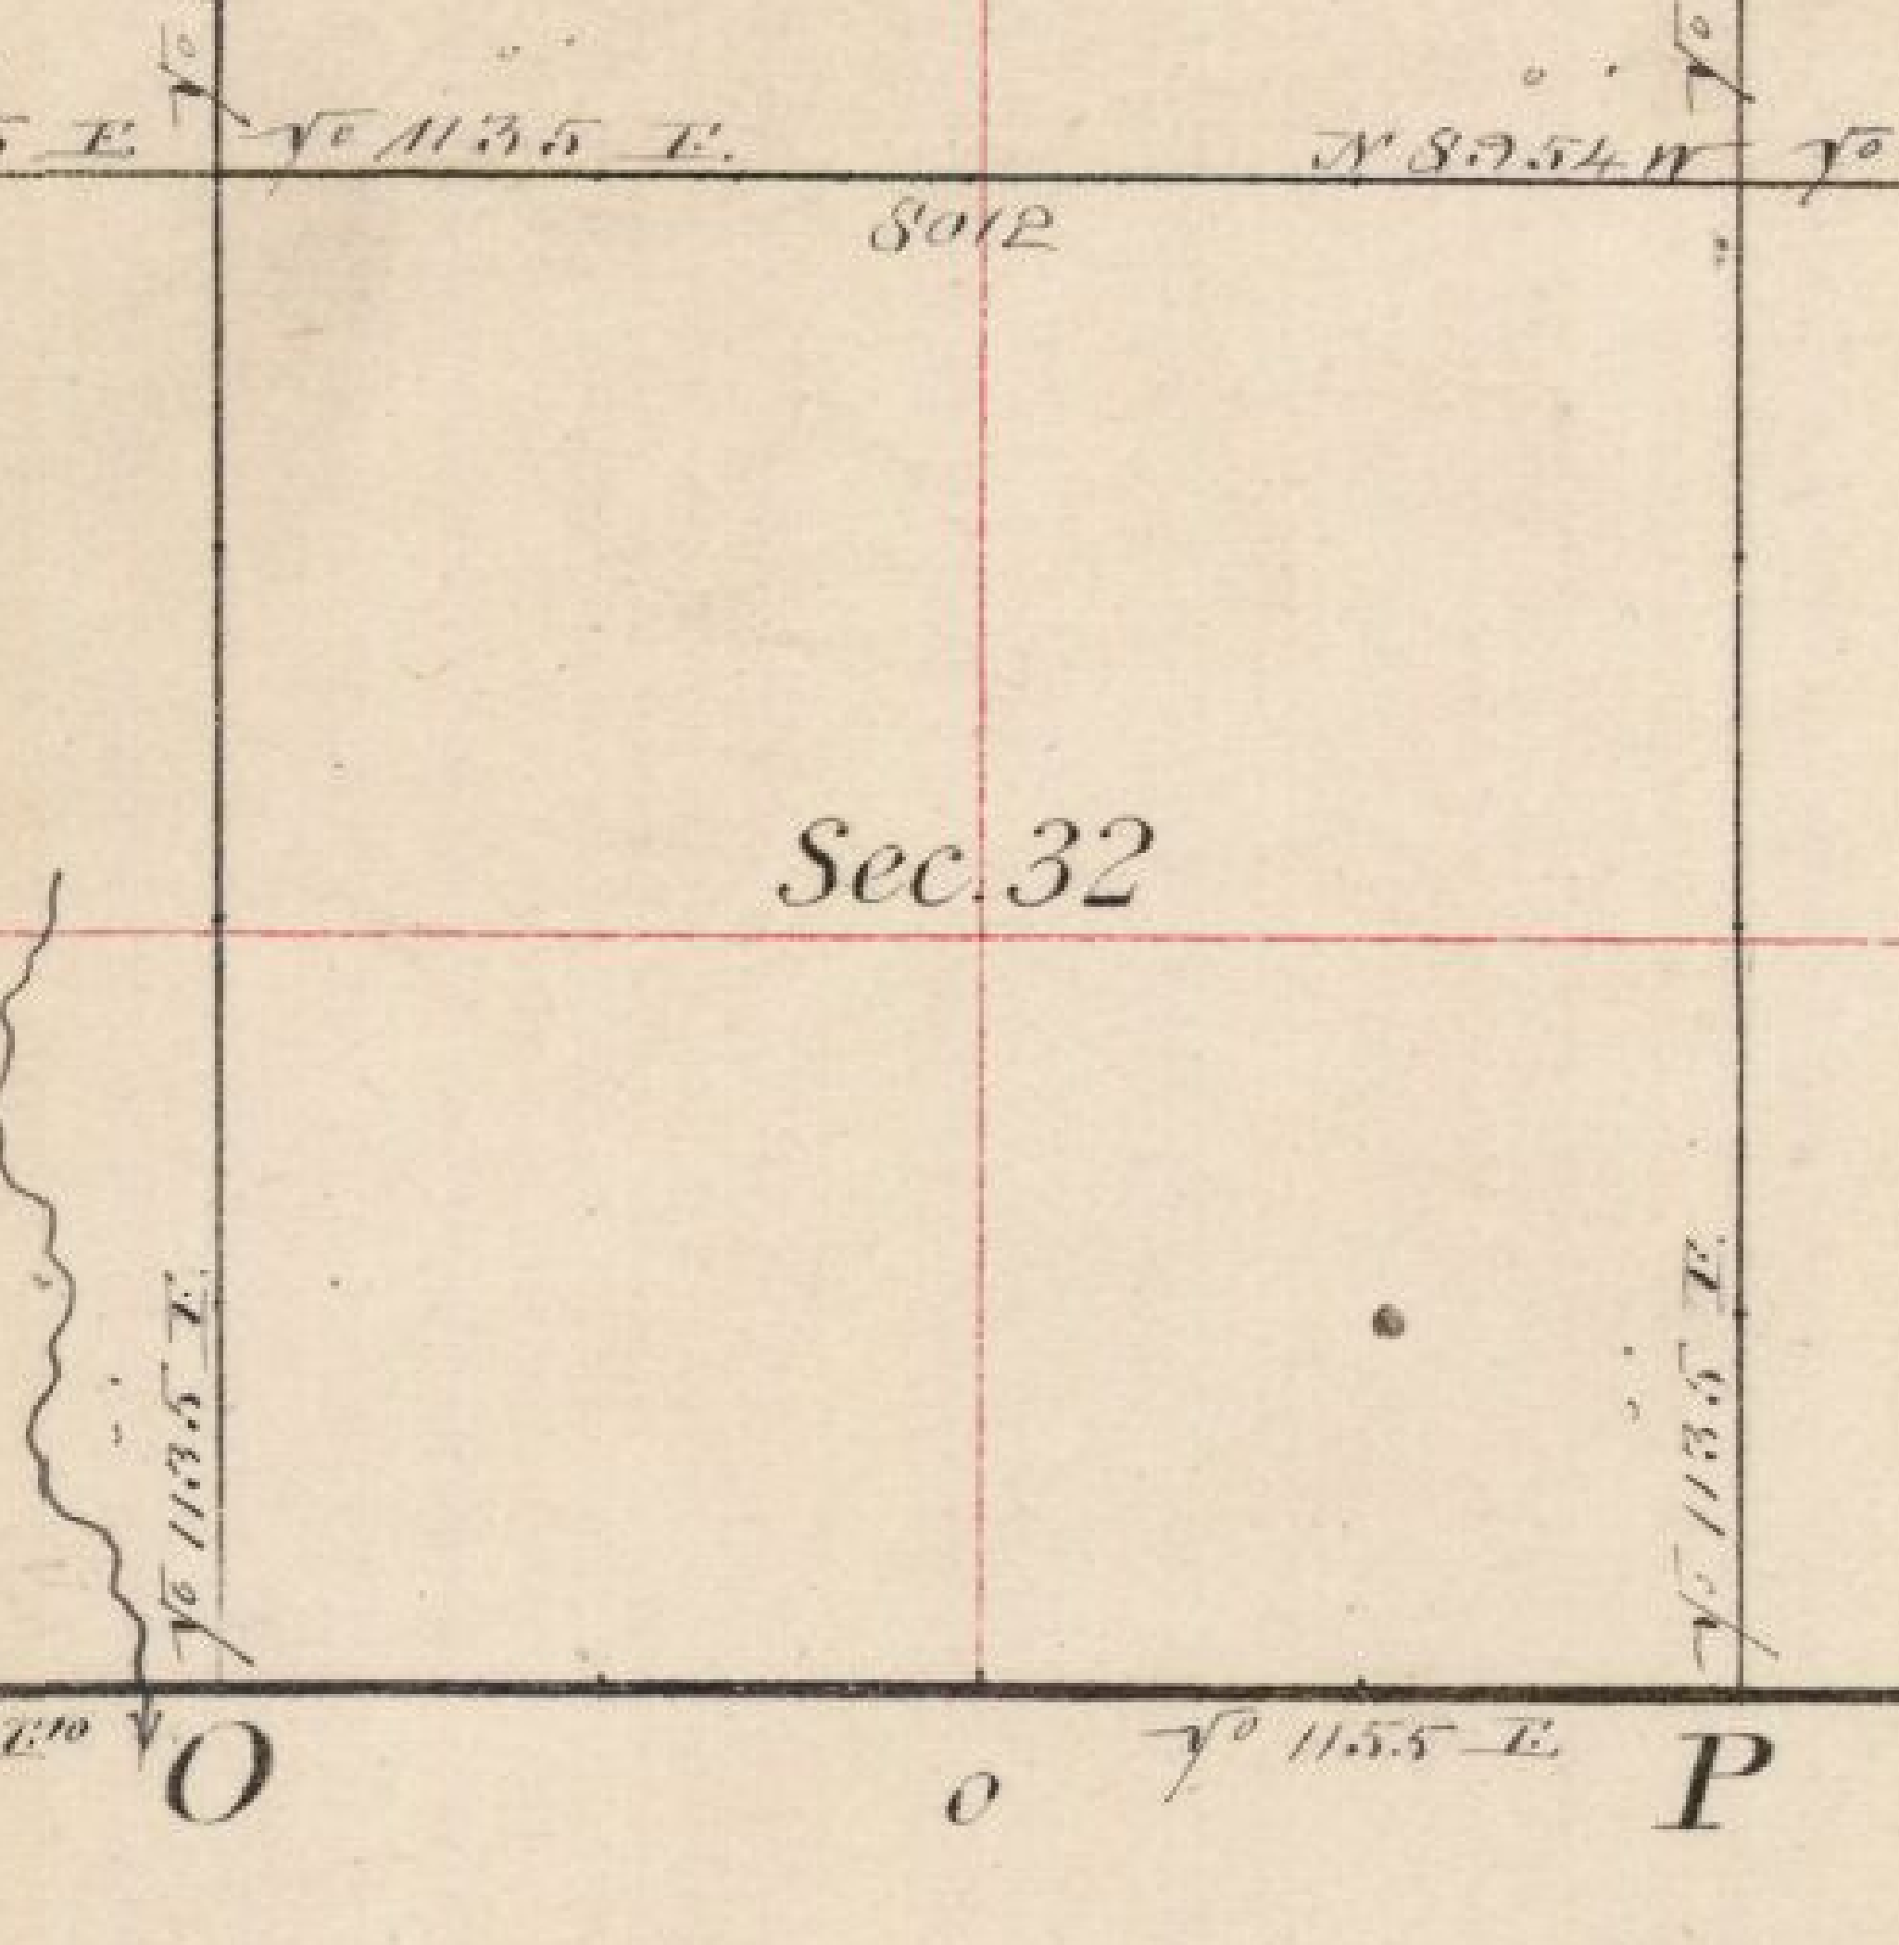

SECTION 32-11N-25W TRACT CONTROL (GROSS ALIQUOTS; NOT OWNERSHIP)
Tract 1 | N/2 NE/4 + SW/4 NE/4 | 120 ac
Tract 2 | SE/4 NE/4 + E/2 SE/4 | 120 ac
Tract 3 | NW/4 | 160 ac
Tract 4 | SW/4 | 160 ac
Tract 5 | W/2 SE/4 | 80 ac
Total gross acres = 640
Plat source: _PROJECT_FILES\01_SOURCE_READ_ONLY\PLAT_AND_TAX\Section_32_T11N_R25W_Original_GLO_Plat_Crop.png
NOTE: Surface assessor names are NOT proved mineral ownership. Generic template Sec. 18 placeholder map removed.
TRACT CONTROL CONFLICT — displayed aliquots are gross reporting control only and are not proved mineral-title tract control. A conflicting Template/tract-chain system remains documented and OPEN; examiner verification is required. Source: _PROJECT_FILES\03_QA_AND_SUPPORT\FINAL_COMPLETION_PACKAGE\TRACT_CONTROL_DECISION.md

