Summary
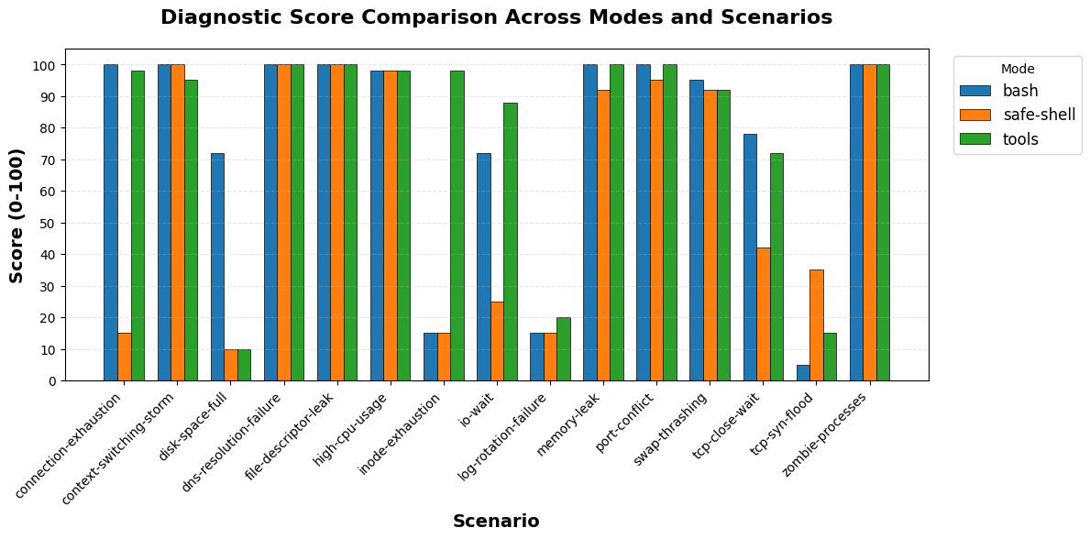
mode | total_scenarios | completed_count | error_count | avg_score | min_score | max_score | avg_duration_sec | avg_turns | avg_cost | total_cost
bash | 15 | 15 | 0 | 76.67 | 5 | 100 | 101.44 | 31.27 | $0.30 | $4.44
safe-shell | 15 | 15 | 0 | 62.27 | 10 | 100 | 110.14 | 37.13 | $0.35 | $5.29
tools | 15 | 15 | 0 | 79.07 | 10 | 100 | 103.7 | 42.07 | $0.38 | $5.72

