Summary
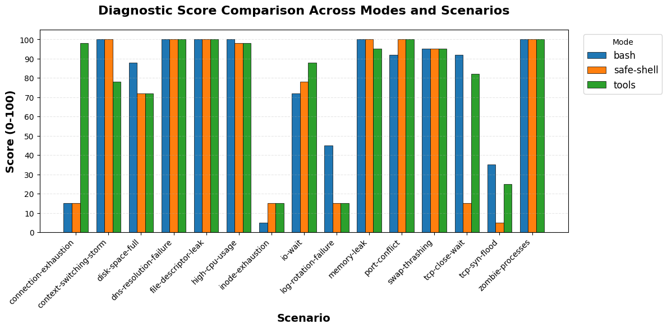
mode | total_scenarios | completed_count | error_count | avg_score | min_score | max_score | avg_duration_sec | avg_turns | avg_cost | total_cost
bash | 15 | 15 | 0 | 75.93 | 5 | 100 | 94.71 | 35.4 | $0.32 | $4.81
safe-shell | 15 | 15 | 0 | 67.2 | 5 | 100 | 80.67 | 36.27 | $0.33 | $4.97
tools | 15 | 15 | 0 | 77.4 | 15 | 100 | 87.86 | 44.93 | $0.45 | $6.78

