Summary
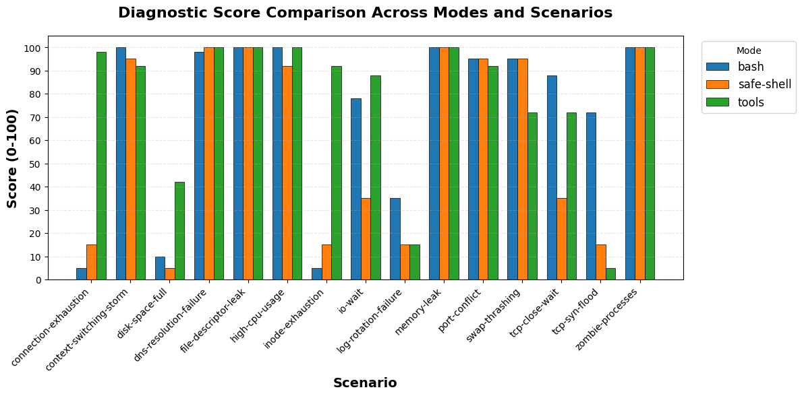
mode | total_scenarios | completed_count | error_count | avg_score | min_score | max_score | avg_duration_sec | avg_turns | avg_cost | total_cost
bash | 15 | 15 | 0 | 72.07 | 5 | 100 | 89.18 | 32.53 | $0.31 | $4.68
safe-shell | 15 | 15 | 0 | 60.8 | 5 | 100 | 83.67 | 38.93 | $0.35 | $5.30
tools | 15 | 15 | 0 | 77.87 | 5 | 100 | 91.05 | 46.8 | $0.46 | $6.94

