Summary
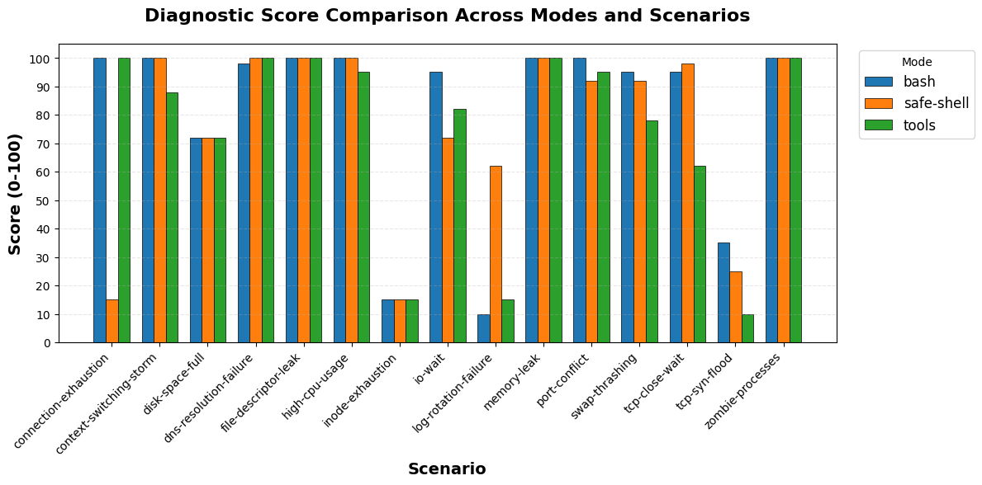
mode | total_scenarios | completed_count | error_count | avg_score | min_score | max_score | avg_duration_sec | avg_turns | avg_cost | total_cost
bash | 15 | 15 | 0 | 81 | 10 | 100 | 90.06 | 33.87 | $0.31 | $4.68
safe-shell | 15 | 15 | 0 | 76.2 | 15 | 100 | 102.26 | 39.13 | $0.37 | $5.56
tools | 15 | 15 | 0 | 74.13 | 10 | 100 | 102.63 | 47.4 | $0.52 | $7.77

