Summary
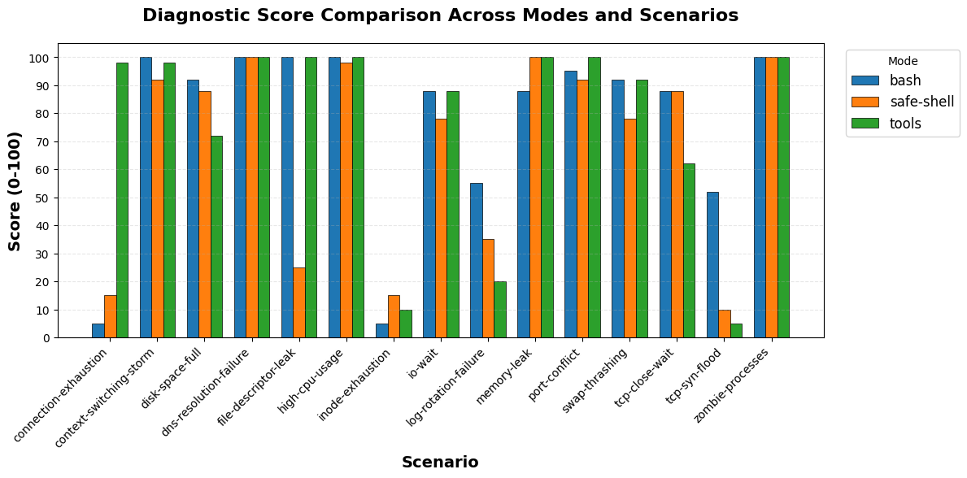
mode | total_scenarios | completed_count | error_count | avg_score | min_score | max_score | avg_duration_sec | avg_turns | avg_cost | total_cost
bash | 15 | 15 | 0 | 77.33 | 5 | 100 | 78.06 | 32.2 | $0.29 | $4.41
safe-shell | 15 | 15 | 0 | 67.6 | 10 | 100 | 90.95 | 40.87 | $0.39 | $5.80
tools | 15 | 15 | 0 | 76.33 | 5 | 100 | 90.02 | 45.07 | $0.48 | $7.15

