Mode Summary
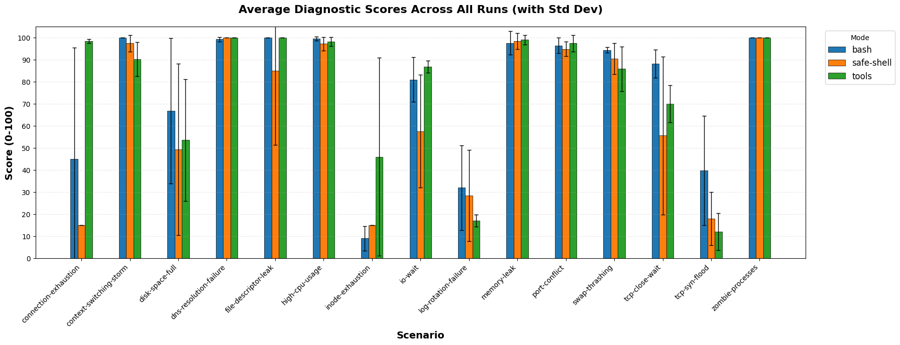
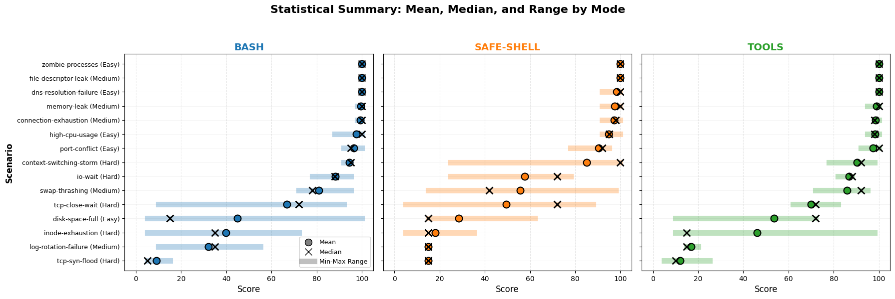
mode | total_scenarios | avg_score | min_score | max_score | avg_duration_sec | avg_turns | avg_cost | total_cost
tools | 75 | 76.96 | 5 | 100 | 95.05 | 45.25 | $0.46 | $34.36
bash | 75 | 76.6 | 5 | 100 | 90.69 | 33.05 | $0.31 | $23.03
safe-shell | 75 | 66.81 | 5 | 100 | 93.54 | 38.47 | $0.36 | $26.92

