Mode Summary
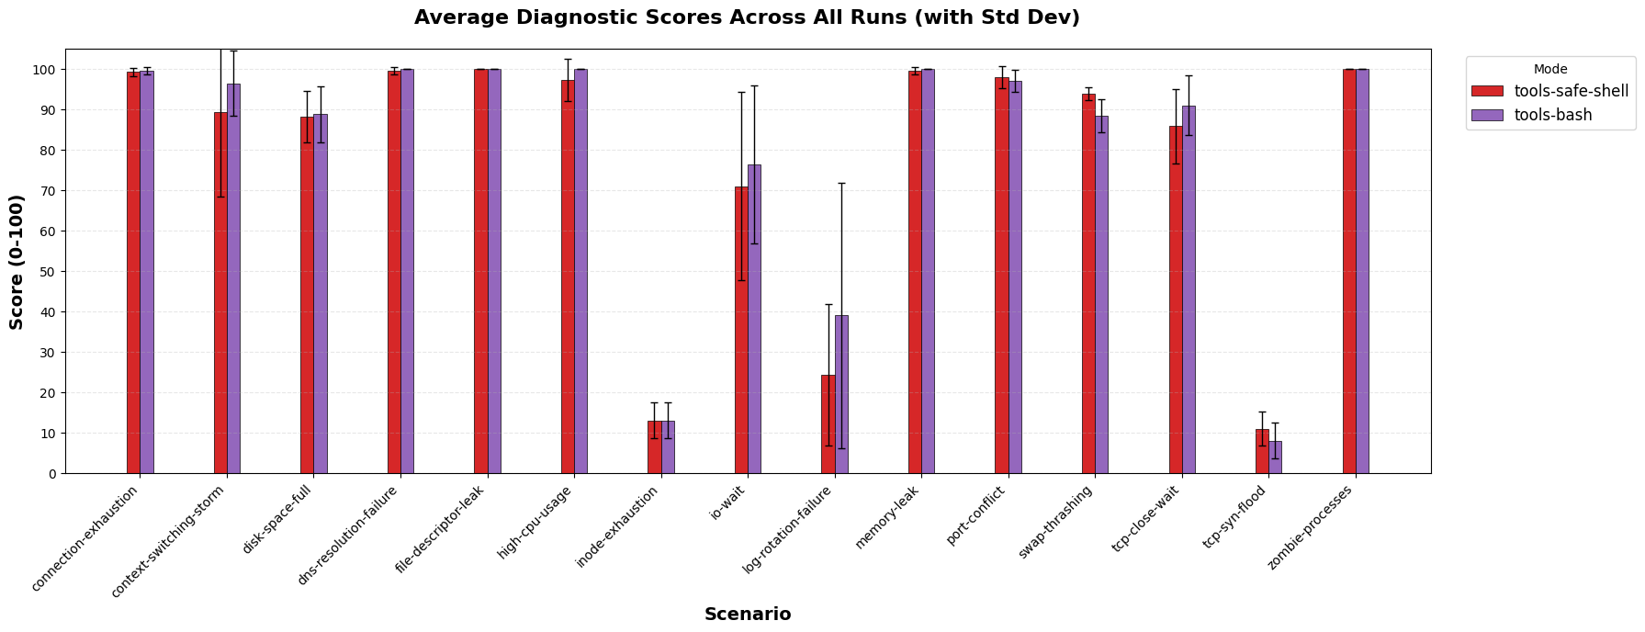
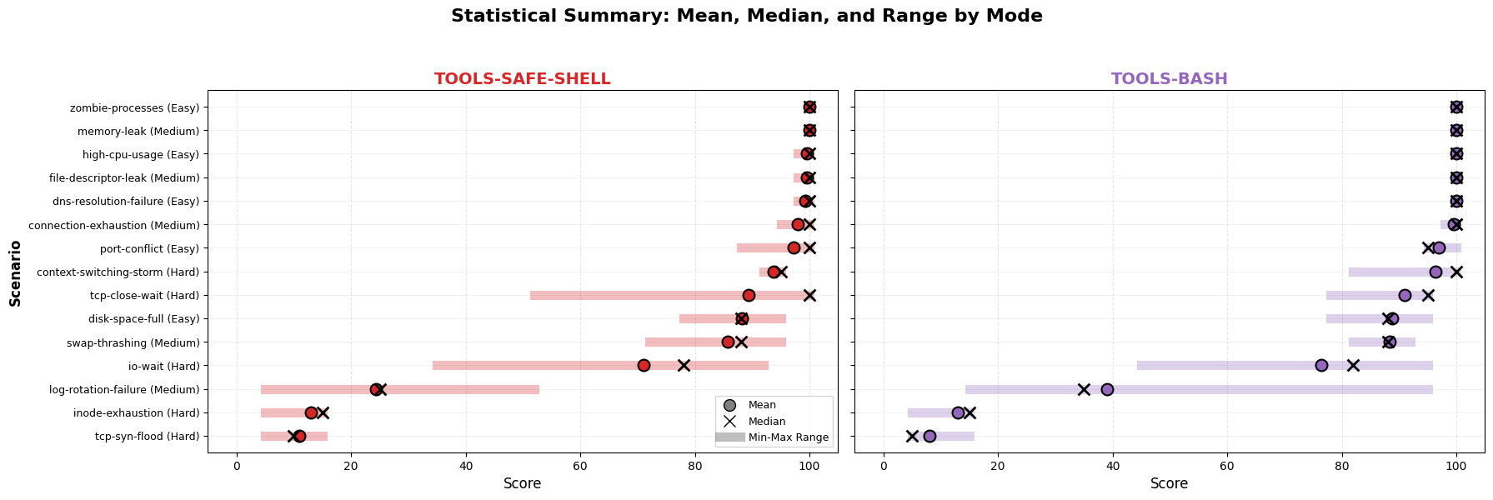
mode | total_scenarios | completed_count | avg_score | min_score | max_score | avg_duration_sec | avg_turns | avg_cost | total_cost
tools-bash | 75 | 75 | 79.84 | 5 | 100 | 93.42 | 37.81 | $0.38 | $28.39
tools-safe-shell | 75 | 75 | 78.01 | 5 | 100 | 107.41 | 41.92 | $0.40 | $29.92

