Well 1
Well 1

DEPTH(TVD) ft | SONI.us/f | PHI_S (%) | GR data (GAPI) | Rock Type | Density log (g/cc) | PHI_D (%) | T_matrix | T_fluid |  |  | Saturation Calculation
9922 | 93.997 |  | x | Shale | 2.441 |  | 55 | 189
9922.5 | 93.407 |  | 131.686 | Shale | 2.435
9923 | 94.064 |  | 130.035 | Shale | 2.454 |  | Matrix Density | 2.65 | g/cc
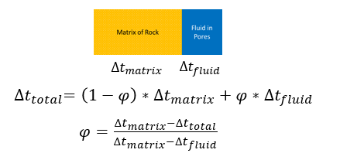
9923.5 | 94.983 |  | 131.69 | Shale | 2.475 |  | Sh Baseline | 105 | GAPI
9924 | 95.378 |  | 131.692 | Shale | 2.479 |  | oil density | 0.65 | g/cc
9924.5 | 94.974 |  | 131.22099 | Shale | 2.477 |  | water density | 1.15 | g/cc
9925 | 93.41 |  | 127.559 | Shale | 2.476 |  | Top | 10222 | TVD ft
9925.5 | 88.686 |  | 125.79 | Shale | 2.471 |  | OWC | 10822 | TVD ft
9926 | 84.749 |  | 119.886 | Shale | 2.463 |  | Bottom | 11122 | TVD ft
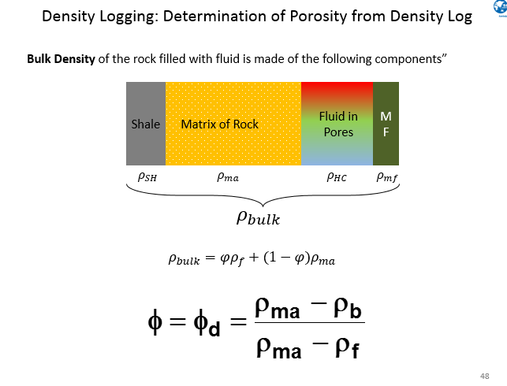
9926.5 | 83.175 |  | 112.801 | Shale | 2.47 |  | AVG PHI_D | 0.2131519983
9927 | 85.735 |  | 109.259 | Shale | 2.487 |  | AVG PHI_S | 0.21543308807
9927.5 | 87.901 |  | 112.928 | Shale | 2.504
9928 | 92.233 |  | 121.43 | Shale | 2.513
9928.5 | 97.221 |  | 128.873 | Shale | 2.524
9929 | 98.141 |  | 131.237 | Shale | 2.508
9929.5 | 97.724 |  | 131.534 | Shale | 2.487
9930 | 97.354 |  | 131.713 | Shale | 2.467
9930.5 | 95.977 |  | 133.605 | Shale | 2.45
9931 | 92.368 |  | 132.463 | Shale | 2.45
9931.5 | 88.3 |  | 131.718 | Shale | 2.466
9932 | 83.969 |  | 125.814 | Shale | 2.483
9932.5 | 85.545 |  | 122.981 | Shale | 2.498
9933 | 89.877 |  | 127.708 | Shale | 2.512
9933.5 | 96.493 |  | 132.8 | Shale | 2.514
9934 | 98.934 |  | 141.295 | Shale | 2.513
9934.5 | 99.329 |  | 151.81 | Shale | 2.499
9935 | 96.18 |  | 150.159 | Shale | 2.479
9935.5 | 94.211 |  | 148.052 | Shale | 2.458
9936 | 93.425 |  | 144.728 | Shale | 2.454
9936.5 | 92.638 |  | 137.17 | Shale | 2.47
9937 | 92.639 |  | 130.08501 | Shale | 2.484
9937.5 | 90.67 |  | 124.653 | Shale | 2.486
9938 | 87.915 |  | 123.99 | Shale | 2.492
9938.5 | 84.844 |  | 120.286 | Shale | 2.492
9939 | 80.829 |  | 114.735 | Shale | 2.488
9939.5 | 81.617 |  | 112.375 | Shale | 2.497
9940 | 84.767 |  | 115.251 | Shale | 2.518
9940.5 | 89.493 |  | 118.756 | Shale | 2.537
9941 | 92.053 |  | 125.374 | Shale | 2.538
9941.5 | 93.432 |  | 131.282 | Shale | 2.521
9942 | 92.251 |  | 131.756 | Shale | 2.504
9942.5 | 89.102 |  | 130.55499 | Shale | 2.486
9943 | 89.89 |  | 129.397 | Shale | 2.469
9943.5 | 91.466 |  | 127.744 | Shale | 2.465
9944 | 96.585 |  | 128.22 | Shale | 2.464
9944.5 | 93.436 |  | 132.946 | Shale | 2.484
9945 | 87.136 |  | 134.129 | Shale | 2.504
9945.5 | 87.531 |  | 128.93401 | Shale | 2.487
9946 | 88.713 |  | 127.394 | Shale | 2.468
9946.5 | 94.423 |  | 125.865 | Shale | 2.486
9947 | 99.345 |  | 135.908 | Shale | 2.505
9947.5 | 1.315 |  | 144.77 | Shale | 2.505
9948 | 99.872 |  | 145.243 | Shale | 2.484
9948.5 | 98.56 |  | 146.04601 | Shale | 2.463
9949 | 97.182 |  | 146.664 | Shale | 2.452
9949.5 | 95.018 |  | 141.233 | Shale | 2.451
9950 | 95.609 |  | 138.87199 | Shale | 2.45
9950.5 | 96.987 |  | 138.325 | Shale | 2.453
9951 | 95.807 |  | 137.69299 | Shale | 2.459
9951.5 | 97.251 |  | 138.405 | Shale | 2.46
9952 | 98.564 |  | 133.68201 | Shale | 2.454
9952.5 | 98.565 |  | 130.89301 | Shale | 2.42
9953 | 98.566 |  | 128.25 | Shale | 2.383
9953.5 | 97.779 |  | 123.345 | Shale | 2.368
9954 | 92.464 |  | 121.166 | Shale | 2.381
9954.5 | 83.999 |  | 114.081 | Shale | 2.395
9955 | 82.548 |  | 108.177 | Shale | 2.41
9955.5 | 82.425 |  | 106.789 | Shale | 2.41
9956 | 90.695 |  | 105.817 | Shale | 2.43
9956.5 | 95.814 |  | 112.593 | Shale | 2.452
9957 | 94.633 |  | 117.161 | Shale | 2.47
9957.5 | 95.028 |  | 121.179 | Shale | 2.451
9958 | 94.241 |  | 123.544 | Shale | 2.432
9958.5 | 95.226 |  | 121.455 | Shale | 2.414
9959 | 96.211 |  | 118.823 | Shale | 2.428
9959.5 | 90.962 |  | 117.644 | Shale | 2.45
9960 | 86.762 |  | 112.92 | Shale | 2.457
9960.5 | 84.794 |  | 109.889 | Shale | 2.445
9961 | 85.582 |  | 107.016 | Shale | 2.453
9961.5 | 88.733 |  | 101.112 | Sand | 2.475
9962 | 92.802 |  | 99.933 | Sand | 2.497
9962.5 | 94.247 |  | 102.298 | Sand | 2.51
9963 | 92.279 |  | 104.166 | Sand | 2.484
9963.5 | 86.504 |  | 105.844 | Shale | 2.458
9964 | 82.436 |  | 105.846 | Shale | 2.432
9964.5 | 83.618 |  | 101.122 | Sand | 2.436
9965 | 88.502 |  | 97.581 | Sand | 2.455
9965.5 | 93.266 |  | 95.22 | Sand | 2.474
9966 | 95.827 |  | 99.474 | Sand | 2.493
9966.5 | 94.252 |  | 105.265 | Shale | 2.482
9967 | 90.447 |  | 108.22 | Shale | 2.46
9967.5 | 87.953 |  | 107.121 | Shale | 2.438
9968 | 86.773 |  | 102.318 | Sand | 2.422
9968.5 | 89.53 |  | 102.97 | Sand | 2.431
9969 | 91.893 |  | 104.684 | Sand | 2.441
9969.5 | 95.28 |  | 111.773 | Shale | 2.45
9970 | 96.619 |  | 114.05 | Shale | 2.454
9970.5 | 97.014 |  | 117.682 | Shale | 2.448
9971 | 97.802 |  | 116.502 | Shale | 2.438
9971.5 | 95.44 |  | 119.575 | Shale | 2.421
9972 | 95.441 |  | 121.232 | Shale | 2.418
9972.5 | 95.047 |  | 121.637 | Shale | 2.417
9973 | 94.26 |  | 122.416 | Shale | 2.428
9973.5 | 96.624 |  | 122.417 | Shale | 2.44
9974 | 93.278 |  | 119.585 | Shale | 2.451
9974.5 | 89.735 |  | 115.599 | Shale | 2.462
9975 | 86.388 |  | 108.957 | Shale | 2.458
9975.5 | 75.758 |  | 102.206 | Sand | 2.455
9976 | 76.345 |  | 96.439 | Sand | 2.48
9976.5 | 80.287 |  | 92.425 | Sand | 2.506
9977 | 85.21 |  | 102.349 | Sand | 2.528
9977.5 | 91.229 |  | 116.526 | Shale | 2.535
9978 | 95.055 |  | 123.615 | Shale | 2.527
9978.5 | 95.843 |  | 128.342 | Shale | 2.515
9979 | 90.331 |  | 124.327 | Shale | 2.502
9979.5 | 87.576 |  | 116.532 | Shale | 2.48
9980 | 82.72 |  | 101.532 | Sand | 2.459
9980.5 | 73.008 |  | 89.367 | Sand | 2.462
9981 | 72.615 |  | 82.282 | Sand | 2.486
9981.5 | 74.584 |  | 82.284 | Sand | 2.51
9982 | 78.719 |  | 87.955 | Sand | 2.542
9982.5 | 86.398 |  | 100.36 | Sand | 2.578
9983 | 88.368 |  | 114.183 | Shale | 2.603
9983.5 | 91.124 |  | 116.268 | Shale | 2.576
9984 | 91.716 |  | 117.729 | Shale | 2.549
9984.5 | 92.701 |  | 116.709 | Shale | 2.522
9985 | 91.914 |  | 116.079 | Shale | 2.495
9985.5 | 89.552 |  | 112.538 | Shale | 2.468
9986 | 87.584 |  | 110.958 | Shale | 2.45
9986.5 | 86.403 |  | 107.961 | Shale | 2.456
9987 | 84.042 |  | 105.455 | Shale | 2.461
9987.5 | 80.499 |  | 98.016 | Sand | 2.471
9988 | 76.431 |  | 92.938 | Sand | 2.481
9988.5 | 69.934 |  | 82.308 | Sand | 2.487
9989 | 62.782 |  | 71.206 | Sand | 2.505
9989.5 | 55.695 |  | 60.577 | Sand | 2.522
9990 | 57.27 |  | 59.398 | Sand | 2.585
9990.5 | 62.39 |  | 61.053 | Sand | 2.614
9991 | 71.053 |  | 70.032 | Sand | 2.63
9991.5 | 87.591 |  | 78.302 | Sand | 2.646
9992 | 95.467 |  | 92.952 | Sand | 2.594
9992.5 | 97.436 |  | 107.129 | Shale | 2.542
9993 | 96.256 |  | 109.573 | Shale | 2.49
9993.5 | 94.091 |  | 111.857 | Shale | 2.451
9994 | 88.316 |  | 107.133 | Shale | 2.462
9994.5 | 82.476 |  | 98.867 | Sand | 2.473
9995 | 82.083 |  | 93.671 | Sand | 2.484
9995.5 | 84.643 |  | 91.154 | Sand | 2.492
9996 | 91.075 |  | 89.422 | Sand | 2.493
9996.5 | 95.866 |  | 92.968 | Sand | 2.497
9997 | 98.23 |  | 103.128 | Sand | 2.493
9997.5 | 97.049 |  | 111.398 | Shale | 2.457
9998 | 97.443 |  | 115.417 | Shale | 2.422
9998.5 | 95.475 |  | 115.419 | Shale | 2.398
9999 | 96.461 |  | 115.421 | Shale | 2.395
9999.5 | 97.445 |  | 111.879 | Shale | 2.392
10000 | 97.643 |  | 110.815 | Shale | 2.398
10000.5 | 99.809 |  | 109.519 | Shale | 2.399
10001 | 99.022 |  | 111.059 | Shale | 2.393
10001.5 | 98.63 |  | 111.885 | Shale | 2.388
10002 | 98.039 |  | 116.14 | Shale | 2.372
10002.5 | 97.45 |  | 119.686 | Shale | 2.362
10003 | 97.056 |  | 120.868 | Shale | 2.372
10003.5 | 94.497 |  | 118.981 | Shale | 2.373
10004 | 91.151 |  | 114.965 | Shale | 2.378
10004.5 | 85.246 |  | 110.486 | Shale | 2.385
10005 | 80.915 |  | 108.353 | Shale | 2.393
10005.5 | 82.491 |  | 100.087 | Sand | 2.41
10006 | 87.02 |  | 97.726 | Sand | 2.427
10006.5 | 90.761 |  | 95.365 | Sand | 2.449
10007 | 94.305 |  | 107.181 | Shale | 2.483
10007.5 | 95.884 |  | 112.224 | Shale | 2.517
10008 | 97.161 |  | 120.177 | Shale | 2.503
10008.5 | 98.412 |  | 124.432 | Shale | 2.472
10009 | 98.639 |  | 124.246 | Shale | 2.445
10009.5 | 98.64 |  | 123.948 | Shale | 2.431
10010 | 97.459 |  | 123.728 | Shale | 2.416
10010.5 | 97.46 |  | 124.912 | Shale | 2.401
10011 | 96.411 |  | 124.913 | Shale | 2.386
10011.5 | 95.099 |  | 124.915 | Shale | 2.399
10012 | 93.918 |  | 124.916 | Shale | 2.414
10012.5 | 94.706 |  | 128.46201 | Shale | 2.41
10013 | 94.313 |  | 128.464 | Shale | 2.408
10013.5 | 95.298 |  | 128.465 | Shale | 2.427
10014 | 95.889 |  | 127.332 | Shale | 2.446
10014.5 | 95.496 |  | 126.254 | Shale | 2.464
10015 | 94.513 |  | 124.927 | Shale | 2.461
10015.5 | 93.529 |  | 123.54 | Shale | 2.453
10016 | 92.151 |  | 122.567 | Shale | 2.445
10016.5 | 86.128 |  | 117.845 | Shale | 2.446
10017 | 79.947 |  | 108.987 | Shale | 2.448
10017.5 | 76.994 |  | 101.902 | Sand | 2.47
10018 | 77.951 |  | 96.587 | Sand | 2.474
10018.5 | 80.539 |  | 91.865 | Sand | 2.49
10019 | 86.052 |  | 91.866 | Sand | 2.512
10019.5 | 94.814 |  | 100.137 | Sand | 2.533
10020 | 96.291 |  | 105.25 | Shale | 2.545
10020.5 | 96.292 |  | 122.585 | Shale | 2.527
10021 | 95.899 |  | 120.224 | Shale | 2.495
10021.5 | 95.899 |  | 118.698 | Shale | 2.464
10022 | 91.766 |  | 117.391 | Shale | 2.432
10022.5 | 88.221 |  | 117.394 | Shale | 2.43
10023 | 87.236 |  | 117.395 | Shale | 2.435
10023.5 | 88.153 |  | 115.507 | Shale | 2.428
10024 | 90.581 |  | 113.677 | Shale | 2.453
10024.5 | 94.714 |  | 113.147 | Shale | 2.476
10025 | 94.319 |  | 116.694 | Shale | 2.494
10025.5 | 91.561 |  | 119.071 | Shale | 2.485
10026 | 91.955 |  | 120.95 | Shale | 2.458
10026.5 | 91.166 |  | 121.223 | Shale | 2.43
10027 | 90.772 |  | 121.426 | Shale | 2.411
10027.5 | 92.739 |  | 118.871 | Shale | 2.427
10028 | 93.526 |  | 116.704 | Shale | 2.449
10028.5 | 91.556 |  | 118.145 | Shale | 2.464
10029 | 91.555 |  | 119.07 | Shale | 2.448
10029.5 | 91.948 |  | 119.781 | Shale | 2.433
10030 | 92.865 |  | 116.712 | Shale | 2.417
10030.5 | 94.702 |  | 115.799 | Shale | 2.412
10031 | 94.307 |  | 114.352 | Shale | 2.412
10031.5 | 94.306 |  | 111.919 | Shale | 2.414
10032 | 92.861 |  | 108.804 | Shale | 2.412
10032.5 | 89.711 |  | 106.664 | Shale | 2.405
10033 | 87.872 |  | 105.619 | Shale | 2.396
10033.5 | 86.624 |  | 105.62 | Shale | 2.391
10034 | 85.639 |  | 105.622 | Shale | 2.388
10034.5 | 89.576 |  | 105.624 | Shale | 2.4
10035 | 92.527 |  | 105.625 | Shale | 2.396
10035.5 | 93.708 |  | 112.006 | Shale | 2.393
10036 | 95.636 |  | 116.03 | Shale | 2.396
10036.5 | 96.659 |  | 119.097 | Shale | 2.392
10037 | 97.446 |  | 122.643 | Shale | 2.381
10037.5 | 97.445 |  | 119.1 | Shale | 2.381
10038 | 93.899 |  | 118.819 | Shale | 2.393
10038.5 | 91.93 |  | 118.631 | Shale | 2.391
10039 | 89.37 |  | 117.467 | Shale | 2.4
10039.5 | 87.203 |  | 116.154 | Shale | 2.395
10040 | 89.171 |  | 111.549 | Shale | 2.403
10040.5 | 91.532 |  | 110.369 | Shale | 2.412
10041 | 92.909 |  | 113.207 | Shale | 2.426
10041.5 | 94.582 |  | 114.676 | Shale | 2.446
10042 | 95.467 |  | 116.754 | Shale | 2.433
10042.5 | 94.678 |  | 116.515 | Shale | 2.404
10043 | 95.072 |  | 116.285 | Shale | 2.394
10043.5 | 88.721 |  | 114.424 | Shale | 2.387
10044 | 84.635 |  | 112.745 | Shale | 2.386
10044.5 | 83.846 |  | 106.132 | Shale | 2.4
10045 | 83.649 |  | 102.59 | Sand | 2.414
10045.5 | 86.561 |  | 100.23 | Sand | 2.444
10046 | 91.521 |  | 99.05 | Sand | 2.466
10046.5 | 91.521 |  | 102.596 | Sand | 2.477
10047 | 93.357 |  | 109.685 | Shale | 2.474
10047.5 | 95.456 |  | 111.21 | Shale | 2.471
10048 | 97.03 |  | 114.413 | Shale | 2.447
10048.5 | 97.423 |  | 115.63 | Shale | 2.425
10049 | 97.225 |  | 117.488 | Shale | 2.423
10049.5 | 95.649 |  | 117.058 | Shale | 2.414
10050 | 93.089 |  | 116.31 | Shale | 2.403
10050.5 | 90.528 |  | 114.147 | Shale | 2.385
10051 | 89.543 |  | 112.061 | Shale | 2.389
10051.5 | 89.148 |  | 108.519 | Shale | 2.401
10052 | 87.966 |  | 105.568 | Shale | 2.42
10052.5 | 91.902 |  | 102.616 | Sand | 2.445
10053 | 90.13 |  | 100.256 | Sand | 2.454
10053.5 | 89.932 |  | 100.257 | Sand | 2.457
10054 | 90.325 |  | 100.258 | Sand | 2.439
10054.5 | 85.861 |  | 97.396 | Sand | 2.43
10055 | 83.628 |  | 95.537 | Sand | 2.418
10055.5 | 82.447 |  | 93.885 | Sand | 2.405
10056 | 81.659 |  | 91.525 | Sand | 2.417
10056.5 | 85.004 |  | 91.816 | Sand | 2.427
10057 | 87.431 |  | 95.545 | Sand | 2.439
10057.5 | 89.923 |  | 102.635 | Sand | 2.468
10058 | 89.923 |  | 103.585 | Sand | 2.497
10058.5 | 90.316 |  | 105 | Shale | 2.473
10059 | 88.346 |  | 105.711 | Shale | 2.454
10059.5 | 86.179 |  | 105.983 | Shale | 2.445
10060 | 83.619 |  | 106.186 | Shale | 2.426
10060.5 | 84.012 |  | 105.008 | Shale | 2.434
10061 | 86.176 |  | 103.321 | Sand | 2.443
10061.5 | 91.638 |  | 101.466 | Sand | 2.443
10062 | 93.459 |  | 98.634 | Sand | 2.444
10062.5 | 92.933 |  | 98.636 | Sand | 2.451
10063 | 90.504 |  | 105.016 | Shale | 2.469
10063.5 | 87.943 |  | 108.088 | Shale | 2.465
10064 | 81.616 |  | 106.201 | Shale | 2.451
10064.5 | 74.16 |  | 103.016 | Sand | 2.427
10065 | 60.837 |  | 101.006 | Sand | 2.423
10065.5 | 57.621 |  | 91.795 | Sand | 2.45
10066 | 62.345 |  | 81.401 | Sand | 2.484
10066.5 | 67.463 |  | 75.497 | Sand | 2.525
10067 | 75.73 |  | 74.317 | Sand | 2.564
10067.5 | 85.967 |  | 79.044 | Sand | 2.604
10068 | 85.966 |  | 99.246 | Sand | 2.644
10068.5 | 86.752 |  | 108.179 | Shale | 2.637
10069 | 86.751 |  | 116.023 | Shale | 2.598
10069.5 | 88.325 |  | 119.214 | Shale | 2.559
10070 | 91.475 |  | 119.216 | Shale | 2.52
10070.5 | 89.111 |  | 114.957 | Shale | 2.493
10071 | 86.747 |  | 113.076 | Shale | 2.485
10071.5 | 83.596 |  | 112.134 | Shale | 2.466
10072 | 84.186 |  | 108.592 | Shale | 2.455
10072.5 | 85.563 |  | 107.38 | Shale | 2.459
10073 | 89.303 |  | 105.052 | Shale | 2.457
10073.5 | 92.255 |  | 105.054 | Shale | 2.45
10074 | 89.891 |  | 107.896 | Shale | 2.462
10074.5 | 87.528 |  | 109.781 | Shale | 2.468
10075 | 83.983 |  | 109.784 | Shale | 2.453
10075.5 | 81.357 |  | 109.785 | Shale | 2.439
10076 | 81.225 |  | 109.787 | Shale | 2.424
10076.5 | 88.574 |  | 105.978 | Shale | 2.425
10077 | 95.398 |  | 104.594 | Sand | 2.445
10077.5 | 95.003 |  | 106.347 | Shale | 2.465
10078 | 92.246 |  | 109.794 | Shale | 2.485
10078.5 | 88.307 |  | 115.703 | Shale | 2.475
10079 | 85.156 |  | 116.885 | Shale | 2.449
10079.5 | 86.468 |  | 113.343 | Shale | 2.423
10080 | 90.273 |  | 110.983 | Shale | 2.397
10080.5 | 90.272 |  | 110.985 | Shale | 2.416
10081 | 91.846 |  | 113.331 | Shale | 2.435
10081.5 | 91.649 |  | 116.894 | Shale | 2.455
10082 | 91.057 |  | 121.695 | Shale | 2.456
10082.5 | 94.403 |  | 124.693 | Shale | 2.446
10083 | 96.568 |  | 128.71201 | Shale | 2.435
10083.5 | 95.779 |  | 130.94901 | Shale | 2.424
10084 | 96.172 |  | 133.20399 | Shale | 2.43
10084.5 | 94.989 |  | 133.44099 | Shale | 2.439
10085 | 94.308 |  | 130.90401 | Shale | 2.427
10085.5 | 92.527 |  | 129.103 | Shale | 2.415
10086 | 87.899 |  | 127.541 | Shale | 2.404
10086.5 | 88.292 |  | 123.527 | Shale | 2.413
10087 | 90.522 |  | 122.137 | Shale | 2.42
10087.5 | 94.492 |  | 119.278 | Shale | 2.42
10088 | 97 |  | 114.555 | Shale | 2.43
10088.5 | 97.4 |  | 114.556 | Shale | 2.441
10089 | 97.8 |  | 121.646 | Shale | 2.437
10089.5 | 98.2 |  | 126.373 | Shale | 2.433
10090 | 98.6 |  | 127.083 | Shale | 2.418
10090.5 | 99.1 |  | 124.013 | Shale | 2.394
10091 | 99.6 |  | 124.015 | Shale | 2.37
10091.5 | 98.73333 |  | 125.573 | Shale | 2.391
10092 | 97.86667 |  | 126.381 | Shale | 2.404
10092.5 | 97 |  | 128.745 | Shale | 2.415
10093 | 91.193 |  | 129.455 | Shale | 2.416
10093.5 | 88.672 |  | 122.95 | Shale | 2.402
10094 | 87.49 |  | 118.238 | Shale | 2.394
10094.5 | 89.457 |  | 114.74 | Shale | 2.414
10095 | 95.194 |  | 113.397 | Shale | 2.433
10095.5 | 98.905 |  | 116.943 | Shale | 2.448
10096 | 97.461 |  | 127.104 | Shale | 2.459
10096.5 | 95.36 |  | 133.48399 | Shale | 2.463
10097 | 94.571 |  | 135.377 | Shale | 2.441
10097.5 | 95.554 |  | 129.472 | Shale | 2.419
10098 | 97.325 |  | 125.928 | Shale | 2.407
10098.5 | 96.668 |  | 120.853 | Shale | 2.42
10099 | 92.598 |  | 115.775 | Shale | 2.427
10099.5 | 89.644 |  | 114.814 | Shale | 2.414
10100 | 86.428 |  | 113.314 | Shale | 2.401
10100.5 | 82.752 |  | 110.228 | Shale | 2.391
10101 | 85.113 |  | 105.151 | Shale | 2.411
10101.5 | 89.837 |  | 102.79 | Sand | 2.425
10102 | 94.089 |  | 103.382 | Sand | 2.434
10102.5 | 97.711 |  | 103.974 | Sand | 2.45
10103 | 96.134 |  | 115.789 | Shale | 2.477
10103.5 | 96.921 |  | 128.312 | Shale | 2.482
10104 | 97.314 |  | 134.22 | Shale | 2.438
10104.5 | 97.313 |  | 131.86 | Shale | 2.393
10105 | 95.343 |  | 130.5 | Shale | 2.38
10105.5 | 94.16 |  | 129.49899 | Shale | 2.377
10106 | 94.357 |  | 129.849 | Shale | 2.37
10106.5 | 95.143 |  | 129.97501 | Shale | 2.371
10107 | 94.89999 |  | 124.663 | Shale | 2.384
10107.5 | 98.6 |  | 119.349 | Shale | 2.397
10108 | 97.3 |  | 120.005 | Shale | 2.406
10108.5 | 96 |  | 121.242 | Shale | 2.416
10109 | 93.629 |  | 121.244 | Shale | 2.42
10109.5 | 90.412 |  | 118.027 | Shale | 2.406
10110 | 88.246 |  | 116.522 | Shale | 2.412
10110.5 | 87.457 |  | 111.091 | Shale | 2.41
10111 | 90.803 |  | 107.548 | Shale | 2.418
10111.5 | 92.574 |  | 106.118 | Shale | 2.432
10112 | 96.904 |  | 105.189 | Shale | 2.444
10112.5 | 96.116 |  | 106.373 | Shale | 2.455
10113 | 96.115 |  | 110.958 | Shale | 2.462
10113.5 | 95.129 |  | 113.463 | Shale | 2.456
10114 | 90.108 |  | 117.01 | Shale | 2.443
10114.5 | 85.874 |  | 115.682 | Shale | 2.428
10115 | 82.986 |  | 113.469 | Shale | 2.412
10115.5 | 80.754 |  | 107.565 | Shale | 2.417
10116 | 83.115 |  | 103.551 | Sand | 2.426
10116.5 | 86.264 |  | 102.331 | Sand | 2.439
10117 | 92.563 |  | 101.19 | Sand | 2.452
10117.5 | 88.23 |  | 104.736 | Sand | 2.472
10118 | 87.755 |  | 115.96 | Shale | 2.501
10118.5 | 86.654 |  | 121.75 | Shale | 2.533
10119 | 86.259 |  | 120.571 | Shale | 2.526
10119.5 | 90.195 |  | 115.374 | Shale | 2.508
10120 | 89.407 |  | 112.306 | Shale | 2.49
10120.5 | 88.619 |  | 114.197 | Shale | 2.485
10121 | 87.83 |  | 119.397 | Shale | 2.494
10121.5 | 84.548 |  | 121.761 | Shale | 2.501
10122 | 83.103 |  | 122.928 | Shale | 2.493
10122.5 | 84.284 |  | 123.654 | Shale | 2.483
10123 | 85.07 |  | 123.655 | Shale | 2.47
10123.5 | 87.825 |  | 120.153 | Shale | 2.47
10124 | 90.187 |  | 118.223 | Shale | 2.481
10124.5 | 90.974 |  | 124.84 | Shale | 2.491
10125 | 87.822 |  | 128.85699 | Shale | 2.504
10125.5 | 87.428 |  | 130.03999 | Shale | 2.511
10126 | 89.395 |  | 128.58099 | Shale | 2.506
10126.5 | 91.363 |  | 127.206 | Shale | 2.479
10127 | 96.087 |  | 119.412 | Shale | 2.455
10127.5 | 96.086 |  | 117.051 | Shale | 2.461
10128 | 97.266 |  | 117.052 | Shale | 2.471
10128.5 | 97.265 |  | 118.576 | Shale | 2.488
10129 | 95.82 |  | 120.598 | Shale | 2.476
10129.5 | 93.72 |  | 124.368 | Shale | 2.463
10130 | 92.734 |  | 126.506 | Shale | 2.449
10130.5 | 91.355 |  | 129.57899 | Shale | 2.453
10131 | 90.567 |  | 128.87199 | Shale | 2.458
10131.5 | 90.373 |  | 127.058 | Shale | 2.46
10132 | 90.171 |  | 125.329 | Shale | 2.466
10132.5 | 84.657 |  | 122.496 | Shale | 2.473
10133 | 76.782 |  | 120.616 | Shale | 2.481
10133.5 | 74.418 |  | 119.427 | Shale | 2.478
10134 | 75.992 |  | 113.286 | Shale | 2.489
10134.5 | 81.897 |  | 106.848 | Shale | 2.504
10135 | 91.74 |  | 99.704 | Sand | 2.522
10135.5 | 91.739 |  | 92.264 | Sand | 2.531
10136 | 89.966 |  | 95.808 | Sand | 2.542
10136.5 | 87.406 |  | 105.968 | Shale | 2.524
10137 | 87.175 |  | 114.711 | Shale | 2.52
10137.5 | 86.813 |  | 117.075 | Shale | 2.501
10138 | 85.434 |  | 115.894 | Shale | 2.476
10138.5 | 81.496 |  | 113.148 | Shale | 2.477
10139 | 75.851 |  | 108.809 | Shale | 2.484
10139.5 | 68.657 |  | 97.352 | Sand | 2.49
10140 | 65.743 |  | 86.368 | Sand | 2.5
10140.5 | 69.285 |  | 74.557 | Sand | 2.516
10141 | 76.765 |  | 72.195 | Sand | 2.537
10141.5 | 81.489 |  | 76.086 | Sand | 2.59
10142 | 85.23 |  | 84.955 | Sand | 2.614
10142.5 | 88.182 |  | 101.729 | Sand | 2.63
10143 | 90.149 |  | 111.89 | Shale | 2.607
10143.5 | 90.542 |  | 118.27 | Shale | 2.574
10144 | 91.329 |  | 120.633 | Shale | 2.541
10144.5 | 87.469 |  | 115.91 | Shale | 2.508
10145 | 79.908 |  | 112.367 | Shale | 2.481
10145.5 | 73.312 |  | 100.556 | Sand | 2.479
10146 | 69.275 |  | 87.091 | Sand | 2.478
10146.5 | 72.555 |  | 72.208 | Sand | 2.492
10147 | 79.904 |  | 68.666 | Sand | 2.52
10147.5 | 85.284 |  | 75.282 | Sand | 2.588
10148 | 90.139 |  | 88.749 | Sand | 2.656
10148.5 | 89.976 |  | 96.546 | Sand | 2.645
10149 | 88.956 |  | 101.745 | Sand | 2.588
10149.5 | 87.774 |  | 107.18 | Shale | 2.532
10150 | 86.001 |  | 108.834 | Shale | 2.515
10150.5 | 83.441 |  | 100.567 | Sand | 2.518
10151 | 81.865 |  | 98.997 | Sand | 2.521
10151.5 | 77.532 |  | 98.207 | Sand | 2.526
10152 | 79.5 |  | 97.47 | Sand | 2.521
10152.5 | 78.909 |  | 97.028 | Sand | 2.515
10153 | 77.53 |  | 100.574 | Sand | 2.515
10153.5 | 79.3 |  | 101.067 | Sand | 2.505
10154 | 81.467 |  | 101.97 | Sand | 2.49
10154.5 | 83.039 |  | 102.939 | Sand | 2.486
10155 | 85.401 |  | 108.847 | Shale | 2.484
10155.5 | 87.369 |  | 114.755 | Shale | 2.473
10156 | 88.942 |  | 114.961 | Shale | 2.469
10156.5 | 88.548 |  | 115.466 | Shale | 2.47
10157 | 88.547 |  | 118.199 | Shale | 2.48
10157.5 | 86.971 |  | 121.374 | Shale | 2.476
10158 | 85.657 |  | 122.467 | Shale | 2.48
10158.5 | 81.692 |  | 123.03 | Shale | 2.49
10159 | 79.093 |  | 123.031 | Shale | 2.498
10159.5 | 78.304 |  | 120.67 | Shale | 2.501
10160 | 77.122 |  | 113.584 | Shale | 2.515
10160.5 | 80.763 |  | 110.04 | Shale | 2.532
10161 | 85.389 |  | 107.679 | Shale | 2.548
10161.5 | 89.03 |  | 110.044 | Shale | 2.516
10162 | 92.474 |  | 111.226 | Shale | 2.461
10162.5 | 93.39999 |  | 103.194 | Sand | 2.406
10163 | 96.25 |  | 91.147 | Sand | 2.35
10163.5 | 99.1 |  | 84.061 | Sand | 2.295
10164 | 98.6 |  | 81.699 | Sand | 2.239
10164.5 | 96.5 |  | 78.156 | Sand | 2.184
10165 | 94.39999 |  | 82.883 | Sand | 2.148
10165.5 | 89.396 |  | 83.589 | Sand | 2.19
10166 | 85.576 |  | 85.248 | Sand | 2.232
10166.5 | 84.591 |  | 86.237 | Sand | 2.274
10167 | 93.331 |  | 87.83 | Sand | 2.316
10167.5 | 99.157 |  | 88.795 | Sand | 2.358
10168 | 1.125 |  | 91.814 | Sand | 2.337
10168.5 | 5.193 |  | 93.05 | Sand | 2.304
10169 | 6.045 |  | 93.051 | Sand | 2.27
10169.5 | 7.816 |  | 93.052 | Sand | 2.24
10170 | 5.452 |  | 85.966 | Sand | 2.23
10170.5 | 2.039 |  | 81.714 | Sand | 2.189
10171 | 98.757 |  | 81.047 | Sand | 2.143
10171.5 | 0.331 |  | 80.536 | Sand | 2.107
10172 | 1.118 |  | 81.246 | Sand | 2.189
10172.5 | 0.328 |  | 83.263 | Sand | 2.27
10173 | 97.768 |  | 86.774 | Sand | 2.352
10173.5 | 94.224 |  | 89.518 | Sand | 2.434
10174 | 91.466 |  | 98.969 | Sand | 2.471
10174.5 | 90.481 |  | 112.436 | Shale | 2.463
10175 | 91.53 |  | 123.778 | Shale | 2.455
10175.5 | 92.627 |  | 130.158 | Shale | 2.447
10176 | 95.072 |  | 129.009 | Shale | 2.439
10176.5 | 97.958 |  | 127.797 | Shale | 2.431
10177 | 0.976 |  | 115.986 | Shale | 2.412
10177.5 | 3.075 |  | 100.985 | Sand | 2.361
10178 | 0.318 |  | 87.166 | Sand | 2.295
10178.5 | 98.151 |  | 84.804 | Sand | 2.229
10179 | 97.953 |  | 84.806 | Sand | 2.163
10179.5 | 0.971 |  | 84.807 | Sand | 2.11
10180 | 2.599 |  | 82.918 | Sand | 2.103
10180.5 | 3.988 |  | 81.738 | Sand | 2.099
10181 | 5.431 |  | 81.267 | Sand | 2.102
10181.5 | 4.642 |  | 82.922 | Sand | 2.103
10182 | 4.248 |  | 82.923 | Sand | 2.116
10182.5 | 5.034 |  | 84.106 | Sand | 2.115
10183 | 4.246 |  | 88.832 | Sand | 2.119
10183.5 | 3.654 |  | 90.92 | Sand | 2.121
10184 | 1.487 |  | 93.559 | Sand | 2.124
10184.5 | 5.03 |  | 94.018 | Sand | 2.127
10185 | 5.423 |  | 94.27 | Sand | 2.132
10185.5 | 9.359 |  | 91.448 | Sand | 2.137
10186 | 8.965 |  | 90.02 | Sand | 2.142
10186.5 | 6.404 |  | 82.934 | Sand | 2.127
10187 | 3.844 |  | 82.935 | Sand | 2.104
10187.5 | 1.874 |  | 80.979 | Sand | 2.095
10188 | 2.266 |  | 79.393 | Sand | 2.103
10188.5 | 0.297 |  | 78.204 | Sand | 2.116
10189 | 96.752 |  | 77.742 | Sand | 2.117
10189.5 | 95.226 |  | 78.397 | Sand | 2.129
10190 | 94.781 |  | 78.926 | Sand | 2.128
10190.5 | 95.329 |  | 81.752 | Sand | 2.12
10191 | 97.536 |  | 86.488 | Sand | 2.131
10191.5 | 97.338 |  | 90.269 | Sand | 2.147
10192 | 95.467 |  | 97.122 | Sand | 2.172
10192.5 | 93.596 |  | 103.911 | Sand | 2.198
10193 | 92.216 |  | 108.936 | Shale | 2.27
10193.5 | 90.443 |  | 124.885 | Shale | 2.348
10194 | 90.442 |  | 134.45399 | Shale | 2.421
10194.5 | 92.805 |  | 134.455 | Shale | 2.446
10195 | 93.591 |  | 131.38499 | Shale | 2.463
10195.5 | 87.487 |  | 122.29 | Shale | 2.463
10196 | 82.17 |  | 111.306 | Shale | 2.456
10196.5 | 76.249 |  | 94.612 | Sand | 2.489
10197 | 63.005 |  | 77.052 | Sand | 2.529
10197.5 | 58.542 |  | 64.414 | Sand | 2.573
10198 | 60.641 |  | 61.233 | Sand | 2.618
10198.5 | 69.565 |  | 60.518 | Sand | 2.662
10199 | 73.251 |  | 74.694 | Sand | 2.663
10199.5 | 78.226 |  | 87.69 | Sand | 2.627
10200 | 84.524 |  | 99.504 | Sand | 2.592
10200.5 | 84.524 |  | 103.176 | Sand | 2.556
10201 | 85.573 |  | 108.483 | Shale | 2.521
10201.5 | 87.672 |  | 114.39 | Shale | 2.504
10202 | 87.474 |  | 119.589 | Shale | 2.532
10202.5 | 87.276 |  | 120.772 | Shale | 2.545
10203 | 86.487 |  | 120.581 | Shale | 2.543
10203.5 | 84.911 |  | 118.766 | Shale | 2.547
10204 | 83.729 |  | 116.502 | Shale | 2.542
10204.5 | 84.515 |  | 115.501 | Shale | 2.525
10205 | 85.499 |  | 114.871 | Shale | 2.517
10205.5 | 86.482 |  | 116.053 | Shale | 2.524
10206 | 87.663 |  | 118.61 | Shale | 2.534
10206.5 | 87.465 |  | 120.781 | Shale | 2.529
10207 | 85.036 |  | 121.178 | Shale | 2.507
10207.5 | 83.723 |  | 121.492 | Shale | 2.485
10208 | 82.934 |  | 120.404 | Shale | 2.464
10208.5 | 82.145 |  | 119.604 | Shale | 2.467
10209 | 84.9 |  | 117.243 | Shale | 2.469
10209.5 | 82.931 |  | 115.488 | Shale | 2.477
10210 | 79.78 |  | 111.694 | Shale | 2.478
10210.5 | 78.992 |  | 107.324 | Shale | 2.502
10211 | 82.337 |  | 105.435 | Shale | 2.533
10211.5 | 85.486 |  | 107.799 | Shale | 2.545
10212 | 88.832 |  | 116.778 | Shale | 2.54
10212.5 | 88.831 |  | 123.158 | Shale | 2.527
10213 | 88.83 |  | 123.654 | Shale | 2.525
10213.5 | 88.322 |  | 124.341 | Shale | 2.511
10214 | 87.844 |  | 125.051 | Shale | 2.493
10214.5 | 87.385 |  | 124.114 | Shale | 2.5
10215 | 87.252 |  | 123.213 | Shale | 2.504
10215.5 | 88.229 |  | 122.692 | Shale | 2.495
10216 | 88.431 |  | 122.693 | Shale | 2.492
10216.5 | 87.445 |  | 120.805 | Shale | 2.494
10217 | 86.853 |  | 121.964 | Shale | 2.495
10217.5 | 87.247 |  | 122.696 | Shale | 2.497 |  |  |  |  |  | a | 0.81
10218 | 87.639 |  | 126.242 | Shale | 2.498 |  |  |  |  |  | m | 2
10218.5 | 87.441 |  | 125.534 | Shale | 2.492 |  |  |  |  |  | n | 2
10219 | 87.243 |  | 124.772 | Shale | 2.48 |  |  |  |  |  | Rw Ohmm | 0.066
10219.5 | 87.242 |  | 122.938 | Shale | 2.468 |  |  |  |  |  | Average Water Saturation | 0.23209104169
10220 | 87.241 |  | 119.902 | Shale | 2.466 |  |  |  |  |  | Avg So | 0.76790895831
10220.5 | 86.847 |  | 117.27 | Shale | 2.482
10221 | 86.058 |  | 115.565 | Shale | 2.502
10221.5 | 85.861 |  | 114.437 | Shale | 2.513 |  |  |  |  | Rt | Water Saturation
10222 | 85.269 |  | 112.076 | Shale | 2.523 |  |  |  |  | 2.52083
10222.5 | 86.051 |  | 113.113 | Shale | 2.524 |  |  |  |  | 2.61102
10223 | 85.655 |  | 114.441 | Shale | 2.528 |  |  |  |  | 2.61004
10223.5 | 85.258 |  | 112.779 | Shale | 2.528 |  |  |  |  | 2.51836
10224 | 85.254 |  | 107.829 | Shale | 2.525 |  |  |  |  | 2.42076
10224.5 | 85.25 |  | 107.83 | Shale | 2.52 |  |  |  |  | 2.32346
10225 | 86.032 |  | 107.831 | Shale | 2.517 |  |  |  |  | 2.1802
10225.5 | 85.634 |  | 107.832 | Shale | 2.511 |  |  |  |  | 1.95768
10226 | 84.449 |  | 107.833 | Shale | 2.501 |  |  |  |  | 2.06584
10226.5 | 83.067 | 0.20945522388 | 103.109 | Sand | 2.525 | 0.0625 |  |  |  | 2.07812 | 0.76575170048
10227 | 77.091 | 0.16485820896 | 98.386 | Sand | 2.549 | 0.0505 |  |  |  | 2.07811 | 0.97290320441
10227.5 | 71.916 | 0.12623880597 | 90.119 | Sand | 2.571 | 0.0395 |  |  |  | 3.33733 | 1.0025868934
10228 | 70.257 | 0.11385820896 | 86.576 | Sand | 2.6 | 0.025 |  |  |  | 4.05351 | 1.0086360932
10228.5 | 71.928 | 0.12632835821 | 83.033 | Sand | 2.642 | 0.004 |  |  |  | 4.05313 | 0.90911402654
10229 | 77.535 | 0.16817164179 | 93.666 | Sand | 2.653 | -0.0015 |  |  |  | 2.17906 | 0.93138045248
10229.5 | 83.537 | 0.21296268657 | 103.117 | Sand | 2.611 | 0.0195 |  |  |  | 1.05302 | 1.058017011
10230 | 87.569 |  | 108.132 | Shale | 2.569 |  |  |  |  | 1.15071
10230.5 | 89.927 |  | 116.467 | Shale | 2.53 |  |  |  |  | 1.30901
10231 | 89.726 |  | 119.381 | Shale | 2.519 |  |  |  |  | 1.7063
10231.5 | 88.961 |  | 119.659 | Shale | 2.512 |  |  |  |  | 1.93768
10232 | 87.814 |  | 118.609 | Shale | 2.495 |  |  |  |  | 2.11204
10232.5 | 86.367 |  | 118.007 | Shale | 2.478 |  |  |  |  | 2.24796
10233 | 84.788 |  | 118.481 | Shale | 2.483 |  |  |  |  | 2.37097
10233.5 | 84.39 |  | 116.12 | Shale | 2.501 |  |  |  |  | 2.49969
10234 | 84.388 |  | 112.104 | Shale | 2.496 |  |  |  |  | 2.47562
10234.5 | 86.941 |  | 112.106 | Shale | 2.497 |  |  |  |  | 2.25375
10235 | 87.529 |  | 118.216 | Shale | 2.502 |  |  |  |  | 2.25376
10235.5 | 86.344 |  | 122.031 | Shale | 2.502 |  |  |  |  | 2.25376
10236 | 86.339 |  | 117.307 | Shale | 2.499 |  |  |  |  | 2.36365
10236.5 | 86.139 |  | 114.946 | Shale | 2.504 |  |  |  |  | 2.43144
10237 | 84.561 |  | 115.223 | Shale | 2.52 |  |  |  |  | 2.43143
10237.5 | 83.965 |  | 115.657 | Shale | 2.536 |  |  |  |  | 2.43143
10238 | 83.747 |  | 114.949 | Shale | 2.544 |  |  |  |  | 2.68348
10238.5 | 83.565 |  | 114.95 | Shale | 2.531 |  |  |  |  | 2.65422
10239 | 86.709 |  | 114.951 | Shale | 2.528 |  |  |  |  | 2.60999
10239.5 | 89.46 |  | 123.222 | Shale | 2.532 |  |  |  |  | 2.60999
10240 | 89.458 |  | 125.947 | Shale | 2.52 |  |  |  |  | 2.60999
10240.5 | 89.323 |  | 129.75999 | Shale | 2.508 |  |  |  |  | 2.60999
10241 | 88.663 |  | 132.202 | Shale | 2.496 |  |  |  |  | 2.78008
10241.5 | 90.529 |  | 136.22 | Shale | 2.492 |  |  |  |  | 2.78014
10242 | 91.805 |  | 137.48199 | Shale | 2.5 |  |  |  |  | 2.78013
10242.5 | 92.587 |  | 138.58501 | Shale | 2.492 |  |  |  |  | 2.61
10243 | 91.797 |  | 145.674 | Shale | 2.484 |  |  |  |  | 2.20241
10243.5 | 91.793 |  | 147.769 | Shale | 2.479 |  |  |  |  | 2.21521
10244 | 91.789 |  | 149.92799 | Shale | 2.473 |  |  |  |  | 1.94451
10244.5 | 91.391 |  | 148.039 | Shale | 2.461 |  |  |  |  | 2.05744
10245 | 91.617 |  | 149.431 | Shale | 2.449 |  |  |  |  | 2.16923
10245.5 | 92.567 |  | 150.40401 | Shale | 2.449 |  |  |  |  | 2.18961
10246 | 91.773 |  | 152.76801 | Shale | 2.452 |  |  |  |  | 2.18961
10246.5 | 90.194 |  | 152.95599 | Shale | 2.447 |  |  |  |  | 2.1906
10247 | 85.307 |  | 153.258 | Shale | 2.451 |  |  |  |  | 2.22112
10247.5 | 80.605 |  | 153.48 | Shale | 2.466 |  |  |  |  | 2.18855
10248 | 79.55 |  | 149.677 | Shale | 2.481 |  |  |  |  | 2.18276
10248.5 | 80.334 |  | 141.90601 | Shale | 2.495 |  |  |  |  | 2.55748
10249 | 83.677 |  | 129.14999 | Shale | 2.493 |  |  |  |  | 2.8755
10249.5 | 87.809 |  | 116.512 | Shale | 2.493 |  |  |  |  | 3.69459
10250 | 90.956 |  | 107.693 | Shale | 2.506 |  |  |  |  | 3.3781
10250.5 | 90.951 | 0.26829104478 | 101.985 | Sand | 2.518 | 0.066 |  |  |  | 2.21546 | 0.5789970405
10251 | 92.127 | 0.27706716418 | 104.322 | Sand | 2.492 | 0.079 |  |  |  | 2.22265 | 0.55974971047
10251.5 | 91.73 |  | 109.075 | Shale | 2.438 |  |  |  |  | 2.46359
10252 | 91.726 |  | 107.443 | Shale | 2.384 |  |  |  |  | 2.57519
10252.5 | 93.296 | 0.28579104478 | 104.116 | Sand | 2.33 | 0.16 |  |  |  | 2.37435 | 0.52504133079
10253 | 93.884 | 0.29017910448 | 97.266 | Sand | 2.291 | 0.1795 |  |  |  | 2.567 | 0.4973194066
10253.5 | 96.044 | 0.30629850746 | 96.086 | Sand | 2.277 | 0.1865 |  |  |  | 2.86448 | 0.44601216007
10254 | 95.85 | 0.30485074627 | 96.087 | Sand | 2.263 | 0.1935 |  |  |  | 2.99688 | 0.43811945423
10254.5 | 94.725 | 0.29645522388 | 100.033 | Sand | 2.248 | 0.201 |  |  |  | 2.95678 | 0.45357161042
10255 | 92.488 | 0.27976119403 | 102.704 | Sand | 2.236 | 0.207 |  |  |  | 2.83635 | 0.49073506804
10255.5 | 90.596 | 0.26564179104 | 103.886 | Sand | 2.245 | 0.2025 |  |  |  | 2.77391 | 0.52260299508
10256 | 89.333 | 0.25621641791 | 103.179 | Sand | 2.255 | 0.1975 |  |  |  | 2.9025 | 0.52968955345
10256.5 | 89.329 | 0.25618656716 | 103.889 | Sand | 2.256 | 0.197 |  |  |  | 3.10799 | 0.51193911876
10257 | 93.065 |  | 107.434 | Shale | 2.246 |  |  |  |  | 3.57241
10257.5 | 95.225 |  | 107.908 | Shale | 2.261 |  |  |  |  | 3.76988
10258 | 95.617 |  | 108.259 | Shale | 2.28 |  |  |  |  | 4.20787
10258.5 | 94.038 |  | 108.619 | Shale | 2.299 |  |  |  |  | 5.29278
10259 | 90.589 | 0.26558955224 | 103.895 | Sand | 2.308 | 0.171 |  |  |  | 5.46168 | 0.37251208345
10259.5 | 89.306 | 0.25601492537 | 98.462 | Sand | 2.275 | 0.1875 |  |  |  | 6.2679 | 0.36073490148
10260 | 89.693 | 0.25890298507 | 92.557 | Sand | 2.242 | 0.204 |  |  |  | 9.38397 | 0.29153057829
10260.5 | 90.086 | 0.2618358209 | 91.377 | Sand | 2.209 | 0.2205 |  |  |  | 14.63526 | 0.23082624965
10261 | 91.655 | 0.27354477612 | 92.087 | Sand | 2.175 | 0.2375 |  |  |  | 17.49512 | 0.20208198021
10261.5 | 92.512 | 0.27994029851 | 92.227 | Sand | 2.174 | 0.238 |  |  |  | 17.27468 | 0.19872113101
10262 | 93.026 | 0.2837761194 | 92.408 | Sand | 2.194 | 0.228 |  |  |  | 16.09417 | 0.20309738868
10262.5 | 94.004 | 0.29107462687 | 92.563 | Sand | 2.201 | 0.2245 |  |  |  | 13.11612 | 0.21933474653
10263 | 94.394 | 0.29398507463 | 94.455 | Sand | 2.196 | 0.227 |  |  |  | 10.98585 | 0.23728613505
10263.5 | 94.392 | 0.29397014925 | 95.865 | Sand | 2.183 | 0.2335 |  |  |  | 10.68232 | 0.2406458921
10264 | 93.993 | 0.29099253731 | 98.303 | Sand | 2.18 | 0.235 |  |  |  | 8.87296 | 0.26674627536
10264.5 | 93.99 | 0.29097014925 | 100.837 | Sand | 2.177 | 0.2365 |  |  |  | 9.48631 | 0.25799862062
10265 | 93.986 | 0.29094029851 | 103.909 | Sand | 2.172 | 0.239 |  |  |  | 10.30663 | 0.24754391454
10265.5 | 93.984 | 0.29092537313 | 102.729 | Sand | 2.17 | 0.24 |  |  |  | 11.32261 | 0.23618896492
10266 | 95.159 | 0.29969402985 | 101.318 | Sand | 2.173 | 0.2385 |  |  |  | 12.19285 | 0.22094479257
10266.5 | 95.156 | 0.29967164179 | 99.66 | Sand | 2.182 | 0.234 |  |  |  | 13.2359 | 0.2120762773
10267 | 95.154 | 0.29965671642 | 99.189 | Sand | 2.179 | 0.2355 |  |  |  | 12.14707 | 0.22138831448
10267.5 | 95.543 | 0.30255970149 | 100.844 | Sand | 2.168 | 0.241 |  |  |  | 10.47353 | 0.23613309186
10268 | 95.537 | 0.30251492537 | 101.821 | Sand | 2.161 | 0.2445 |  |  |  | 9.09695 | 0.25340767645
10268.5 | 95.139 | 0.29954477612 | 102.736 | Sand | 2.159 | 0.2455 |  |  |  | 8.2623 | 0.26853583399
10269 | 94.742 | 0.29658208955 | 103.512 | Sand | 2.155 | 0.2475 |  |  |  | 9.06731 | 0.25889897115
10269.5 | 94.343 | 0.29360447761 | 104.393 | Sand | 2.153 | 0.2485 |  |  |  | 9.84315 | 0.25100637459
10270 | 94.34 |  | 105.067 | Shale | 2.161 |  |  |  |  | 10.1889
10270.5 | 93.943 |  | 105.971 | Shale | 2.167 |  |  |  |  | 8.55867
10271 | 93.387 |  | 106.758 | Shale | 2.158 |  |  |  |  | 7.84825
10271.5 | 92.754 |  | 107.358 | Shale | 2.156 |  |  |  |  | 7.31174
10272 | 91.456 |  | 107.942 | Shale | 2.156 |  |  |  |  | 7.09186
10272.5 | 90.803 |  | 111.014 | Shale | 2.164 |  |  |  |  | 7.0979
10273 | 90.387 |  | 111.735 | Shale | 2.169 |  |  |  |  | 7.06545
10273.5 | 89.57 |  | 112.671 | Shale | 2.174 |  |  |  |  | 7.03979
10274 | 89.206 |  | 112.671 | Shale | 2.186 |  |  |  |  | 6.75039
10274.5 | 88.812 |  | 119.761 | Shale | 2.192 |  |  |  |  | 6.78713
10275 | 89.797 |  | 123.455 | Shale | 2.202 |  |  |  |  | 7.02142
10275.5 | 90.619 |  | 129.213 | Shale | 2.213 |  |  |  |  | 7.43887
10276 | 90.781 |  | 132.11 | Shale | 2.211 |  |  |  |  | 8.15037
10276.5 | 91.175 |  | 133.94 | Shale | 2.204 |  |  |  |  | 8.94979
10277 | 90.387 |  | 130.397 | Shale | 2.199 |  |  |  |  | 10.0462
10277.5 | 88.812 |  | 123.311 | Shale | 2.198 |  |  |  |  | 11.31531
10278 | 87.964 |  | 117.406 | Shale | 2.194 |  |  |  |  | 13.74811
10278.5 | 87.238 |  | 106.776 | Shale | 2.186 |  |  |  |  | 18.51396
10279 | 87.238 | 0.24058208955 | 97.327 | Sand | 2.186 | 0.232 |  |  |  | 21.90336 | 0.20535052335
10279.5 | 87.238 | 0.24058208955 | 90.111 | Sand | 2.181 | 0.2345 |  |  |  | 24.21421 | 0.19530620097
10280 | 86.45 | 0.23470149254 | 86.698 | Sand | 2.185 | 0.2325 |  |  |  | 27.62804 | 0.1874233032
10280.5 | 87.631 | 0.24351492537 | 81.974 | Sand | 2.19 | 0.23 |  |  |  | 31.01715 | 0.1704856961
10281 | 88.336 | 0.2487761194 | 81.288 | Sand | 2.191 | 0.2295 |  |  |  | 33.96973 | 0.15946293036
10281.5 | 88.812 | 0.25232835821 | 80.795 | Sand | 2.191 | 0.2295 |  |  |  | 38.58972 | 0.1475069902
10282 | 89.6 | 0.25820895522 | 87.884 | Sand | 2.198 | 0.226 |  |  |  | 43.60089 | 0.13561118146
10282.5 | 89.994 | 0.26114925373 | 90.818 | Sand | 2.202 | 0.224 |  |  |  | 43.63712 | 0.13402865152
10283 | 90.196 | 0.26265671642 | 94.502 | Sand | 2.206 | 0.222 |  |  |  | 45.81279 | 0.1300566598
10283.5 | 90.387 | 0.26408208955 | 97.445 | Sand | 2.202 | 0.224 |  |  |  | 46.21352 | 0.12879262797
10284 | 90.171 | 0.26247014925 | 100.883 | Sand | 2.19 | 0.23 |  |  |  | 47.38232 | 0.1279753713
10284.5 | 89.994 | 0.26114925373 | 104.428 | Sand | 2.187 | 0.2315 |  |  |  | 46.48452 | 0.12985883809
10285 | 90.417 | 0.26430597015 | 104.429 | Sand | 2.187 | 0.2315 |  |  |  | 47.41473 | 0.12704303585
10285.5 | 90.781 | 0.26702238806 | 103.958 | Sand | 2.186 | 0.232 |  |  |  | 46.60323 | 0.12684074745
10286 | 91.255 | 0.27055970149 | 104.119 | Sand | 2.179 | 0.2355 |  |  |  | 44.01766 | 0.12880653287
10286.5 | 91.962 | 0.2758358209 | 104.433 | Sand | 2.179 | 0.2355 |  |  |  | 41.8989 | 0.12949783335
10287 | 91.798 | 0.2746119403 | 104.434 | Sand | 2.183 | 0.2335 |  |  |  | 39.53628 | 0.13390511247
10287.5 | 91.569 | 0.27290298507 | 104.434 | Sand | 2.189 | 0.2305 |  |  |  | 36.31017 | 0.14060217858
10288 | 92.422 |  | 108.628 | Shale | 2.19 |  |  |  |  | 31.29172
10288.5 | 93.537 |  | 111.525 | Shale | 2.185 |  |  |  |  | 26.04446
10289 | 94.325 |  | 112.707 | Shale | 2.18 |  |  |  |  | 24.81987
10289.5 | 94.772 |  | 112.708 | Shale | 2.176 |  |  |  |  | 24.89385
10290 | 95.113 |  | 112.71 | Shale | 2.16 |  |  |  |  | 24.88864
10290.5 | 95.113 |  | 113.62 | Shale | 2.142 |  |  |  |  | 25.20691
10291 | 95.113 |  | 115.074 | Shale | 2.144 |  |  |  |  | 22.40912
10291.5 | 94.719 |  | 119.387 | Shale | 2.144 |  |  |  |  | 14.5051
10292 | 94.574 |  | 122.164 | Shale | 2.143 |  |  |  |  | 13.15086
10292.5 | 94.325 |  | 128.07201 | Shale | 2.143 |  |  |  |  | 13.49514
10293 | 94.073 |  | 127.835 | Shale | 2.147 |  |  |  |  | 11.00608
10293.5 | 93.74 |  | 126.893 | Shale | 2.153 |  |  |  |  | 10.29872
10294 | 93.537 |  | 126.894 | Shale | 2.157 |  |  |  |  | 9.69769
...

GRV
 | Bottom | Area Compartment A |  |  | Volume Compartment A |  |  | Bottom | Area Compartment B |  |  | Volume Compartment A
 | TVD | km2 | ft2 | acre | ft3 | acre-ft |  | TVD | km2 | ft2 | acre | ft3 | acre-ft
Top | 9770.00 | 0.00 | 0.00 | 0.00 |  |  | Top | 9770.00 | 0.00 | 0.00 | 0.00
Layer 1 | 9800.00 | 0.086578876646 | 931588.71 | 21.39 | 13973830.69 | 320.91 | Layer 1 | 9800.00 | 0.019414135985 | 208896.10 | 4.80 | 3133441.55 | 71.96
Layer 2 | 9900.00 | 0.38616500941 | 4155135.50 | 95.42 | 254336210.70 | 5840.87 | Layer 2 | 9900.00 | 0.1516904058 | 1632188.77 | 37.48 | 92054243.48 | 2114.04
Layer 3 | 10000.00 | 0.95817253426 | 10309936.47 | 236.77 | 723253598.50 | 16609.63 | Layer 3 | 10000.00 | 0.44522440204 | 4790614.57 | 110.02 | 321140166.62 | 7375.03
Layer 4 | 10100.00 | 1.516054824 | 16312749.91 | 374.62 | 1331134318.73 | 30569.70 | Layer 4 | 10100.00 | 0.67778554152 | 7292972.43 | 167.48 | 604179349.64 | 13875.07
Layer 5 | 10200.00 | 2.0351840903 | 21898580.81 | 502.90 | 1910566535.88 | 43876.44 | Layer 5 | 10200.00 | 0.93474872346 | 10057896.26 | 230.98 | 867543434.56 | 19923.26
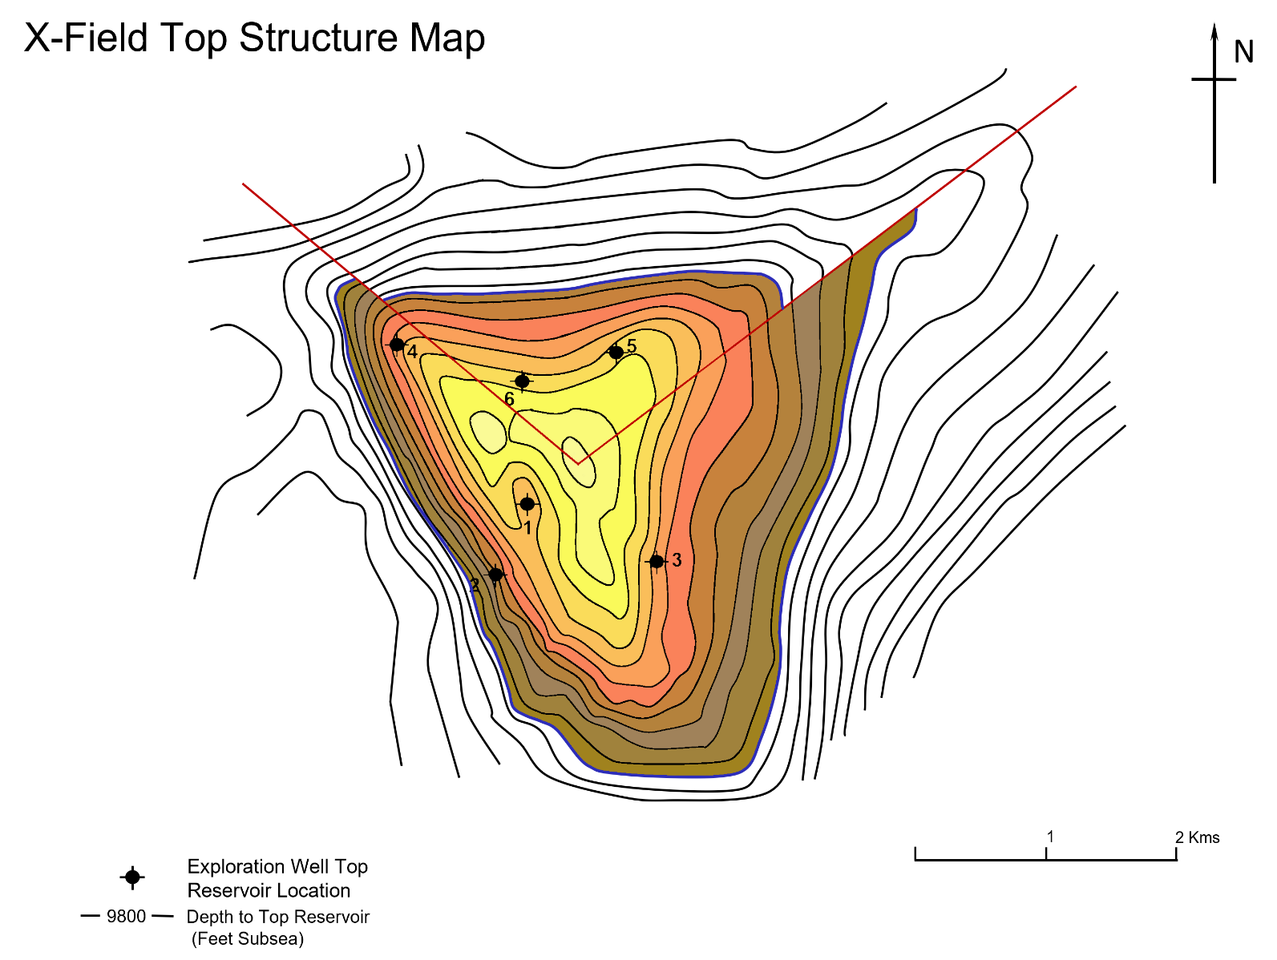
Layer 6 | 10300.00 | 2.5535931201 | 27476661.97 | 631.01 | 4378941187.85 | 100563.04 | Layer 6 | 10300.00 | 1.1937866165 | 12845143.99 | 294.99 | 2013811642.03 | 46247.48
Layer 7 | 10400.00 | 3.3079494759 | 35593536.36 | 817.41 | 3153509916.69 | 72420.82 | Layer 7 | 10400.00 | 1.5021123354 | 16162728.73 | 371.18 | 1450393636.12 | 33308.51
Layer 8 | 10500.00 | 4.0581671594 | 43665878.63 | 1002.79 | 3962970749.80 | 91010.21 | Layer 8 | 10500.00 | 1.8249502822 | 19636465.04 | 450.95 | 1789959688.26 | 41106.69
Layer 9 | 10600.00 | 4.8529320075 | 52217548.40 | 1199.18 | 4794171351.79 | 110098.86 | OWC | 10560.00 | 1.9909809191 | 21422954.69 | 491.98 | 1231782591.78 | 28288.07
Layer 10 | 10700.00 | 5.6040204246 | 60299259.77 | 1384.78 | 5625840408.49 | 129198.26 |  | TOTAL | 8.72 | 93840964.47 | 2155.07 | 8370864752.49 | 192238.15
Layer 11 | 10800.00 | 6.60799785 | 71102056.87 | 1632.87 | 6570065831.77 | 150882.54
OWC | 10845.00 | 7.1829400699 | 77288435.15 | 1774.94 | 3338786070.41 | 76675.72
 | TOTAL | 39.06 | 420319779.84 | 9652.71 | 36043576180.60 | 827746.09

Compartment B - North
0 | 9770
208896.1032 | 9800
1632188.7665 | 9900
4790614.566 | 10000
7292972.4268 | 10100
10057896.264 | 10200
12845143.994 | 10300
16162728.729 | 10400
19636465.036 | 10500
21422954.69 | 10560
Compartment A - South
0 | 9770
931588.71271 | 9800
4155135.5012 | 9900
10309936.469 | 10000
16312749.906 | 10100
21898580.812 | 10200
27476661.973 | 10300
35593536.361 | 10400
43665878.635 | 10500
52217548.401 | 10600
60299259.769 | 10700
71102056.866 | 10800
77288435.152

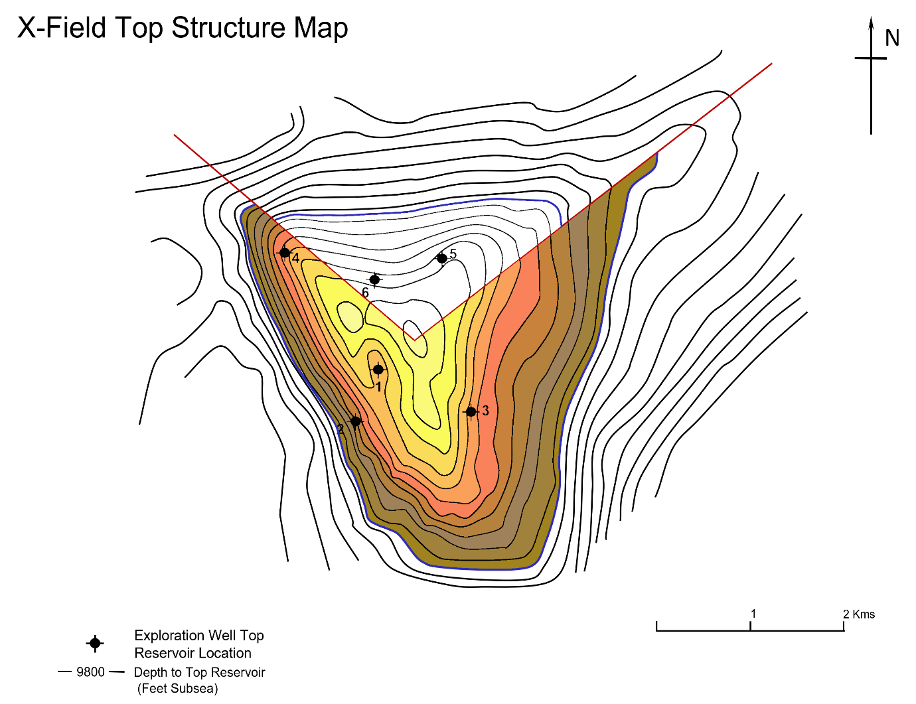
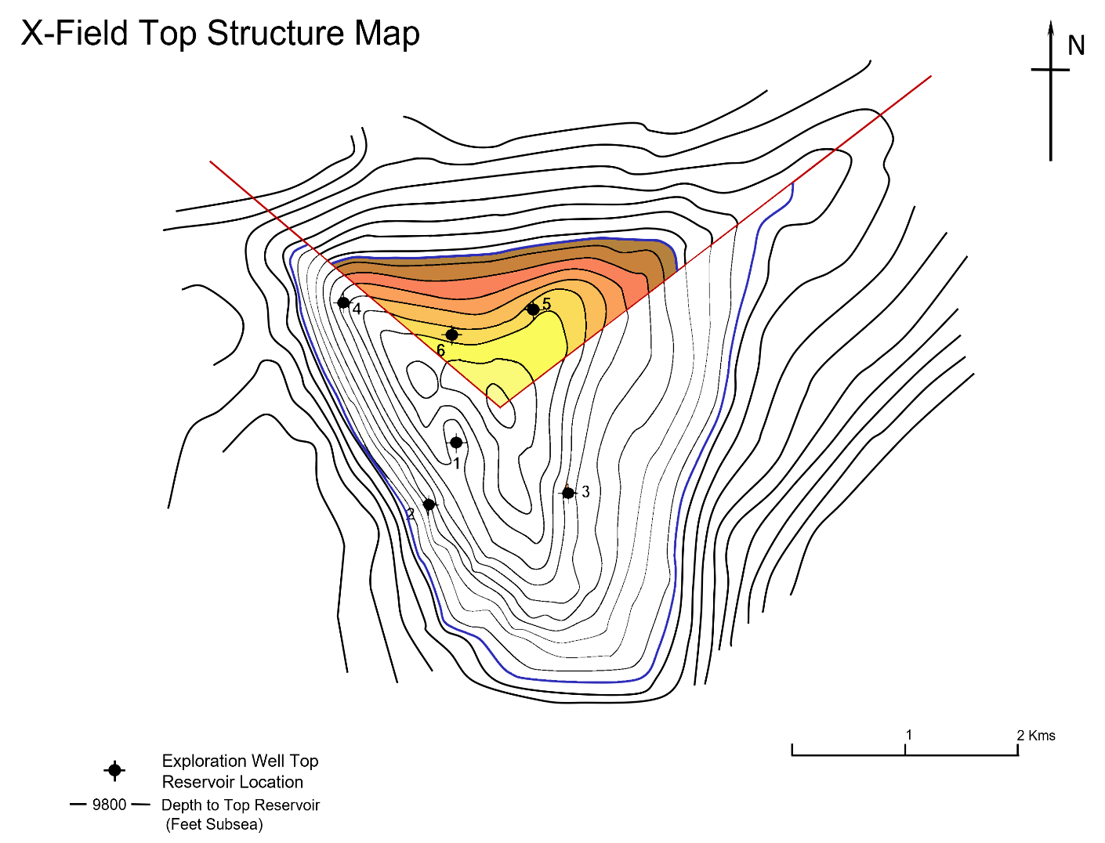

Overall FIeld Top Structure Map

Compartment A Top Structure Map
Compartment B Top Structure Map

Probabilistic STOİİP _ Comp A
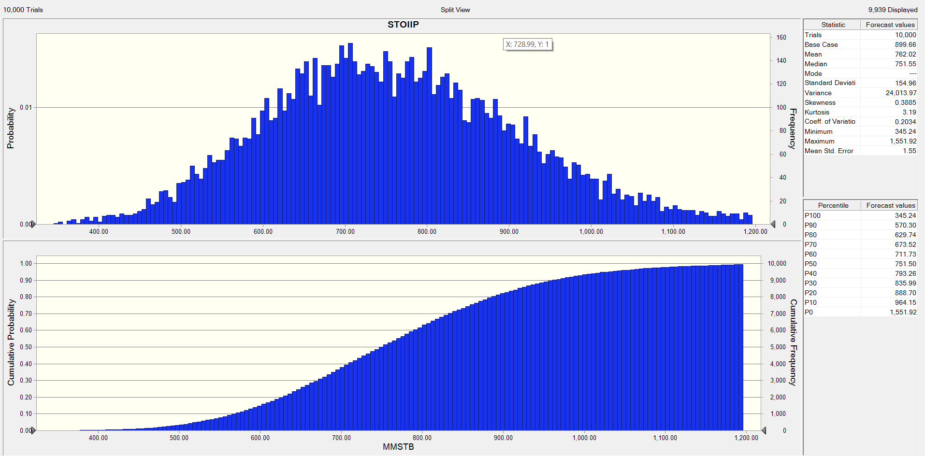
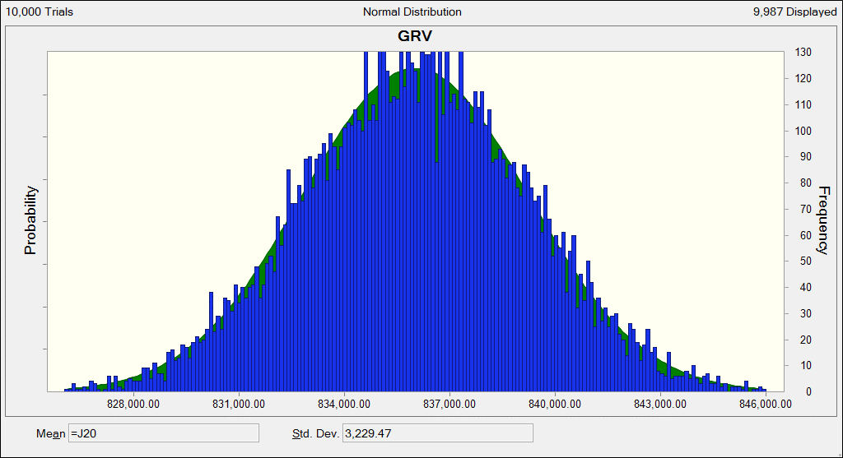
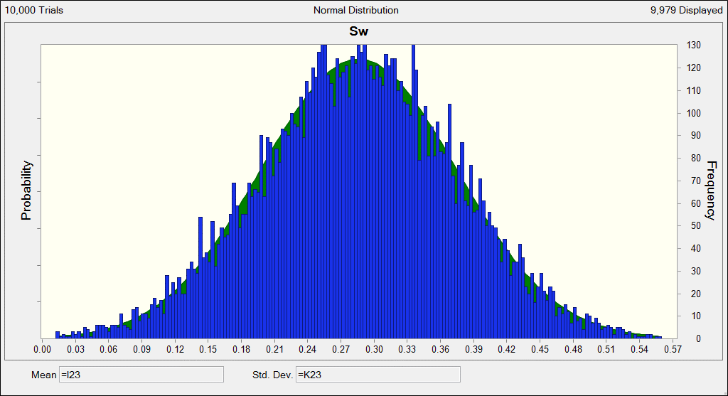

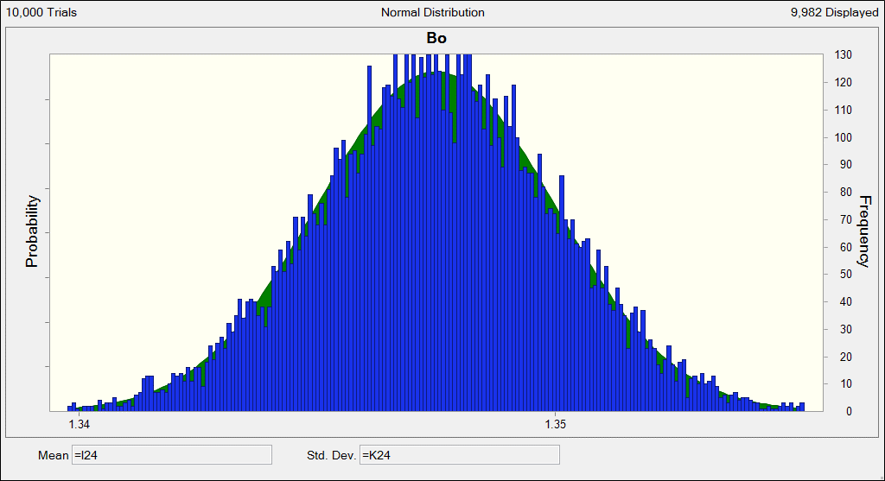

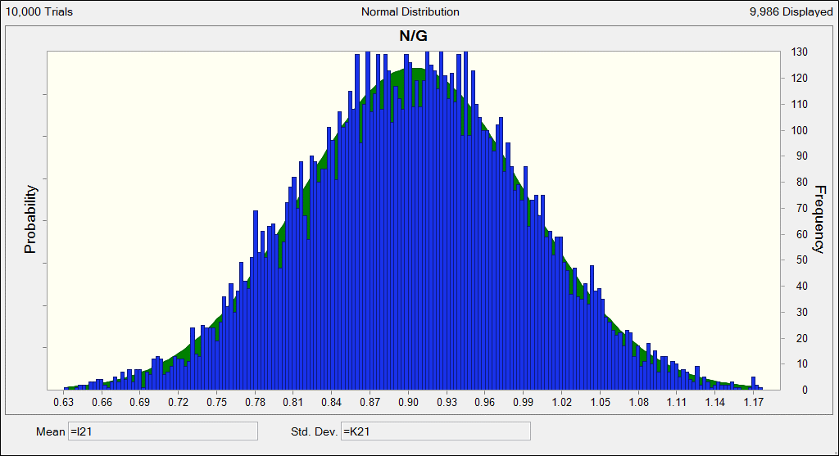
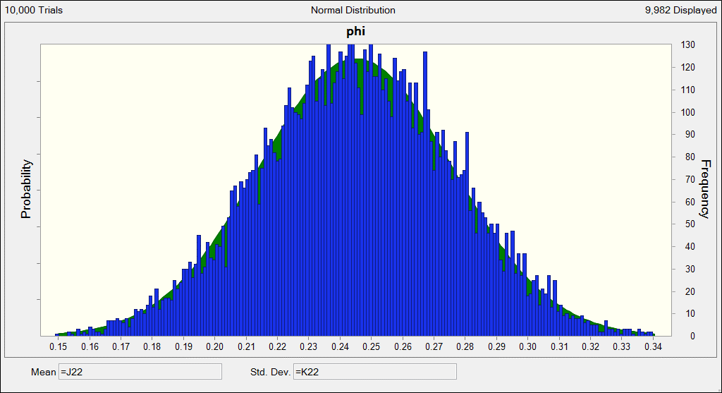

Probabilistic STOİİP _ Comp B
