All Relationships
 | Extension #1 |  |  | Extension #2 |  |  |  | Extension #3
 | Presentation |  |  | Presentation |  |  |  | Presentation
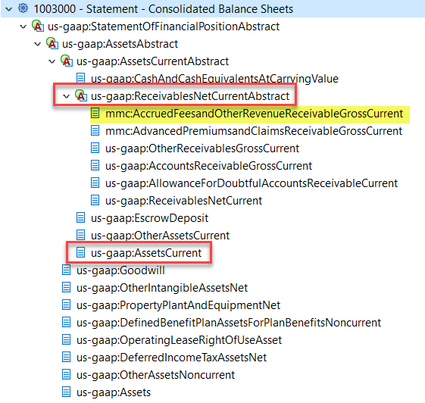
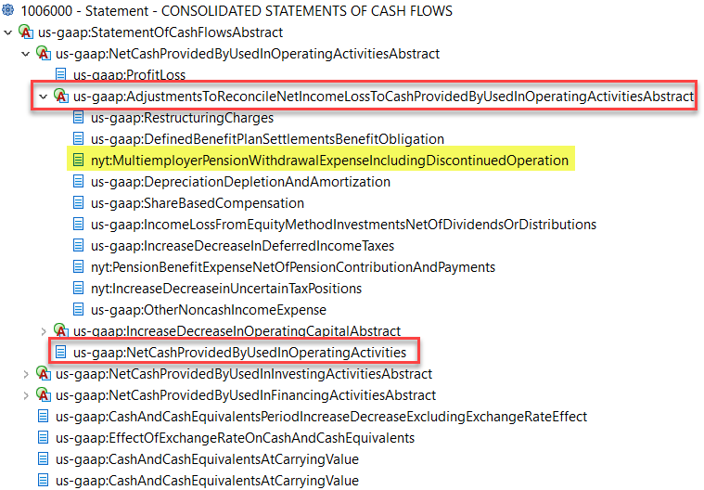
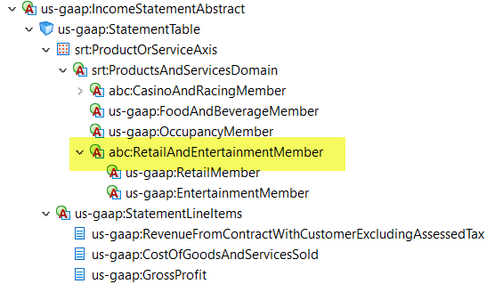

Calculation |  |  |  | Calculation |  |  |  | Definition
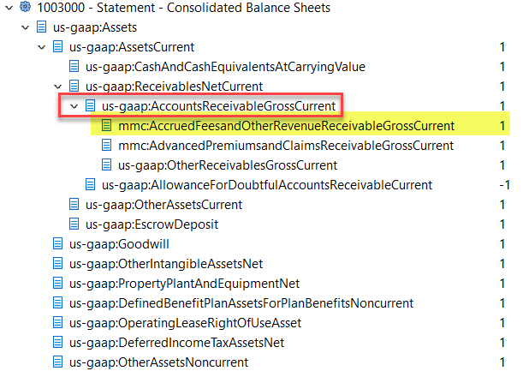
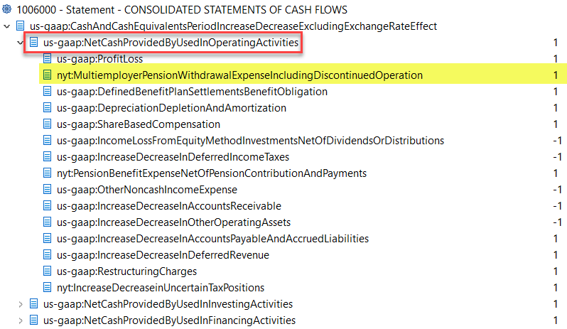
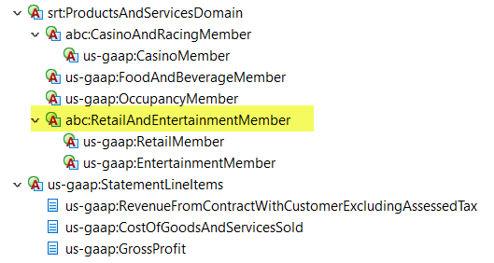

Wider-Narrower |  |  |  | Wider-Narrower |  |  |  | Domain-Member
 |  |  | (monetary, instant, debit)
 | us-gaap_AccruedFeesAndOtherRevenueReceivable |  |  | us-gaap_MultiemployerPlansWithdrawalObligation |  | (monetary, instant, credit) |  | ext_RetailandEntertainmentMember |  | (domain, duration)

 |  | ext_AccruedFeesandOtherRevenueReceivableGrossCurrent | (monetary, instant, debit) |  | ext_MultiemployerPensionWithdrawalExpenseIncludingDiscontinuedOperation |  | (monetary, duration, debit) |  | us-gaap_RetailMember | (domain, duration)

 |  |  |  |  |  |  |  |  | us-gaap_EntertainmentMember | (domain, duration)

