Example#3
Kirchhoff Circuit Theory Example

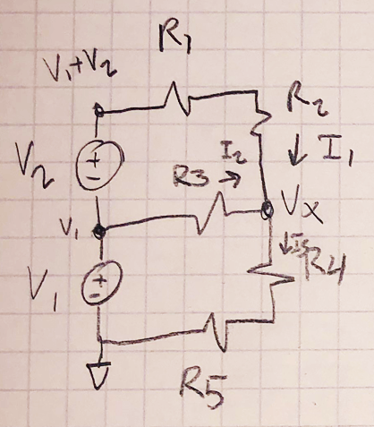
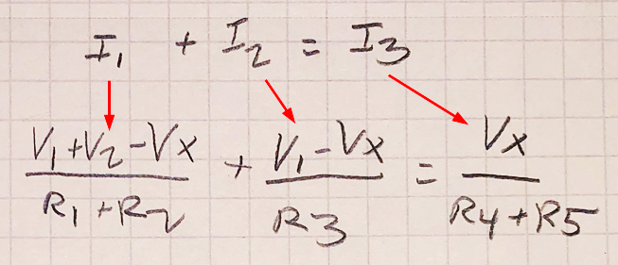
 | Given: |  | Min: |  | Original:
 | V1 = | 9
 | V2 = | 2
 | R1 = | 20 | 1 |  | 20
 | R2 = | 20 | 1 |  | 20
 | R3 = | 40 | 2 |  | 40
 | R4 = | 40 | 1 |  | 40
 | R5 = | 60 | 1 |  | 60

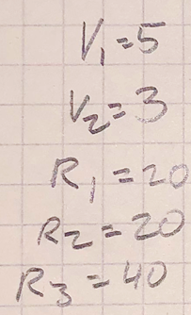
 | Formula from Diagram:
 | I1 = (V1 + V2 - Vx) / (R1 + R2) |  |  | = | 0.275
 | I2 = (V1 - Vx) / R3 |  |  | = | 0.225
 | I3 = Vx / (R4 + R5) |  |  | = | 0

 | I1 + I2 = I3
 | VX = | I1 + I2 - I3
 | VX = | 0.5

