Slide 9
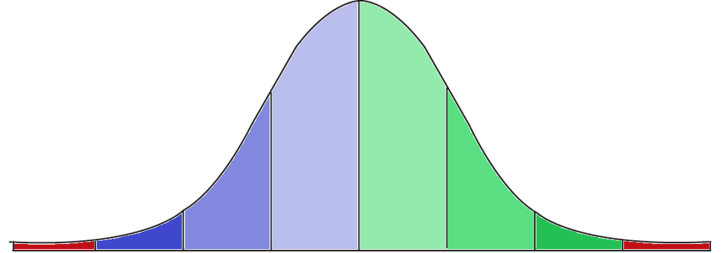
www.dataresearchlabs.com
Author: Matt Pierce License: CC
Please feel free to copy-paste and re-use as needed.
Normal Bell Shaped Curve

2.1%
13.6%
34.1%
34.1%
13.6%
2.1%
0.15%
0.15%

 | Negative Z-Scores (50%) |  |  |  |  |  |  |  | Positive Z-Scores (50%)
Standard Deviations: |  | -3 |  | -2 |  | -1 |  | 0 |  |  | 1 |  | 2 | 3
From Mean: |  | µ - 3ơ | µ - 2ơ |  | µ - ơ |  |  | µ |  | µ + ơ |  | µ + 2ơ |  | µ + 3ơ

 |  |  |  |  |  |  | 68%

 |  |  |  |  |  |  | 95%

 |  |  |  |  |  |  | 99.7%

Slide 11
www.dataresearchlabs.com
Author: Matt Pierce License: CC
Please feel free to copy-paste and re-use as needed.
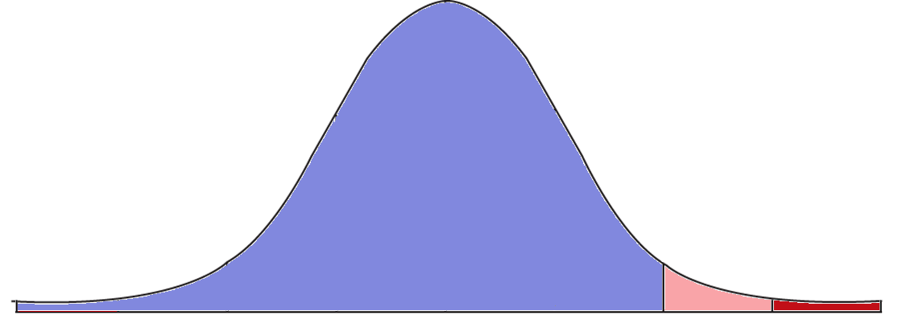
Normal Bell Shaped Curve

97.75%
2.1%
0.15%

 | Negative Z-Scores (50%) |  |  |  |  |  |  |  | + 34.1% |  |  | + 13.6%
Standard Deviations: |  | -3 |  | -2 |  |  | -1 | 0 |  |  | 1 |  |  | 2 | 3
From Mean: |  | µ - 3ơ | µ - 2ơ |  |  | µ - ơ |  | µ |  | µ + ơ |  |  | µ + 2ơ |  | µ + 3ơ

 |  |  | 50%

 |  |  |  |  | 84%

 |  |  |  |  |  | 97.75%

Slide 14
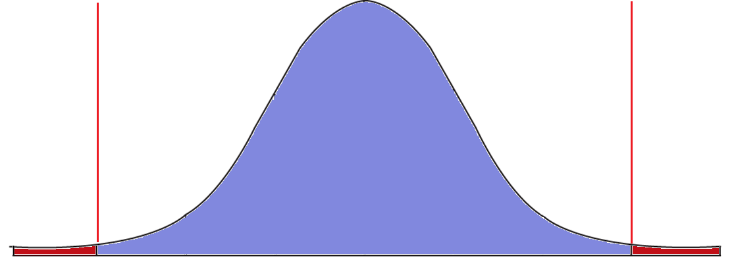

99.7%

0.15%
0.15%

Standard Deviations: |  | -3 |  | -2 |  | -1 |  | 0 |  | 1 |  | 2 | 3
From Mean: |  | µ - 3ơ | µ - 2ơ |  | µ - ơ |  |  | µ | µ + ơ |  | µ + 2ơ |  | µ + 3ơ

 | 0.15% |  |  |  |  |  | 99.7% |  |  |  |  |  |  | 0.15%

Slide 23-25
z = STANDARDIZE(X, µ, ơ)
Z-Score Formula:

Where: | X is a single raw data value
 | µ is the mean of the data
 | ơ is the standard deviation of the dataset

 | z = STANDARDIZE(X, µ, ơ)
Data | Z-Score | Mean (µ) | StdDev (ơ)
10 | -1.60 | 18.917 | 5.575
15 | -0.70
20 | 0.19
25 | 1.09
25 | 1.09
24 | 0.91
12 | -1.24
15 | -0.70
17 | -0.34
29 | 1.81
16 | -0.52
19 | 0.01

Example #1
Raw Test Scores
Z-Score
Z-SCORE for Student Test Scores

Name | Test Score | Z-Score
Karen | 99 | 1.7760426302 | =STANDARDIZE(C5,$D$23,$D$24)
Jackie | 98 | 1.5177091567
Kelly | 96 | 1.0010422098
June | 95 | 0.74270873628
Kivan | 95 | 0.74270873628
Kieren | 94 | 0.48437526279
Jillian | 93 | 0.2260417893
Kieva | 93 | 0.2260417893
Jack | 92 | -0.032291684186
Kyle | 91 | -0.29062515767
John | 90 | -0.54895863116
Jerry | 90 | -0.54895863116
Jerome | 88 | -1.0656255781
Kyla | 88 | -1.0656255781
Kelso | 87 | -1.3239590516
Kevin | 85 | -1.8406259986

 | Mean: | 92.13 | =AVERAGE($C$5:$C$20)
 | StDev.P: | 3.87 | =STDEV.P($C$5:$C$20)

