Graphs
My Loan Tracker - Graphs

Loan Amortization Chart
 | Remaining Balance | Cumulative Principal | Cumulative Interest
2022-08-01 | $249,751.12 | $248.88 | $1,250.00
2022-09-01 | $249,501.00 | $499.00 | $2,498.76
2022-10-01 | $249,249.63 | $750.37 | $3,746.26
2022-11-01 | $248,997.00 | $1,003.00 | $4,992.51
2022-12-01 | $248,743.11 | $1,256.89 | $6,237.49
2023-01-01 | $248,487.95 | $1,512.05 | $7,481.21
2023-02-01 | $248,231.51 | $1,768.49 | $8,723.65
2023-03-01 | $247,973.80 | $2,026.20 | $9,964.81
2023-04-01 | $247,714.79 | $2,285.21 | $11,204.68
2023-05-01 | $247,454.49 | $2,545.51 | $12,443.25
2023-06-01 | $247,192.88 | $2,807.12 | $13,680.52
2023-07-01 | $246,929.97 | $3,070.03 | $14,916.49
2023-08-01 | $246,665.74 | $3,334.26 | $16,151.14
2023-09-01 | $246,400.20 | $3,599.80 | $17,384.47
2023-10-01 | $246,133.32 | $3,866.68 | $18,616.47
2023-11-01 | $245,865.11 | $4,134.89 | $19,847.13
2023-12-01 | $245,595.56 | $4,404.44 | $21,076.46
2024-01-01 | $245,324.66 | $4,675.34 | $22,304.44
2024-02-01 | $245,052.41 | $4,947.59 | $23,531.06
2024-03-01 | $244,778.80 | $5,221.20 | $24,756.32
2024-04-01 | $244,503.81 | $5,496.19 | $25,980.22
2024-05-01 | $244,227.46 | $5,772.54 | $27,202.73
2024-06-01 | $243,949.72 | $6,050.28 | $28,423.87
2024-07-01 | $243,670.59 | $6,329.41 | $29,643.62
2024-08-01 | $243,390.07 | $6,609.93 | $30,861.97
2024-09-01 | $243,108.14 | $6,891.86 | $32,078.92
2024-10-01 | $242,824.80 | $7,175.20 | $33,294.46
2024-11-01 | $242,540.05 | $7,459.95 | $34,508.59
2024-12-01 | $242,253.88 | $7,746.12 | $35,721.29
2025-01-01 | $241,966.27 | $8,033.73 | $36,932.56
2025-02-01 | $241,677.22 | $8,322.78 | $38,142.39
2025-03-01 | $241,386.73 | $8,613.27 | $39,350.78
2025-04-01 | $241,094.79 | $8,905.21 | $40,557.71
2025-05-01 | $240,801.39 | $9,198.61 | $41,763.18
2025-06-01 | $240,506.52 | $9,493.48 | $42,967.19
2025-07-01 | $240,210.18 | $9,789.82 | $44,169.72
2025-08-01 | $239,912.35 | $10,087.65 | $45,370.77
2025-09-01 | $239,613.04 | $10,386.96 | $46,570.34
2025-10-01 | $239,312.22 | $10,687.78 | $47,768.40
2025-11-01 | $239,009.91 | $10,990.09 | $48,964.96
2025-12-01 | $238,706.08 | $11,293.92 | $50,160.01
2026-01-01 | $238,400.74 | $11,599.26 | $51,353.54
2026-02-01 | $238,093.86 | $11,906.14 | $52,545.55
2026-03-01 | $237,785.46 | $12,214.54 | $53,736.01
2026-04-01 | $237,475.51 | $12,524.49 | $54,924.94
2026-05-01 | $237,164.01 | $12,835.99 | $56,112.32
2026-06-01 | $236,850.95 | $13,149.05 | $57,298.14
2026-07-01 | $236,536.33 | $13,463.67 | $58,482.39
2026-08-01 | $236,220.14 | $13,779.86 | $59,665.08
2026-09-01 | $235,902.36 | $14,097.64 | $60,846.18
...

Help
 |  | My Loan Tracker - Help

1 - Overview

"My Loan Tracker" is loan repayment scheduler enabling you to plan, track, and adjust how much you're paying each month (or specified payment period). You can add extra "pre-payments to principle" to the regularly scheduled bank payments to reduce the total interest paid and lifespan of the loan. You can even track the occasional one-time extra pre-payments.
FREE Edition: This spreadsheet is simple to use. All the formulas are done for you. Just fill out the six Loan Parameters in yellow boxes at the upper left corner of the spreadsheet, and everything else will be auto-calculated. You can alter the parameters to try out different scenarios. You can even go type in "one-off" pre-payments down in the schedule for accurate change tracking. A Graphs worksheet show the cumulative interest, cumulative principle, and remaining balance of the loan over its entrie life. This is covered by an MIT License, enabling you to use, share and re-purpose anyway you need, including commercial use. Most cells and formulas are locked.
STANDARD Edition: Contains everything in the FREE edition, plus more! Adds current payment date tracking projections such as the "Paid thus Far" and "Balance Remaining" columns of data. Also adds two additional graphs: 1. "Payment Type" graph comparing total interest originally scheduled vs. after pre-payments are applied. 2. "Monthly Payments" graph showing principle vs. interest as periodic payments (not cumulative) Although all cells and formulas are locked, they are easily unprotected with a blank password.

2 - Quick Start Guide

2.1 - Legend

The general rule is that you only type into light yellow cells, and only on the first worksheet "Amortization Schedule". Everything else is a calculated cell.

Cells and fonts are color-coded as follows to indicate which parameters the user can/should edit.

Text |  |  | Light Yellow cells allow users to type loan parameter and pre-payment values in, even over existing default values and formulas

Text |  |  | White cells are locked so users do not type over formulas and field names

Text |  |  | Blue cells are locked from editing “hidden” formulas that are exposed and used when a current payment date is selected

Text |  |  | Gray cells are locked from editing column headers and row/payment values

$450.00 |  |  | Dark Yellow Bold cells occur when users edit and enter one-time or occasional principal pre-payments in Column "G" of the "Amortization Schedule" worksheet for any date(s). Note that you can type right over the formula to override.

 | 360 |  | Column L has one or more green cells that are “jump stops”. Select a green cell containing a jump stop then press and hold Ctrl key + Up or Down arrow key to jump to the next green cell. These green cell jump stops are conveniently located 180 rows (15 years) apart and 360 rows (30 years) apart. Note that 480 rows (40 years) and 520 rows (40 years times 13 payments) are extremely rarely needed, but they will be present, if needed.”

 |  |  |  | Indicates this is the "Free" edition of the spreadsheet (MIT License).

 |  |  |  | Indicates this is the "Standard" edition of the spreadsheet. See About tab.

2.2 - "The Inputs" = Just 6 Loan Parameters

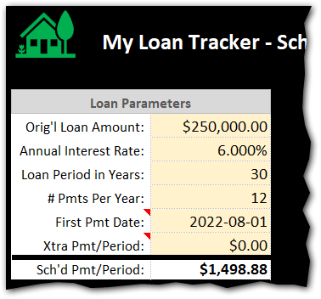
The following features are available in both the FREE and STANDARD Editions. To use this spreadsheet, you just need to fill out the minimum set of parameters on the "Amortization Schedule" worksheet as follows (cross reference screenshot fields to the right):
1. Original Loan Amount: The total loan amount (principal) that you are borrowing and will need to pay back

2. Annual Interest Rate: The loan interest rate

3. Loan Period in Years: The length of time in years to payoff the loan assuming no pre-payments to principal are made. Typical values are 15-year and 30-year, but we've added 40-year too if they come about.

4. Number of Payments Per Year: This is typically 12 for monthly payments.

5. Date of First Payment: Enter the year, month and day that payments will start. I typically prefer setting the day to the first ("1").

6. Extra Payment / Early Principal: This value is optional. Leave it at $0.00 to stick with the original loan terms and length. However, if you want to pay off the loan early and reduce total interest you can try out different values to pre-pay each period to understand the impact (example: pre-paying $500 a period might save 10.5 years off the loan and save $150,000 in interest to the bank...savings you can put to use elsewhere. Play with this value to better understand your loan and various scenarios for paying it off faster.

2.3 - "The Outputs" = Loan Summary Box + Amortization Schedule

There are three sections on the "Amortization Schedule" worksheet shown below.
Section #1 is the "Loan Parameters" you just entered in the previous section. Notice that the "Payment per Period" has been calculated for you (i.e. - the Monthly payment).

Section #2 is the "Loan Summary" with the original terms including total interest paid out over the life of the loan, the total cost of the loan (principal + interest), the total number of payments, the payoff time in years, and the final payoff date.

Section #3 is the "Loan Tracking" fields that are only available in the STANDARD Edition. These cells let you select a current payment date and see what has been "Paid thus Far" vs. the "Remaining Balance". It also lets you set a property name that appears on this sheet and the graphs for folks that either have multiple properties, or an old house they sold vs. new house they live in now.

Section #4 is the "Amortization Schedule" showing you each payment's date, beginning balance, scheduled payment (interest + principal), total payment (including any extra principal pre-payment you enter in the yellow box), the remaining balance on the loan, the cumulative principal paid and the cumulative interest paid on the loan.
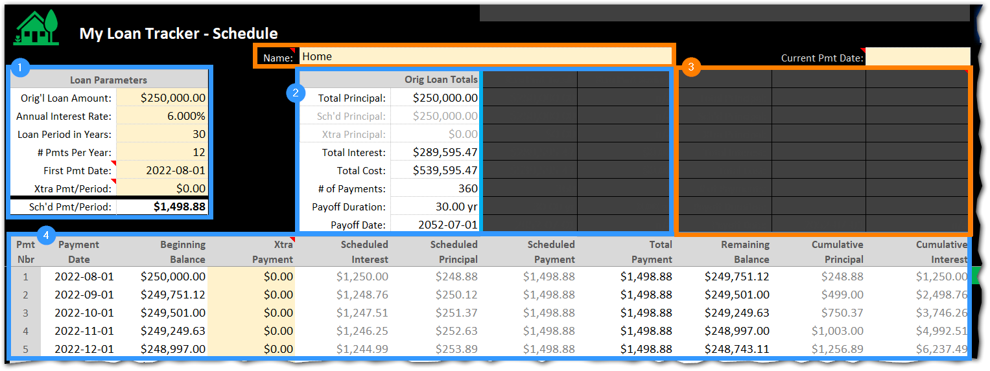

2.4 - "Pre-Payment to Principal" / Early Payoff

The following features are available in both the FREE and STANDARD Editions. There are two ways of entering extra payments in this spreadsheet: (1) as a Loan Parameter, and (2) directly down in the amortization schedule as a one-off.

Bullet #1 below is where you enter a regular extra payment (to principal) that you want to occur with every scheduled payment. In the example below, an extra $125.00 will be applied to principal every month. You can see the $125 repeating down in the amortization schedule above and below bullet #2. This reduces the total life of the loan by 5.42 years and 65 payments in cells I10 and I11.

Bullet #2 is where you enter unique one-time payments that are not scheduled. In the example below, the user made a one-time extra payment of $500 on November 1 because she received a spot bonus at work and wanted to apply that to her mortgage principal.
Pro Tip #1: If you have already been paying your mortgage for some time and just started using this spreadsheet to track, this is where you would manually enter all of your pre-payments (type the values in over the formulas) to precisely model your current mortgage histories if you varied from the regular payments.
Pro Tip #2: The way I use these two pre-payment approaches is by entering the minimum pre-payment amount I know I can hit every month (the $125 in example below at bullet #1). But then every month I try to pre-pay more and just over-type the formula in the "Extra Payments" column at bullet #2.

Bullet #3 shows how the Loan Summary section "lights up" after pre-payments are detected. Notice the "w/Pre-Payments" column is no longer grayed out because the values changed. Notice the "Total Savings" column with green values indicating how much money you saved by not paying interest and how much time you reduced on the life of the loan.

Bullet #4 shows the impact of paying extra principal above the regular scheduled amount. For example, the remaining balance dropped by about $750 and the cumulative principal jumped from $1,127 to $1,881.

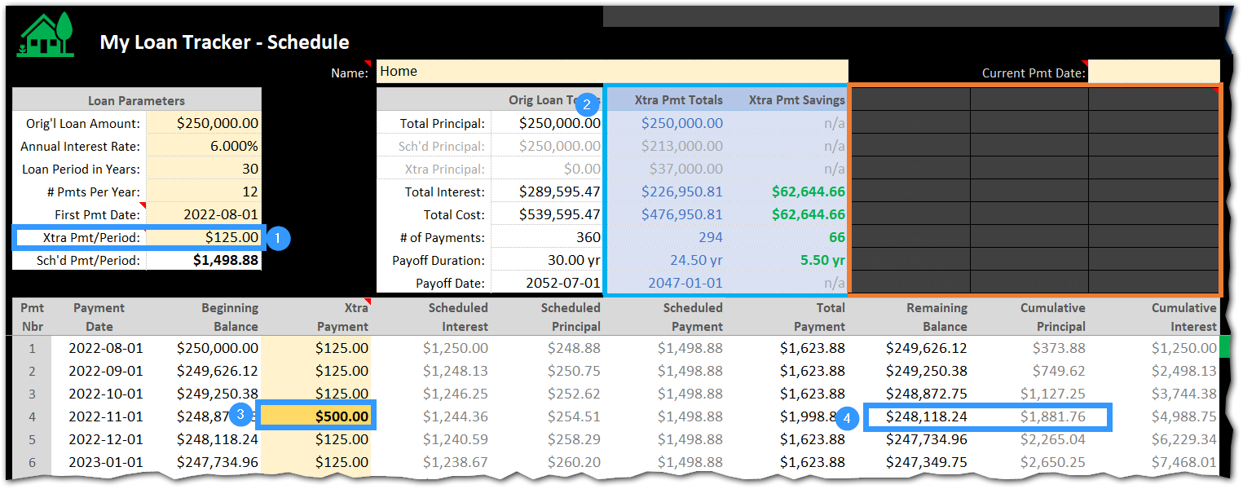

2.5 - "Payment Tracking"

The following features are only available in the STANDARD Edition. Bullet #1 in the screenshot below is a drop-down box labeled "Current Payment Date". This drop-down contains dates of all loan payments. Use it to select the current pay period and popup the loan status data shown in the next bullet.

Bullet #2 shows the tracking data window that appears upon selecting the most recent payment date. The left column is titled "Paid Thus Far" and the right column is "Balance Remaining". Use these columns to see how many payments, years, and dollars are completed thus far versus the balance remaining.

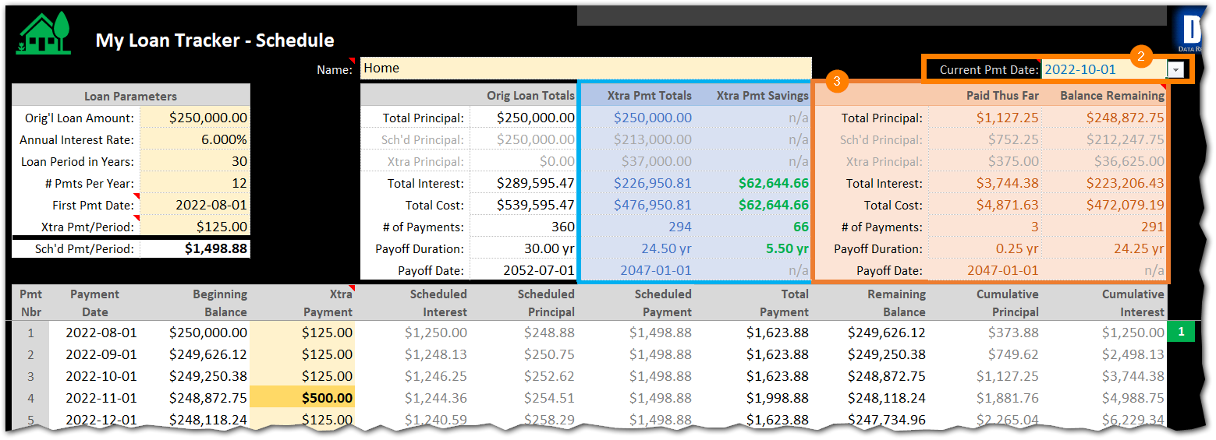

2.6 - "Graphs"

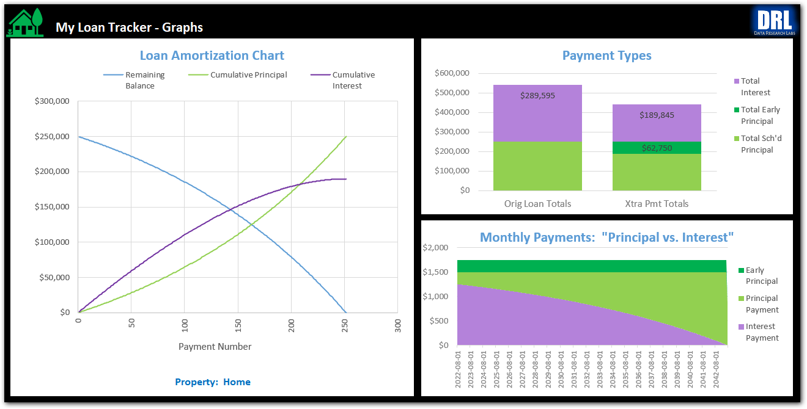
These graphs are also only available in the STANDARD Edition. The graphs help you better visualize the whole loan life-cycle, and see total interest savings if you make pre-payments to principal.

3 - Product & Services

3.1 - Product Edition Feature Comparison

There are two editions of this spreadsheet: FREE and STANDARD. Feature comparison as follows:

Features |  |  |  |  |  |  | Free | Standard
Price: One time purchase |  |  |  |  |  |  | $0.00 | $4.99
Loan Parameters: Enter the loan amount, interest rate, loan period, number of payments per year, and date of first payment. |  |  |  |  |  |  | ü | ü
Extra Payments, Scheduled: You can schedule extra payments to principle into every payment row (cell I5) |  |  |  |  |  |  | ü | ü
Extra Payments, One-Time: You can also manually type in one-time pre-payments down in the amortization schedule (yellow cells at column "G") |  |  |  |  |  |  | ü | ü
See the Savings: You can see the savings in number of years, number of payments, and number of dollars interest by making extra payments above. Nice for what-if scenarios. Nice for tracking your existing mortgage pay-off. |  |  |  |  |  |  | ü | ü
Amortization Schedule: You can see the complete amortization schedule, with complete details on interest, principle, pre-payments, etc. |  |  |  |  |  |  | ü | ü
Loan Amortization Chart: Cumulative interest vs. cumulative principal with remaining balance. |  |  |  |  |  |  | ü | ü
No Subscription: Use forever, no time limitations or additional annual fees. |  |  |  |  |  |  | ü | ü
Safety: Spreadsheet is locked to prevent accidental typos in the wrong spot. |  |  |  |  |  |  | ü | ü
Unlocking: Spreadsheet can be unprotected using a blank password to view formulas and edit all cells. Default is protected on to avoid accidentally changing formulas. |  |  |  |  |  |  | ü | ü
Current Payment: Enter the current payment date and see "Paid Thus Far" vs. "Remaining Balance" for scheduled and extra principal, total interest, total cost, number of payments, and payoff date. |  |  |  |  |  |  | û | ü
More Graphs: Payment Type comparison (scheduled vs. with extra payments). Monthly interest, principal, and early principal amounts. |  |  |  |  |  |  | û | ü
Sharing: Share as-is freely with others. Commercial use too. It would be nice if you purchased a STANDARD edition copy for each file you share, but that is optional after the first copy is purchased. |  |  |  |  |  |  | ü | ü
Open Source: MIT License. Alter as needed, just be sure to reference the MIT License and the original creator (Data Research Labs). |  |  |  |  |  |  | ü | û

3.2 - Purchasing Products & Services

I put a lot of time and energy into making this tool. If you use the FREE Edition for a couple of years and find it meets your needs well, then at that time please consider purchasing one copy of the STANDARD Edition to help me out. Likewise, if you purchase one copy of the STANDARD Edition and are sharing it with your friends and clients, then please consider making those into purchases -- no obligation, just where it makes sense. Finally, I'd be happy to re-brand the template for bulk purchases, site licenses, etc. (or you can do it yourself via the open source FREE Edition).

 |  |  |  |  | To purchase the STANDARD Edition on Etsy: | https://www.etsy.com/shop/DataResearchLabs

 |  |  |  |  | To download the FREE Edition on GitHub: | https://github.com/dataresearchlabs/my_loan_tracker

 |  |  |  |  | To email me about re-branding or other visit: | https://dataresearchlabs.com/contact-us

3.3 - How to "Unlock" the Spreadsheet (for editing / to view formulas)

1. Download or purchase a copy of the spreadsheet 2. Open the file in XL and click the "Amortization Schedule" tab 3. Click menu items "Home" > "Format" > "Unprotect Sheet" 4. Because this open source, leave the password blank...the worksheet is simply unlocked

4 - Additional Training

For aditional training and related materials, please visit my YouTube site at:
https://www.youtube.com/c/DataResearchLabs/featured

About
 | My Loan Tracker
 | Version 1.00.08

 |  | Purchase STANDARD Edition on Etsy: | https://www.etsy.com/shop/DataResearchLabs

 |  | Download FREE Edition on GitHub: | https://github.com/dataresearchlabs/my_loan_tracker

 |  | Training on YouTube: | https://www.youtube.com/c/DataResearchLabs/featured

 |  | Email me for other Products & Services: | https://dataresearchlabs.com/contact-us

© 2022 by Data Research Labs |  |  | Edition: | FREE EDITION (MIT License)

This FREE Edition is open source and contains 95% of the features. You can use it for years and never need to purchase the STANDARD Edition. Feel free to share it with others and use it however you like.

MIT License: | https://github.com/git/git-scm.com/blob/main/MIT-LICENSE.txt

If you like "My Loan Tracker", then please...
1) Subscribe to my YouTube channel
2) Star my GitHub project
3) Purchase the "STANDARD EDITION" on Etsy
Links are above. Thank you. :-)

