Summary_ML_models
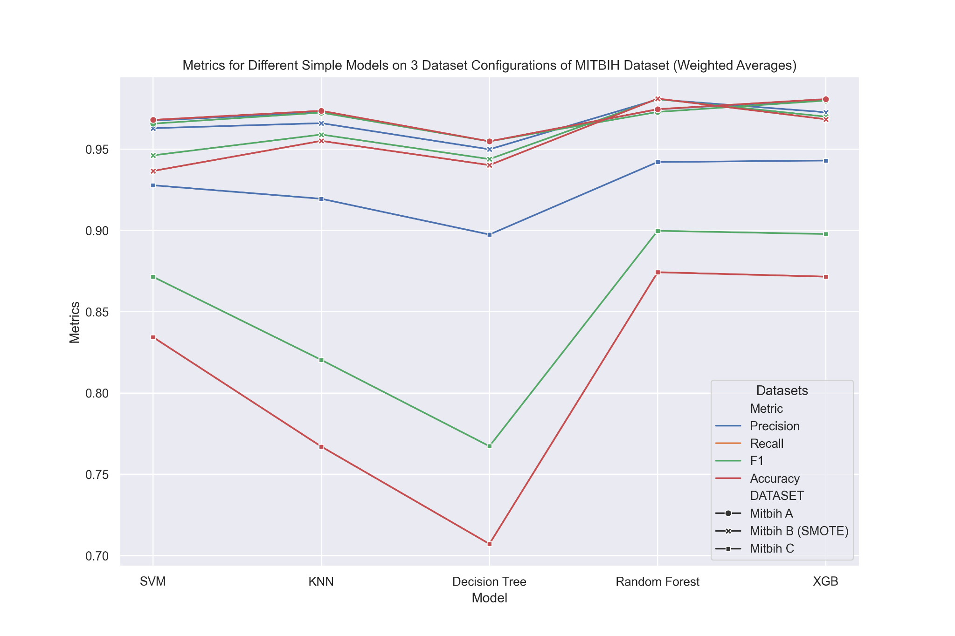
Weighted Average results for MITBIH (Rework Done)
Method | Precision | Recall | F1 | Accuracy | DATASET |  |  |  |  |  | Interpretation (Done via plots)
SVM | 0.9676 | 0.968 | 0.9657 | 0.968 | Mitbih A
KNN | 0.9727 | 0.9736 | 0.9725 | 0.9736 | Mitbih A |  |  |  |  |  | Simon: XXX
Decision Tree | 0.9548 | 0.9548 | 0.9548 | 0.9548 | Mitbih A
Random Forest | 0.9745 | 0.9746 | 0.9729 | 0.9746 | Mitbih A
XGB | 0.9804 | 0.9808 | 0.9799 | 0.9808 | Mitbih A
SVM | 0.9629 | 0.9366 | 0.9462 | 0.9366 | Mitbih B (SMOTE)
KNN | 0.966 | 0.9551 | 0.959 | 0.9551 | Mitbih B (SMOTE)
Decision Tree | 0.9499 | 0.9402 | 0.9439 | 0.9402 | Mitbih B (SMOTE)
Random Forest | 0.9806 | 0.9811 | 0.9808 | 0.9811 | Mitbih B (SMOTE)
XGB | 0.9727 | 0.9684 | 0.97 | 0.9684 | Mitbih B (SMOTE)
SVM | 0.9278 | 0.8344 | 0.8715 | 0.8344 | Mitbih C
KNN | 0.9195 | 0.7671 | 0.8204 | 0.7671 | Mitbih C
Decision Tree | 0.8975 | 0.7072 | 0.7673 | 0.7072 | Mitbih C
Random Forest | 0.9421 | 0.8743 | 0.8998 | 0.8743 | Mitbih C
XGB | 0.943 | 0.8716 | 0.8978 | 0.8716 | Mitbih C

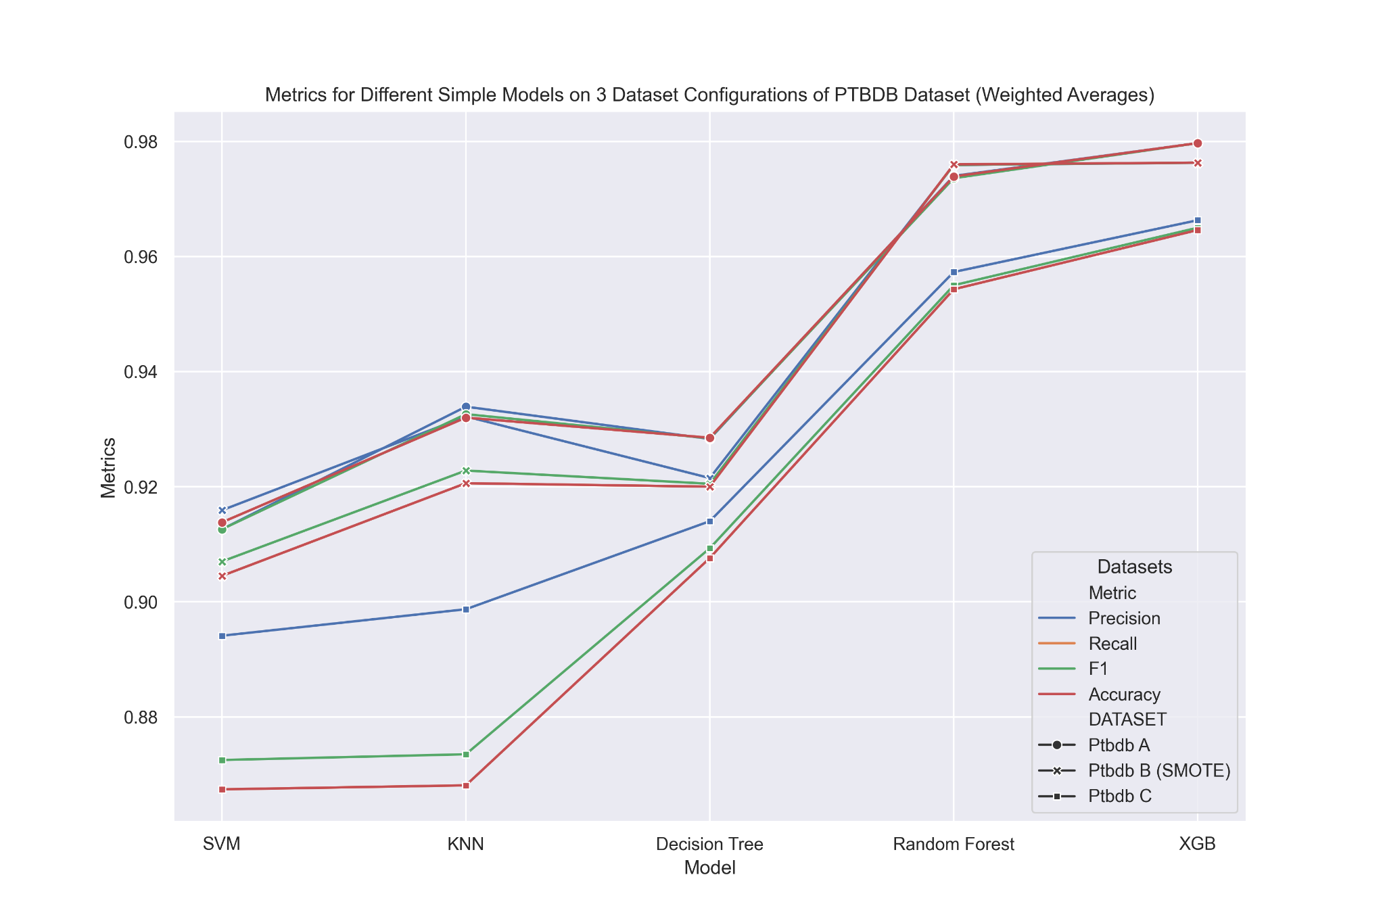
Weighted Average results for PTBDB (REWORK Done ) |  |  |  |  |  |  | Plots MITBIH and PTBDB Updated 09.03.24 with new results
Method | Precision | Recall | F1 | Accuracy | DATASET
SVM | 0.9126 | 0.9138 | 0.9126 | 0.9138 | Ptbdb A
KNN | 0.9339 | 0.932 | 0.9326 | 0.932 | Ptbdb A |  |  |  |  |  | Interpretation (Done via plots)
Decision Tree | 0.9283 | 0.9285 | 0.9284 | 0.9285 | Ptbdb A
Random Forest | 0.974 | 0.9739 | 0.9736 | 0.9739 | Ptbdb A |  |  |  |  |  | Simon: XXX
XGB | 0.9797 | 0.9797 | 0.9797 | 0.9797 | Ptbdb A
SVM | 0.9159 | 0.9045 | 0.907 | 0.9045 | Ptbdb B (SMOTE)
KNN | 0.9322 | 0.9206 | 0.9228 | 0.9206 | Ptbdb B (SMOTE)
Decision Tree | 0.9215 | 0.92 | 0.9205 | 0.92 | Ptbdb B (SMOTE)
Random Forest | 0.9759 | 0.976 | 0.9759 | 0.976 | Ptbdb B (SMOTE)
XGB | 0.9763 | 0.9763 | 0.9763 | 0.9763 | Ptbdb B (SMOTE)
SVM | 0.8941 | 0.8674 | 0.8725 | 0.8674 | Ptbdb C
KNN | 0.8987 | 0.8681 | 0.8735 | 0.8681 | Ptbdb C
Decision Tree | 0.914 | 0.9076 | 0.9093 | 0.9076 | Ptbdb C
Random Forest | 0.9573 | 0.9543 | 0.955 | 0.9543 | Ptbdb C
XGB | 0.9663 | 0.9646 | 0.965 | 0.9646 | Ptbdb C

Help Tables for Gridsearch and Normal A MITBIH Comparison |  |  |  |  |  | Difference between gridsearch and non-optimized models on MITBIH A in percent
Method | Precision | Recall | F1 | Accuracy |  | Method | Precision | Recall | F1 | Accuracy
SVM | 0.9676 | 0.968 | 0.9657 | 0.968 |  | SVM | 0.014882183 | 0.014462810 | 0.016878948 | 0.014462810
KNN | 0.9727 | 0.9736 | 0.9725 | 0.9736 |  | KNN | 0.007504883 | 0.006573541 | 0.007712082 | 0.006573541
Decision Tree | 0.9548 | 0.9548 | 0.9548 | 0.9548 |  | Decision Tree | 0.005446167 | 0.005446167 | 0.005446167 | 0.005446167
Random Forest | 0.9745 | 0.9746 | 0.9729 | 0.9746 |  | Random Forest | 0.000513084 | 0.000410425 | 0.000102785 | 0.000410425
XGB | 0.9804 | 0.9808 | 0.9799 | 0.9808 |  | XGB | 0.001631987 | 0.002243067 | 0.002143076 | 0.002243067

 |  |  |  |  |  | ↑ Rework is done for Mitbih A!
 |  |  |  |  |  | (↑ Repeat this for classwise calculations (further plots and explanations for report))
 |  | GridSearch |  |  |  | ← Is calculated automatically, if the help tables are corrected after rework!
Method | Precision | Recall | F1 | Accuracy
SVM | 0.982 | 0.982 | 0.982 | 0.982
KNN | 0.98 | 0.98 | 0.98 | 0.98
Decision Tree | 0.96 | 0.96 | 0.96 | 0.96
Random Forest | 0.975 | 0.975 | 0.973 | 0.975
XGB | 0.982 | 0.983 | 0.982 | 0.983

Steps to finish this summary table
1) All models have now the same train - test split. This step is done.
2) Make new plots (Simon)
 | 2.1) IF Hakan used scoring = accuracy for gridsearch, simon redoes his gridsearch and completes the tables.
3) Prepare the result and summary tables for classwise prediction results (precision, recall, f1) (Simon) (Hakan: I think it looks very excessive on this document, prepare a separate sheet if you like, then we see how it looks)
 | Simon: We do classwise separation (Step 3, 4, 5) if we get ahead with deep learning models and have time for it. WOuld be interesting to at least compare the conservativeness a little bit.
4) Fill in the classwise results from each notebook (Alex, Simon, Hakan)
5) Make plots from classwise summary (Simon / Hakan?) --> Collect Summary in this table
6) Interpret all results (Simon, Alex, Hakan). Simons early conclusions can be added (are written down by hand)
7) make Plan for deep learning approach:
USE THE SAME APPROACH FOR TEST_TRAINING Strategy! Discuss with ALL of us!
 | 7.1) Use Notebooks provided by Hakan (see right picture) --> Play around and find two metrics:
 |  | Runtime
 |  | Results (use classification report just like for simple models!)
 | 7.2) Discussion in team: Who runs which model and with which parameters.
 | 7.3) Let the models run
 | 7.4) Collect Classification reports just like for simple models, use same plot functions etc. and interpretation in team
8) Write report draft (continuesly) until 90% finished and then see how much time we have for advanced things...

DL_Models MITBIH_A
 | Weighted Average results for MITBIH A (No Gridsearch / Cross val)
Exp. No | Method | Precision | Recall | F1 | Accuracy | Exp. No | Parameters for Exp. No | Comment
1 | Simple ANN_Model | 0.9777 | 0.9784 | 0.973 | 0.974 | 1 | Epochs: 70 Patience: 10 | Hakans Notebook: https://files.slack.com/files-pri/T069DN687DJ-F06NRJVF6TA/download/cnn_model_-_mitbih_a.ipynb?origin_team=T069DN687DJ Simons Notebook Adaption: https://www.kaggle.com/code/simondommer/ecg-dlmodels-mitbih/edit (Set to Mitbih A and simple ANN)
1 | Simple CNN_model | 0.979 | 0.979 | 0.979 | 0.979 | 1
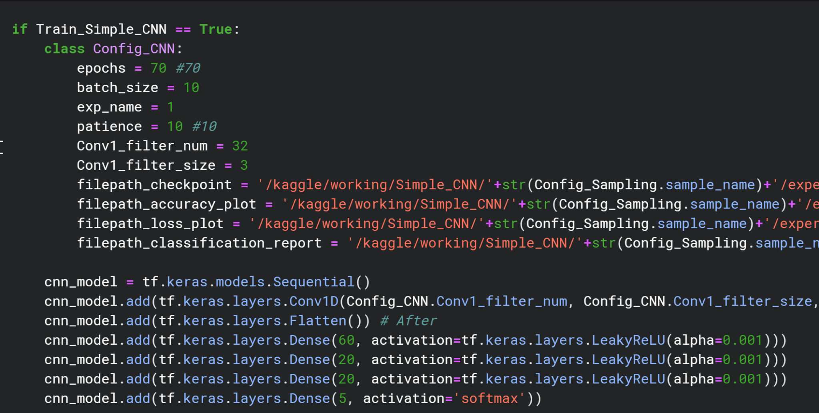

 | Keep this tables to make classwise report / evaluation if we hjave time, but focus on summary table first.

 | Classwise results for MITBIH A |  |  |  |  |  | ← USE THIS Class Names --> Taken from Original Kaggle notebook! Not super important, but keep consistency
Exp. No | Method | Metric | 0 Normal "N" | 1 Premature "S" | 2 Ventricular "V" | 3 V and N fused "F" | 4 Paced "Q" | accuracy | macro avg | weighted avg
1 | Simple ANN_Model | Precision | 0.981 | 0.944 | 0.901 | 0.776 | 0.988 | 0.974 | 0.918 | 0.974
1 | Simple ANN_Model | Recall | 0.993 | 0.604 | 0.925 | 0.704 | 0.961 | 0.974 | 0.837 | 0.974
1 | Simple ANN_Model | F1 | 0.987 | 0.737 | 0.913 | 0.738 | 0.974 | 0.974 | 0.87 | 0.973
1 | Simple CNN_Model | Precision | 0.9846 | 0.8874 | 0.9613 | 0.7566 | 0.9825 | 0.979 | 0.915 | 0.979
1 | Simple CNN_Model | Recall | 0.995 | 0.694 | 0.928 | 710 | 0.978 | 0.979 | 0.861 | 0.979
1 | Simple CNN_Model | F1 | 0.99 | 0.779 | 0.944 | 0.733 | 0.989 | 0.979 | 0.885 | 0.979

Summary_DL_models
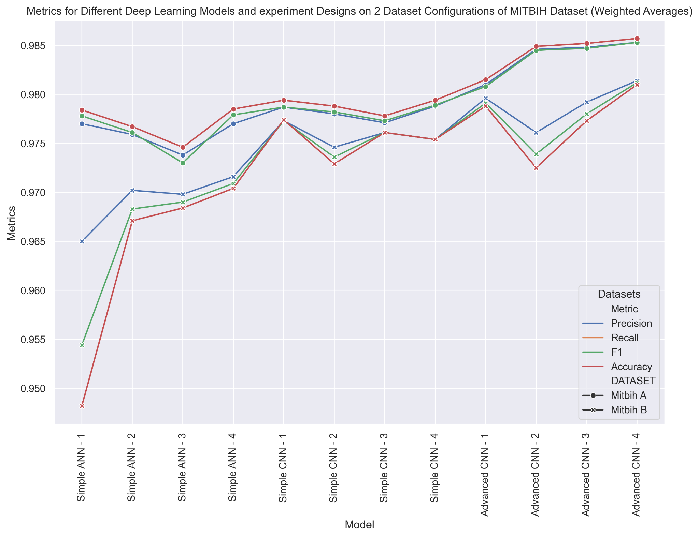
 | Weighted Average results for MITBIH
Exp. No | Method | Precision | Recall | F1 | Accuracy | DATASET |  | Interpretation (Done via plots)
1 | SIMPLE ANN - 1 | 0.977 | 0.9784 | 0.9778 | 0.9784 | Mitbih A
2 | SIMPLE ANN - 2 | 0.9759 | 0.9767 | 0.9761 | 0.9767 | Mitbih A |  | Simon: XXX
3 | SIMPLE ANN - 3 | 0.9738 | 0.9746 | 0.973 | 0.9746 | Mitbih A
4 | SIMPLE ANN - 4 | 0.977 | 0.9785 | 0.9779 | 0.9785 | Mitbih A
1 | SIMPLE ANN - 1 | 0.965 | 0.9482 | 0.9544 | 0.9482 | Mitbih B
2 | SIMPLE ANN - 2 | 0.9702 | 0.9671 | 0.9683 | 0.9671 | Mitbih B
3 | SIMPLE ANN - 3 | 0.9698 | 0.9684 | 0.969 | 0.9684 | Mitbih B
4 | SIMPLE ANN - 4 | 0.9716 | 0.9704 | 0.9709 | 0.9704 | Mitbih B
1 | SIMPLE CNN - 1 | 0.9787 | 0.9794 | 0.9787 | 0.9794 | Mitbih A
2 | SIMPLE CNN - 2 | 0.978 | 0.9788 | 0.9782 | 0.9788 | Mitbih A
3 | SIMPLE CNN - 3 | 0.9771 | 0.9778 | 0.9773 | 0.9778 | Mitbih A
4 | SIMPLE CNN - 4 | 0.9788 | 0.9794 | 0.9789 | 0.9794 | Mitbih A
1 | SIMPLE CNN - 1 | 0.9773 | 0.9774 | 0.9773 | 0.9774 | Mitbih B
2 | SIMPLE CNN - 2 | 0.9746 | 0.9729 | 0.9736 | 0.9729 | Mitbih B
3 | SIMPLE CNN - 3 | 0.9761 | 0.9761 | 0.9761 | 0.9761 | Mitbih B
4 | SIMPLE CNN - 4 | 0.9754 | 0.9754 | 0.9754 | 0.9754 | Mitbih B
1 | ADVANCED CNN - 1 | 0.981 | 0.9815 | 0.9808 | 0.9815 | Mitbih A | See comment in ADV_CNN-1: classwise results should be compared for final report and a short notice should be given on the concept of conservativeness.
2 | ADVANCED CNN - 2 | 0.9846 | 0.9849 | 0.9845 | 0.9849 | Mitbih A
3 | ADVANCED CNN - 3 | 0.9848 | 0.9852 | 0.9847 | 0.9852 | Mitbih A
4 | ADVANCED CNN - 4 | 0.9853 | 0.9857 | 0.9853 | 0.9857 | Mitbih A
1 | ADVANCED CNN - 1 | 0.9796 | 0.9788 | 0.9791 | 0.9788 | Mitbih B
2 | ADVANCED CNN - 2 | 0.9761 | 0.9725 | 0.9739 | 0.9725 | Mitbih B
3 | ADVANCED CNN - 3 | 0.9792 | 0.9773 | 0.978 | 0.9773 | Mitbih B
4 | ADVANCED CNN - 4 | 0.9814 | 0.981 | 0.9812 | 0.981 | Mitbih B

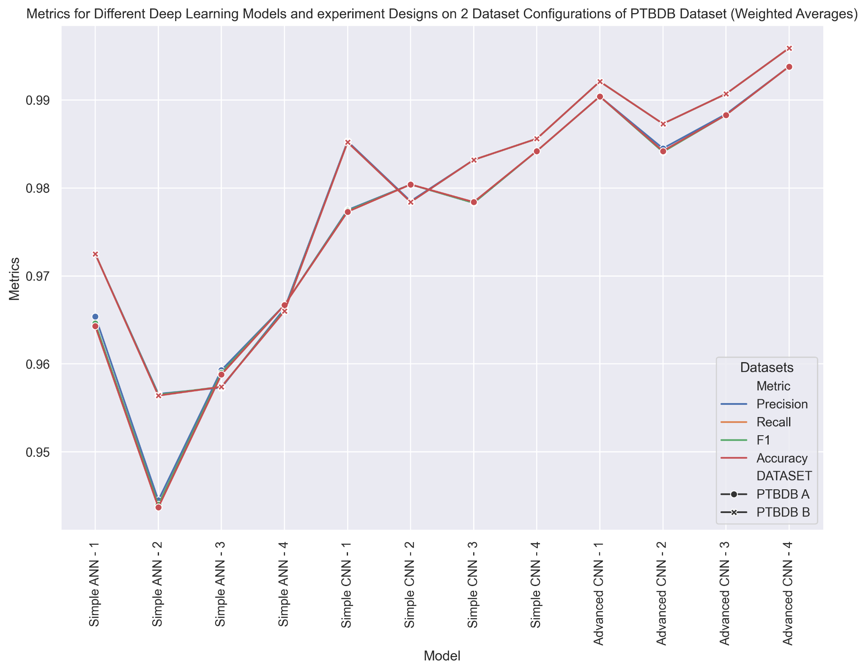
 | Weighted Average results for PTBDB
Exp. No. | Method | Precision | Recall | F1 | Accuracy | DATASET
1 | SIMPLE ANN - 1 | 0.9654 | 0.9643 | 0.9646 | 0.9643 | PTBDB A
2 | SIMPLE ANN - 2 | 0.9445 | 0.9437 | 0.944 | 0.9437 | PTBDB A |  | Interpretation (Done via plots)
3 | SIMPLE ANN - 3 | 0.9593 | 0.9588 | 0.959 | 0.9588 | PTBDB A
4 | SIMPLE ANN - 4 | 0.9667 | 0.9667 | 0.9667 | 0.9667 | PTBDB A |  | Simon: XXX
1 | SIMPLE ANN - 1 | 0.9725 | 0.9725 | 0.9725 | 0.9725 | PTBDB B
2 | SIMPLE ANN - 2 | 0.9566 | 0.9564 | 0.9565 | 0.9564 | PTBDB B
3 | SIMPLE ANN - 3 | 0.9573 | 0.9574 | 0.9574 | 0.9574 | PTBDB B
4 | SIMPLE ANN - 4 | 0.9663 | 0.966 | 0.9661 | 0.966 | PTBDB B
1 | SIMPLE CNN - 1 | 0.9775 | 0.9773 | 0.9774 | 0.9773 | PTBDB A
2 | SIMPLE CNN - 2 | 0.9804 | 0.9804 | 0.9804 | 0.9804 | PTBDB A
3 | SIMPLE CNN - 3 | 0.9783 | 0.9784 | 0.9783 | 0.9784 | PTBDB A
4 | SIMPLE CNN - 4 | 0.9842 | 0.9842 | 0.9842 | 0.9842 | PTBDB A
1 | SIMPLE CNN - 1 | 0.9853 | 0.9852 | 0.9852 | 0.9852 | PTBDB B
2 | SIMPLE CNN - 2 | 0.9785 | 0.9784 | 0.9784 | 0.9784 | PTBDB B
3 | SIMPLE CNN - 3 | 0.9832 | 0.9832 | 0.9832 | 0.9832 | PTBDB B
4 | SIMPLE CNN - 4 | 0.9856 | 0.9856 | 0.9856 | 0.9856 | PTBDB B
1 | ADVANCED CNN - 1 | 0.9904 | 0.9904 | 0.9904 | 0.9904 | PTBDB A
2 | ADVANCED CNN - 2 | 0.9845 | 0.9842 | 0.9841 | 0.9842 | PTBDB A
3 | ADVANCED CNN - 3 | 0.9884 | 0.9883 | 0.9883 | 0.9883 | PTBDB A
4 | ADVANCED CNN - 4 | 0.9938 | 0.9938 | 0.9938 | 0.9938 | PTBDB A
1 | ADVANCED CNN - 1 | 0.9921 | 0.9921 | 0.9921 | 0.9921 | PTBDB B
2 | ADVANCED CNN - 2 | 0.9873 | 0.9873 | 0.9873 | 0.9873 | PTBDB B
3 | ADVANCED CNN - 3 | 0.9907 | 0.9907 | 0.9907 | 0.9907 | PTBDB B
4 | ADVANCED CNN - 4 | 0.9959 | 0.9959 | 0.9959 | 0.9959 | PTBDB B

