Performance_전체
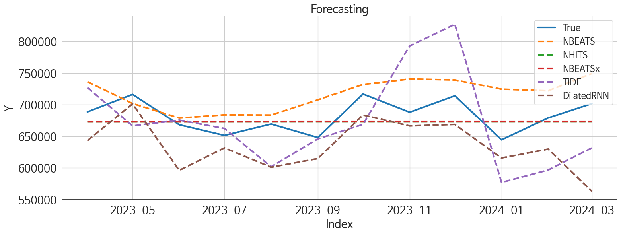
 | MSE | RMSE | MSPE | MAE | MAPE | MedAE | MedAPE
NHITS | 727819283.41 | 26978.126017 | 0.0015026252682 | 23071.708333 | 0.033468265531 | 23270.15625 | 0.035819873944
NBEATSx | 726559880.04 | 26954.774717 | 0.0015004725409 | 23054.40625 | 0.033445906302 | 23316.4375 | 0.035891304596
NBEATS | 1795262871.8 | 42370.5425 | 0.0040318226646 | 36860.395833 | 0.054674687546 | 37643.84375 | 0.056443723254
DilatedRNN | 3314934632.3 | 57575.469015 | 0.0069926908994 | 47561.578125 | 0.069545570337 | 39250.0625 | 0.05733978389
TiDE | 4247763647.4 | 65174.869754 | 0.0089037112842 | 55137.276042 | 0.080022141089 | 58499.53125 | 0.084527624256
RNN | 8977038088 | 94747.232614 | 0.018921032391 | 74374.742188 | 0.10891939174 | 55312.40625 | 0.081044927959
LSTM | 6084163296 | 78001.046762 | 0.012927733593 | 70545.296875 | 0.10319179657 | 61706 | 0.090855912614
GRU | 14687574636 | 121192.30436 | 0.031262074502 | 97085.197917 | 0.14244025018 | 66594.09375 | 0.09486869117
TCN | 41239132253 | 203074.20381 | 0.088505606368 | 149879.54427 | 0.21991811178 | 88700.4375 | 0.12995831091
RandomForest | 46325013564 | 215232.46401 | 0.099310792952 | 211881.42522 | 0.31050488301 | 213980.79819 | 0.32599218584
CatBoost | 48642551280 | 220550.564 | 0.10437251449 | 215900.29013 | 0.31644007018 | 211036.13587 | 0.32168719124
LightGBM | 46725598249 | 216161.04702 | 0.09980176311 | 214227.64713 | 0.31364290395 | 216829.87973 | 0.33020461137
XGBoost | 49323090329 | 222088.02383 | 0.10593912046 | 216909.78125 | 0.3180166148 | 214250.1875 | 0.32650445257
MLP | 5.2649476725E+11 | 725599.59154 | 1.1862265749 | 597927.16634 | 0.88877043969 | 434488.84375 | 0.61238919742

Forecasting_전체
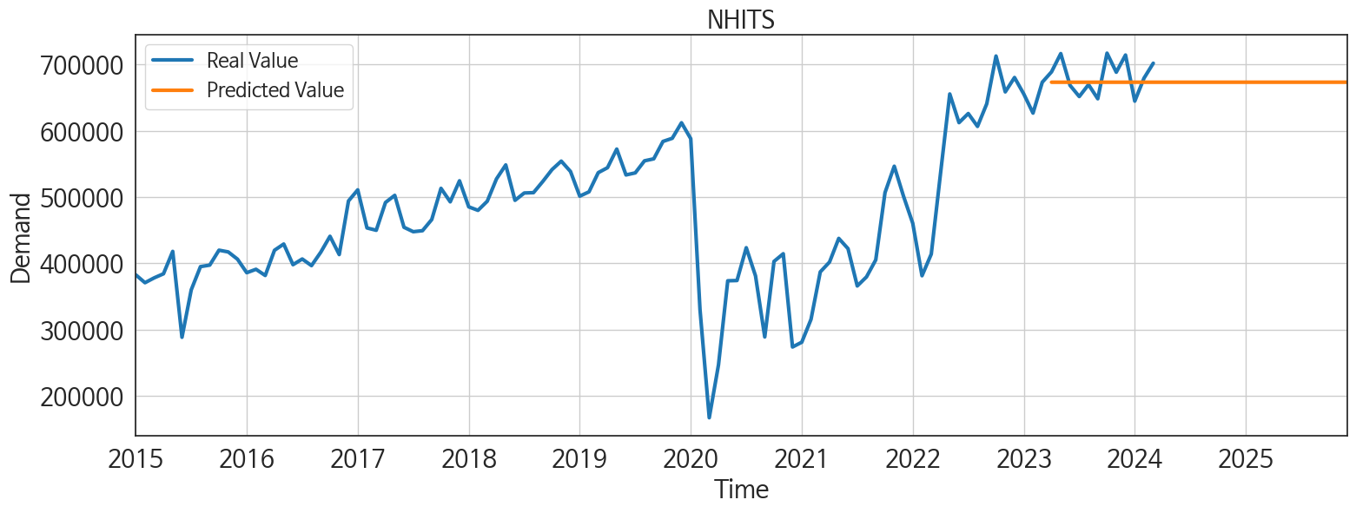
ds | unique_id | y | NHITS | NBEATSx | NBEATS | DilatedRNN | TiDE | RNN | LSTM | GRU | TCN | RandomForest | CatBoost | LightGBM | XGBoost | MLP
2023-04-01 | 1 | 688648 | 673034.4375 | 673036.8125 | 736484.0625 | 643161.1875 | 726989.3125 | 671759.375 | 631519.5 | 666955.6875 | 723537.625 | 502502.63614 | 500195.32406 | 484619.83758 | 500206.03125 | 349342.3125
2023-05-01 | 1 | 716221 | 673034.5625 | 673038 | 701859.25 | 701301.25 | 666516.0625 | 709167.25 | 659616.3125 | 674603.4375 | 737539 | 523583.3565 | 525985.49586 | 474485.7617 | 525370.875 | 400307.03125
2023-06-01 | 1 | 668339 | 673038.3125 | 673035.3125 | 678896.3125 | 596170.75 | 675673.75 | 587991.4375 | 581680.375 | 578878.3125 | 648935.1875 | 450876.11256 | 460413.9 | 443352.63581 | 454283.875 | 173758.48438
2023-07-01 | 1 | 651454 | 673039.1875 | 673034.5625 | 683958.5 | 631742.625 | 662428.1875 | 607101 | 605151.625 | 601203.25 | 575575.125 | 421270.97511 | 408418.58359 | 473870.19541 | 406705.875 | -615874.5625
2023-08-01 | 1 | 669451 | 673035.25 | 673120.625 | 683603 | 601127.1875 | 601853.75 | 623435.1875 | 554593.625 | 568330.125 | 589219.875 | 434004.29106 | 430355.82826 | 435829.60473 | 430057.75 | -989887.125
2023-09-01 | 1 | 648086 | 673041.125 | 673138.3125 | 707643.25 | 614815.375 | 645933.625 | 595588.125 | 606764.3125 | 595476 | 564000.0625 | 513811.712 | 523430.21404 | 490403.24559 | 523300.96875 | 16570.113281
2023-10-01 | 1 | 716861 | 673040 | 673144.8125 | 732002.1875 | 683718.875 | 668840.5625 | 658734.0625 | 654464 | 658294.25 | 623546.0625 | 534541.06881 | 539725.10352 | 534265.48272 | 551939.3125 | 264992.59375
2023-11-01 | 1 | 688137 | 673045.4375 | 673135.3125 | 740693.75 | 666518.75 | 793009.8125 | 648799.5 | 658865.5625 | 627242.6875 | 593712.875 | 507739.53575 | 507068.44336 | 482086.95572 | 506478.625 | 1044806.25
2023-12-01 | 1 | 714043 | 673046.9375 | 673136.0625 | 739158.75 | 668813.5 | 827015.9375 | 626634.75 | 643643.125 | 641749.125 | 525066.25 | 437567.61057 | 432748.70321 | 458238.90695 | 431928.5625 | 327877.53125
2024-01-01 | 1 | 644503 | 673040.875 | 673142.4375 | 724497.875 | 615730.875 | 577208.875 | 556096.5 | 583488 | 507894.875 | 366217.28125 | 434004.29106 | 430355.82826 | 435829.60473 | 430057.75 | 17134.09375
2024-02-01 | 1 | 679183 | 673036.75 | 673136.8125 | 721966.1875 | 629779.5 | 596728.6875 | 540566.875 | 614880.75 | 485839.15625 | 255408.21875 | 446569.69723 | 404366.39102 | 444663.09659 | 391440.4375 | 451221.0625
2024-03-01 | 1 | 701690 | 673046.125 | 673140.5625 | 749454.125 | 562997.1875 | 631762.125 | 468245.03125 | 545405.25 | 415126.71875 | 297719.15625 | 437567.61057 | 432748.70321 | 458238.90695 | 431928.5625 | 284580.71875
2024-04-01 | 1 | 0 | 673045.3125 | 673144.8125 | 783607.125 | 642953.5625 | 626135.4375 | 485740.5625 | 594806.0625 | 426205.28125 | 247313.09375 | 389911.58217 | 389295.12133 | 408242.08676 | 390216.875 | 61899.824219
2024-05-01 | 1 | 0 | 673044.5 | 673144.25 | 798869.5 | 705364.875 | 570797.6875 | 557688 | 678193.5 | 424122.15625 | 332697.15625 | 555700.16154 | 538179.15434 | 534265.48272 | 551820.1875 | -325928.28125
2024-06-01 | 1 | 0 | 673040.1875 | 673142.875 | 791261 | 555894.6875 | 575348.25 | 388722.46875 | 536537.0625 | 395096.90625 | 287302.6875 | 508919.19676 | 512427.21572 | 461136.67337 | 514065.4375 | -856655.6875
2024-07-01 | 1 | 0 | 673039.25 | 673136.6875 | 781742.25 | 515744.8125 | 592552.4375 | 419546.5625 | 575512.5 | 374970.71875 | 317122.1875 | 518166.68284 | 532127.55847 | 482823.80986 | 536309.8125 | 93701.257812
2024-08-01 | 1 | 0 | 673046.1875 | 673136.875 | 771656.5 | 466600.78125 | 481744.6875 | 415675.625 | 568211.6875 | 418667.4375 | 368614.375 | 488963.65228 | 489948.11132 | 457868.90498 | 489894.8125 | 265791.28125
2024-09-01 | 1 | 0 | 673039.625 | 673141.4375 | 791282.8125 | 439300.90625 | 483763.15625 | 452748.875 | 553366.125 | 385195.5625 | 357920.6875 | 531509.36583 | 537685.87042 | 504442.81761 | 538237.625 | 155511.07812
2024-10-01 | 1 | 0 | 673043.4375 | 673141.8125 | 821463.875 | 412095.15625 | 658397.75 | 421332.90625 | 550752.75 | 401761.25 | 417568.9375 | 546131.80304 | 560751.47179 | 474485.7617 | 562508.625 | 443421.8125
2024-11-01 | 1 | 0 | 673042.4375 | 673137.1875 | 843247.75 | 316398.75 | 450918.3125 | 382494.75 | 457157.125 | 381968.90625 | 320802.78125 | 502502.63614 | 500195.32406 | 484619.83758 | 500206.03125 | 457004.65625
2024-12-01 | 1 | 0 | 673040.5625 | 673144 | 847031.75 | 441066.59375 | 727540.5625 | 478833.59375 | 540474.4375 | 441512.3125 | 355994 | 463560.99901 | 458466.68823 | 471483.98147 | 458362.09375 | -50830.882812
2025-01-01 | 1 | 0 | 673040 | 673138.0625 | 853233.875 | 474236.15625 | 524744.125 | 492221.15625 | 534372.5 | 468291.875 | 379496.65625 | 566360.15711 | 567127.46972 | 534265.48272 | 566717.375 | 130259.0625
2025-02-01 | 1 | 0 | 673038.25 | 673143.0625 | 867088.8125 | 240533.01562 | 618606.375 | 296305.125 | 333138.3125 | 301141 | 308671.75 | 530909.54467 | 539566.89831 | 481534.35057 | 539874.5625 | 391151.15625
2025-03-01 | 1 | 0 | 673036.6875 | 673139.1875 | 896171.375 | 142068.65625 | 752070.5625 | 207064.26562 | 280718.15625 | 241681.10938 | 278388.4375 | 514627.7485 | 523824.08249 | 506587.78886 | 524325.0625 | -792310.0625
2025-04-01 | 1 | 0 | 673044.1875 | 673139.25 | 905652.4375 | 201302.14062 | 674083.125 | 255482.82812 | 264782.25 | 244790.23438 | 308788.75 | 507739.53575 | 507068.44336 | 482086.95572 | 506478.625 | 4206081
2025-05-01 | 1 | 0 | 673036.4375 | 673139.8125 | 909658.5 | 283969.5625 | 816911.0625 | 421332 | 378158.21875 | 386798.78125 | 401259.78125 | 466775.34567 | 443492.98714 | 506587.78886 | 437499.75 | 4046515.5
2025-06-01 | 1 | 0 | 673043.6875 | 673138.6875 | 929042.5 | 300888.34375 | 565249.375 | 405480.8125 | 301176.8125 | 389967.40625 | 355235.59375 | 450876.11256 | 460413.9 | 443352.63581 | 454283.875 | 2453217.5
2025-07-01 | 1 | 0 | 673044 | 673148.6875 | 907766.1875 | 418041.28125 | 756423.3125 | 436181 | 342715.625 | 416986.375 | 413544.78125 | 518166.68284 | 532127.55847 | 482823.80986 | 536309.8125 | 6565384
2025-08-01 | 1 | 0 | 673044.5625 | 673143.9375 | 918895.75 | 359690.125 | 766358.1875 | 423149.53125 | 286402.5625 | 375039.375 | 395910.46875 | 437567.61057 | 432748.70321 | 458238.90695 | 431928.5625 | 10963153
2025-09-01 | 1 | 0 | 673050.75 | 673144.125 | 933487.75 | 297196.125 | 573853.0625 | 339047.5625 | 190166.34375 | 320060.5 | 348485.1875 | 507739.53575 | 507068.44336 | 482086.95572 | 506478.625 | 16903436
2025-10-01 | 1 | 0 | 673078.3125 | 673163.125 | 927315.625 | 433282.625 | 748836.1875 | 454354.34375 | 325226.03125 | 460199.34375 | 374810.125 | 566360.15711 | 567127.46972 | 534265.48272 | 566717.375 | 31236356
2025-11-01 | 1 | 0 | 673077 | 673168 | 914967.4375 | 459170.6875 | 589106.75 | 511300.0625 | 401525.03125 | 530739.875 | 488362.875 | 502502.63614 | 500195.32406 | 484619.83758 | 500206.03125 | 30936232
2025-12-01 | 1 | 0 | 673072.625 | 673170.125 | 940858.875 | 358103.40625 | 568687.5 | 455704.71875 | 194435.4375 | 418269.46875 | 519037.875 | 434004.29106 | 430355.82826 | 435829.60473 | 430057.75 | 35989780

Performance_주말
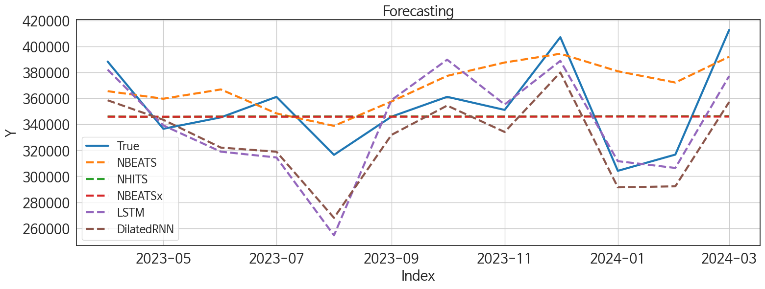
 | MSE | RMSE | MSPE | MAE | MAPE | MedAE | MedAPE
LSTM | 795080938.01 | 28197.179611 | 0.006685961759 | 21773.234375 | 0.061831167363 | 15527.75 | 0.040908201207
DilatedRNN | 895841550.16 | 29930.612258 | 0.0068967818188 | 25729.877604 | 0.071976143556 | 23874.28125 | 0.067153553019
NBEATSx | 1173173827.3 | 34251.625177 | 0.0084550848648 | 26406.114583 | 0.072803894744 | 22317.046875 | 0.06747727365
NHITS | 1170590202.8 | 34213.889034 | 0.0084545437152 | 26381.765625 | 0.072774589568 | 22355.640625 | 0.067635326358
NBEATS | 1124203998.2 | 33529.151469 | 0.010854483018 | 27736.505208 | 0.082313713952 | 21957.609375 | 0.060577037172
TiDE | 1644787414 | 40555.97877 | 0.012414485969 | 32281.864583 | 0.090097877526 | 18899.859375 | 0.057623686682
RNN | 1266009573.8 | 35581.028285 | 0.0092292991493 | 30338.229167 | 0.084325438127 | 25543.453125 | 0.076749785105
GRU | 1581293493.7 | 39765.481182 | 0.012408666324 | 31685.880208 | 0.089452058103 | 32996.109375 | 0.093753339685
TCN | 6420265917 | 80126.561869 | 0.045350753917 | 59341.352865 | 0.16542124627 | 45480.859375 | 0.13024303937
RandomForest | 14267222364 | 119445.47863 | 0.11025038662 | 116240.2859 | 0.32673934243 | 113091.43619 | 0.3051416621
CatBoost | 14098569918 | 118737.39899 | 0.10809791885 | 115570.5245 | 0.32427133178 | 116274.26552 | 0.308634177
LightGBM | 14267317671 | 119445.87758 | 0.11139541981 | 117048.93075 | 0.32950515066 | 117806.95653 | 0.31480172527
XGBoost | 15083408690 | 122814.52964 | 0.11764702631 | 119471.11589 | 0.33649090772 | 116058.38281 | 0.31320162074
MLP | 4.0079541723E+11 | 633084.05226 | 3.1479152862 | 551214.10396 | 1.5507570015 | 517113.51172 | 1.4289277262

Forecasting_주말
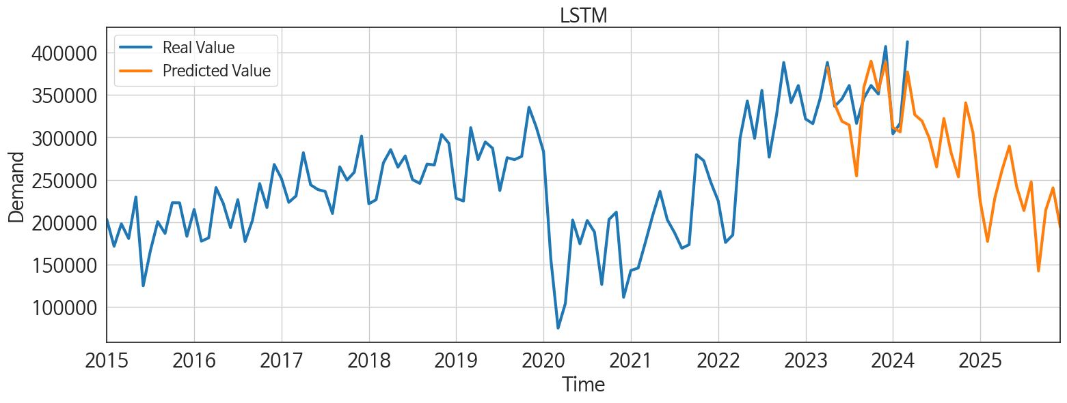
ds | unique_id | y | LSTM | DilatedRNN | NBEATSx | NHITS | NBEATS | TiDE | RNN | GRU | TCN | RandomForest | CatBoost | LightGBM | XGBoost | MLP
2023-04-01 | 1 | 388460 | 382247.9375 | 358592.9375 | 345937.0625 | 346079.03125 | 365628.8125 | 377360.75 | 377717.875 | 372798.71875 | 397302.8125 | 266028.34929 | 265661.97757 | 263707.72979 | 265650.03125 | -270081.34375
2023-05-01 | 1 | 336614 | 339251.3125 | 343557.9375 | 345930.84375 | 345791.84375 | 359793.28125 | 345555.6875 | 335862.8125 | 338808.65625 | 362821.6875 | 196664.81355 | 215125.62222 | 192546.6077 | 186149.73438 | 173529.70312
2023-06-01 | 1 | 345414 | 318974.1875 | 322129.15625 | 345926.15625 | 346077.03125 | 366961.09375 | 357632.3125 | 325291.84375 | 313303.5 | 312316.25 | 243478.35978 | 241864.27743 | 249833.47924 | 241963.64062 | -646772.25
2023-07-01 | 1 | 361238 | 314500.25 | 318935.5 | 345927.46875 | 346103.84375 | 348469.71875 | 352378.53125 | 322224.75 | 302240.0625 | 335130.1875 | 266028.34929 | 265661.97757 | 263707.72979 | 265650.03125 | 270586.28125
2023-08-01 | 1 | 316512 | 254466 | 267977.28125 | 345932.78125 | 346097.15625 | 338880.125 | 275207.21875 | 280015.1875 | 253598.1875 | 256346.32812 | 223233.6672 | 223818.21081 | 222046.61638 | 223807.90625 | -631557.6875
2023-09-01 | 1 | 345989 | 358780.9375 | 331924.375 | 345940.5 | 346113.78125 | 357670.3125 | 368683.90625 | 326956.5625 | 345490.875 | 312854.53125 | 247619.25917 | 223268.86205 | 250545.80928 | 238643.3125 | -203627.75
2023-10-01 | 1 | 361270 | 389902.34375 | 354513.3125 | 345935.9375 | 346121.90625 | 377411.75 | 349239.90625 | 337448.15625 | 358885.65625 | 353842.03125 | 243478.35978 | 241864.27743 | 249833.47924 | 241963.64062 | -246668.78125
2023-11-01 | 1 | 351180 | 355369.21875 | 334168.53125 | 345931.5625 | 346113.78125 | 387737.78125 | 426426.96875 | 326006.375 | 331288.5 | 293352.75 | 223233.6672 | 223818.21081 | 222046.61638 | 223807.90625 | -7055.3295898
2023-12-01 | 1 | 407266 | 389002.4375 | 380021.65625 | 346023.3125 | 346107.53125 | 394494.6875 | 468965.25 | 349712.71875 | 368761.3125 | 327111.28125 | 292353.28155 | 294123.19153 | 263707.72979 | 294455.59375 | -685352.0625
2024-01-01 | 1 | 304207 | 311651.3125 | 291483.78125 | 346020.75 | 346295.78125 | 380981.25 | 289102.1875 | 270345.46875 | 270325.28125 | 226674.71875 | 223233.6672 | 223818.21081 | 222046.61638 | 223807.90625 | 690342.1875
2024-02-01 | 1 | 316724 | 306422.46875 | 292260.28125 | 346024.03125 | 346287.1875 | 372280.28125 | 269034.46875 | 290810.71875 | 280339.875 | 230992.1875 | 205453.84607 | 221341.49657 | 192546.6077 | 187843.07812 | 33842.433594
2024-03-01 | 1 | 412828 | 377245.03125 | 357266.59375 | 346025.34375 | 346337.5 | 392166.59375 | 342334.6875 | 341250.78125 | 336020.125 | 196962 | 222012.94912 | 220489.39121 | 250545.80928 | 220305.82812 | -71782.273438
2024-04-01 | 1 | 0 | 326788.21875 | 333845.0625 | 346021.65625 | 346320.4375 | 397983.21875 | 350893.34375 | 283640.96875 | 287965.0625 | 126222.25781 | 223233.6672 | 223818.21081 | 222046.61638 | 223807.90625 | 143464.60938
2024-05-01 | 1 | 0 | 319270.6875 | 293011.4375 | 346020.78125 | 346326.46875 | 419213.5625 | 301368.59375 | 289540 | 191686.51562 | 119335.13281 | 179011.23131 | 172552.49043 | 237145.08161 | 172125.53125 | -430091.3125
2024-06-01 | 1 | 0 | 299023.21875 | 274193.03125 | 346026.21875 | 346319.25 | 425513.40625 | 308850.0625 | 234785.17188 | 227488.1875 | 183602.51562 | 266028.34929 | 265661.97757 | 263707.72979 | 265650.03125 | 816710.625
2024-07-01 | 1 | 0 | 265145.5 | 250077.15625 | 346024.40625 | 346305.4375 | 412672.65625 | 276389.25 | 182801.42188 | 170873.28125 | 166986.46875 | 223233.6672 | 223818.21081 | 222046.61638 | 223807.90625 | 1697428.375
2024-08-01 | 1 | 0 | 322255.125 | 285969.0625 | 346025.71875 | 346344.125 | 405053 | 215453.5625 | 208701.125 | 190745.67188 | 192975.25 | 266028.34929 | 265661.97757 | 263707.72979 | 265650.03125 | 183377.4375
2024-09-01 | 1 | 0 | 281651.09375 | 268766.75 | 346029.21875 | 346382.59375 | 415028.03125 | 246065.29688 | 168956.46875 | 187912.48438 | 153609.65625 | 243478.35978 | 241864.27743 | 249833.47924 | 241963.64062 | 466797.40625
2024-10-01 | 1 | 0 | 253409.96875 | 240005.82812 | 346021.1875 | 346366.3125 | 426171.78125 | 296108.875 | 159641.625 | 162148.5 | 157346.875 | 223233.6672 | 223818.21081 | 222046.61638 | 223807.90625 | -298348.9375
2024-11-01 | 1 | 0 | 340662.21875 | 282452.8125 | 346016.46875 | 346378.21875 | 445933.40625 | 241203 | 227106.48438 | 218340.90625 | 190247.25 | 266028.34929 | 265661.97757 | 263707.72979 | 265650.03125 | 532886.0625
2024-12-01 | 1 | 0 | 305506.4375 | 265263.25 | 346024.09375 | 346400.90625 | 457654.5625 | 376282.8125 | 223258.6875 | 201864.125 | 168385.90625 | 243478.35978 | 241864.27743 | 249833.47924 | 241963.64062 | 280410
2025-01-01 | 1 | 0 | 224236.34375 | 182779.125 | 346021.53125 | 346399.09375 | 449305.125 | 251802.875 | 152602.875 | 139986.25 | 173826.59375 | 243478.35978 | 241864.27743 | 249833.47924 | 241963.64062 | 75181.898438
2025-02-01 | 1 | 0 | 177251.46875 | 157131.15625 | 346028.6875 | 346454.15625 | 453446.28125 | 343551.875 | 102376.75 | 137143.51562 | 169744.375 | 223233.6672 | 223818.21081 | 222046.61638 | 223807.90625 | 1053394.75
2025-03-01 | 1 | 0 | 228422.82812 | 160141.09375 | 346030.4375 | 346543.9375 | 458085.8125 | 359915.53125 | 133873.90625 | 141148.92188 | 179065.21875 | 264534.4664 | 264113.54973 | 250545.80928 | 264125.71875 | -727723
2025-04-01 | 1 | 0 | 261566.84375 | 197712.75 | 346025.34375 | 346560 | 467337.125 | 344111.96875 | 157919.8125 | 166066.85938 | 219703.82812 | 223233.6672 | 223818.21081 | 222046.61638 | 223807.90625 | -151481.20312
2025-05-01 | 1 | 0 | 289684.59375 | 239631.1875 | 346027.21875 | 346572.59375 | 483639.34375 | 424511.3125 | 214280.09375 | 223399.51562 | 229655.25 | 266028.34929 | 265661.97757 | 263707.72979 | 265650.03125 | 731494.625
2025-06-01 | 1 | 0 | 241776.98438 | 218150.21875 | 346025.40625 | 346596 | 483007.375 | 283095.84375 | 195651.82812 | 228295.76562 | 248863.10938 | 179011.23131 | 172552.49043 | 237145.08161 | 172125.53125 | 576699.8125
2025-07-01 | 1 | 0 | 213613.70312 | 172897.95312 | 346026.40625 | 346583.65625 | 475186.0625 | 375975.6875 | 183337.09375 | 190501.96875 | 233323.09375 | 223233.6672 | 223818.21081 | 222046.61638 | 223807.90625 | 361436.90625
2025-08-01 | 1 | 0 | 247475.4375 | 222168.84375 | 346031.625 | 346580.625 | 481966.34375 | 396027.5 | 226249.73438 | 254761.625 | 236153.9375 | 222012.94912 | 220489.39121 | 250545.80928 | 220305.82812 | 1927681
2025-09-01 | 1 | 0 | 142338.90625 | 122757.07031 | 346029.53125 | 346586.5 | 483679.21875 | 256549.34375 | 152893.1875 | 149842.875 | 207870.96875 | 223233.6672 | 223818.21081 | 222046.61638 | 223807.90625 | 894860.4375
2025-10-01 | 1 | 0 | 214245.26562 | 200416.17188 | 346035.65625 | 346606.03125 | 491309.96875 | 361573.09375 | 223188.3125 | 238252.34375 | 253569.3125 | 282665.57111 | 278833.16038 | 237145.08161 | 279698.5625 | 11344412
2025-11-01 | 1 | 0 | 240422.15625 | 244851.78125 | 346036.375 | 346637.53125 | 489890.03125 | 315033.125 | 263113.78125 | 295450.5625 | 288817.8125 | 266028.34929 | 265661.97757 | 263707.72979 | 265650.03125 | 10065721
2025-12-01 | 1 | 0 | 193950.15625 | 212877.82812 | 346037.03125 | 346642.34375 | 499760.78125 | 294868.3125 | 235516.10938 | 251417.39062 | 301435.5625 | 223233.6672 | 223818.21081 | 222046.61638 | 223807.90625 | 13980402

Performance_주중
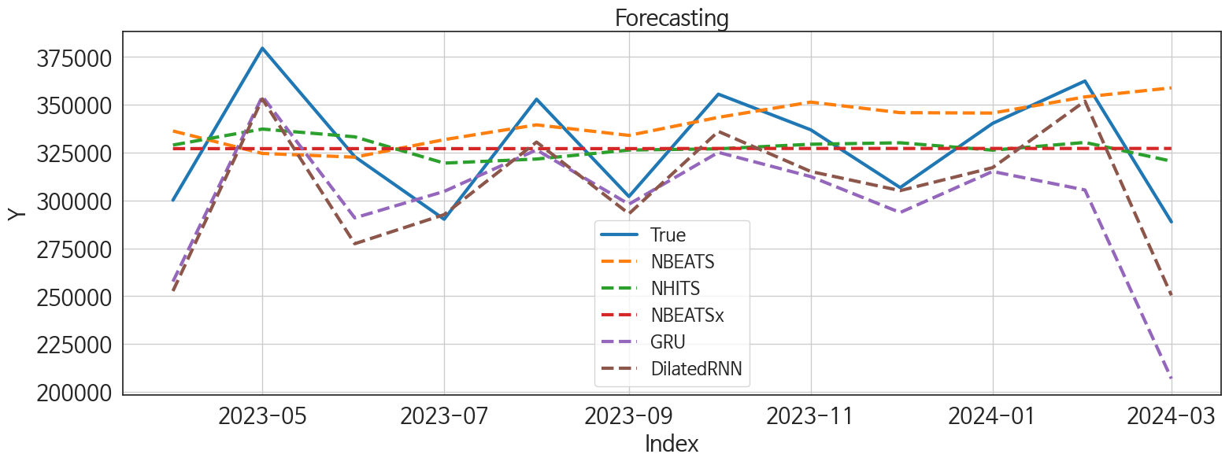
 | MSE | RMSE | MSPE | MAE | MAPE | MedAE | MedAPE
DilatedRNN | 715723622.58 | 26753.011467 | 0.0070857517993 | 22346.302083 | 0.068738090957 | 22082.5 | 0.064030883904
NBEATS | 1179335041.6 | 34341.447868 | 0.012290896684 | 27319.375 | 0.08658660118 | 23210.703125 | 0.074352563862
NHITS | 733487297.59 | 27082.97062 | 0.0067924748716 | 25299.104167 | 0.077315620113 | 28688.671875 | 0.084476974167
NBEATSx | 862908511.88 | 29375.304456 | 0.0079934443079 | 26383.557292 | 0.080660019456 | 26374.90625 | 0.081316144593
GRU | 1388997148.9 | 37269.252057 | 0.013960054029 | 31376.751302 | 0.09669385327 | 25798.4375 | 0.074371848765
RNN | 1827397609.2 | 42748.071409 | 0.016732588631 | 34135.076823 | 0.10407726995 | 26197.71875 | 0.079088609135
LSTM | 1376483004.3 | 37100.983872 | 0.012726678731 | 32679.861979 | 0.098634642583 | 38630.765625 | 0.10479332617
TiDE | 1781939859.3 | 42213.029497 | 0.015498305783 | 36000.322917 | 0.10699388831 | 36744.53125 | 0.11208056412
TCN | 7666505998 | 87558.58609 | 0.068983785843 | 71318.52474 | 0.21610091284 | 55468.484375 | 0.16924813412
LightGBM | 9370682908.6 | 96802.287724 | 0.083915088278 | 94989.564659 | 0.28738474674 | 89602.193055 | 0.28075680888
RandomForest | 9515085934.8 | 97545.301961 | 0.085291139291 | 95799.833149 | 0.28991028582 | 91660.500483 | 0.28196718185
XGBoost | 9799954791.5 | 98994.721028 | 0.087664942421 | 97145.209635 | 0.29380254974 | 93658.382812 | 0.29263462574
CatBoost | 9891912515.7 | 99458.09427 | 0.088390774341 | 97614.013311 | 0.29511960796 | 93620.529749 | 0.29260431267
MLP | 4.5055781025E+11 | 671236.0317 | 4.1710147273 | 560619.84904 | 1.7233269773 | 546567.04688 | 1.7358553824

Forecasting_주중
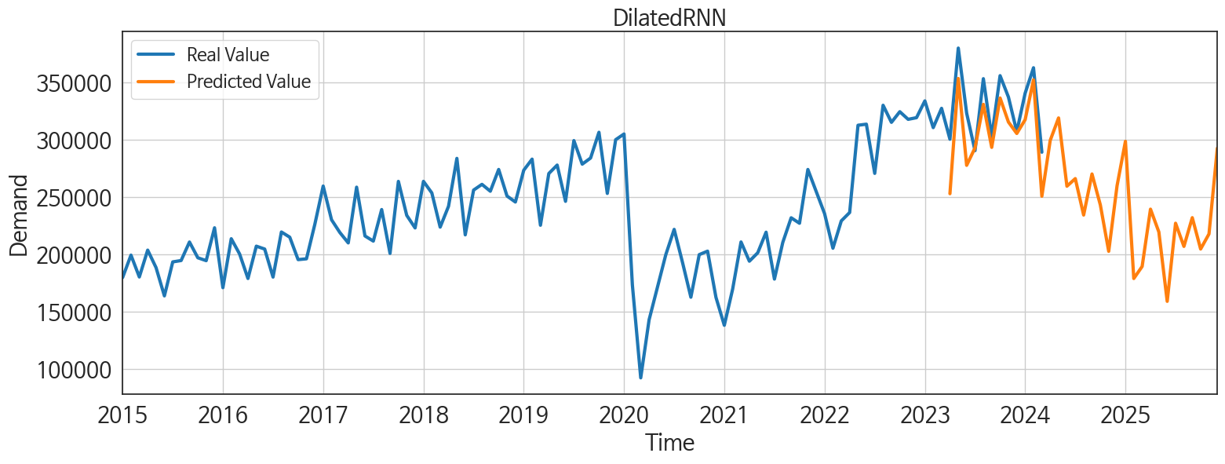
ds | unique_id | y | DilatedRNN | NBEATS | NHITS | NBEATSx | GRU | RNN | LSTM | TiDE | TCN | LightGBM | RandomForest | XGBoost | CatBoost | MLP
2023-04-01 | 1 | 300188 | 252706.1875 | 336350.46875 | 329000.9375 | 327121.75 | 257670.9375 | 279322.5 | 247474.15625 | 333892.9375 | 267669.59375 | 215382.34913 | 214188.67555 | 214523.15625 | 214514.6294 | 412396.5625
2023-05-01 | 1 | 379607 | 353094 | 324614.84375 | 337354.5625 | 327114.625 | 354467.875 | 372681.4375 | 340935 | 314160.3125 | 353942.25 | 255582.47869 | 247692.25151 | 245551.26562 | 245601.19547 | 64992.640625
2023-06-01 | 1 | 322925 | 277421.59375 | 322657.03125 | 333285.875 | 327120.625 | 290945.34375 | 281405.59375 | 263743.3125 | 315477.90625 | 281713.375 | 232419.55676 | 234779.53112 | 237476.17188 | 237469.19768 | -238875.71875
2023-07-01 | 1 | 290216 | 292639.4375 | 331815.15625 | 319552.65625 | 327117.1875 | 304767.375 | 294178.4375 | 289923.75 | 322543.1875 | 288247 | 223471.9748 | 223259.54499 | 224373.4375 | 224373.56729 | -452961.1875
2023-08-01 | 1 | 352939 | 330553.125 | 339548.71875 | 321686.3125 | 327122.9375 | 326481.25 | 337970.28125 | 324102.375 | 301093.40625 | 318444.28125 | 255582.47869 | 247692.25151 | 245551.26562 | 245601.19547 | -1113594.25
2023-09-01 | 1 | 302097 | 293094.75 | 334038.40625 | 326386.84375 | 327117.65625 | 298093.9375 | 287266.46875 | 285612.46875 | 300695.9375 | 248847.09375 | 218078.05713 | 218280.34462 | 211498.53125 | 211525.42729 | 955212.1875
2023-10-01 | 1 | 355591 | 336115.34375 | 343469.6875 | 327026.59375 | 327211.625 | 325177.0625 | 324061.0625 | 313844.78125 | 315806.875 | 297903.9375 | 255582.47869 | 264873.74753 | 260086.60938 | 254287.33049 | 15917.452148
2023-11-01 | 1 | 336957 | 315177.875 | 351437 | 329416.8125 | 327207.65625 | 312509.28125 | 321809.40625 | 309395.34375 | 362907.34375 | 255519.01562 | 221477.40848 | 220348.87428 | 220269.01562 | 220288.37248 | 1321618.25
2023-12-01 | 1 | 306777 | 305182.4375 | 345921.875 | 330179 | 327211 | 293741.375 | 268231 | 303699.59375 | 373101.46875 | 221703 | 218078.05713 | 214165.75159 | 214204.96875 | 214230.74504 | 838110.375
2024-01-01 | 1 | 340296 | 317183.875 | 345709.875 | 326335.21875 | 327212.5625 | 315189.09375 | 260816.6875 | 294334.90625 | 298116.9375 | 178658.1875 | 255582.47869 | 247692.25151 | 245551.26562 | 245601.19547 | 418657.4375
2024-02-01 | 1 | 362459 | 351935.0625 | 354161.15625 | 330358.40625 | 327211.25 | 305525.75 | 282171.34375 | 323417.5 | 301483.40625 | 192154.375 | 232419.55676 | 242154.10246 | 239562.64062 | 239538.35479 | 705231.9375
2024-03-01 | 1 | 288862 | 250501.5625 | 358883.15625 | 320577.84375 | 327211.125 | 206926.45312 | 227303.73438 | 250272.46875 | 284244.28125 | 178289.59375 | 215382.34913 | 214188.67555 | 214523.15625 | 214514.6294 | -310324.375
2024-04-01 | 1 | 0 | 299150.75 | 370131.65625 | 326913.65625 | 327209.0625 | 177197.8125 | 198906.89062 | 270659.15625 | 280960 | 130274.79688 | 255582.47869 | 263948.47682 | 260799.0625 | 260739.43735 | 61156.355469
2024-05-01 | 1 | 0 | 318744.0625 | 380230.09375 | 328764.71875 | 327215.4375 | 223122.73438 | 250429.17188 | 326294.78125 | 262766 | 219614.53125 | 255582.47869 | 261465.81986 | 252333.73438 | 249783.86805 | -510981.6875
2024-06-01 | 1 | 0 | 259235.04688 | 374693.40625 | 328359.40625 | 327204.03125 | 192924.92188 | 202189.1875 | 257735.20312 | 299798.15625 | 183353.3125 | 218078.05713 | 214165.75159 | 214204.96875 | 214230.74504 | -550108.1875
2024-07-01 | 1 | 0 | 265848.71875 | 380195.09375 | 326692.40625 | 327208.8125 | 219834.875 | 230794.8125 | 299356.125 | 308527.8125 | 210853.70312 | 221477.40848 | 231168.98955 | 228131.01562 | 228110.5367 | 1727767.25
2024-08-01 | 1 | 0 | 234118.09375 | 387047.4375 | 336126.84375 | 327207.125 | 223023.32812 | 219948.6875 | 296417.21875 | 254793.60938 | 200010.29688 | 232419.55676 | 234779.53112 | 237476.17188 | 237469.19768 | 1844419
2024-09-01 | 1 | 0 | 269900.78125 | 386568.625 | 333797.84375 | 327209.3125 | 222394.92188 | 232964.39062 | 317497.09375 | 267799.6875 | 223883.46875 | 232419.55676 | 250291.0705 | 266750.25 | 245275.8437 | 1150952.875
2024-10-01 | 1 | 0 | 242869.98438 | 396086.03125 | 332830.1875 | 327212.65625 | 219535.1875 | 201626.95312 | 284227.3125 | 333165.9375 | 216847.98438 | 255582.47869 | 280896.349 | 280480.9375 | 280466.08544 | 1850097.75
2024-11-01 | 1 | 0 | 202487.32812 | 403376.875 | 324335.34375 | 327208.03125 | 199063.65625 | 170736.53125 | 235193.46875 | 233134.07812 | 171098.53125 | 215382.34913 | 214188.67555 | 214523.15625 | 214514.6294 | 2452169.5
2024-12-01 | 1 | 0 | 259698.70312 | 403439.53125 | 325294.8125 | 327217.5625 | 208636.1875 | 213499.54688 | 297779.0625 | 354533.375 | 214834.5625 | 255582.47869 | 263948.47682 | 260799.0625 | 260739.43735 | 1491350
2025-01-01 | 1 | 0 | 298329.5625 | 411771.84375 | 318301.1875 | 327203.0625 | 238250.82812 | 231502.125 | 321281.59375 | 269046.25 | 230251.14062 | 255582.47869 | 258178.8825 | 263422.90625 | 263343.34705 | 776123.3125
2025-02-01 | 1 | 0 | 178767.59375 | 422131.625 | 331223.375 | 327204.71875 | 184830.46875 | 173541.6875 | 201216.1875 | 295052 | 193089.23438 | 215382.34913 | 214188.67555 | 214523.15625 | 214514.6294 | 678377.9375
2025-03-01 | 1 | 0 | 189275.96875 | 424277.75 | 321940.21875 | 327211.6875 | 205448.82812 | 198358.10938 | 231772.21875 | 381160.59375 | 216823.3125 | 232419.55676 | 234779.53112 | 237476.17188 | 237469.19768 | 3894440
2025-04-01 | 1 | 0 | 239237.03125 | 427843.28125 | 332347.28125 | 327206.5 | 218344.79688 | 230202.57812 | 262054.20312 | 331331.90625 | 240614.28125 | 221477.40848 | 220348.87428 | 220269.01562 | 220288.37248 | 5143146
2025-05-01 | 1 | 0 | 219344.28125 | 433416.65625 | 335790.28125 | 327203.09375 | 221981.70312 | 227457.75 | 253578.8125 | 415753.40625 | 235996.25 | 232419.55676 | 229058.73131 | 266750.25 | 214338.98144 | 5745795
2025-06-01 | 1 | 0 | 158892.65625 | 439008.03125 | 317304.46875 | 327213.28125 | 193221.15625 | 204285.375 | 166556.25 | 294678.96875 | 208543.3125 | 223471.9748 | 223259.54499 | 224373.4375 | 224373.56729 | 3223385.75
2025-07-01 | 1 | 0 | 226967.8125 | 439256.5625 | 323706.53125 | 327205.71875 | 265490.21875 | 236769.625 | 205881.59375 | 366683.0625 | 265095.4375 | 221477.40848 | 231168.98955 | 228131.01562 | 228110.5367 | 4311263.5
2025-08-01 | 1 | 0 | 206760.29688 | 444300.9375 | 317973.0625 | 327213.03125 | 236761.25 | 233174.01562 | 176147.98438 | 355737.125 | 254213.5625 | 215382.34913 | 214188.67555 | 214523.15625 | 214514.6294 | 4384710
2025-09-01 | 1 | 0 | 231811.28125 | 446321.21875 | 319821.625 | 327209.28125 | 272027.6875 | 267136.84375 | 210401.0625 | 311784.375 | 302605.21875 | 221477.40848 | 220348.87428 | 220269.01562 | 220288.37248 | 6206156
2025-10-01 | 1 | 0 | 204486.28125 | 449819.3125 | 336862.40625 | 327207.46875 | 255746.375 | 237722.15625 | 183746.125 | 350776.15625 | 258997.01562 | 255582.47869 | 238973.90335 | 231716.04688 | 236422.00001 | 10838212
2025-11-01 | 1 | 0 | 217602.64062 | 449343.875 | 329993.78125 | 327235.65625 | 242216.65625 | 223493.79688 | 181325.76562 | 276230.34375 | 246368.9375 | 215382.34913 | 214188.67555 | 214523.15625 | 214514.6294 | 16775333
2025-12-01 | 1 | 0 | 292395.71875 | 456865.0625 | 335279.15625 | 327235.21875 | 333947.0625 | 326785.625 | 249131.09375 | 281029.625 | 337077.53125 | 255582.47869 | 247692.25151 | 245551.26562 | 245601.19547 | 27082162

