Performance_전체
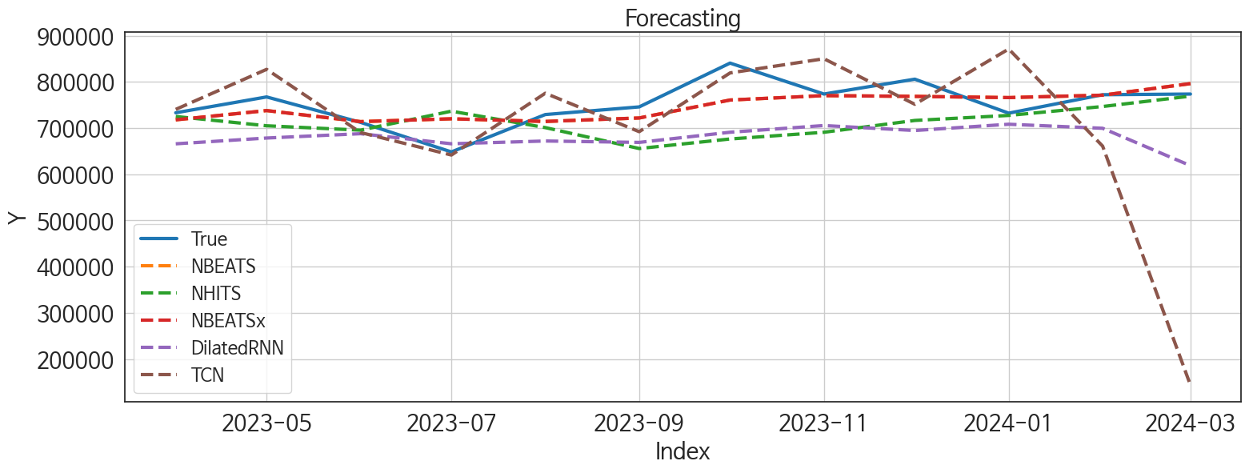
 | MSE | RMSE | MSPE | MAE | MAPE | MedAE | MedAPE
NBEATS | 1373785812.3 | 37064.616716 | 0.0024807458059 | 27913.5625 | 0.037252479742 | 23287.03125 | 0.03067446102
NBEATSx | 1373785812.3 | 37064.616716 | 0.0024807458059 | 27913.5625 | 0.037252479742 | 23287.03125 | 0.03067446102
NHITS | 5289016945.6 | 72725.627846 | 0.0087488778443 | 55445.098958 | 0.072539649815 | 45346.0625 | 0.060045286177
DilatedRNN | 7652689037.7 | 87479.649277 | 0.012425171109 | 76101.020833 | 0.098507505394 | 70438.21875 | 0.092910975191
TCN | 37275107940 | 193067.6253 | 0.06262926486 | 102344.40625 | 0.13368001645 | 54010.96875 | 0.069694704633
TiDE | 9605396333.1 | 98007.12389 | 0.016731337631 | 83936.880208 | 0.11119544856 | 79485.84375 | 0.099220371106
MLP | 8350599259.1 | 91381.613353 | 0.013875449959 | 81813.890625 | 0.10672529613 | 84678.65625 | 0.11027293922
GRU | 10909135899 | 104446.80895 | 0.017825888313 | 88969.9375 | 0.11493154309 | 89031.34375 | 0.11634453002
RNN | 43973334371 | 209698.1983 | 0.074181856474 | 180658.61979 | 0.23692906753 | 152700.15625 | 0.20175088477
LSTM | 54828461272 | 234154.78059 | 0.090073294549 | 184411.8099 | 0.2380129145 | 178577.15625 | 0.23318320397

Forecasting_전체
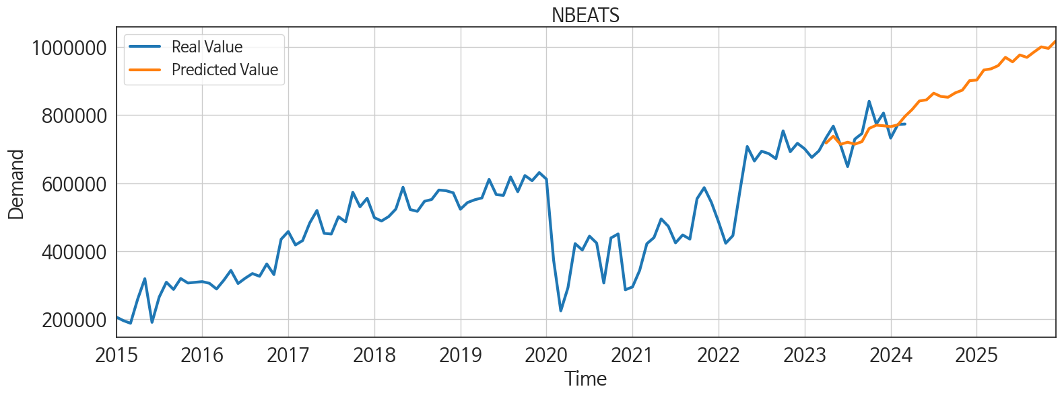
ds | unique_id | y | NBEATS | NBEATSx | NHITS | DilatedRNN | TCN | TiDE | MLP | GRU | RNN | LSTM
2023-04-01 | 1 | 733238 | 717939.5 | 717939.5 | 725202.125 | 665994.8125 | 740571.0625 | 834562.9375 | 746676.25 | 674821.4375 | 558246.75 | 690992.625
2023-05-01 | 1 | 767495 | 737984.625 | 737984.625 | 705042.875 | 678537.75 | 827239.6875 | 816470.6875 | 712964.375 | 682675.625 | 610335.9375 | 691558.375
2023-06-01 | 1 | 712496 | 714080.375 | 714080.375 | 695577.8125 | 687907.625 | 690454 | 748038.9375 | 677606.75 | 699281.8125 | 606601.625 | 689904.5625
2023-07-01 | 1 | 648470 | 720170.75 | 720170.75 | 736672.1875 | 666092.1875 | 641732.6875 | 678972.4375 | 682740.5 | 661563.25 | 565030.875 | 652497.75
2023-08-01 | 1 | 729354 | 714426.8125 | 714426.8125 | 701114 | 672109.9375 | 775533.375 | 656642.4375 | 641116.9375 | 681063.5625 | 622429.9375 | 645961.1875
2023-09-01 | 1 | 745932 | 721942.5625 | 721942.5625 | 655806.6875 | 669086.5625 | 692263.1875 | 606497.875 | 615470.1875 | 652688.6875 | 597690.75 | 613841.9375
2023-10-01 | 1 | 840753 | 760817.8125 | 760817.8125 | 676481.8125 | 691075.625 | 819471.125 | 757730.625 | 715666.1875 | 693177.0625 | 642855.9375 | 597535.0625
2023-11-01 | 1 | 773778 | 770357.0625 | 770357.0625 | 690999.9375 | 705587.625 | 850194 | 860264.8125 | 664762.3125 | 679242.0625 | 640099.5 | 484000.53125
2023-12-01 | 1 | 805939 | 768675.75 | 768675.75 | 716593.625 | 694802.875 | 751585.875 | 813739.4375 | 654893.5625 | 674791.875 | 636413.1875 | 309629.5
2024-01-01 | 1 | 732365 | 766095 | 766095 | 727458.8125 | 708382.125 | 871225.75 | 604992.1875 | 662054.75 | 693445.5 | 630785.875 | 376722.0625
2024-02-01 | 1 | 772313 | 771294.875 | 771294.875 | 746754.9375 | 699626.9375 | 661056.6875 | 574193.875 | 682952.25 | 610132.25 | 460972.875 | 529667.4375
2024-03-01 | 1 | 773749 | 796333.625 | 796333.625 | 769240.375 | 618710.0625 | 143489.4375 | 697799.6875 | 692628.75 | 591546.125 | 296515.3125 | 548684.75
2024-04-01 | 1 | 0 | 816603.6875 | 816603.6875 | 781386.6875 | 443173.84375 | 266821.375 | 771283.625 | 700138 | 340749.625 | 254136.96875 | 540756.5625
2024-05-01 | 1 | 0 | 841476.3125 | 841476.3125 | 786555 | 244785.59375 | 654412.1875 | 809192.5 | 733562.125 | 309062.5 | 406152.9375 | 653552.0625
2024-06-01 | 1 | 0 | 844972.1875 | 844972.1875 | 803944.75 | 324513.0625 | 580706.4375 | 685271.375 | 701855.875 | 426957.53125 | 415691.875 | 595391.8125
2024-07-01 | 1 | 0 | 864543.5 | 864543.5 | 834385.0625 | 467260.78125 | 495769.9375 | 654038.5 | 816993.375 | 416079.4375 | 434172.625 | 617353.875
2024-08-01 | 1 | 0 | 854875.1875 | 854875.1875 | 832847.3125 | 493320.59375 | 117373.4375 | 684747.125 | 801916.3125 | 508749.3125 | 469842.5 | 533794.5625
2024-09-01 | 1 | 0 | 852564.0625 | 852564.0625 | 832450.75 | 501193.71875 | -356286.9375 | 525231.375 | 702048.75 | 498055.6875 | 333200.65625 | 526571.4375
2024-10-01 | 1 | 0 | 865379.625 | 865379.625 | 814618.75 | 539318 | 181082.96875 | 837080.0625 | 692233.875 | 608088.9375 | 414370.8125 | 526663.8125
2024-11-01 | 1 | 0 | 873475 | 873475 | 788886.3125 | 426218.875 | 399226.15625 | 946906.9375 | 626091.4375 | 553072.0625 | 456542.59375 | 553177.6875
2024-12-01 | 1 | 0 | 901319.5 | 901319.5 | 804269.0625 | 446589.84375 | 95610.46875 | 693514.0625 | 702924.1875 | 488630.84375 | 312725.6875 | 553365.875
2025-01-01 | 1 | 0 | 903129.3125 | 903129.3125 | 865355.625 | 549427.125 | 123743.6875 | 793212.3125 | 807624.5 | 502238.5 | 320258.875 | 529093.875
2025-02-01 | 1 | 0 | 932767.75 | 932767.75 | 891104.5 | 458880.53125 | 11737.375 | 640536.8125 | 803018.9375 | 445922.3125 | 343636.96875 | 563189
2025-03-01 | 1 | 0 | 936219.6875 | 936219.6875 | 896338.75 | 490912.96875 | 117610.84375 | 865690.25 | 922821.1875 | 464025 | 435572.09375 | 568367.625
2025-04-01 | 1 | 0 | 945596.1875 | 945596.1875 | 906791.3125 | 495631.03125 | 368759.5625 | 798032.25 | 880950 | 470398.4375 | 424134.5625 | 563760.9375
2025-05-01 | 1 | 0 | 970026.5625 | 970026.5625 | 895964.6875 | 484997.5625 | 475795.46875 | 855736.375 | 888929.5 | 469568.5625 | 482160.71875 | 478064.09375
2025-06-01 | 1 | 0 | 956736.125 | 956736.125 | 899144 | 453387.6875 | 66090 | 851167.9375 | 877761.875 | 493110.1875 | 490268.34375 | 296700.5625
2025-07-01 | 1 | 0 | 977081.625 | 977081.625 | 907423.9375 | 443331.875 | 149315.25 | 664191.5 | 902735.8125 | 417851.4375 | 410980.09375 | 392618.1875
2025-08-01 | 1 | 0 | 969903.1875 | 969903.1875 | 908014.125 | 537957.3125 | 316946.5625 | 908739.8125 | 947762.1875 | 563319.5625 | 461717.625 | 409964.46875
2025-09-01 | 1 | 0 | 985819.625 | 985819.625 | 924171.375 | 512110.03125 | 279787.5 | 865324.5 | 998527.75 | 538183.75 | 437157.96875 | 470706.4375
2025-10-01 | 1 | 0 | 1000836.875 | 1000836.875 | 908246.625 | 634196.25 | 566462.6875 | 837250 | 991469.0625 | 643065.125 | 533313.5 | 605747.625
2025-11-01 | 1 | 0 | 996412 | 996412 | 899121.8125 | 634661.375 | 729578.375 | 769754.5625 | 919533 | 585337.3125 | 569124.625 | 616118
2025-12-01 | 1 | 0 | 1017692.1875 | 1017692.1875 | 896298.875 | 627664.75 | 590390.5 | 726422.8125 | 955660.4375 | 648740.25 | 546907.5 | 649259.625

Performance_주말
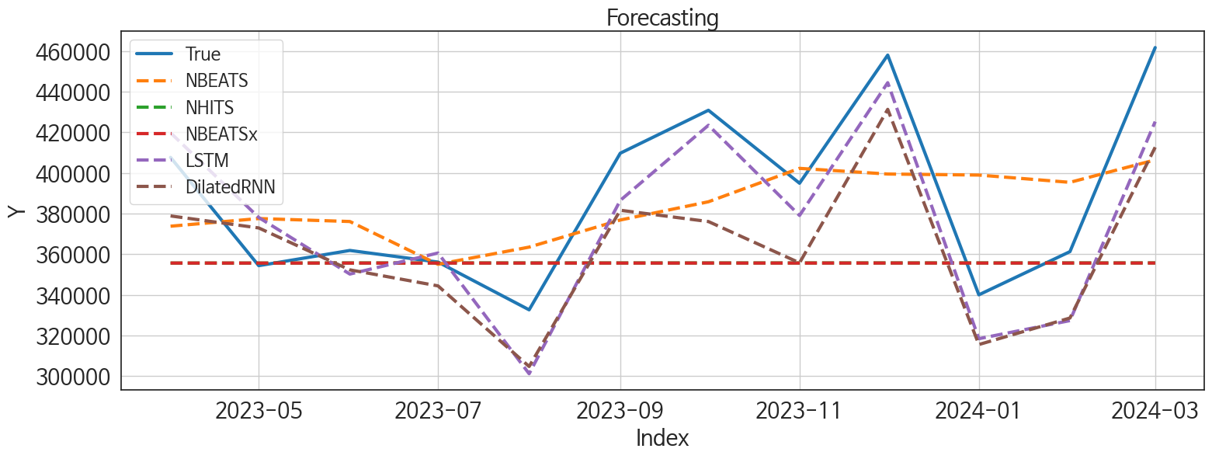
 | MSE | RMSE | MSPE | MAE | MAPE | MedAE | MedAPE
LSTM | 485673196.21 | 22037.994378 | 0.0033817014924 | 19612.927083 | 0.051319974439 | 18723.765625 | 0.048432122254
DilatedRNN | 1023570696.9 | 31993.291436 | 0.0062721952032 | 29279.622396 | 0.073987116098 | 27978.484375 | 0.071299610545
NBEATS | 1426185500.4 | 37764.871248 | 0.0090546927097 | 32937.005208 | 0.083513243582 | 33361.109375 | 0.087919406426
NHITS | 2944689992.4 | 54264.997857 | 0.01532954751 | 40063.40625 | 0.09488980972 | 31140.6875 | 0.084325762618
NBEATSx | 2947259036.9 | 54288.663981 | 0.015341955714 | 40085.265625 | 0.09494068246 | 31141.9375 | 0.08431777768
TiDE | 2119922830 | 46042.619713 | 0.012629377123 | 38832.453125 | 0.097135542309 | 30967.84375 | 0.084546698071
RNN | 2200328591.5 | 46907.660264 | 0.012879594714 | 40862.638021 | 0.10126565916 | 43868.671875 | 0.11432193314
TCN | 7420950261.5 | 86144.937527 | 0.043628457787 | 69506.061198 | 0.17314312822 | 64194.515625 | 0.15281756162
GRU | 6644982903.1 | 81516.764553 | 0.044391034417 | 67681.028646 | 0.1736855213 | 71468.96875 | 0.18803514785
CatBoost | 22462888309 | 149876.24331 | 0.13792941368 | 143913.86943 | 0.36442898395 | 135683.14995 | 0.34999519768
RandomForest | 22969126544 | 151555.68793 | 0.14323922986 | 146078.32682 | 0.37122684843 | 153389.15755 | 0.36277649626
XGBoost | 24680536204 | 157100.40167 | 0.15508785974 | 151222.15365 | 0.38477459788 | 161953.23438 | 0.38289295384
LightGBM | 23820788329 | 154339.84686 | 0.15099053648 | 149671.77134 | 0.38141310051 | 163543.24606 | 0.39650978517
MLP | 4.8103428099E+11 | 693566.34938 | 3.5241510291 | 509184.75004 | 1.3444271219 | 476833.25391 | 1.146430088

Forecasting_주말
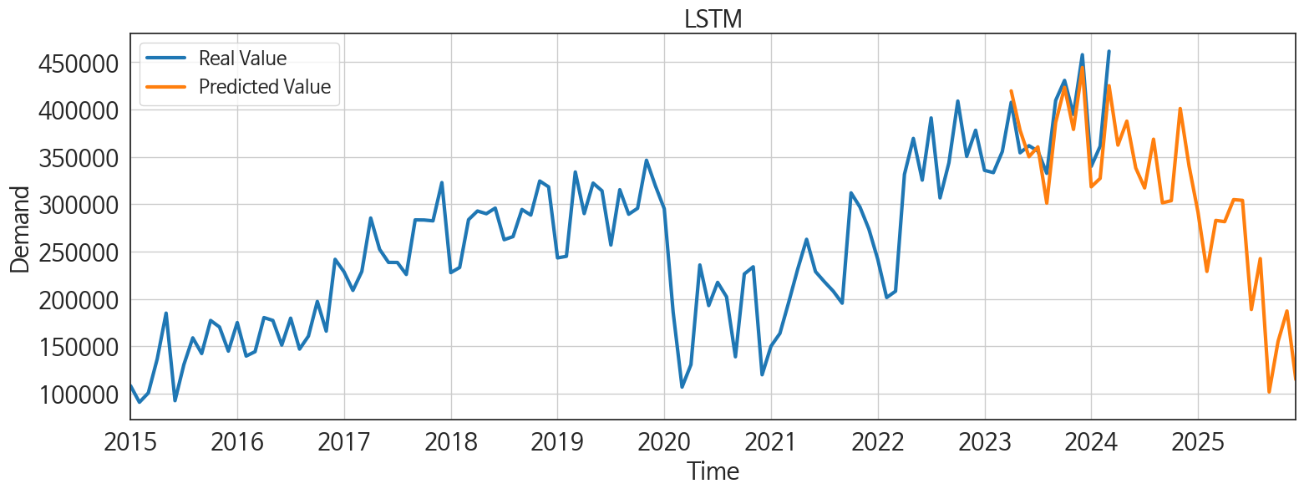
ds | unique_id | y | LSTM | DilatedRNN | NBEATS | NHITS | NBEATSx | TiDE | RNN | TCN | GRU | CatBoost | RandomForest | XGBoost | LightGBM | MLP
2023-04-01 | 1 | 407613 | 419714.625 | 378810.125 | 373751.03125 | 355611.71875 | 355620.96875 | 400780.84375 | 364181.5625 | 428216.875 | 396925.125 | 270750.79473 | 270795.90963 | 270722.8125 | 268480.42491 | 304263.25
2023-05-01 | 1 | 354337 | 378045.15625 | 372898.90625 | 377520.3125 | 355609.09375 | 355611.25 | 372815.5625 | 356467.96875 | 384440.53125 | 362622.40625 | 230414.51644 | 199689.75685 | 190499.59375 | 184621.07629 | 422214.03125
2023-06-01 | 1 | 361826 | 350198.15625 | 352285.625 | 376066.28125 | 355666.8125 | 355620.5625 | 378727.25 | 350693.03125 | 347219.6875 | 333209.9375 | 249355.71321 | 250677.99981 | 249408.51562 | 257539.12078 | -1480657.375
2023-07-01 | 1 | 356106 | 360567.96875 | 344384.75 | 355014.75 | 355668.875 | 355621.15625 | 375486.625 | 344671.21875 | 358174 | 343205.28125 | 270750.79473 | 270795.90963 | 270722.8125 | 268480.42491 | 971886.375
2023-08-01 | 1 | 332612 | 301147.40625 | 304713.71875 | 363466.75 | 355671.40625 | 355624.375 | 315986.125 | 308335.21875 | 289299.65625 | 263260.375 | 230512.20002 | 230621.70212 | 230520.4375 | 227914.05925 | -6551.1567383
2023-09-01 | 1 | 409660 | 386434.3125 | 381601.3125 | 376799.75 | 355667.1875 | 355625.25 | 383518.46875 | 363250 | 346120.4375 | 374391.875 | 239117.37498 | 254288.19375 | 236420.21875 | 249551.44864 | -111904.39844
2023-10-01 | 1 | 430802 | 423417.9375 | 376044 | 385776.34375 | 355669.34375 | 355623.875 | 366752.75 | 362941.84375 | 365952.53125 | 357215.6875 | 249355.71321 | 250677.99981 | 249408.51562 | 257539.12078 | 504230.84375
2023-11-01 | 1 | 394892 | 379029.5 | 355728.90625 | 402216.75 | 355670.03125 | 355620.5 | 440963.125 | 338348.25 | 325851.375 | 293848 | 230512.20002 | 230621.70212 | 230520.4375 | 227914.05925 | 913927.1875
2023-12-01 | 1 | 457940 | 444373.875 | 431252.03125 | 399423.28125 | 355681.53125 | 355633.1875 | 515837.96875 | 382299.125 | 317364.40625 | 363944.1875 | 297542.01891 | 299363.23129 | 297870.9375 | 268480.42491 | 23308.679688
2024-01-01 | 1 | 339988 | 318402.96875 | 315530.3125 | 398919.5 | 355681.875 | 355631 | 304193.84375 | 295682.09375 | 243118.39062 | 203743.25 | 230512.20002 | 230621.70212 | 230520.4375 | 227914.05925 | 1151425.25
2024-02-01 | 1 | 361245 | 327304.59375 | 328583.59375 | 395333.75 | 355675.5 | 355631.28125 | 290035.03125 | 319573.65625 | 247450.4375 | 249288.125 | 226740.90537 | 209113.92805 | 181418.40625 | 184621.07629 | 461579.75
2024-03-01 | 1 | 461647 | 425219.875 | 412603.0625 | 406382.125 | 355684.5 | 355640.65625 | 375040.03125 | 396134.3125 | 286937.75 | 331412.21875 | 216137.13513 | 218460.04303 | 215969.03125 | 249551.44864 | -219484.5625
2024-04-01 | 1 | 0 | 362405.46875 | 357894.6875 | 421505.40625 | 355693.3125 | 355636.15625 | 372893.34375 | 303831.90625 | 201559.95312 | 252971.34375 | 230512.20002 | 230621.70212 | 230520.4375 | 227914.05925 | -368900.1875
2024-05-01 | 1 | 0 | 387768.65625 | 361014.5625 | 445135.8125 | 355700.90625 | 355639.78125 | 373323.40625 | 340550.96875 | 212484.25 | 242857.625 | 173403.89769 | 182496.67057 | 172320.53125 | 237648.40861 | 72239.289062
2024-06-01 | 1 | 0 | 338369.5 | 332304.5 | 447562.53125 | 355696.78125 | 355636.65625 | 384430.90625 | 290163.84375 | 231995.54688 | 251672.375 | 270750.79473 | 270795.90963 | 270722.8125 | 268480.42491 | -401432.40625
2024-07-01 | 1 | 0 | 317208.75 | 303325.5 | 430407.09375 | 355750.375 | 355639.75 | 337721.5625 | 243511.14062 | 218443.625 | 213110.40625 | 230512.20002 | 230621.70212 | 230520.4375 | 227914.05925 | 1280665
2024-08-01 | 1 | 0 | 368672.5625 | 322679.9375 | 432097.6875 | 355752.875 | 355641.09375 | 247560.82812 | 277750.03125 | 238539.59375 | 229378.65625 | 270750.79473 | 270795.90963 | 270722.8125 | 268480.42491 | 1133547.125
2024-09-01 | 1 | 0 | 301448.0625 | 325620.4375 | 430613.28125 | 355751.84375 | 355644.125 | 286586.125 | 234420.8125 | 218452 | 209922.90625 | 249355.71321 | 250677.99981 | 249408.51562 | 257539.12078 | -304861.6875
2024-10-01 | 1 | 0 | 303761.96875 | 283378.375 | 449169.65625 | 355749.6875 | 355650.65625 | 393347.65625 | 225546.15625 | 211039.35938 | 197665.28125 | 230512.20002 | 230621.70212 | 230520.4375 | 227914.05925 | -260662
2024-11-01 | 1 | 0 | 401075.5 | 347336.25 | 468058.90625 | 355752.875 | 355648.28125 | 310052.125 | 284303.6875 | 234444.32812 | 205903.70312 | 270750.79473 | 270795.90963 | 270722.8125 | 268480.42491 | 1278924
2024-12-01 | 1 | 0 | 340084.28125 | 320534.65625 | 473272.75 | 355764.6875 | 355651.75 | 494408.3125 | 227878.42188 | 205467.125 | 241530.5 | 249355.71321 | 250677.99981 | 249408.51562 | 257539.12078 | -288957.71875
2025-01-01 | 1 | 0 | 291584.375 | 207601.34375 | 465779.625 | 355762 | 355653.09375 | 298650.65625 | 177674.67188 | 178865.03125 | 196412.07812 | 249355.71321 | 250677.99981 | 249408.51562 | 257539.12078 | 720344.5
2025-02-01 | 1 | 0 | 229023.84375 | 213506.76562 | 485329.75 | 355759.03125 | 355658.5625 | 409995.625 | 147160.95312 | 160829.25 | 190553.84375 | 230512.20002 | 230621.70212 | 230520.4375 | 227914.05925 | 1182293.75
2025-03-01 | 1 | 0 | 282844.4375 | 196507.1875 | 475154.09375 | 355757.8125 | 355737.78125 | 400557.75 | 165559.625 | 195263.57812 | 197852.53125 | 261442.16821 | 261097.65817 | 261493.98438 | 249551.44864 | 39476.683594
2025-04-01 | 1 | 0 | 281578.3125 | 215752.35938 | 491280 | 355772.28125 | 355738.0625 | 366412.5625 | 186311.48438 | 229783.0625 | 193676.95312 | 230512.20002 | 230621.70212 | 230520.4375 | 227914.05925 | 96586.34375
2025-05-01 | 1 | 0 | 304842.15625 | 285152.375 | 506157.03125 | 355787.8125 | 355737.84375 | 517903.0625 | 269166.71875 | 250080.89062 | 248577.67188 | 270750.79473 | 270795.90963 | 270722.8125 | 268480.42491 | 692852.25
2025-06-01 | 1 | 0 | 304055.5625 | 279953.34375 | 499025.59375 | 355800.5 | 355749.125 | 321173.90625 | 212310.28125 | 247811.67188 | 248416.15625 | 173403.89769 | 182496.67057 | 172320.53125 | 237648.40861 | 193624.25
2025-07-01 | 1 | 0 | 188789.21875 | 198865.4375 | 501652.3125 | 355805.125 | 355747.53125 | 442635.9375 | 181369 | 239027.03125 | 220872.03125 | 230512.20002 | 230621.70212 | 230520.4375 | 227914.05925 | 4560921
2025-08-01 | 1 | 0 | 242545.875 | 222291.51562 | 509456.28125 | 355826.28125 | 355751.71875 | 479588.21875 | 259732.3125 | 265291.28125 | 305906.9375 | 216137.13513 | 218460.04303 | 215969.03125 | 249551.44864 | 3026058.5
2025-09-01 | 1 | 0 | 101702.64062 | 152359.14062 | 509330.71875 | 355823.875 | 355759.625 | 304645.375 | 192248.4375 | 242731.79688 | 188944.09375 | 230512.20002 | 230621.70212 | 230520.4375 | 227914.05925 | 2852529.5
2025-10-01 | 1 | 0 | 154995.53125 | 181958.78125 | 511132.875 | 355828.15625 | 355751.75 | 385903.125 | 245542.29688 | 237413.9375 | 249154.84375 | 268328.16883 | 278792.082 | 280532.09375 | 237648.40861 | 9746397
2025-11-01 | 1 | 0 | 187175.92188 | 248479.98438 | 514856.78125 | 355885.6875 | 355762.78125 | 345043.6875 | 304762.65625 | 274958.25 | 304676.1875 | 270750.79473 | 270795.90963 | 270722.8125 | 268480.42491 | 17515636
2025-12-01 | 1 | 0 | 114726.65625 | 215148.45312 | 527009.625 | 355896.46875 | 355768.46875 | 375136.78125 | 245349.23438 | 282656.25 | 244266.42188 | 230512.20002 | 230621.70212 | 230520.4375 | 227914.05925 | 27294040

Performance_주중
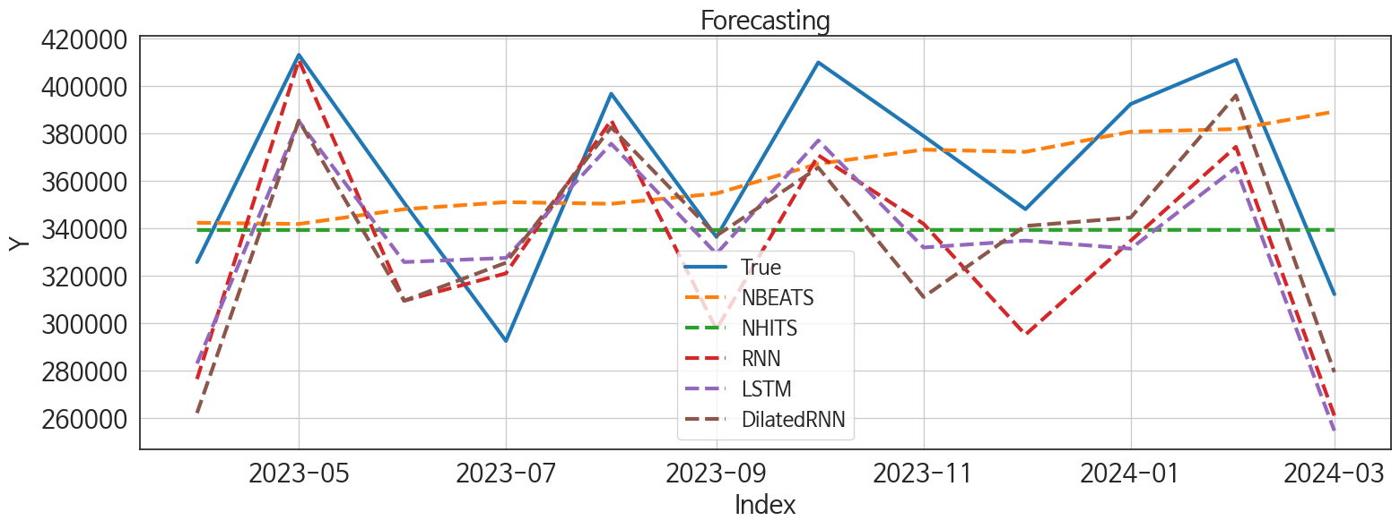
 | MSE | RMSE | MSPE | MAE | MAPE | MedAE | MedAPE
NBEATS | 1724922701.7 | 41532.188742 | 0.014361720731 | 33745.5625 | 0.095069063271 | 26729.015625 | 0.070360098585
LSTM | 1464021399.5 | 38262.532581 | 0.011546037521 | 34716.782552 | 0.096546376 | 33995.796875 | 0.0955954716
DilatedRNN | 1506150072.9 | 38809.149345 | 0.011866837654 | 32991.057292 | 0.091940326967 | 32978.578125 | 0.10687403263
RNN | 1635996781.6 | 40447.457047 | 0.01326086702 | 37208.231771 | 0.10522934202 | 39085.6875 | 0.10684655713
NHITS | 2222662456.9 | 47145.121242 | 0.014952385328 | 39798.229167 | 0.10557412163 | 43250.171875 | 0.12003353848
NBEATSx | 2223556309.5 | 47154.600088 | 0.014956893602 | 39806.440104 | 0.10559253162 | 43258.484375 | 0.12012930523
TiDE | 2216836922.2 | 47083.297699 | 0.017779828657 | 41991.109375 | 0.1171398141 | 41959.34375 | 0.11570203081
GRU | 2502837274.7 | 50028.364702 | 0.019656788681 | 46349.386719 | 0.12909817905 | 44407.671875 | 0.12793512776
TCN | 5868589102 | 76606.717082 | 0.042463961728 | 71113.984375 | 0.19349562582 | 68691.765625 | 0.18671487837
RandomForest | 17798127127 | 133409.62157 | 0.12887795688 | 130810.23142 | 0.35639867754 | 132740.40411 | 0.35708695016
CatBoost | 18254576403 | 135109.49783 | 0.13164201406 | 132318.13536 | 0.36006765073 | 133339.56205 | 0.35529483376
XGBoost | 18436197871 | 135779.96123 | 0.13272759721 | 132929.64453 | 0.36156211959 | 133255.44531 | 0.35973995926
LightGBM | 18711012796 | 136788.20415 | 0.1351446467 | 133720.54697 | 0.36409391946 | 134138.46375 | 0.36364887036
MLP | 7.7714259259E+11 | 881556.91398 | 6.1480930191 | 628490.87891 | 1.7435919411 | 345693.25 | 0.83805711407

Forecasting_주중
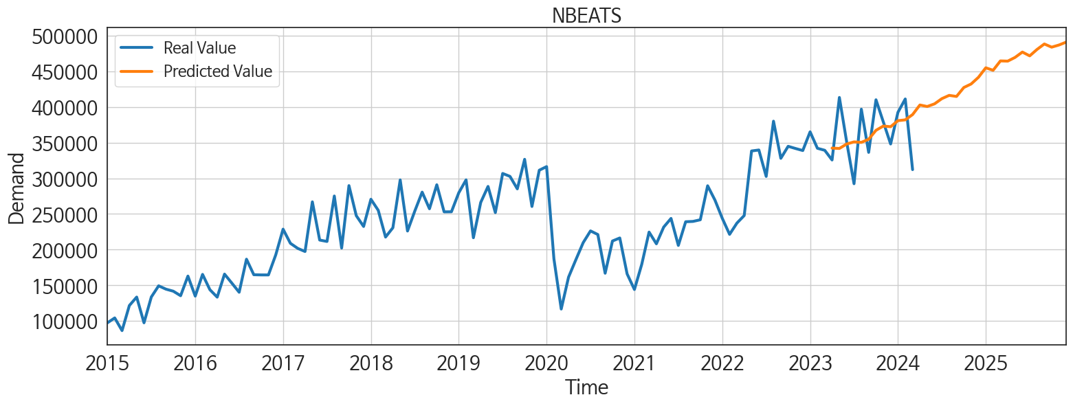
ds | unique_id | y | NBEATS | LSTM | DilatedRNN | RNN | NHITS | NBEATSx | TiDE | GRU | TCN | RandomForest | CatBoost | XGBoost | LightGBM | MLP
2023-04-01 | 1 | 325625 | 342253.40625 | 282831.84375 | 261939.96875 | 276262.6875 | 339197.375 | 339199.5 | 365834.75 | 277967.28125 | 259254.5 | 210812.08315 | 211498.28714 | 211467.15625 | 212467.61717 | 374585.4375
2023-05-01 | 1 | 413158 | 341750.09375 | 385125.375 | 385394.84375 | 410966.6875 | 339195.09375 | 339199.15625 | 380431.28125 | 386183.6875 | 370611.5625 | 253405.85071 | 249790.1834 | 249737.39062 | 260043.54688 | 885537.25
2023-06-01 | 1 | 350670 | 347997.5625 | 325673.125 | 309339.625 | 309342.5 | 339196.09375 | 339199.25 | 353161 | 302417.5 | 311986.9375 | 223617.33765 | 227868.7649 | 227698.59375 | 223858.57408 | -399913.34375
2023-07-01 | 1 | 292364 | 350960.8125 | 327412.75 | 325399.15625 | 320914.15625 | 339206.09375 | 339195.59375 | 349228.8125 | 326808.8125 | 314670.4375 | 216051.70734 | 217906.51412 | 217951.98438 | 216893.92559 | -1235493.5
2023-08-01 | 1 | 396742 | 350269.0625 | 375642.46875 | 382519.875 | 385585.625 | 339206.125 | 339200.65625 | 360688.6875 | 368315.15625 | 325063.1875 | 253405.85071 | 249790.1834 | 249737.39062 | 260043.54688 | -1460897
2023-09-01 | 1 | 336272 | 354627.25 | 329173.75 | 336803.75 | 297303.8125 | 339206 | 339200.25 | 318296.625 | 318011.25 | 271451.8125 | 225140.88383 | 217403.71701 | 217315.03125 | 212055.52562 | 378822.5
2023-10-01 | 1 | 409951 | 367159.28125 | 377008.15625 | 365568.34375 | 370747.8125 | 339212.28125 | 339203.125 | 366242.0625 | 344242.40625 | 338937.96875 | 271522.85414 | 264827.70961 | 257612.25 | 260043.54688 | 354426.40625
2023-11-01 | 1 | 378886 | 373114.96875 | 331822.9375 | 310929.625 | 341827.09375 | 339227.75 | 339200.625 | 422852.4375 | 305721.9375 | 274262.03125 | 209040.78985 | 208125.42536 | 208108.25 | 208735.88948 | 1580897
2023-12-01 | 1 | 347999 | 372208.34375 | 334731.125 | 340917.53125 | 295006.625 | 339240.96875 | 339198.9375 | 442882.25 | 306841.375 | 290917.5625 | 222720.65204 | 223906.69251 | 224127.71875 | 212055.52562 | 234992.20312
2024-01-01 | 1 | 392377 | 380676.90625 | 331329.71875 | 344456.25 | 334660.78125 | 339250.5625 | 339203.5 | 344788.15625 | 325734.78125 | 279074.375 | 253405.85071 | 249790.1834 | 249737.39062 | 260043.54688 | -711799.125
2024-02-01 | 1 | 411068 | 381819.3125 | 365508.125 | 396006.15625 | 374337.875 | 339237.0625 | 339202 | 359648.0625 | 380762.875 | 293264.5 | 247555.27966 | 246990.42767 | 247097.95312 | 223858.57408 | 630075.25
2024-03-01 | 1 | 312102 | 389194.125 | 254450.73438 | 279180 | 260859.875 | 339247.21875 | 339201.1875 | 348106.9375 | 236903.92188 | 228964.1875 | 210812.08315 | 211498.28714 | 211467.15625 | 212467.61717 | 460296.75
2024-04-01 | 1 | 0 | 402637.25 | 314267.25 | 310462 | 299279.71875 | 339250.9375 | 339201.5 | 344889.78125 | 235489.26562 | 222733.14062 | 267728.26913 | 263200.61149 | 263289.40625 | 260043.54688 | 332182.65625
2024-05-01 | 1 | 0 | 400509.5625 | 363026.6875 | 382846.90625 | 325338.25 | 339352.5625 | 339201.8125 | 353582.375 | 301604.8125 | 254083.85938 | 271451.14836 | 258721.43488 | 239583.375 | 260043.54688 | -730534
2024-06-01 | 1 | 0 | 404242.25 | 314461.84375 | 313726 | 276092.65625 | 339360.53125 | 339201.5 | 394171.4375 | 233660.23438 | 231717.125 | 222720.65204 | 223906.69251 | 224127.71875 | 212055.52562 | -1130135
2024-07-01 | 1 | 0 | 411518.40625 | 366051.625 | 337000.59375 | 310025.3125 | 339393.625 | 339201.53125 | 388277.9375 | 272135.4375 | 239032.04688 | 215968.04729 | 211971.21408 | 211958.64062 | 208735.88948 | 1139524
2024-08-01 | 1 | 0 | 416116.40625 | 331682.625 | 312767.1875 | 295892 | 339391.15625 | 339200.96875 | 328516.3125 | 263827.84375 | 237441.34375 | 223617.33765 | 227868.7649 | 227698.59375 | 223858.57408 | 1418439
2024-09-01 | 1 | 0 | 414572.34375 | 361012.5 | 347671.71875 | 301771.25 | 339398.28125 | 339200.03125 | 342003.0625 | 266827 | 257637.35938 | 241535.05067 | 240642.49376 | 270783.3125 | 223858.57408 | -209235.64062
2024-10-01 | 1 | 0 | 427115.1875 | 359808.75 | 350678.1875 | 266414.53125 | 339399.25 | 339199.8125 | 418741.96875 | 277803.09375 | 225123.14062 | 296183.65181 | 295539.55244 | 295540.96875 | 260043.54688 | 702444.5
2024-11-01 | 1 | 0 | 432056.5 | 314995.1875 | 271635 | 214721.0625 | 339400.625 | 339199.03125 | 342896.28125 | 239885.79688 | 201011.95312 | 210812.08315 | 211498.28714 | 211467.15625 | 212467.61717 | 1715797.75
2024-12-01 | 1 | 0 | 441413.0625 | 360587.6875 | 329417.90625 | 265131.96875 | 339402.1875 | 339199.375 | 435983.59375 | 258875.73438 | 237765.70312 | 267728.26913 | 263200.61149 | 263289.40625 | 260043.54688 | 498341.8125
2025-01-01 | 1 | 0 | 454738.21875 | 367257.03125 | 365470.5625 | 286840.1875 | 339397.53125 | 339200.09375 | 307217.34375 | 265851.3125 | 236634.5 | 280604.82983 | 289582.40813 | 289712.90625 | 260043.54688 | -1148159.75
2025-02-01 | 1 | 0 | 451215.9375 | 250415.59375 | 241807.6875 | 195620.98438 | 339392.71875 | 339200.96875 | 366672.84375 | 209392.375 | 178775.07812 | 210812.08315 | 211498.28714 | 211467.15625 | 212467.61717 | -61529.277344
2025-03-01 | 1 | 0 | 464345.96875 | 284151.21875 | 226188.76562 | 200299.98438 | 339381.28125 | 339201.21875 | 428829.6875 | 214779.625 | 221007.46875 | 223617.33765 | 227868.7649 | 227698.59375 | 223858.57408 | -492861.25
2025-04-01 | 1 | 0 | 464064.40625 | 319180.625 | 305764.3125 | 247372.01562 | 339389.78125 | 339201.0625 | 394068.375 | 215450.78125 | 248919.92188 | 209040.78985 | 208125.42536 | 208108.25 | 208735.88948 | 1667715.75
2025-05-01 | 1 | 0 | 469268.75 | 322705.21875 | 294457.34375 | 240096.15625 | 339392.4375 | 339202 | 503200.59375 | 246264.1875 | 236641.60938 | 240847.95804 | 231648.63298 | 270783.5 | 223858.57408 | 1254868.75
2025-06-01 | 1 | 0 | 476763.71875 | 228541.89062 | 239243.78125 | 229424.95312 | 339398.9375 | 339201 | 354633.5625 | 233303.625 | 209605.09375 | 216051.70734 | 217906.51412 | 217951.98438 | 216893.92559 | 650831.5625
2025-07-01 | 1 | 0 | 471429.5625 | 241949.23438 | 296419.46875 | 227171.21875 | 339402.1875 | 339201.71875 | 454929.9375 | 272786.1875 | 257752.04688 | 215968.04729 | 211971.21408 | 211958.64062 | 208735.88948 | 3740306.75
2025-08-01 | 1 | 0 | 480419.09375 | 230994.32812 | 283654.53125 | 262278.5625 | 339402.78125 | 339201.03125 | 463535 | 220902.54688 | 249045.15625 | 210812.08315 | 211498.28714 | 211467.15625 | 212467.61717 | 4153865
2025-09-01 | 1 | 0 | 488068.8125 | 243496.40625 | 290643.1875 | 259619.17188 | 339404.5625 | 339200.875 | 369602.46875 | 261214.28125 | 276594.71875 | 209040.78985 | 208125.42536 | 208108.25 | 208735.88948 | 11502943
2025-10-01 | 1 | 0 | 483621 | 216098.60938 | 232386.3125 | 251317.20312 | 339402.53125 | 339200.5625 | 406897.28125 | 257985.125 | 229252.59375 | 244843.50335 | 223408.72901 | 239583.03125 | 260043.54688 | 25495334
2025-11-01 | 1 | 0 | 486630.25 | 213578.85938 | 233657.46875 | 245637.8125 | 339414.34375 | 339200.59375 | 317805.40625 | 234165.04688 | 241935.03125 | 210812.08315 | 211498.28714 | 211467.15625 | 212467.61717 | 32389732
2025-12-01 | 1 | 0 | 490735.5 | 264663.375 | 303177.375 | 330653.5 | 339410.5625 | 339201.90625 | 346349.84375 | 331018.9375 | 336910.03125 | 253405.85071 | 249790.1834 | 249737.39062 | 260043.54688 | 44477016

