Performance_전체
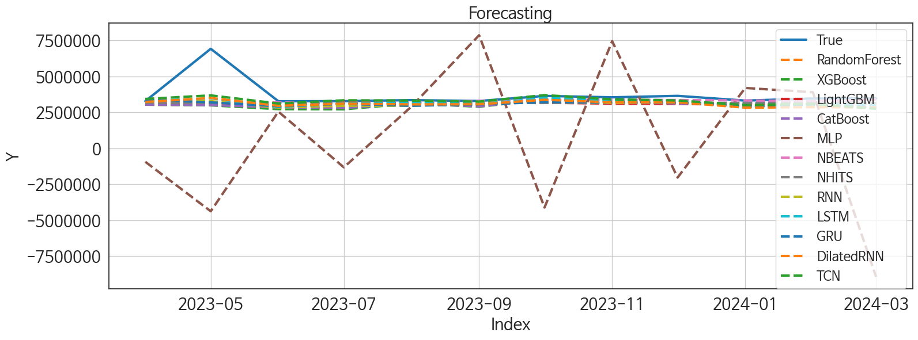
 | MSE | RMSE | MSPE | MAE | MAPE | MedAE | MedAPE
NBEATS | 1.157089949E+12 | 1075681.1558 | 0.02551996495 | 426980.4375 | 0.078676684337 | 135843.875 | 0.039565389973
TCN | 9.5321512397E+11 | 976327.36516 | 0.024788495641 | 467417.72917 | 0.096327739651 | 156183.125 | 0.047648487891
NHITS | 1.2652040047E+12 | 1124812.8754 | 0.031197952016 | 555402.0625 | 0.11464072997 | 255665.25 | 0.074766168065
LSTM | 1.0755330086E+12 | 1037079.0754 | 0.02802091952 | 535106.125 | 0.11403510002 | 281344.875 | 0.080468701579
LightGBM | 1.2774333218E+12 | 1130235.9585 | 0.033231653707 | 595641.45475 | 0.12689001478 | 316222.02045 | 0.095431477415
CatBoost | 1.3843160317E+12 | 1176569.6034 | 0.03586651399 | 622691.2118 | 0.13403313739 | 324730.07438 | 0.092603024118
RandomForest | 1.3774034514E+12 | 1173628.3276 | 0.035531179935 | 626222.80881 | 0.1348094444 | 337036.81491 | 0.095345969347
DilatedRNN | 1.1135342439E+12 | 1055241.3202 | 0.032012263899 | 606632.54167 | 0.13473825937 | 335954.625 | 0.098471516214
GRU | 1.2899877811E+12 | 1135776.2901 | 0.035304545791 | 637022.89583 | 0.13982466213 | 397976.875 | 0.11480911372
XGBoost | 1.4273754106E+12 | 1194728.1743 | 0.038901120301 | 662948.64583 | 0.14574580181 | 380843.125 | 0.10996363117
RNN | 1.2507765112E+12 | 1118381.2012 | 0.035520383577 | 641182.14583 | 0.14242212942 | 396491.75 | 0.11499152928
MLP | 3.7604706097E+13 | 6132267.6146 | 2.443956301 | 4745864.2344 | 1.2350945786 | 4397189.1562 | 1.3379856991

Forecasting_전체
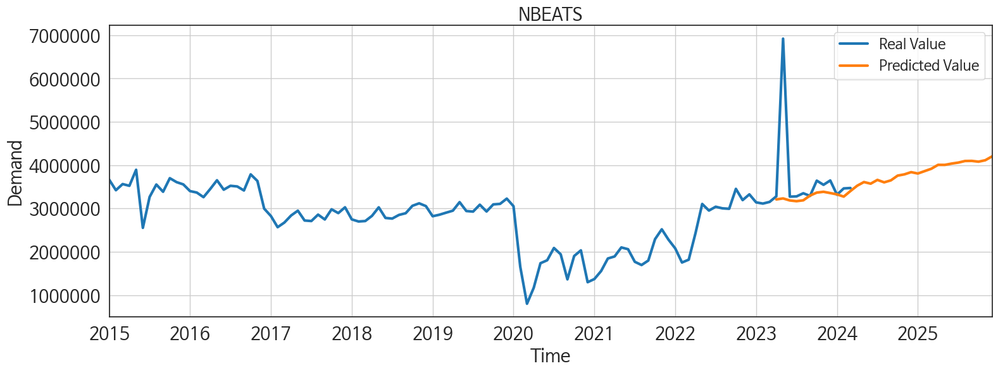
ds | unique_id | y | NBEATS | NHITS | RNN | LightGBM | RandomForest | CatBoost | XGBoost | TCN | GRU | LSTM | DilatedRNN | MLP
2023-04-01 | 1 | 3281372 | 3209957.25 | 3152500.75 | 3325598 | 3045828.4413 | 3034036.2076 | 3038521.3409 | 3036068 | 3435611.5 | 3387759 | 3290298.25 | 3225187.75 | -938792.3125
2023-05-01 | 1 | 6921600 | 3232945.5 | 3152500.75 | 3281522.25 | 3175931.1734 | 3016364.4997 | 3006871.6796 | 2988830.5 | 3681228.5 | 3195413 | 3475003 | 3501268.75 | -4379758
2023-06-01 | 1 | 3274361 | 3186083.75 | 3152501 | 2837798.75 | 2964375.2769 | 2826964.2819 | 2843418.2335 | 2723026.75 | 3116234.25 | 2926504.75 | 2881624.75 | 2954116 | 2549845
2023-07-01 | 1 | 3279768 | 3169345.25 | 3152501.5 | 2961301.5 | 3298366.9616 | 2899719.0796 | 2803389.9855 | 2710981 | 3341051 | 3088095.25 | 3113671.25 | 3102097.75 | -1322432.25
2023-08-01 | 1 | 3352224 | 3189311.5 | 3152502 | 2960056.75 | 3029765.6822 | 3107651.991 | 3121161.0241 | 3126357.25 | 3319864.5 | 2959340.75 | 3170934.75 | 3055718 | 2904215
2023-09-01 | 1 | 3291100 | 3298762.75 | 3152502.25 | 3115108.25 | 3196109.7515 | 3020569.773 | 2920011.5778 | 2891302 | 3250783 | 3054997 | 3066394 | 3062324.5 | 7865314
2023-10-01 | 1 | 3643417 | 3367579.25 | 3152502.25 | 3361517.75 | 3174340.9154 | 3281773.3216 | 3402293.7235 | 3399107 | 3700434 | 3220948 | 3497041.75 | 3376732.75 | -4116834.5
2023-11-01 | 1 | 3547176 | 3385911 | 3152502 | 3146359.75 | 3107160.521 | 3222848.9784 | 3251232.7112 | 3251039.5 | 3407976.5 | 3204596.5 | 3355720.5 | 3195511.75 | 7451591
2023-12-01 | 1 | 3647548 | 3357167.25 | 3152502.5 | 3261528.5 | 3089986.5019 | 3123754.3917 | 3119984.14 | 3111612.75 | 3328368 | 3232952.5 | 3309564.25 | 3206267.75 | -2034455.25
2024-01-01 | 1 | 3318669 | 3326395.75 | 3152502.5 | 2841012 | 3029765.6822 | 3107651.991 | 3121161.0241 | 3126357.25 | 3008841.5 | 2897350.75 | 2856533.25 | 2826465.5 | 4197687
2024-02-01 | 1 | 3464111 | 3274700 | 3152502.5 | 2974544.25 | 3182730.0568 | 3215084.3872 | 3274522.878 | 3063168.5 | 3090280.25 | 3061040.5 | 3076520.25 | 2863899.5 | 3901339.5
2024-03-01 | 1 | 3473501 | 3403701.5 | 3152502.25 | 2822765.5 | 3089986.5019 | 3123754.3917 | 3119984.14 | 3111612.75 | 2750240.25 | 2834348.25 | 2998120 | 2845666.5 | -8943492
2024-04-01 | 1 | 0 | 3526623 | 3152502.25 | 2873506.75 | 2992599.1168 | 2962004.7487 | 2995768.8609 | 2994144.5 | 2973963 | 2826010.25 | 2962455.75 | 2860879.5 | -1726840.75
2024-05-01 | 1 | 0 | 3611019 | 3152502.25 | 3189190 | 3174340.9154 | 3150543.2468 | 3319000.9779 | 3048502.5 | 3208821 | 3396194.5 | 3303356 | 3078450.5 | -1606236.25
2024-06-01 | 1 | 0 | 3573648.5 | 3152502.25 | 2918229 | 2931267.0372 | 2880851.3576 | 2844134.4475 | 2862347.75 | 2815457.75 | 2814899.75 | 2927715.75 | 2756350.25 | -3915122.5
2024-07-01 | 1 | 0 | 3660756.75 | 3152502.25 | 2817612 | 3144327.0863 | 2973403.5162 | 2962143.92 | 2928666.25 | 2880212.75 | 2871816.25 | 2938462.5 | 2839973 | -3044.2895508
2024-08-01 | 1 | 0 | 3604046.75 | 3152502 | 2920195.75 | 3183805.5575 | 3163673.2682 | 3173222.2952 | 3178981.75 | 2975551.25 | 3129546 | 2998127.25 | 2926585.5 | 4105033.75
2024-09-01 | 1 | 0 | 3650265.25 | 3152502 | 2847022.75 | 3181139.7988 | 3149964.007 | 3162482.0836 | 3173879 | 2981664.25 | 2866489.25 | 2925247 | 2888547 | 3041295.5
2024-10-01 | 1 | 0 | 3759440.5 | 3152501.75 | 2898013 | 3175931.1734 | 3095912.5285 | 3070615.408 | 3078906.5 | 3194477.25 | 3184204 | 3162854.25 | 3037780.25 | 1153306.375
2024-11-01 | 1 | 0 | 3788538.5 | 3152502.25 | 3033576 | 3045828.4413 | 3034036.2076 | 3038521.3409 | 3036068 | 3022190.5 | 2902115.75 | 3052207 | 3012966.5 | -849746.125
2024-12-01 | 1 | 0 | 3839723 | 3152502.75 | 3083930.25 | 3028175.4242 | 3053199.2381 | 3081610.1273 | 3080256.25 | 3084710 | 3052584.75 | 3050334.25 | 3037088.5 | -1293416.25
2025-01-01 | 1 | 0 | 3808182.75 | 3152503.25 | 2875238.5 | 3174340.9154 | 2962192.5156 | 2926258.8613 | 2904348.75 | 2892226 | 2918066.25 | 2920909.5 | 2980744.75 | 819183.9375
2025-02-01 | 1 | 0 | 3862500.25 | 3152502.75 | 2724079.25 | 2956167.5795 | 2772963.621 | 2592751.5705 | 2568852 | 2555908.25 | 2575324.75 | 2655874.75 | 2614901.5 | 2208385
2025-03-01 | 1 | 0 | 3918111.25 | 3152501.75 | 2819066 | 3415105.2144 | 3690216.4507 | 3733914.7996 | 3744437 | 2748599.5 | 2770405.5 | 2705628.75 | 2813936.5 | 35797784
2025-04-01 | 1 | 0 | 4008163 | 3152502.25 | 2871304.75 | 3107160.521 | 3222848.9784 | 3251232.7112 | 3251039.5 | 2903347 | 2926807.75 | 2835715 | 2916647.75 | 38517464
2025-05-01 | 1 | 0 | 4007408 | 3152503.25 | 2980029.75 | 3415105.2144 | 3675044.955 | 3695588.4998 | 3745085.5 | 2969512.25 | 2924745.5 | 3016042.25 | 2990471 | 45495948
2025-06-01 | 1 | 0 | 4037032.5 | 3152503 | 2786587 | 2964375.2769 | 2826964.2819 | 2843418.2335 | 2723026.75 | 2846096.25 | 2785642.5 | 2779150 | 2887118.25 | 30958332
2025-07-01 | 1 | 0 | 4060179.25 | 3152503 | 2851515.5 | 3144327.0863 | 2973403.5162 | 2962143.92 | 2928666.25 | 2912323.75 | 2998563.75 | 2982043 | 3072808.5 | 34778104
2025-08-01 | 1 | 0 | 4097172.25 | 3152502.75 | 3019343 | 3089986.5019 | 3123754.3917 | 3119984.14 | 3111612.75 | 2904616.25 | 2923631.5 | 3090958.25 | 3029131.25 | 39666088
2025-09-01 | 1 | 0 | 4099446.75 | 3152502.25 | 2680132.75 | 3107160.521 | 3222848.9784 | 3251232.7112 | 3251039.5 | 2690161.75 | 2540058.25 | 2542953 | 2625843 | 75775600
2025-10-01 | 1 | 0 | 4081235 | 3152502 | 2982168.75 | 3174340.9154 | 2962192.5156 | 2926258.8613 | 2904348.75 | 3120560.75 | 3015072.75 | 3094608.5 | 3187843.5 | 78259992
2025-11-01 | 1 | 0 | 4114394.75 | 3152501.75 | 2976930.25 | 3045828.4413 | 3034036.2076 | 3038521.3409 | 3036068 | 2880043.75 | 2871037 | 2913643.5 | 3141725 | 146808112
2025-12-01 | 1 | 0 | 4202335.5 | 3152501.75 | 3114803.75 | 3029765.6822 | 3107651.991 | 3121161.0241 | 3126357.25 | 3033526 | 2857546.75 | 2938089.25 | 3054805 | 202486400

Performance_주말
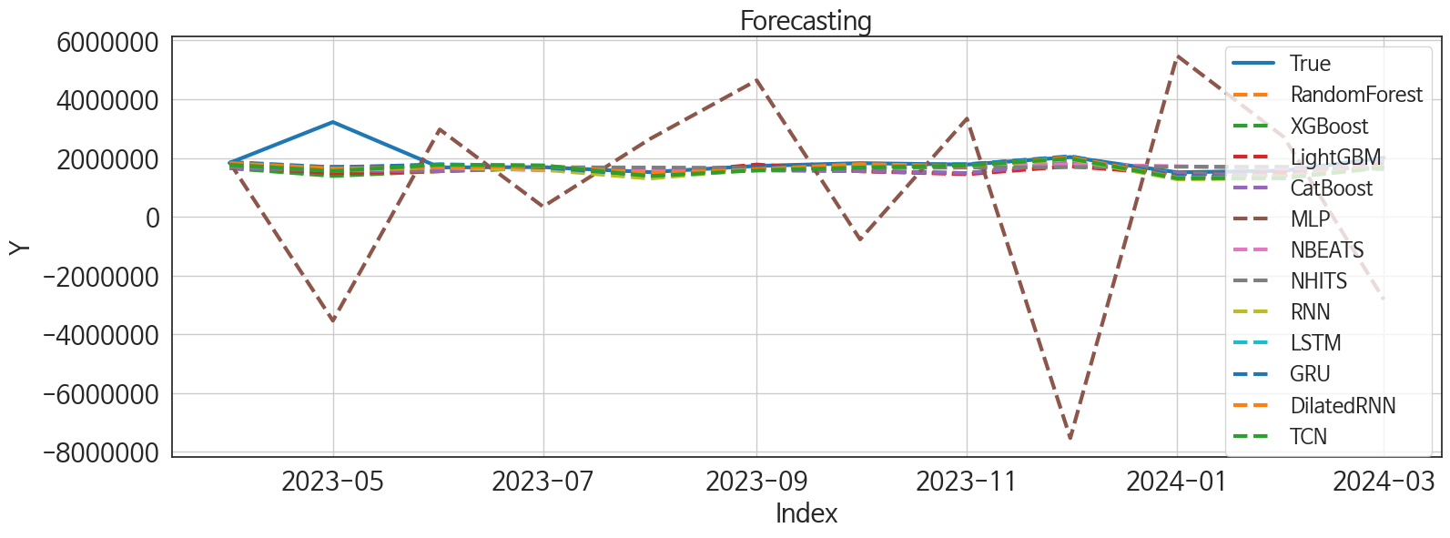
 | MSE | RMSE | MSPE | MAE | MAPE | MedAE | MedAPE
DilatedRNN | 2.2351546975E+11 | 472774.22703 | 0.025177799159 | 214251.83333 | 0.089021189506 | 47653.1875 | 0.028863480568
GRU | 2.1203687182E+11 | 460474.61582 | 0.02401269994 | 212458.78125 | 0.089213583718 | 80210.375 | 0.047210092201
LSTM | 2.2453047925E+11 | 473846.47223 | 0.025627423136 | 227940.66667 | 0.0975987051 | 107456.9375 | 0.063487823475
NBEATS | 2.1380112569E+11 | 462386.33813 | 0.02507193854 | 241069.21875 | 0.1035800111 | 100352.125 | 0.062462498295
RNN | 2.5243082398E+11 | 502424.94363 | 0.03083151957 | 259125.22917 | 0.11453370691 | 100340.3125 | 0.058625226149
LightGBM | 2.843285173E+11 | 533224.64056 | 0.033600021266 | 285629.62339 | 0.12269337432 | 120653.44381 | 0.069073062094
CatBoost | 2.5091960684E+11 | 500918.76272 | 0.029545648611 | 264422.98785 | 0.11425620415 | 147531.70135 | 0.08359375653
RandomForest | 2.8793001257E+11 | 536591.1037 | 0.03302128832 | 276434.10444 | 0.11794497714 | 132808.80671 | 0.082065889918
TCN | 2.5706261E+11 | 507013.42192 | 0.030705397569 | 265634.5 | 0.11692133049 | 141928.6875 | 0.084958321002
XGBoost | 3.045604998E+11 | 551870.00262 | 0.034465542817 | 278642.86458 | 0.1181057409 | 141188.875 | 0.084052130506
NHITS | 2.2704950055E+11 | 476497.11494 | 0.0284482898 | 268520.625 | 0.11835457691 | 143249.8125 | 0.087405087772
MLP | 1.6668880033E+13 | 4082753.9766 | 3.9333197664 | 3094158.5026 | 1.5728970462 | 2079021.6875 | 1.1514695331

Forecasting_주말
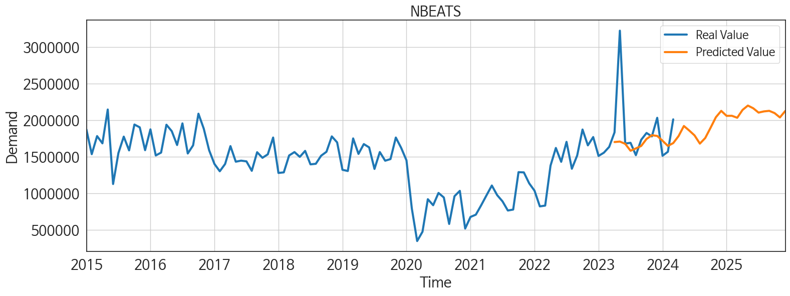
ds | unique_id | y | NBEATS | NHITS | RNN | LightGBM | RandomForest | CatBoost | XGBoost | TCN | GRU | LSTM | DilatedRNN | MLP
2023-04-01 | 1 | 1831775 | 1699556.5 | 1700737.125 | 1793842.75 | 1719281.5537 | 1652745.085 | 1659392.1119 | 1653210.875 | 1770737.25 | 1863044.75 | 1850468.125 | 1825433.375 | 1857159.75
2023-05-01 | 1 | 3222240 | 1706143.25 | 1700735.5 | 1570296.125 | 1481920.1089 | 1446178.5425 | 1574937.8868 | 1387114.875 | 1553324.25 | 1684136.5 | 1641963 | 1643020.125 | -3540228.25
2023-06-01 | 1 | 1678704 | 1674776.375 | 1695845 | 1681782.25 | 1549890.5587 | 1551697.3944 | 1556023.4854 | 1553440.5 | 1771070.25 | 1774803.5 | 1784792.125 | 1680240.75 | 2970995
2023-07-01 | 1 | 1688805 | 1580422.125 | 1684674.5 | 1599413 | 1719281.5537 | 1652745.085 | 1659392.1119 | 1653210.875 | 1747956.25 | 1680195.75 | 1733494.375 | 1725679 | 343522.34375
2023-08-01 | 1 | 1519750 | 1612071.375 | 1673509.5 | 1300079 | 1447315.8768 | 1477420.1887 | 1482215.9976 | 1483997.25 | 1384904.75 | 1406915.375 | 1410924.25 | 1476872.625 | 2646745.75
2023-09-01 | 1 | 1730278 | 1646030 | 1662341.25 | 1618989.375 | 1777086.1391 | 1623760.6938 | 1607711.2586 | 1577891.75 | 1577668.75 | 1665956.75 | 1619922.25 | 1615275.75 | 4643303
2023-10-01 | 1 | 1823506 | 1741602.25 | 1659238.625 | 1735259.75 | 1549890.5587 | 1551697.3944 | 1556023.4854 | 1553440.5 | 1674493.875 | 1790229.25 | 1735640.5 | 1790298.5 | -772713.875
2023-11-01 | 1 | 1776440 | 1792734.625 | 1673894.5 | 1741976.5 | 1447315.8768 | 1477420.1887 | 1482215.9976 | 1483997.25 | 1746629.5 | 1777021.5 | 1791048.125 | 1724011 | 3338263.5
2023-12-01 | 1 | 2030693 | 1783036.375 | 1688552.875 | 1957675.5 | 1719281.5537 | 1816042.9379 | 1831848.9087 | 1857816.5 | 1980072.875 | 2059820.625 | 2030005.875 | 2020313.375 | -7535938
2024-01-01 | 1 | 1512083 | 1717228.25 | 1703211.5 | 1273956.5 | 1447315.8768 | 1477420.1887 | 1482215.9976 | 1483997.25 | 1310703.75 | 1399268.25 | 1335561.75 | 1333343.375 | 5479758
2024-02-01 | 1 | 1566682 | 1646643.125 | 1699422.125 | 1308377.625 | 1481920.1089 | 1428070.9922 | 1389439.8317 | 1436690.5 | 1312997.5 | 1318773.25 | 1354540.5 | 1351699 | 2711029
2024-03-01 | 1 | 2009616 | 1684941.875 | 1615700.25 | 1705577.375 | 1777086.1391 | 1918164.0553 | 1936079.0728 | 1922049.5 | 1675434 | 1735057.875 | 1735080.625 | 1710184.625 | -2818142.25
2024-04-01 | 1 | 0 | 1780438.75 | 1532020 | 1495177.5 | 1447315.8768 | 1477420.1887 | 1482215.9976 | 1483997.25 | 1462207.75 | 1507633.25 | 1416144.75 | 1464735.75 | -296255.53125
2024-05-01 | 1 | 0 | 1918910.625 | 1448334.875 | 1603939.875 | 1607695.144 | 1716770.883 | 1676842.3578 | 1780658.75 | 1543029.875 | 1544108.625 | 1524518.375 | 1584385.625 | 568815.25
2024-06-01 | 1 | 0 | 1857128 | 1372774 | 1585622.125 | 1719281.5537 | 1652745.085 | 1659392.1119 | 1653210.875 | 1536193 | 1592302.875 | 1505354.625 | 1541799 | 889141.625
2024-07-01 | 1 | 0 | 1790162 | 1419791.125 | 1346278.75 | 1447315.8768 | 1477420.1887 | 1482215.9976 | 1483997.25 | 1349859.25 | 1345830 | 1379402.5 | 1329216.25 | 915184.4375
2024-08-01 | 1 | 0 | 1677914.5 | 1466810.5 | 1550497.875 | 1719281.5537 | 1652745.085 | 1659392.1119 | 1653210.875 | 1528918 | 1527705.375 | 1545423.625 | 1556886.375 | -2465341
2024-09-01 | 1 | 0 | 1754288.25 | 1513830 | 1453386.875 | 1549890.5587 | 1551697.3944 | 1556023.4854 | 1553440.5 | 1556619.125 | 1464258.125 | 1427618.25 | 1468339.875 | 5230636
2024-10-01 | 1 | 0 | 1894333.125 | 1560850.75 | 1401650.875 | 1447315.8768 | 1477420.1887 | 1482215.9976 | 1483997.25 | 1383031 | 1329235.375 | 1344452.875 | 1389735.125 | 2148230.75
2024-11-01 | 1 | 0 | 2038888.25 | 1607421.75 | 1629454.125 | 1719281.5537 | 1652745.085 | 1659392.1119 | 1653210.875 | 1623837.75 | 1556769.25 | 1584970.75 | 1635063.375 | -2979073
2024-12-01 | 1 | 0 | 2125874.75 | 1653966.625 | 1632188.75 | 1549890.5587 | 1551697.3944 | 1556023.4854 | 1553440.5 | 1636261.5 | 1633276.25 | 1605544.375 | 1603366.25 | -1680834.75
2025-01-01 | 1 | 0 | 2057758.75 | 1700512 | 1449808.5 | 1549890.5587 | 1551697.3944 | 1556023.4854 | 1553440.5 | 1391462.125 | 1463947.5 | 1404942.75 | 1434354.125 | 5631498
2025-02-01 | 1 | 0 | 2058446.75 | 1747047.625 | 1298479.5 | 1447315.8768 | 1477420.1887 | 1482215.9976 | 1483997.25 | 1343038.25 | 1321360.875 | 1322080.375 | 1302290.625 | -911539.375
2025-03-01 | 1 | 0 | 2031496.875 | 1740360.625 | 1521571.75 | 1777086.1391 | 1813836.7631 | 1795982.3839 | 1816392.375 | 1565880.875 | 1513933.375 | 1553336.625 | 1534596.25 | 3560414.75
2025-04-01 | 1 | 0 | 2138915.25 | 1721397.5 | 1401489.625 | 1447315.8768 | 1477420.1887 | 1482215.9976 | 1483997.25 | 1469428 | 1435287.25 | 1454232.25 | 1491416 | -410011.75
2025-05-01 | 1 | 0 | 2198296.5 | 1702436.125 | 1645186.25 | 1719281.5537 | 1652745.085 | 1659392.1119 | 1653210.875 | 1580533.5 | 1580321 | 1628240.125 | 1594132 | 4836520
2025-06-01 | 1 | 0 | 2161330.5 | 1683472.375 | 1544783.625 | 1607695.144 | 1716770.883 | 1676842.3578 | 1780658.75 | 1573827.875 | 1549176.25 | 1574016.25 | 1548698 | -5467764
2025-07-01 | 1 | 0 | 2102161.75 | 1708508.875 | 1419899 | 1447315.8768 | 1477420.1887 | 1482215.9976 | 1483997.25 | 1483172 | 1437508.75 | 1434632.75 | 1468581.25 | 16527199
2025-08-01 | 1 | 0 | 2118349.25 | 1753548.75 | 1723763.875 | 1777086.1391 | 1918164.0553 | 1936079.0728 | 1922049.5 | 1701040.375 | 1688601.5 | 1650526.875 | 1680611.125 | 21907686
2025-09-01 | 1 | 0 | 2126174.5 | 1798590.375 | 1266358.125 | 1447315.8768 | 1477420.1887 | 1482215.9976 | 1483997.25 | 1284560.125 | 1243851 | 1255301.375 | 1244739 | 38099160
2025-10-01 | 1 | 0 | 2095500.375 | 1843628 | 1468767.75 | 1607695.144 | 1675518.9875 | 1606563.7787 | 1668129.5 | 1489004.125 | 1402616.125 | 1439070.75 | 1444560.875 | 46222956
2025-11-01 | 1 | 0 | 2036192.625 | 1863329.25 | 1771885 | 1719281.5537 | 1652745.085 | 1659392.1119 | 1653210.875 | 1771643.5 | 1656920.75 | 1793701 | 1786884.75 | 72419936
2025-12-01 | 1 | 0 | 2123972 | 1863327.875 | 1493278.75 | 1447315.8768 | 1477420.1887 | 1482215.9976 | 1483997.25 | 1525581.875 | 1528013.875 | 1486552.25 | 1529870.75 | 107022128

Performance_주중
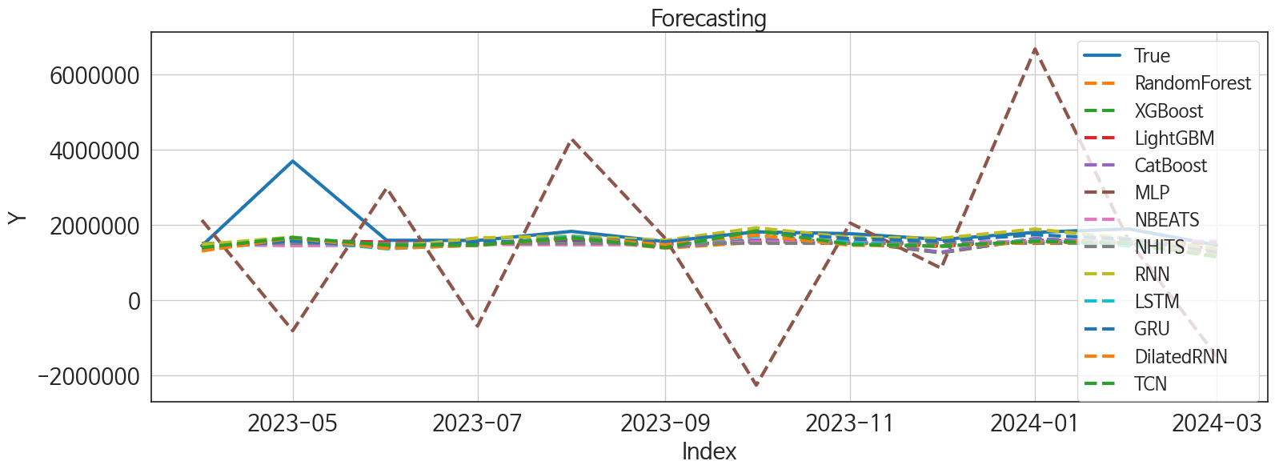
 | MSE | RMSE | MSPE | MAE | MAPE | MedAE | MedAPE
RNN | 3.537805976E+11 | 594794.58437 | 0.029287375793 | 261758.35417 | 0.099925740263 | 92419 | 0.056155333194
GRU | 3.9230274501E+11 | 626340.75791 | 0.033680239458 | 278766.28125 | 0.10826726826 | 98697.375 | 0.057566234113
NHITS | 4.384524995E+11 | 662157.45824 | 0.04180014468 | 343700.01042 | 0.14101976625 | 174680.75 | 0.10127532743
LightGBM | 4.001530951E+11 | 632576.55276 | 0.036889497678 | 325944.76372 | 0.13439473408 | 186858.17101 | 0.11031555862
CatBoost | 3.9362456916E+11 | 627395.06625 | 0.039247663588 | 345082.78751 | 0.14829483333 | 179157.79046 | 0.10054445967
XGBoost | 3.9711491095E+11 | 630170.54116 | 0.040286476475 | 349738.05208 | 0.1507479434 | 179465 | 0.098969494647
TCN | 3.8451688571E+11 | 620094.25551 | 0.039486292228 | 339846.21875 | 0.14719369864 | 170212.3125 | 0.10570055551
NBEATS | 4.6050126329E+11 | 678602.43389 | 0.043184535546 | 350929.36458 | 0.14426896246 | 187916.5 | 0.11033214017
RandomForest | 4.0197955609E+11 | 634018.57708 | 0.04102043544 | 357281.50974 | 0.15515195831 | 191346.59641 | 0.11163609814
LSTM | 4.107875096E+11 | 640927.07042 | 0.041166257774 | 351089.29167 | 0.15132356887 | 205464.1875 | 0.11988647717
DilatedRNN | 3.8956126608E+11 | 624148.43273 | 0.0401472648 | 351642.76042 | 0.15392742357 | 191445.3125 | 0.11925891648
MLP | 6.9772421551E+12 | 2641446.9813 | 1.9115783232 | 2054360.0469 | 1.0944987665 | 1831604.6562 | 1.0443506773

Forecasting_주중
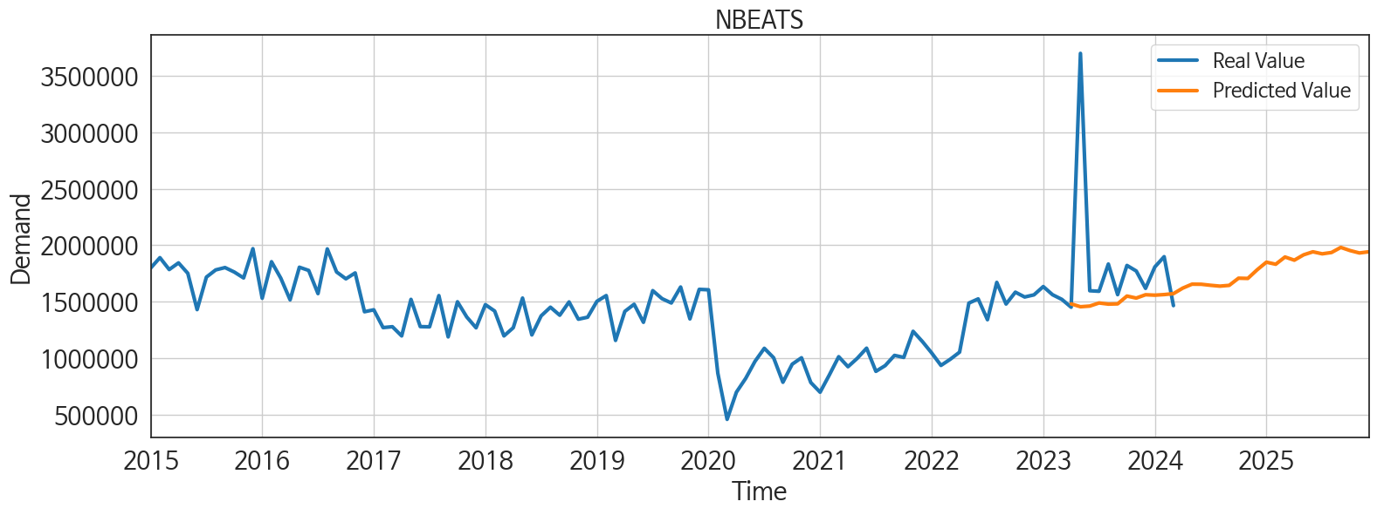
ds | unique_id | y | NBEATS | NHITS | RNN | LightGBM | RandomForest | CatBoost | XGBoost | TCN | GRU | LSTM | DilatedRNN | MLP
2023-04-01 | 1 | 1449597 | 1479137.5 | 1519111.125 | 1485627.75 | 1378359.3834 | 1338782.533 | 1339828.0495 | 1345837 | 1397342.625 | 1391645.75 | 1352751.125 | 1312247.375 | 2133045.25
2023-05-01 | 1 | 3699360 | 1453901.125 | 1519111 | 1678954.625 | 1596554.2525 | 1628183.4036 | 1640372.2095 | 1640065 | 1670525.375 | 1581704.875 | 1597233.875 | 1659725.625 | -806165.375
2023-06-01 | 1 | 1595657 | 1459812.25 | 1519111.375 | 1403863.125 | 1546412.3365 | 1467276.5032 | 1477479.0229 | 1476213.5 | 1465378.5 | 1421700.75 | 1370682.875 | 1388042 | 2985125
2023-07-01 | 1 | 1590963 | 1487305.375 | 1519112.375 | 1658760.125 | 1504682.2425 | 1502384.6008 | 1504988.8002 | 1506749.25 | 1463316.875 | 1534675.125 | 1471828.5 | 1460466.875 | -682778.3125
2023-08-01 | 1 | 1832474 | 1477078.75 | 1519113.75 | 1706374.5 | 1596554.2525 | 1628183.4036 | 1640372.2095 | 1640065 | 1668359.375 | 1623531.875 | 1699003.5 | 1662850.875 | 4288746.5
2023-09-01 | 1 | 1560822 | 1479298.375 | 1519114.625 | 1594094.25 | 1438620.4853 | 1386339.7275 | 1410581.9771 | 1415760.125 | 1401062.375 | 1556527.125 | 1467440 | 1479635.25 | 1642291.875
2023-10-01 | 1 | 1819911 | 1548621 | 1519115 | 1926608.75 | 1596554.2525 | 1543929.7895 | 1606497.7583 | 1580430.625 | 1847612.125 | 1822953.25 | 1706575.875 | 1735299.75 | -2253640
2023-11-01 | 1 | 1770736 | 1530747.75 | 1519114.75 | 1673037.25 | 1575254.1726 | 1553785.75 | 1572121.2707 | 1566701.125 | 1486821.375 | 1637656.375 | 1539528.125 | 1464999.25 | 2053165.75
2023-12-01 | 1 | 1616855 | 1560215.875 | 1519114.75 | 1648273.25 | 1438620.4853 | 1268739.1781 | 1282394.1171 | 1262399.25 | 1440545 | 1574052.125 | 1427311.75 | 1441579.375 | 853709.5
2024-01-01 | 1 | 1806586 | 1556453.375 | 1519114.875 | 1893725.25 | 1596554.2525 | 1628183.4036 | 1640372.2095 | 1640065 | 1570478.625 | 1742270.875 | 1585200.875 | 1544646.875 | 6677431
2024-02-01 | 1 | 1897429 | 1561701.125 | 1519115 | 1638323 | 1546412.3365 | 1532326.0572 | 1508445.876 | 1487295.5 | 1516664.875 | 1621078.75 | 1448445.875 | 1538447.5 | 1581089.5
2024-03-01 | 1 | 1463885 | 1569838.875 | 1519115.5 | 1380243.625 | 1378359.3834 | 1338782.533 | 1339828.0495 | 1345837 | 1153415.5 | 1257367.25 | 1225201.125 | 1196621.125 | -1492199.5
2024-04-01 | 1 | 0 | 1618884.625 | 1519116.25 | 1685195.875 | 1596554.2525 | 1544383.1546 | 1569121.2165 | 1565038.5 | 1351126.125 | 1467912 | 1402263.5 | 1395379.625 | 3220215.5
2024-05-01 | 1 | 0 | 1653967.25 | 1519116.875 | 1566235.375 | 1596554.2525 | 1542203.9286 | 1562658.0534 | 1532964.75 | 1434420.125 | 1497291.875 | 1515939.25 | 1522711.625 | 2590297.5
2024-06-01 | 1 | 0 | 1653076.625 | 1519117.25 | 1387727.75 | 1438620.4853 | 1268739.1781 | 1282394.1171 | 1262399.25 | 1229598.75 | 1310980.25 | 1274759.125 | 1222187.625 | 960518.6875
2024-07-01 | 1 | 0 | 1643904.5 | 1519117 | 1757836.125 | 1575254.1726 | 1748760.0845 | 1766827.6152 | 1782602.25 | 1514480.25 | 1601065.125 | 1463686.875 | 1608112.75 | -2599363
2024-08-01 | 1 | 0 | 1636456.5 | 1519116.75 | 1544983.875 | 1546412.3365 | 1467276.5032 | 1477479.0229 | 1476213.5 | 1328741 | 1481938.875 | 1374895.5 | 1456506.625 | 1784337.5
2024-09-01 | 1 | 0 | 1643381.5 | 1519116.375 | 1750661.875 | 1546412.3365 | 1673671.0877 | 1658769.7507 | 1642793.625 | 1466851 | 1536038.375 | 1470012.625 | 1548064.25 | -1338329.375
2024-10-01 | 1 | 0 | 1706926.5 | 1519116 | 1786330.875 | 1596554.2525 | 1543377.1427 | 1543912.4556 | 1543780.25 | 1549519 | 1586203 | 1588585 | 1639540 | -805563.5625
2024-11-01 | 1 | 0 | 1704767.375 | 1519115.625 | 1443085.75 | 1378359.3834 | 1338782.533 | 1339828.0495 | 1345837 | 1296361.125 | 1267315.125 | 1377160.25 | 1228819.875 | 2466112.5
2024-12-01 | 1 | 0 | 1781129.25 | 1519115.875 | 1598852 | 1596554.2525 | 1544383.1546 | 1569121.2165 | 1565038.5 | 1448239.625 | 1496800.25 | 1455847.625 | 1485341.25 | 1995800.125
2025-01-01 | 1 | 0 | 1848869 | 1519115.875 | 1751290.875 | 1596554.2525 | 1566455.6937 | 1503131.8628 | 1497759.25 | 1643008.625 | 1544569.125 | 1631581.125 | 1673615.875 | 7189662
2025-02-01 | 1 | 0 | 1830492.5 | 1519115.625 | 1208549.75 | 1378359.3834 | 1338782.533 | 1339828.0495 | 1345837 | 1201352.5 | 1185369.75 | 1218791.375 | 1202518.375 | 946349.75
2025-03-01 | 1 | 0 | 1894801.75 | 1519116 | 1254750.75 | 1546412.3365 | 1467276.5032 | 1477479.0229 | 1476213.5 | 1265354.875 | 1376924 | 1230891.375 | 1252640.25 | 4257938
2025-04-01 | 1 | 0 | 1866472.5 | 1519116.5 | 1501157.25 | 1575254.1726 | 1553785.75 | 1572121.2707 | 1566701.125 | 1459916.125 | 1443588.375 | 1485879.125 | 1446134.25 | 6870221
2025-05-01 | 1 | 0 | 1914133 | 1519117.25 | 1400318.75 | 1546412.3365 | 1595892.8481 | 1631605.2277 | 1604845.125 | 1363621.25 | 1392388.375 | 1412419.625 | 1337326.625 | 6132266
2025-06-01 | 1 | 0 | 1940886.375 | 1519117.875 | 1323616.875 | 1504682.2425 | 1502384.6008 | 1504988.8002 | 1506749.25 | 1253319.375 | 1286387.5 | 1246029.875 | 1270625.5 | 15617551
2025-07-01 | 1 | 0 | 1922808.125 | 1519123.125 | 1562083.5 | 1575254.1726 | 1748760.0845 | 1766827.6152 | 1782602.25 | 1628859.625 | 1572348.75 | 1589113.75 | 1591408.375 | 31630768
2025-08-01 | 1 | 0 | 1934629.5 | 1519129.875 | 1401496.25 | 1378359.3834 | 1338782.533 | 1339828.0495 | 1345837 | 1347152.5 | 1298160.375 | 1338806.25 | 1285323 | 31801590
2025-09-01 | 1 | 0 | 1979692.625 | 1519136.375 | 1542309.625 | 1575254.1726 | 1553785.75 | 1572121.2707 | 1566701.125 | 1401820.5 | 1432272.125 | 1423927.375 | 1413389.25 | 78122080
2025-10-01 | 1 | 0 | 1951668.875 | 1519143.25 | 1609788 | 1596554.2525 | 1707805.9964 | 1612944.1476 | 1497917.875 | 1523827.625 | 1535089 | 1541645.125 | 1559942.125 | 80093472
2025-11-01 | 1 | 0 | 1930463.875 | 1519146.25 | 1402736.875 | 1378359.3834 | 1338782.533 | 1339828.0495 | 1345837 | 1302262.75 | 1269926.625 | 1374870.875 | 1274587.625 | 95721064
2025-12-01 | 1 | 0 | 1940879.125 | 1519146.25 | 1639850 | 1596554.2525 | 1628183.4036 | 1640372.2095 | 1640065 | 1603551.625 | 1533005.5 | 1618724.75 | 1610942.5 | 106260952

