Performance_전체
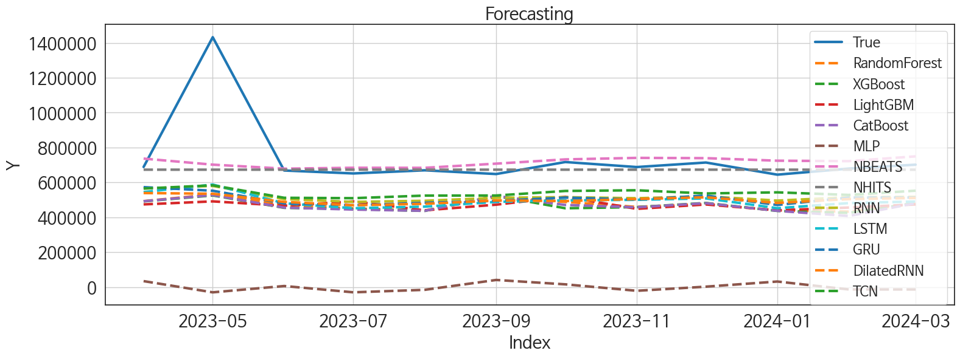
 | MSE | RMSE | MSPE | MAE | MAPE | MedAE | MedAPE
NHITS | 48630422456 | 220523.06559 | 0.0246211046 | 82757.817708 | 0.072624105052 | 23268.4375 | 0.035817226641
NBEATS | 46257337433 | 215075.19018 | 0.025675530559 | 96545.479167 | 0.09550584918 | 45273.65625 | 0.065531129481
TCN | 79077436442 | 281207.10596 | 0.070044604335 | 201380.5 | 0.24128379467 | 146986.21875 | 0.21702046581
RNN | 86450881160 | 294025.30701 | 0.085137926114 | 223697.19792 | 0.27395552767 | 169289.875 | 0.25506643851
GRU | 93375966501 | 305574.81326 | 0.093864143091 | 234540.83073 | 0.28856797066 | 186329.03125 | 0.26999270568
DilatedRNN | 97452088914 | 312173.17136 | 0.098057673683 | 240522.76562 | 0.29592479379 | 182736.70312 | 0.27031921
LSTM | 93713752961 | 306127.02096 | 0.10310505982 | 246511.58333 | 0.30842818632 | 198554.25 | 0.29455844916
RandomForest | 1.0947950259E+11 | 330876.86923 | 0.12303505539 | 269010.99018 | 0.33747700999 | 226153.62478 | 0.31885262268
LightGBM | 1.1501043837E+11 | 339131.88934 | 0.12477896685 | 271471.40579 | 0.3386478788 | 218867.87942 | 0.32117528808
XGBoost | 1.1259730224E+11 | 335555.21488 | 0.128009657 | 273924.40104 | 0.34414268942 | 224522.21875 | 0.32357030632
CatBoost | 1.1236187237E+11 | 335204.22487 | 0.12828636027 | 274001.66643 | 0.34453436327 | 225612.97412 | 0.32413100971
MLP | 5.9803429193E+11 | 773326.76918 | 0.99520419749 | 741318.52869 | 0.99700579577 | 688928.58301 | 1.0080550805

Forecasting_전체
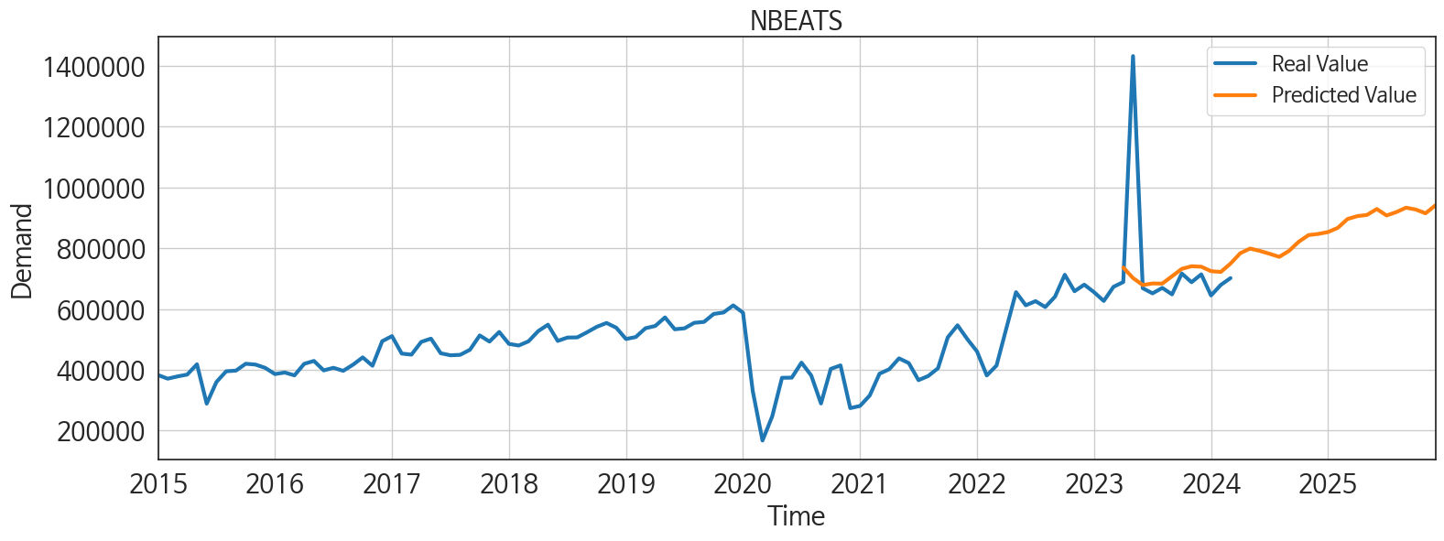
ds | unique_id | y | NBEATS | NHITS | RNN | LightGBM | RandomForest | CatBoost | XGBoost | TCN | GRU | LSTM | DilatedRNN | MLP
2023-04-01 | 1 | 688648 | 736484.0625 | 673037.5625 | 565135.5625 | 474072.14877 | 492754.23264 | 492265.3429 | 491423.21875 | 565040.5 | 572824.1875 | 544723.8125 | 539105.125 | 34205.335938
2023-05-01 | 1 | 1432442 | 701859.25 | 673037.4375 | 579930.375 | 491320.27133 | 531505.20817 | 527780.05785 | 525369.9375 | 583334.625 | 552324.3125 | 587808 | 535142 | -30072.435547
2023-06-01 | 1 | 668339 | 678896.3125 | 673037.5625 | 504422.4375 | 466578.67201 | 469275.80819 | 455694.11589 | 454313.4375 | 511853.125 | 479495.90625 | 480452.6875 | 488518.28125 | 6135.9467773
2023-07-01 | 1 | 651454 | 683958.5 | 673038 | 488357.5 | 491176.87194 | 450840.86881 | 444502.67328 | 447600.34375 | 509704.8125 | 469573.9375 | 452043.0625 | 469101.84375 | -29965.9375
2023-08-01 | 1 | 669451 | 683603 | 673038.5625 | 494795.9375 | 439959.61212 | 439207.24951 | 437133.21908 | 436618.8125 | 524547 | 483047.90625 | 461171.75 | 477324.84375 | -15656.771484
2023-09-01 | 1 | 648086 | 707643.25 | 673038.875 | 511848.15625 | 472460.93067 | 515596.15136 | 522539.86623 | 523303.71875 | 524970.5 | 494405.0625 | 488455.75 | 496600.46875 | 40878.0625
2023-10-01 | 1 | 716861 | 732002.1875 | 673038.6875 | 515673.375 | 517789.8789 | 488356.84547 | 470815.23031 | 451854.53125 | 551029.9375 | 512927.4375 | 497037.3125 | 493122.3125 | 15716.472656
2023-11-01 | 1 | 688137 | 740693.75 | 673038.5 | 509376.0625 | 448535.78857 | 459561.35293 | 457700.63148 | 458511.5 | 555025.0625 | 501882.03125 | 500265.25 | 505015.75 | -21286.261719
2023-12-01 | 1 | 714043 | 739158.75 | 673038.5 | 520481.6875 | 473651.62587 | 477886.90497 | 480900.42027 | 482271.0625 | 536687.75 | 524672.625 | 508407.8125 | 514753.625 | 2443.5966797
2024-01-01 | 1 | 644503 | 724497.875 | 673038.6875 | 495759.09375 | 439959.61212 | 439207.24951 | 437133.21908 | 436618.8125 | 543155.625 | 470925.53125 | 452418.25 | 482419.5625 | 31888.703125
2024-02-01 | 1 | 679183 | 721966.1875 | 673039 | 515258.3125 | 456023.09239 | 432626.34133 | 407451.80624 | 425587.75 | 528300.5 | 512854.96875 | 481485.4375 | 504336.5625 | -13566.394531
2024-03-01 | 1 | 701690 | 749454.125 | 673039.1875 | 517432.125 | 473651.62587 | 477886.90497 | 480900.42027 | 482271.0625 | 552621.5625 | 513413.125 | 490428.875 | 511123.4375 | -13705.661133
2024-04-01 | 1 | 0 | 783607.125 | 673038.9375 | 547147.625 | 422854.88895 | 353290.66952 | 350404.32523 | 343132.6875 | 581525.625 | 519705.9375 | 500997.875 | 531098.25 | 40337.039062
2024-05-01 | 1 | 0 | 798869.5 | 673038.8125 | 566747.625 | 517789.8789 | 506064.01079 | 506159.7728 | 501467.125 | 596336.625 | 576895.6875 | 554631.3125 | 577896.75 | 12695.768555
2024-06-01 | 1 | 0 | 791261 | 673038.9375 | 506141.21875 | 456546.90271 | 511258.41569 | 510893.04164 | 514058.0625 | 564280.5625 | 497426.8125 | 488525.625 | 500525.9375 | 20322.199219
2024-07-01 | 1 | 0 | 781742.25 | 673038.8125 | 488876.5625 | 465640.51173 | 508912.37149 | 529394.10184 | 536273 | 550373.75 | 477460.09375 | 480200.46875 | 496015.0625 | 21619.933594
2024-08-01 | 1 | 0 | 771656.5 | 673038.75 | 511872.84375 | 473651.62587 | 476957.86522 | 475798.20369 | 476330.6875 | 575628.875 | 496405.21875 | 502597.75 | 525501.4375 | -59.475891113
2024-09-01 | 1 | 0 | 791282.8125 | 673038.5625 | 494357.5625 | 482492.69997 | 493766.776 | 483854.22744 | 487056.28125 | 571657.375 | 494360.15625 | 503241.625 | 532084.9375 | 25873.359375
2024-10-01 | 1 | 0 | 821463.875 | 673038.0625 | 483981.375 | 491320.27133 | 544559.63546 | 557493.31582 | 562498.25 | 581739.625 | 487151.6875 | 511512.21875 | 535040.375 | 36017.132812
2024-11-01 | 1 | 0 | 843247.75 | 673037.8125 | 513756.875 | 474072.14877 | 492754.23264 | 492265.3429 | 491423.21875 | 580864.375 | 519664.5625 | 522509.53125 | 533041.0625 | -19641.916016
2024-12-01 | 1 | 0 | 847031.75 | 673038.0625 | 526921.125 | 466429.21969 | 486443.12958 | 485434.82772 | 486525.65625 | 610248.6875 | 553829.375 | 542334.4375 | 558699.5 | 33272.773438
2025-01-01 | 1 | 0 | 853233.875 | 673038.1875 | 517449.90625 | 517789.8789 | 514179.08045 | 516854.34458 | 511848.71875 | 601907.5625 | 544925.4375 | 565591.125 | 550033.125 | 18049.291016
2025-02-01 | 1 | 0 | 867088.8125 | 673038.625 | 492619.28125 | 465789.96405 | 456509.54446 | 456171.05714 | 453276.53125 | 502893.03125 | 455700.875 | 481237.09375 | 473101.03125 | 7645.4194336
2025-03-01 | 1 | 0 | 896171.375 | 673039 | 492072.25 | 489565.65383 | 437006.97789 | 433361.31726 | 430223.09375 | 576034.0625 | 494247.71875 | 494316.53125 | 503367.78125 | -117.46548462
2025-04-01 | 1 | 0 | 905652.4375 | 673039 | 500214.5625 | 448535.78857 | 459561.35293 | 457700.63148 | 458511.5 | 594530.0625 | 493120.25 | 500442.09375 | 525437.1875 | 13341.600586
2025-05-01 | 1 | 0 | 909658.5 | 673038.8125 | 520552.125 | 489565.65383 | 458114.59717 | 461630.47527 | 478607.625 | 619859.25 | 528213.625 | 533696.875 | 549320.875 | 151331.1875
2025-06-01 | 1 | 0 | 929042.5 | 673038.8125 | 489558.3125 | 466578.67201 | 469275.80819 | 455694.11589 | 454313.4375 | 575594.9375 | 497618.03125 | 506774.3125 | 513365.125 | 93823.296875
2025-07-01 | 1 | 0 | 907766.1875 | 673038.8125 | 490067.53125 | 465640.51173 | 508912.37149 | 529394.10184 | 536273 | 617563.25 | 531700.375 | 544364.1875 | 562888.625 | 32402.152344
2025-08-01 | 1 | 0 | 918895.75 | 673038.75 | 491504.40625 | 473651.62587 | 477886.90497 | 480900.42027 | 482271.0625 | 619843 | 523321.40625 | 546764 | 535651.3125 | 91430.9375
2025-09-01 | 1 | 0 | 933487.75 | 673038.75 | 453649.59375 | 448535.78857 | 459561.35293 | 457700.63148 | 458511.5 | 599785.375 | 475693.625 | 487832.25 | 509598.21875 | 289806.3125
2025-10-01 | 1 | 0 | 927315.625 | 673038.625 | 535382.75 | 517789.8789 | 514179.08045 | 516854.34458 | 511848.71875 | 707507.0625 | 577050.25 | 588095.375 | 602023.0625 | 291194.65625
2025-11-01 | 1 | 0 | 914967.4375 | 673038.5 | 533836 | 474072.14877 | 492754.23264 | 492265.3429 | 491423.21875 | 664663.25 | 541847.5 | 572350.5625 | 584962.125 | 280865.21875
2025-12-01 | 1 | 0 | 940858.875 | 673038.375 | 513434.125 | 439959.61212 | 439207.24951 | 437133.21908 | 436618.8125 | 664297.125 | 539858.75 | 543058.3125 | 568653.375 | 791970.6875

Performance_주말
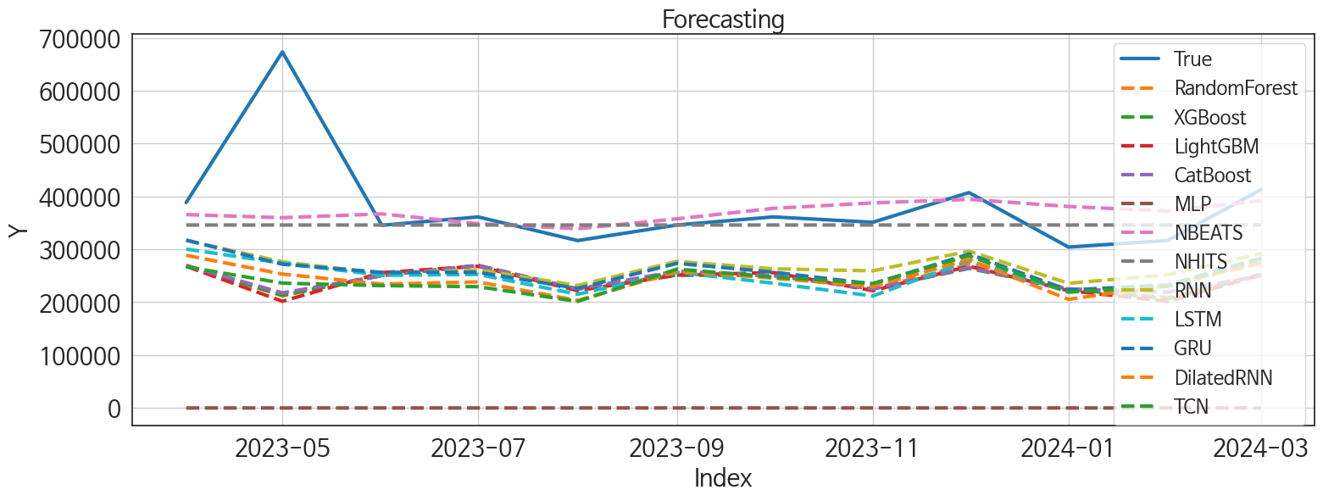
 | MSE | RMSE | MSPE | MAE | MAPE | MedAE | MedAPE
NBEATS | 9266207651.4 | 96261.142999 | 0.028522287305 | 51924.458333 | 0.11537286532 | 21957.609375 | 0.060577037172
NHITS | 10094461481 | 100471.19727 | 0.028089854461 | 52909.338542 | 0.11101042989 | 29306.53125 | 0.092561287974
RNN | 20563975378 | 143401.44831 | 0.086178714841 | 114047.41276 | 0.2758555114 | 91492.703125 | 0.26601691642
GRU | 22246252019 | 149151.77511 | 0.0983488883 | 121755.29036 | 0.29784949872 | 97417.71875 | 0.2854782377
LSTM | 24253939323 | 155736.76291 | 0.11468146829 | 131815.15495 | 0.32612865242 | 105106.89062 | 0.30874341723
CatBoost | 28842587011 | 169831.05432 | 0.12533292358 | 138326.16076 | 0.33617687663 | 104460.5821 | 0.30766131436
RandomForest | 29306386152 | 171191.08082 | 0.1273225226 | 139285.4588 | 0.33885193244 | 109201.19176 | 0.30601406569
XGBoost | 29477577915 | 171690.35475 | 0.12895774789 | 140219.80859 | 0.34146910586 | 110510.07812 | 0.30612555617
LightGBM | 30404040274 | 174367.54364 | 0.13175466103 | 141425.77733 | 0.34399766947 | 110135.25042 | 0.30464467051
TCN | 27397682319 | 165522.45261 | 0.12485681235 | 137819.07552 | 0.33900498976 | 115419.92969 | 0.31496980632
DilatedRNN | 26235293029 | 161973.1244 | 0.12301842145 | 136768.40885 | 0.33835536104 | 114531.41406 | 0.32343380049
MLP | 1.5473395779E+11 | 393362.37465 | 0.99999166941 | 382024.83151 | 0.99999583469 | 356207.95729 | 0.99999618152

Forecasting_주말
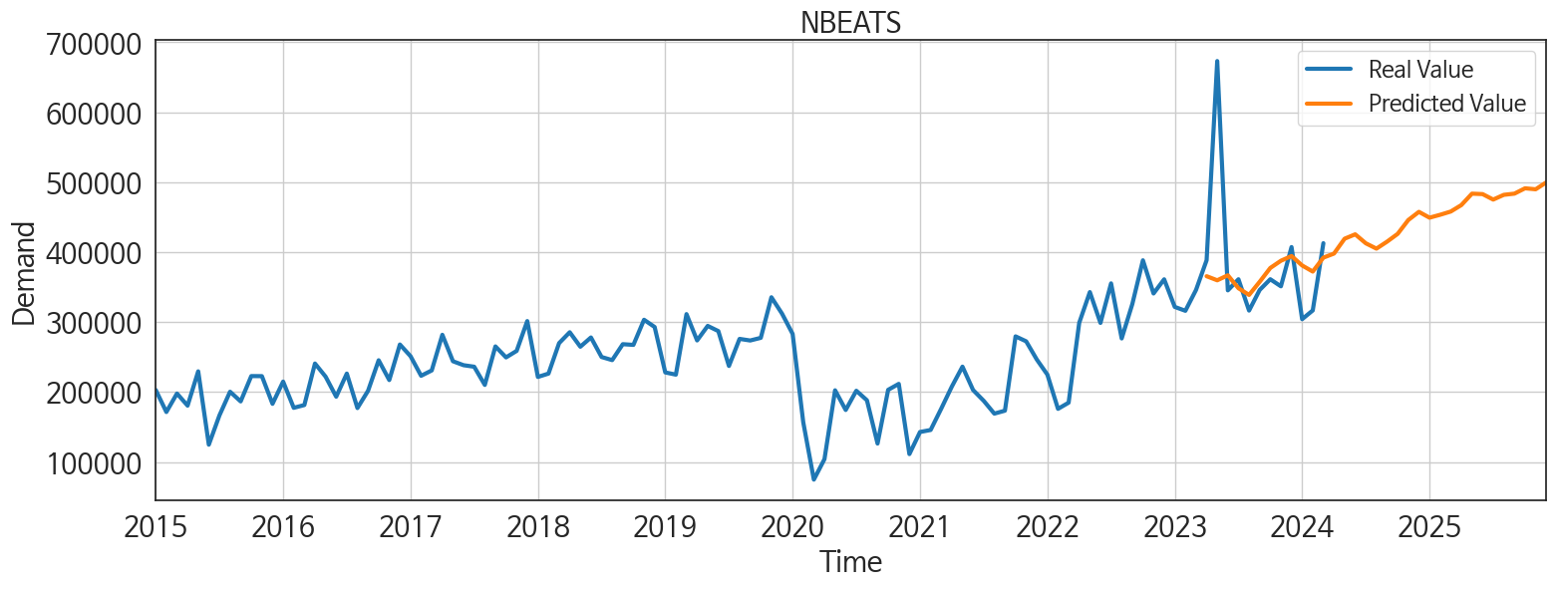
ds | unique_id | y | NBEATS | NHITS | RNN | LightGBM | RandomForest | CatBoost | XGBoost | TCN | GRU | LSTM | DilatedRNN | MLP
2023-04-01 | 1 | 388460 | 365628.8125 | 345923 | 316774.875 | 268008.85179 | 269501.33141 | 269076.52544 | 269718.5625 | 266896.375 | 317516.15625 | 300410.5625 | 288688 | 1.3153526783
2023-05-01 | 1 | 673228 | 359793.28125 | 345922.4375 | 276372.1875 | 201710.32891 | 211859.49474 | 217592.98104 | 213023.4375 | 236037.125 | 271784.125 | 273811.90625 | 253199.98438 | 1.3532493114
2023-06-01 | 1 | 345414 | 366961.09375 | 345922.15625 | 254302.78125 | 256013.17025 | 250794.83248 | 249999.70137 | 250512.25 | 231352.79688 | 256399.45312 | 250848.95312 | 234156.0625 | 1.5345311165
2023-07-01 | 1 | 361238 | 348469.71875 | 345922.59375 | 260916.28125 | 268008.85179 | 269501.33141 | 269076.52544 | 269718.5625 | 229338.60938 | 256527.375 | 252542.54688 | 238359.53125 | 1.3828707933
2023-08-01 | 1 | 316512 | 338880.125 | 345924.09375 | 231604.53125 | 221806.5928 | 224996.47684 | 225140.75667 | 224853.75 | 201435.34375 | 226113.70312 | 214993.67188 | 203285.17188 | 1.9927511215
2023-09-01 | 1 | 345989 | 357670.3125 | 345924.6875 | 277199.71875 | 251156.66998 | 252826.57786 | 258826.27972 | 251161.5625 | 262674.1875 | 273418.28125 | 256628.15625 | 258332.84375 | 1.5861647129
2023-10-01 | 1 | 361270 | 377411.75 | 345923.8125 | 263152.4375 | 256013.17025 | 250794.83248 | 249999.70137 | 250512.25 | 247446.71875 | 256832.85938 | 235929.875 | 245434 | 1.3760125637
2023-11-01 | 1 | 351180 | 387737.78125 | 345923.9375 | 259305.8125 | 221806.5928 | 224996.47684 | 225140.75667 | 224853.75 | 235416.79688 | 234603.4375 | 211758.10938 | 229792.39062 | 0.70254445076
2023-12-01 | 1 | 407266 | 394494.6875 | 345927.90625 | 296502.9375 | 268008.85179 | 271477.09159 | 265339.19569 | 263978.59375 | 287754.46875 | 291053.1875 | 278329.75 | 280508.1875 | 1.390479207
2024-01-01 | 1 | 304207 | 380981.25 | 345929.84375 | 235758.90625 | 221806.5928 | 224996.47684 | 225140.75667 | 224853.75 | 219034.3125 | 222924.14062 | 219378.15625 | 205410.5 | 2.3271725178
2024-02-01 | 1 | 316724 | 372280.28125 | 345924.96875 | 251845.48438 | 201710.32891 | 208796.784 | 219073.13442 | 206461.59375 | 230261.70312 | 232833.26562 | 230183.07812 | 232107.73438 | 1.5629229546
2024-03-01 | 1 | 412828 | 392166.59375 | 345922.625 | 292011.09375 | 251156.66998 | 252348.78795 | 249995.75635 | 252030.23438 | 282838.65625 | 283246.53125 | 277719.375 | 273820.6875 | 1.497831583
2024-04-01 | 1 | 0 | 397983.21875 | 345933.96875 | 241060.34375 | 221806.5928 | 224996.47684 | 225140.75667 | 224853.75 | 246471.73438 | 238484.8125 | 233012.21875 | 251058.85938 | 1.7094614506
2024-05-01 | 1 | 0 | 419213.5625 | 345945.71875 | 259823.09375 | 235660.83166 | 209125.30406 | 216003.62166 | 197913.67188 | 263511.125 | 250852.84375 | 246470.21875 | 261156.60938 | 2.0012784004
2024-06-01 | 1 | 0 | 425513.40625 | 345961.59375 | 260877.35938 | 268008.85179 | 269501.33141 | 269076.52544 | 269718.5625 | 261633.95312 | 257461.40625 | 243674.35938 | 250660.14062 | 1.4847507477
2024-07-01 | 1 | 0 | 412672.65625 | 345976.75 | 238015.98438 | 221806.5928 | 224996.47684 | 225140.75667 | 224853.75 | 235987.57812 | 221153.64062 | 228501.9375 | 218964.40625 | 1.1680766344
2024-08-01 | 1 | 0 | 405053 | 345973.46875 | 271995.4375 | 268008.85179 | 269501.33141 | 269076.52544 | 269718.5625 | 275139.34375 | 250944.28125 | 251021.45312 | 262852.96875 | 1.1324993372
2024-09-01 | 1 | 0 | 415028.03125 | 345970.1875 | 243845.07812 | 256013.17025 | 250794.83248 | 249999.70137 | 250512.25 | 252382.46875 | 232666.40625 | 233663.67188 | 249628.3125 | 4.064535141
2024-10-01 | 1 | 0 | 426171.78125 | 345972.1875 | 214827.8125 | 221806.5928 | 224996.47684 | 225140.75667 | 224853.75 | 242032.4375 | 214545.95312 | 217914.3125 | 228527.8125 | 4.2258796692
2024-11-01 | 1 | 0 | 445933.40625 | 345974.46875 | 268824.53125 | 268008.85179 | 269501.33141 | 269076.52544 | 269718.5625 | 296138.53125 | 269005.0625 | 268981.53125 | 288058.84375 | 6.650390625
2024-12-01 | 1 | 0 | 457654.5625 | 345972.9375 | 238822.39062 | 256013.17025 | 250794.83248 | 249999.70137 | 250512.25 | 288507.25 | 241399.15625 | 259523.125 | 271324.25 | 8.9696941376
2025-01-01 | 1 | 0 | 449305.125 | 345970.90625 | 226395.89062 | 256013.17025 | 250794.83248 | 249999.70137 | 250512.25 | 243957.17188 | 228602.0625 | 229896.40625 | 234607.51562 | 9.7515888214
2025-02-01 | 1 | 0 | 453446.28125 | 345972.4375 | 233973.90625 | 221806.5928 | 224996.47684 | 225140.75667 | 224853.75 | 227442.73438 | 211269.45312 | 222590.04688 | 218733.71875 | 8.6220569611
2025-03-01 | 1 | 0 | 458085.8125 | 345974.4375 | 262059.23438 | 251156.66998 | 238409.89731 | 240109.18433 | 237979.73438 | 280551.75 | 236027.23438 | 257328.59375 | 275856.46875 | 8.7351102829
2025-04-01 | 1 | 0 | 467337.125 | 345974.4375 | 246275.54688 | 221806.5928 | 224996.47684 | 225140.75667 | 224853.75 | 261705.875 | 234946.85938 | 243767.84375 | 270094.5 | 8.3519201279
2025-05-01 | 1 | 0 | 483639.34375 | 345973.875 | 263589.75 | 268008.85179 | 269501.33141 | 269076.52544 | 269718.5625 | 299432.1875 | 241807.875 | 254217.1875 | 287064.53125 | 14.759334564
2025-06-01 | 1 | 0 | 483007.375 | 345972.71875 | 250340.75 | 235660.83166 | 209125.30406 | 216003.62166 | 197913.67188 | 285145.1875 | 234091.3125 | 248330.39062 | 267837.8125 | 15.644237518
2025-07-01 | 1 | 0 | 475186.0625 | 345971.53125 | 216952.92188 | 221806.5928 | 224996.47684 | 225140.75667 | 224853.75 | 261363.48438 | 220591.53125 | 237946.17188 | 252670.40625 | 15.144978523
2025-08-01 | 1 | 0 | 481966.34375 | 345970.59375 | 255265.4375 | 251156.66998 | 252348.78795 | 249995.75635 | 252030.23438 | 306484.1875 | 259903.71875 | 261562.26562 | 292559.75 | 18.893218994
2025-09-01 | 1 | 0 | 483679.21875 | 345969.6875 | 208942.8125 | 221806.5928 | 224996.47684 | 225140.75667 | 224853.75 | 226564.53125 | 185577.46875 | 207274.79688 | 218127.65625 | 44.005836487
2025-10-01 | 1 | 0 | 491309.96875 | 345970.40625 | 244250.375 | 235660.83166 | 250651.943 | 254966.68045 | 259578.46875 | 277907.5625 | 226611.46875 | 230259.65625 | 263799.5625 | 57.337863922
2025-11-01 | 1 | 0 | 489890.03125 | 345972.09375 | 285373.9375 | 268008.85179 | 269501.33141 | 269076.52544 | 269718.5625 | 323202.40625 | 265085.0625 | 267108.9375 | 311892.625 | 78.498687744
2025-12-01 | 1 | 0 | 499760.78125 | 345972.84375 | 254643.89062 | 221806.5928 | 224996.47684 | 225140.75667 | 224853.75 | 293056.21875 | 235500.64062 | 232086.15625 | 270787.71875 | 93.001686096

Performance_주중
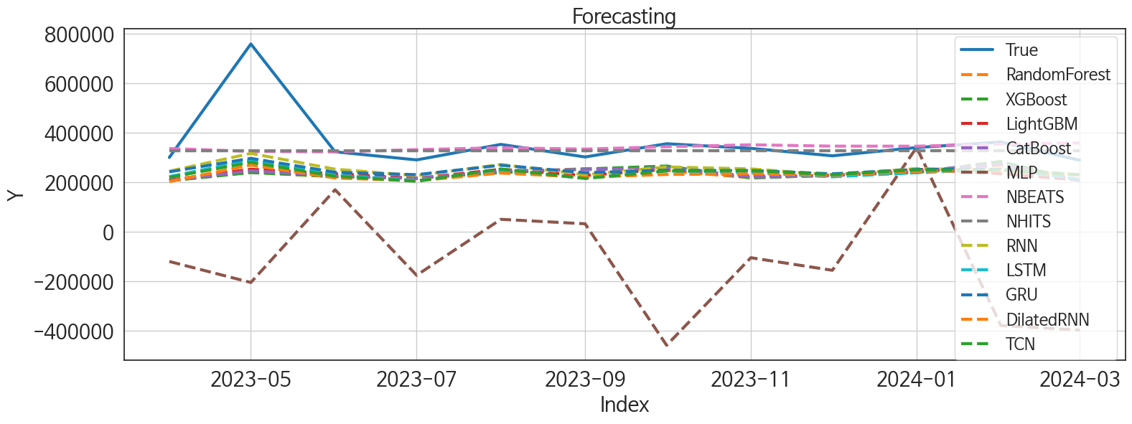
 | MSE | RMSE | MSPE | MAE | MAPE | MedAE | MedAPE
NBEATS | 16667025822 | 129100.83587 | 0.037848679012 | 58953.291667 | 0.12221718357 | 23210.703125 | 0.074352563862
NHITS | 16192325477 | 127249.06867 | 0.033398923069 | 58015.765625 | 0.1165702136 | 26367.6875 | 0.081388252429
RNN | 22069282094 | 148557.33605 | 0.08105103537 | 107929.03385 | 0.26639005449 | 78955.585938 | 0.2423480549
GRU | 23954619294 | 154772.79895 | 0.086611506231 | 111620.4388 | 0.27422382565 | 83373.242188 | 0.24708183565
CatBoost | 29538724522 | 171868.33484 | 0.10964913422 | 124877.64629 | 0.3094828383 | 93841.286112 | 0.28064234765
TCN | 26771406673 | 163619.70136 | 0.10460928887 | 122586.36849 | 0.30687867062 | 90141.421875 | 0.28513820232
LightGBM | 29538905617 | 171868.86168 | 0.11284150321 | 127372.17832 | 0.31749792922 | 90070.335646 | 0.28100854895
XGBoost | 30176655748 | 173714.29345 | 0.11096097667 | 125115.76823 | 0.3092613356 | 92125.703125 | 0.29221334948
LSTM | 26582432026 | 163041.19733 | 0.10837820227 | 125011.63151 | 0.31589124635 | 96107.859375 | 0.29130642613
RandomForest | 30534292450 | 174740.64338 | 0.11443771622 | 127536.3594 | 0.31613054105 | 97051.330983 | 0.29974073039
DilatedRNN | 28873948436 | 169923.36048 | 0.11680345697 | 129448.48568 | 0.32582340856 | 100403.9375 | 0.31199638104
MLP | 3.0091051031E+11 | 548553.10619 | 2.2525226401 | 477389.16032 | 1.3374409574 | 452697.07422 | 1.3573247103

Forecasting_주중
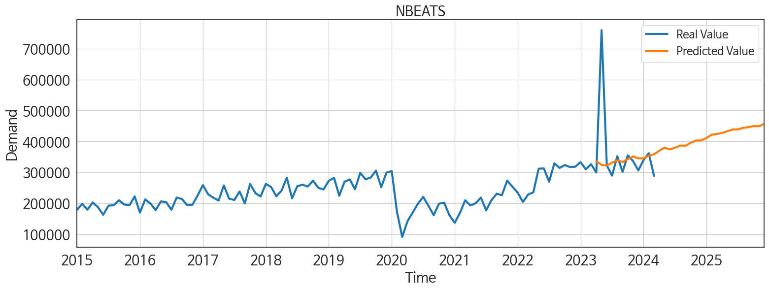
ds | unique_id | y | NBEATS | NHITS | RNN | LightGBM | RandomForest | CatBoost | XGBoost | TCN | GRU | LSTM | DilatedRNN | MLP
2023-04-01 | 1 | 300188 | 336350.46875 | 327120.625 | 244636.70312 | 208740.52873 | 206010.1296 | 206605.55238 | 206030.15625 | 219433 | 241883.15625 | 222835.23438 | 202635.25 | -120657.99219
2023-05-01 | 1 | 759214 | 324614.84375 | 327120.09375 | 316511.78125 | 252475.71594 | 240371.20843 | 246195.87539 | 238998.59375 | 280389.34375 | 296483.0625 | 289263.3125 | 269240.4375 | -205541.375
2023-06-01 | 1 | 322925 | 322657.03125 | 327117.96875 | 252807.375 | 234231.79998 | 221976.89698 | 225073.79196 | 223030.07812 | 224163.39062 | 240476.07812 | 228575.29688 | 217075.84375 | 169480.6875
2023-07-01 | 1 | 290216 | 331815.15625 | 327121.65625 | 226461.39062 | 215243.84631 | 216755.24804 | 214838.75948 | 216493.46875 | 203735.53125 | 230463.875 | 206817.23438 | 205671.625 | -176415.35938
2023-08-01 | 1 | 352939 | 339548.71875 | 327136.25 | 271808.15625 | 252475.71594 | 240371.20843 | 246195.87539 | 238998.59375 | 253468.45312 | 268641.4375 | 243231.34375 | 237108.70312 | 49919.003906
2023-09-01 | 1 | 302097 | 334038.40625 | 327173.25 | 230121.64062 | 226905.97215 | 254632.31626 | 251075.25911 | 253412.15625 | 214959.70312 | 238472.5625 | 217135.60938 | 220131.07812 | 31838.009766
2023-10-01 | 1 | 355591 | 343469.6875 | 327225.78125 | 261686.45312 | 252475.71594 | 246836.81557 | 257552.65613 | 265497.4375 | 245434.46875 | 248122.1875 | 245860.20312 | 231357.59375 | -459499.40625
2023-11-01 | 1 | 336957 | 351437 | 327267.375 | 253916.09375 | 225151.54832 | 217729.71779 | 221033.11782 | 217316.75 | 246817.96875 | 247370.71875 | 239090.98438 | 233701.875 | -105369.14844
2023-12-01 | 1 | 306777 | 345921.875 | 327279.21875 | 229996.67188 | 226905.97215 | 228137.77468 | 225898.60211 | 228585.64062 | 230606.625 | 233899.95312 | 221920.35938 | 228227.46875 | -156291
2024-01-01 | 1 | 340296 | 345709.875 | 327284 | 255077.82812 | 252475.71594 | 240371.20843 | 246195.87539 | 238998.59375 | 250152.1875 | 251707.90625 | 238409.01562 | 244065.40625 | 340588.25
2024-02-01 | 1 | 362459 | 354161.15625 | 327294.78125 | 249319.75 | 234231.79998 | 268882.03341 | 272718.32697 | 283740.15625 | 247754.98438 | 252383.40625 | 253173.34375 | 247357.01562 | -379608.09375
2024-03-01 | 1 | 288862 | 358883.15625 | 327313.75 | 231028.75 | 208740.52873 | 206010.1296 | 206605.55238 | 206030.15625 | 230568.92188 | 229171.39062 | 212069.48438 | 228566.875 | -398008
2024-04-01 | 1 | 0 | 370131.65625 | 327336.21875 | 251701 | 252475.71594 | 246009.33858 | 239978.23238 | 244747.23438 | 260280.5625 | 253797.34375 | 233849.75 | 249342.85938 | -10700.007812
2024-05-01 | 1 | 0 | 380230.09375 | 327351.28125 | 263258.90625 | 252475.71594 | 256318.38573 | 260501.00629 | 267539.96875 | 257892.26562 | 249378.45312 | 251756.95312 | 253154.1875 | 74254.65625
2024-06-01 | 1 | 0 | 374693.40625 | 327355.6875 | 216041.1875 | 226905.97215 | 228137.77468 | 225898.60211 | 228585.64062 | 222131.45312 | 223017.51562 | 209530.04688 | 217265.03125 | 237629.23438
2024-07-01 | 1 | 0 | 380195.09375 | 327355.15625 | 255200.09375 | 225151.54832 | 259807.52103 | 246210.65082 | 260990.17188 | 262981.125 | 249647.65625 | 222302.60938 | 251272.45312 | 12537.455078
2024-08-01 | 1 | 0 | 387047.4375 | 327358.8125 | 244836.98438 | 234231.79998 | 221976.89698 | 225073.79196 | 223030.07812 | 247986.25 | 233496.4375 | 228713.29688 | 242600.10938 | 271677.34375
2024-09-01 | 1 | 0 | 386568.625 | 327365.34375 | 255437.45312 | 234231.79998 | 254820.71622 | 265568.18201 | 265684.34375 | 275563.625 | 245650.1875 | 232094.90625 | 257869.875 | 83792.367188
2024-10-01 | 1 | 0 | 396086.03125 | 327403.15625 | 261830.96875 | 252475.71594 | 280710.05567 | 280101.07271 | 280478.53125 | 269319.1875 | 249538.5 | 241004.59375 | 251817.82812 | 39170.628906
2024-11-01 | 1 | 0 | 403376.875 | 327445.40625 | 235350.98438 | 208740.52873 | 206010.1296 | 206605.55238 | 206030.15625 | 226802.32812 | 223230.46875 | 209979.34375 | 218134.5625 | -477642.84375
2024-12-01 | 1 | 0 | 403439.53125 | 327459.4375 | 268878.53125 | 252475.71594 | 246009.33858 | 239978.23238 | 244747.23438 | 271768.6875 | 251932.23438 | 249481.65625 | 263640.1875 | -141753.79688
2025-01-01 | 1 | 0 | 411771.84375 | 327460.34375 | 271781.65625 | 252475.71594 | 261133.50033 | 263441.91024 | 263421.90625 | 315897.09375 | 284850.375 | 286848.8125 | 302951.375 | 149522.5
2025-02-01 | 1 | 0 | 422131.625 | 327456 | 214675.8125 | 208740.52873 | 206010.1296 | 206605.55238 | 206030.15625 | 228823.04688 | 222210.01562 | 227278.1875 | 219129.76562 | -167882.65625
2025-03-01 | 1 | 0 | 424277.75 | 327454.0625 | 208269.75 | 234231.79998 | 221976.89698 | 225073.79196 | 223030.07812 | 246518.17188 | 222939.17188 | 215364.625 | 220437.5 | -131366.03125
2025-04-01 | 1 | 0 | 427843.28125 | 327445.5 | 250759.82812 | 225151.54832 | 217729.71779 | 221033.11782 | 217316.75 | 287903.78125 | 252296.92188 | 264190.28125 | 273106.3125 | 182168.8125
2025-05-01 | 1 | 0 | 433416.65625 | 327442.6875 | 237401.28125 | 234231.79998 | 221085.19213 | 234989.86398 | 214692.82812 | 272018.90625 | 226073.92188 | 231707.10938 | 240481.84375 | 441179.59375
2025-06-01 | 1 | 0 | 439008.03125 | 327508.1875 | 237052.23438 | 215243.84631 | 216755.24804 | 214838.75948 | 216493.46875 | 245817.59375 | 222378.9375 | 221036.71875 | 225047.14062 | 2020.0273438
2025-07-01 | 1 | 0 | 439256.5625 | 327529.65625 | 256022.26562 | 225151.54832 | 259807.52103 | 246210.65082 | 260990.17188 | 312530.28125 | 271954 | 263941.28125 | 280667 | 206030.46875
2025-08-01 | 1 | 0 | 444300.9375 | 327556.1875 | 222215.3125 | 208740.52873 | 206010.1296 | 206605.55238 | 206030.15625 | 271952.375 | 226958.85938 | 212485.0625 | 230333.01562 | 855210.125
2025-09-01 | 1 | 0 | 446321.21875 | 327574.40625 | 251461.48438 | 225151.54832 | 217729.71779 | 221033.11782 | 217316.75 | 291153.75 | 254310.98438 | 233191.46875 | 253065.8125 | 490442.375
2025-10-01 | 1 | 0 | 449819.3125 | 327577.90625 | 244383.70312 | 252475.71594 | 247876.75883 | 249328.7874 | 253886.8125 | 314334.5625 | 262367.0625 | 251582.40625 | 279396.75 | 635217.9375
2025-11-01 | 1 | 0 | 449343.875 | 327566.5 | 218331.95312 | 208740.52873 | 206010.1296 | 206605.55238 | 206030.15625 | 254915.20312 | 227258.98438 | 226004.96875 | 224328 | 3297138.5
2025-12-01 | 1 | 0 | 456865.0625 | 327560 | 260584.42188 | 252475.71594 | 240371.20843 | 246195.87539 | 238998.59375 | 317451.625 | 264493.1875 | 267600.21875 | 279928.375 | 10825694

