Performance_전체
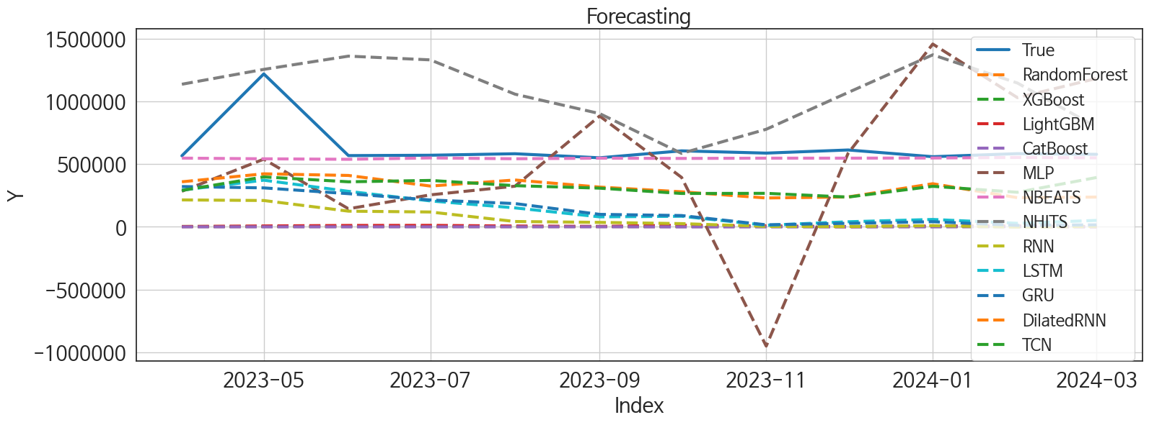
 | MSE | RMSE | MSPE | MAE | MAPE | MedAE | MedAPE
NBEATS | 39330184608 | 198318.39201 | 0.029118349388 | 85233.151042 | 0.095379679226 | 29818.9375 | 0.051834334878
TCN | 1.2495949582E+11 | 353496.10439 | 0.24008940996 | 313766.99479 | 0.47881577712 | 265109.125 | 0.46365022236
DilatedRNN | 1.2658416994E+11 | 355786.69163 | 0.2520307761 | 317761.46094 | 0.48719871689 | 285834.375 | 0.48459052771
MLP | 3.9793585351E+11 | 630821.57026 | 1.1017909846 | 501242.43359 | 0.81942155185 | 378123.0625 | 0.58116031334
NHITS | 2.6233174749E+11 | 512183.31434 | 0.80485018433 | 436936.78125 | 0.7597567745 | 466182.5625 | 0.78132998564
GRU | 2.7561314745E+11 | 524988.71174 | 0.65842356059 | 498481.10986 | 0.79131330232 | 516546.94141 | 0.83531009261
LSTM | 2.6464988032E+11 | 514441.32836 | 0.64686587309 | 493241.31112 | 0.7870437331 | 510413.75 | 0.85812025982
RNN | 3.4323811089E+11 | 585865.26684 | 0.82492714403 | 565855.22118 | 0.90094953347 | 561230.69995 | 0.9464524459
LightGBM | 4.2248952592E+11 | 649991.94296 | 0.97955824308 | 625278.62833 | 0.98970237827 | 576342.52613 | 0.98978425136
CatBoost | 4.3027410686E+11 | 655952.82366 | 0.9995289568 | 631405.83264 | 0.99976402462 | 579426.08848 | 0.99998613533
RandomForest | 430433207564 | 656074.08695 | 1 | 631541.83333 | 1 | 579940 | 1
XGBoost | 4.3043320758E+11 | 656074.08696 | 1 | 631541.83335 | 1 | 579940.00001 | 1

Forecasting_전체
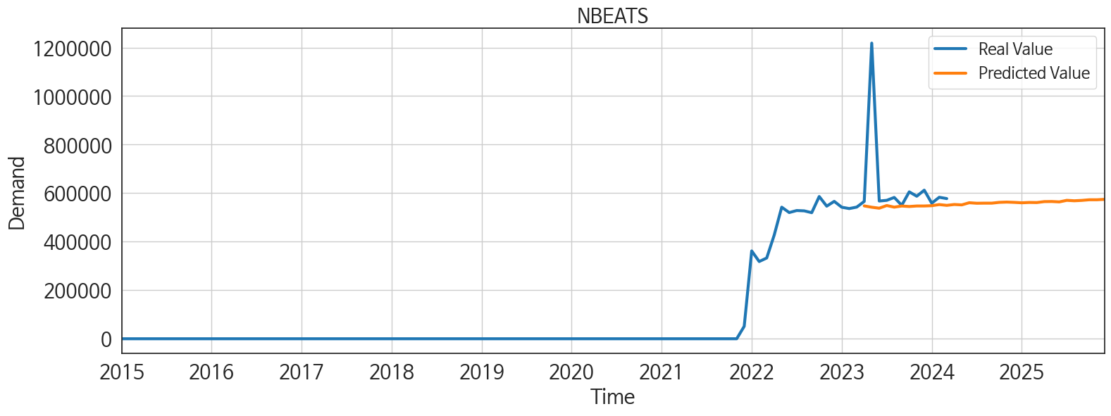
ds | unique_id | y | NBEATS | NHITS | RNN | LightGBM | RandomForest | CatBoost | XGBoost | TCN | GRU | LSTM | DilatedRNN | MLP
2023-04-01 | 1 | 565822 | 547445.75 | 1135930.75 | 214469.39062 | 2340.0126106 | 0 | -195.98486123 | -1.4321562048E-05 | 289963.1875 | 320982.5625 | 292496.375 | 358760.03125 | 283409.1875
2023-05-01 | 1 | 1218256 | 541959.25 | 1254123.5 | 209729.76562 | 7014.2719268 | 0 | 47.415768896 | -1.4321562048E-05 | 397687.78125 | 310197.625 | 371566.65625 | 422463.375 | 539181.5625
2023-06-01 | 1 | 567550 | 538011.375 | 1359680.25 | 124819.29688 | 11122.019825 | 0 | 48.714684433 | -1.4321562048E-05 | 358802.21875 | 264137.34375 | 282896.75 | 409332.96875 | 143989.75
2023-07-01 | 1 | 570404 | 548922.8125 | 1329935.75 | 118238.375 | 11864.668138 | 0 | 184.40201542 | -1.4321562048E-05 | 369698.75 | 214128.95312 | 206484.79688 | 324921.84375 | 254788.23438
2023-08-01 | 1 | 582320 | 542314.125 | 1056778.625 | 42445.773438 | 6448.7218082 | 0 | 7.9059515299 | -1.4321562048E-05 | 327960.5625 | 185319.46875 | 150923.26562 | 373154.9375 | 323706.25
2023-09-01 | 1 | 549980 | 546989 | 902040.4375 | 35589.105469 | 2849.8666821 | 0 | 389.9059244 | -1.4321562048E-05 | 308118.5625 | 99380.296875 | 79453.289062 | 316690.03125 | 882665.875
2023-10-01 | 1 | 605377 | 544951.25 | 585156.125 | 25659.080078 | 12760.956941 | 0 | -520.55066487 | -1.4321562048E-05 | 265792.78125 | 90008.539062 | 84325.203125 | 279190.40625 | 393952.8125
2023-11-01 | 1 | 587287 | 547077.875 | 777152.5 | 3300.6958008 | 7360.8869837 | 0 | -88.63639155 | -1.4321562048E-05 | 266924.3125 | 16214.104492 | 12693.651367 | 229932.45312 | -949794.5
2023-12-01 | 1 | 612267 | 547111.0625 | 1070173.5 | 2186.3669434 | 746.22592765 | 0 | -17.893137697 | -1.4321562048E-05 | 237038.84375 | 27997.191406 | 40532.496094 | 237994.625 | 585796.5
2024-01-01 | 1 | 558618 | 548290.5 | 1370150.875 | 9408.5263672 | 6448.7218082 | 0 | 7.9059515299 | -1.4321562048E-05 | 322913.75 | 40892.578125 | 58842.296875 | 343483.625 | 1456018.625
2024-02-01 | 1 | 583061 | 552961.75 | 1145578.125 | -1915.104126 | 5455.8814507 | 0 | 1786.7161822 | -1.4321562048E-05 | 275364.59375 | 11718.644531 | 28156.103516 | 232318.75 | 1029108.25
2024-03-01 | 1 | 577560 | 549669.4375 | 794601.1875 | 4308.0737305 | 746.22592765 | 0 | -17.893137697 | -1.4321562048E-05 | 393032.71875 | 15751.374023 | 51235.382812 | 237121.42188 | 1182082.25
2024-04-01 | 1 | 0 | 553265.4375 | 972716.375 | 1072.8486328 | 7424.6555557 | 0 | -18.19213248 | -1.4321562048E-05 | 654716.375 | 54537.957031 | 106414.20312 | 190595.65625 | -836382.875
2024-05-01 | 1 | 0 | 551639.8125 | 1034911 | 17255.308594 | 12760.956941 | 0 | 186.56451933 | -1.4321562048E-05 | 831798.3125 | 192645.89062 | 188891.21875 | 290310.3125 | 832822.9375
2024-06-01 | 1 | 0 | 560512 | 846776.8125 | -6845.7006836 | 1722.1596752 | 0 | -11.827512784 | -1.4321562048E-05 | 572182.5 | 58747.519531 | -980.06939697 | 37291.125 | 1161565.25
2024-07-01 | 1 | 0 | 558366.25 | 1055974.625 | 3828.3598633 | 6384.9532362 | 0 | 706.96246976 | -1.4321562048E-05 | -11403.439453 | -2169.9306641 | -5412.2329102 | 5677.5195312 | 99619.765625
2024-08-01 | 1 | 0 | 558767.875 | 1314921.25 | 5789.7070312 | 11246.815203 | 0 | 99.373843887 | -1.4321562048E-05 | 71172.171875 | -967.42047119 | -5724.7319336 | 12919.431641 | 1248801.625
2024-09-01 | 1 | 0 | 558735.75 | 1814115 | -3566.2241211 | 11202.566465 | 0 | -280.09149411 | -1.4321562048E-05 | -2394.404541 | 9426.6269531 | 5080.4150391 | 2020.7148438 | 1145629.625
2024-10-01 | 1 | 0 | 562099.25 | 2196386.25 | 1490.7769775 | 7014.2719268 | 0 | 15.072811331 | -1.4321562048E-05 | 18535.650391 | -3875.1633301 | -8003.9467773 | 7984.5888672 | -236584.42188
2024-11-01 | 1 | 0 | 563202.5 | 2042003.75 | -294.04864502 | 2340.0126106 | 0 | -195.98486123 | -1.4321562048E-05 | -2308.3171387 | 1208.9356689 | 1078.725708 | 7909.7709961 | 315739.71875
2024-12-01 | 1 | 0 | 562012.3125 | 1833051.5 | 4110.671875 | 12195.406823 | 0 | -88.056830434 | -1.4321562048E-05 | 18239.919922 | -2614.3874512 | 3545.2727051 | 13393.712891 | -242786.6875
2025-01-01 | 1 | 0 | 560284.625 | 1702728.875 | 1004.8384399 | 12760.956941 | 0 | 324.87878538 | -1.4321562048E-05 | 23212.09375 | 2874.8798828 | -7496.2822266 | -12758.762695 | 1049567.75
2025-02-01 | 1 | 0 | 561698.8125 | 1560330.125 | 15998.132812 | 4168.8856565 | 0 | 552.23515925 | -1.4321562048E-05 | 16239.601562 | 12038.734375 | 4265.1572266 | -892.96710205 | 443063.375
2025-03-01 | 1 | 0 | 561246.625 | 1365523.625 | 14691.001953 | 12859.525689 | 0 | -237.92213338 | -1.4321562048E-05 | 61532.136719 | 39050.914062 | 44466.695312 | -529.55908203 | -1101730
2025-04-01 | 1 | 0 | 565118.5625 | 1026237.5 | -5349.2661133 | 7360.8869837 | 0 | -88.63639155 | -1.4321562048E-05 | 821.98675537 | -94.383178711 | 351.37820435 | 4613.0161133 | 2515015.5
2025-05-01 | 1 | 0 | 565561.5625 | 796899.125 | 21343.878906 | 12859.525689 | 0 | -200.5260141 | -1.4321562048E-05 | 35856.195312 | 19821.816406 | 33431.324219 | -8578.5517578 | 205175.40625
2025-06-01 | 1 | 0 | 563952.5625 | 712014 | 5656.1977539 | 11122.019825 | 0 | 48.714684433 | -1.4321562048E-05 | 90727.46875 | 1574.0501709 | 8294.3007812 | -7752.9916992 | 1557312.125
2025-07-01 | 1 | 0 | 570359.5625 | 879910.3125 | 2940.4641113 | 6384.9532362 | 0 | 706.96246976 | -1.4321562048E-05 | 20545.207031 | 6082.2695312 | -2685.885498 | -869.11065674 | 1213364.25
2025-08-01 | 1 | 0 | 568557.75 | 823072.4375 | 3094.6682129 | 746.22592765 | 0 | -17.893137697 | -1.4321562048E-05 | 93481.546875 | 6987.4643555 | -4125.5820312 | 1657.6601562 | 1250958.375
2025-09-01 | 1 | 0 | 570113.625 | 638544.625 | 3102.7712402 | 7360.8869837 | 0 | -88.63639155 | -1.4321562048E-05 | 56448.722656 | -478.06851196 | -2528.3317871 | -261.01602173 | 123781.64844
2025-10-01 | 1 | 0 | 572738.6875 | 736962.375 | 2920.8840332 | 12760.956941 | 0 | 324.87878538 | -1.4321562048E-05 | 28170.201172 | -5982.2578125 | -974.87408447 | -2131.5930176 | 121240.13281
2025-11-01 | 1 | 0 | 572729.4375 | 1046616.5 | 2533.097168 | 2340.0126106 | 0 | -195.98486123 | -1.4321562048E-05 | 100516.625 | -2806.1481934 | 59.219390869 | -1417.9185791 | 992205.5625
2025-12-01 | 1 | 0 | 574375.3125 | 1192187.625 | 2766.5229492 | 6448.7218082 | 0 | 7.9059515299 | -1.4321562048E-05 | 39554.070312 | -6036.121582 | -2735.03125 | -116.44577789 | 1782189.75

Performance_주말
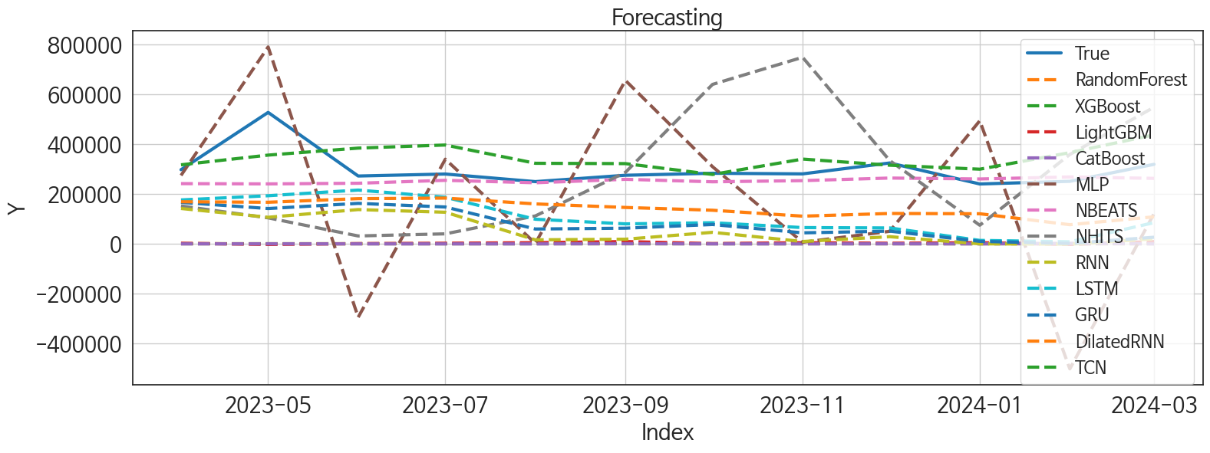
 | MSE | RMSE | MSPE | MAE | MAPE | MedAE | MedAPE
NBEATS | 8055513477.5 | 89752.512375 | 0.037976447367 | 52821.335938 | 0.14491947962 | 28094.414062 | 0.10160079388
TCN | 8162607399 | 90347.149369 | 0.085151097856 | 75522.820312 | 0.25121767344 | 66518.5625 | 0.27075398751
DilatedRNN | 30814221429 | 175539.80013 | 0.28522264584 | 160037.33594 | 0.51846717509 | 138837.9375 | 0.51027081868
LSTM | 43185860873 | 207812.08067 | 0.47248308036 | 194151.71615 | 0.65043573669 | 207060.34766 | 0.70441898251
NHITS | 64412858151 | 253796.88365 | 0.68604356906 | 211303.99935 | 0.70099220798 | 197517.03906 | 0.70357865032
GRU | 54263163764 | 232944.55084 | 0.58145902586 | 220861.2588 | 0.73807095021 | 221402.23047 | 0.76616415848
RNN | 65992225247 | 256889.51953 | 0.71194093351 | 245934.62586 | 0.82354325178 | 246327.2869 | 0.92134964794
MLP | 1.1855352413E+11 | 344316.02363 | 1.6404010777 | 276710.08212 | 0.98578696402 | 258346.95312 | 0.91063921413
LightGBM | 93787480923 | 306247.41782 | 0.97691656926 | 297119.61945 | 0.98831323349 | 277013.17892 | 0.99139227128
CatBoost | 95350756875 | 308789.17869 | 0.99791051412 | 300052.68464 | 0.99895191973 | 280715.13102 | 0.99994686976
XGBoost | 95507560761 | 309042.97559 | 0.99999999988 | 300335.08332 | 0.99999999994 | 280708.49998 | 0.99999999994
RandomForest | 95507560771 | 309042.97561 | 1 | 300335.08333 | 1 | 280708.5 | 1

Forecasting_주말
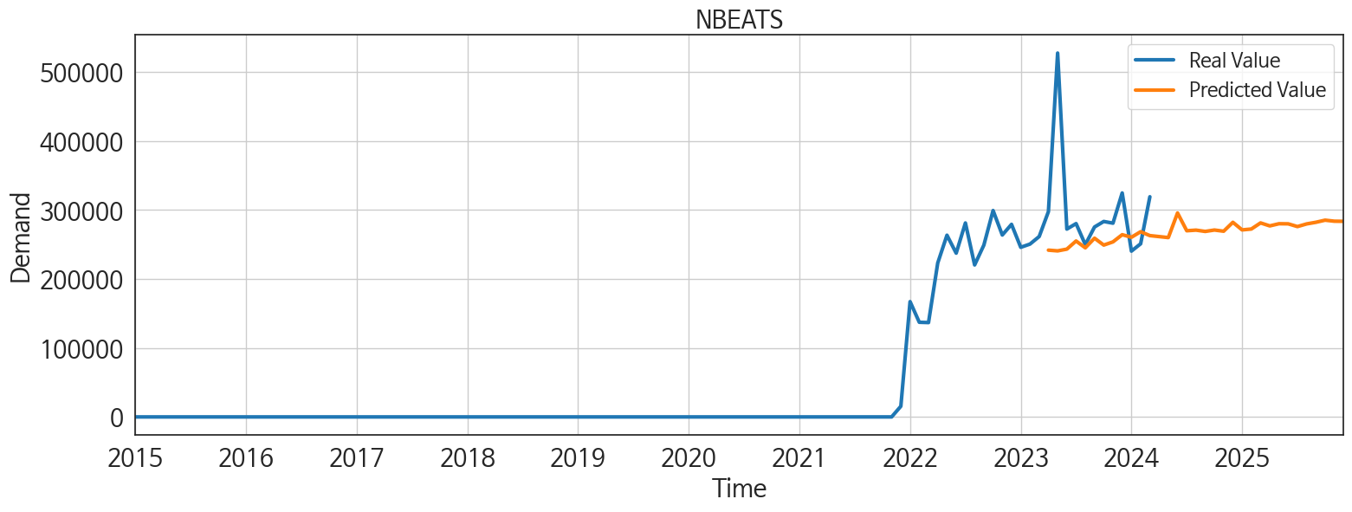
ds | unique_id | y | NBEATS | NHITS | RNN | LightGBM | RandomForest | CatBoost | XGBoost | TCN | GRU | LSTM | DilatedRNN | MLP
2023-04-01 | 1 | 297771 | 241886.85938 | 152315.51562 | 142054.76562 | 2486.1324756 | 0 | -27.317262204 | 1.675988824E-05 | 317446.96875 | 166606.01562 | 176428.98438 | 169124.04688 | 274802.84375
2023-05-01 | 1 | 527740 | 240830.92188 | 104485.83594 | 106785.8125 | -2227.8297012 | 0 | 198.28377622 | 1.675988824E-05 | 356345.1875 | 141846.25 | 193295.51562 | 167121.57812 | 790520.5625
2023-06-01 | 1 | 272448 | 243385.20312 | 31823.171875 | 137767.25 | 999.29777547 | 0 | 2.1329109584 | 1.675988824E-05 | 384514.65625 | 162661.57812 | 215988.20312 | 181613.10938 | -294508.5
2023-07-01 | 1 | 280402 | 255144.29688 | 40308.96875 | 127019.04688 | 2486.1324756 | 0 | -27.317262204 | 1.675988824E-05 | 396882.78125 | 148097.85938 | 187077.35938 | 183886.0625 | 339991.5
2023-08-01 | 1 | 249895 | 245267.82812 | 112199.46875 | 16247.276367 | 4904.5096889 | 0 | 14.055229291 | 1.675988824E-05 | 323541.96875 | 59687.929688 | 98940.070312 | 160461.54688 | 2011.5980225
2023-09-01 | 1 | 275474 | 259205.78125 | 287010.75 | 18805.021484 | 9435.35196 | 0 | 856.79278958 | 1.675988824E-05 | 322208.34375 | 63033.863281 | 80317.101562 | 146237.95312 | 656181.5
2023-10-01 | 1 | 283487 | 249237.625 | 640250 | 46396.988281 | 999.29777547 | 0 | 2.1329109584 | 1.675988824E-05 | 278676.3125 | 77767.921875 | 84933.382812 | 135047.17188 | 309792.3125
2023-11-01 | 1 | 281015 | 253888.96875 | 748981.4375 | 9496.546875 | 4904.5096889 | 0 | 14.055229291 | 1.675988824E-05 | 340405.15625 | 44330.054688 | 65447.921875 | 111298.78125 | 6657.4516602
2023-12-01 | 1 | 324842 | 264304.25 | 334378.96875 | 28922.785156 | 2486.1324756 | 0 | 274.41446797 | 1.675988824E-05 | 315754.28125 | 51084.984375 | 63962.820312 | 122113.125 | 50360.527344
2024-01-01 | 1 | 240495 | 260594.35938 | 74827.609375 | 266.39154053 | 4904.5096889 | 0 | 14.055229291 | 1.675988824E-05 | 299848.28125 | 10130.675781 | 13983.844727 | 120988.14062 | 494408.34375
2024-02-01 | 1 | 251132 | 268629.65625 | 358819.71875 | -1293.965332 | -2227.8297012 | 0 | 2094.1052799 | 1.675988824E-05 | 366292.4375 | 1722.1072998 | 8458.3583984 | 76985.695312 | -501745.65625
2024-03-01 | 1 | 319320 | 262983.25 | 548686.6875 | 20337.570312 | 9435.35196 | 0 | -26.608936014 | 1.675988824E-05 | 437792.03125 | 26716.654297 | 85366.84375 | 108695.75781 | 121619.96875
2024-04-01 | 1 | 0 | 261533.51562 | 469129.90625 | 10200.413086 | 4904.5096889 | 0 | 14.055229291 | 1.675988824E-05 | 702323.3125 | 30145.0625 | 95399.351562 | 110116.48438 | 216991.9375
2024-05-01 | 1 | 0 | 260116.125 | 390577.6875 | -1655.7567139 | 7733.383746 | 0 | -134.12277466 | 1.675988824E-05 | 685834.3125 | 30505.902344 | 62979.691406 | 79097.28125 | -173267.25
2024-06-01 | 1 | 0 | 295795.96875 | 334621.71875 | 663.15802002 | 2486.1324756 | 0 | -27.317262204 | 1.675988824E-05 | 204515.54688 | -373.8508606 | 8200.6953125 | -1577.5931396 | -19894.193359
2024-07-01 | 1 | 0 | 270018.3125 | 472592.75 | -653.22857666 | 4904.5096889 | 0 | 14.055229291 | 1.675988824E-05 | 21591.681641 | 2196.0463867 | 532.62017822 | 1233.5314941 | -12445.244141
2024-08-01 | 1 | 0 | 270940.875 | 629728.5 | 7536.2836914 | 2486.1324756 | 0 | -27.317262204 | 1.675988824E-05 | 37846.535156 | -3165.776123 | 34656.785156 | 14913.322266 | 827366.1875
2024-09-01 | 1 | 0 | 269025.375 | 786864.75 | 1017.3388672 | 999.29777547 | 0 | 2.1329109584 | 1.675988824E-05 | 8374.0214844 | 1269.5084229 | 12662.185547 | 1626.7111816 | -240316.03125
2024-10-01 | 1 | 0 | 271081.125 | 928090.25 | -397.0690918 | 4904.5096889 | 0 | 14.055229291 | 1.675988824E-05 | 24978.066406 | -282.29058838 | 5962.1982422 | -1304.0233154 | -623417.25
2024-11-01 | 1 | 0 | 269341 | 928514.0625 | -235.54866028 | 2486.1324756 | 0 | -27.317262204 | 1.675988824E-05 | -4782.7626953 | -2592.7993164 | 13807.181641 | 3389.9394531 | -441617.3125
2024-12-01 | 1 | 0 | 282276.09375 | 913621.8125 | 2157.4077148 | 999.29777547 | 0 | 2.1329109584 | 1.675988824E-05 | 21060.039062 | 1618.1949463 | 21258.027344 | 3022.8051758 | -964313.25
2025-01-01 | 1 | 0 | 271262.84375 | 898112.5625 | 1842.0413818 | 999.29777547 | 0 | 2.1329109584 | 1.675988824E-05 | 46006.441406 | 392.7244873 | 21625.994141 | 1973.2663574 | -741227.8125
2025-02-01 | 1 | 0 | 272525.59375 | 970815.25 | 6438.1723633 | 4904.5096889 | 0 | 14.055229291 | 1.675988824E-05 | 1533.4558105 | 6388.6381836 | 24647.707031 | 5045.0830078 | 604000.375
2025-03-01 | 1 | 0 | 281394.75 | 1001846.875 | 780.80090332 | 9435.35196 | 0 | -137.79841203 | 1.675988824E-05 | 47172.339844 | 7448.7480469 | 18929.724609 | 1188.0964355 | -230302.01562
2025-04-01 | 1 | 0 | 277069.71875 | 858416.625 | -1172.9138184 | 4904.5096889 | 0 | 14.055229291 | 1.675988824E-05 | 4866.7045898 | -185.00906372 | 19988.150391 | -980.62365723 | 979497.125
2025-05-01 | 1 | 0 | 280205.03125 | 669885.0625 | 5682.0209961 | 2486.1324756 | 0 | -27.317262204 | 1.675988824E-05 | 95777.085938 | 10223.40625 | 28261.814453 | 1839.8037109 | -161884.3125
2025-06-01 | 1 | 0 | 280058.90625 | 738608.125 | 3311.6252441 | 7733.383746 | 0 | -134.12277466 | 1.675988824E-05 | 172612.17188 | 13277.102539 | 26104.101562 | -374.90570068 | 322304.5
2025-07-01 | 1 | 0 | 276079.65625 | 950089.25 | 139.52119446 | 4904.5096889 | 0 | 14.055229291 | 1.675988824E-05 | 80114.992188 | -7793.1899414 | -268.80737305 | 5092.7788086 | 643071.625
2025-08-01 | 1 | 0 | 279958.46875 | 983335.625 | 225.20436096 | 9435.35196 | 0 | -26.608936014 | 1.675988824E-05 | 191542.34375 | 6531.5742188 | 27328.273438 | -2123.784668 | 601832.125
2025-09-01 | 1 | 0 | 282300.21875 | 913199.75 | -2046.2070312 | 4904.5096889 | 0 | 14.055229291 | 1.675988824E-05 | 118768.60938 | -3160.0837402 | 33395.054688 | 4719.3740234 | 333344.40625
2025-10-01 | 1 | 0 | 285367.8125 | 853732.125 | 528.19586182 | 7733.383746 | 0 | -272.0042962 | 1.675988824E-05 | 106051.46094 | -2166.1491699 | 4443.1098633 | -1185.6156006 | 979184.9375
2025-11-01 | 1 | 0 | 283862.28125 | 800828 | 1663.2554932 | 2486.1324756 | 0 | -27.317262204 | 1.675988824E-05 | 124933.67969 | 7371.2851562 | 33147.035156 | 3203.0854492 | 470350.6875
2025-12-01 | 1 | 0 | 283708.90625 | 775761.375 | -1003.7478638 | 4904.5096889 | 0 | 14.055229291 | 1.675988824E-05 | 43052.078125 | -9892.1425781 | 27157.277344 | 5507.1943359 | -366142

Performance_주중
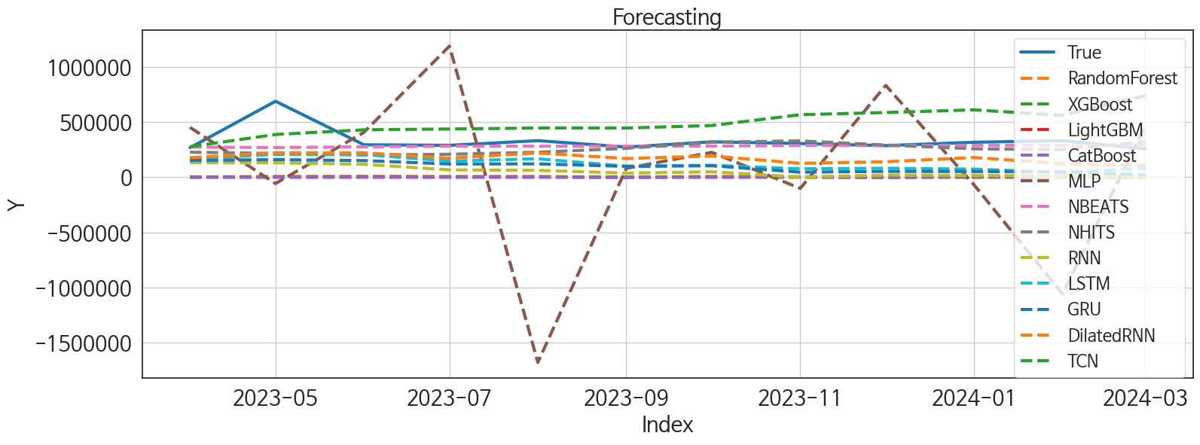
 | MSE | RMSE | MSPE | MAE | MAPE | MedAE | MedAPE
NBEATS | 15459628606 | 124336.75485 | 0.038203483312 | 55987.838542 | 0.1186854009 | 23833.890625 | 0.077202661797
NHITS | 22307844283 | 149358.10752 | 0.078123408959 | 87052.571615 | 0.21535812138 | 62265.34375 | 0.21647893632
DilatedRNN | 35535954090 | 188509.82492 | 0.22996530974 | 160050.28971 | 0.46157351945 | 133677.89844 | 0.41882724562
TCN | 60712545858 | 246399.15961 | 0.67098883255 | 216819.625 | 0.68923088614 | 201736.79688 | 0.57006048225
LSTM | 53604648923 | 231526.77798 | 0.41197384413 | 209479.32259 | 0.62137435857 | 191916.17188 | 0.67678024926
GRU | 66313881838 | 257514.81868 | 0.52217760678 | 236842.1416 | 0.70707726875 | 225806.82812 | 0.72178184999
RNN | 86692148860 | 294435.30505 | 0.72242565337 | 277256.93104 | 0.83714987713 | 268759.61523 | 0.85516289462
LightGBM | 1.1955552077E+11 | 345768.01583 | 0.98010464819 | 327830.02948 | 0.98996497726 | 296025.25407 | 0.98708794876
XGBoost | 1.2198381599E+11 | 349261.81583 | 0.99999999153 | 331206.74868 | 0.99999999577 | 300686.99868 | 0.99999999562
RandomForest | 1.2198381687E+11 | 349261.81708 | 1 | 331206.75 | 1 | 300687 | 1
CatBoost | 1.2204058894E+11 | 349343.08199 | 1.0005787334 | 331297.10314 | 1.0002891866 | 300694.64211 | 1.0000015607
MLP | 6.7660568792E+11 | 822560.44636 | 6.1562100306 | 599443.27116 | 1.8149314122 | 397956.17188 | 1.1517293722

Forecasting_주중
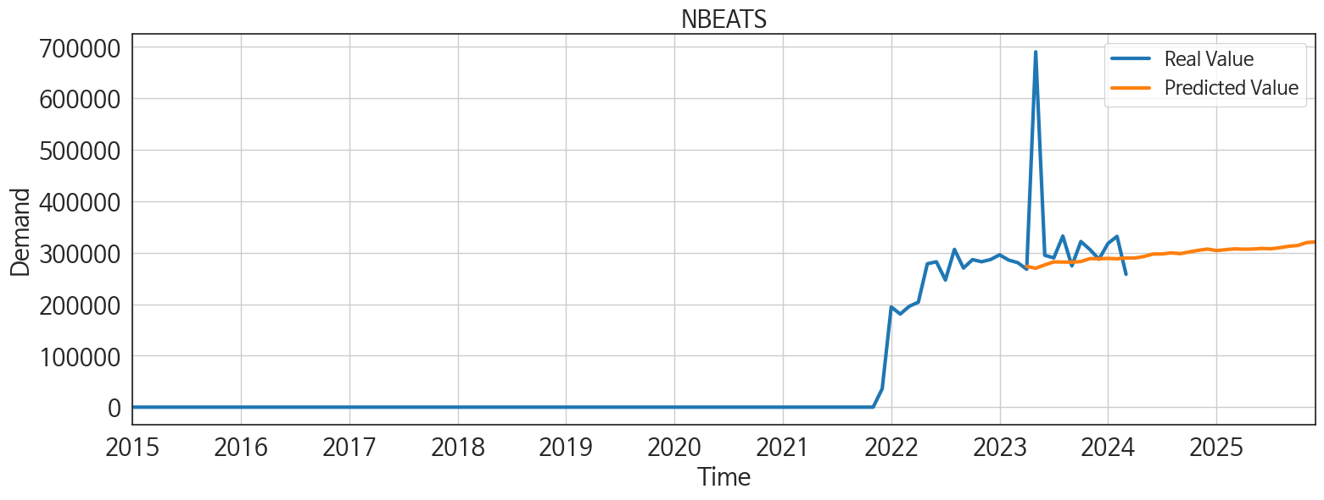
ds | unique_id | y | NBEATS | NHITS | RNN | LightGBM | RandomForest | CatBoost | XGBoost | TCN | GRU | LSTM | DilatedRNN | MLP
2023-04-01 | 1 | 268051 | 273565.71875 | 227479.23438 | 131782.76562 | 1031.8708043 | 0 | 34.177033787 | 0.0013180021197 | 277491 | 152720.57812 | 164846.67188 | 177580.40625 | 453427.6875
2023-05-01 | 1 | 690516 | 269914.75 | 216481.42188 | 131484.79688 | 5206.7128254 | 0 | -0.50742083525 | 0.0013180021197 | 388679.4375 | 160077.57812 | 208273.28125 | 222505.40625 | -56997.542969
2023-06-01 | 1 | 295102 | 276487.75 | 202422.84375 | 117901.82812 | 6211.3754427 | 0 | -20.951613916 | 0.0013180021197 | 431066.6875 | 151389.28125 | 206821.73438 | 222152.96875 | 408191.46875
2023-07-01 | 1 | 290002 | 282261.625 | 208791.75 | 67224.835938 | 4913.0246988 | 0 | -40.672961932 | 0.0013180021197 | 438260.25 | 120561.38281 | 146681.85938 | 173580.85938 | 1191230.625
2023-08-01 | 1 | 332425 | 281937.78125 | 227347.20312 | 62880.78125 | 5206.7128254 | 0 | -0.50742083525 | 0.0013180021197 | 447449 | 121622.70312 | 167973.20312 | 221013.35938 | -1681489.625
2023-09-01 | 1 | 274506 | 281716.875 | 262424.125 | 37291.199219 | -1408.9193391 | 0 | -305.42682183 | 0.0013180021197 | 447139.84375 | 99008.5 | 100174.9375 | 169835.375 | 80918.960938
2023-10-01 | 1 | 321890 | 282932.875 | 318214.21875 | 49514.992188 | 5206.7128254 | 0 | -454.73502053 | 0.0013180021197 | 470146.65625 | 104489.73438 | 108416.51562 | 193301.0625 | 226511.70312
2023-11-01 | 1 | 306272 | 288702.25 | 330575.34375 | 1646.8878174 | 3112.1164138 | 0 | 5.6673954286 | 0.0013180021197 | 568255.3125 | 46164.699219 | 77062.320312 | 126312.92969 | -101239.09375
2023-12-01 | 1 | 287425 | 288293.71875 | 292833.59375 | 19449.988281 | -1408.9193391 | 0 | 2.060334695 | 0.0013180021197 | 588127.8125 | 53211.609375 | 81874.53125 | 140772.14062 | 834309.75
2024-01-01 | 1 | 318123 | 289069.46875 | 258074.75 | 16973.599609 | 5206.7128254 | 0 | -0.50742083525 | 0.0013180021197 | 612367.875 | 51890.304688 | 74067.257812 | 179356.14062 | -70278.25
2024-02-01 | 1 | 331929 | 288357 | 250871.96875 | 9268.5439453 | 6211.3754427 | 0 | -337.01074591 | 0.0013180021197 | 562768.75 | 47954.226562 | 44578.691406 | 123113.70312 | -1060741.25
2024-03-01 | 1 | 258240 | 289904.25 | 322722.4375 | 1977.6086426 | 1031.8708043 | 0 | 34.177033787 | 0.0013180021197 | 740890.75 | 23284.703125 | 79958.125 | 104353.17188 | 466003.625
2024-04-01 | 1 | 0 | 289813.71875 | 425943.90625 | 890.40063477 | 5206.7128254 | 0 | -10.865759714 | 0.0013180021197 | 1048069.9375 | 38385.027344 | 100312.82812 | 97735.945312 | -472489.59375
2024-05-01 | 1 | 0 | 292790.375 | 525333.9375 | 8121.4472656 | 5206.7128254 | 0 | -362.58604289 | 0.0013180021197 | 1123457.25 | 120735.09375 | 122788.69531 | 158729.39062 | 386355.5625
2024-06-01 | 1 | 0 | 297582.28125 | 582200.5 | 416.00335693 | -1408.9193391 | 0 | 2.060334695 | 0.0013180021197 | 745689.125 | 28570.417969 | -1050.2915039 | 27921.917969 | -760544.4375
2024-07-01 | 1 | 0 | 297696.375 | 558550.875 | 278.76834106 | 3112.1164138 | 0 | 257.7290455 | 0.0013180021197 | 57098.25 | -181.26693726 | -96.877845764 | 2102.0373535 | 336838.21875
2024-08-01 | 1 | 0 | 299861.625 | 589170.75 | 4683.8544922 | 6211.3754427 | 0 | -20.951613916 | 0.0013180021197 | 132343.35938 | -933.45751953 | 23098.128906 | 35340.328125 | 1783465.25
2024-09-01 | 1 | 0 | 298261.8125 | 619790.75 | 3265.9160156 | 6211.3754427 | 0 | -106.53807207 | 0.0013180021197 | 37785.316406 | 12431.655273 | 9490.2919922 | 19705.576172 | -44781.496094
2024-10-01 | 1 | 0 | 301662.5625 | 597728.4375 | -305.76123047 | 5206.7128254 | 0 | 7.243058215 | 0.0013180021197 | 6471.2875977 | 2396.512207 | -834.26800537 | 11145.349609 | -27120.355469
2024-11-01 | 1 | 0 | 304752.65625 | 686217.125 | 1584.645752 | 1031.8708043 | 0 | 34.177033787 | 0.0013180021197 | 16935.568359 | 3671.9973145 | -990.10101318 | -9286.4951172 | -347560.5625
2024-12-01 | 1 | 0 | 307189.4375 | 748141.0625 | 20181.621094 | 5206.7128254 | 0 | -10.865759714 | 0.0013180021197 | 15109.188477 | 11285.253906 | 50483.648438 | 20410.460938 | -969867.0625
2025-01-01 | 1 | 0 | 304304.5 | 806542.6875 | 16340.549805 | 5206.7128254 | 0 | 167.89534814 | 0.0013180021197 | 64653.578125 | 4969.8354492 | 24191.619141 | 10342.204102 | -41171.582031
2025-02-01 | 1 | 0 | 305909.96875 | 948058.5 | 6878.8994141 | 1031.8708043 | 0 | 34.177033787 | 0.0013180021197 | 19106.859375 | 1217.2241211 | 14671.913086 | -1299.3791504 | 392600.125
2025-03-01 | 1 | 0 | 307575.90625 | 995831.8125 | -1440.4770508 | 6211.3754427 | 0 | -20.951613916 | 0.0013180021197 | 36019.917969 | 9804.2724609 | 7898.1665039 | 5807.6225586 | -366666.71875
2025-04-01 | 1 | 0 | 306960.875 | 905683.5625 | 881.40545654 | 3112.1164138 | 0 | 5.6673954286 | 0.0013180021197 | 29624.464844 | 5446.3745117 | 1104.5673828 | -1272.9105225 | -877053.0625
2025-05-01 | 1 | 0 | 307245.15625 | 783969.125 | 52882.019531 | 6211.3754427 | 0 | 364.48614239 | 0.0013180021197 | 27910.34375 | 44927.988281 | 63688.980469 | 4088.421875 | 218289.09375
2025-06-01 | 1 | 0 | 308418.40625 | 781539.5 | 3677.4179688 | 4913.0246988 | 0 | -40.672961932 | 0.0013180021197 | 11141.152344 | 1380.1259766 | 217.83712769 | -3644.8891602 | -497736.375
2025-07-01 | 1 | 0 | 307738.0625 | 758807.6875 | 1399.045166 | 3112.1164138 | 0 | 257.7290455 | 0.0013180021197 | 45828.371094 | 659.37445068 | 5050.0966797 | -5949.9047852 | -1202961.875
2025-08-01 | 1 | 0 | 309752.8125 | 688134.375 | 2023.1524658 | 1031.8708043 | 0 | 34.177033787 | 0.0013180021197 | 50041.242188 | -2829.0864258 | 6772.6821289 | 2561.0810547 | -576465
2025-09-01 | 1 | 0 | 312617.8125 | 608296.0625 | 5263.7280273 | 3112.1164138 | 0 | 5.6673954286 | 0.0013180021197 | 90205.195312 | 3090.9978027 | 22352.628906 | 3363.184082 | 483968.15625
2025-10-01 | 1 | 0 | 314122.03125 | 480082.90625 | -2501.7397461 | 5206.7128254 | 0 | 116.96386153 | 0.0013180021197 | 90954.492188 | 772.50512695 | -1133.1334229 | -6527.4428711 | -1071837
2025-11-01 | 1 | 0 | 319834.9375 | 387829.71875 | 4092.2866211 | 1031.8708043 | 0 | 34.177033787 | 0.0013180021197 | 91198.132812 | -2536.5490723 | 7820.9189453 | -1783.1966553 | -1407775.625
2025-12-01 | 1 | 0 | 321097.375 | 369763.71875 | 1586.3953857 | 5206.7128254 | 0 | -0.50742083525 | 0.0013180021197 | 103081.71875 | 174.2102356 | 16045.049805 | 3249.4702148 | 802233.6875

