Performance_전체
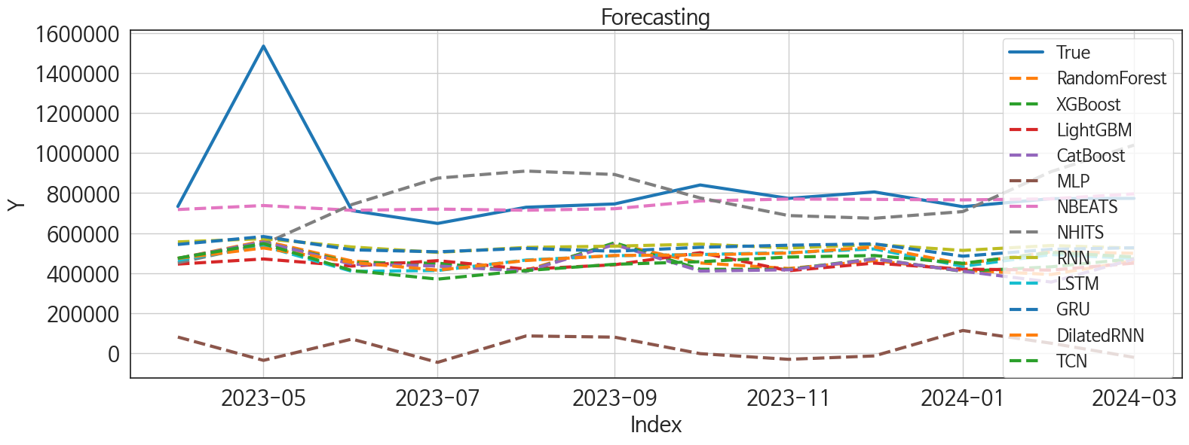
 | MSE | RMSE | MSPE | MAE | MAPE | MedAE | MedAPE
NBEATS | 54236011274 | 232886.26253 | 0.02482377155 | 91871.479167 | 0.077317052638 | 23287.03125 | 0.03067446102
NHITS | 1.0711048435E+11 | 327277.38135 | 0.081938085836 | 213833.48958 | 0.23097023604 | 141325.8125 | 0.18636200174
RNN | 1.233266797E+11 | 351178.98528 | 0.1116833503 | 282247.54948 | 0.31898070463 | 226552.28125 | 0.30107191966
GRU | 1.2541756205E+11 | 354143.42017 | 0.11765048852 | 289601.42448 | 0.32939291787 | 241746.375 | 0.3181367114
DilatedRNN | 1.5376641505E+11 | 392130.60968 | 0.15694286102 | 334159.44271 | 0.38716667634 | 269954.45312 | 0.35763875284
LSTM | 1.5741105264E+11 | 396750.61769 | 0.16590104807 | 342777.34115 | 0.39937786932 | 282284.26562 | 0.36549770977
TCN | 1.6443443609E+11 | 405505.16161 | 0.18107713069 | 356848.3099 | 0.41895572388 | 296486.17188 | 0.39947894617
XGBoost | 1.6719050748E+11 | 408889.35849 | 0.18329403382 | 357740.90104 | 0.41788685917 | 322197.21875 | 0.42700038778
RandomForest | 1.6659933874E+11 | 408165.82261 | 0.18442384251 | 358845.76931 | 0.42011885364 | 316373.49278 | 0.42901777238
LightGBM | 1.8477471728E+11 | 429854.29773 | 0.19678464805 | 373204.60272 | 0.4344301457 | 318070.55618 | 0.42130592296
CatBoost | 1.735590998E+11 | 416604.24842 | 0.19469272067 | 367440.61422 | 0.43085518324 | 321205.25792 | 0.42734432112
MLP | 6.8470529217E+11 | 827469.2092 | 0.9287611792 | 789614.35303 | 0.96090466574 | 708775.2793 | 0.96955587044

Forecasting_전체
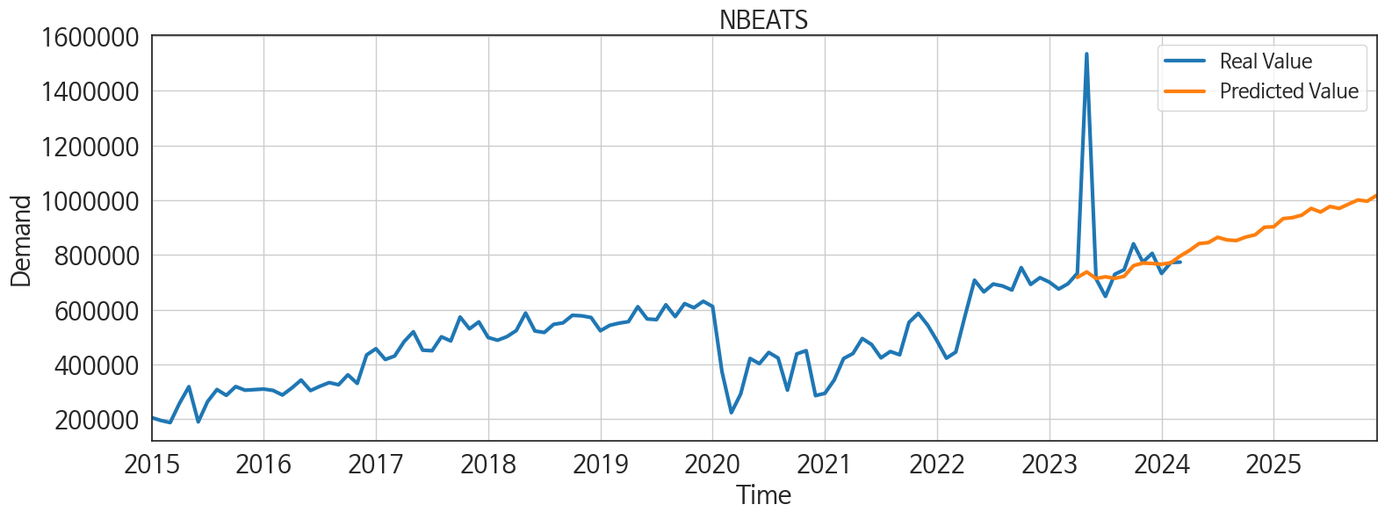
ds | unique_id | y | NBEATS | NHITS | RNN | LightGBM | RandomForest | CatBoost | XGBoost | TCN | GRU | LSTM | DilatedRNN | MLP
2023-04-01 | 1 | 733238 | 717939.5 | 451810.625 | 556118.5 | 445197.1416 | 473191.3829 | 473041.25225 | 472336.53125 | 474823.625 | 543399.5625 | 463552.15625 | 473460.71875 | 80429.59375
2023-05-01 | 1 | 1534990 | 737984.625 | 544725.125 | 572262.25 | 470728.63237 | 560820.01667 | 555771.96945 | 553533.125 | 547412 | 582959.125 | 535634 | 525865.25 | -36207.023438
2023-06-01 | 1 | 712496 | 714080.375 | 742942.1875 | 530643.0625 | 435330.52239 | 460553.22286 | 444511.88185 | 451951.65625 | 412909.84375 | 516507.28125 | 408812.8125 | 453785.34375 | 70371.648438
2023-07-01 | 1 | 648470 | 720170.75 | 874992.25 | 503661.96875 | 462359.02546 | 434752.42933 | 435807.81716 | 449916.3125 | 370006.4375 | 506664.03125 | 412949.46875 | 414691.9375 | -46184.332031
2023-08-01 | 1 | 729354 | 714426.8125 | 910337.25 | 528699.4375 | 419837.14497 | 414486.00722 | 409654.24208 | 408662.28125 | 412829.78125 | 523662.09375 | 465411 | 463071.59375 | 85956.703125
2023-09-01 | 1 | 745932 | 721942.5625 | 893189.125 | 534942.125 | 441803.55016 | 546895.3955 | 542734.11376 | 551735.625 | 444126.0625 | 509332.5 | 487049.09375 | 488112.90625 | 79901.953125
2023-10-01 | 1 | 840753 | 760817.8125 | 775828.0625 | 545104.8125 | 502464.42693 | 450907.06404 | 410186.46503 | 419192.78125 | 457081.90625 | 529063 | 492949.28125 | 491382.625 | -2603.9492188
2023-11-01 | 1 | 773778 | 770357.0625 | 687706.9375 | 525541.0625 | 411996.46399 | 423202.34904 | 416753.21293 | 418804.34375 | 480391.8125 | 539527.125 | 502514.78125 | 500151.5 | -31021.21875
2023-12-01 | 1 | 805939 | 768675.75 | 674304.875 | 542881.3125 | 450135.74267 | 462345.04486 | 470381.56335 | 472032.0625 | 488112.59375 | 546496.875 | 520940.09375 | 530560.8125 | -14035.498047
2024-01-01 | 1 | 732365 | 766095 | 707607 | 513488.6875 | 419837.14497 | 414486.00722 | 409654.24208 | 408662.28125 | 448926.75 | 484745 | 433987.28125 | 446504.28125 | 113170.10156
2024-02-01 | 1 | 772313 | 771294.875 | 907707.5 | 538084.75 | 415096.22917 | 393243.80383 | 355211.30603 | 431627.125 | 503692.15625 | 518947.5625 | 492743.375 | 506630.9375 | 49416.773438
2024-03-01 | 1 | 773749 | 796333.625 | 1040067.1875 | 524978.4375 | 450135.74267 | 462345.04486 | 470381.56335 | 472032.0625 | 480884.3125 | 526855.75 | 473505.5625 | 499245.78125 | -21189.988281
2024-04-01 | 1 | 0 | 816603.6875 | 806637.875 | 516150.15625 | 390932.05553 | 264257.04267 | 255661.69011 | 247224.73438 | 496694.5625 | 522442.8125 | 464772.84375 | 486514.40625 | 34930.828125
2024-05-01 | 1 | 0 | 841476.3125 | 606874 | 601212.25 | 502464.42693 | 503713.80574 | 498397.35412 | 519517.0625 | 560617.9375 | 594710.9375 | 567389.75 | 575452.625 | 140204.79688
2024-06-01 | 1 | 0 | 844972.1875 | 732543.875 | 521068.21875 | 430302.04882 | 535679.55417 | 541022.93225 | 544059.8125 | 503138.4375 | 499225.5 | 479483.4375 | 501979.9375 | 136287.1875
2024-07-01 | 1 | 0 | 864543.5 | 855535.8125 | 500492.625 | 440901.55342 | 517459.12684 | 555254.25834 | 563626.375 | 479590.3125 | 512169.5625 | 445668.875 | 470635.5625 | 91381.492188
2024-08-01 | 1 | 0 | 854875.1875 | 895468.0625 | 576547.25 | 447463.93269 | 440650.32374 | 439858.73593 | 439900.78125 | 556882.6875 | 554269.1875 | 542284.25 | 556886.0625 | 57836.730469
2024-09-01 | 1 | 0 | 852564.0625 | 935400.4375 | 514299.65625 | 446832.02372 | 469440.278 | 451309.29725 | 450120.75 | 502013.6875 | 487251.25 | 507018 | 520560.96875 | 66379.078125
2024-10-01 | 1 | 0 | 865379.625 | 773226.5 | 517102.21875 | 470728.63237 | 573387.43496 | 593465.32999 | 600814.5625 | 558554.625 | 527292.9375 | 516510.6875 | 549514.5625 | 35396.402344
2024-11-01 | 1 | 0 | 873475 | 604532.6875 | 536382.5 | 445197.1416 | 473191.3829 | 473041.25225 | 472336.53125 | 545299.5625 | 524887.3125 | 540013.9375 | 535878.3125 | -66638.757812
2024-12-01 | 1 | 0 | 901319.5 | 637463.25 | 527500.75 | 451572.93952 | 454329.04268 | 448558.04296 | 448792.25 | 568229.25 | 539266.9375 | 538696.4375 | 553350.75 | -17454.607422
2025-01-01 | 1 | 0 | 903129.3125 | 691251.3125 | 501827.4375 | 502464.42693 | 524089.39907 | 521088.12392 | 515182.1875 | 573234.5625 | 530795.4375 | 557372.875 | 553796.6875 | -4239.4555664
2025-02-01 | 1 | 0 | 932767.75 | 760158.625 | 508066.65625 | 427330.94627 | 416970.29052 | 421886.57232 | 417877.125 | 475206.53125 | 440095.8125 | 472541.3125 | 471272.34375 | 76643.59375
2025-03-01 | 1 | 0 | 936219.6875 | 831864.875 | 492774.59375 | 458965.43403 | 350925.249 | 346252.96447 | 340528 | 526536.4375 | 476175.625 | 498333.15625 | 506512.5 | -15109.938477
2025-04-01 | 1 | 0 | 945596.1875 | 762378.125 | 535533.9375 | 411996.46399 | 423202.34904 | 416753.21293 | 418804.34375 | 533963 | 515447.71875 | 533733.75 | 534935.3125 | -52251.996094
2025-05-01 | 1 | 0 | 970026.5625 | 653357.4375 | 532505.375 | 458965.43403 | 403217.714 | 414868.82043 | 414985 | 607789 | 524115.3125 | 571886.375 | 570126.4375 | 61563.113281
2025-06-01 | 1 | 0 | 956736.125 | 617406.0625 | 521470.03125 | 435330.52239 | 460553.22286 | 444511.88185 | 451951.65625 | 554960.3125 | 470719.25 | 526652.1875 | 529526.1875 | 16048.841797
2025-07-01 | 1 | 0 | 977081.625 | 610048.3125 | 465777.09375 | 440901.55342 | 517459.12684 | 555254.25834 | 563626.375 | 569132.5 | 501386.28125 | 556321.9375 | 558613.875 | 247684.54688
2025-08-01 | 1 | 0 | 969903.1875 | 713345.375 | 516487.0625 | 450135.74267 | 462345.04486 | 470381.56335 | 472032.0625 | 578381.625 | 530422.125 | 575031.6875 | 570062.875 | 626866.1875
2025-09-01 | 1 | 0 | 985819.625 | 874604.125 | 438410.3125 | 411996.46399 | 423202.34904 | 416753.21293 | 418804.34375 | 492716.78125 | 423778.25 | 448441.15625 | 475025.84375 | 681024.75
2025-10-01 | 1 | 0 | 1000836.875 | 1805538 | 562226.375 | 502464.42693 | 524089.39907 | 521088.12392 | 515182.1875 | 629096.5 | 596736.0625 | 594053.875 | 618926.1875 | 1074534
2025-11-01 | 1 | 0 | 996412 | 3263092 | 571484 | 445197.1416 | 473191.3829 | 473041.25225 | 472336.53125 | 559060.8125 | 532334.3125 | 543152.5 | 583493.125 | 1369510.75
2025-12-01 | 1 | 0 | 1017692.1875 | 3946317.75 | 536164.125 | 419837.14497 | 414486.00722 | 409654.24208 | 408662.28125 | 594577.625 | 537032.25 | 566142.6875 | 567673.25 | 2159425.25

Performance_주말
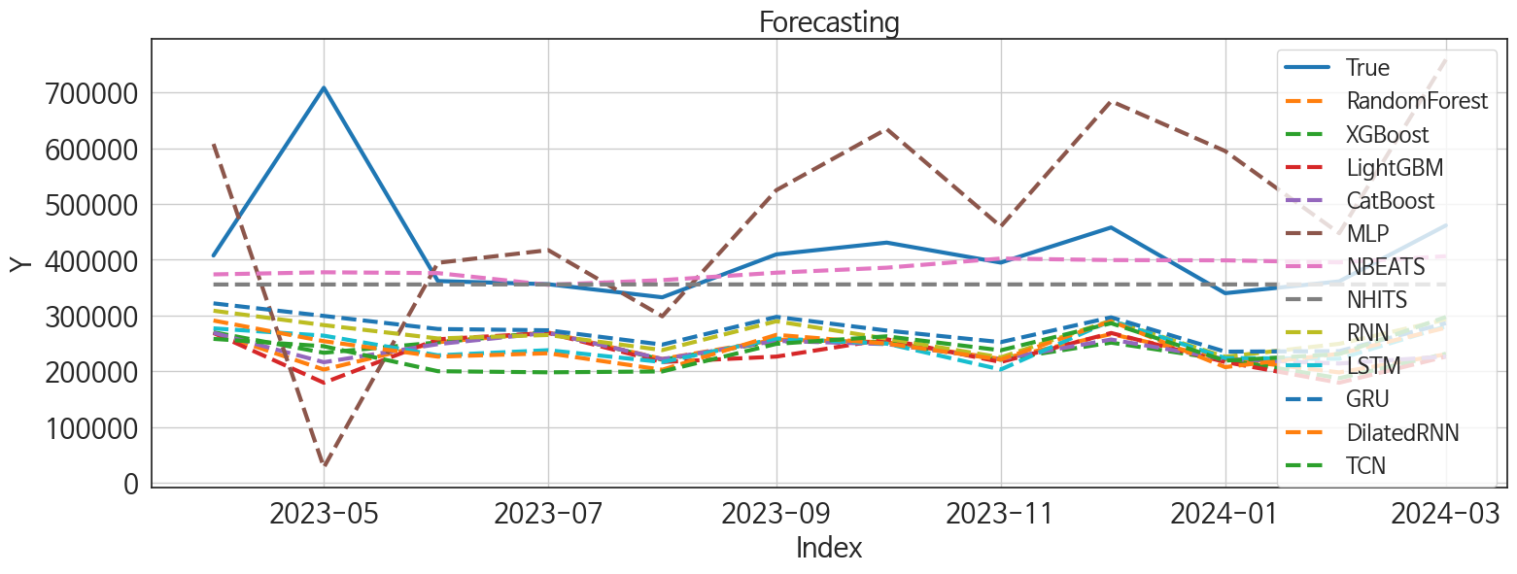
 | MSE | RMSE | MSPE | MAE | MAPE | MedAE | MedAPE
NBEATS | 10519960398 | 102566.85818 | 0.026894342917 | 58601.203125 | 0.117001498 | 33975.359375 | 0.093564810665
NHITS | 13323853299 | 115428.99678 | 0.035977421376 | 69327.135417 | 0.13598972761 | 45548.5 | 0.1132897733
GRU | 28149523234 | 167778.19654 | 0.11478095095 | 144038.21875 | 0.32521247938 | 118696 | 0.32757335191
RNN | 31184456922 | 176591.21417 | 0.12961325005 | 153212.71094 | 0.34749699815 | 117028.32031 | 0.32290204142
LSTM | 37198487780 | 192869.09493 | 0.16387870591 | 172606.51172 | 0.39652305386 | 144956.09375 | 0.36846759974
DilatedRNN | 37629285455 | 193982.6937 | 0.16484262345 | 172914.92448 | 0.39751552051 | 140054.84375 | 0.38257190227
MLP | 65155910586 | 255256.55836 | 0.23541047979 | 188280.26921 | 0.40545164085 | 157743.65625 | 0.37727993819
CatBoost | 42767331121 | 206802.63809 | 0.1768213936 | 179560.24213 | 0.40585850898 | 151369.04612 | 0.39362147711
RandomForest | 43546243641 | 208677.36734 | 0.1783016156 | 179950.28487 | 0.40631886229 | 158204.31333 | 0.39422380739
TCN | 39458817045 | 198642.43516 | 0.1758337752 | 178358.8737 | 0.41185286078 | 159332.57031 | 0.39118192631
XGBoost | 42010898395 | 204965.60296 | 0.17902218086 | 180059.375 | 0.40927022185 | 164718.28125 | 0.39787651069
LightGBM | 47232454311 | 217330.28853 | 0.19360755121 | 186833.41243 | 0.4220170501 | 175943.1147 | 0.40806740944

Forecasting_주말
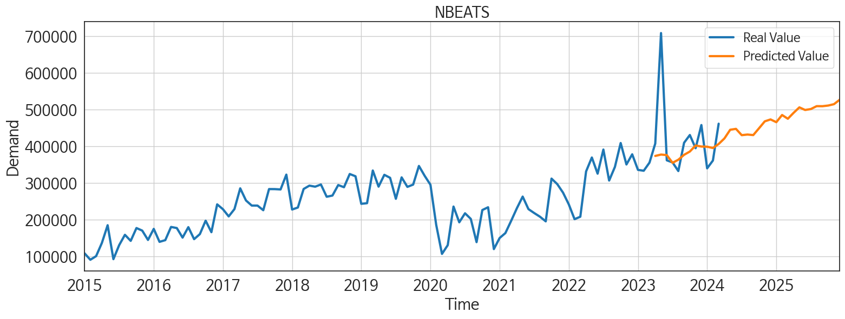
ds | unique_id | y | NBEATS | NHITS | RNN | LightGBM | RandomForest | CatBoost | XGBoost | TCN | GRU | LSTM | DilatedRNN | MLP
2023-04-01 | 1 | 407613 | 373751.03125 | 355622.40625 | 308557.40625 | 268601.02829 | 269498.06665 | 269033.57248 | 269975.4375 | 258019.25 | 321760.78125 | 276913.65625 | 290932.875 | 607844.125
2023-05-01 | 1 | 708674 | 377520.3125 | 355652.25 | 282732.625 | 179326.70802 | 202965.29467 | 216138.79696 | 233077.09375 | 244784.64062 | 299220.78125 | 263799.625 | 253843.5 | 27357.050781
2023-06-01 | 1 | 361826 | 376066.28125 | 355716.6875 | 258747.625 | 257328.03536 | 252048.43115 | 248605.64545 | 251690.98438 | 199983.09375 | 275743.71875 | 228528.82812 | 226095.3125 | 394539.375
2023-07-01 | 1 | 356106 | 355014.75 | 355756.6875 | 264999.5625 | 268601.02829 | 269498.06665 | 269033.57248 | 269975.4375 | 198024.21875 | 273441.1875 | 237746.28125 | 232218.34375 | 417316.875
2023-08-01 | 1 | 332612 | 363466.75 | 355760.6875 | 237874.375 | 216479.73525 | 222014.9012 | 221791.50534 | 220615.28125 | 199568.96875 | 247720.625 | 216391.79688 | 202614.54688 | 298511.40625
2023-09-01 | 1 | 409660 | 376799.75 | 355767.0625 | 289681.1875 | 226226.1367 | 256645.625 | 254388.48432 | 253992.79688 | 249076.64062 | 297489.21875 | 258686.40625 | 265281 | 524916.1875
2023-10-01 | 1 | 430802 | 385776.34375 | 355778.21875 | 258396.25 | 257328.03536 | 252048.43115 | 248605.64545 | 251690.98438 | 262628.9375 | 272957.34375 | 249465.60938 | 249537.60938 | 634663.5
2023-11-01 | 1 | 394892 | 402216.75 | 355785.59375 | 224793.875 | 216479.73525 | 222014.9012 | 221791.50534 | 220615.28125 | 237480.73438 | 252162.90625 | 203059.78125 | 220934.01562 | 459719.375
2023-12-01 | 1 | 457940 | 399423.28125 | 355784.28125 | 290893.84375 | 268601.02829 | 266611.50624 | 256879.60253 | 251243.32812 | 286113.9375 | 296708.03125 | 290611.75 | 289827.5 | 684580.125
2024-01-01 | 1 | 339988 | 398919.5 | 355782.75 | 225910.17188 | 216479.73525 | 222014.9012 | 221791.50534 | 220615.28125 | 218932.59375 | 235098.71875 | 223644.15625 | 207386.95312 | 595084.875
2024-02-01 | 1 | 361245 | 395333.75 | 355780.96875 | 249161.79688 | 179326.70802 | 197850.74833 | 213778.42345 | 187475.64062 | 230711.96875 | 236023.78125 | 222306.40625 | 231260.59375 | 447587.1875
2024-03-01 | 1 | 461647 | 406382.125 | 355778.65625 | 292703.75 | 226226.1367 | 230390.70807 | 226443.83526 | 231324.95312 | 297373.53125 | 286219.28125 | 280572.5625 | 278093.65625 | 759413.0625
2024-04-01 | 1 | 0 | 421505.40625 | 355773.96875 | 225405.84375 | 216479.73525 | 222014.9012 | 221791.50534 | 220615.28125 | 260420.46875 | 240158.40625 | 240129.35938 | 239726.46875 | 475816.1875
2024-05-01 | 1 | 0 | 445135.8125 | 355770.625 | 261354.9375 | 214953.14377 | 136931.10394 | 150102.58216 | 100645.47656 | 283153.53125 | 271008.5 | 270292.78125 | 267626.28125 | 575919.875
2024-06-01 | 1 | 0 | 447562.53125 | 355779.28125 | 260247.84375 | 268601.02829 | 269498.06665 | 269033.57248 | 269975.4375 | 286232.59375 | 267159.5 | 264550.90625 | 267713.84375 | 419153.625
2024-07-01 | 1 | 0 | 430407.09375 | 355787.125 | 222097.75 | 216479.73525 | 222014.9012 | 221791.50534 | 220615.28125 | 252569.45312 | 231118.01562 | 236662.67188 | 225276.875 | 786501.75
2024-08-01 | 1 | 0 | 432097.6875 | 355778.46875 | 265363.0625 | 268601.02829 | 269498.06665 | 269033.57248 | 269975.4375 | 279029.65625 | 268348.40625 | 267540.25 | 276300.65625 | 671269.875
2024-09-01 | 1 | 0 | 430613.28125 | 355769.875 | 242583.85938 | 257328.03536 | 252048.43115 | 248605.64545 | 251690.98438 | 269674.5625 | 248283.64062 | 248437.8125 | 254319.59375 | 626307.875
2024-10-01 | 1 | 0 | 449169.65625 | 355767.40625 | 213697.5 | 216479.73525 | 222014.9012 | 221791.50534 | 220615.28125 | 246397.78125 | 230226.90625 | 236972.98438 | 236995.3125 | 713944.75
2024-11-01 | 1 | 0 | 468058.90625 | 355765.3125 | 258114.40625 | 268601.02829 | 269498.06665 | 269033.57248 | 269975.4375 | 317390.71875 | 289723.28125 | 299023 | 300569.3125 | 884354.625
2024-12-01 | 1 | 0 | 473272.75 | 355778.875 | 230988.28125 | 257328.03536 | 252048.43115 | 248605.64545 | 251690.98438 | 307498.6875 | 256171.21875 | 276437.1875 | 283484.53125 | 618536.6875
2025-01-01 | 1 | 0 | 465779.625 | 355793.90625 | 232479.17188 | 257328.03536 | 252048.43115 | 248605.64545 | 251690.98438 | 267126.71875 | 237619.125 | 240833.40625 | 244865.3125 | 701290.875
2025-02-01 | 1 | 0 | 485329.75 | 355802.6875 | 233090.76562 | 216479.73525 | 222014.9012 | 221791.50534 | 220615.28125 | 259994.45312 | 229347.78125 | 240513.3125 | 236341.04688 | 728469.625
2025-03-01 | 1 | 0 | 475154.09375 | 355810.09375 | 233598.54688 | 226226.1367 | 200819.56192 | 203793.46612 | 199300.04688 | 301561.25 | 237070.82812 | 283863.84375 | 290691.46875 | 785531.1875
2025-04-01 | 1 | 0 | 491280 | 355815.53125 | 236865.98438 | 216479.73525 | 222014.9012 | 221791.50534 | 220615.28125 | 277756.78125 | 231044.84375 | 258773.75 | 263569.6875 | 629427.625
2025-05-01 | 1 | 0 | 506157.03125 | 355820.5 | 261331.48438 | 268601.02829 | 269498.06665 | 269033.57248 | 269975.4375 | 321323.03125 | 255973.04688 | 299214.28125 | 297467.1875 | 904369.125
2025-06-01 | 1 | 0 | 499025.59375 | 355821.6875 | 234361.96875 | 214953.14377 | 136931.10394 | 150102.58216 | 100645.47656 | 308636.46875 | 233404.96875 | 279666.1875 | 281068.6875 | 728650.875
2025-07-01 | 1 | 0 | 501652.3125 | 355821.5625 | 209431.01562 | 216479.73525 | 222014.9012 | 221791.50534 | 220615.28125 | 276589.65625 | 230640.70312 | 251165.48438 | 256719.96875 | 683310.1875
2025-08-01 | 1 | 0 | 509456.28125 | 355820.625 | 263313.8125 | 226226.1367 | 230390.70807 | 226443.83526 | 231324.95312 | 346471 | 253457.39062 | 308446.46875 | 315922.8125 | 782976.0625
2025-09-01 | 1 | 0 | 509330.71875 | 355819.25 | 203874.82812 | 216479.73525 | 222014.9012 | 221791.50534 | 220615.28125 | 252273.28125 | 206020.98438 | 220555.875 | 221960.95312 | 897719.5625
2025-10-01 | 1 | 0 | 511132.875 | 355818.5 | 232029.98438 | 214953.14377 | 243297.57233 | 258106.5836 | 244442.76562 | 280208.4375 | 213397.46875 | 253477.70312 | 260939.09375 | 478049.4375
2025-11-01 | 1 | 0 | 514856.78125 | 355818.0625 | 285543.3125 | 268601.02829 | 269498.06665 | 269033.57248 | 269975.4375 | 336023.84375 | 263778.46875 | 302239.65625 | 312799.125 | 750760.25
2025-12-01 | 1 | 0 | 527009.625 | 355817.78125 | 254118.48438 | 216479.73525 | 222014.9012 | 221791.50534 | 220615.28125 | 298888.46875 | 229404.125 | 264689.5625 | 267401.3125 | 904808.5

Performance_주중
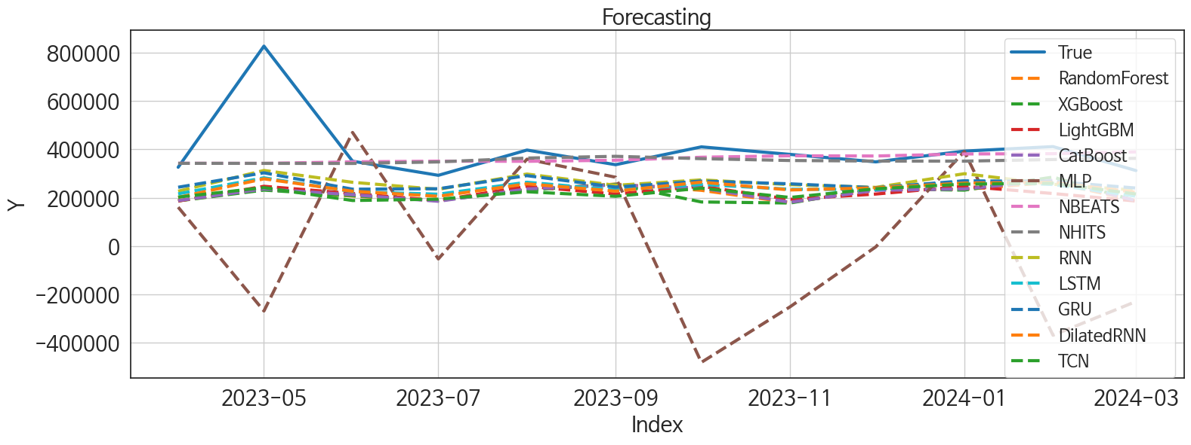
 | MSE | RMSE | MSPE | MAE | MAPE | MedAE | MedAPE
NBEATS | 20867008404 | 144454.17406 | 0.040529503857 | 68175.395833 | 0.12953429749 | 26729.015625 | 0.070360098585
NHITS | 20883992838 | 144512.95042 | 0.039446515075 | 71317.739583 | 0.13591903816 | 38012.046875 | 0.10423913363
RNN | 32230593859 | 179528.81066 | 0.10713322578 | 136596.95052 | 0.30980704932 | 98977.546875 | 0.28160023576
GRU | 33690253859 | 183549.05028 | 0.11227013193 | 140342.05078 | 0.31793371869 | 111202.17969 | 0.30972550529
LSTM | 38966352487 | 197398.9678 | 0.14264243257 | 157914.07682 | 0.36582812255 | 124421.58594 | 0.33829433754
DilatedRNN | 39374957622 | 198431.24155 | 0.14397211952 | 158575.60677 | 0.36755111029 | 128340.97656 | 0.35284908428
TCN | 47018398175 | 216837.26196 | 0.18012996708 | 176406.63021 | 0.41185479258 | 143976.14844 | 0.38352713846
CatBoost | 47687423447 | 218374.50274 | 0.18314276575 | 177010.47362 | 0.41373539451 | 139117.86441 | 0.39800255038
LightGBM | 47843972099 | 218732.64982 | 0.19054278552 | 181198.17524 | 0.42669190412 | 142435.83639 | 0.38983268156
RandomForest | 48423814682 | 220054.11762 | 0.18667444974 | 178668.25714 | 0.41738534258 | 145806.56574 | 0.40588390447
XGBoost | 50060025783 | 223740.97922 | 0.19508045138 | 181643.00911 | 0.42436110513 | 140610.94531 | 0.40847388723
MLP | 2.9813158599E+11 | 546014.27269 | 1.5554350782 | 417313.36247 | 1.0067007044 | 348442.18262 | 1.0957350408

Forecasting_주중
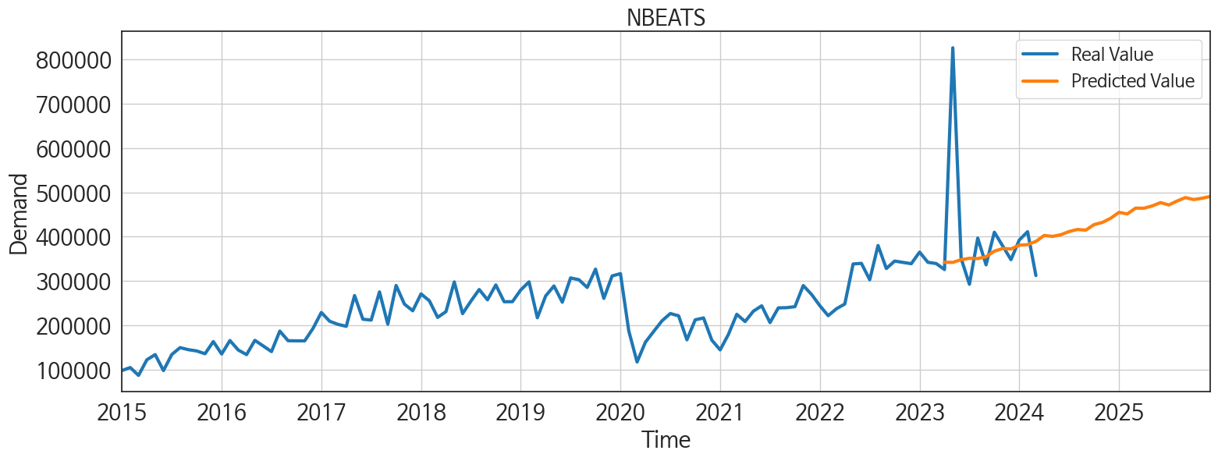
ds | unique_id | y | NBEATS | NHITS | RNN | LightGBM | RandomForest | CatBoost | XGBoost | TCN | GRU | LSTM | DilatedRNN | MLP
2023-04-01 | 1 | 325625 | 342253.40625 | 341939.78125 | 226731.6875 | 186058.16926 | 187183.38158 | 188020.02057 | 186858.07812 | 202311.84375 | 243132.59375 | 215780.45312 | 201172.54688 | 160771.23438
2023-05-01 | 1 | 826316 | 341750.09375 | 341806.6875 | 312427.125 | 247072.15797 | 234406.97715 | 236039.71161 | 231223.35938 | 241524.29688 | 302760.625 | 282226.5 | 277856.4375 | -268359.28125
2023-06-01 | 1 | 350670 | 347997.5625 | 341436.78125 | 263495.53125 | 217145.98427 | 206491.0429 | 211988.8751 | 208215.03125 | 188254.26562 | 235086.89062 | 224916.73438 | 226584.75 | 469496.875
2023-07-01 | 1 | 292364 | 350960.8125 | 347705.75 | 234503.3125 | 188263.4102 | 188135.6153 | 185041.23264 | 187813.0625 | 193772.54688 | 236955.125 | 214406.125 | 205671.14062 | -53128.59375
2023-08-01 | 1 | 396742 | 350269.0625 | 363722.125 | 297680.21875 | 247072.15797 | 234406.97715 | 236039.71161 | 231223.35938 | 224396.82812 | 290952.4375 | 263769.28125 | 257149.8125 | 359078.28125
2023-09-01 | 1 | 336272 | 354627.25 | 370903.03125 | 250974.21875 | 214940.74332 | 256047.84067 | 252507.31956 | 255243.6875 | 205678.26562 | 243720.70312 | 232181.14062 | 226894.09375 | 284478.65625
2023-10-01 | 1 | 409951 | 367159.28125 | 361219.34375 | 273509.90625 | 247072.15797 | 230345.71119 | 239620.30362 | 182258.15625 | 239164.51562 | 268614.40625 | 254346.0625 | 264135.75 | -480627.71875
2023-11-01 | 1 | 378886 | 373114.96875 | 353615.71875 | 253859.70312 | 193152.0614 | 179744.64747 | 181092.69547 | 177912.75 | 200867.79688 | 257234.85938 | 234925.40625 | 231816.10938 | -251216.90625
2023-12-01 | 1 | 347999 | 372208.34375 | 351318.71875 | 242562 | 214940.74332 | 234366.53663 | 230323.31816 | 236803.4375 | 236875 | 241177.75 | 233027.3125 | 240568.04688 | -3392.7714844
2024-01-01 | 1 | 392377 | 380676.90625 | 350983.9375 | 299098.53125 | 247072.15797 | 234406.97715 | 236039.71161 | 231223.35938 | 255898.46875 | 269762.125 | 269287.09375 | 260147.5 | 390942.90625
2024-02-01 | 1 | 411068 | 381819.3125 | 357611.125 | 255479.45312 | 217145.98427 | 263633.82562 | 271513.39609 | 285023.53125 | 259594.23438 | 267085.3125 | 254316.875 | 263301.90625 | -368596.6875
2024-03-01 | 1 | 312102 | 389194.125 | 362693.3125 | 230886.90625 | 186058.16926 | 187183.38158 | 188020.02057 | 186858.07812 | 215154.375 | 239784.5625 | 206220.09375 | 222166.625 | -229180.59375
2024-04-01 | 1 | 0 | 402637.25 | 359372.28125 | 277374.40625 | 247072.15797 | 236201.34101 | 228887.99932 | 233539.125 | 255221.25 | 260084.875 | 258639.85938 | 259738.23438 | 147276.8125
2024-05-01 | 1 | 0 | 400509.5625 | 357046.75 | 285659.25 | 247072.15797 | 246906.95115 | 254354.39313 | 289482.5 | 273273.875 | 276104.78125 | 274273.71875 | 280024.25 | 52687.308594
2024-06-01 | 1 | 0 | 404242.25 | 364361.09375 | 239178.48438 | 214940.74332 | 234366.53663 | 230323.31816 | 236803.4375 | 216703 | 235996.3125 | 211824.10938 | 225715.96875 | 242781.96875
2024-07-01 | 1 | 0 | 411518.40625 | 371038.40625 | 272523.5625 | 193152.0614 | 235575.71946 | 225836.45773 | 234883.09375 | 274076.28125 | 280078.5 | 245877.92188 | 277701.5 | 121097.99219
2024-08-01 | 1 | 0 | 416116.40625 | 358272.28125 | 264136.0625 | 217145.98427 | 206491.0429 | 211988.8751 | 208215.03125 | 262691.5 | 262259.96875 | 255692.375 | 255227.8125 | 255696.78125
2024-09-01 | 1 | 0 | 414572.34375 | 345512.40625 | 271599.8125 | 217145.98427 | 258420.31 | 271469.28378 | 282031.03125 | 288015.46875 | 262233.75 | 266782.34375 | 277744.71875 | -60885.648438
2024-10-01 | 1 | 0 | 427115.1875 | 348222 | 277054.6875 | 247072.15797 | 295914.10848 | 295183.31163 | 295538.53125 | 262709.625 | 277564.71875 | 286689.59375 | 282218.21875 | -149812.45312
2024-11-01 | 1 | 0 | 432056.5 | 351431.9375 | 230420.17188 | 186058.16926 | 187183.38158 | 188020.02057 | 186858.07812 | 230799.4375 | 214574.73438 | 214220.78125 | 220742.32812 | -740244.9375
2024-12-01 | 1 | 0 | 441413.0625 | 351575.78125 | 250886.89062 | 247072.15797 | 236201.34101 | 228887.99932 | 233539.125 | 272844.59375 | 265689.125 | 253577.59375 | 265687 | -243665.59375
2025-01-01 | 1 | 0 | 454738.21875 | 351389.28125 | 313267.34375 | 247072.15797 | 280523.25402 | 289960.6841 | 289709.59375 | 335829.09375 | 295728.4375 | 309625.25 | 329281.28125 | 144542.39062
2025-02-01 | 1 | 0 | 451215.9375 | 353047.84375 | 222013.92188 | 186058.16926 | 187183.38158 | 188020.02057 | 186858.07812 | 227416.90625 | 213549.46875 | 220141.51562 | 221192.60938 | 244963.98438
2025-03-01 | 1 | 0 | 464345.96875 | 355044.09375 | 214796.04688 | 217145.98427 | 206491.0429 | 211988.8751 | 208215.03125 | 234974.73438 | 230313.76562 | 211410.09375 | 212222.01562 | -148579.39062
2025-04-01 | 1 | 0 | 464064.40625 | 368125.1875 | 261051.125 | 193152.0614 | 179744.64747 | 181092.69547 | 177912.75 | 285822.125 | 276326.4375 | 277711.9375 | 281638.5 | 1198165.125
2025-05-01 | 1 | 0 | 469268.75 | 384289.8125 | 248663.73438 | 217145.98427 | 207765.092 | 216378.25904 | 270795.34375 | 270235.03125 | 231780.84375 | 245386.01562 | 253390.5625 | 1376289.75
2025-06-01 | 1 | 0 | 476763.71875 | 424076.15625 | 220643.8125 | 188263.4102 | 188135.6153 | 185041.23264 | 187813.0625 | 243508.1875 | 221757.60938 | 224033.53125 | 228908.01562 | 1988195.875
2025-07-01 | 1 | 0 | 471429.5625 | 473189.6875 | 261639.40625 | 193152.0614 | 235575.71946 | 225836.45773 | 234883.09375 | 311548.4375 | 278373.4375 | 284790.0625 | 298432.25 | 4547609
2025-08-01 | 1 | 0 | 480419.09375 | 488655.6875 | 234401.0625 | 186058.16926 | 187183.38158 | 188020.02057 | 186858.07812 | 263580.9375 | 215197.875 | 239787.625 | 241334.51562 | 4768010.5
2025-09-01 | 1 | 0 | 488068.8125 | 486532.28125 | 247989.125 | 193152.0614 | 179744.64747 | 181092.69547 | 177912.75 | 277606.875 | 234676.75 | 233697.73438 | 247646.15625 | 5844608
2025-10-01 | 1 | 0 | 483621 | 486300.25 | 267115.6875 | 247072.15797 | 230874.87536 | 237317.76159 | 280135.3125 | 333119.0625 | 274133.09375 | 281201.125 | 305842.1875 | 8238177
2025-11-01 | 1 | 0 | 486630.25 | 487363.40625 | 230905.17188 | 186058.16926 | 187183.38158 | 188020.02057 | 186858.07812 | 239204.95312 | 232505.03125 | 223143.45312 | 231146.67188 | 13279827
2025-12-01 | 1 | 0 | 490735.5 | 487847.46875 | 276047.34375 | 247072.15797 | 234406.97715 | 236039.71161 | 231223.35938 | 334545.75 | 276220.34375 | 278506.53125 | 295702.625 | 16348102

