Performance_전체
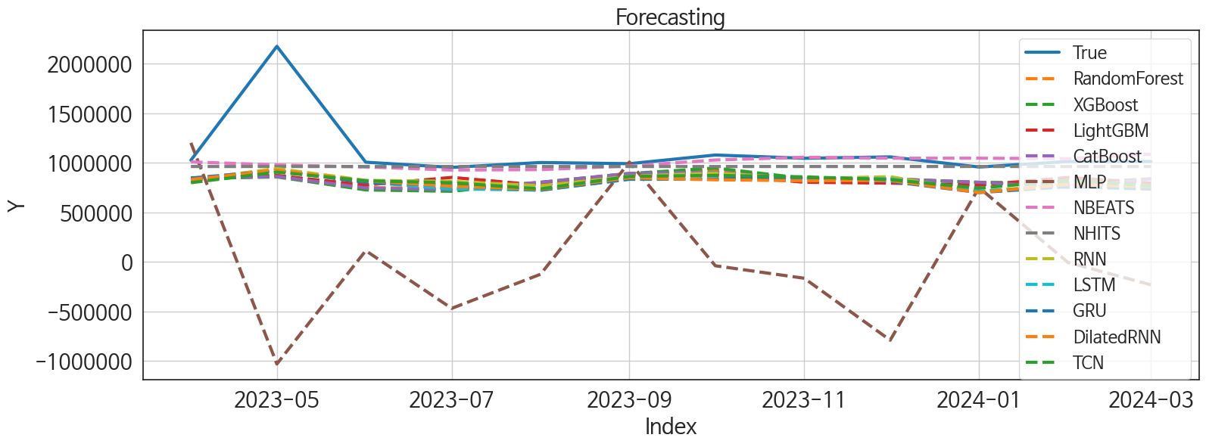
 | MSE | RMSE | MSPE | MAE | MAPE | MedAE | MedAPE
NBEATS | 1.216469803E+11 | 348779.27161 | 0.027420469012 | 137516.98438 | 0.083443880166 | 38305.46875 | 0.03742030376
NHITS | 1.2628082366E+11 | 355360.13234 | 0.029190047403 | 149968.91146 | 0.093655329613 | 50508.5 | 0.049838925065
XGBoost | 1.807713751E+11 | 425172.17112 | 0.065801309374 | 285768.875 | 0.22438998714 | 201220.34375 | 0.19646885523
RandomForest | 1.7667826809E+11 | 420331.14099 | 0.064063561451 | 283937.20919 | 0.22296265815 | 204166.3896 | 0.1993192694
RNN | 1.6592676641E+11 | 407341.09345 | 0.064896331988 | 287978.38542 | 0.23003498381 | 202547.625 | 0.19346576807
CatBoost | 1.8089740387E+11 | 425320.35441 | 0.066507651685 | 289169.80816 | 0.22763466152 | 201719.86409 | 0.19693273871
LightGBM | 1.7875477833E+11 | 422794.01407 | 0.065350477219 | 287425.71513 | 0.2254904859 | 209418.62466 | 0.20342010899
TCN | 1.7379984197E+11 | 416893.08219 | 0.066542211323 | 292444.63542 | 0.23258288314 | 209812.25 | 0.20369988192
DilatedRNN | 1.7715854846E+11 | 420902.06517 | 0.072814172792 | 308013.3125 | 0.24884862062 | 234635.34375 | 0.22643937287
LSTM | 1.7786475502E+11 | 421740.15106 | 0.07349048832 | 309816.08333 | 0.25084362882 | 231989.5 | 0.22646380762
GRU | 1.7959651696E+11 | 423788.29262 | 0.074529763881 | 310953.50521 | 0.25165850874 | 244690.3125 | 0.22887690877
MLP | 1.9321790686E+12 | 1390028.4417 | 1.2092752351 | 1124614.0106 | 0.96309282008 | 1123070.5254 | 1.0805191568

Forecasting_전체
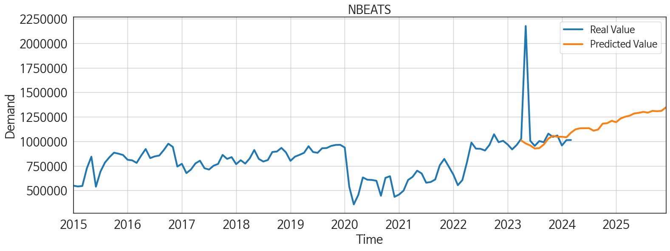
ds | unique_id | y | NBEATS | NHITS | RNN | LightGBM | RandomForest | CatBoost | XGBoost | TCN | GRU | LSTM | DilatedRNN | MLP
2023-04-01 | 1 | 1025955 | 1009081.25 | 962783.125 | 830245.125 | 831488.11214 | 837536.72194 | 842351.8643 | 840861.125 | 799331.5625 | 846694.9375 | 822539.6875 | 832344.25 | 1201682.75
2023-05-01 | 1 | 2176084 | 978737.6875 | 962779.6875 | 942003.125 | 871778.62493 | 872341.53733 | 862406.58469 | 857550.1875 | 905687.75 | 919259.5625 | 922487.0625 | 923972.625 | -1030970
2023-06-01 | 1 | 1006231 | 958222.0625 | 962789.5 | 822839.4375 | 775592.64197 | 748849.60083 | 746107.64091 | 726408.125 | 818337.6875 | 802341.875 | 804815.625 | 817966 | 113075.08594
2023-07-01 | 1 | 954043 | 927141.9375 | 962776.625 | 813010 | 852794.84231 | 743750.09571 | 730462.49238 | 712668.375 | 798613.9375 | 770412.125 | 736553 | 763609.1875 | -469321.28125
2023-08-01 | 1 | 1003070 | 931413.8125 | 962786.1875 | 768527.5625 | 774889.33942 | 801388.83765 | 803712.01319 | 803041.6875 | 736978.5625 | 723465.4375 | 725060.875 | 732597.5 | -124987.75781
2023-09-01 | 1 | 991399 | 967818.9375 | 962782.4375 | 864651.625 | 870761.33333 | 887587.82167 | 893770.84432 | 891492 | 862972.25 | 836598.6875 | 833302.25 | 848831.5 | 1007436.875
2023-10-01 | 1 | 1078780 | 1028504.1875 | 962787.25 | 897110.9375 | 878834.77845 | 927688.15361 | 905244.51523 | 947253.5 | 872913.0625 | 837427.5625 | 836096.625 | 828664.8125 | -39303.292969
2023-11-01 | 1 | 1045942 | 1056136.5 | 962919 | 840756.625 | 804054.9776 | 839290.38316 | 841860.25864 | 843529.625 | 858424.8125 | 853187.4375 | 846445.9375 | 818814.375 | -165310.32812
2023-12-01 | 1 | 1059829 | 1046735.875 | 962924.375 | 859919.125 | 795016.97223 | 837229.07444 | 836987.69307 | 837969.0625 | 830305.375 | 811800.8125 | 838533.375 | 821843.8125 | -790580.75
2024-01-01 | 1 | 957778 | 1046905.5625 | 962915.875 | 711328.75 | 774889.33942 | 801388.83765 | 803712.01319 | 803041.6875 | 744020.4375 | 700036.4375 | 712579.8125 | 700351.75 | 749661.5625
2024-02-01 | 1 | 1012952 | 1041554 | 962919 | 780934.1875 | 851745.48443 | 784445.35125 | 752330.68911 | 794961.0625 | 824188.375 | 758183.625 | 764144.375 | 781666.5 | -5209.8813477
2024-03-01 | 1 | 1013909 | 1088453.5 | 962925 | 738904.875 | 795016.97223 | 837229.07444 | 836987.69307 | 837969.0625 | 764862.5625 | 735121.4375 | 765620.375 | 759149.9375 | -232037.85938
2024-04-01 | 1 | 0 | 1122139.5 | 962966.9375 | 791752.9375 | 759402.28598 | 683133.95413 | 694451.97652 | 683557.6875 | 802109.9375 | 798360.875 | 798526.1875 | 773225 | 207531.1875
2024-05-01 | 1 | 0 | 1133236.375 | 962971.0625 | 871188.1875 | 878834.77845 | 866867.53111 | 882855.57883 | 849167.1875 | 907048.6875 | 851178.5 | 899581.6875 | 876799.375 | 5174.4248047
2024-06-01 | 1 | 0 | 1133940 | 962973.9375 | 782073.8125 | 791583.15831 | 846387.5666 | 849109.94254 | 856303.0625 | 804106.3125 | 770992.4375 | 806900.375 | 785921.5 | 190442.95312
2024-07-01 | 1 | 0 | 1134382.25 | 962967.875 | 723243 | 819542.03104 | 860504.40807 | 872774.7356 | 883223.4375 | 748188.375 | 755888.0625 | 758673 | 767362.6875 | -315287.53125
2024-08-01 | 1 | 0 | 1108786.5 | 962969.375 | 774590.3125 | 812889.88849 | 775883.97568 | 779454.80882 | 777735.125 | 800101.25 | 814992.4375 | 818116.875 | 806135.8125 | -765238.5
2024-09-01 | 1 | 0 | 1120666.375 | 962970.25 | 874798.25 | 858801.63795 | 914943.872 | 918000.34047 | 921733.9375 | 870711.125 | 841516.0625 | 847548.125 | 861280.375 | 741630.25
2024-10-01 | 1 | 0 | 1180209.875 | 962971.6875 | 844509.25 | 871778.62493 | 917359.56786 | 919277.05303 | 925090.9375 | 871747.625 | 845593.625 | 883698.125 | 881182.125 | 865310
2024-11-01 | 1 | 0 | 1185161.75 | 962970.1875 | 867603.0625 | 831488.11214 | 837536.72194 | 842351.8643 | 840861.125 | 874649.4375 | 872598.5625 | 886543 | 880423.6875 | -456293.1875
2024-12-01 | 1 | 0 | 1209640.375 | 962961.125 | 819985.1875 | 778828.67527 | 759400.92371 | 756251.44573 | 758001 | 874011.125 | 844599.875 | 874565.875 | 850934.9375 | 535591.0625
2025-01-01 | 1 | 0 | 1195656 | 962968.75 | 840752.625 | 878834.77845 | 833224.43381 | 820212.52499 | 816585.6875 | 826217.375 | 868554.75 | 869466.8125 | 847365.75 | -218993.26562
2025-02-01 | 1 | 0 | 1234132.375 | 962978.875 | 755634.75 | 772378.70472 | 727688.19526 | 683690.56473 | 676462.25 | 708967.375 | 754875.75 | 769449.875 | 755587.125 | 77240.96875
2025-03-01 | 1 | 0 | 1251246.375 | 962969.1875 | 840047.9375 | 899824.48088 | 926748.34467 | 926992.04785 | 930397.5 | 822596.5 | 840082.6875 | 828785.75 | 826154.8125 | 18141.390625
2025-04-01 | 1 | 0 | 1262408.75 | 962978.125 | 827568.3125 | 804054.9776 | 839290.38316 | 841860.25864 | 843529.625 | 818955 | 846196.5625 | 835583.1875 | 854782.9375 | -156033.09375
2025-05-01 | 1 | 0 | 1284597.125 | 962965 | 875314.0625 | 899824.48088 | 917128.44383 | 916907.07666 | 914860.5 | 913622.3125 | 904391.9375 | 906622.6875 | 905337.5625 | 2723842.5
2025-06-01 | 1 | 0 | 1291120.5 | 962977.375 | 834223 | 775592.64197 | 748849.60083 | 746107.64091 | 726408.125 | 873161 | 850521.625 | 866287.6875 | 848043 | 1778101.125
2025-07-01 | 1 | 0 | 1300758.625 | 962968.4375 | 820203.5 | 819542.03104 | 860504.40807 | 872774.7356 | 883223.4375 | 857241.1875 | 853375 | 863605.8125 | 870844.25 | 1200104
2025-08-01 | 1 | 0 | 1292561 | 962975.625 | 872332.3125 | 795016.97223 | 837229.07444 | 836987.69307 | 837969.0625 | 854101 | 893152.625 | 915389.5 | 876676.375 | 6689981
2025-09-01 | 1 | 0 | 1310865 | 962966.8125 | 836227.75 | 804054.9776 | 839290.38316 | 841860.25864 | 843529.625 | 802224.6875 | 814812.3125 | 838618.75 | 822093.75 | 9008567
2025-10-01 | 1 | 0 | 1307370.125 | 962976.5 | 975838.5 | 878834.77845 | 833224.43381 | 820212.52499 | 816585.6875 | 932679.125 | 972330.8125 | 963661.9375 | 973065.375 | 10490502
2025-11-01 | 1 | 0 | 1310645 | 962969.6875 | 896322.625 | 831488.11214 | 837536.72194 | 842351.8643 | 840861.125 | 876851.75 | 901929.125 | 914045.75 | 931031.8125 | 11992045
2025-12-01 | 1 | 0 | 1346747.375 | 962963.5625 | 914257.4375 | 774889.33942 | 801388.83765 | 803712.01319 | 803041.6875 | 922057.875 | 918702.125 | 927071.5 | 939788.8125 | 22832724

Performance_주말
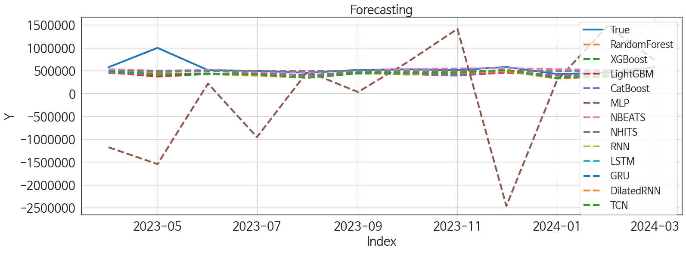
 | MSE | RMSE | MSPE | MAE | MAPE | MedAE | MedAPE
NBEATS | 22508767553 | 150029.22233 | 0.028946964965 | 70657.122396 | 0.1017847976 | 25593.765625 | 0.048120996552
NHITS | 24148169280 | 155396.81232 | 0.031076279873 | 84533.929688 | 0.12332728478 | 38887.25 | 0.085621930149
XGBoost | 31875202544 | 178536.27795 | 0.0483644742 | 117883.29688 | 0.18305160676 | 93269.421875 | 0.17078985019
TCN | 34879946070 | 186761.7361 | 0.054341061248 | 124915.36979 | 0.19892676449 | 80062.578125 | 0.15643561196
CatBoost | 35535018491 | 188507.34333 | 0.052609517625 | 122788.12134 | 0.18967289595 | 94548.963282 | 0.17302401582
RandomForest | 37359537782 | 193286.15517 | 0.054379660745 | 124133.05571 | 0.19081427267 | 94115.578113 | 0.17225518988
LSTM | 34632046310 | 186096.87346 | 0.056277214174 | 128969.20833 | 0.20763796169 | 86212.078125 | 0.18113767548
RNN | 35058040277 | 187237.92425 | 0.057277501083 | 130331.21354 | 0.20954092167 | 87920.828125 | 0.18006858834
LightGBM | 40659415576 | 201641.80017 | 0.060210906573 | 130992.14647 | 0.20265238485 | 95907.503362 | 0.19056838441
GRU | 35471614881 | 188339.09547 | 0.059107102188 | 133022.48698 | 0.21510325614 | 89167.9375 | 0.17893547638
DilatedRNN | 35007882627 | 187103.93536 | 0.05877318802 | 132874.40104 | 0.21549270682 | 91302.1875 | 0.17975132762
MLP | 1.9302114878E+12 | 1389320.513 | 5.1191460912 | 996623.882 | 1.6840927634 | 692455.35449 | 1.346650413

Forecasting_주말
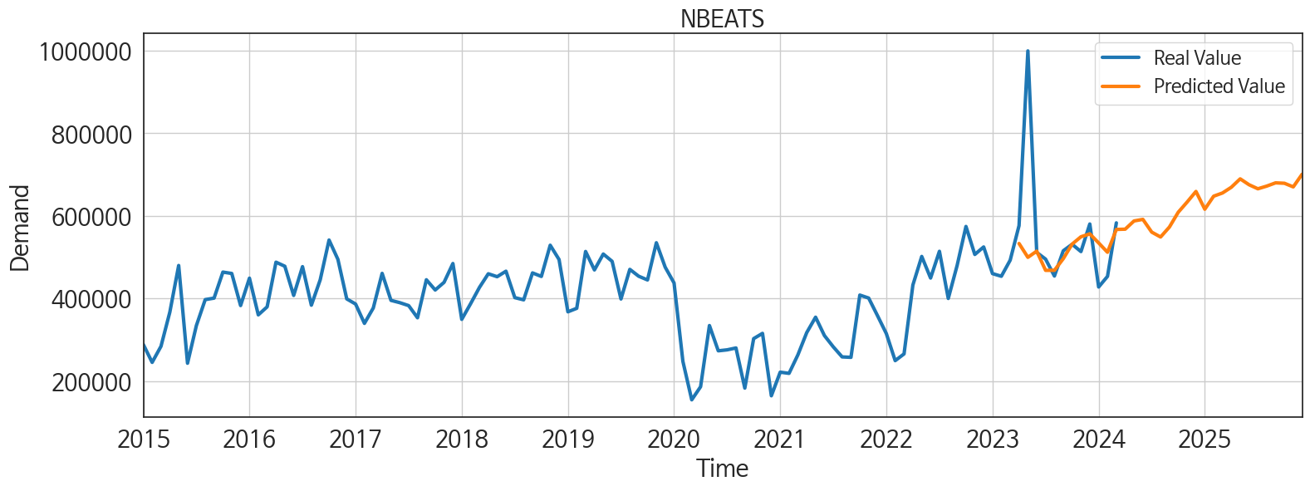
ds | unique_id | y | NBEATS | NHITS | RNN | LightGBM | RandomForest | CatBoost | XGBoost | TCN | GRU | LSTM | DilatedRNN | MLP
2023-04-01 | 1 | 576373 | 533098.5 | 492766.34375 | 491772.125 | 459780.74468 | 448835.26072 | 450202.33385 | 449794.15625 | 491644.21875 | 487099.5 | 491343.34375 | 491826.625 | -1177164.75
2023-05-01 | 1 | 999630 | 499622.6875 | 492766.34375 | 428586.40625 | 370949.99167 | 394209.98327 | 412666.20767 | 448862.40625 | 418482.3125 | 428993.46875 | 429274.3125 | 433215.75 | -1546153
2023-06-01 | 1 | 511512 | 514574.4375 | 492766.84375 | 422279.90625 | 425482.49664 | 424447.31597 | 424256.47577 | 424511.90625 | 429966.0625 | 430801.03125 | 441988.625 | 422135.03125 | 218282.25
2023-07-01 | 1 | 495253 | 468078.65625 | 492767.1875 | 388548.53125 | 459780.74468 | 448835.26072 | 450202.33385 | 449794.15625 | 416673.78125 | 406190.625 | 407858.5 | 403744.25 | -955150.25
2023-08-01 | 1 | 454314 | 468221.34375 | 492767.5625 | 345549.40625 | 392629.6522 | 400637.52902 | 401171.22616 | 401543.8125 | 347719.84375 | 343580.4375 | 348734.9375 | 347151.1875 | 481493.25
2023-09-01 | 1 | 515497 | 496311.96875 | 492767.625 | 450439.84375 | 460049.03755 | 458950.29536 | 453844.94876 | 472683.53125 | 439448.59375 | 452693.03125 | 438560.875 | 438968.4375 | 32100.291016
2023-10-01 | 1 | 531268 | 531619.5625 | 492767.40625 | 432617.125 | 425482.49664 | 424447.31597 | 424256.47577 | 424511.90625 | 453297.71875 | 414910.21875 | 432552.5625 | 430019.6875 | 678759.625
2023-11-01 | 1 | 513516 | 549413.5625 | 492767.28125 | 445345.9375 | 392629.6522 | 400637.52902 | 401171.22616 | 401543.8125 | 455338.9375 | 430658.59375 | 441807.375 | 442187.9375 | 1415030
2023-12-01 | 1 | 580416 | 556402.8125 | 492767.5625 | 495308.59375 | 459780.74468 | 479249.5278 | 478573.59767 | 480877.25 | 517784.375 | 496590.6875 | 506508.375 | 489320.375 | -2463409
2024-01-01 | 1 | 427738 | 534461.5 | 492767.9375 | 341128.4375 | 392629.6522 | 400637.52902 | 401171.22616 | 401543.8125 | 337425.75 | 337381.03125 | 337243.5625 | 326248.875 | 281135.4375
2024-02-01 | 1 | 453494 | 511865.8125 | 492767.90625 | 391605.75 | 370949.99167 | 393069.78117 | 391599.15196 | 390895.28125 | 383562.3125 | 372754.4375 | 369139.53125 | 375123.46875 | 1473410.625
2024-03-01 | 1 | 583089 | 567172.125 | 492767.65625 | 444943.375 | 460049.03755 | 478546.00348 | 479527.34006 | 480938.40625 | 451771.65625 | 444177.09375 | 449457.5 | 447665.5625 | 729696.0625
2024-04-01 | 1 | 0 | 567809.75 | 492767.34375 | 406131.96875 | 392629.6522 | 400637.52902 | 401171.22616 | 401543.8125 | 411561.34375 | 404221.1875 | 408147 | 414845.8125 | -1053902.5
2024-05-01 | 1 | 0 | 587717.375 | 492767.15625 | 456142.40625 | 420480.21706 | 345271.38154 | 315949.74577 | 284109.25 | 440026.5625 | 446328.71875 | 440767.125 | 438165.875 | -744400.25
2024-06-01 | 1 | 0 | 591529.625 | 492767.78125 | 451320.40625 | 459780.74468 | 448835.26072 | 450202.33385 | 449794.15625 | 435279.15625 | 454043.03125 | 441977.78125 | 438315.71875 | -213613.03125
2024-07-01 | 1 | 0 | 560641.6875 | 492768.34375 | 371459.03125 | 392629.6522 | 400637.52902 | 401171.22616 | 401543.8125 | 362666.03125 | 364049.28125 | 371887.125 | 365815.4375 | -270896.125
2024-08-01 | 1 | 0 | 548846.3125 | 492767.84375 | 417661.84375 | 459780.74468 | 448835.26072 | 450202.33385 | 449794.15625 | 429647.84375 | 422014.90625 | 411030.5625 | 420422.59375 | 1381885.75
2024-09-01 | 1 | 0 | 572977.875 | 492767.34375 | 439728.09375 | 425482.49664 | 424447.31597 | 424256.47577 | 424511.90625 | 443010.09375 | 431375.84375 | 431516.15625 | 449137.375 | 2076384.25
2024-10-01 | 1 | 0 | 608891.9375 | 492767.3125 | 431260.46875 | 392629.6522 | 400637.52902 | 401171.22616 | 401543.8125 | 405330.71875 | 413256.4375 | 404210.90625 | 413807.25 | 1261781.375
2024-11-01 | 1 | 0 | 633439.8125 | 492767.375 | 513657.5 | 459780.74468 | 448835.26072 | 450202.33385 | 449794.15625 | 474100.1875 | 486090 | 494903.71875 | 501501.375 | 1387892.125
2024-12-01 | 1 | 0 | 659208.3125 | 492767.8125 | 471599.625 | 425482.49664 | 424447.31597 | 424256.47577 | 424511.90625 | 495019.5625 | 485741.40625 | 488342.59375 | 484612.125 | 1340330.5
2025-01-01 | 1 | 0 | 616160.1875 | 492768.15625 | 402143.53125 | 425482.49664 | 424447.31597 | 424256.47577 | 424511.90625 | 390485.84375 | 420610.875 | 411574.03125 | 400667.71875 | 2574565.25
2025-02-01 | 1 | 0 | 647682.8125 | 492768.03125 | 366232.03125 | 392629.6522 | 400637.52902 | 401171.22616 | 401543.8125 | 381909.5625 | 383195.71875 | 383871.375 | 386657.28125 | 1739376
2025-03-01 | 1 | 0 | 655487.5625 | 492767.875 | 465628.25 | 460049.03755 | 444411.06792 | 447196.29616 | 445890.1875 | 462782.9375 | 468592.46875 | 467271.8125 | 473756.125 | 5137622.5
2025-04-01 | 1 | 0 | 669360.1875 | 492768.0625 | 460899.53125 | 392629.6522 | 400637.52902 | 401171.22616 | 401543.8125 | 441923.8125 | 445809.3125 | 439263.28125 | 467782.5625 | 4863030
2025-05-01 | 1 | 0 | 689715.375 | 492768.4375 | 512958.84375 | 459780.74468 | 448835.26072 | 450202.33385 | 449794.15625 | 501071.25 | 495683.5625 | 502106.125 | 504014.40625 | 4831625
2025-06-01 | 1 | 0 | 675465.0625 | 492768.4375 | 478804.6875 | 420480.21706 | 345271.38154 | 315949.74577 | 284109.25 | 483866.375 | 497162.5 | 494398 | 490711.8125 | 5742145.5
2025-07-01 | 1 | 0 | 665633.25 | 492768.28125 | 430914.34375 | 392629.6522 | 400637.52902 | 401171.22616 | 401543.8125 | 443116.96875 | 441769.875 | 448735.03125 | 453947.71875 | 4077590
2025-08-01 | 1 | 0 | 672133.5625 | 492768.09375 | 497924.75 | 460049.03755 | 478546.00348 | 479527.34006 | 480938.40625 | 516453.75 | 519680.40625 | 522545.59375 | 514233.96875 | 6716930
2025-09-01 | 1 | 0 | 680005.75 | 492767.96875 | 389766.03125 | 392629.6522 | 400637.52902 | 401171.22616 | 401543.8125 | 378350.125 | 399058.8125 | 403075.9375 | 399111.5 | 10452304
2025-10-01 | 1 | 0 | 679015 | 492767.90625 | 454606.5625 | 420480.21706 | 473358.93 | 455866.0119 | 453883.90625 | 454568.5625 | 464741.4375 | 442958.8125 | 455692.53125 | 10999030
2025-11-01 | 1 | 0 | 670211.3125 | 492767.96875 | 537246.75 | 459780.74468 | 448835.26072 | 450202.33385 | 449794.15625 | 522696.5625 | 535202.8125 | 526023.625 | 547458.25 | 8749392
2025-12-01 | 1 | 0 | 700905.625 | 492767.96875 | 474166.03125 | 392629.6522 | 400637.52902 | 401171.22616 | 401543.8125 | 470512.6875 | 479286.1875 | 496575.9375 | 473920.8125 | 26028566

Performance_주중
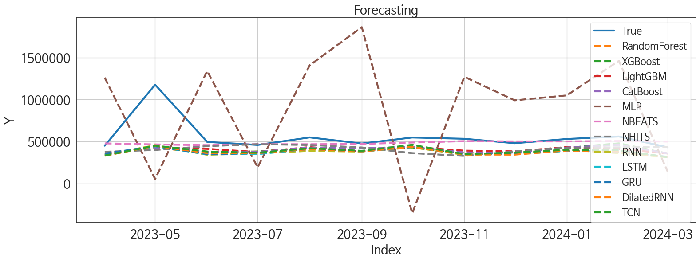
 | MSE | RMSE | MSPE | MAE | MAPE | MedAE | MedAPE
NBEATS | 44050659328 | 209882.48933 | 0.037733272468 | 94579.361979 | 0.120115273 | 33863.015625 | 0.069815495017
NHITS | 61346254503 | 247681.76054 | 0.075459220064 | 147643.98958 | 0.21419074218 | 93353.21875 | 0.1797656092
CatBoost | 56963022777 | 238669.27489 | 0.07363382082 | 156457.10846 | 0.23986809706 | 105724.66545 | 0.20218213465
LightGBM | 56253828768 | 237178.89613 | 0.072522160304 | 156578.33314 | 0.24019612004 | 96648.712745 | 0.20316882969
XGBoost | 57565761500 | 239928.65919 | 0.074564846389 | 156842.17448 | 0.24028689758 | 107158.15625 | 0.21409890046
RandomForest | 58064156655 | 240965.05277 | 0.075973240537 | 158895.60232 | 0.24409960236 | 107894.10054 | 0.2132292689
TCN | 58162643838 | 241169.32607 | 0.087590445526 | 171716.16146 | 0.2731776019 | 117602.96875 | 0.23891088111
GRU | 60953570286 | 246887.7686 | 0.095054514294 | 179927.30729 | 0.28779973012 | 131411.375 | 0.26033099219
DilatedRNN | 61189393864 | 247364.90023 | 0.097290550962 | 181950.61458 | 0.2926624034 | 134458.25 | 0.26721388208
LSTM | 61586527571 | 248166.33045 | 0.097725934923 | 182615.53125 | 0.29397958681 | 133487.79688 | 0.27061441455
RNN | 61321965661 | 247632.72332 | 0.10074690451 | 185074.83854 | 0.29905159433 | 128200.46875 | 0.26857353752
MLP | 6.794811923E+11 | 824306.49172 | 2.345714794 | 762865.38086 | 1.4076595472 | 827960 | 1.4766258202

Forecasting_주중
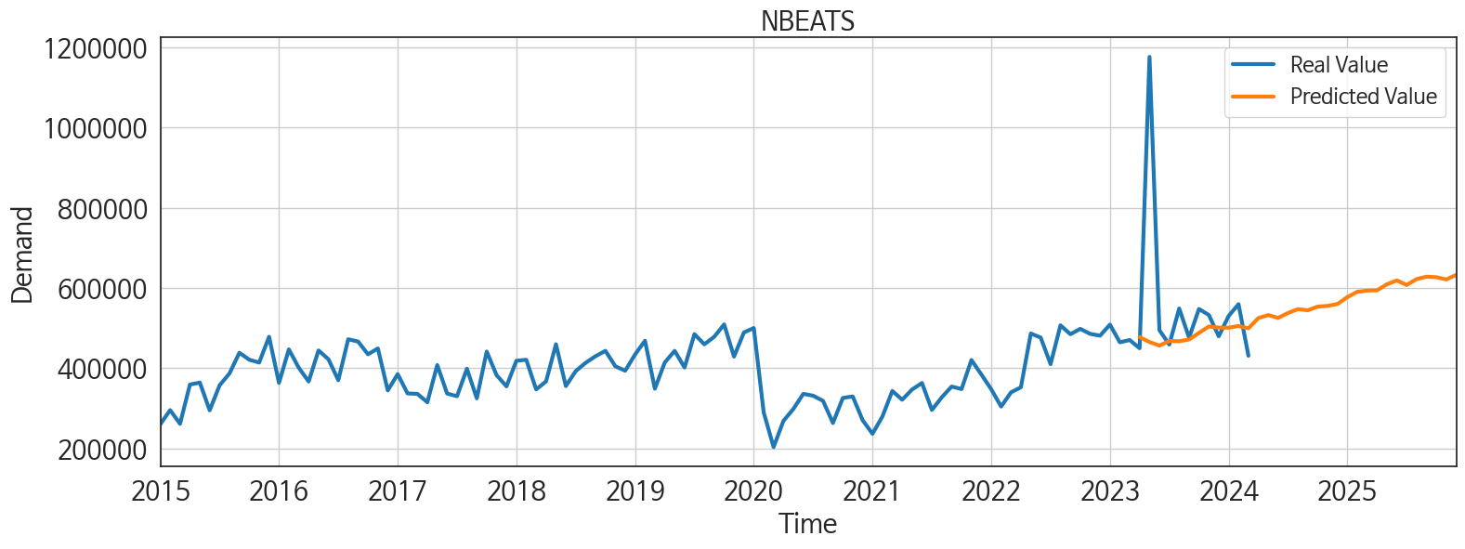
ds | unique_id | y | NBEATS | NHITS | RNN | LightGBM | RandomForest | CatBoost | XGBoost | TCN | GRU | LSTM | DilatedRNN | MLP
2023-04-01 | 1 | 449582 | 477399.59375 | 377398.125 | 338640.71875 | 357573.36023 | 355328.88973 | 357757.33583 | 356599.5 | 332207.3125 | 355213.46875 | 334051.4375 | 329768.125 | 1260291.875
2023-05-01 | 1 | 1176454 | 464952.84375 | 398811.15625 | 455953.9375 | 433432.46518 | 423619.73748 | 428158.62794 | 424741.75 | 450605.25 | 444342.84375 | 442050.21875 | 446040.5625 | 53245.117188
2023-06-01 | 1 | 494719 | 456251.3125 | 444492.21875 | 341254.28125 | 412045.67871 | 368806.42039 | 378551.75413 | 371691.875 | 380343.28125 | 349646.875 | 346832.4375 | 362170.34375 | 1339929.125
2023-07-01 | 1 | 458790 | 467614.15625 | 467773.9375 | 360148.375 | 375132.98333 | 380418.19202 | 375986.09757 | 381003.9375 | 366078.3125 | 360040.4375 | 349139.5 | 361973.71875 | 192287.10938
2023-08-01 | 1 | 548756 | 467077.6875 | 458318.59375 | 388282.8125 | 433432.46518 | 423619.73748 | 428158.62794 | 424741.75 | 419550.96875 | 409229.125 | 411939.65625 | 408409.5 | 1408293.125
2023-09-01 | 1 | 475902 | 471226.5625 | 428858.46875 | 379428.34375 | 382723.10933 | 419337.48962 | 417677.06521 | 420725.65625 | 388981.46875 | 383115.21875 | 381482.71875 | 381526.125 | 1862185.25
2023-10-01 | 1 | 547512 | 487753.90625 | 361208.21875 | 429755.375 | 433432.46518 | 428804.58531 | 437944.04115 | 426304.9375 | 460104.25 | 434068 | 433098.46875 | 435794.1875 | -356223.96875
2023-11-01 | 1 | 532426 | 503820.96875 | 328073.1875 | 341665.21875 | 391384.86177 | 365729.40067 | 369161.14556 | 366046.34375 | 349418.40625 | 346027.59375 | 350744.21875 | 344805.25 | 1270855.125
2023-12-01 | 1 | 479413 | 500971.78125 | 383143.96875 | 352945.75 | 382723.10933 | 370045.06144 | 366947.17795 | 370394.9375 | 367002.9375 | 354899.0625 | 349253.75 | 343045.15625 | 990441.3125
2024-01-01 | 1 | 530040 | 500781.65625 | 426827 | 400106.3125 | 433432.46518 | 423619.73748 | 428158.62794 | 424741.75 | 401573.6875 | 391731.1875 | 387071.40625 | 392229.125 | 1049495.125
2024-02-01 | 1 | 559458 | 505067.75 | 429838.75 | 361737.90625 | 412045.67871 | 462466.63076 | 460128.86138 | 478173.96875 | 394423.4375 | 378948.4375 | 393637.9375 | 380733.09375 | 1460825.875
2024-03-01 | 1 | 430820 | 499237.5 | 436271.625 | 313054.90625 | 357573.36023 | 355328.88973 | 357757.33583 | 356599.5 | 312988.75 | 317482.0625 | 313183.875 | 313969.4375 | 141903.98438
2024-04-01 | 1 | 0 | 524770.375 | 461178.8125 | 378028.15625 | 433432.46518 | 421581.06134 | 422733.08187 | 424475.5 | 374947.40625 | 385814.53125 | 361757.5625 | 372560.71875 | 741383.25
2024-05-01 | 1 | 0 | 532324.875 | 472026.8125 | 392485.53125 | 433432.46518 | 430667.87867 | 436186.82376 | 419567.59375 | 394767.875 | 389196.65625 | 405784.53125 | 388098.34375 | 734984.875
2024-06-01 | 1 | 0 | 525195.25 | 346969.84375 | 343451.21875 | 382723.10933 | 370045.06144 | 366947.17795 | 370394.9375 | 339260.75 | 339900.28125 | 343110.1875 | 338407.90625 | 658075.6875
2024-07-01 | 1 | 0 | 537460.1875 | 227426.42188 | 398755.59375 | 391384.86177 | 472667.49954 | 473755.56965 | 481375.53125 | 393023.78125 | 396430.65625 | 391498.40625 | 406077.15625 | 1606191.875
2024-08-01 | 1 | 0 | 547009.8125 | 278809.78125 | 372130.53125 | 412045.67871 | 368806.42039 | 378551.75413 | 371691.875 | 368609.15625 | 377702.875 | 387981 | 368280.03125 | 1396720.375
2024-09-01 | 1 | 0 | 544275 | 330193.1875 | 457268.6875 | 412045.67871 | 456316.462 | 461943.2382 | 462242.75 | 456851.84375 | 447870.96875 | 446535.34375 | 457477.40625 | 1076199.125
2024-10-01 | 1 | 0 | 553493.125 | 583687 | 431557.65625 | 433432.46518 | 455344.69156 | 452538.24631 | 454769.15625 | 427721.5 | 424485.1875 | 448970.8125 | 445109.71875 | -112970.60938
2024-11-01 | 1 | 0 | 555211.25 | 843700.9375 | 359525.21875 | 357573.36023 | 355328.88973 | 357757.33583 | 356599.5 | 356460.25 | 360732.84375 | 388827.09375 | 370492.21875 | 218316.8125
2024-12-01 | 1 | 0 | 559924.6875 | 666681.3125 | 413507.90625 | 433432.46518 | 421581.06134 | 422733.08187 | 424475.5 | 414338.1875 | 416295.03125 | 412593.5625 | 415494.0625 | -110793.02344
2025-01-01 | 1 | 0 | 576997.9375 | 444451.34375 | 504948.15625 | 433432.46518 | 444484.6515 | 442813.75336 | 441280.09375 | 513386.375 | 480536.0625 | 506679.9375 | 501082.4375 | 1360500.625
2025-02-01 | 1 | 0 | 590313.1875 | 327159.3125 | 355282.75 | 357573.36023 | 355328.88973 | 357757.33583 | 356599.5 | 345025.03125 | 352586.125 | 360010.40625 | 358397.875 | 2206258.5
2025-03-01 | 1 | 0 | 593313.3125 | 229299.59375 | 367549.03125 | 412045.67871 | 368806.42039 | 378551.75413 | 371691.875 | 367723.15625 | 372537.875 | 362601.59375 | 361824 | 1648211.625
2025-04-01 | 1 | 0 | 594020.3125 | 185603.60938 | 432545.875 | 391384.86177 | 365729.40067 | 369161.14556 | 366046.34375 | 438463 | 433003.75 | 430329.84375 | 431559.03125 | 1043109.8125
2025-05-01 | 1 | 0 | 609099.0625 | 157073.3125 | 418240.40625 | 412045.67871 | 386154.91859 | 408230.08491 | 369487.78125 | 424146.125 | 398229.78125 | 416140.875 | 400706.5625 | 1115790.375
2025-06-01 | 1 | 0 | 618635.125 | 338261.5 | 384613.53125 | 375132.98333 | 380418.19202 | 375986.09757 | 381003.9375 | 369354.78125 | 373141.78125 | 370349.46875 | 385104.59375 | 2276317.75
2025-07-01 | 1 | 0 | 607444.125 | 601513.5625 | 453657.15625 | 391384.86177 | 472667.49954 | 473755.56965 | 481375.53125 | 459805.78125 | 452501.46875 | 453329.125 | 449021.8125 | 1751753.125
2025-08-01 | 1 | 0 | 622109.0625 | 573691.1875 | 407579 | 357573.36023 | 355328.88973 | 357757.33583 | 356599.5 | 385388.8125 | 375428 | 403930.5 | 377818.6875 | 568439.4375
2025-09-01 | 1 | 0 | 628017.8125 | 393401.75 | 454764.25 | 391384.86177 | 365729.40067 | 369161.14556 | 366046.34375 | 423416.6875 | 413156.59375 | 435793.46875 | 422564.0625 | 60695.53125
2025-10-01 | 1 | 0 | 626800.5 | 369863 | 478074.75 | 433432.46518 | 444682.89283 | 448841.7812 | 443428.53125 | 485755.3125 | 477166.125 | 489149.5625 | 481645.84375 | 1258864
2025-11-01 | 1 | 0 | 621119.9375 | 453574.4375 | 420552.25 | 357573.36023 | 355328.88973 | 357757.33583 | 356599.5 | 382242.65625 | 379987.46875 | 386405.75 | 384585.09375 | 1093650
2025-12-01 | 1 | 0 | 632496.0625 | 492814 | 492246.15625 | 433432.46518 | 423619.73748 | 428158.62794 | 424741.75 | 480550.96875 | 468272.65625 | 485056.5 | 475166.25 | 1308754.875

