Performance_전체
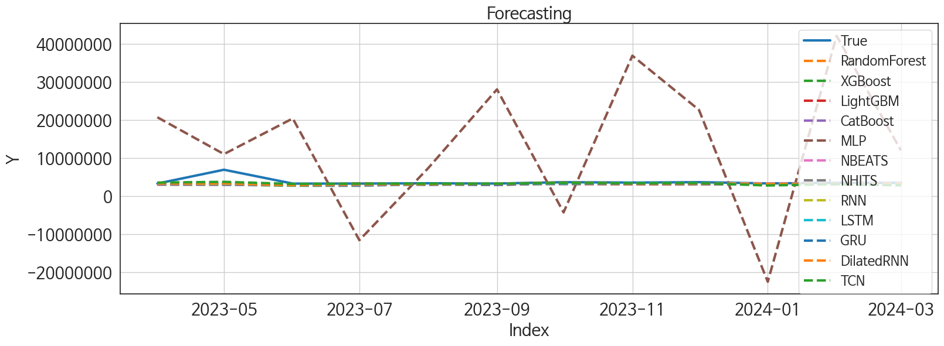
 | MSE | RMSE | MSPE | MAE | MAPE | MedAE | MedAPE
NBEATS | 1.157089949E+12 | 1075681.1558 | 0.02551996495 | 426980.4375 | 0.078676684337 | 135843.875 | 0.039565389973
RNN | 1.1649867116E+12 | 1079345.5015 | 0.027472275024 | 473149.4375 | 0.093032979762 | 182582.125 | 0.052512958074
TCN | 9.3048905249E+11 | 964618.60468 | 0.02481751643 | 483955.47917 | 0.10197315255 | 224826 | 0.0624365932
DilatedRNN | 1.1213667534E+12 | 1058946.0578 | 0.027742783695 | 516069.625 | 0.10687466175 | 261496.375 | 0.075932249503
LSTM | 1.1432871848E+12 | 1069246.0825 | 0.028706996039 | 531642.89583 | 0.11111686295 | 267081.875 | 0.07713103101
NHITS | 1.2651917596E+12 | 1124807.4322 | 0.031197053953 | 555388.16667 | 0.11463684334 | 255664.25 | 0.074765874573
GRU | 1.1123452257E+12 | 1054677.7829 | 0.029129181557 | 538433.95833 | 0.11433497401 | 279583.75 | 0.080782259457
LightGBM | 1.2774333218E+12 | 1130235.9585 | 0.033231653707 | 595641.45475 | 0.12689001478 | 316222.02045 | 0.095431477415
CatBoost | 1.3843160317E+12 | 1176569.6034 | 0.03586651399 | 622691.2118 | 0.13403313739 | 324730.07438 | 0.092603024118
RandomForest | 1.3774034514E+12 | 1173628.3276 | 0.035531179935 | 626222.80881 | 0.1348094444 | 337036.81491 | 0.095345969347
XGBoost | 1.4273754106E+12 | 1194728.1743 | 0.038901120301 | 662948.64583 | 0.14574580181 | 380843.125 | 0.10996363117
MLP | 4.3773433099E+14 | 20922101.496 | 37.288877031 | 17995916.5 | 5.2229788553 | 17303556.5 | 5.2278071425

Forecasting_전체
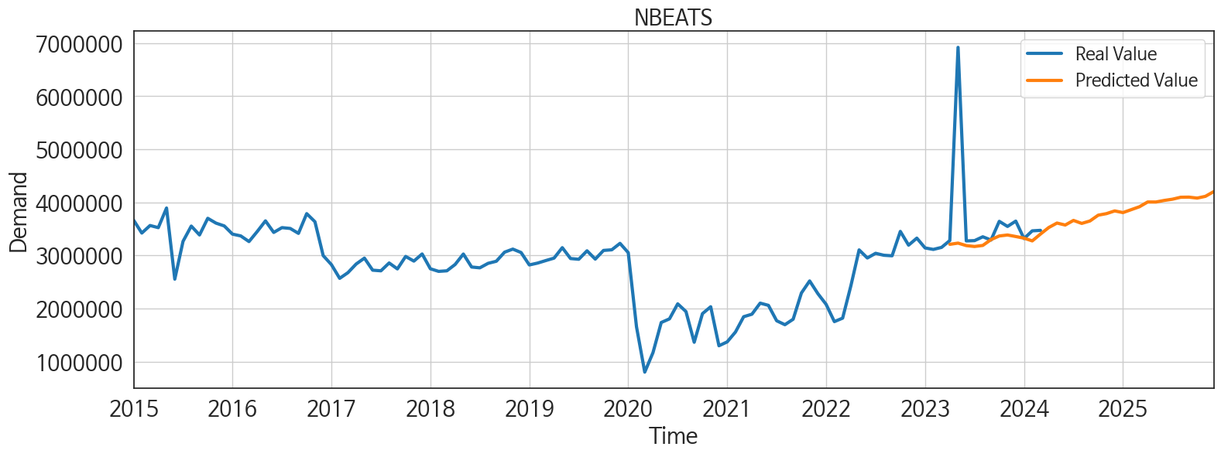
ds | unique_id | y | NBEATS | NHITS | RNN | LightGBM | RandomForest | CatBoost | XGBoost | TCN | GRU | LSTM | DilatedRNN | MLP
2023-04-01 | 1 | 3281372 | 3209957.25 | 3152503.25 | 3258838 | 3045828.4413 | 3034036.2076 | 3038521.3409 | 3036068 | 3539814 | 3261566.75 | 3481501 | 3289878.75 | 20735746
2023-05-01 | 1 | 6921600 | 3232945.5 | 3152502.25 | 3261638.25 | 3175931.1734 | 3016364.4997 | 3006871.6796 | 2988830.5 | 3734033.75 | 3421346.25 | 3343712.25 | 3366070.75 | 11040195
2023-06-01 | 1 | 3274361 | 3186083.75 | 3152500.25 | 2849845.5 | 2964375.2769 | 2826964.2819 | 2843418.2335 | 2723026.75 | 3190951.75 | 2896296.75 | 3071801.75 | 2902823.5 | 20427100
2023-07-01 | 1 | 3279768 | 3169345.25 | 3152500.5 | 3231049.5 | 3298366.9616 | 2899719.0796 | 2803389.9855 | 2710981 | 3251846.75 | 3138413.25 | 3025482.75 | 3084344.5 | -11633962
2023-08-01 | 1 | 3352224 | 3189311.5 | 3152503 | 3150890.5 | 3029765.6822 | 3107651.991 | 3121161.0241 | 3126357.25 | 3260218.5 | 2944453.75 | 3128388.75 | 3082306 | 7336411
2023-09-01 | 1 | 3291100 | 3298762.75 | 3152516.5 | 3289611 | 3196109.7515 | 3020569.773 | 2920011.5778 | 2891302 | 3240298.75 | 3140186 | 3258934.75 | 3208788.5 | 28087778
2023-10-01 | 1 | 3643417 | 3367579.25 | 3152550.75 | 3479586.25 | 3174340.9154 | 3281773.3216 | 3402293.7235 | 3399107 | 3485431.5 | 3477792 | 3319504.25 | 3534617 | -4305740
2023-11-01 | 1 | 3547176 | 3385911 | 3152565.5 | 3480132.75 | 3107160.521 | 3222848.9784 | 3251232.7112 | 3251039.5 | 3341179.5 | 3416129 | 3473312 | 3294101.25 | 36957760
2023-12-01 | 1 | 3647548 | 3357167.25 | 3152530.75 | 3386870.75 | 3089986.5019 | 3123754.3917 | 3119984.14 | 3111612.75 | 3403892.5 | 3392587.75 | 3367669.5 | 3303223.75 | 22677224
2024-01-01 | 1 | 3318669 | 3326395.75 | 3152503.75 | 3183416.5 | 3029765.6822 | 3107651.991 | 3121161.0241 | 3126357.25 | 2776882.5 | 3014461.75 | 3009929 | 3103313 | -22577924
2024-02-01 | 1 | 3464111 | 3274700 | 3152503.5 | 3075627.75 | 3182730.0568 | 3215084.3872 | 3274522.878 | 3063168.5 | 3127707.75 | 3092085.75 | 3135444.5 | 3130676.25 | 42178848
2024-03-01 | 1 | 3473501 | 3403701.5 | 3152509 | 3169547 | 3089986.5019 | 3123754.3917 | 3119984.14 | 3111612.75 | 2852008 | 2838320.5 | 2899709.75 | 3018881.75 | 12003449
2024-04-01 | 1 | 0 | 3526623 | 3152545.5 | 3374755 | 2992599.1168 | 2962004.7487 | 2995768.8609 | 2994144.5 | 2876143.75 | 3048552.5 | 3014639.5 | 3032989.25 | 51113040
2024-05-01 | 1 | 0 | 3611019 | 3152578.75 | 3498677.5 | 3174340.9154 | 3150543.2468 | 3319000.9779 | 3048502.5 | 3141576.25 | 3287177.75 | 3201052 | 3260436.5 | 4005618.75
2024-06-01 | 1 | 0 | 3573648.5 | 3152579.25 | 3102312.5 | 2931267.0372 | 2880851.3576 | 2844134.4475 | 2862347.75 | 2829048.25 | 2937790.25 | 3069817.5 | 2926503.5 | 9367581
2024-07-01 | 1 | 0 | 3660756.75 | 3152579.5 | 3029362.75 | 3144327.0863 | 2973403.5162 | 2962143.92 | 2928666.25 | 2816993 | 2921767.75 | 3039840.5 | 2945979 | -2558830.5
2024-08-01 | 1 | 0 | 3604046.75 | 3152581 | 3114090 | 3183805.5575 | 3163673.2682 | 3173222.2952 | 3178981.75 | 2978655.75 | 3065045.5 | 3180951.75 | 3073702 | -3740749.25
2024-09-01 | 1 | 0 | 3650265.25 | 3152582 | 2912035.25 | 3181139.7988 | 3149964.007 | 3162482.0836 | 3173879 | 2871410 | 2913751.75 | 2846737.75 | 2918403.5 | 1188960.75
2024-10-01 | 1 | 0 | 3759440.5 | 3152582.5 | 3298610 | 3175931.1734 | 3095912.5285 | 3070615.408 | 3078906.5 | 2989991.25 | 3116996 | 3101098.75 | 3015770.75 | 7557280.5
2024-11-01 | 1 | 0 | 3788538.5 | 3152583 | 3121636 | 3045828.4413 | 3034036.2076 | 3038521.3409 | 3036068 | 3026225.5 | 3060277.5 | 3117392.75 | 3028548.25 | 34157576
2024-12-01 | 1 | 0 | 3839723 | 3152581.25 | 3134558.25 | 3028175.4242 | 3053199.2381 | 3081610.1273 | 3080256.25 | 3084073.5 | 3073241 | 3087475.25 | 3056794.25 | -8384226
2025-01-01 | 1 | 0 | 3808182.75 | 3152579.25 | 2929051 | 3174340.9154 | 2962192.5156 | 2926258.8613 | 2904348.75 | 2858329 | 2885790 | 2866580.5 | 2911244.25 | 20047352
2025-02-01 | 1 | 0 | 3862500.25 | 3152579.75 | 2583194.25 | 2956167.5795 | 2772963.621 | 2592751.5705 | 2568852 | 2555042 | 2656169.5 | 2578434 | 2581631.5 | 14935515
2025-03-01 | 1 | 0 | 3918111.25 | 3152580.75 | 2757423 | 3415105.2144 | 3690216.4507 | 3733914.7996 | 3744437 | 2717595.75 | 2837897 | 2692782.25 | 2851193 | 43609472
2025-04-01 | 1 | 0 | 4008163 | 3152578.5 | 2876342.5 | 3107160.521 | 3222848.9784 | 3251232.7112 | 3251039.5 | 2829397.25 | 2919249.75 | 2854586.75 | 2869141.5 | 30191742
2025-05-01 | 1 | 0 | 4007408 | 3152575 | 3116436.25 | 3415105.2144 | 3675044.955 | 3695588.4998 | 3745085.5 | 3067165 | 3003520.5 | 3097529 | 3077904.5 | 9551012
2025-06-01 | 1 | 0 | 4037032.5 | 3152575.25 | 2873568.5 | 2964375.2769 | 2826964.2819 | 2843418.2335 | 2723026.75 | 2845461.25 | 2811249.25 | 2688094 | 2827514.25 | -9201879
2025-07-01 | 1 | 0 | 4060179.25 | 3152576.75 | 2919278 | 3144327.0863 | 2973403.5162 | 2962143.92 | 2928666.25 | 2970636.75 | 2946728.75 | 3146182.5 | 2914482 | -15676979
2025-08-01 | 1 | 0 | 4097172.25 | 3152575.25 | 2998322.25 | 3089986.5019 | 3123754.3917 | 3119984.14 | 3111612.75 | 2954715 | 2906150.25 | 2938642.25 | 3020056.5 | -9709959
2025-09-01 | 1 | 0 | 4099446.75 | 3152571.5 | 2487346.5 | 3107160.521 | 3222848.9784 | 3251232.7112 | 3251039.5 | 2607382.25 | 2619548.75 | 2606315.25 | 2632360 | 177773504
2025-10-01 | 1 | 0 | 4081235 | 3152571 | 3112693.75 | 3174340.9154 | 2962192.5156 | 2926258.8613 | 2904348.75 | 3048347.75 | 3005371.5 | 3124526.5 | 3112652 | 289711104
2025-11-01 | 1 | 0 | 4114394.75 | 3152572.75 | 2883694.25 | 3045828.4413 | 3034036.2076 | 3038521.3409 | 3036068 | 2892056 | 2905323.5 | 2905329.75 | 2854536 | 653034112
2025-12-01 | 1 | 0 | 4202335.5 | 3152573.5 | 3077447.5 | 3029765.6822 | 3107651.991 | 3121161.0241 | 3126357.25 | 3026379.75 | 2934237.75 | 2925047 | 2859218.25 | 886212608

Performance_주말
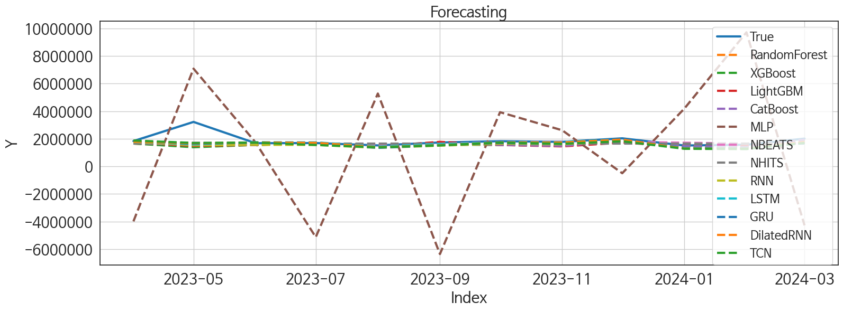
 | MSE | RMSE | MSPE | MAE | MAPE | MedAE | MedAPE
LSTM | 2.4072990777E+11 | 490642.34201 | 0.02780646578 | 240554.10417 | 0.10297512606 | 89993.125 | 0.053896282652
NBEATS | 2.1380112569E+11 | 462386.33813 | 0.02507193854 | 241069.21875 | 0.1035800111 | 100352.125 | 0.062462498295
DilatedRNN | 2.2345515898E+11 | 472710.43883 | 0.02756822736 | 247546.4375 | 0.10977668168 | 109914.75 | 0.067228400292
LightGBM | 2.843285173E+11 | 533224.64056 | 0.033600021266 | 285629.62339 | 0.12269337432 | 120653.44381 | 0.069073062094
CatBoost | 2.5091960684E+11 | 500918.76272 | 0.029545648611 | 264422.98785 | 0.11425620415 | 147531.70135 | 0.08359375653
RandomForest | 2.8793001257E+11 | 536591.1037 | 0.03302128832 | 276434.10444 | 0.11794497714 | 132808.80671 | 0.082065889918
XGBoost | 3.045604998E+11 | 551870.00262 | 0.034465542817 | 278642.86458 | 0.1181057409 | 141188.875 | 0.084052130506
NHITS | 2.4720024098E+11 | 497192.35813 | 0.030360805655 | 282767.58333 | 0.12353530785 | 132178.75 | 0.080375797953
GRU | 2.3557372794E+11 | 485359.3802 | 0.029487901839 | 263301.44792 | 0.11790772136 | 159181.5625 | 0.096478548463
TCN | 2.2775823977E+11 | 477240.23277 | 0.030319473052 | 283957.97917 | 0.13049041562 | 176889.625 | 0.098903017137
RNN | 2.7189605941E+11 | 521436.53441 | 0.0339324685 | 305115.66667 | 0.13873065835 | 187589.625 | 0.11092306998
MLP | 2.49917042E+13 | 4999170.3512 | 8.2526030445 | 4251483.1042 | 2.3818614086 | 3813448.75 | 2.1229225361

Forecasting_주말
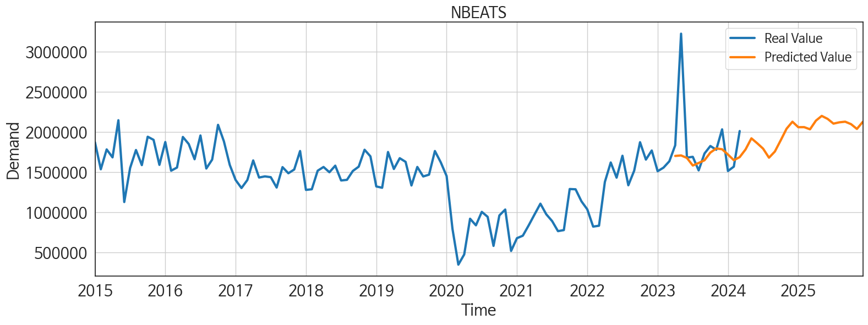
ds | unique_id | y | NBEATS | NHITS | RNN | LightGBM | RandomForest | CatBoost | XGBoost | TCN | GRU | LSTM | DilatedRNN | MLP
2023-04-01 | 1 | 1831775 | 1699556.5 | 1633388.375 | 1776310.75 | 1719281.5537 | 1652745.085 | 1659392.1119 | 1653210.875 | 1872948.875 | 1810532.625 | 1817919.5 | 1806343.375 | -3990894.25
2023-05-01 | 1 | 3222240 | 1706143.25 | 1633388.125 | 1526072.75 | 1481920.1089 | 1446178.5425 | 1574937.8868 | 1387114.875 | 1698813.75 | 1642856.625 | 1593644.75 | 1671811.875 | 7087157.5
2023-06-01 | 1 | 1678704 | 1674776.375 | 1633387.875 | 1560452.25 | 1549890.5587 | 1551697.3944 | 1556023.4854 | 1553440.5 | 1722995.75 | 1723972.25 | 1750548.5 | 1729261 | 1726950.25
2023-07-01 | 1 | 1688805 | 1580422.125 | 1633388.125 | 1557225 | 1719281.5537 | 1652745.085 | 1659392.1119 | 1653210.875 | 1549190.125 | 1667612.875 | 1741362.75 | 1708765 | -5136206
2023-08-01 | 1 | 1519750 | 1612071.375 | 1633388.75 | 1341667.5 | 1447315.8768 | 1477420.1887 | 1482215.9976 | 1483997.25 | 1377264 | 1343121.875 | 1436826.375 | 1392902.625 | 5281730
2023-09-01 | 1 | 1730278 | 1646030 | 1633389.25 | 1503820.875 | 1777086.1391 | 1623760.6938 | 1607711.2586 | 1577891.75 | 1516351.625 | 1534460.5 | 1621155.5 | 1531998.25 | -6364974.5
2023-10-01 | 1 | 1823506 | 1741602.25 | 1633389.25 | 1632644.5 | 1549890.5587 | 1551697.3944 | 1556023.4854 | 1553440.5 | 1732192.25 | 1695649.75 | 1726443.375 | 1730523.875 | 3927755.75
2023-11-01 | 1 | 1776440 | 1792734.625 | 1633389.5 | 1597364.375 | 1447315.8768 | 1477420.1887 | 1482215.9976 | 1483997.25 | 1638269.375 | 1634705 | 1767444 | 1729585.625 | 2617964
2023-12-01 | 1 | 2030693 | 1783036.375 | 1633389.625 | 1846375.25 | 1719281.5537 | 1816042.9379 | 1831848.9087 | 1857816.5 | 1819399.75 | 1979464 | 1952975 | 1939735.375 | -499877
2024-01-01 | 1 | 1512083 | 1717228.25 | 1633390 | 1314055.25 | 1447315.8768 | 1477420.1887 | 1482215.9976 | 1483997.25 | 1272403.875 | 1312642.875 | 1334436 | 1290630.625 | 4189152
2024-02-01 | 1 | 1566682 | 1646643.125 | 1633389.75 | 1324070.375 | 1481920.1089 | 1428070.9922 | 1389439.8317 | 1436690.5 | 1252588 | 1291359.75 | 1315713.125 | 1271211.5 | 9721570
2024-03-01 | 1 | 2009616 | 1684941.875 | 1633389.375 | 1749125.125 | 1777086.1391 | 1918164.0553 | 1936079.0728 | 1922049.5 | 1701590.125 | 1685113 | 1694258.375 | 1758279.625 | -4281804
2024-04-01 | 1 | 0 | 1780438.75 | 1633389.375 | 1532692.375 | 1447315.8768 | 1477420.1887 | 1482215.9976 | 1483997.25 | 1467052.375 | 1442944 | 1455385.375 | 1447356.5 | -310602.90625
2024-05-01 | 1 | 0 | 1918910.625 | 1633389.125 | 1573275.125 | 1607695.144 | 1716770.883 | 1676842.3578 | 1780658.75 | 1514104.125 | 1570619 | 1600866.375 | 1550058 | -8601642
2024-06-01 | 1 | 0 | 1857128 | 1633389.125 | 1566209.5 | 1719281.5537 | 1652745.085 | 1659392.1119 | 1653210.875 | 1566990.125 | 1561645.875 | 1585134.5 | 1576523.5 | 10379327
2024-07-01 | 1 | 0 | 1790162 | 1633389.25 | 1371630.5 | 1447315.8768 | 1477420.1887 | 1482215.9976 | 1483997.25 | 1374171.75 | 1368784.375 | 1353481.625 | 1386772 | 3348536.5
2024-08-01 | 1 | 0 | 1677914.5 | 1633389.625 | 1555046.375 | 1719281.5537 | 1652745.085 | 1659392.1119 | 1653210.875 | 1487363.375 | 1520833.25 | 1577175.5 | 1578975.625 | 948352
2024-09-01 | 1 | 0 | 1754288.25 | 1633390.125 | 1522809 | 1549890.5587 | 1551697.3944 | 1556023.4854 | 1553440.5 | 1440073.625 | 1525527.5 | 1499920.875 | 1475432.875 | 12844779
2024-10-01 | 1 | 0 | 1894333.125 | 1633390 | 1440577.5 | 1447315.8768 | 1477420.1887 | 1482215.9976 | 1483997.25 | 1422304.5 | 1300224.625 | 1502476.875 | 1418117.875 | 2495737
2024-11-01 | 1 | 0 | 2038888.25 | 1633389.875 | 1583598.5 | 1719281.5537 | 1652745.085 | 1659392.1119 | 1653210.875 | 1700761 | 1583103.25 | 1644789.75 | 1574063.25 | 5748605.5
2024-12-01 | 1 | 0 | 2125874.75 | 1633389.75 | 1607070 | 1549890.5587 | 1551697.3944 | 1556023.4854 | 1553440.5 | 1611432.75 | 1645375.25 | 1672495.25 | 1635929.75 | -193887.29688
2025-01-01 | 1 | 0 | 2057758.75 | 1633389.625 | 1354094 | 1549890.5587 | 1551697.3944 | 1556023.4854 | 1553440.5 | 1384855.875 | 1549221.75 | 1411154.75 | 1377765.75 | -5351912
2025-02-01 | 1 | 0 | 2058446.75 | 1633390 | 1280517.25 | 1447315.8768 | 1477420.1887 | 1482215.9976 | 1483997.25 | 1327462.25 | 1322096.125 | 1310749.125 | 1299588.375 | 9855827
2025-03-01 | 1 | 0 | 2031496.875 | 1633390.5 | 1539310 | 1777086.1391 | 1813836.7631 | 1795982.3839 | 1816392.375 | 1555415.125 | 1523041.375 | 1589464.5 | 1591628.75 | 27504596
2025-04-01 | 1 | 0 | 2138915.25 | 1633390.625 | 1444070.5 | 1447315.8768 | 1477420.1887 | 1482215.9976 | 1483997.25 | 1517424.5 | 1430566 | 1463011.75 | 1469664.625 | 30019794
2025-05-01 | 1 | 0 | 2198296.5 | 1633390.125 | 1594073.125 | 1719281.5537 | 1652745.085 | 1659392.1119 | 1653210.875 | 1608320.375 | 1611730.25 | 1640038.25 | 1615745.75 | 72737120
2025-06-01 | 1 | 0 | 2161330.5 | 1633390 | 1575094.5 | 1607695.144 | 1716770.883 | 1676842.3578 | 1780658.75 | 1548703.75 | 1574691 | 1542671.625 | 1509804.625 | 87770776
2025-07-01 | 1 | 0 | 2102161.75 | 1633389.5 | 1435283.5 | 1447315.8768 | 1477420.1887 | 1482215.9976 | 1483997.25 | 1492102.75 | 1481366.75 | 1509170.125 | 1447024.875 | 86477120
2025-08-01 | 1 | 0 | 2118349.25 | 1633389.5 | 1702122.5 | 1777086.1391 | 1918164.0553 | 1936079.0728 | 1922049.5 | 1676266.25 | 1675115.875 | 1647621.5 | 1677341 | 71421224
2025-09-01 | 1 | 0 | 2126174.5 | 1633389.75 | 1275352.875 | 1447315.8768 | 1477420.1887 | 1482215.9976 | 1483997.25 | 1254630.625 | 1270009.625 | 1244080 | 1282242.5 | 174183840
2025-10-01 | 1 | 0 | 2095500.375 | 1633389.875 | 1495205.75 | 1607695.144 | 1675518.9875 | 1606563.7787 | 1668129.5 | 1499164.625 | 1458031.125 | 1493702.875 | 1525474.375 | 228195552
2025-11-01 | 1 | 0 | 2036192.625 | 1633389.625 | 1706004.125 | 1719281.5537 | 1652745.085 | 1659392.1119 | 1653210.875 | 1744002.75 | 1756844.875 | 1776170.875 | 1711595.375 | 253962512
2025-12-01 | 1 | 0 | 2123972 | 1633389.75 | 1440243.75 | 1447315.8768 | 1477420.1887 | 1482215.9976 | 1483997.25 | 1459951.5 | 1582011.625 | 1541623 | 1501690 | 562086848

Performance_주중
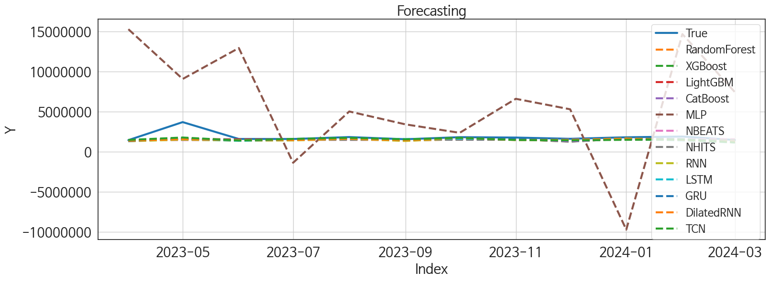
 | MSE | RMSE | MSPE | MAE | MAPE | MedAE | MedAPE
GRU | 3.6456912722E+11 | 603795.60053 | 0.0337234642 | 298957.27083 | 0.12378467031 | 140273.25 | 0.080887988901
DilatedRNN | 4.1143162102E+11 | 641429.35778 | 0.040781584176 | 345507.91667 | 0.14758198914 | 161197.5 | 0.094539640206
NHITS | 4.3845253148E+11 | 662157.48239 | 0.04180026642 | 343701 | 0.14102037282 | 174684.625 | 0.10127758297
LightGBM | 4.001530951E+11 | 632576.55276 | 0.036889497678 | 325944.76372 | 0.13439473408 | 186858.17101 | 0.11031555862
CatBoost | 3.9362456916E+11 | 627395.06625 | 0.039247663588 | 345082.78751 | 0.14829483333 | 179157.79046 | 0.10054445967
XGBoost | 3.9711491095E+11 | 630170.54116 | 0.040286476475 | 349738.05208 | 0.1507479434 | 179465 | 0.098969494647
LSTM | 4.0512132047E+11 | 636491.4143 | 0.041316206779 | 340521.19792 | 0.14451349976 | 193215.875 | 0.1065590399
NBEATS | 4.6050126329E+11 | 678602.43389 | 0.043184535546 | 350929.36458 | 0.14426896246 | 187916.5 | 0.11033214017
TCN | 3.510447996E+11 | 592490.33714 | 0.03709552348 | 319428.66667 | 0.13676029295 | 191723.8125 | 0.1193651766
RandomForest | 4.0197955609E+11 | 634018.57708 | 0.04102043544 | 357281.50974 | 0.15515195831 | 191346.59641 | 0.11163609814
RNN | 4.4101361923E+11 | 664088.56279 | 0.043529145359 | 365531.22917 | 0.15847558668 | 209226.9375 | 0.13011478364
MLP | 6.178803329E+13 | 7860536.4506 | 22.286413641 | 6496255.25 | 3.7857813209 | 5110328.5 | 2.5053559725

Forecasting_주중
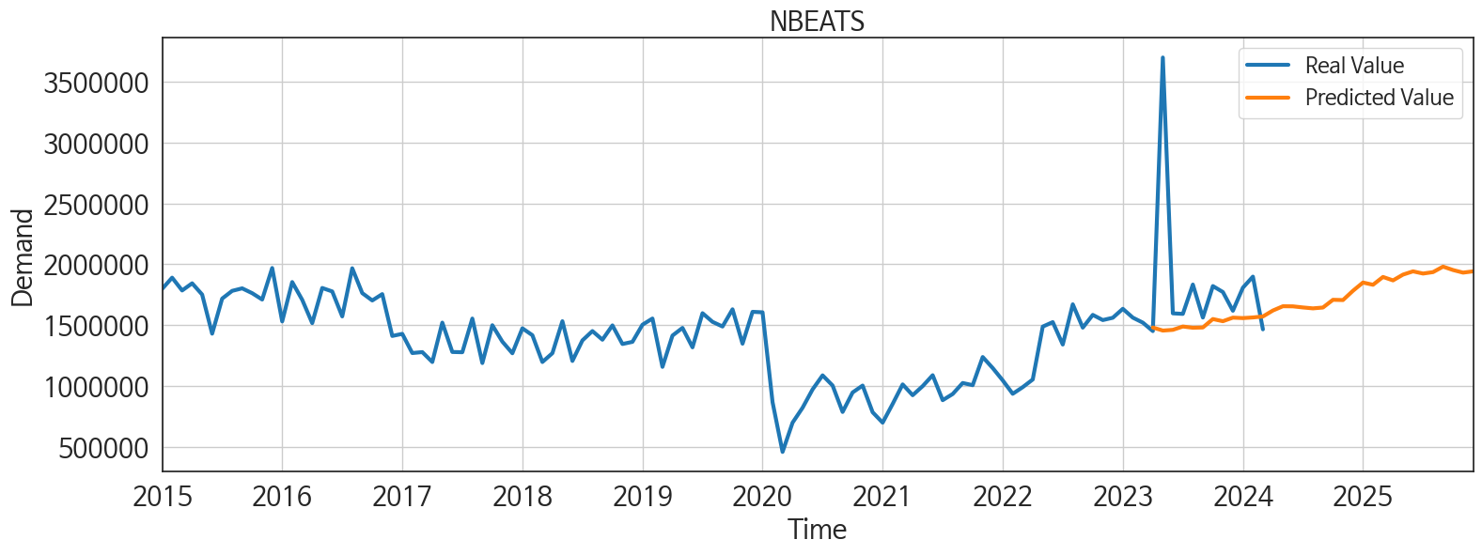
ds | unique_id | y | NBEATS | NHITS | RNN | LightGBM | RandomForest | CatBoost | XGBoost | TCN | GRU | LSTM | DilatedRNN | MLP
2023-04-01 | 1 | 1449597 | 1479137.5 | 1519111.875 | 1310229.875 | 1378359.3834 | 1338782.533 | 1339828.0495 | 1345837 | 1475726.875 | 1328690.625 | 1451339.625 | 1380547.75 | 15293461
2023-05-01 | 1 | 3699360 | 1453901.125 | 1519112.25 | 1509774.75 | 1596554.2525 | 1628183.4036 | 1640372.2095 | 1640065 | 1775381.25 | 1681071.5 | 1620456.625 | 1590697 | 9082177
2023-06-01 | 1 | 1595657 | 1459812.25 | 1519112.875 | 1378072.875 | 1546412.3365 | 1467276.5032 | 1477479.0229 | 1476213.5 | 1404104.375 | 1436250.125 | 1366534.5 | 1450464 | 12946664
2023-07-01 | 1 | 1590963 | 1487305.375 | 1519113.25 | 1412151.875 | 1504682.2425 | 1502384.6008 | 1504988.8002 | 1506749.25 | 1603508.375 | 1518463.375 | 1502570.25 | 1473732.125 | -1371941.5
2023-08-01 | 1 | 1832474 | 1477078.75 | 1519113.5 | 1605486.625 | 1596554.2525 | 1628183.4036 | 1640372.2095 | 1640065 | 1734241.375 | 1693508 | 1678705.875 | 1635202.875 | 5026757.5
2023-09-01 | 1 | 1560822 | 1479298.375 | 1519112.5 | 1345127.625 | 1438620.4853 | 1386339.7275 | 1410581.9771 | 1415760.125 | 1546132.625 | 1492780 | 1579334.25 | 1440081.125 | 3419108.25
2023-10-01 | 1 | 1819911 | 1548621 | 1519110.375 | 1696989.375 | 1596554.2525 | 1543929.7895 | 1606497.7583 | 1580430.625 | 1736598 | 1780575.75 | 1626568.75 | 1735575.5 | 2363527.25
2023-11-01 | 1 | 1770736 | 1530747.75 | 1519109.5 | 1527252.125 | 1575254.1726 | 1553785.75 | 1572121.2707 | 1566701.125 | 1469062.25 | 1622337 | 1566773 | 1457861.875 | 6608576
2023-12-01 | 1 | 1616855 | 1560215.875 | 1519112.25 | 1459337.625 | 1438620.4853 | 1268739.1781 | 1282394.1171 | 1262399.25 | 1424960 | 1537221.625 | 1465478.625 | 1486726.75 | 5301029
2024-01-01 | 1 | 1806586 | 1556453.375 | 1519114.875 | 1702015.875 | 1596554.2525 | 1628183.4036 | 1640372.2095 | 1640065 | 1493227.75 | 1665005.5 | 1613496.5 | 1629384 | -9722884
2024-02-01 | 1 | 1897429 | 1561701.125 | 1519115.25 | 1510336.125 | 1546412.3365 | 1532326.0572 | 1508445.876 | 1487295.5 | 1526799.875 | 1566386.25 | 1419399.625 | 1482327.625 | 14690363
2024-03-01 | 1 | 1463885 | 1569838.875 | 1519115.75 | 1261125.5 | 1378359.3834 | 1338782.533 | 1339828.0495 | 1345837 | 1158738.75 | 1194498 | 1167872.75 | 1195579.375 | 7437751.5
2024-04-01 | 1 | 0 | 1618884.625 | 1519116 | 1541492.125 | 1596554.2525 | 1544383.1546 | 1569121.2165 | 1565038.5 | 1348740.75 | 1422745 | 1390872.125 | 1329392.125 | 16527379
2024-05-01 | 1 | 0 | 1653967.25 | 1519116.25 | 1576750 | 1596554.2525 | 1542203.9286 | 1562658.0534 | 1532964.75 | 1445671.5 | 1472937.25 | 1481293.5 | 1549449.625 | 205027.51562
2024-06-01 | 1 | 0 | 1653076.625 | 1519114 | 1336539.125 | 1438620.4853 | 1268739.1781 | 1282394.1171 | 1262399.25 | 1207465.625 | 1225282 | 1282929.5 | 1267762.25 | 9928529
2024-07-01 | 1 | 0 | 1643904.5 | 1519111.75 | 1641193 | 1575254.1726 | 1748760.0845 | 1766827.6152 | 1782602.25 | 1453376 | 1555136.25 | 1514133 | 1532316.5 | 10185617
2024-08-01 | 1 | 0 | 1636456.5 | 1519112 | 1535619.25 | 1546412.3365 | 1467276.5032 | 1477479.0229 | 1476213.5 | 1337294.375 | 1429345.125 | 1477752 | 1439301.625 | -4351012
2024-09-01 | 1 | 0 | 1643381.5 | 1519112.375 | 1522459.875 | 1546412.3365 | 1673671.0877 | 1658769.7507 | 1642793.625 | 1500764.375 | 1528997.875 | 1491644.75 | 1524660.125 | 3659847.25
2024-10-01 | 1 | 0 | 1706926.5 | 1519113.375 | 1730338.875 | 1596554.2525 | 1543377.1427 | 1543912.4556 | 1543780.25 | 1497675.25 | 1623493.875 | 1598196.625 | 1532784.125 | 3232072
2024-11-01 | 1 | 0 | 1704767.375 | 1519114.25 | 1439710.125 | 1378359.3834 | 1338782.533 | 1339828.0495 | 1345837 | 1234285.375 | 1230325.375 | 1247096.375 | 1241317.625 | 8596320
2024-12-01 | 1 | 0 | 1781129.25 | 1519114.125 | 1520919.5 | 1596554.2525 | 1544383.1546 | 1569121.2165 | 1565038.5 | 1489919.75 | 1478268 | 1428162.375 | 1475677.75 | -3550176.5
2025-01-01 | 1 | 0 | 1848869 | 1519114.25 | 1570840.25 | 1596554.2525 | 1566455.6937 | 1503131.8628 | 1497759.25 | 1650303.5 | 1665515.5 | 1643148.375 | 1625172.25 | 2632624.25
2025-02-01 | 1 | 0 | 1830492.5 | 1519114.875 | 1248537 | 1378359.3834 | 1338782.533 | 1339828.0495 | 1345837 | 1180420.125 | 1218281.375 | 1182302.875 | 1171355.75 | 1677979.625
2025-03-01 | 1 | 0 | 1894801.75 | 1519115.5 | 1441777.625 | 1546412.3365 | 1467276.5032 | 1477479.0229 | 1476213.5 | 1261504.625 | 1279479.375 | 1251418 | 1266059 | 22908874
2025-04-01 | 1 | 0 | 1866472.5 | 1519115.125 | 1415214.75 | 1575254.1726 | 1553785.75 | 1572121.2707 | 1566701.125 | 1498478.75 | 1453774.125 | 1451268 | 1525388 | 56430204
2025-05-01 | 1 | 0 | 1914133 | 1519114.125 | 1431621.5 | 1546412.3365 | 1595892.8481 | 1631605.2277 | 1604845.125 | 1397579 | 1330766.125 | 1432584 | 1387719.625 | 54097484
2025-06-01 | 1 | 0 | 1940886.375 | 1519113.625 | 1368776 | 1504682.2425 | 1502384.6008 | 1504988.8002 | 1506749.25 | 1292324.625 | 1281141.75 | 1276447.125 | 1248790.125 | 42709128
2025-07-01 | 1 | 0 | 1922808.125 | 1519113.25 | 1608152 | 1575254.1726 | 1748760.0845 | 1766827.6152 | 1782602.25 | 1601338.25 | 1589247.375 | 1603027.375 | 1563802.5 | 82174832
2025-08-01 | 1 | 0 | 1934629.5 | 1519113.625 | 1280568.25 | 1378359.3834 | 1338782.533 | 1339828.0495 | 1345837 | 1325626.625 | 1261300.375 | 1308017.875 | 1353133.5 | 87658120
2025-09-01 | 1 | 0 | 1979692.625 | 1519114.375 | 1512714.5 | 1575254.1726 | 1553785.75 | 1572121.2707 | 1566701.125 | 1408591.625 | 1381939 | 1400183.75 | 1422106.5 | 129366952
2025-10-01 | 1 | 0 | 1951668.875 | 1519114.125 | 1490703.875 | 1596554.2525 | 1707805.9964 | 1612944.1476 | 1497917.875 | 1585878.375 | 1546653.875 | 1577465.875 | 1542300.625 | 142557232
2025-11-01 | 1 | 0 | 1930463.875 | 1519113 | 1323343.625 | 1378359.3834 | 1338782.533 | 1339828.0495 | 1345837 | 1279707.375 | 1274487.125 | 1268912.875 | 1312618.375 | 148238752
2025-12-01 | 1 | 0 | 1940879.125 | 1519112.625 | 1611915.125 | 1596554.2525 | 1628183.4036 | 1640372.2095 | 1640065 | 1643444.125 | 1567245 | 1554193.75 | 1618451.375 | 251126880

