Performance_전체
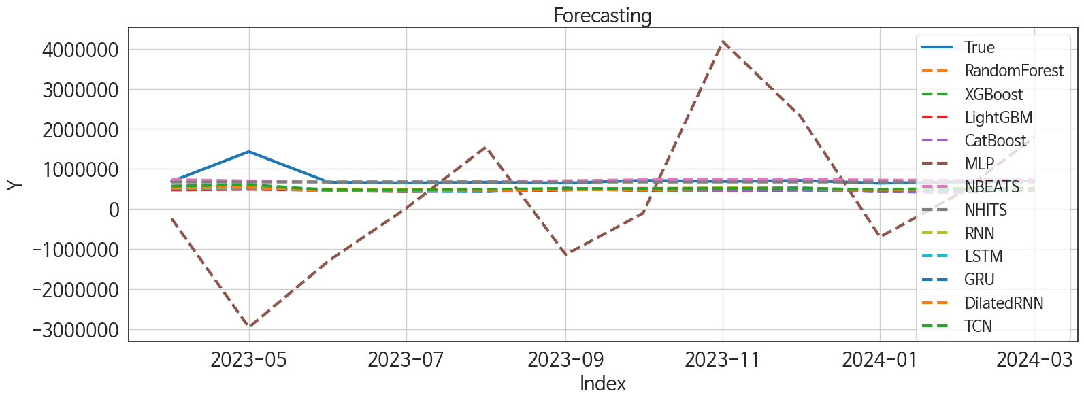
 | MSE | RMSE | MSPE | MAE | MAPE | MedAE | MedAPE
NHITS | 48630527768 | 220523.30436 | 0.024621176315 | 82758.041667 | 0.07262453907 | 23271.15625 | 0.035821408972
NBEATS | 46257337433 | 215075.19018 | 0.025675530559 | 96545.479167 | 0.09550584918 | 45273.65625 | 0.065531129481
TCN | 84635738623 | 290922.22092 | 0.087992149357 | 227031.70833 | 0.28074560838 | 176042.17188 | 0.26660616907
RNN | 95528302117 | 309076.53117 | 0.092681431191 | 233384.19792 | 0.28519886116 | 179837.75 | 0.26459722789
GRU | 96297610195 | 310318.56244 | 0.10081107519 | 243680.9375 | 0.3022109585 | 187952.04688 | 0.27921785728
DilatedRNN | 1.0158143204E+11 | 318718.42124 | 0.1074035434 | 251929.90885 | 0.31282004854 | 195951.6875 | 0.29444229231
LSTM | 1.0572563161E+11 | 325154.78101 | 0.1143854039 | 260023.46875 | 0.32430036535 | 211415.07812 | 0.30161403562
RandomForest | 1.0947950259E+11 | 330876.86923 | 0.12303505539 | 269010.99018 | 0.33747700999 | 226153.62478 | 0.31885262268
LightGBM | 1.1501043837E+11 | 339131.88934 | 0.12477896685 | 271471.40579 | 0.3386478788 | 218867.87942 | 0.32117528808
XGBoost | 1.1259730224E+11 | 335555.21488 | 0.128009657 | 273924.40104 | 0.34414268942 | 224522.21875 | 0.32357030632
CatBoost | 1.1236187237E+11 | 335204.22487 | 0.12828636027 | 274001.66643 | 0.34453436327 | 225612.97412 | 0.32413100971
MLP | 3.8987618129E+12 | 1974528.2507 | 5.7529028465 | 1600475.2928 | 2.0753186004 | 1218142.375 | 1.8208512456

Forecasting_전체
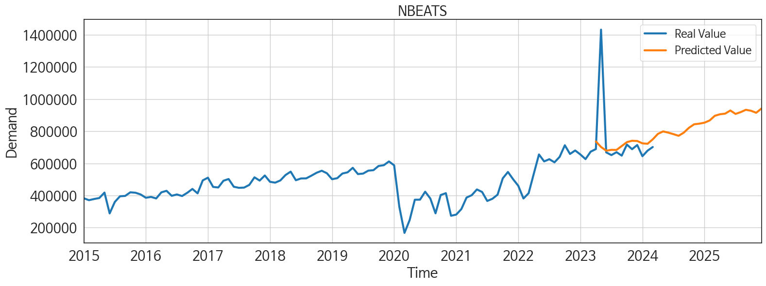
ds | unique_id | y | NBEATS | NHITS | RNN | LightGBM | RandomForest | CatBoost | XGBoost | TCN | GRU | LSTM | DilatedRNN | MLP
2023-04-01 | 1 | 688648 | 736484.0625 | 673035.25 | 543313.3125 | 474072.14877 | 492754.23264 | 492265.3429 | 491423.21875 | 574725.5625 | 528722.375 | 499130.125 | 521608.4375 | -237672.89062
2023-05-01 | 1 | 1432442 | 701859.25 | 673036.5625 | 529638.625 | 491320.27133 | 531505.20817 | 527780.05785 | 525369.9375 | 608986.5625 | 554436.4375 | 528395 | 536905.625 | -2952647
2023-06-01 | 1 | 668339 | 678896.3125 | 673038 | 498658.3125 | 466578.67201 | 469275.80819 | 455694.11589 | 454313.4375 | 473336.8125 | 480751.34375 | 454944.0625 | 455683.1875 | -1290723.375
2023-07-01 | 1 | 651454 | 683958.5 | 673041.1875 | 493858.875 | 491176.87194 | 450840.86881 | 444502.67328 | 447600.34375 | 474982.28125 | 437038.125 | 432666.375 | 455658.8125 | 16635.595703
2023-08-01 | 1 | 669451 | 683603 | 673040.1875 | 481686.0625 | 439959.61212 | 439207.24951 | 437133.21908 | 436618.8125 | 493838.375 | 470978.84375 | 455877.75 | 473342.8125 | 1545378
2023-09-01 | 1 | 648086 | 707643.25 | 673041.125 | 505409.0625 | 472460.93067 | 515596.15136 | 522539.86623 | 523303.71875 | 510925.1875 | 501144.4375 | 486501 | 484081.5 | -1135950.875
2023-10-01 | 1 | 716861 | 732002.1875 | 673040.1875 | 515652.3125 | 517789.8789 | 488356.84547 | 470815.23031 | 451854.53125 | 504412.875 | 505275.34375 | 479552.8125 | 479546.15625 | -104431.46875
2023-11-01 | 1 | 688137 | 740693.75 | 673037.8125 | 530908.9375 | 448535.78857 | 459561.35293 | 457700.63148 | 458511.5 | 517174.625 | 510311.625 | 500996.875 | 498769.28125 | 4176386.5
2023-12-01 | 1 | 714043 | 739158.75 | 673044.625 | 527009.25 | 473651.62587 | 477886.90497 | 480900.42027 | 482271.0625 | 503250.53125 | 525726.5625 | 496434.46875 | 502725 | 2321493
2024-01-01 | 1 | 644503 | 724497.875 | 673048.6875 | 471861.25 | 439959.61212 | 439207.24951 | 437133.21908 | 436618.8125 | 489314.4375 | 465293.25 | 468881.15625 | 475123.8125 | -697331.25
2024-02-01 | 1 | 679183 | 721966.1875 | 673045.0625 | 490073.03125 | 456023.09239 | 432626.34133 | 407451.80624 | 425587.75 | 517306.8125 | 494035.0625 | 486920.96875 | 505282.84375 | 392010.75
2024-03-01 | 1 | 701690 | 749454.125 | 673044.1875 | 514157.59375 | 473651.62587 | 477886.90497 | 480900.42027 | 482271.0625 | 510202.4375 | 504952.34375 | 492254.78125 | 490950.625 | 1796140.5
2024-04-01 | 1 | 0 | 783607.125 | 673045.8125 | 538349.125 | 422854.88895 | 353290.66952 | 350404.32523 | 343132.6875 | 531826.875 | 512974.53125 | 503865.0625 | 508993.1875 | 1595602.875
2024-05-01 | 1 | 0 | 798869.5 | 673044.4375 | 571112.125 | 517789.8789 | 506064.01079 | 506159.7728 | 501467.125 | 560229.9375 | 561589.4375 | 555947.4375 | 559747.75 | 1332460.25
2024-06-01 | 1 | 0 | 791261 | 673042.0625 | 501388.03125 | 456546.90271 | 511258.41569 | 510893.04164 | 514058.0625 | 505187.59375 | 514866.53125 | 491604.90625 | 494364.75 | 837059.6875
2024-07-01 | 1 | 0 | 781742.25 | 673041 | 499404.125 | 465640.51173 | 508912.37149 | 529394.10184 | 536273 | 523148.90625 | 473619.21875 | 480011.28125 | 490793.84375 | 3835264.75
2024-08-01 | 1 | 0 | 771656.5 | 673044.125 | 518117.34375 | 473651.62587 | 476957.86522 | 475798.20369 | 476330.6875 | 581461.625 | 509705.625 | 514529.0625 | 520112.5625 | 1964295
2024-09-01 | 1 | 0 | 791282.8125 | 673047.625 | 514265.9375 | 482492.69997 | 493766.776 | 483854.22744 | 487056.28125 | 549310.375 | 507566.8125 | 515165.15625 | 513585.75 | -571713.5625
2024-10-01 | 1 | 0 | 821463.875 | 673050.3125 | 504716.6875 | 491320.27133 | 544559.63546 | 557493.31582 | 562498.25 | 586750.5625 | 518747.3125 | 526990.1875 | 526443.5625 | 3560068
2024-11-01 | 1 | 0 | 843247.75 | 673048.3125 | 514153.40625 | 474072.14877 | 492754.23264 | 492265.3429 | 491423.21875 | 579177.875 | 521218.78125 | 527330.625 | 539631.0625 | 1174765.75
2024-12-01 | 1 | 0 | 847031.75 | 673046.4375 | 554446.125 | 466429.21969 | 486443.12958 | 485434.82772 | 486525.65625 | 574080.625 | 548831.5625 | 558407.125 | 547927.625 | -120388.03906
2025-01-01 | 1 | 0 | 853233.875 | 673045.25 | 551438.625 | 517789.8789 | 514179.08045 | 516854.34458 | 511848.71875 | 592452.75 | 555467.75 | 546993.9375 | 569188.1875 | 1221893.875
2025-02-01 | 1 | 0 | 867088.8125 | 673042.5 | 464316.28125 | 465789.96405 | 456509.54446 | 456171.05714 | 453276.53125 | 498920.3125 | 476619 | 463766.875 | 477121.59375 | 2794508.5
2025-03-01 | 1 | 0 | 896171.375 | 673043.3125 | 486018.40625 | 489565.65383 | 437006.97789 | 433361.31726 | 430223.09375 | 558909.375 | 525012.75 | 525000.375 | 521239.5 | -1659432.5
2025-04-01 | 1 | 0 | 905652.4375 | 673042.0625 | 477288.375 | 448535.78857 | 459561.35293 | 457700.63148 | 458511.5 | 602053.875 | 522601.4375 | 540186.25 | 533938.5625 | 191991.75
2025-05-01 | 1 | 0 | 909658.5 | 673039.5625 | 529075.5 | 489565.65383 | 458114.59717 | 461630.47527 | 478607.625 | 599691.1875 | 535715.0625 | 555160.875 | 553674.375 | 4463645
2025-06-01 | 1 | 0 | 929042.5 | 673069 | 499873.5 | 466578.67201 | 469275.80819 | 455694.11589 | 454313.4375 | 563993.625 | 508847.15625 | 517802 | 512311.40625 | 4740989
2025-07-01 | 1 | 0 | 907766.1875 | 673113.375 | 523262.4375 | 465640.51173 | 508912.37149 | 529394.10184 | 536273 | 614391.25 | 543215.9375 | 561818.5 | 539213 | 1209941.25
2025-08-01 | 1 | 0 | 918895.75 | 673127 | 497921.03125 | 473651.62587 | 477886.90497 | 480900.42027 | 482271.0625 | 595271.4375 | 548567.375 | 537411.625 | 548487.5625 | 2795137.25
2025-09-01 | 1 | 0 | 933487.75 | 673125.375 | 485050.625 | 448535.78857 | 459561.35293 | 457700.63148 | 458511.5 | 585255.6875 | 489841.6875 | 486820.40625 | 482973.375 | -601686
2025-10-01 | 1 | 0 | 927315.625 | 673127.125 | 571348.5625 | 517789.8789 | 514179.08045 | 516854.34458 | 511848.71875 | 682422.625 | 573182.375 | 605181.375 | 605563.1875 | 1827340
2025-11-01 | 1 | 0 | 914967.4375 | 673127.5625 | 548112.375 | 474072.14877 | 492754.23264 | 492265.3429 | 491423.21875 | 657218.75 | 555211.0625 | 581249.5 | 559572.3125 | 2629241
2025-12-01 | 1 | 0 | 940858.875 | 673126.125 | 509900.625 | 439959.61212 | 439207.24951 | 437133.21908 | 436618.8125 | 684176.375 | 570456.75 | 580655.625 | 543351.875 | 11393834

Performance_주말
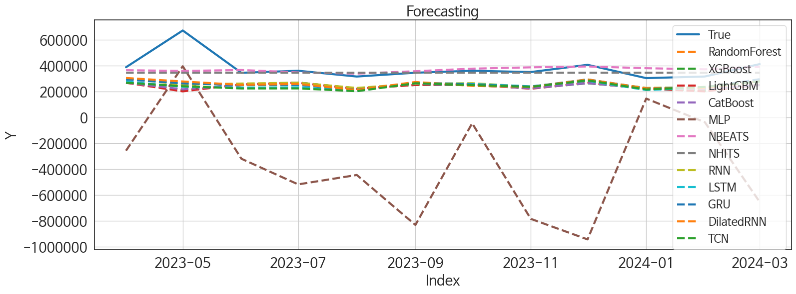
 | MSE | RMSE | MSPE | MAE | MAPE | MedAE | MedAPE
NBEATS | 9266207651.4 | 96261.142999 | 0.028522287305 | 51924.458333 | 0.11537286532 | 21957.609375 | 0.060577037172
NHITS | 10094214841 | 100469.96985 | 0.028088701438 | 52907.088542 | 0.1110041405 | 29304.328125 | 0.092554332559
RNN | 23245743087 | 152465.54721 | 0.0987079365 | 122359.6888 | 0.29703704863 | 90436.859375 | 0.26397326034
GRU | 23193159340 | 152293.0049 | 0.10312990698 | 125099.0599 | 0.30662197886 | 104329.19531 | 0.28071268848
DilatedRNN | 22521391791 | 150071.28903 | 0.10321555023 | 124874.26432 | 0.30752099521 | 103057.19531 | 0.28389563317
LSTM | 26766205731 | 163603.8072 | 0.12060798612 | 135221.87891 | 0.33224811279 | 111511.00781 | 0.3037290595
CatBoost | 28842587011 | 169831.05432 | 0.12533292358 | 138326.16076 | 0.33617687663 | 104460.5821 | 0.30766131436
RandomForest | 29306386152 | 171191.08082 | 0.1273225226 | 139285.4588 | 0.33885193244 | 109201.19176 | 0.30601406569
XGBoost | 29477577915 | 171690.35475 | 0.12895774789 | 140219.80859 | 0.34146910586 | 110510.07812 | 0.30612555617
LightGBM | 30404040274 | 174367.54364 | 0.13175466103 | 141425.77733 | 0.34399766947 | 110135.25042 | 0.30464467051
TCN | 27173187086 | 164842.91639 | 0.12505070253 | 137833.42839 | 0.33943138372 | 117386.45312 | 0.31716743188
MLP | 6.8819162366E+11 | 829573.15751 | 5.0807154519 | 740452.68913 | 2.0133788582 | 714019.54688 | 2.1679271199

Forecasting_주말
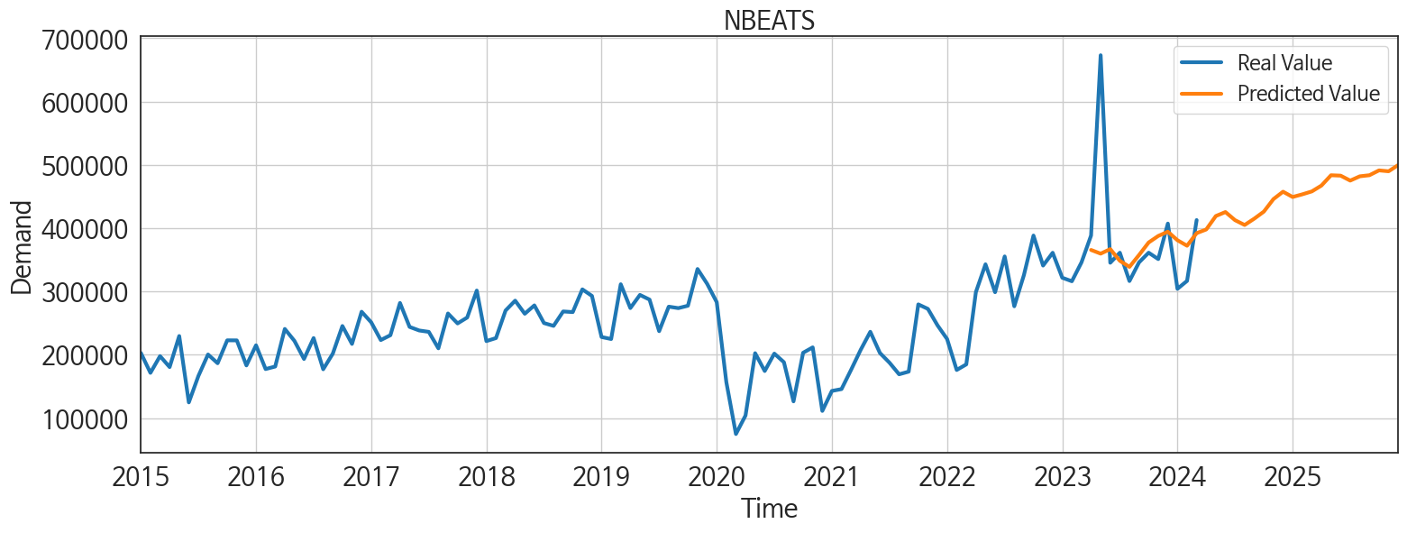
ds | unique_id | y | NBEATS | NHITS | RNN | LightGBM | RandomForest | CatBoost | XGBoost | TCN | GRU | LSTM | DilatedRNN | MLP
2023-04-01 | 1 | 388460 | 365628.8125 | 345927.78125 | 303523.96875 | 268008.85179 | 269501.33141 | 269076.52544 | 269718.5625 | 268503.875 | 293778.28125 | 277692.8125 | 305316.46875 | -257687.1875
2023-05-01 | 1 | 673228 | 359793.28125 | 345925.5 | 253598.98438 | 201710.32891 | 211859.49474 | 217592.98104 | 213023.4375 | 241441.0625 | 263396.5625 | 236399.6875 | 278176.09375 | 396180.15625
2023-06-01 | 1 | 345414 | 366961.09375 | 345919.21875 | 262132.59375 | 256013.17025 | 250794.83248 | 249999.70137 | 250512.25 | 224071.5 | 250254.89062 | 230793.23438 | 251580.23438 | -320139.53125
2023-07-01 | 1 | 361238 | 348469.71875 | 345926.3125 | 268933.53125 | 268008.85179 | 269501.33141 | 269076.52544 | 269718.5625 | 224348.57812 | 251394.15625 | 232769.48438 | 259185.07812 | -518728.28125
2023-08-01 | 1 | 316512 | 338880.125 | 345924.625 | 227942.75 | 221806.5928 | 224996.47684 | 225140.75667 | 224853.75 | 202980.09375 | 214665.26562 | 204257.17188 | 212450.53125 | -445973.5625
2023-09-01 | 1 | 345989 | 357670.3125 | 345923.3125 | 261449.875 | 251156.66998 | 252826.57786 | 258826.27972 | 251161.5625 | 264500.625 | 269307.59375 | 266611.4375 | 274333.3125 | -832810
2023-10-01 | 1 | 361270 | 377411.75 | 345928.5625 | 264774.59375 | 256013.17025 | 250794.83248 | 249999.70137 | 250512.25 | 250197.46875 | 254458.34375 | 258573.45312 | 244271.95312 | -45460.441406
2023-11-01 | 1 | 351180 | 387737.78125 | 345927 | 237995.35938 | 221806.5928 | 224996.47684 | 225140.75667 | 224853.75 | 236363.21875 | 237971.53125 | 240735.03125 | 235663.14062 | -785692.125
2023-12-01 | 1 | 407266 | 394494.6875 | 345927.0625 | 286924.5625 | 268008.85179 | 271477.09159 | 265339.19569 | 263978.59375 | 287039.53125 | 294178.4375 | 283246.375 | 293675.65625 | -944780.5
2024-01-01 | 1 | 304207 | 380981.25 | 345925.1875 | 228321.10938 | 221806.5928 | 224996.47684 | 225140.75667 | 224853.75 | 216421.09375 | 225460.73438 | 212050.34375 | 225242.59375 | 145761.23438
2024-02-01 | 1 | 316724 | 372280.28125 | 345920.03125 | 234107.8125 | 201710.32891 | 208796.784 | 219073.13442 | 206461.59375 | 236010.0625 | 232573.60938 | 229613.92188 | 226368.20312 | -37125.21875
2024-03-01 | 1 | 412828 | 392166.59375 | 345920.46875 | 286294.59375 | 251156.66998 | 252348.78795 | 249995.75635 | 252030.23438 | 278437.75 | 295687.875 | 288910.5 | 279561.5625 | -654660.8125
2024-04-01 | 1 | 0 | 397983.21875 | 345921.6875 | 244989.3125 | 221806.5928 | 224996.47684 | 225140.75667 | 224853.75 | 240202.98438 | 256267.98438 | 250467.67188 | 246344.125 | 369655.09375
2024-05-01 | 1 | 0 | 419213.5625 | 345923.71875 | 268905.53125 | 235660.83166 | 209125.30406 | 216003.62166 | 197913.67188 | 267172.28125 | 266437.53125 | 280203.21875 | 267993.53125 | -382892.34375
2024-06-01 | 1 | 0 | 425513.40625 | 345924.09375 | 262417.125 | 268008.85179 | 269501.33141 | 269076.52544 | 269718.5625 | 246257.98438 | 263669.34375 | 262436.84375 | 254873.0625 | 650076.9375
2024-07-01 | 1 | 0 | 412672.65625 | 345930.1875 | 229429.3125 | 221806.5928 | 224996.47684 | 225140.75667 | 224853.75 | 224805.92188 | 227341.3125 | 230785.4375 | 237277.34375 | 63031.996094
2024-08-01 | 1 | 0 | 405053 | 345919.875 | 266152.1875 | 268008.85179 | 269501.33141 | 269076.52544 | 269718.5625 | 274207.65625 | 257317.53125 | 269801.8125 | 266444.0625 | -15276.694336
2024-09-01 | 1 | 0 | 415028.03125 | 345927.03125 | 239394.29688 | 256013.17025 | 250794.83248 | 249999.70137 | 250512.25 | 254653.01562 | 264931 | 254969.125 | 253904.6875 | 585043.875
2024-10-01 | 1 | 0 | 426171.78125 | 345923 | 211712.71875 | 221806.5928 | 224996.47684 | 225140.75667 | 224853.75 | 242210.98438 | 225910.82812 | 243677.90625 | 232933.90625 | -169845.14062
2024-11-01 | 1 | 0 | 445933.40625 | 345925.15625 | 261705.04688 | 268008.85179 | 269501.33141 | 269076.52544 | 269718.5625 | 301026.9375 | 285008.9375 | 296534.5 | 287693.96875 | 365269.75
2024-12-01 | 1 | 0 | 457654.5625 | 345924.375 | 258980.35938 | 256013.17025 | 250794.83248 | 249999.70137 | 250512.25 | 280858.5 | 275815.25 | 284551.3125 | 275769.65625 | 1211495.5
2025-01-01 | 1 | 0 | 449305.125 | 345921.59375 | 252211.67188 | 256013.17025 | 250794.83248 | 249999.70137 | 250512.25 | 236929.48438 | 252708.4375 | 253228.90625 | 239733.32812 | 189127.01562
2025-02-01 | 1 | 0 | 453446.28125 | 345929.4375 | 224880.25 | 221806.5928 | 224996.47684 | 225140.75667 | 224853.75 | 231582.35938 | 221616.375 | 233368.64062 | 218302.46875 | -518254.15625
2025-03-01 | 1 | 0 | 458085.8125 | 345945.96875 | 266633.96875 | 251156.66998 | 238409.89731 | 240109.18433 | 237979.73438 | 272128.65625 | 269636.71875 | 283509.5 | 271961.8125 | -130421.57812
2025-04-01 | 1 | 0 | 467337.125 | 345957.71875 | 230137.5 | 221806.5928 | 224996.47684 | 225140.75667 | 224853.75 | 263802.78125 | 254246.40625 | 259433.5 | 244420.89062 | 731563
2025-05-01 | 1 | 0 | 483639.34375 | 345956.46875 | 254639.09375 | 268008.85179 | 269501.33141 | 269076.52544 | 269718.5625 | 294140.09375 | 270091.78125 | 296444.5625 | 277614.25 | 255034.45312
2025-06-01 | 1 | 0 | 483007.375 | 345962.1875 | 241374.70312 | 235660.83166 | 209125.30406 | 216003.62166 | 197913.67188 | 274770.46875 | 260253.40625 | 274664.0625 | 257696.03125 | -213763.48438
2025-07-01 | 1 | 0 | 475186.0625 | 346074.40625 | 237287.17188 | 221806.5928 | 224996.47684 | 225140.75667 | 224853.75 | 263576.03125 | 251112.21875 | 263617.625 | 246398.90625 | 934816.0625
2025-08-01 | 1 | 0 | 481966.34375 | 346080.46875 | 278708.46875 | 251156.66998 | 252348.78795 | 249995.75635 | 252030.23438 | 308709.5625 | 286280.28125 | 296233.65625 | 288095.03125 | -1122029.25
2025-09-01 | 1 | 0 | 483679.21875 | 346092.75 | 225419.375 | 221806.5928 | 224996.47684 | 225140.75667 | 224853.75 | 230693.5625 | 218303.5 | 229144.04688 | 226222.45312 | -269391.75
2025-10-01 | 1 | 0 | 491309.96875 | 346091.84375 | 246204.5 | 235660.83166 | 250651.943 | 254966.68045 | 259578.46875 | 274364.59375 | 261831.92188 | 276841.8125 | 255494.89062 | 131251.9375
2025-11-01 | 1 | 0 | 489890.03125 | 346085.71875 | 287763.9375 | 268008.85179 | 269501.33141 | 269076.52544 | 269718.5625 | 327273.0625 | 297678.34375 | 314984.375 | 293690.09375 | 401941.5625
2025-12-01 | 1 | 0 | 499760.78125 | 346086.28125 | 241962.79688 | 221806.5928 | 224996.47684 | 225140.75667 | 224853.75 | 284810.75 | 260368.29688 | 288025.21875 | 255413.71875 | 9051775

Performance_주중
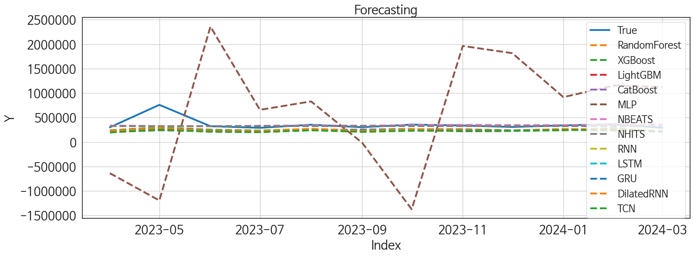
 | MSE | RMSE | MSPE | MAE | MAPE | MedAE | MedAPE
NBEATS | 16667025822 | 129100.83587 | 0.037848679012 | 58953.291667 | 0.12221718357 | 23210.703125 | 0.074352563862
NHITS | 16192828888 | 127251.04671 | 0.033393347861 | 58032.401042 | 0.11659973717 | 26374.8125 | 0.081447299591
RNN | 22628619717 | 150428.12143 | 0.077949589817 | 105799.47656 | 0.25774087502 | 71909.5625 | 0.22260935646
GRU | 24040207007 | 155049.0471 | 0.087006292343 | 111992.32943 | 0.2761489203 | 80097.53125 | 0.24263730244
DilatedRNN | 25131101654 | 158527.92074 | 0.093518142925 | 115963.04818 | 0.28759895249 | 82269.921875 | 0.25304105671
LSTM | 26722565950 | 163470.38249 | 0.10181187214 | 121178.28125 | 0.30190028928 | 87616.492188 | 0.26720382326
CatBoost | 29538724522 | 171868.33484 | 0.10964913422 | 124877.64629 | 0.3094828383 | 93841.286112 | 0.28064234765
LightGBM | 29538905617 | 171868.86168 | 0.11284150321 | 127372.17832 | 0.31749792922 | 90070.335646 | 0.28100854895
XGBoost | 30176655748 | 173714.29345 | 0.11096097667 | 125115.76823 | 0.3092613356 | 92125.703125 | 0.29221334948
RandomForest | 30534292450 | 174740.64338 | 0.11443771622 | 127536.3594 | 0.31613054105 | 97051.330983 | 0.29974073039
TCN | 31054015191 | 176221.49469 | 0.12833145512 | 135529.84115 | 0.34303320337 | 106781.52344 | 0.32121478013
MLP | 1.5736542684E+12 | 1254453.7729 | 12.321872038 | 1096879.5841 | 3.0885616501 | 887048.59375 | 2.7346117253

Forecasting_주중
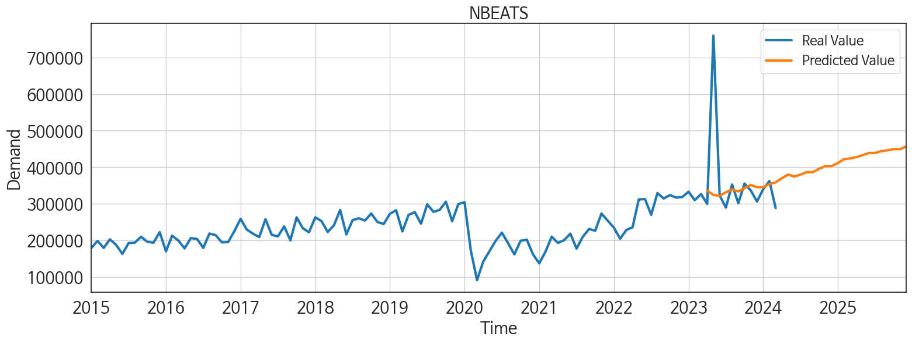
ds | unique_id | y | NBEATS | NHITS | RNN | LightGBM | RandomForest | CatBoost | XGBoost | TCN | GRU | LSTM | DilatedRNN | MLP
2023-04-01 | 1 | 300188 | 336350.46875 | 327115.03125 | 241529.0625 | 208740.52873 | 206010.1296 | 206605.55238 | 206030.15625 | 194163.34375 | 230914.73438 | 218153.96875 | 224139.01562 | -637728.5625
2023-05-01 | 1 | 759214 | 324614.84375 | 327115.15625 | 301762.8125 | 252475.71594 | 240371.20843 | 246195.87539 | 238998.59375 | 253899.60938 | 293940.5 | 276891.78125 | 287373.8125 | -1195369.25
2023-06-01 | 1 | 322925 | 322657.03125 | 327115.875 | 256123.01562 | 234231.79998 | 221976.89698 | 225073.79196 | 223030.07812 | 208387.4375 | 238328.76562 | 224092.6875 | 224777.3125 | 2358057.75
2023-07-01 | 1 | 290216 | 331815.15625 | 327116.1875 | 236073.28125 | 215243.84631 | 216755.24804 | 214838.75948 | 216493.46875 | 200391.07812 | 225720.29688 | 216436.84375 | 221664.45312 | 657569.75
2023-08-01 | 1 | 352939 | 339548.71875 | 327116.40625 | 269315.21875 | 252475.71594 | 240371.20843 | 246195.87539 | 238998.59375 | 238839.53125 | 263349.21875 | 251585.3125 | 265935.28125 | 829447.5625
2023-09-01 | 1 | 302097 | 334038.40625 | 327116.5625 | 235941.21875 | 226905.97215 | 254632.31626 | 251075.25911 | 253412.15625 | 206813.17188 | 236850.51562 | 227212.09375 | 227050.21875 | -16519.259766
2023-10-01 | 1 | 355591 | 343469.6875 | 327117.0625 | 260900.21875 | 252475.71594 | 246836.81557 | 257552.65613 | 265497.4375 | 229820.82812 | 257360.26562 | 247958.75 | 254366.59375 | -1375266.625
2023-11-01 | 1 | 336957 | 351437 | 327117.1875 | 262854.375 | 225151.54832 | 217729.71779 | 221033.11782 | 217316.75 | 229418.60938 | 256161.14062 | 250586.23438 | 247252.20312 | 1963298
2023-12-01 | 1 | 306777 | 345921.875 | 327117.1875 | 237060.5 | 226905.97215 | 228137.77468 | 225898.60211 | 228585.64062 | 227110.70312 | 235904.82812 | 226878.26562 | 229240.875 | 1815324.75
2024-01-01 | 1 | 340296 | 345709.875 | 327117.28125 | 263626.78125 | 252475.71594 | 240371.20843 | 246195.87539 | 238998.59375 | 245405.1875 | 260896.79688 | 251433.78125 | 264241.84375 | 917038.375
2024-02-01 | 1 | 362459 | 354161.15625 | 327117.53125 | 258176.84375 | 234231.79998 | 268882.03341 | 272718.32697 | 283740.15625 | 239847.875 | 257237.78125 | 250813.95312 | 254726.90625 | 1156233.5
2024-03-01 | 1 | 288862 | 358883.15625 | 327117.59375 | 225563.95312 | 208740.52873 | 206010.1296 | 206605.55238 | 206030.15625 | 218065.53125 | 217948.20312 | 222337.95312 | 226195.90625 | 1125042.625
2024-04-01 | 1 | 0 | 370131.65625 | 327116.78125 | 263174.53125 | 252475.71594 | 246009.33858 | 239978.23238 | 244747.23438 | 252090.75 | 254499.90625 | 253345.26562 | 252479.14062 | 1877433.75
2024-05-01 | 1 | 0 | 380230.09375 | 327116.21875 | 267396.34375 | 252475.71594 | 256318.38573 | 260501.00629 | 267539.96875 | 262443.53125 | 257064.28125 | 262669.5 | 262444.90625 | -332881.90625
2024-06-01 | 1 | 0 | 374693.40625 | 327116.84375 | 221464.78125 | 226905.97215 | 228137.77468 | 225898.60211 | 228585.64062 | 220456.125 | 212481.07812 | 215812.20312 | 215600.96875 | 647240.1875
2024-07-01 | 1 | 0 | 380195.09375 | 327117.3125 | 260093.40625 | 225151.54832 | 259807.52103 | 246210.65082 | 260990.17188 | 255651.14062 | 254756.76562 | 251727.45312 | 247329.875 | 1509350.75
2024-08-01 | 1 | 0 | 387047.4375 | 327117.53125 | 253162.42188 | 234231.79998 | 221976.89698 | 225073.79196 | 223030.07812 | 241054.48438 | 250423.73438 | 245298.42188 | 234748.76562 | 545011.5625
2024-09-01 | 1 | 0 | 386568.625 | 327117.75 | 253331.15625 | 234231.79998 | 254820.71622 | 265568.18201 | 265684.34375 | 267867.34375 | 261429 | 270353.46875 | 256926.07812 | -1414879.875
2024-10-01 | 1 | 0 | 396086.03125 | 327117.46875 | 261889.98438 | 252475.71594 | 280710.05567 | 280101.07271 | 280478.53125 | 265531.1875 | 256426.4375 | 264758.34375 | 260993.28125 | 1360995.375
2024-11-01 | 1 | 0 | 403376.875 | 327117.25 | 235833.1875 | 208740.52873 | 206010.1296 | 206605.55238 | 206030.15625 | 224202.57812 | 216878.03125 | 216938.45312 | 205398.21875 | 3151025.5
2024-12-01 | 1 | 0 | 403439.53125 | 327116.75 | 250587.42188 | 252475.71594 | 246009.33858 | 239978.23238 | 244747.23438 | 260592.25 | 262465.75 | 263588.75 | 251813.35938 | -1089711.375
2025-01-01 | 1 | 0 | 411771.84375 | 327116.34375 | 287652.0625 | 252475.71594 | 261133.50033 | 263441.91024 | 263421.90625 | 301604.6875 | 302603.4375 | 310696.0625 | 296049.8125 | 171424.71875
2025-02-01 | 1 | 0 | 422131.625 | 327116.59375 | 218210.79688 | 208740.52873 | 206010.1296 | 206605.55238 | 206030.15625 | 232391.57812 | 221268.48438 | 229333.60938 | 224160.0625 | 7737115
2025-03-01 | 1 | 0 | 424277.75 | 327117.03125 | 225384 | 234231.79998 | 221976.89698 | 225073.79196 | 223030.07812 | 247392.95312 | 233357.34375 | 237451.32812 | 218800.40625 | 7801420.5
2025-04-01 | 1 | 0 | 427843.28125 | 327117.03125 | 262304.4375 | 225151.54832 | 217729.71779 | 221033.11782 | 217316.75 | 292356.3125 | 276122.1875 | 285015 | 270275.0625 | 7933727.5
2025-05-01 | 1 | 0 | 433416.65625 | 327116.8125 | 242154.60938 | 234231.79998 | 221085.19213 | 234989.86398 | 214692.82812 | 265501.5 | 244877.59375 | 258680 | 248079.8125 | 6153244
2025-06-01 | 1 | 0 | 439008.03125 | 327116.84375 | 225930.35938 | 215243.84631 | 216755.24804 | 214838.75948 | 216493.46875 | 246253.76562 | 232190.76562 | 242262.42188 | 233318.75 | 11934420
2025-07-01 | 1 | 0 | 439256.5625 | 327116.84375 | 285411.3125 | 225151.54832 | 259807.52103 | 246210.65082 | 260990.17188 | 305732.3125 | 281435.34375 | 300757.5625 | 279822.34375 | 12386418
2025-08-01 | 1 | 0 | 444300.9375 | 327116.625 | 235365.96875 | 208740.52873 | 206010.1296 | 206605.55238 | 206030.15625 | 253413.60938 | 232771.5 | 247292.03125 | 234399.65625 | 17206606
2025-09-01 | 1 | 0 | 446321.21875 | 327116.4375 | 264491.34375 | 225151.54832 | 217729.71779 | 221033.11782 | 217316.75 | 287864.6875 | 262006.54688 | 261654.90625 | 257460.4375 | 16441187
2025-10-01 | 1 | 0 | 449819.3125 | 327116.65625 | 267608.21875 | 252475.71594 | 247876.75883 | 249328.7874 | 253886.8125 | 292277.6875 | 287579.3125 | 294532.21875 | 277425.1875 | 16383573
2025-11-01 | 1 | 0 | 449343.875 | 327117.21875 | 224543.125 | 208740.52873 | 206010.1296 | 206605.55238 | 206030.15625 | 230518.85938 | 228573.20312 | 237484.21875 | 229098.98438 | 35745560
2025-12-01 | 1 | 0 | 456865.0625 | 327117.53125 | 280175.25 | 252475.71594 | 240371.20843 | 246195.87539 | 238998.59375 | 313832.1875 | 284414.625 | 291427.53125 | 284503.75 | 59879672

