Performance_전체
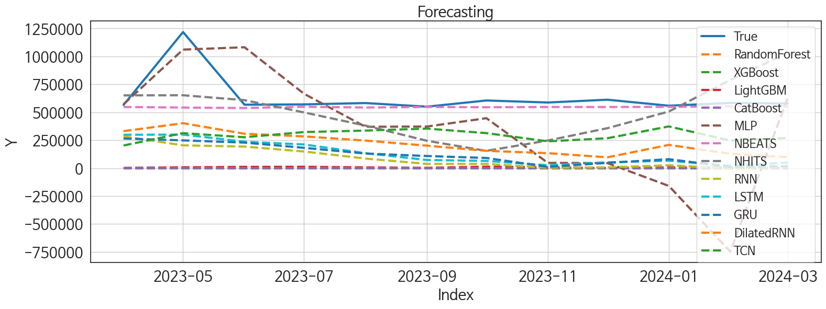
 | MSE | RMSE | MSPE | MAE | MAPE | MedAE | MedAPE
NBEATS | 39330184608 | 198318.39201 | 0.029118349388 | 85233.151042 | 0.095379679226 | 29818.9375 | 0.051834334878
NHITS | 92040864631 | 303382.37363 | 0.20878502705 | 252511.59766 | 0.39080292439 | 230754.10938 | 0.38533498813
MLP | 2.7529807023E+11 | 524688.54593 | 0.81230851146 | 377569.89746 | 0.63905413056 | 195157.17188 | 0.34411389383
TCN | 1.4707556541E+11 | 383504.32254 | 0.27933197114 | 338777.78646 | 0.51614013982 | 299953.65625 | 0.52302268126
DilatedRNN | 1.9505248591E+11 | 441647.46791 | 0.44763363018 | 415658.30599 | 0.65455758738 | 400872.66406 | 0.65236552958
GRU | 2.9034565306E+11 | 538837.31595 | 0.68027178027 | 513355.61393 | 0.81251795924 | 496781.39062 | 0.8267549455
LSTM | 2.7860068188E+11 | 527826.37475 | 0.66421158404 | 504023.15039 | 0.80031390425 | 510146.75781 | 0.87483240188
RNN | 3.2619245172E+11 | 571132.60432 | 0.77066362888 | 545367.31305 | 0.86466100147 | 548760.73535 | 0.93495399367
LightGBM | 4.2248952592E+11 | 649991.94296 | 0.97955824308 | 625278.62833 | 0.98970237827 | 576342.52613 | 0.98978425136
CatBoost | 4.3027410686E+11 | 655952.82366 | 0.9995289568 | 631405.83264 | 0.99976402462 | 579426.08848 | 0.99998613533
RandomForest | 430433207564 | 656074.08695 | 1 | 631541.83333 | 1 | 579940 | 1
XGBoost | 4.3043320758E+11 | 656074.08696 | 1 | 631541.83335 | 1 | 579940.00001 | 1

Forecasting_전체
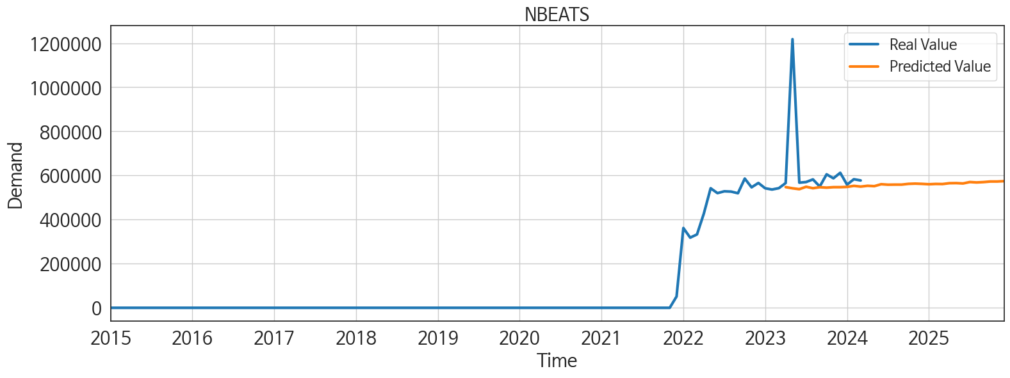
ds | unique_id | y | NBEATS | NHITS | RNN | LightGBM | RandomForest | CatBoost | XGBoost | TCN | GRU | LSTM | DilatedRNN | MLP
2023-04-01 | 1 | 565822 | 547445.75 | 650970.875 | 284201.40625 | 2340.0126106 | 0 | -195.98486123 | -1.4321562048E-05 | 202360.01562 | 264741.625 | 298520.1875 | 330983.6875 | 571843.1875
2023-05-01 | 1 | 1218256 | 541959.25 | 652296.8125 | 203868.95312 | 7014.2719268 | 0 | 47.415768896 | -1.4321562048E-05 | 312965.15625 | 248367.5 | 299616.5625 | 401958.65625 | 1060968.75
2023-06-01 | 1 | 567550 | 538011.375 | 608309.875 | 192487.79688 | 11122.019825 | 0 | 48.714684433 | -1.4321562048E-05 | 276197.4375 | 228285.375 | 236387.67188 | 307461.15625 | 1082025.625
2023-07-01 | 1 | 570404 | 548922.8125 | 498522.625 | 148789.25 | 11864.668138 | 0 | 184.40201542 | -1.4321562048E-05 | 322751.875 | 181605.59375 | 211761.10938 | 283973.5625 | 665716.625
2023-08-01 | 1 | 582320 | 542314.125 | 380537.84375 | 85298.273438 | 6448.7218082 | 0 | 7.9059515299 | -1.4321562048E-05 | 335891.78125 | 130363.14844 | 133468.01562 | 246346.04688 | 369796.15625
2023-09-01 | 1 | 549980 | 546989 | 244589.89062 | 37581.546875 | 2849.8666821 | 0 | 389.9059244 | -1.4321562048E-05 | 353651.375 | 108300.64844 | 72514.75 | 200920.32812 | 372189.5
2023-10-01 | 1 | 605377 | 544951.25 | 154339.20312 | 37387.746094 | 12760.956941 | 0 | -520.55066487 | -1.4321562048E-05 | 313132.4375 | 90547.859375 | 64294.777344 | 154550.09375 | 446814.5625
2023-11-01 | 1 | 587287 | 547077.875 | 246990.82812 | 3585.3984375 | 7360.8869837 | 0 | -88.63639155 | -1.4321562048E-05 | 239631.75 | 11243.475586 | 25458.728516 | 133788.40625 | 46955.765625
2023-12-01 | 1 | 612267 | 547111.0625 | 357335.09375 | 6244.1748047 | 746.22592765 | 0 | -17.893137697 | -1.4321562048E-05 | 267401.3125 | 46854.554688 | 51508.648438 | 96525.96875 | 45097.871094
2024-01-01 | 1 | 558618 | 548290.5 | 506693.96875 | 25611.796875 | 6448.7218082 | 0 | 7.9059515299 | -1.4321562048E-05 | 373103.21875 | 79884.359375 | 66188.078125 | 207699.57812 | -159597.5
2024-02-01 | 1 | 583061 | 552961.75 | 789637.3125 | -4006.8317871 | 5455.8814507 | 0 | 1786.7161822 | -1.4321562048E-05 | 246184.95312 | 10336.850586 | 20809.259766 | 128236.35156 | -747689.125
2024-03-01 | 1 | 577560 | 549669.4375 | 1032011.375 | 13044.732422 | 746.22592765 | 0 | -17.893137697 | -1.4321562048E-05 | 269897.25 | 17703.642578 | 49696.40625 | 98158.492188 | 629959.3125
2024-04-01 | 1 | 0 | 553265.4375 | 1189898.5 | 8731.5722656 | 7424.6555557 | 0 | -18.19213248 | -1.4321562048E-05 | 581435.1875 | 68064.5625 | 78463.007812 | 135832.17188 | -499868.5
2024-05-01 | 1 | 0 | 551639.8125 | 1338723.125 | 77882.117188 | 12760.956941 | 0 | 186.56451933 | -1.4321562048E-05 | 931676.25 | 205518.53125 | 156178.35938 | 225927.96875 | 991886.1875
2024-06-01 | 1 | 0 | 560512 | 1380381.625 | 24551.675781 | 1722.1596752 | 0 | -11.827512784 | -1.4321562048E-05 | 225135 | 94924.882812 | 6290.0703125 | 77126.273438 | -1211377.5
2024-07-01 | 1 | 0 | 558366.25 | 1130797.5 | -3272.4545898 | 6384.9532362 | 0 | 706.96246976 | -1.4321562048E-05 | -5423.8071289 | -3587.7875977 | -5617.5385742 | 2792.0681152 | -51211.699219
2024-08-01 | 1 | 0 | 558767.875 | 946280.875 | 4201.5029297 | 11246.815203 | 0 | 99.373843887 | -1.4321562048E-05 | 4839.5024414 | -913.73864746 | 20387.941406 | 14762.4375 | 507164.84375
2024-09-01 | 1 | 0 | 558735.75 | 761764.3125 | 1199.4504395 | 11202.566465 | 0 | -280.09149411 | -1.4321562048E-05 | 17853.628906 | -156.85522461 | -1977.8994141 | 16276.619141 | 842750.625
2024-10-01 | 1 | 0 | 562099.25 | 754077.4375 | 1403.175415 | 7014.2719268 | 0 | 15.072811331 | -1.4321562048E-05 | 10394.250977 | 6849.3955078 | -3132.546875 | -2271.3227539 | 623346.625
2024-11-01 | 1 | 0 | 563202.5 | 1210923.5 | 4325.9267578 | 2340.0126106 | 0 | -195.98486123 | -1.4321562048E-05 | -1223.137085 | 6048.6943359 | 6264.5786133 | -2934.2441406 | -624278.125
2024-12-01 | 1 | 0 | 562012.3125 | 1389827.25 | 165.05891418 | 12195.406823 | 0 | -88.056830434 | -1.4321562048E-05 | -5163.246582 | -7323.4008789 | 3631.2836914 | -3745.3400879 | 845329
2025-01-01 | 1 | 0 | 560284.625 | 1536814.875 | 1704.2509766 | 12760.956941 | 0 | 324.87878538 | -1.4321562048E-05 | -8745.7617188 | 6035.7675781 | 3650.4230957 | -10717.361328 | 1932998.75
2025-02-01 | 1 | 0 | 561698.8125 | 1885125.875 | 24337.486328 | 4168.8856565 | 0 | 552.23515925 | -1.4321562048E-05 | 792.24853516 | 11700.373047 | 9406.0595703 | 2696.8808594 | -792435.8125
2025-03-01 | 1 | 0 | 561246.625 | 1999026 | 31238.707031 | 12859.525689 | 0 | -237.92213338 | -1.4321562048E-05 | -11362.635742 | 42406.476562 | 22414.916016 | -376.08599854 | 116632.42188
2025-04-01 | 1 | 0 | 565118.5625 | 1775501.25 | 1037.9615479 | 7360.8869837 | 0 | -88.63639155 | -1.4321562048E-05 | -10308.945312 | -3229.8937988 | 2392.105957 | -2770.4758301 | 2245020.5
2025-05-01 | 1 | 0 | 565561.5625 | 1475052.75 | 32062.167969 | 12859.525689 | 0 | -200.5260141 | -1.4321562048E-05 | -10223.527344 | 13680.304688 | 6886.7260742 | -5577.6533203 | -288375.75
2025-06-01 | 1 | 0 | 563952.5625 | 1639297.625 | 9726.8144531 | 11122.019825 | 0 | 48.714684433 | -1.4321562048E-05 | -7598.9765625 | 8485.1279297 | 3575.9726562 | -2881.2145996 | 1250027.875
2025-07-01 | 1 | 0 | 570359.5625 | 2132866 | 915.16876221 | 6384.9532362 | 0 | 706.96246976 | -1.4321562048E-05 | -18062.648438 | 3177.5168457 | -1120.6455078 | -7103.1376953 | 2148256.25
2025-08-01 | 1 | 0 | 568557.75 | 2282550.75 | -732.95288086 | 746.22592765 | 0 | -17.893137697 | -1.4321562048E-05 | 5128.3681641 | -5825.8344727 | 2044.8375244 | -5420.7089844 | 1763655.25
2025-09-01 | 1 | 0 | 570113.625 | 2216992 | 13951.095703 | 7360.8869837 | 0 | -88.63639155 | -1.4321562048E-05 | 8699.4208984 | 15893.819336 | -352.44842529 | -4043.6506348 | -318887.09375
2025-10-01 | 1 | 0 | 572738.6875 | 2222038.5 | 3951.5585938 | 12760.956941 | 0 | 324.87878538 | -1.4321562048E-05 | 431.68045044 | 4378.4448242 | 3976.229248 | -5961.9916992 | 1071817.25
2025-11-01 | 1 | 0 | 572729.4375 | 2176989.5 | -4246.1323242 | 2340.0126106 | 0 | -195.98486123 | -1.4321562048E-05 | 2009.7203369 | -9866.5332031 | 8.2668991089 | -3661.3583984 | -1013693.0625
2025-12-01 | 1 | 0 | 574375.3125 | 2119996.25 | -1534.0522461 | 6448.7218082 | 0 | 7.9059515299 | -1.4321562048E-05 | -33458.652344 | -1171.2005615 | 2488.5073242 | -2294.0537109 | 941244

Performance_주말
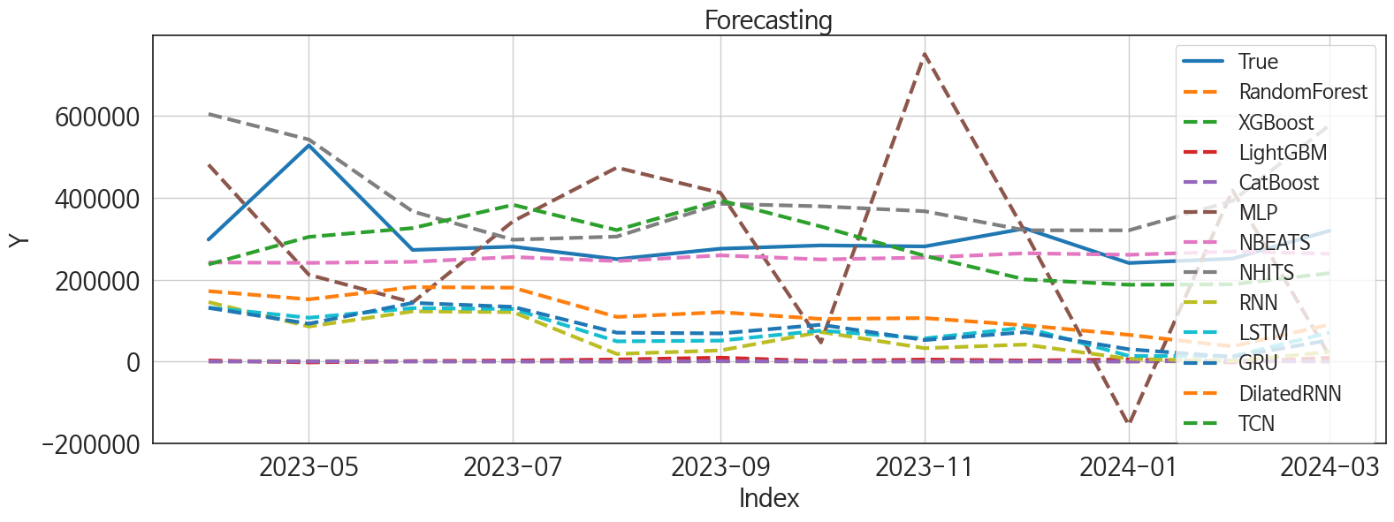
 | MSE | RMSE | MSPE | MAE | MAPE | MedAE | MedAPE
NBEATS | 8055513477.5 | 89752.512375 | 0.037976447367 | 52821.335938 | 0.14491947962 | 28094.414062 | 0.10160079388
TCN | 10119687953 | 100596.65975 | 0.087647267709 | 86763.174479 | 0.27672903285 | 66863.15625 | 0.26694687502
NHITS | 18954746682 | 137676.23863 | 0.22275409404 | 105048.39323 | 0.36968134513 | 89890.09375 | 0.33418200748
DilatedRNN | 38934180838 | 197317.46207 | 0.38767296265 | 183196.61458 | 0.60298114613 | 175149.89258 | 0.62803816662
MLP | 64724578829 | 254410.25693 | 0.80064143621 | 219324.19246 | 0.75776743515 | 203247.20312 | 0.63930039303
GRU | 54817935186 | 234132.30274 | 0.55734520555 | 221477.74406 | 0.73299243129 | 208732.28516 | 0.76506551217
LSTM | 55087234619 | 234706.69914 | 0.57924807515 | 224557.16081 | 0.74882707514 | 224567.16016 | 0.78811746762
RNN | 64480539980 | 253930.18722 | 0.67988602426 | 242313.81269 | 0.80803684276 | 241052.18433 | 0.87832937183
LightGBM | 93787480923 | 306247.41782 | 0.97691656926 | 297119.61945 | 0.98831323349 | 277013.17892 | 0.99139227128
CatBoost | 95350756875 | 308789.17869 | 0.99791051412 | 300052.68464 | 0.99895191973 | 280715.13102 | 0.99994686976
XGBoost | 95507560761 | 309042.97559 | 0.99999999988 | 300335.08332 | 0.99999999994 | 280708.49998 | 0.99999999994
RandomForest | 95507560771 | 309042.97561 | 1 | 300335.08333 | 1 | 280708.5 | 1

Forecasting_주말
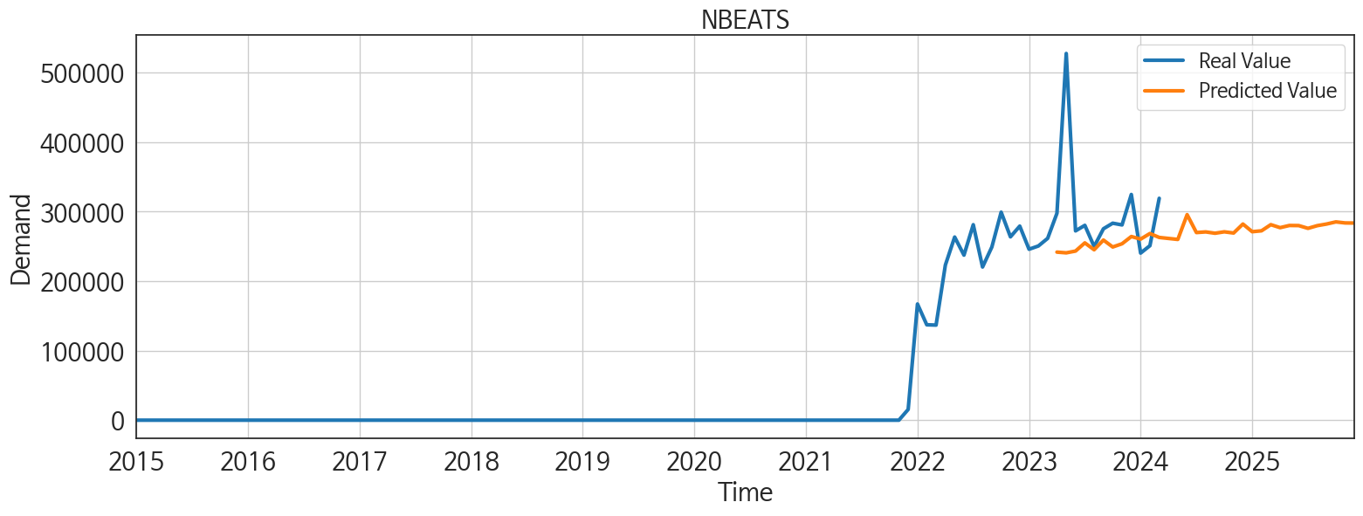
ds | unique_id | y | NBEATS | NHITS | RNN | LightGBM | RandomForest | CatBoost | XGBoost | TCN | GRU | LSTM | DilatedRNN | MLP
2023-04-01 | 1 | 297771 | 241886.85938 | 604233.25 | 145101.125 | 2486.1324756 | 0 | -27.317262204 | 1.675988824E-05 | 237204.21875 | 130971.11719 | 131733.5 | 171813.04688 | 480657.78125
2023-05-01 | 1 | 527740 | 240830.92188 | 541929.75 | 85420.085938 | -2227.8297012 | 0 | 198.28377622 | 1.675988824E-05 | 304313.34375 | 92261.921875 | 106875.08594 | 151786.9375 | 211798.17188
2023-06-01 | 1 | 272448 | 243385.20312 | 366309.6875 | 122350.0625 | 999.29777547 | 0 | 2.1329109584 | 1.675988824E-05 | 325730.3125 | 143155.21875 | 130387.28125 | 181626.5 | 144248.57812
2023-07-01 | 1 | 280402 | 255144.29688 | 297425.96875 | 120531.55469 | 2486.1324756 | 0 | -27.317262204 | 1.675988824E-05 | 382604.03125 | 133458.04688 | 128238.45312 | 180290.21875 | 342426.75
2023-08-01 | 1 | 249895 | 245267.82812 | 305056.375 | 18479.777344 | 4904.5096889 | 0 | 14.055229291 | 1.675988824E-05 | 320902.5 | 70454.507812 | 49271.4375 | 108907.92188 | 473502.625
2023-09-01 | 1 | 275474 | 259205.78125 | 385060.5625 | 27088.277344 | 9435.35196 | 0 | 856.79278958 | 1.675988824E-05 | 393345.65625 | 68611.242188 | 51049.898438 | 120440.74219 | 411817.03125
2023-10-01 | 1 | 283487 | 249237.625 | 378946.03125 | 72057.5625 | 999.29777547 | 0 | 2.1329109584 | 1.675988824E-05 | 329606.5 | 89844.960938 | 75487.765625 | 103951.52344 | 46521.0625
2023-11-01 | 1 | 281015 | 253888.96875 | 366933.5 | 32571.134766 | 4904.5096889 | 0 | 14.055229291 | 1.675988824E-05 | 258203.10938 | 52413.109375 | 56304.78125 | 106008.64062 | 750561.875
2023-12-01 | 1 | 324842 | 264304.25 | 320416.40625 | 41396.542969 | 2486.1324756 | 0 | 274.41446797 | 1.675988824E-05 | 200367.64062 | 71726.039062 | 82930.25 | 88467.445312 | 316721.09375
2024-01-01 | 1 | 240495 | 260594.35938 | 320250.9375 | 6776.3540039 | 4904.5096889 | 0 | 14.055229291 | 1.675988824E-05 | 187452.09375 | 29893.1875 | 13744.318359 | 65201.574219 | -155165.48438
2024-02-01 | 1 | 251132 | 268629.65625 | 392128.625 | 965.87023926 | -2227.8297012 | 0 | 2094.1052799 | 1.675988824E-05 | 188413.1875 | 11328.954102 | 12662.619141 | 36864.730469 | 417987.8125
2024-03-01 | 1 | 319320 | 262983.25 | 577059.4375 | 23516.900391 | 9435.35196 | 0 | -26.608936014 | 1.675988824E-05 | 215686.3125 | 52169.765625 | 70649.679688 | 90302.34375 | 13583.143555
2024-04-01 | 1 | 0 | 261533.51562 | 576710.5 | 31770.242188 | 4904.5096889 | 0 | 14.055229291 | 1.675988824E-05 | 451195.6875 | 70673.671875 | 75544.4375 | 86602.648438 | -339491.03125
2024-05-01 | 1 | 0 | 260116.125 | 547028.0625 | 7272.1118164 | 7733.383746 | 0 | -134.12277466 | 1.675988824E-05 | 709406.25 | 72641.0625 | 82788.578125 | 71835.40625 | -7031.5561523
2024-06-01 | 1 | 0 | 295795.96875 | 606803.625 | 4792.4174805 | 2486.1324756 | 0 | -27.317262204 | 1.675988824E-05 | 24219.570312 | 5716.387207 | 10875.799805 | 34278.457031 | 1467267
2024-07-01 | 1 | 0 | 270018.3125 | 558009.4375 | -1103.8265381 | 4904.5096889 | 0 | 14.055229291 | 1.675988824E-05 | 415.39486694 | 1673.8826904 | 2024.7404785 | 1959.3808594 | 590535.625
2024-08-01 | 1 | 0 | 270940.875 | 722424.1875 | 10509.213867 | 2486.1324756 | 0 | -27.317262204 | 1.675988824E-05 | 3078.0944824 | 14475.549805 | 11832.369141 | 30902.148438 | -615146.75
2024-09-01 | 1 | 0 | 269025.375 | 903998.875 | 1659.6109619 | 999.29777547 | 0 | 2.1329109584 | 1.675988824E-05 | 2450.1870117 | 27092.050781 | 4423.8969727 | 21605.300781 | 409365.15625
2024-10-01 | 1 | 0 | 271081.125 | 793602.125 | -927.92889404 | 4904.5096889 | 0 | 14.055229291 | 1.675988824E-05 | 11806.262695 | 6013.8388672 | -345.64266968 | 5423.5874023 | 736990.0625
2024-11-01 | 1 | 0 | 269341 | 638754.625 | -3268.986084 | 2486.1324756 | 0 | -27.317262204 | 1.675988824E-05 | 1300.4014893 | 4062.2414551 | 3446.2246094 | 2971.409668 | 1350790.875
2024-12-01 | 1 | 0 | 282276.09375 | 476627.28125 | 8221.7167969 | 999.29777547 | 0 | 2.1329109584 | 1.675988824E-05 | 22492.181641 | 11591.193359 | 5923.0712891 | 14300.942383 | -546331.625
2025-01-01 | 1 | 0 | 271262.84375 | 301586.90625 | 4511.0615234 | 999.29777547 | 0 | 2.1329109584 | 1.675988824E-05 | 33845.308594 | 8200.0908203 | 2217.4350586 | 7036.3876953 | 775914.25
2025-02-01 | 1 | 0 | 272525.59375 | 332732.8125 | 22541.388672 | 4904.5096889 | 0 | 14.055229291 | 1.675988824E-05 | 17640.238281 | 20744.773438 | 5144.3974609 | 16048.329102 | -222175.01562
2025-03-01 | 1 | 0 | 281394.75 | 590232.625 | 5287.1347656 | 9435.35196 | 0 | -137.79841203 | 1.675988824E-05 | -13590.625977 | 17193.337891 | -334.16464233 | -1086.557373 | 759823.25
2025-04-01 | 1 | 0 | 277069.71875 | 539429.0625 | 2988.0983887 | 4904.5096889 | 0 | 14.055229291 | 1.675988824E-05 | -9697.0175781 | 12222.015625 | 1250.0183105 | 1048.7423096 | 240308.96875
2025-05-01 | 1 | 0 | 280205.03125 | 416772.375 | 24746.34375 | 2486.1324756 | 0 | -27.317262204 | 1.675988824E-05 | -4568.4272461 | 24077.837891 | 6460.355957 | 5924.2084961 | 317804.5
2025-06-01 | 1 | 0 | 280058.90625 | 523625.9375 | 8081.0361328 | 7733.383746 | 0 | -134.12277466 | 1.675988824E-05 | 6201.0073242 | 6867.0029297 | 11956.875 | -1983.8740234 | 579934.0625
2025-07-01 | 1 | 0 | 276079.65625 | 683765.625 | -883.17260742 | 4904.5096889 | 0 | 14.055229291 | 1.675988824E-05 | -12682.360352 | 2088.8679199 | -633.02868652 | -721.17999268 | -74985.976562
2025-08-01 | 1 | 0 | 279958.46875 | 767340.625 | 7921.21875 | 9435.35196 | 0 | -26.608936014 | 1.675988824E-05 | -13444.858398 | 8475.7333984 | 475.03152466 | -2615.2612305 | -625919.125
2025-09-01 | 1 | 0 | 282300.21875 | 820713.4375 | 14542.09082 | 4904.5096889 | 0 | 14.055229291 | 1.675988824E-05 | 11775.039062 | 13969.106445 | 13993.455078 | 4929.3720703 | 809296.8125
2025-10-01 | 1 | 0 | 285367.8125 | 901682.875 | 1026.2670898 | 7733.383746 | 0 | -272.0042962 | 1.675988824E-05 | 8674.1884766 | 3448.7050781 | 2615.7697754 | 777.4833374 | -145632.98438
2025-11-01 | 1 | 0 | 283862.28125 | 968832.1875 | 2544.1105957 | 2486.1324756 | 0 | -27.317262204 | 1.675988824E-05 | -8924.6875 | 4402.7524414 | 6679.0400391 | 51.262817383 | -61400.328125
2025-12-01 | 1 | 0 | 283708.90625 | 998124.125 | 314.4286499 | 4904.5096889 | 0 | 14.055229291 | 1.675988824E-05 | -22962.542969 | 3849.4069824 | 1366.7416992 | -4348.9873047 | -1247700.875

Performance_주중
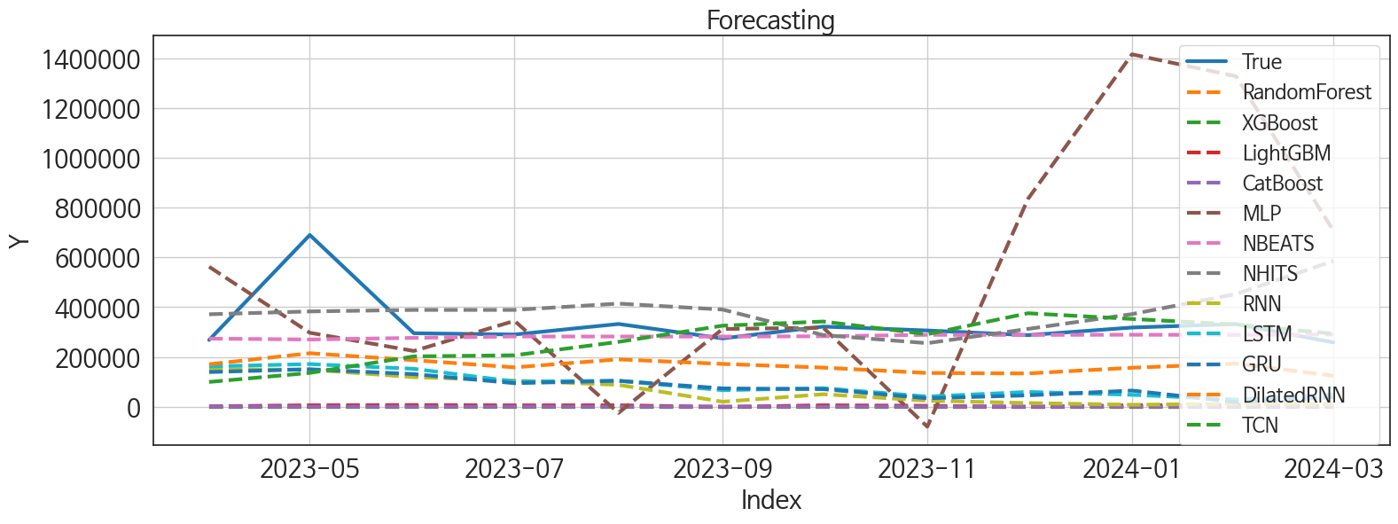
 | MSE | RMSE | MSPE | MAE | MAPE | MedAE | MedAPE
NBEATS | 15459628606 | 124336.75485 | 0.038203483312 | 55987.838542 | 0.1186854009 | 23833.890625 | 0.077202661797
TCN | 30893426882 | 175765.26074 | 0.11979190229 | 101512.89258 | 0.25897632876 | 61505.09375 | 0.20122111369
NHITS | 22788063338 | 150957.15729 | 0.21860475461 | 117903.21224 | 0.36026875917 | 96464.375 | 0.32983542444
DilatedRNN | 37144913659 | 192730.15763 | 0.24116634256 | 167031.6901 | 0.4828063494 | 148205.22656 | 0.4937686766
LSTM | 68874382502 | 262439.29298 | 0.552419722 | 243405.01921 | 0.72855782508 | 228521.97656 | 0.76443514887
GRU | 72872957703 | 269949.91703 | 0.58297465028 | 251182.61702 | 0.75249886877 | 235334.89258 | 0.78209169788
RNN | 82329349220 | 286930.91367 | 0.68878054267 | 269132.04041 | 0.81264164006 | 263576.13867 | 0.88367257063
LightGBM | 1.1955552077E+11 | 345768.01583 | 0.98010464819 | 327830.02948 | 0.98996497726 | 296025.25407 | 0.98708794876
XGBoost | 1.2198381599E+11 | 349261.81583 | 0.99999999153 | 331206.74868 | 0.99999999577 | 300686.99868 | 0.99999999562
RandomForest | 1.2198381687E+11 | 349261.81708 | 1 | 331206.75 | 1 | 300687 | 1
CatBoost | 1.2204058894E+11 | 349343.08199 | 1.0005787334 | 331297.10314 | 1.0002891866 | 300694.64211 | 1.0000015607
MLP | 2.6960004004E+11 | 519230.23799 | 2.6705111872 | 391348.15316 | 1.2251248157 | 372386.19238 | 1.087270157

Forecasting_주중
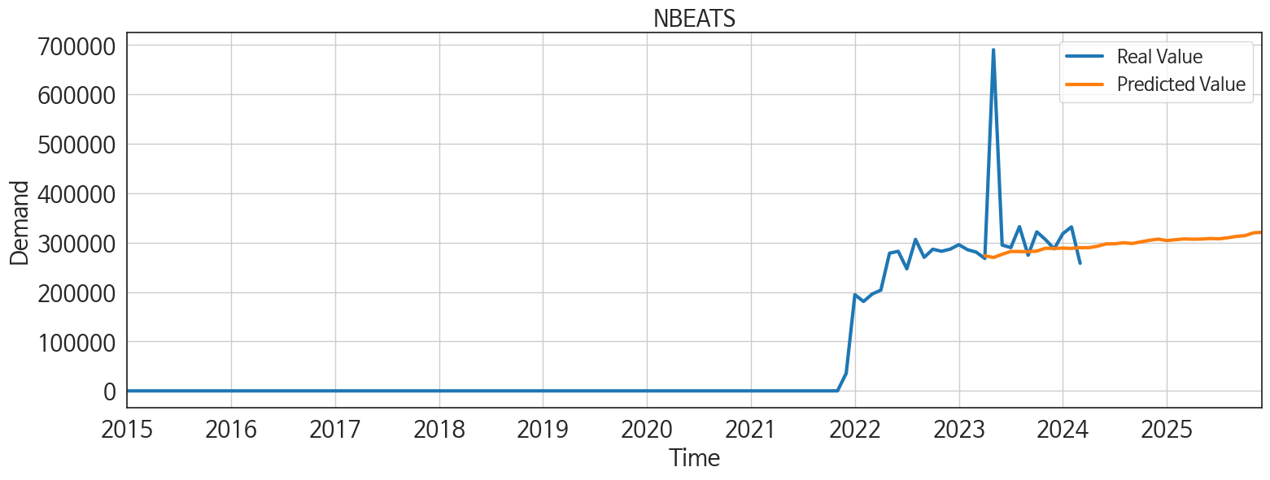
ds | unique_id | y | NBEATS | NHITS | RNN | LightGBM | RandomForest | CatBoost | XGBoost | TCN | GRU | LSTM | DilatedRNN | MLP
2023-04-01 | 1 | 268051 | 273565.71875 | 371543.40625 | 150275.84375 | 1031.8708043 | 0 | 34.177033787 | 0.0013180021197 | 99186.148438 | 138966.07812 | 161502.3125 | 170315.03125 | 562572.25
2023-05-01 | 1 | 690516 | 269914.75 | 382929.0625 | 148552.84375 | 5206.7128254 | 0 | -0.50742083525 | 0.0013180021197 | 135609.17188 | 150350.21875 | 171100.60938 | 214629.6875 | 297050.5
2023-06-01 | 1 | 295102 | 276487.75 | 389007.1875 | 118608.53125 | 6211.3754427 | 0 | -20.951613916 | 0.0013180021197 | 201945.9375 | 130679.24219 | 151990.8125 | 186711.28125 | 223854.92188
2023-07-01 | 1 | 290002 | 282261.625 | 389025.5625 | 104579.25781 | 4913.0246988 | 0 | -40.672961932 | 0.0013180021197 | 206475.125 | 94233.914062 | 100793.09375 | 157898.8125 | 345010.53125
2023-08-01 | 1 | 332425 | 281937.78125 | 414409.59375 | 87503.21875 | 5206.7128254 | 0 | -0.50742083525 | 0.0013180021197 | 260466.9375 | 103862.48438 | 103810.67188 | 190043.29688 | -25194.330078
2023-09-01 | 1 | 274506 | 281716.875 | 390370.1875 | 19549.425781 | -1408.9193391 | 0 | -305.42682183 | 0.0013180021197 | 325558.125 | 73138.710938 | 66074.328125 | 171651.45312 | 312261.53125
2023-10-01 | 1 | 321890 | 282932.875 | 287799.9375 | 49694.296875 | 5206.7128254 | 0 | -454.73502053 | 0.0013180021197 | 342276.375 | 70197.953125 | 74172.15625 | 156837.89062 | 317461.3125
2023-11-01 | 1 | 306272 | 288702.25 | 255208.01562 | 23972.523438 | 3112.1164138 | 0 | 5.6673954286 | 0.0013180021197 | 291186.5625 | 33448.644531 | 40451.15625 | 135202.375 | -80881.054688
2023-12-01 | 1 | 287425 | 288293.71875 | 312494.625 | 14298.155273 | -1408.9193391 | 0 | 2.060334695 | 0.0013180021197 | 375628.125 | 45317.730469 | 58995.375 | 133396.25 | 835662.3125
2024-01-01 | 1 | 318123 | 289069.46875 | 372127.84375 | 7253.0395508 | 5206.7128254 | 0 | -0.50742083525 | 0.0013180021197 | 352725.375 | 64451.027344 | 47481.917969 | 156301.34375 | 1417524
2024-02-01 | 1 | 331929 | 288357 | 452956.28125 | 10989.217773 | 6211.3754427 | 0 | -337.01074591 | 0.0013180021197 | 330484.1875 | 18415.169922 | 28761.171875 | 172981.15625 | 1329161.25
2024-03-01 | 1 | 258240 | 289904.25 | 585965.875 | 9620.1611328 | 1031.8708043 | 0 | 34.177033787 | 0.0013180021197 | 293207.78125 | 37228.421875 | 48487.164062 | 124132.14062 | 708348.3125
2024-04-01 | 1 | 0 | 289813.71875 | 700894.875 | 1365.4078369 | 5206.7128254 | 0 | -10.865759714 | 0.0013180021197 | 407143.59375 | 40150.824219 | 61098.972656 | 142263.78125 | 1043517
2024-05-01 | 1 | 0 | 292790.375 | 802373.875 | 41297.351562 | 5206.7128254 | 0 | -362.58604289 | 0.0013180021197 | 655295.875 | 106067.5625 | 95496.609375 | 109736.05469 | -1267755
2024-06-01 | 1 | 0 | 297582.28125 | 772768.5 | 6497.0024414 | -1408.9193391 | 0 | 2.060334695 | 0.0013180021197 | 153780.98438 | 38313.296875 | 3614.130127 | 12561.731445 | 670955.4375
2024-07-01 | 1 | 0 | 297696.375 | 731645.25 | -1723.3094482 | 3112.1164138 | 0 | 257.7290455 | 0.0013180021197 | 8510.3066406 | -1378.3708496 | 1120.1645508 | -753.09350586 | 326649.53125
2024-08-01 | 1 | 0 | 299861.625 | 829044.125 | 10075.357422 | 6211.3754427 | 0 | -20.951613916 | 0.0013180021197 | 15306.875977 | 5496.3662109 | 1410.7939453 | 16625.589844 | -236233.35938
2024-09-01 | 1 | 0 | 298261.8125 | 926443.125 | 9378.9453125 | 6211.3754427 | 0 | -106.53807207 | 0.0013180021197 | 41138.296875 | 9993.8505859 | 2990.6843262 | 29903.648438 | -2035048.875
2024-10-01 | 1 | 0 | 301662.5625 | 973728.6875 | -153.89604187 | 5206.7128254 | 0 | 7.243058215 | 0.0013180021197 | 16770.466797 | -1914.8201904 | -840.94067383 | 1682.4533691 | 614836.25
2024-11-01 | 1 | 0 | 304752.65625 | 877313.5 | -1522.5633545 | 1031.8708043 | 0 | 34.177033787 | 0.0013180021197 | -3196.1391602 | -604.90875244 | 1580.8701172 | 866.08642578 | 1885670.625
2024-12-01 | 1 | 0 | 307189.4375 | 902140.625 | 21657.939453 | 5206.7128254 | 0 | -10.865759714 | 0.0013180021197 | 7162.6420898 | 26281.326172 | 7352.6782227 | 5407.0922852 | -1137221
2025-01-01 | 1 | 0 | 304304.5 | 940490.1875 | 17282.296875 | 5206.7128254 | 0 | 167.89534814 | 0.0013180021197 | 5052.065918 | 17078.5625 | 45.300548553 | 12553.960938 | 522312.21875
2025-02-01 | 1 | 0 | 305909.96875 | 914792.8125 | 13408.326172 | 1031.8708043 | 0 | 34.177033787 | 0.0013180021197 | -10857.814453 | 3319.2758789 | 1889.8499756 | -1006.1921387 | -711484.875
2025-03-01 | 1 | 0 | 307575.90625 | 989610 | 6066.7998047 | 6211.3754427 | 0 | -20.951613916 | 0.0013180021197 | -1352.6358643 | 539.97686768 | -656.94989014 | -2467.7333984 | 66855.984375
2025-04-01 | 1 | 0 | 306960.875 | 900591.3125 | 1916.2321777 | 3112.1164138 | 0 | 5.6673954286 | 0.0013180021197 | 4685.1499023 | -2235.965332 | 786.92608643 | -1467.131958 | 547277.5625
2025-05-01 | 1 | 0 | 307245.15625 | 758437.375 | 50223.214844 | 6211.3754427 | 0 | 364.48614239 | 0.0013180021197 | 45478.183594 | 38406.816406 | 7265.4487305 | 9355.7060547 | -1921313.625
2025-06-01 | 1 | 0 | 308418.40625 | 699145.3125 | -1084.9764404 | 4913.0246988 | 0 | -40.672961932 | 0.0013180021197 | 5839.4033203 | 32.177841187 | 3817.2866211 | -3597.2763672 | 1212131.75
2025-07-01 | 1 | 0 | 307738.0625 | 696053.5 | 634.7510376 | 3112.1164138 | 0 | 257.7290455 | 0.0013180021197 | 2322.7490234 | 523.22747803 | -3839.2836914 | -3871.5400391 | -218139.1875
2025-08-01 | 1 | 0 | 309752.8125 | 870171.125 | 1754.203125 | 1031.8708043 | 0 | 34.177033787 | 0.0013180021197 | 4944.7998047 | -2870.4560547 | -128.23840332 | -1631.4530029 | -72532.851562
2025-09-01 | 1 | 0 | 312617.8125 | 1131452.25 | 18029.841797 | 3112.1164138 | 0 | 5.6673954286 | 0.0013180021197 | 18922.890625 | 7083.9882812 | 1728.9887695 | -4126.7993164 | 424639.78125
2025-10-01 | 1 | 0 | 314122.03125 | 1160839.75 | 6420.2944336 | 5206.7128254 | 0 | 116.96386153 | 0.0013180021197 | 19048.128906 | -8651.8183594 | 1636.0917969 | -10588.762695 | -887868.375
2025-11-01 | 1 | 0 | 319834.9375 | 985646.5 | 30.806093216 | 1031.8708043 | 0 | 34.177033787 | 0.0013180021197 | 15862.388672 | -1780.440918 | 709.14343262 | 85.274291992 | 405869.5625
2025-12-01 | 1 | 0 | 321097.375 | 886784.25 | 4665.043457 | 5206.7128254 | 0 | -0.50742083525 | 0.0013180021197 | -13442.291016 | 4293.112793 | -2664.8286133 | 99.903640747 | 863398.375

