Performance_전체
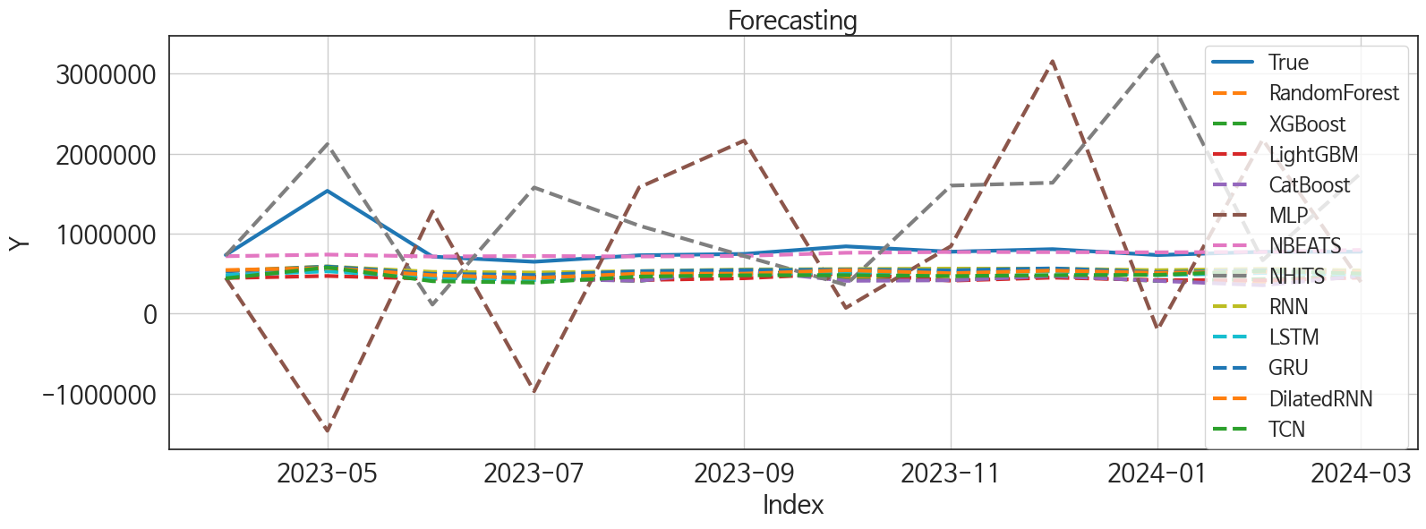
 | MSE | RMSE | MSPE | MAE | MAPE | MedAE | MedAPE
NBEATS | 54236011274 | 232886.26253 | 0.02482377155 | 91871.479167 | 0.077317052638 | 23287.03125 | 0.03067446102
RNN | 1.1529902146E+11 | 339557.09602 | 0.10185948037 | 269631.52604 | 0.30356412763 | 204788.5625 | 0.27246916557
GRU | 1.2106667057E+11 | 347946.36163 | 0.11210653384 | 283128.94271 | 0.32196943755 | 223538.5 | 0.2990860737
DilatedRNN | 1.3173388921E+11 | 362951.63481 | 0.12762664169 | 301783.98438 | 0.34621080432 | 247157.35938 | 0.32563830132
LSTM | 1.4823197241E+11 | 385009.05497 | 0.14773102336 | 324466.83854 | 0.37434487194 | 258369.125 | 0.34418590569
TCN | 1.522211099E+11 | 390155.2382 | 0.16586350393 | 341515.06771 | 0.40011809853 | 282062.96875 | 0.3953228269
XGBoost | 1.6719050748E+11 | 408889.35849 | 0.18329403382 | 357740.90104 | 0.41788685917 | 322197.21875 | 0.42700038778
RandomForest | 1.6659933874E+11 | 408165.82261 | 0.18442384251 | 358845.76931 | 0.42011885364 | 316373.49278 | 0.42901777238
LightGBM | 1.8477471728E+11 | 429854.29773 | 0.19678464805 | 373204.60272 | 0.4344301457 | 318070.55618 | 0.42130592296
CatBoost | 1.735590998E+11 | 416604.24842 | 0.19469272067 | 367440.61422 | 0.43085518324 | 321205.25792 | 0.42734432112
NHITS | 8.7877776372E+11 | 937431.47148 | 1.5835593889 | 687033.66927 | 0.89175560134 | 591266.625 | 0.70669047299
MLP | 1.9869357596E+12 | 1409587.0883 | 2.5248126737 | 1136477.3014 | 1.3497237164 | 892042.50781 | 1.2204214554

Forecasting_전체
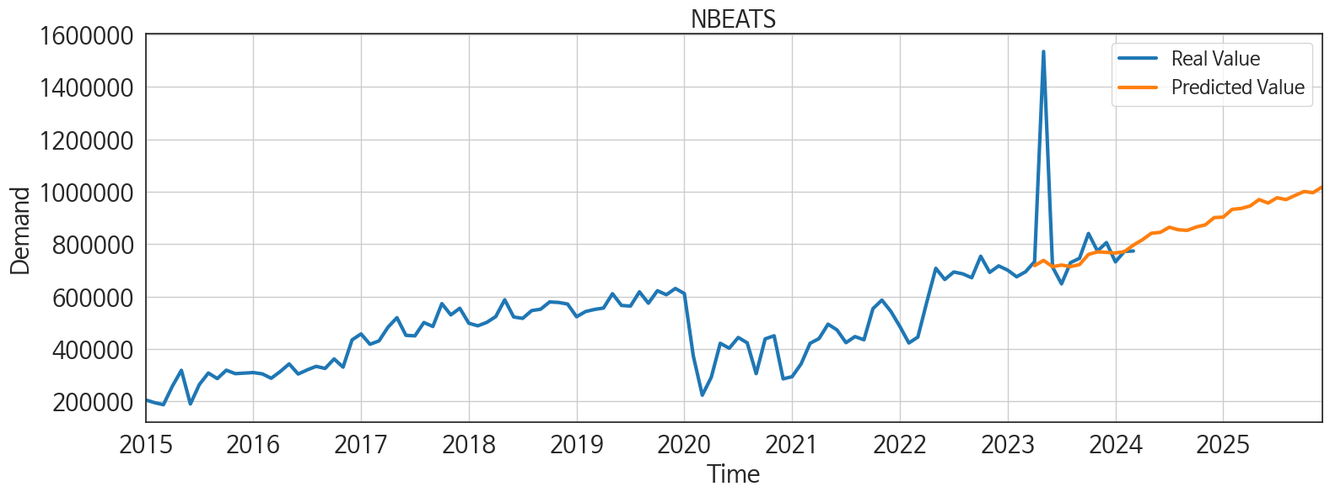
ds | unique_id | y | NBEATS | NHITS | RNN | LightGBM | RandomForest | CatBoost | XGBoost | TCN | GRU | LSTM | DilatedRNN | MLP
2023-04-01 | 1 | 733238 | 717939.5 | 725496.8125 | 535195.125 | 445197.1416 | 473191.3829 | 473041.25225 | 472336.53125 | 441622.71875 | 527855.4375 | 481322 | 544483.875 | 448075.40625
2023-05-01 | 1 | 1534990 | 737984.625 | 2118387.5 | 590287.1875 | 470728.63237 | 560820.01667 | 555771.96945 | 553533.125 | 577427.375 | 588427.25 | 528663.75 | 571207.5625 | -1464261
2023-06-01 | 1 | 712496 | 714080.375 | 113360.25 | 521758.5 | 435330.52239 | 460553.22286 | 444511.88185 | 451951.65625 | 405392.625 | 497180.9375 | 448134.03125 | 480201.75 | 1277843.375
2023-07-01 | 1 | 648470 | 720170.75 | 1576719 | 513403.625 | 462359.02546 | 434752.42933 | 435807.81716 | 449916.3125 | 387988.875 | 482055.8125 | 419956.375 | 446405.6875 | -969549.1875
2023-08-01 | 1 | 729354 | 714426.8125 | 1099611.125 | 530955.9375 | 419837.14497 | 414486.00722 | 409654.24208 | 408662.28125 | 463516.65625 | 530265.125 | 498009.1875 | 499651.3125 | 1577861.5
2023-09-01 | 1 | 745932 | 721942.5625 | 719638 | 552282.375 | 441803.55016 | 546895.3955 | 542734.11376 | 551735.625 | 478762.8125 | 543988.875 | 497561 | 499474.53125 | 2162833.25
2023-10-01 | 1 | 840753 | 760817.8125 | 359435.40625 | 557154.3125 | 502464.42693 | 450907.06404 | 410186.46503 | 419192.78125 | 480912.96875 | 549530.8125 | 508599.25 | 542227.0625 | 72101.429688
2023-11-01 | 1 | 773778 | 770357.0625 | 1600681.75 | 562598.9375 | 411996.46399 | 423202.34904 | 416753.21293 | 418804.34375 | 469732.1875 | 541170.8125 | 520916.4375 | 504473.125 | 843094.6875
2023-12-01 | 1 | 805939 | 768675.75 | 1636082.875 | 562392.0625 | 450135.74267 | 462345.04486 | 470381.56335 | 472032.0625 | 480831.625 | 565701.4375 | 528046.9375 | 537466.9375 | 3154468.5
2024-01-01 | 1 | 732365 | 766095 | 3235165 | 542601.25 | 419837.14497 | 414486.00722 | 409654.24208 | 408662.28125 | 483879.5625 | 518495.15625 | 481039.8125 | 509832.71875 | -203212.51562
2024-02-01 | 1 | 772313 | 771294.875 | 667488.875 | 559149.5 | 415096.22917 | 393243.80383 | 355211.30603 | 431627.125 | 533890.4375 | 540551.0625 | 508436.3125 | 524455.75 | 2176435
2024-03-01 | 1 | 773749 | 796333.625 | 1757089.125 | 540019.875 | 450135.74267 | 462345.04486 | 470381.56335 | 472032.0625 | 501238.34375 | 520606.96875 | 489089.84375 | 522088.875 | 395407.5625
2024-04-01 | 1 | 0 | 816603.6875 | 1411760.75 | 556530.5625 | 390932.05553 | 264257.04267 | 255661.69011 | 247224.73438 | 496665.5625 | 520562.28125 | 494077 | 491294.21875 | 2782178
2024-05-01 | 1 | 0 | 841476.3125 | 1431498.25 | 626298.5 | 502464.42693 | 503713.80574 | 498397.35412 | 519517.0625 | 572983.625 | 582578.125 | 567466.125 | 586984.5 | 434721.3125
2024-06-01 | 1 | 0 | 844972.1875 | 1976508.375 | 549188.5625 | 430302.04882 | 535679.55417 | 541022.93225 | 544059.8125 | 519711.28125 | 535085.6875 | 494251.3125 | 510188.625 | 1416685.375
2024-07-01 | 1 | 0 | 864543.5 | 693236.8125 | 537147.6875 | 440901.55342 | 517459.12684 | 555254.25834 | 563626.375 | 478556.8125 | 527579.0625 | 514334.6875 | 488315.4375 | 1282534.5
2024-08-01 | 1 | 0 | 854875.1875 | -1181840 | 579749.4375 | 447463.93269 | 440650.32374 | 439858.73593 | 439900.78125 | 556697.9375 | 576978.6875 | 552166.125 | 580186.75 | 104649.17188
2024-09-01 | 1 | 0 | 852564.0625 | -299175.375 | 503947.125 | 446832.02372 | 469440.278 | 451309.29725 | 450120.75 | 525097.875 | 532795.75 | 513116.4375 | 513893.875 | -533458.3125
2024-10-01 | 1 | 0 | 865379.625 | 1903945.5 | 542859.3125 | 470728.63237 | 573387.43496 | 593465.32999 | 600814.5625 | 560980.25 | 564634.875 | 538387.3125 | 540571.3125 | 2687445.5
2024-11-01 | 1 | 0 | 873475 | 7983303 | 559348.5625 | 445197.1416 | 473191.3829 | 473041.25225 | 472336.53125 | 552031.4375 | 555225.375 | 533011.1875 | 572271.9375 | 2465210.5
2024-12-01 | 1 | 0 | 901319.5 | 9721915 | 564375.6875 | 451572.93952 | 454329.04268 | 448558.04296 | 448792.25 | 560109.6875 | 577028.375 | 564078.5 | 546474.75 | -3546851
2025-01-01 | 1 | 0 | 903129.3125 | 9160873 | 550585 | 502464.42693 | 524089.39907 | 521088.12392 | 515182.1875 | 581340.25 | 601022.5 | 558379.4375 | 580519.25 | 1123424.75
2025-02-01 | 1 | 0 | 932767.75 | 6259922.5 | 475179.34375 | 427330.94627 | 416970.29052 | 421886.57232 | 417877.125 | 508246.8125 | 508303.5 | 464674.9375 | 501485.6875 | 7538366.5
2025-03-01 | 1 | 0 | 936219.6875 | 6478820 | 545363.5625 | 458965.43403 | 350925.249 | 346252.96447 | 340528 | 513490.15625 | 552634.375 | 526550.75 | 512808.46875 | 5170765
2025-04-01 | 1 | 0 | 945596.1875 | 8455922 | 527694.6875 | 411996.46399 | 423202.34904 | 416753.21293 | 418804.34375 | 535031.9375 | 546713.125 | 543510.1875 | 527720.5625 | 7233712
2025-05-01 | 1 | 0 | 970026.5625 | 7481444.5 | 557598.8125 | 458965.43403 | 403217.714 | 414868.82043 | 414985 | 597093.4375 | 587578.125 | 572923.6875 | 564623.1875 | 7231015
2025-06-01 | 1 | 0 | 956736.125 | 8241699.5 | 555955 | 435330.52239 | 460553.22286 | 444511.88185 | 451951.65625 | 548785.6875 | 534814.125 | 536234.625 | 539884.75 | 6279298.5
2025-07-01 | 1 | 0 | 977081.625 | 6450433 | 537002.625 | 440901.55342 | 517459.12684 | 555254.25834 | 563626.375 | 570608.3125 | 575793 | 576867.1875 | 553841.6875 | 11709123
2025-08-01 | 1 | 0 | 969903.1875 | 18840986 | 571235.5 | 450135.74267 | 462345.04486 | 470381.56335 | 472032.0625 | 632548.875 | 587967.4375 | 578178.625 | 587216.625 | 11612528
2025-09-01 | 1 | 0 | 985819.625 | 17723398 | 480095.84375 | 411996.46399 | 423202.34904 | 416753.21293 | 418804.34375 | 522439.34375 | 506458.875 | 488439.40625 | 458492.78125 | 9158115
2025-10-01 | 1 | 0 | 1000836.875 | 17489466 | 616632.25 | 502464.42693 | 524089.39907 | 521088.12392 | 515182.1875 | 638697.5625 | 634385.25 | 652660.6875 | 623757.875 | 24513638
2025-11-01 | 1 | 0 | 996412 | 19879638 | 557811.6875 | 445197.1416 | 473191.3829 | 473041.25225 | 472336.53125 | 581728.25 | 602232.875 | 564790.125 | 553131.1875 | 43874896
2025-12-01 | 1 | 0 | 1017692.1875 | 16924022 | 577614.6875 | 419837.14497 | 414486.00722 | 409654.24208 | 408662.28125 | 606781.5 | 608658.0625 | 592305.3125 | 522945.46875 | 75550656

Performance_주말
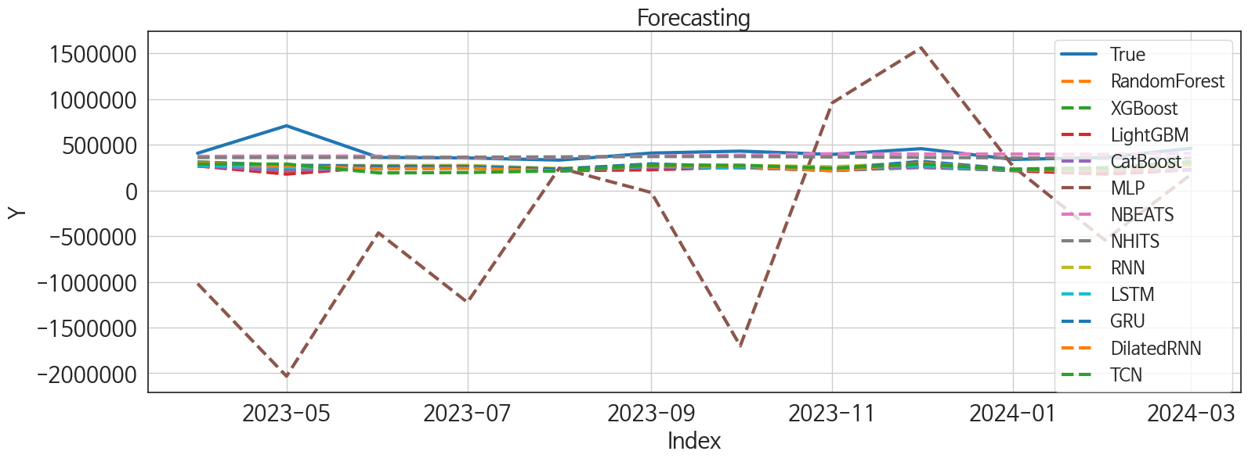
 | MSE | RMSE | MSPE | MAE | MAPE | MedAE | MedAPE
NBEATS | 10519960398 | 102566.85818 | 0.026894342917 | 58601.203125 | 0.117001498 | 33975.359375 | 0.093564810665
NHITS | 12626319903 | 112366.89861 | 0.033325379054 | 66103.75 | 0.12951135313 | 36975.65625 | 0.10028354049
RNN | 28933933665 | 170099.77562 | 0.11409015847 | 143988.75911 | 0.3238607657 | 118630.86719 | 0.31082322517
GRU | 29878513690 | 172854.02422 | 0.12112726551 | 147821.39844 | 0.33465140122 | 115924.35156 | 0.3086950178
DilatedRNN | 34464791679 | 185646.9544 | 0.14856363762 | 163919.53646 | 0.37551076225 | 135268.89844 | 0.35073061267
TCN | 33385544212 | 182717.11527 | 0.15206135567 | 164681.8138 | 0.3816807917 | 151089.67969 | 0.35766915829
LSTM | 36818750739 | 191882.1272 | 0.15777252714 | 170073.60547 | 0.38870868451 | 137841.40625 | 0.36632384287
CatBoost | 42767331121 | 206802.63809 | 0.1768213936 | 179560.24213 | 0.40585850898 | 151369.04612 | 0.39362147711
RandomForest | 43546243641 | 208677.36734 | 0.1783016156 | 179950.28487 | 0.40631886229 | 158204.31333 | 0.39422380739
XGBoost | 42010898395 | 204965.60296 | 0.17902218086 | 180059.375 | 0.40927022185 | 164718.28125 | 0.39787651069
LightGBM | 47232454311 | 217330.28853 | 0.19360755121 | 186833.41243 | 0.4220170501 | 175943.1147 | 0.40806740944
MLP | 1.6586753338E+12 | 1287895.6999 | 7.691729578 | 1013015.5376 | 2.2943142884 | 865262.1875 | 2.3445689928

Forecasting_주말
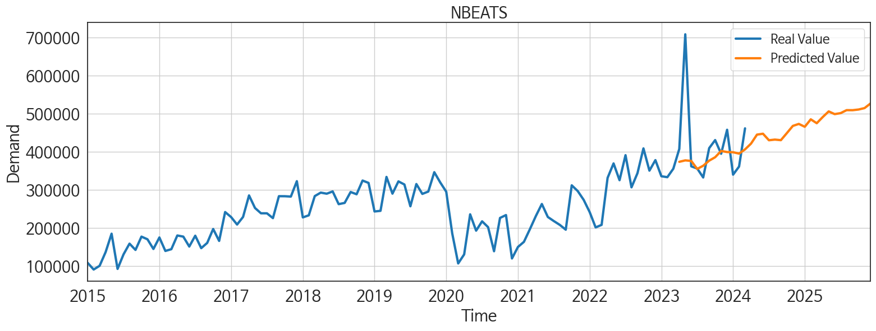
ds | unique_id | y | NBEATS | NHITS | RNN | LightGBM | RandomForest | CatBoost | XGBoost | TCN | GRU | LSTM | DilatedRNN | MLP
2023-04-01 | 1 | 407613 | 373751.03125 | 360528.21875 | 313492.75 | 268601.02829 | 269498.06665 | 269033.57248 | 269975.4375 | 288551.125 | 310994.15625 | 273932.53125 | 303639 | -1019024.25
2023-05-01 | 1 | 708674 | 377520.3125 | 360526.75 | 276472.71875 | 179326.70802 | 202965.29467 | 216138.79696 | 233077.09375 | 289563.65625 | 275601.5625 | 255779.03125 | 267445.90625 | -2032649.25
2023-06-01 | 1 | 361826 | 376066.28125 | 361885.65625 | 272309.75 | 257328.03536 | 252048.43115 | 248605.64545 | 251690.98438 | 192396.4375 | 264993.75 | 233518.15625 | 237788.45312 | -463457
2023-07-01 | 1 | 356106 | 355014.75 | 364977.84375 | 275011.6875 | 268601.02829 | 269498.06665 | 269033.57248 | 269975.4375 | 196674.84375 | 262560.9375 | 243752.71875 | 241851.85938 | -1223618.5
2023-08-01 | 1 | 332612 | 363466.75 | 368067.0625 | 240340.76562 | 216479.73525 | 222014.9012 | 221791.50534 | 220615.28125 | 214434.78125 | 232951.78125 | 209862.35938 | 214063.39062 | 246479.45312
2023-09-01 | 1 | 409660 | 376799.75 | 371163.75 | 282434.875 | 226226.1367 | 256645.625 | 254388.48432 | 253992.79688 | 276922.03125 | 291511.875 | 267657.65625 | 273879.25 | -22152.185547
2023-10-01 | 1 | 430802 | 385776.34375 | 371720.5625 | 275376.9375 | 257328.03536 | 252048.43115 | 248605.64545 | 251690.98438 | 275697 | 259727.9375 | 247968.95312 | 267557.40625 | -1700518.875
2023-11-01 | 1 | 394892 | 402216.75 | 366722.84375 | 259234.8125 | 216479.73525 | 222014.9012 | 221791.50534 | 220615.28125 | 243180.45312 | 235862.375 | 237970.75 | 215337.1875 | 959114.25
2023-12-01 | 1 | 457940 | 399423.28125 | 361718.4375 | 301749.75 | 268601.02829 | 266611.50624 | 256879.60253 | 251243.32812 | 290280.40625 | 319123.46875 | 274503.21875 | 299930.5 | 1560776
2024-01-01 | 1 | 339988 | 398919.5 | 356724.59375 | 234223.26562 | 216479.73525 | 222014.9012 | 221791.50534 | 220615.28125 | 228399.39062 | 233144.23438 | 226323.5 | 224994.4375 | 262780.3125
2024-02-01 | 1 | 361245 | 395333.75 | 353020.125 | 251208.39062 | 179326.70802 | 197850.74833 | 213778.42345 | 187475.64062 | 239543.92188 | 247544.42188 | 229896.26562 | 226487.95312 | -543996.375
2024-03-01 | 1 | 461647 | 406382.125 | 354950.46875 | 313284.1875 | 226226.1367 | 230390.70807 | 226443.83526 | 231324.95312 | 311179.1875 | 315131.71875 | 280956.59375 | 282995.21875 | 177201.46875
2024-04-01 | 1 | 0 | 421505.40625 | 356886.71875 | 250612.46875 | 216479.73525 | 222014.9012 | 221791.50534 | 220615.28125 | 251067.375 | 237127.9375 | 242443.07812 | 220732.96875 | 158023.42188
2024-05-01 | 1 | 0 | 445135.8125 | 358891.3125 | 286294.21875 | 214953.14377 | 136931.10394 | 150102.58216 | 100645.47656 | 281950.90625 | 278579.53125 | 272140.09375 | 273062.28125 | 907988.125
2024-06-01 | 1 | 0 | 447562.53125 | 360780.34375 | 283451.5 | 268601.02829 | 269498.06665 | 269033.57248 | 269975.4375 | 273281.28125 | 280082.78125 | 272510.0625 | 256977.46875 | 234547.85938
2024-07-01 | 1 | 0 | 430407.09375 | 362008.65625 | 241899.01562 | 216479.73525 | 222014.9012 | 221791.50534 | 220615.28125 | 247988.96875 | 234015.92188 | 238974.3125 | 242825.5625 | 154653.26562
2024-08-01 | 1 | 0 | 432097.6875 | 363230.65625 | 289887.15625 | 268601.02829 | 269498.06665 | 269033.57248 | 269975.4375 | 287783.5625 | 280449.75 | 274936.1875 | 281443.9375 | -135542.0625
2024-09-01 | 1 | 0 | 430613.28125 | 364463.90625 | 260251.10938 | 257328.03536 | 252048.43115 | 248605.64545 | 251690.98438 | 263164.75 | 276444.4375 | 253931.65625 | 246796.45312 | -1504699
2024-10-01 | 1 | 0 | 449169.65625 | 365695.375 | 224625.82812 | 216479.73525 | 222014.9012 | 221791.50534 | 220615.28125 | 269463.375 | 240390.70312 | 248026.45312 | 244374.125 | 991655.125
2024-11-01 | 1 | 0 | 468058.90625 | 367029.65625 | 292355.96875 | 268601.02829 | 269498.06665 | 269033.57248 | 269975.4375 | 309504.65625 | 295801.28125 | 286489.5625 | 301109.375 | 770118.6875
2024-12-01 | 1 | 0 | 473272.75 | 368374.21875 | 271337.15625 | 257328.03536 | 252048.43115 | 248605.64545 | 251690.98438 | 295860.9375 | 285243.4375 | 278353 | 277134.90625 | -2017947.125
2025-01-01 | 1 | 0 | 465779.625 | 369715.53125 | 234026.15625 | 257328.03536 | 252048.43115 | 248605.64545 | 251690.98438 | 251528.39062 | 254664 | 247158.10938 | 254118.73438 | -354093.71875
2025-02-01 | 1 | 0 | 485329.75 | 371061.0625 | 228182.34375 | 216479.73525 | 222014.9012 | 221791.50534 | 220615.28125 | 246061.10938 | 218361.48438 | 234082.5 | 225077.85938 | 1281335.125
2025-03-01 | 1 | 0 | 475154.09375 | 370088.28125 | 267721.4375 | 226226.1367 | 200819.56192 | 203793.46612 | 199300.04688 | 298453.75 | 281332.46875 | 279305.53125 | 282996.84375 | 843302.75
2025-04-01 | 1 | 0 | 491280 | 368586.15625 | 242607.53125 | 216479.73525 | 222014.9012 | 221791.50534 | 220615.28125 | 285214.4375 | 256817.71875 | 265425.625 | 271610.28125 | 2897637.5
2025-05-01 | 1 | 0 | 506157.03125 | 367081.40625 | 262644.8125 | 268601.02829 | 269498.06665 | 269033.57248 | 269975.4375 | 312349.8125 | 291240.0625 | 286434.375 | 299556.6875 | 1962935.25
2025-06-01 | 1 | 0 | 499025.59375 | 365564.125 | 261285.64062 | 214953.14377 | 136931.10394 | 150102.58216 | 100645.47656 | 292466.65625 | 284083 | 270888.625 | 270759.375 | 2159371
2025-07-01 | 1 | 0 | 501652.3125 | 361730.75 | 244912.28125 | 216479.73525 | 222014.9012 | 221791.50534 | 220615.28125 | 282685.375 | 258124.9375 | 273928.6875 | 264738.40625 | 2034838
2025-08-01 | 1 | 0 | 509456.28125 | 356831.71875 | 297752.46875 | 226226.1367 | 230390.70807 | 226443.83526 | 231324.95312 | 341845.875 | 314021.5 | 305277.375 | 310348.25 | 1749315.25
2025-09-01 | 1 | 0 | 509330.71875 | 351932.84375 | 191077.125 | 216479.73525 | 222014.9012 | 221791.50534 | 220615.28125 | 251173.10938 | 228001.375 | 237448.76562 | 238221.21875 | -2161278.5
2025-10-01 | 1 | 0 | 511132.875 | 347036.375 | 243044.0625 | 214953.14377 | 243297.57233 | 258106.5836 | 244442.76562 | 277488.25 | 259286.1875 | 252814.25 | 258141.0625 | 4849067
2025-11-01 | 1 | 0 | 514856.78125 | 344897.0625 | 287398.5 | 268601.02829 | 269498.06665 | 269033.57248 | 269975.4375 | 339414.875 | 293182.71875 | 293750.125 | 289595.8125 | 3824671
2025-12-01 | 1 | 0 | 527009.625 | 344891.75 | 256669.79688 | 216479.73525 | 222014.9012 | 221791.50534 | 220615.28125 | 281023.875 | 256818.48438 | 283041.03125 | 265959.5625 | 12469241

Performance_주중
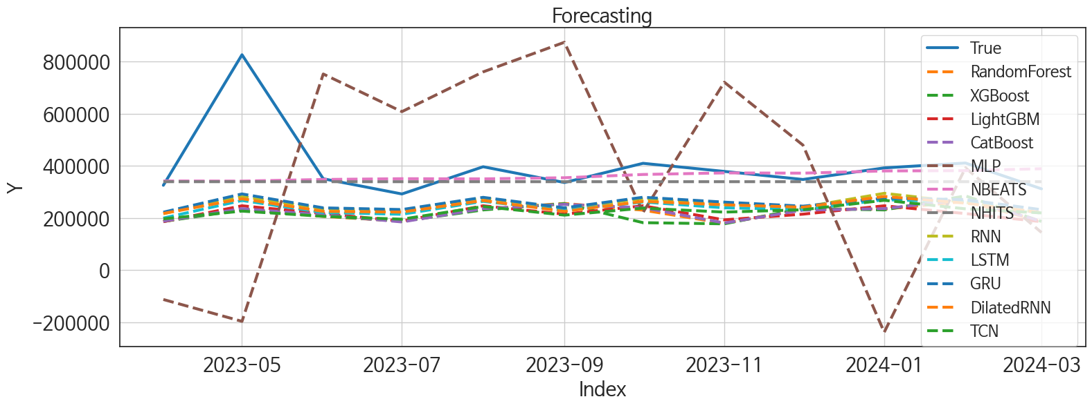
 | MSE | RMSE | MSPE | MAE | MAPE | MedAE | MedAPE
NBEATS | 20867008404 | 144454.17406 | 0.040529503857 | 68175.395833 | 0.12953429749 | 26729.015625 | 0.070360098585
NHITS | 21513902604 | 146676.18281 | 0.041179887721 | 74160.585938 | 0.13967258697 | 43255.171875 | 0.11953228764
GRU | 34642538335 | 186125.06101 | 0.11544358226 | 142458.23568 | 0.32383064405 | 113886.23438 | 0.30360927922
RNN | 36249208687 | 190392.24955 | 0.12290969216 | 146539.80339 | 0.33453526423 | 112024.24219 | 0.31683852492
DilatedRNN | 38276684319 | 195644.28006 | 0.13285481605 | 152549.94401 | 0.34975467475 | 117882.21875 | 0.33061766296
LSTM | 40050622295 | 200126.51572 | 0.14332433585 | 158230.85286 | 0.36528049434 | 127553.65625 | 0.34800543517
TCN | 47281036094 | 217442.02927 | 0.17282359756 | 173569.65365 | 0.40191033047 | 136271.36719 | 0.38943548845
CatBoost | 47687423447 | 218374.50274 | 0.18314276575 | 177010.47362 | 0.41373539451 | 139117.86441 | 0.39800255038
LightGBM | 47843972099 | 218732.64982 | 0.19054278552 | 181198.17524 | 0.42669190412 | 142435.83639 | 0.38983268156
RandomForest | 48423814682 | 220054.11762 | 0.18667444974 | 178668.25714 | 0.41738534258 | 145806.56574 | 0.40588390447
XGBoost | 50060025783 | 223740.97922 | 0.19508045138 | 181643.00911 | 0.42436110513 | 140610.94531 | 0.40847388723
MLP | 2.0958446757E+11 | 457803.96194 | 1.1045674437 | 379758.96615 | 0.93758182644 | 352940.21875 | 0.99843219987

Forecasting_주중
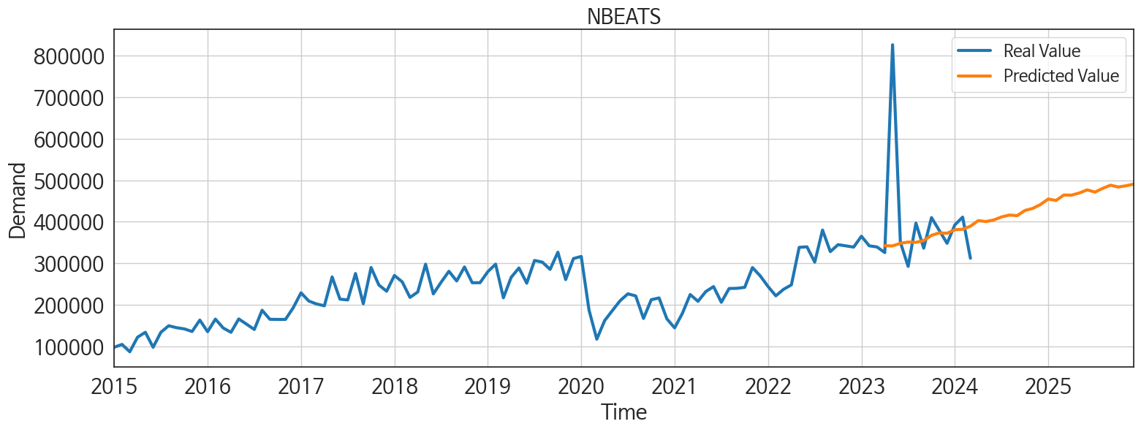
ds | unique_id | y | NBEATS | NHITS | RNN | LightGBM | RandomForest | CatBoost | XGBoost | TCN | GRU | LSTM | DilatedRNN | MLP
2023-04-01 | 1 | 325625 | 342253.40625 | 339436.5625 | 216679.70312 | 186058.16926 | 187183.38158 | 188020.02057 | 186858.07812 | 197079.79688 | 222524.4375 | 199957.375 | 217535.76562 | -112289.48438
2023-05-01 | 1 | 826316 | 341750.09375 | 339432.34375 | 282931.6875 | 247072.15797 | 234406.97715 | 236039.71161 | 231223.35938 | 226597.23438 | 292474.6875 | 267301.5625 | 274012.90625 | -196126.14062
2023-06-01 | 1 | 350670 | 347997.5625 | 339423.375 | 235566.8125 | 217145.98427 | 206491.0429 | 211988.8751 | 208215.03125 | 206672.46875 | 239139.46875 | 221230.3125 | 225637.04688 | 752398.0625
2023-07-01 | 1 | 292364 | 350960.8125 | 339421 | 229171.28125 | 188263.4102 | 188135.6153 | 185041.23264 | 187813.0625 | 195640.45312 | 232631.96875 | 214387.51562 | 222863.57812 | 608068.9375
2023-08-01 | 1 | 396742 | 350269.0625 | 339428.34375 | 277189 | 247072.15797 | 234406.97715 | 236039.71161 | 231223.35938 | 244350.84375 | 279428.34375 | 263964.3125 | 267291.625 | 760566
2023-09-01 | 1 | 336272 | 354627.25 | 339433 | 236934.71875 | 214940.74332 | 256047.84067 | 252507.31956 | 255243.6875 | 211259.75 | 239219.14062 | 229466.65625 | 225540.51562 | 874052.1875
2023-10-01 | 1 | 409951 | 367159.28125 | 339433.0625 | 275022.8125 | 247072.15797 | 230345.71119 | 239620.30362 | 182258.15625 | 238042.65625 | 279831.0625 | 261411.53125 | 264007.625 | 222106.15625
2023-11-01 | 1 | 378886 | 373114.96875 | 339432.65625 | 251965.03125 | 193152.0614 | 179744.64747 | 181092.69547 | 177912.75 | 222805.34375 | 261064.60938 | 239286.26562 | 250764.79688 | 720942.4375
2023-12-01 | 1 | 347999 | 372208.34375 | 339431.84375 | 241706.48438 | 214940.74332 | 234366.53663 | 230323.31816 | 236803.4375 | 231816.67188 | 245595.15625 | 233373.45312 | 241559.65625 | 479666.5625
2024-01-01 | 1 | 392377 | 380676.90625 | 339431.71875 | 294887.875 | 247072.15797 | 234406.97715 | 236039.71161 | 231223.35938 | 268134.5625 | 276135.0625 | 270174.53125 | 282861.25 | -237850.04688
2024-02-01 | 1 | 411068 | 381819.3125 | 339433.3125 | 259989.375 | 217145.98427 | 263633.82562 | 271513.39609 | 285023.53125 | 235368.29688 | 270742.84375 | 262532.375 | 257107.01562 | 392716.71875
2024-03-01 | 1 | 312102 | 389194.125 | 339437.125 | 219849.57812 | 186058.16926 | 187183.38158 | 188020.02057 | 186858.07812 | 219768.07812 | 232086.39062 | 218515.875 | 220590.89062 | 144535.39062
2024-04-01 | 1 | 0 | 402637.25 | 339451.21875 | 273089.1875 | 247072.15797 | 236201.34101 | 228887.99932 | 233539.125 | 259163.07812 | 267445.90625 | 264457.90625 | 258298.65625 | 458461.1875
2024-05-01 | 1 | 0 | 400509.5625 | 339468.09375 | 293340.21875 | 247072.15797 | 246906.95115 | 254354.39313 | 289482.5 | 276969.0625 | 288035.96875 | 281039.6875 | 273510.4375 | 459797.59375
2024-06-01 | 1 | 0 | 404242.25 | 339510.90625 | 226120.28125 | 214940.74332 | 234366.53663 | 230323.31816 | 236803.4375 | 224957.79688 | 234323.01562 | 225411.48438 | 224586.46875 | 504095.03125
2024-07-01 | 1 | 0 | 411518.40625 | 339551.03125 | 278850.625 | 193152.0614 | 235575.71946 | 225836.45773 | 234883.09375 | 280212.53125 | 281406.40625 | 278023.96875 | 271686.78125 | 1078711.375
2024-08-01 | 1 | 0 | 416116.40625 | 339549.125 | 257800.60938 | 217145.98427 | 206491.0429 | 211988.8751 | 208215.03125 | 249800.4375 | 264267.84375 | 252215.89062 | 244387.78125 | 386577.53125
2024-09-01 | 1 | 0 | 414572.34375 | 339547.25 | 289644.71875 | 217145.98427 | 258420.31 | 271469.28378 | 282031.03125 | 283791.28125 | 291590 | 283737.6875 | 280243.40625 | -212464.09375
2024-10-01 | 1 | 0 | 427115.1875 | 339543.53125 | 293981.78125 | 247072.15797 | 295914.10848 | 295183.31163 | 295538.53125 | 290664.4375 | 285480.8125 | 278877.96875 | 283194.125 | 471860.875
2024-11-01 | 1 | 0 | 432056.5 | 339540.34375 | 230849.20312 | 186058.16926 | 187183.38158 | 188020.02057 | 186858.07812 | 229292.65625 | 239011.26562 | 225009.78125 | 220751.15625 | 819380.4375
2024-12-01 | 1 | 0 | 441413.0625 | 339543.6875 | 271263.53125 | 247072.15797 | 236201.34101 | 228887.99932 | 233539.125 | 268944.53125 | 276833.125 | 267925.9375 | 268133.40625 | 97016.984375
2025-01-01 | 1 | 0 | 454738.21875 | 339547.75 | 332122.6875 | 247072.15797 | 280523.25402 | 289960.6841 | 289709.59375 | 325766.53125 | 330430.375 | 320597.21875 | 322048.5 | 621015.875
2025-02-01 | 1 | 0 | 451215.9375 | 339542.6875 | 228857.60938 | 186058.16926 | 187183.38158 | 188020.02057 | 186858.07812 | 221671.32812 | 238697.9375 | 225204.85938 | 211325.53125 | 589648.5
2025-03-01 | 1 | 0 | 464345.96875 | 339546.9375 | 252662.59375 | 217145.98427 | 206491.0429 | 211988.8751 | 208215.03125 | 234766.40625 | 239008.04688 | 225792.90625 | 224549.95312 | 395358.21875
2025-04-01 | 1 | 0 | 464064.40625 | 339560.84375 | 285781.28125 | 193152.0614 | 179744.64747 | 181092.69547 | 177912.75 | 289976.25 | 299742.1875 | 286017.3125 | 271793.0625 | 257720.125
2025-05-01 | 1 | 0 | 469268.75 | 339576.625 | 272954.8125 | 217145.98427 | 207765.092 | 216378.25904 | 270795.34375 | 272784.65625 | 270160.5 | 276498.03125 | 260104.53125 | 1029089.125
2025-06-01 | 1 | 0 | 476763.71875 | 339590.78125 | 249474.75 | 188263.4102 | 188135.6153 | 185041.23264 | 187813.0625 | 240460.60938 | 236777.39062 | 242618.67188 | 243029.25 | 530313.875
2025-07-01 | 1 | 0 | 471429.5625 | 339594.9375 | 307476.1875 | 193152.0614 | 235575.71946 | 225836.45773 | 234883.09375 | 318149.96875 | 313329.125 | 314319.9375 | 292361.0625 | 212395.625
2025-08-01 | 1 | 0 | 480419.09375 | 339592.46875 | 268282.9375 | 186058.16926 | 187183.38158 | 188020.02057 | 186858.07812 | 250593.92188 | 256744.8125 | 254450.0625 | 235129.10938 | 326663.9375
2025-09-01 | 1 | 0 | 488068.8125 | 339588.875 | 288965.375 | 193152.0614 | 179744.64747 | 181092.69547 | 177912.75 | 279273.59375 | 281009.21875 | 268390.0625 | 257030.59375 | -32950.054688
2025-10-01 | 1 | 0 | 483621 | 339586.53125 | 331495.78125 | 247072.15797 | 230874.87536 | 237317.76159 | 280135.3125 | 303067.875 | 320414.65625 | 325881 | 299728.15625 | 191092.5
2025-11-01 | 1 | 0 | 486630.25 | 339585.09375 | 255578.34375 | 186058.16926 | 187183.38158 | 188020.02057 | 186858.07812 | 238450.39062 | 247405.71875 | 251439.71875 | 238636.4375 | 96415.414062
2025-12-01 | 1 | 0 | 490735.5 | 339584.4375 | 319375.96875 | 247072.15797 | 234406.97715 | 236039.71161 | 231223.35938 | 319759.625 | 323988.25 | 309943.53125 | 285119.53125 | 816470.5

