Performance_전체
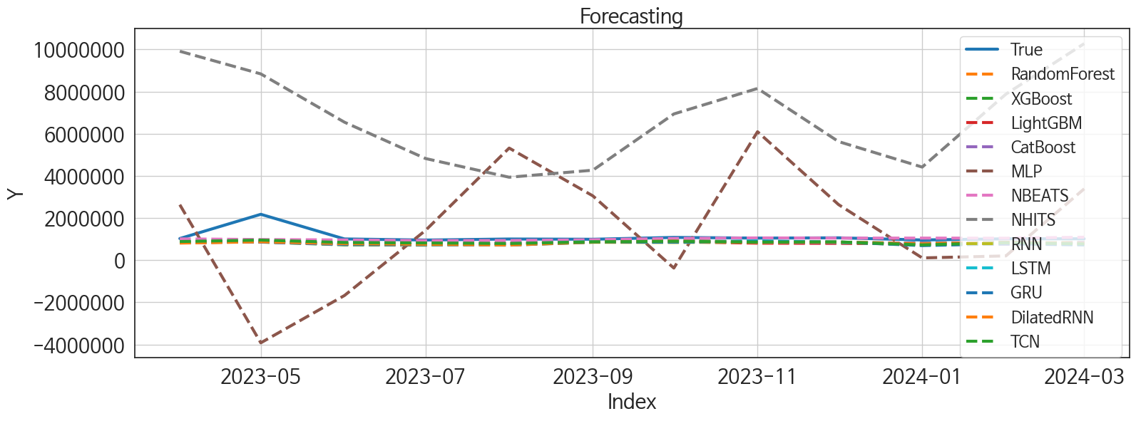
 | MSE | RMSE | MSPE | MAE | MAPE | MedAE | MedAPE
NBEATS | 1.216469803E+11 | 348779.27161 | 0.027420469012 | 137516.98438 | 0.083443880166 | 38305.46875 | 0.03742030376
TCN | 1.5674933206E+11 | 395915.81436 | 0.057512096531 | 269795.97917 | 0.21253401223 | 186042.3125 | 0.1802207714
XGBoost | 1.807713751E+11 | 425172.17112 | 0.065801309374 | 285768.875 | 0.22438998714 | 201220.34375 | 0.19646885523
RandomForest | 1.7667826809E+11 | 420331.14099 | 0.064063561451 | 283937.20919 | 0.22296265815 | 204166.3896 | 0.1993192694
CatBoost | 1.8089740387E+11 | 425320.35441 | 0.066507651685 | 289169.80816 | 0.22763466152 | 201719.86409 | 0.19693273871
LSTM | 1.6963341499E+11 | 411865.77302 | 0.063672369197 | 283529.03646 | 0.22422510366 | 217413.8125 | 0.20374743662
LightGBM | 1.7875477833E+11 | 422794.01407 | 0.065350477219 | 287425.71513 | 0.2254904859 | 209418.62466 | 0.20342010899
DilatedRNN | 1.8015745277E+11 | 424449.58802 | 0.067621782053 | 293814.95833 | 0.23282397746 | 205211.84375 | 0.20367111457
RNN | 1.8266640094E+11 | 427394.90046 | 0.073687924046 | 308473.82812 | 0.24838154157 | 225860.15625 | 0.22777794699
GRU | 1.8921412253E+11 | 434987.49699 | 0.076257294466 | 311291.82812 | 0.25037367675 | 227767.5 | 0.22896859488
MLP | 8.9295677866E+12 | 2988238.2413 | 6.2254158476 | 2444569.4102 | 2.1321079492 | 1831747.25 | 1.820378139
NHITS | 3.6568740355E+13 | 6047209.3031 | 32.265983963 | 5689915.9583 | 5.2970907942 | 5699276.75 | 4.8705323606

Forecasting_전체
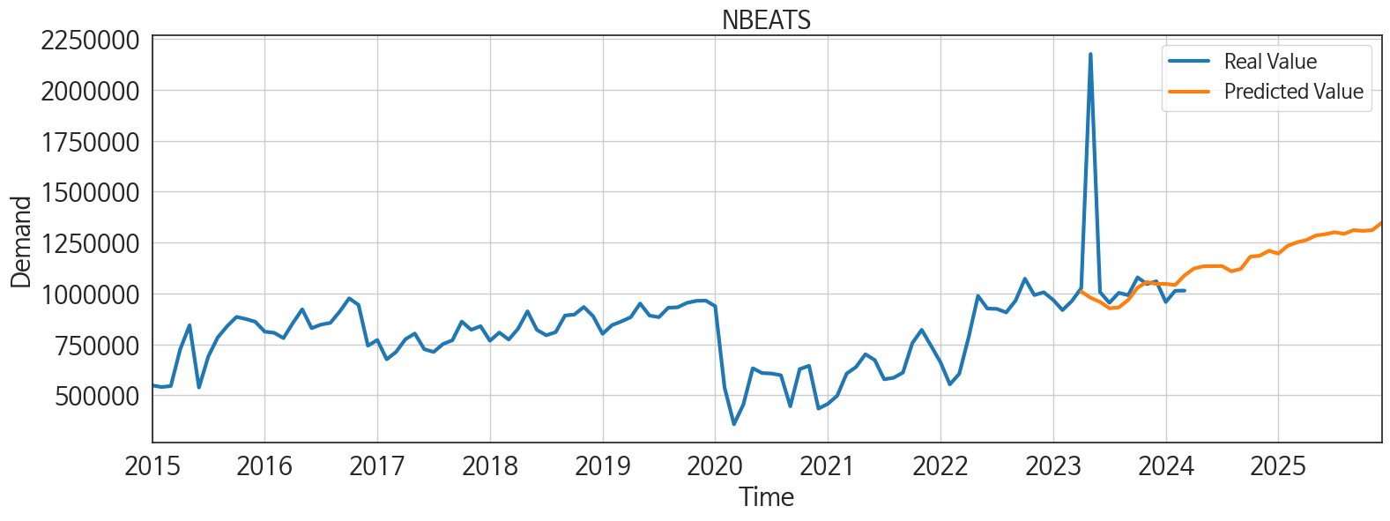
ds | unique_id | y | NBEATS | NHITS | RNN | LightGBM | RandomForest | CatBoost | XGBoost | TCN | GRU | LSTM | DilatedRNN | MLP
2023-04-01 | 1 | 1025955 | 1009081.25 | 9912832 | 849592.1875 | 831488.11214 | 837536.72194 | 842351.8643 | 840861.125 | 882205.5 | 865792.625 | 831866.0625 | 809645.125 | 2630750
2023-05-01 | 1 | 2176084 | 978737.6875 | 8838249 | 894116.5 | 871778.62493 | 872341.53733 | 862406.58469 | 857550.1875 | 952043 | 869326.625 | 912445 | 872957.1875 | -3923400.75
2023-06-01 | 1 | 1006231 | 958222.0625 | 6545803 | 774570.6875 | 775592.64197 | 748849.60083 | 746107.64091 | 726408.125 | 836321.75 | 762515.5625 | 825752.125 | 784021.3125 | -1676870.75
2023-07-01 | 1 | 954043 | 927141.9375 | 4823539.5 | 733983 | 852794.84231 | 743750.09571 | 730462.49238 | 712668.375 | 815743 | 737909.6875 | 800550.875 | 756014.9375 | 1410462.625
2023-08-01 | 1 | 1003070 | 931413.8125 | 3934617.5 | 717506.8125 | 774889.33942 | 801388.83765 | 803712.01319 | 803041.6875 | 790585.5625 | 712596.1875 | 776397.375 | 718953.1875 | 5319021
2023-09-01 | 1 | 991399 | 967818.9375 | 4268739.5 | 847484.625 | 870761.33333 | 887587.82167 | 893770.84432 | 891492 | 866169.125 | 854193 | 882015.8125 | 860941.25 | 3050098.5
2023-10-01 | 1 | 1078780 | 1028504.1875 | 6937761.5 | 835698.375 | 878834.77845 | 927688.15361 | 905244.51523 | 947253.5 | 896683.125 | 857634.5625 | 857667.1875 | 902821.25 | -376629.65625
2023-11-01 | 1 | 1045942 | 1056136.5 | 8147428 | 859111.75 | 804054.9776 | 839290.38316 | 841860.25864 | 843529.625 | 855954.25 | 875181.875 | 920399.6875 | 836988.9375 | 6094793.5
2023-12-01 | 1 | 1059829 | 1046735.875 | 5627635.5 | 851674.875 | 795016.97223 | 837229.07444 | 836987.69307 | 837969.0625 | 864678.4375 | 864611.875 | 845182.625 | 858358.375 | 2637635.5
2024-01-01 | 1 | 957778 | 1046905.5625 | 4416173.5 | 713780.8125 | 774889.33942 | 801388.83765 | 803712.01319 | 803041.6875 | 724408.375 | 690959.3125 | 732264.5 | 772561.1875 | 105432.10938
2024-02-01 | 1 | 1012952 | 1041554 | 7877299.5 | 795257.9375 | 851745.48443 | 784445.35125 | 752330.68911 | 794961.0625 | 831837.375 | 778562.4375 | 792770.75 | 836809.5625 | 201441.25
2024-03-01 | 1 | 1013909 | 1088453.5 | 10274885 | 751508.5 | 795016.97223 | 837229.07444 | 836987.69307 | 837969.0625 | 771790.75 | 721186.3125 | 746311.5625 | 790120.1875 | 3384366
2024-04-01 | 1 | 0 | 1122139.5 | 6929349.5 | 804041.0625 | 759402.28598 | 683133.95413 | 694451.97652 | 683557.6875 | 766695.0625 | 791782.5625 | 805579.5 | 811854.3125 | 2872789.5
2024-05-01 | 1 | 0 | 1133236.375 | 3979087 | 886483.3125 | 878834.77845 | 866867.53111 | 882855.57883 | 849167.1875 | 839101.5 | 887782.5625 | 855553.3125 | 914593 | -1945707.375
2024-06-01 | 1 | 0 | 1133940 | 4849825.5 | 791961.4375 | 791583.15831 | 846387.5666 | 849109.94254 | 856303.0625 | 796453.5 | 792801.375 | 777147.75 | 803502.4375 | 2085881.125
2024-07-01 | 1 | 0 | 1134382.25 | 5626853.5 | 772213.875 | 819542.03104 | 860504.40807 | 872774.7356 | 883223.4375 | 741116 | 753276.6875 | 765486.5625 | 772375.125 | 1437403.375
2024-08-01 | 1 | 0 | 1108786.5 | 3498890.5 | 814252.875 | 812889.88849 | 775883.97568 | 779454.80882 | 777735.125 | 818266.875 | 816158.0625 | 774951.0625 | 805285.5 | 1199493.5
2024-09-01 | 1 | 0 | 1120666.375 | 1370923.5 | 829458.125 | 858801.63795 | 914943.872 | 918000.34047 | 921733.9375 | 839208.0625 | 872679 | 813719.875 | 864974.3125 | -4869808.5
2024-10-01 | 1 | 0 | 1180209.875 | 1131581.375 | 895723.125 | 871778.62493 | 917359.56786 | 919277.05303 | 925090.9375 | 860969.5 | 890832.625 | 856604.75 | 866651.5625 | 4692949
2024-11-01 | 1 | 0 | 1185161.75 | 953160.1875 | 867359.0625 | 831488.11214 | 837536.72194 | 842351.8643 | 840861.125 | 849079.3125 | 884830.6875 | 865343.875 | 893385.375 | 4401482
2024-12-01 | 1 | 0 | 1209640.375 | 467076.625 | 848130.0625 | 778828.67527 | 759400.92371 | 756251.44573 | 758001 | 829429.375 | 848329.1875 | 847919.4375 | 834312.6875 | -392756.875
2025-01-01 | 1 | 0 | 1195656 | -50834.582031 | 847036.75 | 878834.77845 | 833224.43381 | 820212.52499 | 816585.6875 | 839631.25 | 891679.75 | 817308.4375 | 870451.1875 | -1776328.25
2025-02-01 | 1 | 0 | 1234132.375 | 1820192.375 | 766982.25 | 772378.70472 | 727688.19526 | 683690.56473 | 676462.25 | 702763 | 745087.25 | 679517.1875 | 711565.9375 | 4464722
2025-03-01 | 1 | 0 | 1251246.375 | 4133617 | 881507.625 | 899824.48088 | 926748.34467 | 926992.04785 | 930397.5 | 796735.75 | 881653.75 | 783009 | 816888 | -3012039.75
2025-04-01 | 1 | 0 | 1262408.75 | 3771690.5 | 854023.875 | 804054.9776 | 839290.38316 | 841860.25864 | 843529.625 | 844683.5 | 863214.25 | 823056.4375 | 848036.875 | 3977220.75
2025-05-01 | 1 | 0 | 1284597.125 | 2660669.25 | 926877.875 | 899824.48088 | 917128.44383 | 916907.07666 | 914860.5 | 902821.5 | 910176.6875 | 878893.25 | 890813.4375 | 6822110
2025-06-01 | 1 | 0 | 1291120.5 | 1039716.0625 | 862341.875 | 775592.64197 | 748849.60083 | 746107.64091 | 726408.125 | 825324.75 | 854686.5625 | 813200.625 | 858605.4375 | -2953319.25
2025-07-01 | 1 | 0 | 1300758.625 | -780779.375 | 874162.6875 | 819542.03104 | 860504.40807 | 872774.7356 | 883223.4375 | 852026.4375 | 870623.3125 | 828889.375 | 823332.625 | 4266069.5
2025-08-01 | 1 | 0 | 1292561 | -30196.804688 | 915133.4375 | 795016.97223 | 837229.07444 | 836987.69307 | 837969.0625 | 881968.5 | 897054 | 863981.125 | 880585.625 | 2162860.75
2025-09-01 | 1 | 0 | 1310865 | 2067137.375 | 828733.25 | 804054.9776 | 839290.38316 | 841860.25864 | 843529.625 | 804932.4375 | 810293.875 | 774583.375 | 784298.125 | 387826.25
2025-10-01 | 1 | 0 | 1307370.125 | 4026062.75 | 986288.0625 | 878834.77845 | 833224.43381 | 820212.52499 | 816585.6875 | 919889.5 | 962011.75 | 940448.3125 | 970324.3125 | 9592442
2025-11-01 | 1 | 0 | 1310645 | 5890294 | 931029.1875 | 831488.11214 | 837536.72194 | 842351.8643 | 840861.125 | 884583.625 | 935715.8125 | 892581.75 | 870638.75 | -24872.994141
2025-12-01 | 1 | 0 | 1346747.375 | 6764149 | 945005.375 | 774889.33942 | 801388.83765 | 803712.01319 | 803041.6875 | 909424.0625 | 952987.1875 | 896768.8125 | 866303.0625 | 1211329

Performance_주말
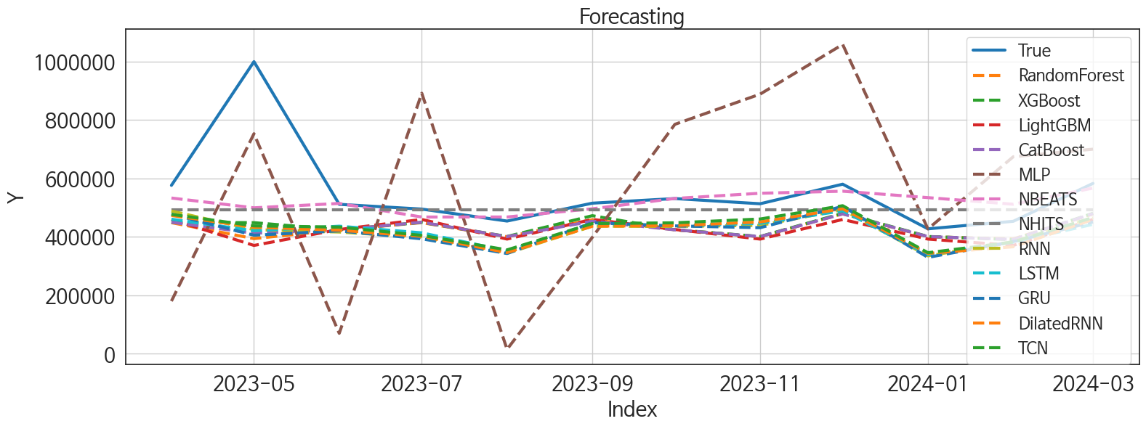
 | MSE | RMSE | MSPE | MAE | MAPE | MedAE | MedAPE
NBEATS | 22508767553 | 150029.22233 | 0.028946964965 | 70657.122396 | 0.1017847976 | 25593.765625 | 0.048120996552
NHITS | 24147878881 | 155395.87794 | 0.031076815828 | 84532.203125 | 0.12332806175 | 38907.296875 | 0.085685522457
XGBoost | 31875202544 | 178536.27795 | 0.0483644742 | 117883.29688 | 0.18305160676 | 93269.421875 | 0.17078985019
TCN | 32867509020 | 181293.98506 | 0.051542544323 | 122893.11198 | 0.19596017216 | 82337.8125 | 0.1640977153
CatBoost | 35535018491 | 188507.34333 | 0.052609517625 | 122788.12134 | 0.18967289595 | 94548.963282 | 0.17302401582
RandomForest | 37359537782 | 193286.15517 | 0.054379660745 | 124133.05571 | 0.19081427267 | 94115.578113 | 0.17225518988
LSTM | 35849426811 | 189339.44864 | 0.057673181612 | 131438.07812 | 0.21038119726 | 89494.578125 | 0.1697855674
GRU | 37552677571 | 193785.13248 | 0.061046908954 | 134417 | 0.21632192663 | 95624.46875 | 0.17672831176
LightGBM | 40659415576 | 201641.80017 | 0.060210906573 | 130992.14647 | 0.20265238485 | 95907.503362 | 0.19056838441
RNN | 35332860234 | 187970.37063 | 0.057902710245 | 131585.22135 | 0.21234225353 | 93698.40625 | 0.18235161754
DilatedRNN | 34586459148 | 185974.35078 | 0.057010045609 | 130914.63021 | 0.21140848472 | 90479.8125 | 0.1837124864
MLP | 1.0595008936E+11 | 325499.75325 | 0.38484941632 | 290057.01595 | 0.54240745781 | 314434.3125 | 0.58676265143

Forecasting_주말
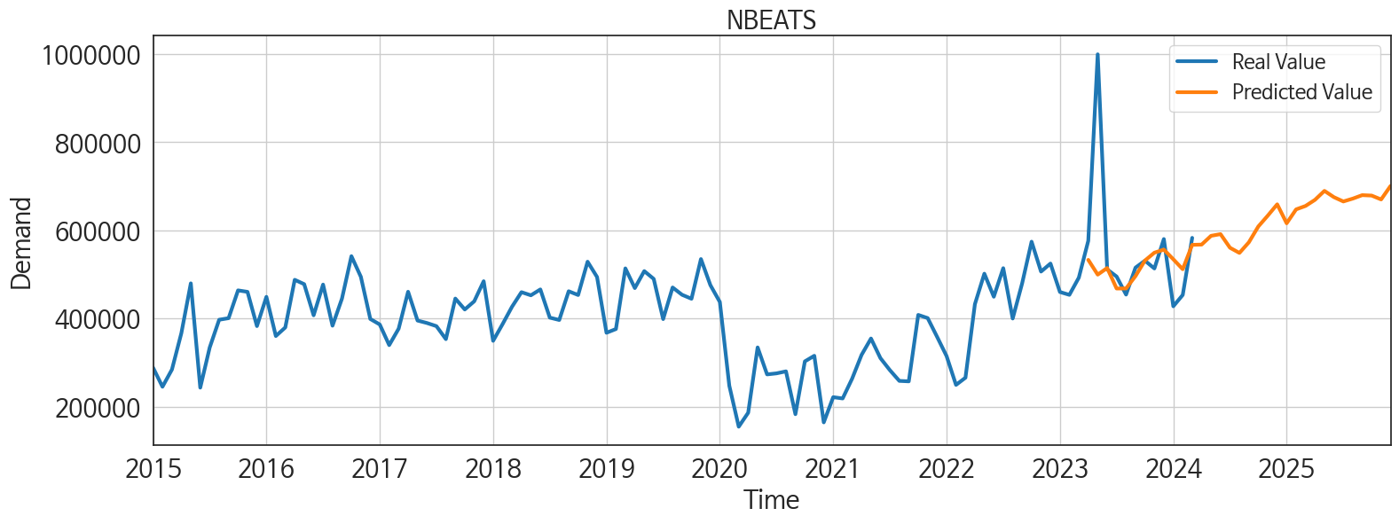
ds | unique_id | y | NBEATS | NHITS | RNN | LightGBM | RandomForest | CatBoost | XGBoost | TCN | GRU | LSTM | DilatedRNN | MLP
2023-04-01 | 1 | 576373 | 533098.5 | 492762.5625 | 488602.375 | 459780.74468 | 448835.26072 | 450202.33385 | 449794.15625 | 477260.75 | 477987.5 | 460537.96875 | 473342.25 | 180510.40625
2023-05-01 | 1 | 999630 | 499622.6875 | 492763.5625 | 424998 | 370949.99167 | 394209.98327 | 412666.20767 | 448862.40625 | 437879.3125 | 405854.28125 | 421036.40625 | 433311.65625 | 753057.0625
2023-06-01 | 1 | 511512 | 514574.4375 | 492767.5 | 416724.0625 | 425482.49664 | 424447.31597 | 424256.47577 | 424511.90625 | 433829.0625 | 420763.03125 | 436734.1875 | 423021.625 | 70334.328125
2023-07-01 | 1 | 495253 | 468078.65625 | 492771.53125 | 398835.84375 | 459780.74468 | 448835.26072 | 450202.33385 | 449794.15625 | 405223.09375 | 393575.46875 | 414033.15625 | 401814.65625 | 891611.5
2023-08-01 | 1 | 454314 | 468221.34375 | 492773.125 | 344037.84375 | 392629.6522 | 400637.52902 | 401171.22616 | 401543.8125 | 355725.71875 | 343379.25 | 352096.25 | 346572.5 | 15510.917969
2023-09-01 | 1 | 515497 | 496311.96875 | 492775.09375 | 436747.84375 | 460049.03755 | 458950.29536 | 453844.94876 | 472683.53125 | 445782.90625 | 448657.125 | 441667.09375 | 436714.5625 | 398668.65625
2023-10-01 | 1 | 531268 | 531619.5625 | 492779.4375 | 435961.75 | 425482.49664 | 424447.31597 | 424256.47577 | 424511.90625 | 448322.40625 | 437741.75 | 437990.90625 | 438798.75 | 785164.5
2023-11-01 | 1 | 513516 | 549413.5625 | 492788.3125 | 439450.28125 | 392629.6522 | 400637.52902 | 401171.22616 | 401543.8125 | 461338.28125 | 431629.59375 | 446406.03125 | 451246.6875 | 888488.125
2023-12-01 | 1 | 580416 | 556402.8125 | 492801.90625 | 493383.59375 | 459780.74468 | 479249.5278 | 478573.59767 | 480877.25 | 506862.15625 | 504550.5 | 489494.625 | 496260.5 | 1058383.625
2024-01-01 | 1 | 427738 | 534461.5 | 492814.25 | 335129.125 | 392629.6522 | 400637.52902 | 401171.22616 | 401543.8125 | 346007.96875 | 330015.3125 | 339670.21875 | 343850.46875 | 427358.125
2024-02-01 | 1 | 453494 | 511865.8125 | 492820.03125 | 383996.875 | 370949.99167 | 393069.78117 | 391599.15196 | 390895.28125 | 382641.5 | 383880.0625 | 382022.9375 | 366322.8125 | 674213.4375
2024-03-01 | 1 | 583089 | 567172.125 | 492819.0625 | 465209.75 | 460049.03755 | 478546.00348 | 479527.34006 | 480938.40625 | 466509.5 | 451062.125 | 443153.28125 | 459867.96875 | 700234.5
2024-04-01 | 1 | 0 | 567809.75 | 492816.5 | 428030.0625 | 392629.6522 | 400637.52902 | 401171.22616 | 401543.8125 | 410992.28125 | 419369.625 | 402014.8125 | 402286.90625 | 435952.4375
2024-05-01 | 1 | 0 | 587717.375 | 492814.34375 | 452238.75 | 420480.21706 | 345271.38154 | 315949.74577 | 284109.25 | 431255.53125 | 435321.5625 | 452339.46875 | 438757.6875 | 660415.75
2024-06-01 | 1 | 0 | 591529.625 | 492814.96875 | 444722.5625 | 459780.74468 | 448835.26072 | 450202.33385 | 449794.15625 | 447527.125 | 440901.125 | 445597.6875 | 440953.71875 | 904544.625
2024-07-01 | 1 | 0 | 560641.6875 | 492815.96875 | 373671.375 | 392629.6522 | 400637.52902 | 401171.22616 | 401543.8125 | 369736.375 | 365546.5625 | 374686.625 | 380040.25 | 644090.625
2024-08-01 | 1 | 0 | 548846.3125 | 492816.8125 | 426181.0625 | 459780.74468 | 448835.26072 | 450202.33385 | 449794.15625 | 421851.84375 | 423375.40625 | 425016.71875 | 426851.3125 | 218533.67188
2024-09-01 | 1 | 0 | 572977.875 | 492817.625 | 457510.40625 | 425482.49664 | 424447.31597 | 424256.47577 | 424511.90625 | 432750.21875 | 460541.5625 | 434339.375 | 430082.8125 | 1273951.25
2024-10-01 | 1 | 0 | 608891.9375 | 492816.8125 | 413046.8125 | 392629.6522 | 400637.52902 | 401171.22616 | 401543.8125 | 392829.03125 | 402220.78125 | 425057.5625 | 405669.9375 | 711526.5
2024-11-01 | 1 | 0 | 633439.8125 | 492815.28125 | 486635.40625 | 459780.74468 | 448835.26072 | 450202.33385 | 449794.15625 | 478104.53125 | 472308.3125 | 492480.375 | 484896.8125 | 193854.89062
2024-12-01 | 1 | 0 | 659208.3125 | 492812.40625 | 464600.8125 | 425482.49664 | 424447.31597 | 424256.47577 | 424511.90625 | 464016.0625 | 476414.15625 | 468713.65625 | 482554.625 | 964677.5
2025-01-01 | 1 | 0 | 616160.1875 | 492809.46875 | 386327.96875 | 425482.49664 | 424447.31597 | 424256.47577 | 424511.90625 | 376222.3125 | 406167.375 | 397584.3125 | 389302.6875 | 1334005.375
2025-02-01 | 1 | 0 | 647682.8125 | 492813.0625 | 384920.125 | 392629.6522 | 400637.52902 | 401171.22616 | 401543.8125 | 371355.3125 | 370291.90625 | 368664.6875 | 382175.65625 | 276198.75
2025-03-01 | 1 | 0 | 655487.5625 | 492818.84375 | 484445.46875 | 460049.03755 | 444411.06792 | 447196.29616 | 445890.1875 | 454321.34375 | 480350.6875 | 474710.78125 | 465586.28125 | 724111.4375
2025-04-01 | 1 | 0 | 669360.1875 | 492847.3125 | 453881.90625 | 392629.6522 | 400637.52902 | 401171.22616 | 401543.8125 | 436710.375 | 451027.09375 | 440412.4375 | 438168.09375 | 1692024.875
2025-05-01 | 1 | 0 | 689715.375 | 492882 | 492102.6875 | 459780.74468 | 448835.26072 | 450202.33385 | 449794.15625 | 475238.03125 | 482899.46875 | 498348.09375 | 493267.375 | 1345783.875
2025-06-01 | 1 | 0 | 675465.0625 | 492892.25 | 478350.875 | 420480.21706 | 345271.38154 | 315949.74577 | 284109.25 | 471538.28125 | 487456.78125 | 474844.65625 | 477793.0625 | 1079514.25
2025-07-01 | 1 | 0 | 665633.25 | 492891.59375 | 427347.46875 | 392629.6522 | 400637.52902 | 401171.22616 | 401543.8125 | 434978.53125 | 444236 | 439909.8125 | 444172.59375 | 1442053.25
2025-08-01 | 1 | 0 | 672133.5625 | 492891.875 | 524233.125 | 460049.03755 | 478546.00348 | 479527.34006 | 480938.40625 | 504784.78125 | 522093.40625 | 505671.3125 | 508499.6875 | 407447.09375
2025-09-01 | 1 | 0 | 680005.75 | 492892.96875 | 398310.59375 | 392629.6522 | 400637.52902 | 401171.22616 | 401543.8125 | 366932.53125 | 393748.34375 | 372078.8125 | 389683.125 | 895980.5
2025-10-01 | 1 | 0 | 679015 | 492892.375 | 455097.90625 | 420480.21706 | 473358.93 | 455866.0119 | 453883.90625 | 442076.03125 | 445205.71875 | 452628.75 | 441374.4375 | 802753.3125
2025-11-01 | 1 | 0 | 670211.3125 | 492891.3125 | 520628.53125 | 459780.74468 | 448835.26072 | 450202.33385 | 449794.15625 | 509995.03125 | 522177.9375 | 523928.1875 | 515787.9375 | 911507.625
2025-12-01 | 1 | 0 | 700905.625 | 492891.125 | 465471.71875 | 392629.6522 | 400637.52902 | 401171.22616 | 401543.8125 | 452798.9375 | 476073.125 | 463358.59375 | 458422.625 | 804479.8125

Performance_주중
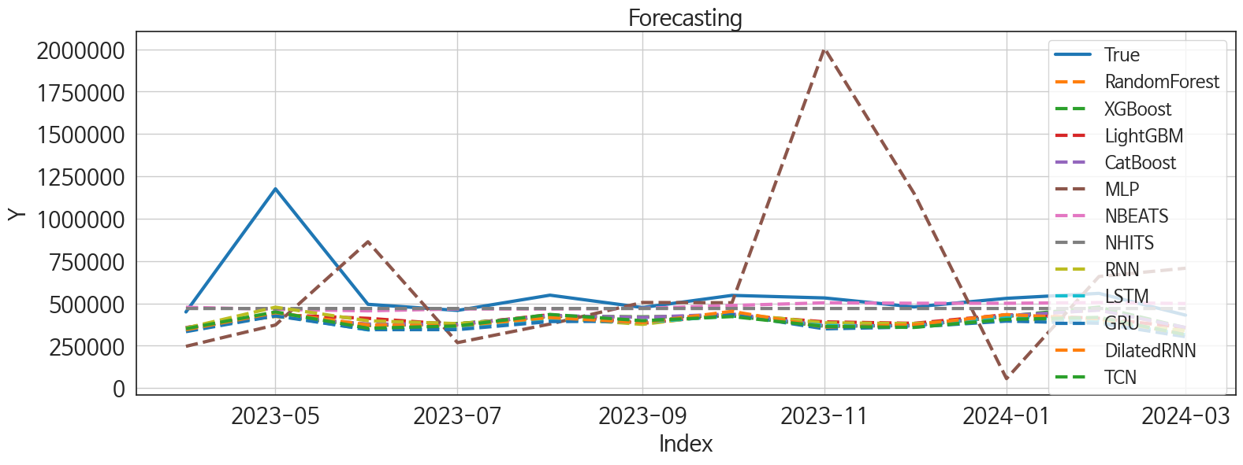
 | MSE | RMSE | MSPE | MAE | MAPE | MedAE | MedAPE
NBEATS | 44050659328 | 209882.48933 | 0.037733272468 | 94579.361979 | 0.120115273 | 33863.015625 | 0.069815495017
NHITS | 44130165705 | 210071.81083 | 0.038940126534 | 98780.125 | 0.12654993516 | 49610.671875 | 0.10211504132
CatBoost | 56963022777 | 238669.27489 | 0.07363382082 | 156457.10846 | 0.23986809706 | 105724.66545 | 0.20218213465
LightGBM | 56253828768 | 237178.89613 | 0.072522160304 | 156578.33314 | 0.24019612004 | 96648.712745 | 0.20316882969
XGBoost | 57565761500 | 239928.65919 | 0.074564846389 | 156842.17448 | 0.24028689758 | 107158.15625 | 0.21409890046
RandomForest | 58064156655 | 240965.05277 | 0.075973240537 | 158895.60232 | 0.24409960236 | 107894.10054 | 0.2132292689
RNN | 52888813359 | 229975.67993 | 0.076002763542 | 161192.53906 | 0.2533508906 | 103211.1875 | 0.21089516415
DilatedRNN | 57355554923 | 239490.19797 | 0.08244759394 | 166734.44792 | 0.26281456717 | 109149.8125 | 0.23723901717
TCN | 57710614357 | 240230.33605 | 0.085601288341 | 170441.34635 | 0.27043474983 | 122653.875 | 0.2434545685
LSTM | 61124338806 | 247233.36912 | 0.091277098134 | 176253.32812 | 0.27994945198 | 118043.1875 | 0.25273092658
GRU | 63939352986 | 252862.32022 | 0.1006065489 | 184808.23958 | 0.29664899835 | 130911.90625 | 0.271106276
MLP | 3.1872819941E+11 | 564560.18227 | 1.0308296016 | 400374.64225 | 0.71912753646 | 239887.60938 | 0.54699380781

Forecasting_주중
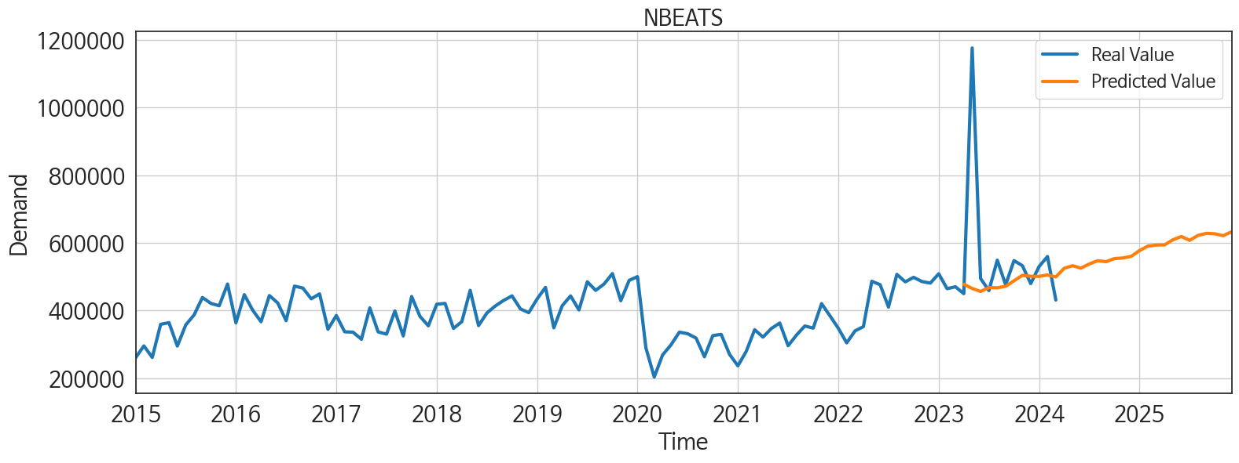
ds | unique_id | y | NBEATS | NHITS | RNN | LightGBM | RandomForest | CatBoost | XGBoost | TCN | GRU | LSTM | DilatedRNN | MLP
2023-04-01 | 1 | 449582 | 477399.59375 | 470020.5 | 354752.1875 | 357573.36023 | 355328.88973 | 357757.33583 | 356599.5 | 350772 | 333438.125 | 341878.96875 | 344757.28125 | 246777.09375
2023-05-01 | 1 | 1176454 | 464952.84375 | 470019.9375 | 477808.59375 | 433432.46518 | 423619.73748 | 428158.62794 | 424741.75 | 449767.03125 | 426650.875 | 430982.625 | 445247.375 | 372676.40625
2023-06-01 | 1 | 494719 | 456251.3125 | 470018.59375 | 397428.75 | 412045.67871 | 368806.42039 | 378551.75413 | 371691.875 | 353388.8125 | 345109.6875 | 343912.375 | 373185.09375 | 863965.375
2023-07-01 | 1 | 458790 | 467614.15625 | 470018.375 | 380951.6875 | 375132.98333 | 380418.19202 | 375986.09757 | 381003.9375 | 367311.71875 | 345292.90625 | 364013.03125 | 367627.34375 | 268612.03125
2023-08-01 | 1 | 548756 | 467077.6875 | 470020.5625 | 415590.28125 | 433432.46518 | 423619.73748 | 428158.62794 | 424741.75 | 434997.5625 | 392977.84375 | 402842.1875 | 416331.5 | 378427.46875
2023-09-01 | 1 | 475902 | 471226.5625 | 470021.4375 | 376323 | 382723.10933 | 419337.48962 | 417677.06521 | 420725.65625 | 398193.59375 | 395051.8125 | 388689.65625 | 386985.5 | 505613.9375
2023-10-01 | 1 | 547512 | 487753.90625 | 470020.96875 | 440668.625 | 433432.46518 | 428804.58531 | 437944.04115 | 426304.9375 | 422395.75 | 434925.625 | 427111.3125 | 453380.34375 | 503999.4375
2023-11-01 | 1 | 532426 | 503820.96875 | 470020.75 | 385723.8125 | 391384.86177 | 365729.40067 | 369161.14556 | 366046.34375 | 364456.0625 | 349989.375 | 369568.09375 | 360697.96875 | 2006279.375
2023-12-01 | 1 | 479413 | 500971.78125 | 470021.375 | 381082.78125 | 382723.10933 | 370045.06144 | 366947.17795 | 370394.9375 | 358453.53125 | 360867.28125 | 365650.90625 | 373601 | 1150043.75
2024-01-01 | 1 | 530040 | 500781.65625 | 470022.1875 | 411522.5625 | 433432.46518 | 423619.73748 | 428158.62794 | 424741.75 | 405691.71875 | 395523.6875 | 423336.78125 | 434030.625 | 56070.480469
2024-02-01 | 1 | 559458 | 505067.75 | 470023.09375 | 387732.59375 | 412045.67871 | 462466.63076 | 460128.86138 | 478173.96875 | 417695.25 | 382833.40625 | 395711.8125 | 408882.21875 | 658969.875
2024-03-01 | 1 | 430820 | 499237.5 | 470023.53125 | 339976.65625 | 357573.36023 | 355328.88973 | 357757.33583 | 356599.5 | 315452.8125 | 303512.5 | 315134.3125 | 318332.375 | 707790.3125
2024-04-01 | 1 | 0 | 524770.375 | 470021.71875 | 393157.5625 | 433432.46518 | 421581.06134 | 422733.08187 | 424475.5 | 358953.71875 | 368241.84375 | 386641.6875 | 369161.875 | 1005523.375
2024-05-01 | 1 | 0 | 532324.875 | 470020.21875 | 411482.3125 | 433432.46518 | 430667.87867 | 436186.82376 | 419567.59375 | 410194.5625 | 391491.625 | 399473.09375 | 409555.71875 | 672978.125
2024-06-01 | 1 | 0 | 525195.25 | 470020.46875 | 363552.96875 | 382723.10933 | 370045.06144 | 366947.17795 | 370394.9375 | 327101.28125 | 341791.9375 | 338530.15625 | 334161.28125 | 1160284.625
2024-07-01 | 1 | 0 | 537460.1875 | 470020.65625 | 405423.6875 | 391384.86177 | 472667.49954 | 473755.56965 | 481375.53125 | 399760.9375 | 396541.3125 | 397880.40625 | 387334.46875 | 1792456.5
2024-08-01 | 1 | 0 | 547009.8125 | 470020.4375 | 402252.5 | 412045.67871 | 368806.42039 | 378551.75413 | 371691.875 | 357577.125 | 380779.59375 | 383506.8125 | 360252.28125 | 757105.75
2024-09-01 | 1 | 0 | 544275 | 470020.1875 | 450358.3125 | 412045.67871 | 456316.462 | 461943.2382 | 462242.75 | 449102.375 | 462318.8125 | 451910.4375 | 444856.3125 | -77702.453125
2024-10-01 | 1 | 0 | 553493.125 | 470027.65625 | 449033.3125 | 433432.46518 | 455344.69156 | 452538.24631 | 454769.15625 | 425125.84375 | 447545.90625 | 445276.375 | 444429.09375 | 580482.8125
2024-11-01 | 1 | 0 | 555211.25 | 470035.1875 | 380333.65625 | 357573.36023 | 355328.88973 | 357757.33583 | 356599.5 | 340812.8125 | 380048.5625 | 351998.34375 | 359370.8125 | 2219939.25
2024-12-01 | 1 | 0 | 559924.6875 | 470035.90625 | 423419.9375 | 433432.46518 | 421581.06134 | 422733.08187 | 424475.5 | 415032.90625 | 417918.5 | 410865.15625 | 414940.375 | -836511.5625
2025-01-01 | 1 | 0 | 576997.9375 | 470036 | 480626.125 | 433432.46518 | 444484.6515 | 442813.75336 | 441280.09375 | 483024.0625 | 511353.0625 | 521585.5 | 503437.28125 | 1436494.125
2025-02-01 | 1 | 0 | 590313.1875 | 470035.71875 | 355670.1875 | 357573.36023 | 355328.88973 | 357757.33583 | 356599.5 | 336252.65625 | 365130.9375 | 336425.03125 | 334623.5625 | 1434763.75
2025-03-01 | 1 | 0 | 593313.3125 | 470035.625 | 391069.375 | 412045.67871 | 368806.42039 | 378551.75413 | 371691.875 | 368252.5 | 372852.46875 | 356293.40625 | 360392.84375 | 1066647.125
2025-04-01 | 1 | 0 | 594020.3125 | 470034.875 | 434551.5625 | 391384.86177 | 365729.40067 | 369161.14556 | 366046.34375 | 443985.09375 | 449588.5625 | 428093.84375 | 435948.8125 | 841202
2025-05-01 | 1 | 0 | 609099.0625 | 470033.875 | 396681.8125 | 412045.67871 | 386154.91859 | 408230.08491 | 369487.78125 | 416625.21875 | 409611.8125 | 420164.65625 | 405216.75 | 2181454.5
2025-06-01 | 1 | 0 | 618635.125 | 470033.90625 | 362949.28125 | 375132.98333 | 380418.19202 | 375986.09757 | 381003.9375 | 379030.15625 | 377621.375 | 376840.3125 | 385850.125 | 166318.85938
2025-07-01 | 1 | 0 | 607444.125 | 470034.15625 | 434816.1875 | 391384.86177 | 472667.49954 | 473755.56965 | 481375.53125 | 465625.21875 | 469341.625 | 472980.53125 | 445737.40625 | 219854.59375
2025-08-01 | 1 | 0 | 622109.0625 | 470033.34375 | 376166.0625 | 357573.36023 | 355328.88973 | 357757.33583 | 356599.5 | 377041.84375 | 390460.59375 | 394653.59375 | 394805.15625 | 1036207.25
2025-09-01 | 1 | 0 | 628017.8125 | 470032.09375 | 447387.03125 | 391384.86177 | 365729.40067 | 369161.14556 | 366046.34375 | 432788.40625 | 436074.3125 | 432554 | 450824.09375 | 554329.875
2025-10-01 | 1 | 0 | 626800.5 | 470031.8125 | 435100.78125 | 433432.46518 | 444682.89283 | 448841.7812 | 443428.53125 | 450233.0625 | 501176.0625 | 502482.03125 | 467685.9375 | 1420566.125
2025-11-01 | 1 | 0 | 621119.9375 | 470032.1875 | 383427.5 | 357573.36023 | 355328.88973 | 357757.33583 | 356599.5 | 369318.75 | 410614 | 401756.15625 | 386616.125 | -656444.125
2025-12-01 | 1 | 0 | 632496.0625 | 470032.34375 | 455185.9375 | 433432.46518 | 423619.73748 | 428158.62794 | 424741.75 | 467615.4375 | 482228.75 | 481263.6875 | 472701.40625 | 1550200.875

