Performance_전체
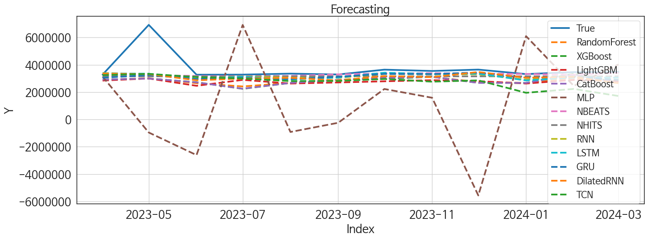
 | MSE | RMSE | MSPE | MAE | MAPE | MedAE | MedAPE
NBEATS | 1.157089949E+12 | 1075681.1558 | 0.02551996495 | 426980.4375 | 0.078676684337 | 135843.875 | 0.039565389973
NHITS | 1.2652053382E+12 | 1124813.4682 | 0.031198013677 | 555403.25 | 0.1146410637 | 255666.5 | 0.074766537339
GRU | 1.2216781639E+12 | 1105295.5098 | 0.031524486117 | 581463.97917 | 0.12471222862 | 287727.875 | 0.082517043534
LSTM | 1.1572369693E+12 | 1075749.4919 | 0.030191013559 | 568439.70833 | 0.12227115286 | 317351.875 | 0.092260685224
RNN | 1.1877731812E+12 | 1089850.0728 | 0.030970924053 | 578873.22917 | 0.12440434363 | 308007 | 0.090658649435
DilatedRNN | 1.2384838956E+12 | 1112871.9134 | 0.035703783196 | 637697.27083 | 0.14181695814 | 379940.875 | 0.11309436198
CatBoost | 1.679505824E+12 | 1295957.4931 | 0.060532498811 | 884607.95091 | 0.21037898084 | 629340.46647 | 0.18313302891
XGBoost | 1.6878081646E+12 | 1299156.7129 | 0.060941575611 | 883758.75 | 0.20999276319 | 660050.5 | 0.18983810852
RandomForest | 1.6327055611E+12 | 1277773.6736 | 0.057471060479 | 877429.68735 | 0.20863420841 | 632318.54162 | 0.19180190998
LightGBM | 1.7015743545E+12 | 1304444.0787 | 0.06208400642 | 930892.23898 | 0.22339280103 | 683116.7515 | 0.20049209926
TCN | 1.8060397841E+12 | 1343889.7961 | 0.08410218052 | 975738.14583 | 0.23941968892 | 732939 | 0.20155250848
MLP | 2.0037414076E+13 | 4476317.0213 | 1.3482734302 | 3522905.082 | 0.93246503616 | 3156751.7109 | 0.95567452553

Forecasting_전체
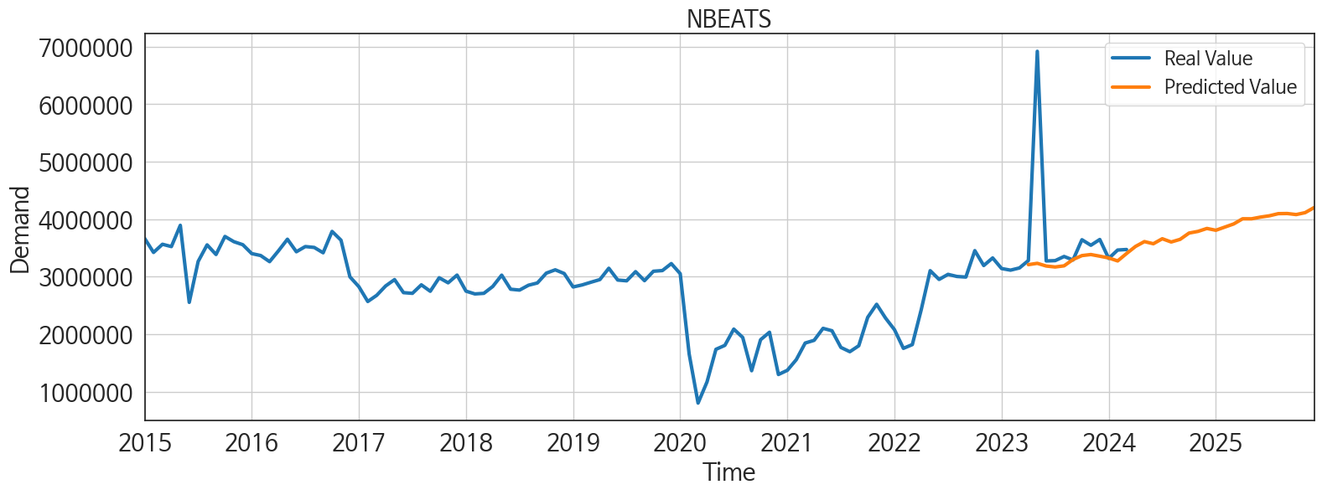
ds | unique_id | y | NBEATS | NHITS | RNN | LightGBM | RandomForest | CatBoost | XGBoost | TCN | GRU | LSTM | DilatedRNN | MLP
2023-04-01 | 1 | 3281372 | 3209957.25 | 3152499.75 | 3400482 | 2844105.0383 | 2905411.7862 | 2913474.8831 | 2914426 | 3246265.5 | 3050270.75 | 3372918.75 | 3356272.25 | 3135674
2023-05-01 | 1 | 6921600 | 3232945.5 | 3152499.5 | 3303877 | 2996229.3925 | 3016078.481 | 2994699.7137 | 2988824.25 | 3336015.25 | 3242308.5 | 3347090 | 3315495.75 | -958494.8125
2023-06-01 | 1 | 3274361 | 3186083.75 | 3152499.5 | 2971940 | 2462063.3841 | 2652343.0867 | 2712965.0126 | 2722987.5 | 3100539.75 | 2960406 | 2937904.25 | 2866060.75 | -2609166.5
2023-07-01 | 1 | 3279768 | 3169345.25 | 3152500 | 3150237.75 | 2894503.3693 | 2414179.6451 | 2249788.4296 | 2240371.5 | 2994645.75 | 3050313.25 | 3132527.5 | 2992736.75 | 6916839.5
2023-08-01 | 1 | 3352224 | 3189311.5 | 3152500.25 | 3054020.25 | 2626744.6866 | 2676049.83 | 2672145.8742 | 2672633 | 2807190.75 | 2956121.5 | 2925079.75 | 3044057.5 | -919119.75
2023-09-01 | 1 | 3291100 | 3298762.75 | 3152500.75 | 3047189 | 2706828.0198 | 2878093.7621 | 2892740.1109 | 2891301.75 | 2819433.75 | 3125393.75 | 3068057 | 2853367.75 | -246205.42188
2023-10-01 | 1 | 3643417 | 3367579.25 | 3152500.75 | 3329824 | 2790699.1713 | 3130349.8225 | 3031259.1929 | 2969352 | 2961744 | 3331946.5 | 3424620.75 | 3174006.25 | 2228202.75
2023-11-01 | 1 | 3547176 | 3385911 | 3152501 | 3302408.75 | 2872866.8104 | 3111203.514 | 3119440.2353 | 3119839 | 2762971 | 3316912.5 | 3319378 | 3098430 | 1586661.75
2023-12-01 | 1 | 3647548 | 3357167.25 | 3152501.25 | 3301991.75 | 2804887.9231 | 2731061.9263 | 2673387.3631 | 2676677.25 | 2859649 | 3435782 | 3349301 | 3470931.75 | -5564418
2024-01-01 | 1 | 3318669 | 3326395.75 | 3152501.5 | 2909567.5 | 2626744.6866 | 2676049.83 | 2672145.8742 | 2672633 | 1949892.25 | 3054683.75 | 2854038.5 | 3053119.5 | 6094867
2024-02-01 | 1 | 3464111 | 3274700 | 3152501.75 | 3112219 | 2893579.727 | 3043807.1415 | 3274117.5365 | 3344019.5 | 2233548.5 | 3100019 | 3065254.25 | 3112529.5 | 2455648.75
2024-03-01 | 1 | 3473501 | 3403701.5 | 3152502 | 2902831.25 | 2804887.9231 | 2731061.9263 | 2673387.3631 | 2676677.25 | 1714093.75 | 2893121.75 | 3060494.25 | 2655272.5 | 4020966.25
2024-04-01 | 1 | 0 | 3526623 | 3152502 | 2764814 | 2430957.2453 | 2310881.2095 | 2329099.1656 | 2329365.75 | 1587883.75 | 2776512.25 | 2974187.75 | 2785834.25 | -1533289.75
2024-05-01 | 1 | 0 | 3611019 | 3152502.25 | 3428935.75 | 3022729.8309 | 3121757.0172 | 3228099.2666 | 3242008 | 2204967.75 | 2992566.25 | 3385891.75 | 3222539.25 | 2254801.5
2024-06-01 | 1 | 0 | 3573648.5 | 3152502.5 | 2922702.75 | 2713656.0345 | 2824702.8319 | 2864018.891 | 2862355.5 | 1855242.75 | 2219874.75 | 2960413 | 2869953 | 2484364.75
2024-07-01 | 1 | 0 | 3660756.75 | 3152502.75 | 2563796.5 | 2962130.7986 | 2944349.1743 | 2932825.3905 | 2928653.75 | 1883967 | 1869673.125 | 3021231 | 2545242.5 | 4815338.5
2024-08-01 | 1 | 0 | 3604046.75 | 3152502.5 | 2596210 | 2855286.254 | 3038435.073 | 3042449.787 | 3043010.25 | 2369302 | 1995125.125 | 2996241.5 | 3035271 | 3548308
2024-09-01 | 1 | 0 | 3650265.25 | 3152502.5 | 2268299 | 2920080.1654 | 3086513.5344 | 3115469.9493 | 3113884.25 | 2408899.5 | 1991017.375 | 2918299.75 | 2854896 | -1752481
2024-10-01 | 1 | 0 | 3759440.5 | 3152502.25 | 2042762 | 2782445.7405 | 3059817.7663 | 3080398.9103 | 3078905.5 | 2241058.5 | 1530852.5 | 3053032.5 | 3093944.5 | 8034052
2024-11-01 | 1 | 0 | 3788538.5 | 3152502 | 1985103.25 | 2844105.0383 | 2905411.7862 | 2913474.8831 | 2914426 | 2205029.5 | 1814648.125 | 3086352.25 | 2845421.25 | 8877780
2024-12-01 | 1 | 0 | 3839723 | 3152502 | 2271185.75 | 2627829.2579 | 2519590.8381 | 2532864.8404 | 2531378.75 | 2541649.25 | 1872714.375 | 3094600.25 | 3113729.75 | 14911535
2025-01-01 | 1 | 0 | 3808182.75 | 3152502.5 | 2386838 | 3022729.8309 | 3003043.0372 | 3002141.6237 | 3000941.75 | 2683039.75 | 2017361.25 | 3042676.5 | 3006129.5 | 20158236
2025-02-01 | 1 | 0 | 3862500.25 | 3152502.25 | 1373057.25 | 2720301.8003 | 2768917.7227 | 2839539.437 | 2841466.75 | 1930980.75 | 886892 | 2665975.25 | 2273494 | 14255139
2025-03-01 | 1 | 0 | 3918111.25 | 3152501.5 | 848773.375 | 3018156.1675 | 3624270.223 | 3644067.4154 | 3647472.25 | 1580201.125 | 520811.25 | 2456121.5 | 2152446.5 | 17868314
2025-04-01 | 1 | 0 | 4008163 | 3152501.25 | 1112765.625 | 2872866.8104 | 3111203.514 | 3119440.2353 | 3119839 | 1806744.75 | 793018.5 | 2707690.5 | 2334613 | 16359793
2025-05-01 | 1 | 0 | 4007408 | 3152501 | 1874367.125 | 3053265.8961 | 2545323.636 | 2125240.0486 | 2101937.5 | 2343394.5 | 1400827.75 | 2792042 | 2875778 | 13963250
2025-06-01 | 1 | 0 | 4037032.5 | 3152500.5 | 1673785.125 | 2462063.3841 | 2652343.0867 | 2712965.0126 | 2722987.5 | 2343470.5 | 1637514.25 | 2824202.75 | 2821355.75 | 13218172
2025-07-01 | 1 | 0 | 4060179.25 | 3152500.25 | 1952686.75 | 2962130.7986 | 2944349.1743 | 2932825.3905 | 2928653.75 | 2603921 | 1888672.25 | 2866450.75 | 2990656 | 15451268
2025-08-01 | 1 | 0 | 4097172.25 | 3152501 | 2047535 | 2804887.9231 | 2731061.9263 | 2673387.3631 | 2676677.25 | 2599438.25 | 2059708.75 | 3057886.75 | 2925546 | 23494564
2025-09-01 | 1 | 0 | 4099446.75 | 3152501.5 | 1751329.5 | 2872866.8104 | 3111203.514 | 3119440.2353 | 3119839 | 1837434.125 | 1680898.375 | 2669190.5 | 2624200.75 | 24863364
2025-10-01 | 1 | 0 | 4081235 | 3152501.75 | 2530029.5 | 3022729.8309 | 3003043.0372 | 3002141.6237 | 3000941.75 | 2755606.75 | 2177738.5 | 3013454 | 3082075.25 | 27510554
2025-11-01 | 1 | 0 | 4114394.75 | 3152501.75 | 2408981.5 | 2844105.0383 | 2905411.7862 | 2913474.8831 | 2914426 | 2788983.5 | 2388012.25 | 3015847.75 | 3007473.75 | 39715168
2025-12-01 | 1 | 0 | 4202335.5 | 3152501.75 | 2078029.5 | 2626744.6866 | 2676049.83 | 2672145.8742 | 2672633 | 2717845 | 1771105.875 | 2903897.25 | 2980941.25 | 119125648

Performance_주말
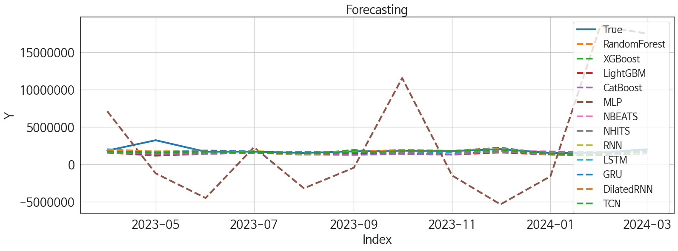
 | MSE | RMSE | MSPE | MAE | MAPE | MedAE | MedAPE
GRU | 2.3909387137E+11 | 488972.26033 | 0.02546787941 | 222972.14583 | 0.090899034232 | 107881.125 | 0.060708961722
LSTM | 2.2373675976E+11 | 473008.20264 | 0.025000258477 | 223698.3125 | 0.093567891439 | 98476.9375 | 0.06021400601
RNN | 2.1574886515E+11 | 464487.74488 | 0.025986290705 | 241419.15625 | 0.10363900189 | 96614.6875 | 0.055106943243
NBEATS | 2.1380112569E+11 | 462386.33813 | 0.02507193854 | 241069.21875 | 0.1035800111 | 100352.125 | 0.062462498295
DilatedRNN | 2.1939680079E+11 | 468398.12211 | 0.026771040758 | 245953.16667 | 0.10834278311 | 100464.5 | 0.058814510895
TCN | 2.4236524289E+11 | 492306.04597 | 0.027761249852 | 242241.64583 | 0.10305584461 | 111848.25 | 0.067713764108
NHITS | 2.4720017033E+11 | 497192.28707 | 0.030360791972 | 282767.67708 | 0.12353539281 | 132179.3125 | 0.080376163806
RandomForest | 3.9876166822E+11 | 631475.78593 | 0.05899126159 | 427519.69018 | 0.20207097816 | 264222.56978 | 0.15561206476
XGBoost | 4.5602060269E+11 | 675292.97545 | 0.065346794373 | 448327.48958 | 0.21063778076 | 269849.3125 | 0.1556169209
CatBoost | 3.8199296721E+11 | 618055.79619 | 0.060208331971 | 441586.35639 | 0.21200499203 | 272799.7787 | 0.16813379559
LightGBM | 4.3095842701E+11 | 656474.23941 | 0.063096380848 | 449890.06999 | 0.21207913104 | 289863.07555 | 0.17972107948
MLP | 6.7569250042E+13 | 8220051.7056 | 21.765266475 | 6616857.138 | 3.6750232075 | 4999228.75 | 2.9945420183

Forecasting_주말
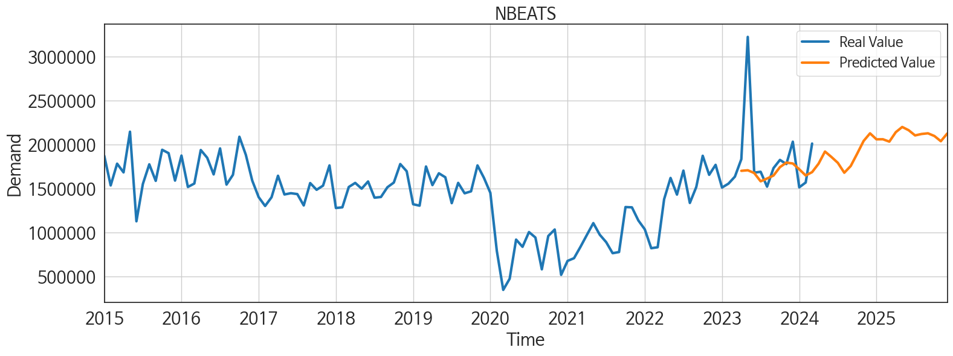
ds | unique_id | y | NBEATS | NHITS | RNN | LightGBM | RandomForest | CatBoost | XGBoost | TCN | GRU | LSTM | DilatedRNN | MLP
2023-04-01 | 1 | 1831775 | 1699556.5 | 1633388.125 | 1922512.25 | 1585893.3939 | 1577056.3732 | 1573140.7881 | 1573084.5 | 1723373.625 | 1864434.5 | 2016047.125 | 1881688.375 | 7095047
2023-05-01 | 1 | 3222240 | 1706143.25 | 1633388 | 1721896.375 | 1235633.8377 | 1311097.9657 | 1407300.0918 | 1147885 | 1589110.25 | 1569740.125 | 1638926.25 | 1695071.25 | -1216945.375
2023-06-01 | 1 | 1678704 | 1674776.375 | 1633387.875 | 1845031 | 1430026.0112 | 1404977.4873 | 1397348.8951 | 1397695.875 | 1693780.75 | 1774858.625 | 1832276.375 | 1709864.5 | -4515368
2023-07-01 | 1 | 1688805 | 1580422.125 | 1633388.125 | 1771974.875 | 1585893.3939 | 1577056.3732 | 1573140.7881 | 1573084.5 | 1545683.875 | 1712382.75 | 1683366.5 | 1582853.75 | 2280900.5
2023-08-01 | 1 | 1519750 | 1612071.375 | 1633388.875 | 1505306.375 | 1296976.7704 | 1294574.8831 | 1301223.0948 | 1301152.25 | 1464511.875 | 1498216.875 | 1520993.375 | 1358236.875 | -3215435.5
2023-09-01 | 1 | 1730278 | 1646030 | 1633389.25 | 1634360.375 | 1505980.4848 | 1616382.6416 | 1259751.8974 | 1920173.375 | 1577068.375 | 1625526.25 | 1691310.5 | 1635300.25 | -464180.03125
2023-10-01 | 1 | 1823506 | 1741602.25 | 1633389 | 1810860.375 | 1430026.0112 | 1404977.4873 | 1397348.8951 | 1397695.875 | 1759186.125 | 1934516.5 | 1763118.875 | 1916965 | 11551036
2023-11-01 | 1 | 1776440 | 1792734.625 | 1633389.375 | 1679128.25 | 1296976.7704 | 1294574.8831 | 1301223.0948 | 1301152.25 | 1771222.5 | 1777219.25 | 1676605 | 1802754.875 | -1502464.5
2023-12-01 | 1 | 2030693 | 1783036.375 | 1633390.125 | 2131243.5 | 1585893.3939 | 1782518.6936 | 1805096.8003 | 1805938.75 | 1977086 | 2215542 | 2054469.75 | 2091901 | -5372327.5
2024-01-01 | 1 | 1512083 | 1717228.25 | 1633391 | 1418547.875 | 1296976.7704 | 1294574.8831 | 1301223.0948 | 1301152.25 | 1396787.875 | 1383967.125 | 1414964.125 | 1294066.5 | -1613961.25
2024-02-01 | 1 | 1566682 | 1646643.125 | 1633391.625 | 1405548.625 | 1235633.8377 | 1226555.371 | 1302437.5475 | 1199544.875 | 1336510.875 | 1438782.75 | 1350816.375 | 1377779.875 | 18519566
2024-03-01 | 1 | 2009616 | 1684941.875 | 1633391.5 | 1528701.5 | 1505980.4848 | 1475988.6759 | 1472300.7355 | 1471873.375 | 1679503.625 | 1817780.75 | 1789027.25 | 1616763.25 | 17505250
2024-04-01 | 1 | 0 | 1780438.75 | 1633391.5 | 1390237 | 1296976.7704 | 1294574.8831 | 1301223.0948 | 1301152.25 | 1451526.25 | 1590766.625 | 1412721.75 | 1289034.5 | 4431755.5
2024-05-01 | 1 | 0 | 1918910.625 | 1633391.375 | 1439190.5 | 1357112.0148 | 1010955.7823 | 1008050.3385 | 1006218.875 | 1477729.5 | 1576630.75 | 1449294.5 | 1290418.75 | 8579043
2024-06-01 | 1 | 0 | 1857128 | 1633391.25 | 1459131.125 | 1585893.3939 | 1577056.3732 | 1573140.7881 | 1573084.5 | 1502694.375 | 1557846.75 | 1547500.125 | 1410640.5 | 14304701
2024-07-01 | 1 | 0 | 1790162 | 1633391.25 | 1394540.125 | 1296976.7704 | 1294574.8831 | 1301223.0948 | 1301152.25 | 1372852.75 | 1403507.25 | 1412908.625 | 1326215 | 10339949
2024-08-01 | 1 | 0 | 1677914.5 | 1633391.25 | 1525411.75 | 1585893.3939 | 1577056.3732 | 1573140.7881 | 1573084.5 | 1462224.625 | 1560566.25 | 1616898.5 | 1482789.125 | 17003544
2024-09-01 | 1 | 0 | 1754288.25 | 1633391 | 1449144.875 | 1430026.0112 | 1404977.4873 | 1397348.8951 | 1397695.875 | 1431787.5 | 1427595.875 | 1450367.125 | 1348607.75 | 5325571.5
2024-10-01 | 1 | 0 | 1894333.125 | 1633391.125 | 1344334.5 | 1296976.7704 | 1294574.8831 | 1301223.0948 | 1301152.25 | 1375366.625 | 1458320 | 1381056.375 | 1306661.125 | 25273338
2024-11-01 | 1 | 0 | 2038888.25 | 1633390.75 | 1587619.625 | 1585893.3939 | 1577056.3732 | 1573140.7881 | 1573084.5 | 1580833.75 | 1556851.625 | 1537239.125 | 1566013.25 | 25169664
2024-12-01 | 1 | 0 | 2125874.75 | 1633390.625 | 1580998.5 | 1430026.0112 | 1404977.4873 | 1397348.8951 | 1397695.875 | 1662351.375 | 1654023.125 | 1615961.375 | 1514721.75 | 24849422
2025-01-01 | 1 | 0 | 2057758.75 | 1633390.75 | 1247820.125 | 1430026.0112 | 1404977.4873 | 1397348.8951 | 1397695.875 | 1390722.25 | 1337194.875 | 1362144.125 | 1193025.5 | 25699066
2025-02-01 | 1 | 0 | 2058446.75 | 1633389.75 | 1036968.375 | 1296976.7704 | 1294574.8831 | 1301223.0948 | 1301152.25 | 1190753 | 1053923.375 | 1179722.625 | 1167997.125 | 28381516
2025-03-01 | 1 | 0 | 2031496.875 | 1633389.375 | 1130997 | 1505980.4848 | 1532445.604 | 1520934.0128 | 1521003.625 | 1478741 | 1277316 | 1264072 | 1248707.5 | 21770080
2025-04-01 | 1 | 0 | 2138915.25 | 1633389.625 | 1358565 | 1296976.7704 | 1294574.8831 | 1301223.0948 | 1301152.25 | 1452675.625 | 1443394.5 | 1460207 | 1490070.625 | 28800124
2025-05-01 | 1 | 0 | 2198296.5 | 1633390.125 | 1524155.625 | 1585893.3939 | 1577056.3732 | 1573140.7881 | 1573084.5 | 1529487.625 | 1555732.5 | 1490885.75 | 1471706.75 | 28905358
2025-06-01 | 1 | 0 | 2161330.5 | 1633390.125 | 1455371.625 | 1357112.0148 | 1010955.7823 | 1008050.3385 | 1006218.875 | 1593216.875 | 1515009.375 | 1528880.875 | 1527262.625 | 18830348
2025-07-01 | 1 | 0 | 2102161.75 | 1633390 | 1424312.5 | 1296976.7704 | 1294574.8831 | 1301223.0948 | 1301152.25 | 1456923.375 | 1491217.375 | 1479218.625 | 1486043.25 | 62127716
2025-08-01 | 1 | 0 | 2118349.25 | 1633390 | 1639938.25 | 1505980.4848 | 1475988.6759 | 1472300.7355 | 1471873.375 | 1650228.25 | 1592155.125 | 1760619.25 | 1608182 | 114159872
2025-09-01 | 1 | 0 | 2126174.5 | 1633390.25 | 1204787.375 | 1296976.7704 | 1294574.8831 | 1301223.0948 | 1301152.25 | 1239717.125 | 1245513.25 | 1270304.125 | 1345791 | 94113904
2025-10-01 | 1 | 0 | 2095500.375 | 1633390.375 | 1349271.125 | 1357112.0148 | 1657209.0871 | 1519225.7991 | 1444086.5 | 1456479.625 | 1465052.125 | 1488992.375 | 1488609.375 | 131857320
2025-11-01 | 1 | 0 | 2036192.625 | 1633390.25 | 1672077 | 1585893.3939 | 1577056.3732 | 1573140.7881 | 1573084.5 | 1783809.625 | 1711653.25 | 1746828.125 | 1874431.25 | 236943616
2025-12-01 | 1 | 0 | 2123972 | 1633390.25 | 1447263.875 | 1296976.7704 | 1294574.8831 | 1301223.0948 | 1301152.25 | 1519307.5 | 1434263 | 1577443.375 | 1741150.625 | 417843808

Performance_주중
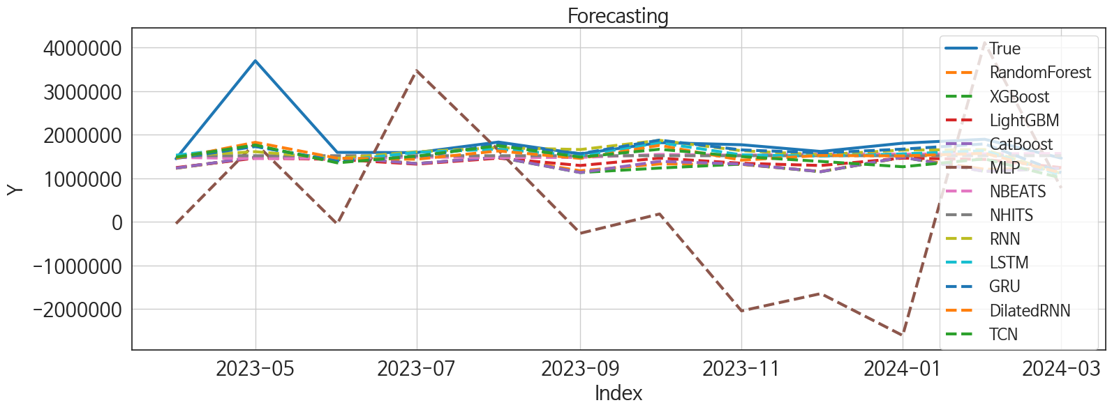
 | MSE | RMSE | MSPE | MAE | MAPE | MedAE | MedAPE
GRU | 3.4039318733E+11 | 583432.24742 | 0.030882568553 | 259906.67708 | 0.10302227353 | 105395.5 | 0.060799032872
RNN | 3.869399368E+11 | 622044.96365 | 0.035674207115 | 296026.79167 | 0.12073634364 | 133380.125 | 0.074089663158
LSTM | 3.5791919872E+11 | 598263.48603 | 0.036770865353 | 308508.95833 | 0.1311370737 | 180096.625 | 0.10623711741
NHITS | 4.3845142914E+11 | 662156.65 | 0.041800049141 | 343699.61458 | 0.14101961289 | 174680.75 | 0.10127533079
DilatedRNN | 3.3682537264E+11 | 580366.58471 | 0.036861249561 | 328444.875 | 0.14389351239 | 178555.5 | 0.10377107898
NBEATS | 4.6050126329E+11 | 678602.43389 | 0.043184535546 | 350929.36458 | 0.14426896246 | 187916.5 | 0.11033214017
TCN | 3.8939497858E+11 | 624015.20701 | 0.049729252553 | 378826.07812 | 0.17224199031 | 234077.6875 | 0.14575894719
LightGBM | 5.1100411534E+11 | 714845.51852 | 0.06212360477 | 468826.56864 | 0.21673995402 | 332633.0833 | 0.19272086464
CatBoost | 5.514694719E+11 | 742609.9056 | 0.077382914347 | 515408.70981 | 0.24424738336 | 386807.18372 | 0.21259838988
RandomForest | 5.5145649719E+11 | 742601.16967 | 0.076659380387 | 516156.11461 | 0.24439318664 | 370689.47598 | 0.22073214567
XGBoost | 5.6597978559E+11 | 752316.28029 | 0.081521359668 | 529044.08333 | 0.25167186147 | 388229.3125 | 0.22055844098
MLP | 5.6769888323E+12 | 2382643.2449 | 1.851668193 | 2078819.627 | 1.1810023079 | 1851412.0234 | 1.0988807853

Forecasting_주중
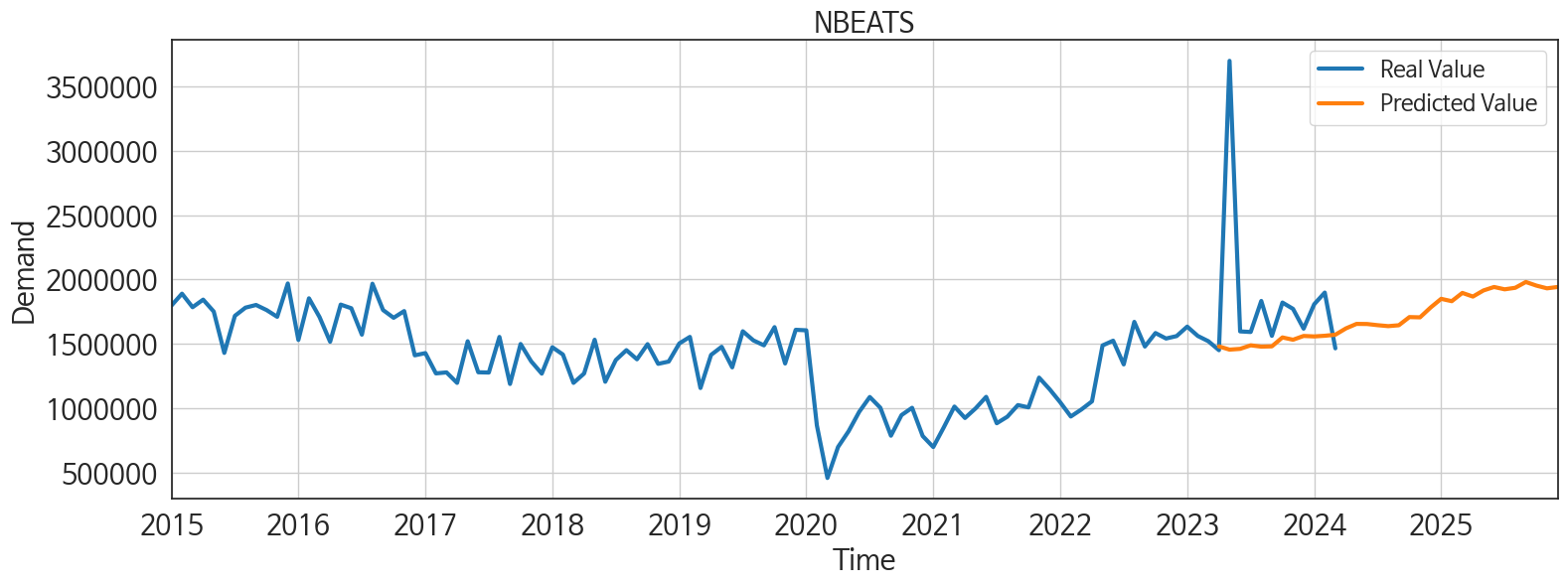
ds | unique_id | y | NBEATS | NHITS | RNN | LightGBM | RandomForest | CatBoost | XGBoost | TCN | GRU | LSTM | DilatedRNN | MLP
2023-04-01 | 1 | 1449597 | 1479137.5 | 1519112 | 1513726.875 | 1246216.311 | 1231191.0711 | 1234342.6542 | 1234547.875 | 1485256 | 1456109.5 | 1531216.25 | 1462356.75 | -38498.019531
2023-05-01 | 1 | 3699360 | 1453901.125 | 1519113.75 | 1611570.5 | 1463777.9188 | 1479461.2672 | 1486643.6484 | 1483729.25 | 1764573.125 | 1731859 | 1731672.625 | 1826868.375 | 1806400.625
2023-06-01 | 1 | 1595657 | 1459812.25 | 1519113.25 | 1456963.25 | 1435000.5035 | 1483025.4738 | 1491106.2978 | 1491449.625 | 1355774.75 | 1395786 | 1399177.125 | 1462355.125 | -48599.035156
2023-07-01 | 1 | 1590963 | 1487305.375 | 1519114.875 | 1609956 | 1325968.9346 | 1337960.8775 | 1337989.7487 | 1337818.125 | 1509597.75 | 1487486 | 1596801.5 | 1438101.75 | 3471832.5
2023-08-01 | 1 | 1832474 | 1477078.75 | 1519113.5 | 1702653.75 | 1463777.9188 | 1479461.2672 | 1486643.6484 | 1483729.25 | 1749939.875 | 1782847.625 | 1668760.625 | 1628224.25 | 1644720.875
2023-09-01 | 1 | 1560822 | 1479298.375 | 1519112.5 | 1660556.5 | 1294396.9146 | 1172455.7808 | 1133037.9841 | 1133108.125 | 1487665.125 | 1565664.75 | 1518935.375 | 1457990.875 | -261132.54688
2023-10-01 | 1 | 1819911 | 1548621 | 1519116.5 | 1871534.875 | 1463777.9188 | 1330843.0774 | 1389550.1254 | 1236039.375 | 1667354.625 | 1877511.25 | 1815917.125 | 1756991.375 | 181833.14062
2023-11-01 | 1 | 1770736 | 1530747.75 | 1519114.875 | 1633796 | 1346048.1083 | 1319821.9401 | 1327784.2537 | 1326629.625 | 1500001.5 | 1652347.75 | 1539056.125 | 1417504.625 | -2042562.25
2023-12-01 | 1 | 1616855 | 1560215.875 | 1519114.625 | 1542004.875 | 1294396.9146 | 1156925.1733 | 1152450.0826 | 1151619.375 | 1388581.875 | 1583697.875 | 1510135.25 | 1524711.875 | -1645619
2024-01-01 | 1 | 1806586 | 1556453.375 | 1519114.25 | 1648569.375 | 1463777.9188 | 1479461.2672 | 1486643.6484 | 1483729.25 | 1265683 | 1670781.875 | 1560991.375 | 1514506.25 | -2607139.5
2024-02-01 | 1 | 1897429 | 1561701.125 | 1519115.125 | 1660057.875 | 1435000.5035 | 1208603.358 | 1158835.7363 | 1158798.25 | 1446769.875 | 1790115 | 1633120.875 | 1574057.25 | 4113138.5
2024-03-01 | 1 | 1463885 | 1569838.875 | 1519115.625 | 1109526.125 | 1246216.311 | 1231191.0711 | 1234342.6542 | 1234547.875 | 1008482.5625 | 1129099.25 | 1071298.75 | 1124787.5 | 777222.1875
2024-04-01 | 1 | 0 | 1618884.625 | 1519115.125 | 1044890.375 | 1463777.9188 | 1468368.3727 | 1472524.0834 | 1474535.875 | 978385.25 | 956915.6875 | 1150147.5 | 1043879.9375 | 1049516.5
2024-05-01 | 1 | 0 | 1653967.25 | 1519116.25 | 1481377.625 | 1463777.9188 | 1260219.1482 | 1329079.1696 | 1026867.8125 | 1214223.25 | 1421470.625 | 1491097.625 | 1292673.625 | -70252.3125
2024-06-01 | 1 | 0 | 1653076.625 | 1519115.375 | 1215936.75 | 1294396.9146 | 1156925.1733 | 1152450.0826 | 1151619.375 | 1207555.125 | 1231345 | 1206833.75 | 1210420 | 4601056
2024-07-01 | 1 | 0 | 1643904.5 | 1519113.75 | 1461402.375 | 1346048.1083 | 1452941.2516 | 1442000.9468 | 1449161.75 | 1336082.75 | 1294160.125 | 1522996.375 | 1335752.75 | 1903034
2024-08-01 | 1 | 0 | 1636456.5 | 1519115.375 | 1270142.5 | 1435000.5035 | 1483025.4738 | 1491106.2978 | 1491449.625 | 1236706.75 | 1194726.875 | 1348816.625 | 1268894 | 1655176.375
2024-09-01 | 1 | 0 | 1643381.5 | 1519115 | 1503396.125 | 1435000.5035 | 1503492.5533 | 1546946.084 | 1455460.625 | 1320448.5 | 1181014.75 | 1495843.25 | 1463184 | 479669.90625
2024-10-01 | 1 | 0 | 1706926.5 | 1519115.125 | 1393788.375 | 1463777.9188 | 1543803.5852 | 1543780.5402 | 1543780.5 | 1322269.75 | 1006356.25 | 1504642.5 | 1471294.125 | 1715579.625
2024-11-01 | 1 | 0 | 1704767.375 | 1519114.75 | 1061681.625 | 1246216.311 | 1231191.0711 | 1234342.6542 | 1234547.875 | 1166117.5 | 839326.3125 | 1211937.25 | 1067151.5 | 310227.09375
2024-12-01 | 1 | 0 | 1781129.25 | 1519115.375 | 1347398.125 | 1463777.9188 | 1468368.3727 | 1472524.0834 | 1474535.875 | 1394989.375 | 1021740.75 | 1417169.125 | 1379673.25 | 3974465
2025-01-01 | 1 | 0 | 1848869 | 1519113.875 | 1422034.375 | 1463777.9188 | 1451685.6517 | 1497213.3821 | 1497756.625 | 1635134.125 | 1099941 | 1644146.75 | 1497185.875 | 956625.375
2025-02-01 | 1 | 0 | 1830492.5 | 1519114.375 | 1041090.3125 | 1246216.311 | 1231191.0711 | 1234342.6542 | 1234547.875 | 1080884.125 | 696377.875 | 1167322.25 | 1087159.625 | 502767.84375
2025-03-01 | 1 | 0 | 1894801.75 | 1519120.625 | 919403.875 | 1435000.5035 | 1483025.4738 | 1491106.2978 | 1491449.625 | 1222841.75 | 825725.5625 | 1241338.625 | 1260856.375 | 3764268
2025-04-01 | 1 | 0 | 1866472.5 | 1519122.125 | 1243637 | 1346048.1083 | 1319821.9401 | 1327784.2537 | 1326629.625 | 1410031.125 | 1028639.75 | 1396334.375 | 1383957.75 | 4031440.25
2025-05-01 | 1 | 0 | 1914133 | 1519121.75 | 1317686.625 | 1435000.5035 | 1214417.715 | 1083876.8827 | 902389.1875 | 1298291.125 | 1190087 | 1353089.625 | 1312439 | 2428058
2025-06-01 | 1 | 0 | 1940886.375 | 1519123.375 | 1009420.375 | 1325968.9346 | 1337960.8775 | 1337989.7487 | 1337818.125 | 1189111.25 | 968377.375 | 1270330.75 | 1280189.75 | -1977354.25
2025-07-01 | 1 | 0 | 1922808.125 | 1519125.75 | 1210758.75 | 1346048.1083 | 1452941.2516 | 1442000.9468 | 1449161.75 | 1513933.25 | 1115118.75 | 1581745.125 | 1452441.25 | -2922919
2025-08-01 | 1 | 0 | 1934629.5 | 1519125.875 | 1163763.375 | 1246216.311 | 1231191.0711 | 1234342.6542 | 1234547.875 | 1308903.625 | 1033078 | 1245720.25 | 1469165 | 2722446
2025-09-01 | 1 | 0 | 1979692.625 | 1519126.5 | 1298310.75 | 1346048.1083 | 1319821.9401 | 1327784.2537 | 1326629.625 | 1541715.625 | 1178758.25 | 1471274.625 | 1474957.25 | 505397.21875
2025-10-01 | 1 | 0 | 1951668.875 | 1519127.875 | 1309337.625 | 1463777.9188 | 1408725.3465 | 1187663.429 | 1022715.1875 | 1531322.625 | 1194934.125 | 1434301.625 | 1477273.375 | 40432700
2025-11-01 | 1 | 0 | 1930463.875 | 1519128 | 1253888.875 | 1246216.311 | 1231191.0711 | 1234342.6542 | 1234547.875 | 1323605.125 | 1191996.5 | 1323244.125 | 1295058.875 | 51131584
2025-12-01 | 1 | 0 | 1940879.125 | 1519126.75 | 1596933.375 | 1463777.9188 | 1479461.2672 | 1486643.6484 | 1483729.25 | 1670912 | 1457282.25 | 1678987.625 | 1645452.75 | 85728072

