Performance_전체
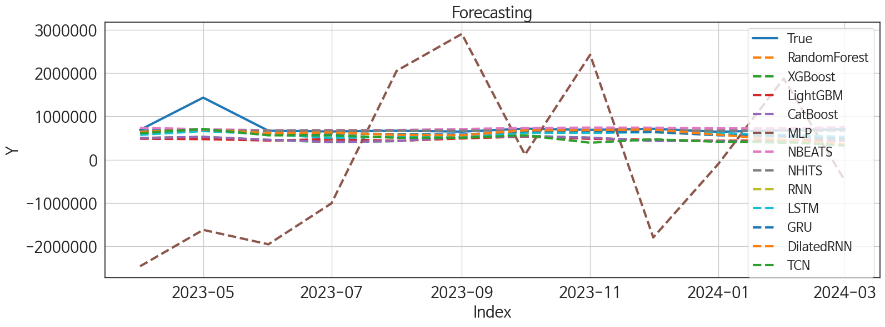
 | MSE | RMSE | MSPE | MAE | MAPE | MedAE | MedAPE
NHITS | 48630312531 | 220522.81635 | 0.024620978164 | 82756.921875 | 0.072622844425 | 23268.6875 | 0.035817598432
NBEATS | 46257337433 | 215075.19018 | 0.025675530559 | 96545.479167 | 0.09550584918 | 45273.65625 | 0.065531129481
GRU | 54457192079 | 233360.64809 | 0.040339747606 | 134730.64844 | 0.15011815919 | 71173.375 | 0.1045865038
DilatedRNN | 61626065965 | 248245.97875 | 0.056717290681 | 145086.08333 | 0.16571102493 | 62255.28125 | 0.095008125612
RNN | 56420726914 | 237530.47576 | 0.043197490326 | 143658.13542 | 0.16248935375 | 77465 | 0.11384637912
LSTM | 61218189307 | 247423.09776 | 0.049531729837 | 161815.48177 | 0.1885860414 | 109209.65625 | 0.15964063515
TCN | 85813894121 | 292940.08623 | 0.1112409894 | 238759.33073 | 0.3037391596 | 197244.57812 | 0.29175763203
LightGBM | 1.18329284E+11 | 343990.23824 | 0.12757844806 | 273912.73046 | 0.341246451 | 216829.87973 | 0.33020461137
RandomForest | 1.1206791125E+11 | 334765.45707 | 0.1268296073 | 271566.50855 | 0.3409647176 | 223822.95617 | 0.33454806474
CatBoost | 1.1409870519E+11 | 337784.99846 | 0.13186363968 | 275585.37347 | 0.34703965094 | 226621.17174 | 0.34470913048
XGBoost | 1.1485261163E+11 | 338899.11718 | 0.13343746416 | 276594.86458 | 0.34858043955 | 226919.25 | 0.34516300597
MLP | 4.0703737777E+12 | 2017516.7354 | 7.5215282793 | 1838946.4889 | 2.5136111059 | 1696265.3125 | 2.3252170004

Forecasting_전체
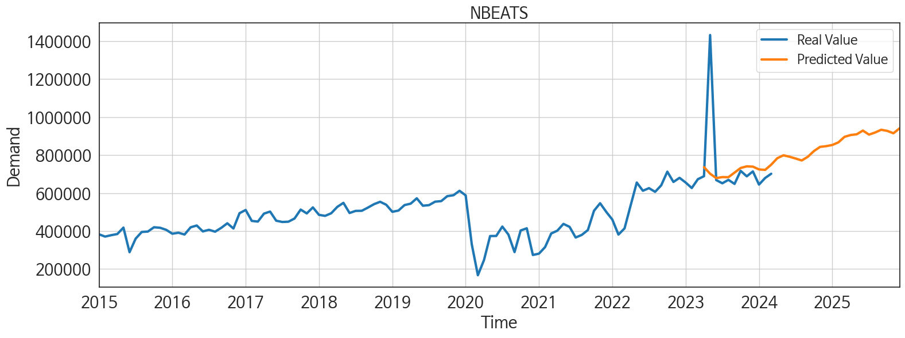
ds | unique_id | y | NBEATS | NHITS | RNN | LightGBM | RandomForest | CatBoost | XGBoost | TCN | GRU | LSTM | DilatedRNN | MLP
2023-04-01 | 1 | 688648 | 736484.0625 | 673037.4375 | 653230.25 | 484619.83758 | 502502.63614 | 500195.32406 | 500206.03125 | 612058.5 | 672189.875 | 574498.9375 | 645391 | -2458883.5
2023-05-01 | 1 | 1432442 | 701859.25 | 673037.9375 | 683575.625 | 474485.7617 | 523583.3565 | 525985.49586 | 525370.875 | 710300.75 | 689443.3125 | 661386.75 | 696919.0625 | -1618793.5
2023-06-01 | 1 | 668339 | 678896.3125 | 673038 | 595712.125 | 443352.63581 | 450876.11256 | 460413.9 | 454283.875 | 563087.9375 | 603424.6875 | 587442.9375 | 611012.625 | -1951633.625
2023-07-01 | 1 | 651454 | 683958.5 | 673041.5 | 614201.9375 | 473870.19541 | 421270.97511 | 408418.58359 | 406705.875 | 561748.625 | 607632.25 | 502319.96875 | 627819.25 | -1006737.125
2023-08-01 | 1 | 669451 | 683603 | 673037.125 | 579090.0625 | 435829.60473 | 434004.29106 | 430355.82826 | 430057.75 | 506450.09375 | 591211.125 | 529228.25 | 572935.25 | 2051395.875
2023-09-01 | 1 | 648086 | 707643.25 | 673035.875 | 572894.1875 | 490403.24559 | 513811.712 | 523430.21404 | 523300.96875 | 506784.65625 | 579189.125 | 524460.6875 | 563082.3125 | 2903080
2023-10-01 | 1 | 716861 | 732002.1875 | 673041.25 | 620459.5 | 534265.48272 | 534541.06881 | 539725.10352 | 551939.3125 | 562734 | 658225.25 | 621112 | 678680 | 116773.25781
2023-11-01 | 1 | 688137 | 740693.75 | 673041.3125 | 640732.25 | 482086.95572 | 507739.53575 | 507068.44336 | 506478.625 | 392106.9375 | 660299.5 | 618342.9375 | 681956.8125 | 2422476.5
2023-12-01 | 1 | 714043 | 739158.75 | 673039.1875 | 634304.8125 | 458238.90695 | 437567.61057 | 432748.70321 | 431928.5625 | 471246.375 | 640593.125 | 634538.875 | 695465.75 | -1794330
2024-01-01 | 1 | 644503 | 724497.875 | 673037.6875 | 573562.125 | 435829.60473 | 434004.29106 | 430355.82826 | 430057.75 | 413014.75 | 563583 | 606119.125 | 577318.8125 | -94342.3125
2024-02-01 | 1 | 679183 | 721966.1875 | 673039.5625 | 534603.6875 | 444663.09659 | 446569.69723 | 404366.39102 | 391440.4375 | 414000.84375 | 537586.375 | 574912.75 | 456230.90625 | 1874685.625
2024-03-01 | 1 | 701690 | 749454.125 | 673041.4375 | 476572.8125 | 458238.90695 | 437567.61057 | 432748.70321 | 431928.5625 | 324191.5625 | 482691.59375 | 526688 | 354992.21875 | -474650.0625
2024-04-01 | 1 | 0 | 783607.125 | 673041.4375 | 530831.3125 | 408242.08676 | 389911.58217 | 389295.12133 | 390216.875 | 245728.9375 | 468014.3125 | 567960.125 | 311855.375 | 4275850.5
2024-05-01 | 1 | 0 | 798869.5 | 673043.125 | 570299 | 534265.48272 | 555700.16154 | 538179.15434 | 551820.1875 | 377346.09375 | 537677.9375 | 682250.3125 | 398627 | 2798715.5
2024-06-01 | 1 | 0 | 791261 | 673041.1875 | 478083.5 | 461136.67337 | 508919.19676 | 512427.21572 | 514065.4375 | 326703 | 383541.03125 | 579244.375 | 316408.65625 | -189738.03125
2024-07-01 | 1 | 0 | 781742.25 | 673039.75 | 437956.875 | 482823.80986 | 518166.68284 | 532127.55847 | 536309.8125 | 318314.125 | 392955.5625 | 581613.3125 | 240343.15625 | 6009810
2024-08-01 | 1 | 0 | 771656.5 | 673039.1875 | 446612.65625 | 457868.90498 | 488963.65228 | 489948.11132 | 489894.8125 | 338860 | 416228.34375 | 635792.0625 | 376206.6875 | 2599335.5
2024-09-01 | 1 | 0 | 791282.8125 | 673041 | 458110.75 | 504442.81761 | 531509.36583 | 537685.87042 | 538237.625 | 385206.6875 | 387119.625 | 577759.9375 | 371763.4375 | -4696246
2024-10-01 | 1 | 0 | 821463.875 | 673042.125 | 464974.90625 | 474485.7617 | 546131.80304 | 560751.47179 | 562508.625 | 374069.40625 | 389315.625 | 639550.75 | 344253.65625 | 3636256
2024-11-01 | 1 | 0 | 843247.75 | 673042.3125 | 460440.90625 | 484619.83758 | 502502.63614 | 500195.32406 | 500206.03125 | 325910.375 | 379190 | 545352 | 313946.3125 | 2994526
2024-12-01 | 1 | 0 | 847031.75 | 673040.3125 | 518023.8125 | 471483.98147 | 463560.99901 | 458466.68823 | 458362.09375 | 387452 | 421635.59375 | 660296 | 351911.75 | 4772714.5
2025-01-01 | 1 | 0 | 853233.875 | 673039 | 510320.5 | 534265.48272 | 566360.15711 | 567127.46972 | 566717.375 | 437297.9375 | 450124.875 | 637444.5 | 423471.625 | 4810637
2025-02-01 | 1 | 0 | 867088.8125 | 673039.75 | 325408.4375 | 481534.35057 | 530909.54467 | 539566.89831 | 539874.5625 | 318174.5625 | 267201.625 | 477789.125 | 275836.3125 | 3831651.75
2025-03-01 | 1 | 0 | 896171.375 | 673039.125 | 214723.82812 | 506587.78886 | 514627.7485 | 523824.08249 | 524325.0625 | 295160.90625 | 222305.39062 | 431466 | 205912.25 | 870813.5
2025-04-01 | 1 | 0 | 905652.4375 | 673040.1875 | 329881.4375 | 482086.95572 | 507739.53575 | 507068.44336 | 506478.625 | 321445.25 | 213976.875 | 390908.9375 | 295132 | 3864308
2025-05-01 | 1 | 0 | 909658.5 | 673040.9375 | 469204.90625 | 506587.78886 | 466775.34567 | 443492.98714 | 437499.75 | 434098.75 | 375138.21875 | 573392 | 429757.0625 | 14089049
2025-06-01 | 1 | 0 | 929042.5 | 673043.3125 | 460938.21875 | 443352.63581 | 450876.11256 | 460413.9 | 454283.875 | 430275.6875 | 363639.3125 | 597928 | 458589.5625 | 16327906
2025-07-01 | 1 | 0 | 907766.1875 | 673041.875 | 526518.9375 | 482823.80986 | 518166.68284 | 532127.55847 | 536309.8125 | 414000.1875 | 428225.96875 | 605394.3125 | 459777.5 | 34564064
2025-08-01 | 1 | 0 | 918895.75 | 673039.8125 | 423203.46875 | 458238.90695 | 437567.61057 | 432748.70321 | 431928.5625 | 387243.15625 | 393993.25 | 553303.8125 | 442632.125 | 37259424
2025-09-01 | 1 | 0 | 933487.75 | 673042.5625 | 392734.875 | 482086.95572 | 507739.53575 | 507068.44336 | 506478.625 | 354332.5 | 296704.875 | 444431.90625 | 391497.375 | 49203816
2025-10-01 | 1 | 0 | 927315.625 | 673040.125 | 498879.53125 | 534265.48272 | 566360.15711 | 567127.46972 | 566717.375 | 541709.25 | 426958.96875 | 599738.1875 | 497214.0625 | 66528936
2025-11-01 | 1 | 0 | 914967.4375 | 673040 | 583539.75 | 484619.83758 | 502502.63614 | 500195.32406 | 500206.03125 | 522395.9375 | 518034.1875 | 615404.875 | 593177.875 | 69685008
2025-12-01 | 1 | 0 | 940858.875 | 673038.25 | 446841.40625 | 435829.60473 | 434004.29106 | 430355.82826 | 430057.75 | 585409.4375 | 409333.03125 | 594681.75 | 581945.875 | 127665408

Performance_주말
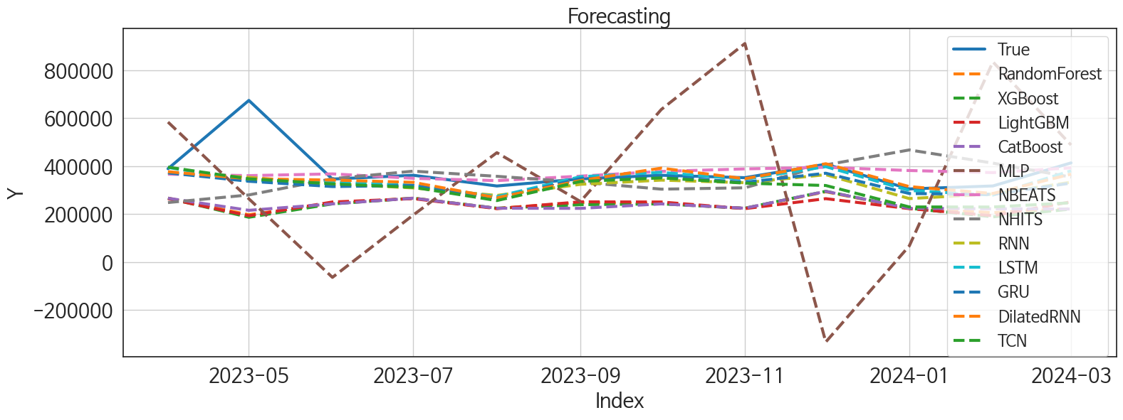
 | MSE | RMSE | MSPE | MAE | MAPE | MedAE | MedAPE
LSTM | 9856823088.5 | 99281.534479 | 0.025378194439 | 46143.934896 | 0.093983644809 | 12417.234375 | 0.035180530056
DilatedRNN | 9529826514.5 | 97620.830331 | 0.024868613218 | 46084.838542 | 0.094235909367 | 20910.84375 | 0.056835332678
NBEATS | 9266207651.4 | 96261.142999 | 0.028522287305 | 51924.458333 | 0.11537286532 | 21957.609375 | 0.060577037172
GRU | 10825829550 | 104047.24672 | 0.030927670208 | 56929.341146 | 0.12199251201 | 33351.171875 | 0.091352242036
RNN | 10028447432 | 100142.13615 | 0.029853755869 | 59323.747396 | 0.13090720677 | 36566.8125 | 0.10687218007
NHITS | 18446302111 | 135817.16427 | 0.077569707107 | 85587.584635 | 0.20260168808 | 50053.625 | 0.1355149901
TCN | 13590346407 | 116577.64111 | 0.05408404573 | 77236.839844 | 0.18020787966 | 55476.65625 | 0.16546535895
RandomForest | 31561113688 | 177654.47838 | 0.13760357407 | 144291.45257 | 0.35108285527 | 113091.43619 | 0.3051416621
CatBoost | 30356766801 | 174231.93393 | 0.13582815665 | 143621.69116 | 0.35089995565 | 116274.26552 | 0.308634177
LightGBM | 31792249952 | 178303.81362 | 0.13861320598 | 145100.09742 | 0.35333890482 | 117806.95653 | 0.31480172527
XGBoost | 32967220491 | 181568.7762 | 0.14461738968 | 147522.28255 | 0.35953284576 | 116058.38281 | 0.31320162074
MLP | 1.413258837E+11 | 375933.35008 | 1.019635401 | 318035.05371 | 0.85247724431 | 255720.09375 | 0.68412674031

Forecasting_주말
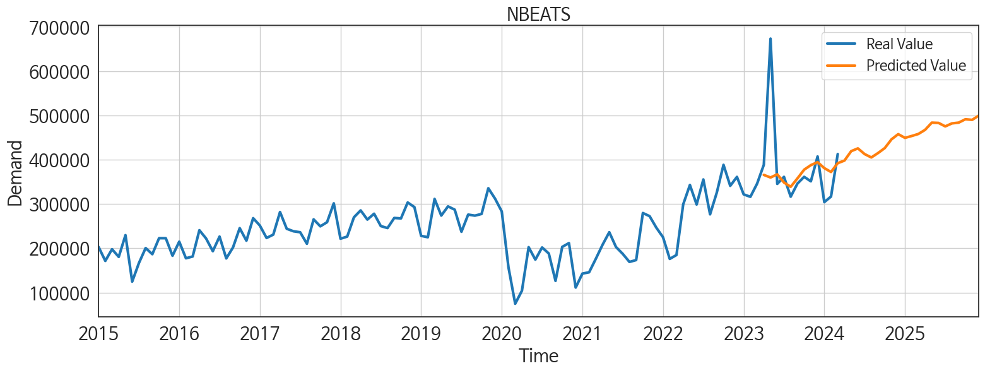
ds | unique_id | y | NBEATS | NHITS | RNN | LightGBM | RandomForest | CatBoost | XGBoost | TCN | GRU | LSTM | DilatedRNN | MLP
2023-04-01 | 1 | 388460 | 365628.8125 | 247501.26562 | 371451.9375 | 263707.72979 | 266028.34929 | 265661.97757 | 265650.03125 | 394992.75 | 371013 | 393776.5 | 376129.28125 | 582916.4375
2023-05-01 | 1 | 673228 | 359793.28125 | 279209.375 | 352577.71875 | 192546.6077 | 196664.81355 | 215125.62222 | 186149.73438 | 346407.5625 | 336121.5625 | 339440.625 | 346641.25 | 263106.46875
2023-06-01 | 1 | 345414 | 366961.09375 | 346854.6875 | 325350.4375 | 249833.47924 | 243478.35978 | 241864.27743 | 241963.64062 | 325199.15625 | 314112.5 | 332672.90625 | 341140.8125 | -64431.394531
2023-07-01 | 1 | 361238 | 348469.71875 | 378305.75 | 308458.5 | 263707.72979 | 266028.34929 | 265661.97757 | 265650.03125 | 311083.625 | 318557.5625 | 319398.03125 | 331747.03125 | 195596.26562
2023-08-01 | 1 | 316512 | 338880.125 | 356864.9375 | 277120.9375 | 222046.61638 | 223233.6672 | 223818.21081 | 223807.90625 | 255713.0625 | 265009.125 | 272161.5625 | 267431.0625 | 455436.90625
2023-09-01 | 1 | 345989 | 357670.3125 | 332696.6875 | 323427.71875 | 250545.80928 | 247619.25917 | 223268.86205 | 238643.3125 | 335420.15625 | 347313.0625 | 355159.875 | 339330.46875 | 251884.89062
2023-10-01 | 1 | 361270 | 377411.75 | 303324.3125 | 340904.59375 | 249833.47924 | 243478.35978 | 241864.27743 | 241963.64062 | 350256.90625 | 354651.78125 | 373363.375 | 391038 | 635498.0625
2023-11-01 | 1 | 351180 | 387737.78125 | 309018.4375 | 330125.21875 | 222046.61638 | 223233.6672 | 223818.21081 | 223807.90625 | 328259.4375 | 332116.3125 | 344327.4375 | 346720.25 | 910351.8125
2023-12-01 | 1 | 407266 | 394494.6875 | 404389.21875 | 363603.75 | 263707.72979 | 292353.28155 | 294123.19153 | 294455.59375 | 318549.5625 | 369763.21875 | 397111.6875 | 409398.53125 | -333821.5
2024-01-01 | 1 | 304207 | 380981.25 | 466831.9375 | 264036.78125 | 222046.61638 | 223233.6672 | 223818.21081 | 223807.90625 | 229131.4375 | 285136.71875 | 297856.53125 | 313951.375 | 66994.875
2024-02-01 | 1 | 316724 | 372280.28125 | 411778.75 | 282981.4375 | 192546.6077 | 205453.84607 | 221341.49657 | 187843.07812 | 228949.375 | 281323.15625 | 278592.78125 | 285213.125 | 833858.3125
2024-03-01 | 1 | 412828 | 392166.59375 | 353571.75 | 332392 | 250545.80928 | 222012.94912 | 220489.39121 | 220305.82812 | 246576.39062 | 328694.03125 | 379888.96875 | 365846.5625 | 487320.71875
2024-04-01 | 1 | 0 | 397983.21875 | 278252.53125 | 263741.84375 | 222046.61638 | 223233.6672 | 223818.21081 | 223807.90625 | 178604.6875 | 247648.10938 | 335820.9375 | 283181.9375 | 426708.96875
2024-05-01 | 1 | 0 | 419213.5625 | 217281.96875 | 230368.53125 | 237145.08161 | 179011.23131 | 172552.49043 | 172125.53125 | 141330.09375 | 213265.82812 | 300651.3125 | 273893.46875 | 511922.90625
2024-06-01 | 1 | 0 | 425513.40625 | 294659.375 | 219611.25 | 263707.72979 | 266028.34929 | 265661.97757 | 265650.03125 | 210296.54688 | 219019.09375 | 279546.1875 | 266622.9375 | 1469595.875
2024-07-01 | 1 | 0 | 412672.65625 | 371866.8125 | 179493.875 | 222046.61638 | 223233.6672 | 223818.21081 | 223807.90625 | 164875.40625 | 148237.96875 | 263094.28125 | 188388.26562 | 225798.92188
2024-08-01 | 1 | 0 | 405053 | 443646.46875 | 232946.875 | 263707.72979 | 266028.34929 | 265661.97757 | 265650.03125 | 199520.34375 | 193804.98438 | 305725.9375 | 250614.57812 | 2066705.625
2024-09-01 | 1 | 0 | 415028.03125 | 515415.4375 | 194908.125 | 249833.47924 | 243478.35978 | 241864.27743 | 241963.64062 | 168115.48438 | 155990.14062 | 272821.09375 | 194800.15625 | -228772.42188
2024-10-01 | 1 | 0 | 426171.78125 | 457119.9375 | 197684.70312 | 222046.61638 | 223233.6672 | 223818.21081 | 223807.90625 | 154902 | 158219.71875 | 244669.25 | 165937.1875 | 853674.0625
2024-11-01 | 1 | 0 | 445933.40625 | 394622.03125 | 247624.23438 | 263707.72979 | 266028.34929 | 265661.97757 | 265650.03125 | 226726.5 | 195433.57812 | 300801.65625 | 234866.28125 | 1420646.125
2024-12-01 | 1 | 0 | 457654.5625 | 328508.875 | 216157.48438 | 249833.47924 | 243478.35978 | 241864.27743 | 241963.64062 | 187403.39062 | 182658.34375 | 314135.9375 | 209410.14062 | 249081.07812
2025-01-01 | 1 | 0 | 449305.125 | 261999.03125 | 129324.85938 | 249833.47924 | 243478.35978 | 241864.27743 | 241963.64062 | 184324.26562 | 113414.14062 | 249490.14062 | 178784.28125 | 2165490.5
2025-02-01 | 1 | 0 | 453446.28125 | 323964.96875 | 100470.21094 | 222046.61638 | 223233.6672 | 223818.21081 | 223807.90625 | 173541.76562 | 109189.08594 | 171071.20312 | 161769.23438 | 1744243.375
2025-03-01 | 1 | 0 | 458085.8125 | 409734.5625 | 156960.34375 | 250545.80928 | 264534.4664 | 264113.54973 | 264125.71875 | 189198.35938 | 118344.20312 | 205470.90625 | 131050.79688 | 716860.875
2025-04-01 | 1 | 0 | 467337.125 | 408199.28125 | 161089.40625 | 222046.61638 | 223233.6672 | 223818.21081 | 223807.90625 | 216686.85938 | 160121.84375 | 232846.67188 | 203348.1875 | 1022188.25
2025-05-01 | 1 | 0 | 483639.34375 | 382219.9375 | 225813.89062 | 263707.72979 | 266028.34929 | 265661.97757 | 265650.03125 | 244728.54688 | 200465.90625 | 279768.875 | 223204.46875 | 1637132.875
2025-06-01 | 1 | 0 | 483007.375 | 388212.53125 | 236303.03125 | 237145.08161 | 179011.23131 | 172552.49043 | 172125.53125 | 242501.17188 | 224067.96875 | 264687.1875 | 206530 | 449918.09375
2025-07-01 | 1 | 0 | 475186.0625 | 406699.75 | 220673.95312 | 222046.61638 | 223233.6672 | 223818.21081 | 223807.90625 | 238222.46875 | 174056.76562 | 204542.875 | 175231.20312 | 1251784.875
2025-08-01 | 1 | 0 | 481966.34375 | 407404.28125 | 240959.98438 | 250545.80928 | 222012.94912 | 220489.39121 | 220305.82812 | 273616.3125 | 223098.25 | 277415.90625 | 260678.67188 | 1636061
2025-09-01 | 1 | 0 | 483679.21875 | 398812.8125 | 157909.875 | 222046.61638 | 223233.6672 | 223818.21081 | 223807.90625 | 217591.78125 | 137756.625 | 161022.03125 | 142845.9375 | 690555.125
2025-10-01 | 1 | 0 | 491309.96875 | 444201.125 | 221206.84375 | 237145.08161 | 282665.57111 | 278833.16038 | 279698.5625 | 245355.51562 | 215352.26562 | 226526.5 | 205511.95312 | 2289094
2025-11-01 | 1 | 0 | 489890.03125 | 526525.9375 | 310025.65625 | 263707.72979 | 266028.34929 | 265661.97757 | 265650.03125 | 287429.28125 | 271452.65625 | 299008.9375 | 312981.53125 | 2829085.75
2025-12-01 | 1 | 0 | 499760.78125 | 565139.5625 | 240542.15625 | 222046.61638 | 223233.6672 | 223818.21081 | 223807.90625 | 274521.6875 | 225638.125 | 278136.90625 | 246093.3125 | -574400.125

Performance_주중
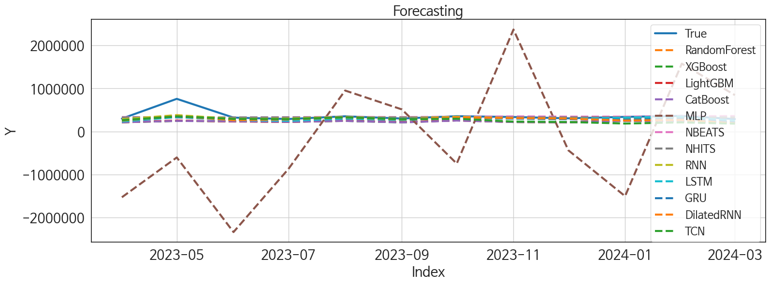
 | MSE | RMSE | MSPE | MAE | MAPE | MedAE | MedAPE
RNN | 12708303640 | 112731.11212 | 0.028697775976 | 52597.44401 | 0.1071204215 | 19910.84375 | 0.061648707683
NBEATS | 16667025822 | 129100.83587 | 0.037848679012 | 58953.291667 | 0.12221718357 | 23210.703125 | 0.074352563862
NHITS | 16192496268 | 127249.73976 | 0.033393362975 | 58032.953125 | 0.11660277305 | 26375.6875 | 0.08144905994
GRU | 16024195260 | 126586.71044 | 0.041565374709 | 69387.419271 | 0.15267888269 | 38022.648438 | 0.11701762686
LSTM | 16670192288 | 129113.09882 | 0.042082460779 | 70560.981771 | 0.15694079152 | 39195.148438 | 0.12708055275
DilatedRNN | 16122664963 | 126975.05646 | 0.05038795023 | 74927.835938 | 0.17226720743 | 37146.273438 | 0.11646187553
TCN | 20724330348 | 143959.47467 | 0.086722169478 | 98473.61849 | 0.24083738087 | 72112.828125 | 0.2220109765
LightGBM | 29225901856 | 170955.84768 | 0.11169013107 | 126623.48133 | 0.31543815446 | 89602.193055 | 0.28075680888
RandomForest | 29869502461 | 172827.95625 | 0.11305636753 | 127433.74982 | 0.31709764137 | 91660.500483 | 0.28196718185
XGBoost | 30289826855 | 174039.72781 | 0.1154181926 | 128779.1263 | 0.32075490503 | 93658.382812 | 0.29263462574
CatBoost | 30378625627 | 174294.65174 | 0.11614434914 | 129247.92998 | 0.32207744368 | 93620.529749 | 0.29260431267
MLP | 2.0940733916E+12 | 1447091.3557 | 18.65822559 | 1276860.2109 | 3.7327477671 | 1189195.5625 | 3.2264350105

Forecasting_주중
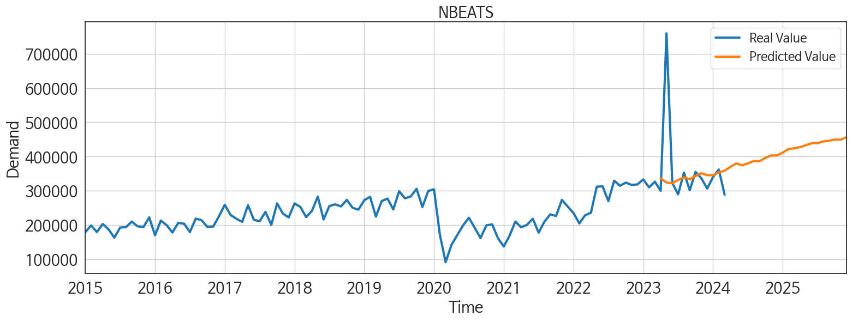
ds | unique_id | y | NBEATS | NHITS | RNN | LightGBM | RandomForest | CatBoost | XGBoost | TCN | GRU | LSTM | DilatedRNN | MLP
2023-04-01 | 1 | 300188 | 336350.46875 | 327120.5 | 286111.03125 | 215382.34913 | 214188.67555 | 214514.6294 | 214523.15625 | 262522.3125 | 261309.07812 | 232167.82812 | 253953.73438 | -1528967.25
2023-05-01 | 1 | 759214 | 324614.84375 | 327120.46875 | 380909 | 255582.47869 | 247692.25151 | 245601.19547 | 245551.26562 | 352634.9375 | 345552.25 | 333805.96875 | 360027.3125 | -603411
2023-06-01 | 1 | 322925 | 322657.03125 | 327120.6875 | 296775.75 | 232419.55676 | 234779.53112 | 237469.19768 | 237476.17188 | 292197.3125 | 272946.40625 | 265323.3125 | 262909.3125 | -2338142
2023-07-01 | 1 | 290216 | 331815.15625 | 327120.40625 | 300162.9375 | 223471.9748 | 223259.54499 | 224373.56729 | 224373.4375 | 288522 | 279804.84375 | 248426.90625 | 280559.90625 | -872310.875
2023-08-01 | 1 | 352939 | 339548.71875 | 327120.125 | 340890.5 | 255582.47869 | 247692.25151 | 245601.19547 | 245551.26562 | 328752.5625 | 329728.125 | 298057.59375 | 327673.5 | 952170.75
2023-09-01 | 1 | 302097 | 334038.40625 | 327119.75 | 306201.28125 | 218078.05713 | 218280.34462 | 211525.42729 | 211498.53125 | 283699.40625 | 298169.25 | 266489.0625 | 280641.28125 | 513706.0625
2023-10-01 | 1 | 355591 | 343469.6875 | 327119.5625 | 342435.4375 | 255582.47869 | 264873.74753 | 254287.33049 | 260086.60938 | 297241.75 | 318424.625 | 321731.4375 | 327532.71875 | -746165.875
2023-11-01 | 1 | 336957 | 351437 | 327119.0625 | 311212.28125 | 221477.40848 | 220348.87428 | 220288.37248 | 220269.01562 | 230941.26562 | 303315.8125 | 297936.25 | 310467.9375 | 2370278
2023-12-01 | 1 | 306777 | 345921.875 | 327118.5 | 302253.4375 | 218078.05713 | 214165.75159 | 214230.74504 | 214204.96875 | 220900.59375 | 286615.125 | 287931.8125 | 300968.90625 | -437582.78125
2024-01-01 | 1 | 340296 | 345709.875 | 327117.90625 | 298445.5 | 255582.47869 | 247692.25151 | 245601.19547 | 245551.26562 | 184993.73438 | 276127.34375 | 325280.65625 | 255041.0625 | -1503196.125
2024-02-01 | 1 | 362459 | 354161.15625 | 327117.78125 | 327749.96875 | 232419.55676 | 242154.10246 | 239538.35479 | 239562.64062 | 212075.42188 | 296898.90625 | 345145.9375 | 270007.34375 | 1578323.25
2024-03-01 | 1 | 288862 | 358883.15625 | 327119.5 | 222306.98438 | 215382.34913 | 214188.67555 | 214514.6294 | 214523.15625 | 182356.28125 | 216980.20312 | 249492.45312 | 189603.95312 | 846175.5625
2024-04-01 | 1 | 0 | 370131.65625 | 327121.15625 | 178557.9375 | 255582.47869 | 263948.47682 | 260739.43735 | 260799.0625 | 152965.90625 | 167312.96875 | 266488.84375 | 163750.75 | 8166375
2024-05-01 | 1 | 0 | 380230.09375 | 327122.875 | 277556.78125 | 255582.47869 | 261465.81986 | 249783.86805 | 252333.73438 | 206506.57812 | 247740.5 | 292513.3125 | 236724.5 | 7645966
2024-06-01 | 1 | 0 | 374693.40625 | 327124.625 | 222672.6875 | 218078.05713 | 214165.75159 | 214230.74504 | 214204.96875 | 200257.71875 | 191900.67188 | 260296.42188 | 206814.89062 | 5411980.5
2024-07-01 | 1 | 0 | 380195.09375 | 327123.5625 | 230899.32812 | 221477.40848 | 231168.98955 | 228110.5367 | 228131.01562 | 214726.5625 | 224033.70312 | 300543.90625 | 226255.64062 | 8005232
2024-08-01 | 1 | 0 | 387047.4375 | 327122.1875 | 213737.89062 | 232419.55676 | 234779.53112 | 237469.19768 | 237476.17188 | 214486.26562 | 208761.73438 | 313720.34375 | 220156.1875 | 6389880
2024-09-01 | 1 | 0 | 386568.625 | 327120.90625 | 240936.29688 | 232419.55676 | 250291.0705 | 245275.8437 | 266750.25 | 217753.79688 | 222131.90625 | 308214.5625 | 230083.125 | 3839033
2024-10-01 | 1 | 0 | 396086.03125 | 327119.65625 | 212648.23438 | 255582.47869 | 280896.349 | 280466.08544 | 280480.9375 | 212874.04688 | 190501.60938 | 291821.4375 | 216167.21875 | 6933222
2024-11-01 | 1 | 0 | 403376.875 | 327118.9375 | 179047.26562 | 215382.34913 | 214188.67555 | 214514.6294 | 214523.15625 | 185022.70312 | 179603.5625 | 256874.65625 | 144385.5 | 6220665
2024-12-01 | 1 | 0 | 403439.53125 | 327118.3125 | 211911.15625 | 255582.47869 | 263948.47682 | 260739.43735 | 260799.0625 | 222991.8125 | 203227.46875 | 319082.375 | 205365.73438 | 6460662
2025-01-01 | 1 | 0 | 411771.84375 | 327117.59375 | 267935.15625 | 255582.47869 | 258178.8825 | 263343.34705 | 263422.90625 | 225875.90625 | 240739.46875 | 335152.9375 | 236913.59375 | 7397041.5
2025-02-01 | 1 | 0 | 422131.625 | 327116.75 | 160440.51562 | 215382.34913 | 214188.67555 | 214514.6294 | 214523.15625 | 197923.75 | 173335.6875 | 231216.54688 | 186504.29688 | 5559917
2025-03-01 | 1 | 0 | 424277.75 | 327117.46875 | 183695.53125 | 232419.55676 | 234779.53112 | 237469.19768 | 237476.17188 | 218009.40625 | 178510.3125 | 216472.53125 | 220018.1875 | 3480478.5
2025-04-01 | 1 | 0 | 427843.28125 | 327118.84375 | 235539.03125 | 221477.40848 | 220348.87428 | 220288.37248 | 220269.01562 | 225663.29688 | 183353.875 | 269690.125 | 220044.67188 | 14487317
2025-05-01 | 1 | 0 | 433416.65625 | 327120.375 | 243771.6875 | 232419.55676 | 229058.73131 | 214338.98144 | 266750.25 | 235621.85938 | 218946.625 | 273587.75 | 214693.53125 | 13004341
2025-06-01 | 1 | 0 | 439008.03125 | 327121.71875 | 175490.15625 | 223471.9748 | 223259.54499 | 224373.56729 | 224373.4375 | 212833.6875 | 160785.64062 | 233040.0625 | 172173.875 | 25471440
2025-07-01 | 1 | 0 | 439256.5625 | 327122.03125 | 261159.26562 | 221477.40848 | 231168.98955 | 228110.5367 | 228131.01562 | 242275.46875 | 249374.51562 | 277113.03125 | 238811.04688 | 23518244
2025-08-01 | 1 | 0 | 444300.9375 | 327122.03125 | 252719.5 | 215382.34913 | 214188.67555 | 214514.6294 | 214523.15625 | 232578.5625 | 212260.75 | 260001.34375 | 215346.78125 | 27184894
2025-09-01 | 1 | 0 | 446321.21875 | 327122 | 281727.375 | 221477.40848 | 220348.87428 | 220288.37248 | 220269.01562 | 280420.28125 | 237549.03125 | 294670.28125 | 273538.4375 | 27246596
2025-10-01 | 1 | 0 | 449819.3125 | 327121.65625 | 245565.23438 | 255582.47869 | 238973.90335 | 236422.00001 | 231716.04688 | 253523.57812 | 232456.46875 | 232869.75 | 245232.14062 | 80004728
2025-11-01 | 1 | 0 | 449343.875 | 327121.25 | 251371.64062 | 215382.34913 | 214188.67555 | 214514.6294 | 214523.15625 | 225203.21875 | 211238.5 | 229253.51562 | 244992.04688 | 82867992
2025-12-01 | 1 | 0 | 456865.0625 | 327121.125 | 313813.5625 | 255582.47869 | 247692.25151 | 245601.19547 | 245551.26562 | 331920.5 | 315664.4375 | 325818 | 339619.0625 | 96785272

