Performance_전체
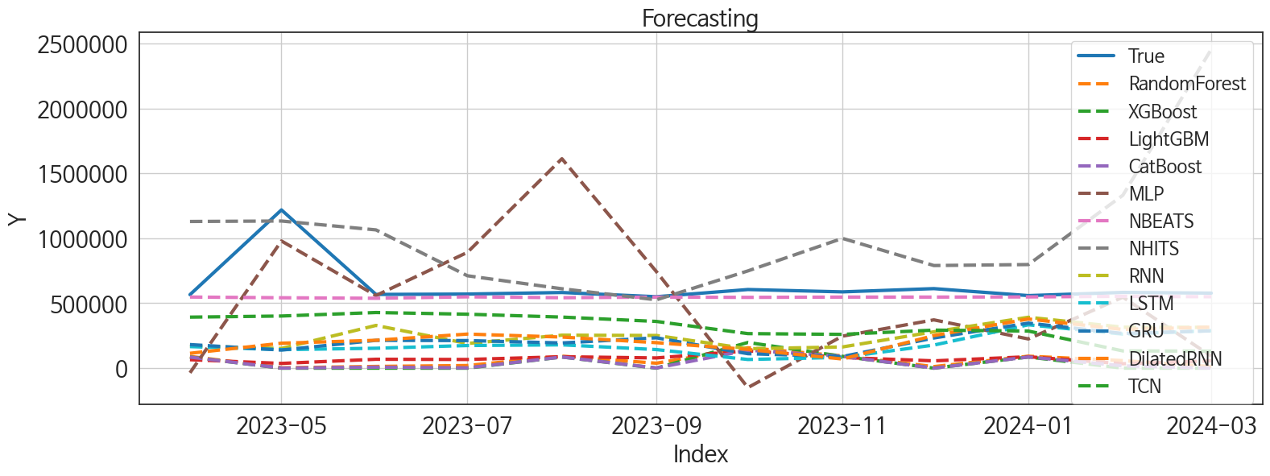
 | MSE | RMSE | MSPE | MAE | MAPE | MedAE | MedAPE
NBEATS | 39330184608 | 198318.39201 | 0.029118349388 | 85233.151042 | 0.095379679226 | 29818.9375 | 0.051834334878
TCN | 1.3448445596E+11 | 366721.22377 | 0.2694160789 | 318321.14518 | 0.48654877846 | 296227.34375 | 0.50523368871
NHITS | 4.1286130761E+11 | 642542.84496 | 1.2375559051 | 411375.93229 | 0.70588160352 | 208329.03125 | 0.35899379694
RNN | 1.9665138896E+11 | 443453.93105 | 0.36508007157 | 384873.67578 | 0.58339361085 | 330470.26562 | 0.55354620435
MLP | 2.260905092E+11 | 475489.7572 | 0.65436372057 | 382154.85547 | 0.63990554648 | 327445.09375 | 0.57171271659
DilatedRNN | 2.093463627E+11 | 457543.83691 | 0.41975457095 | 408501.66536 | 0.62761162885 | 353343.70312 | 0.60618487064
GRU | 2.2345156435E+11 | 472706.63667 | 0.43867513451 | 422483.64258 | 0.64719008934 | 369072.95312 | 0.62534983601
LSTM | 2.4538440952E+11 | 495362.90689 | 0.50583350857 | 450738.05013 | 0.6965507241 | 404892.55469 | 0.70829283952
LightGBM | 3.4990403053E+11 | 591526.86374 | 0.77643492028 | 560461.40901 | 0.87989964277 | 502215.85138 | 0.8812437871
RandomForest | 3.6946047795E+11 | 607832.60685 | 0.82021667942 | 574698.74538 | 0.90227124377 | 518447.42048 | 0.91558542152
CatBoost | 3.8439391121E+11 | 619995.08967 | 0.86428804433 | 588504.813 | 0.92608344628 | 554188.91382 | 0.97788562004
XGBoost | 3.8295401758E+11 | 618832.78644 | 0.86088068631 | 586028.41712 | 0.92215014604 | 558764.85595 | 0.99999972154

Forecasting_전체
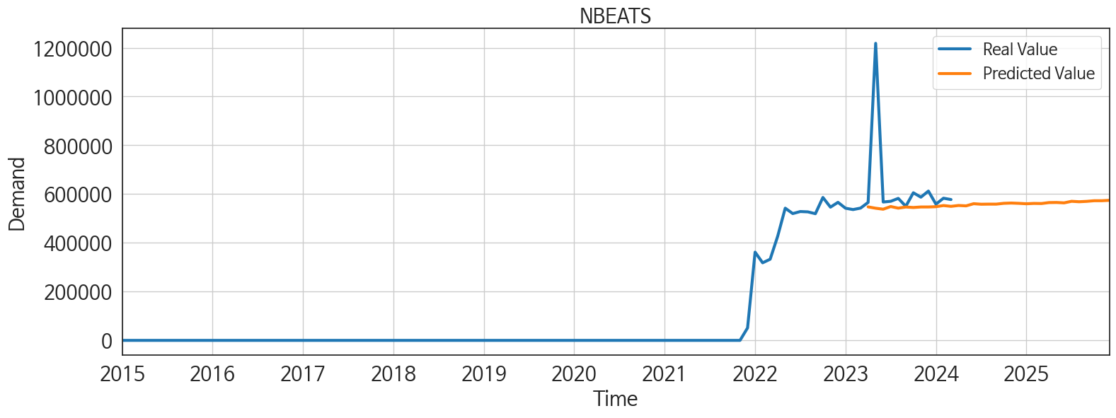
ds | unique_id | y | NBEATS | NHITS | RNN | LightGBM | RandomForest | CatBoost | XGBoost | TCN | GRU | LSTM | DilatedRNN | MLP
2023-04-01 | 1 | 565822 | 547445.75 | 1129182.375 | 170386.29688 | 65078.186782 | 90662.354518 | 85185.689668 | 85453.601562 | 392815.25 | 181518.03125 | 165896.79688 | 114397.1875 | -35874.125
2023-05-01 | 1 | 1218256 | 541959.25 | 1132715.75 | 151681.10938 | 36513.676443 | 2711.005 | 586.78238608 | 0.011490966193 | 401392.5625 | 139364.67188 | 142403.98438 | 191868.53125 | 979120.6875
2023-06-01 | 1 | 567550 | 538011.375 | 1064372.125 | 328946.3125 | 68417.878947 | 13208.489888 | 7864.2149318 | 0.28781417012 | 428268.65625 | 213992.95312 | 153268.54688 | 214657.51562 | 558989.25
2023-07-01 | 1 | 570404 | 548922.8125 | 711237.875 | 189758.42188 | 66716.110452 | 20232.534685 | 2180.7172236 | 0.028407057747 | 415250.40625 | 212334.85938 | 174081.03125 | 262296.125 | 891477.5
2023-08-01 | 1 | 582320 | 542314.125 | 611255.3125 | 253784.40625 | 87921.543699 | 91950.87008 | 85836.101138 | 85986.789062 | 393220.15625 | 193882.92188 | 179489.35938 | 239369.65625 | 1612263.5
2023-09-01 | 1 | 549980 | 546989 | 525955.1875 | 251605.53125 | 78703.720513 | 38097.4 | 1287.9574324 | 0.00028569847927 | 359592.4375 | 233588.125 | 143025.53125 | 196185.07812 | 742969.875
2023-10-01 | 1 | 605377 | 544951.25 | 748621.3125 | 149511.8125 | 133090.18327 | 157078.20465 | 138365.21482 | 197665.14062 | 265908.03125 | 111150.53906 | 66688.78125 | 144381.95312 | -149800.54688
2023-11-01 | 1 | 587287 | 547077.875 | 999225.6875 | 163103.03125 | 82307.535685 | 94211.212529 | 91122.823847 | 91068.34375 | 260111.15625 | 89384.078125 | 83018.226562 | 70468.890625 | 246344.84375
2023-12-01 | 1 | 612267 | 547111.0625 | 790041.9375 | 279862.0625 | 56174.336045 | 11982.6775 | 234.85916509 | 0.0013400880853 | 292838.875 | 232190.23438 | 177691.04688 | 250669.73438 | 371754.65625
2024-01-01 | 1 | 558618 | 548290.5 | 797501.125 | 391798.15625 | 87921.543699 | 91950.87008 | 85836.101138 | 85986.789062 | 285591.4375 | 346782.71875 | 333826.03125 | 378483.59375 | 224801.3125
2024-02-01 | 1 | 583061 | 552961.75 | 1331294.625 | 315232.8125 | 33946.04031 | 58048.759048 | 17708.923026 | -0.00013057109027 | 132715.28125 | 267081.75 | 262109.1875 | 297902.28125 | 546343.625
2024-03-01 | 1 | 577560 | 549669.4375 | 2454479.75 | 314347.9375 | 56174.336045 | 11982.6775 | 234.85916509 | 0.0013400880853 | 130944.00781 | 287427.40625 | 288146.875 | 315801.46875 | 92266.90625
2024-04-01 | 1 | 0 | 553265.4375 | 3347654 | 343443 | 82547.21268 | 88683.607259 | 85737.055306 | 86673.984375 | 137926.57812 | 323463.15625 | 295992.21875 | 324701.1875 | 1113132.5
2024-05-01 | 1 | 0 | 551639.8125 | 4255259 | 477685.125 | 110170.09528 | 184171.15412 | 165013.72064 | 167084.5 | 142486.125 | 403091.78125 | 394831.71875 | 465571.40625 | 794219
2024-06-01 | 1 | 0 | 560512 | 5013293 | 451090.125 | 54536.412375 | 8556.1820404 | -827.5552635 | -0.014073398896 | 8490.6289062 | 364746.71875 | 324558.0625 | 408824 | 2118338.75
2024-07-01 | 1 | 0 | 558366.25 | 5075704.5 | 384157.21875 | 87681.866704 | 16179.184899 | 2599.7917247 | 0.02744493261 | 30770.384766 | 314171.4375 | 268245.34375 | 316677.84375 | 1097836.25
2024-08-01 | 1 | 0 | 558767.875 | 5458879 | 459608.8125 | 56174.336045 | 64385.549433 | 70768.219187 | 70770.867188 | 20875.208984 | 403032.15625 | 357140.84375 | 371502.1875 | 1491542.625
2024-09-01 | 1 | 0 | 558735.75 | 6004105 | 464409.75 | 107602.45914 | 142725.335 | 171882.91334 | 173169.98438 | 17957.552734 | 404283.96875 | 351356.375 | 405104.65625 | 1901505.125
2024-10-01 | 1 | 0 | 562099.25 | 6099275.5 | 501334.71875 | 92304.470417 | 13987.591937 | 1186.0488431 | 0.010157287121 | 11014.654297 | 451359.625 | 448940.21875 | 370235.75 | 2415395.5
2024-11-01 | 1 | 0 | 563202.5 | 6706273.5 | 543496.75 | 65078.186782 | 90662.354518 | 85185.689668 | 85453.601562 | 20496.359375 | 370495.34375 | 406321.96875 | 380746.09375 | 2561150.5
2024-12-01 | 1 | 0 | 562012.3125 | 7084318 | 665000.9375 | 36816.178342 | 79744.965304 | 74219.446224 | 74205.875 | 101196.01562 | 477881 | 505323.125 | 486313.46875 | 1144880.625
2025-01-01 | 1 | 0 | 560284.625 | 7524073 | 709355.5 | 110170.09528 | 130642.98857 | 136184.24345 | 135495.01562 | 273410.75 | 475555.5 | 423015.03125 | 483182.5625 | 1895810
2025-02-01 | 1 | 0 | 561698.8125 | 8443398 | 760170.75 | 119283.56731 | 273880.15033 | 268176.82086 | 268236.96875 | 380395.875 | 609706 | 462557.6875 | 536127.125 | 3565569
2025-03-01 | 1 | 0 | 561246.625 | 8635587 | 849765.875 | 145834.51281 | 180154.01133 | 194848.81075 | 195355.32812 | 404470.65625 | 697501 | 596334.5 | 656075.75 | 3389794
2025-04-01 | 1 | 0 | 565118.5625 | 9366505 | 761426.0625 | 82307.535685 | 94211.212529 | 91122.823847 | 91068.34375 | 404480.34375 | 577151.375 | 423451.9375 | 618304.4375 | 3054565.75
2025-05-01 | 1 | 0 | 565561.5625 | 10093436 | 835115 | 80594.152755 | 48092.623 | 4825.3603028 | 0.10459820181 | 388738.59375 | 708298.375 | 450598.375 | 631099.9375 | 3259032
2025-06-01 | 1 | 0 | 563952.5625 | 10227894 | 824913.375 | 68417.878947 | 13208.489888 | 7864.2149318 | 0.28781417012 | 615594.625 | 602093.875 | 470890.6875 | 579043.75 | 2625258.75
2025-07-01 | 1 | 0 | 570359.5625 | 10115132 | 856278.9375 | 87681.866704 | 16179.184899 | 2599.7917247 | 0.02744493261 | 495402.4375 | 702759.5 | 337704.6875 | 496079.40625 | 3414100
2025-08-01 | 1 | 0 | 568557.75 | 9806752 | 1021391 | 56174.336045 | 11982.6775 | 234.85916509 | 0.0013400880853 | 776217.9375 | 729837.0625 | 531735.625 | 677482.625 | 3908617.5
2025-09-01 | 1 | 0 | 570113.625 | 9344086 | 940845.875 | 82307.535685 | 94211.212529 | 91122.823847 | 91068.34375 | 625771.4375 | 701060.5 | 356527.53125 | 615196.125 | 3799791.5
2025-10-01 | 1 | 0 | 572738.6875 | 9605581 | 1056267 | 110170.09528 | 130642.98857 | 136184.24345 | 135495.01562 | 642988.0625 | 673311.375 | 319822.03125 | 477179.0625 | 4113318.5
2025-11-01 | 1 | 0 | 572729.4375 | 10156074 | 1105979 | 65078.186782 | 90662.354518 | 85185.689668 | 85453.601562 | 852262.125 | 839282.0625 | 416279.1875 | 442372.53125 | 5778914
2025-12-01 | 1 | 0 | 574375.3125 | 10255814 | 979904.4375 | 87921.543699 | 91950.87008 | 85836.101138 | 85986.789062 | 745566.3125 | 1080330.25 | 344110.875 | 540443.75 | 3790404.5

Performance_주말
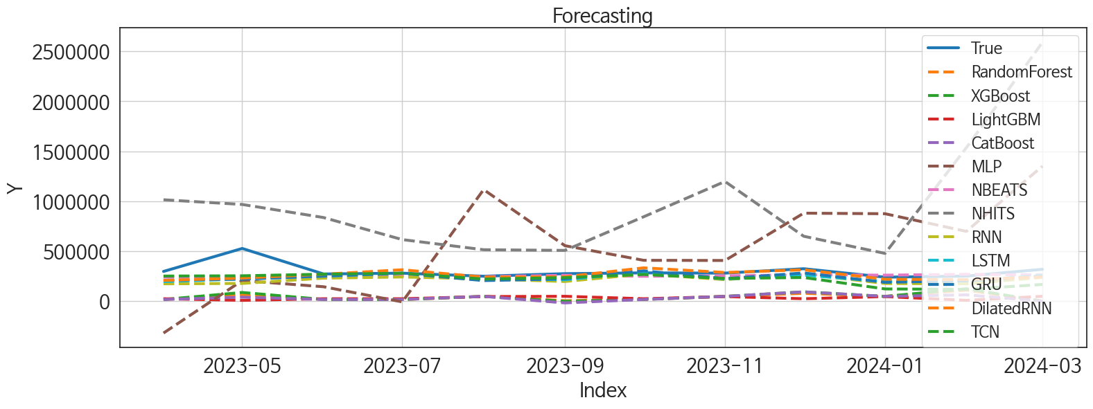
 | MSE | RMSE | MSPE | MAE | MAPE | MedAE | MedAPE
NBEATS | 8055513477.5 | 89752.512375 | 0.037976447367 | 52821.335938 | 0.14491947962 | 28094.414062 | 0.10160079388
DilatedRNN | 9024759254.9 | 94998.732912 | 0.046076730678 | 55242.766927 | 0.15356727745 | 32731.539062 | 0.11772826634
GRU | 10154655697 | 100770.31159 | 0.057245025854 | 66554.967448 | 0.19496849794 | 49062.351562 | 0.18664668816
LSTM | 10348791909 | 101729.01213 | 0.059202724761 | 66731.029948 | 0.19406254115 | 53914.484375 | 0.19341111157
TCN | 12062916970 | 109831.31143 | 0.098727298208 | 79220.799479 | 0.24612835365 | 50084.859375 | 0.17358376057
RNN | 14295810228 | 119565.08783 | 0.088051819714 | 84140.932292 | 0.2515243155 | 64208.632812 | 0.24319520961
XGBoost | 71480291221 | 267357.98327 | 0.74756133175 | 257181.34608 | 0.85388551453 | 259115.28125 | 0.88531814927
RandomForest | 73936742174 | 271913.11512 | 0.76062534788 | 261038.62096 | 0.86401511294 | 258861.9078 | 0.90647710477
LightGBM | 78835481583 | 280776.56879 | 0.79164133423 | 268964.85626 | 0.88788412568 | 251705.83771 | 0.91055700444
CatBoost | 77487553245 | 278365.86221 | 0.79625428347 | 267569.03699 | 0.88659706667 | 259134.97441 | 0.92974090712
MLP | 2.8525739504E+11 | 534094.93074 | 3.5773251998 | 451952.57821 | 1.5767131627 | 384437.14062 | 1.3685579992
NHITS | 7.8260287455E+11 | 884648.44687 | 8.9482763881 | 679469.94792 | 2.3235299477 | 500897.84375 | 1.5894564455

Forecasting_주말
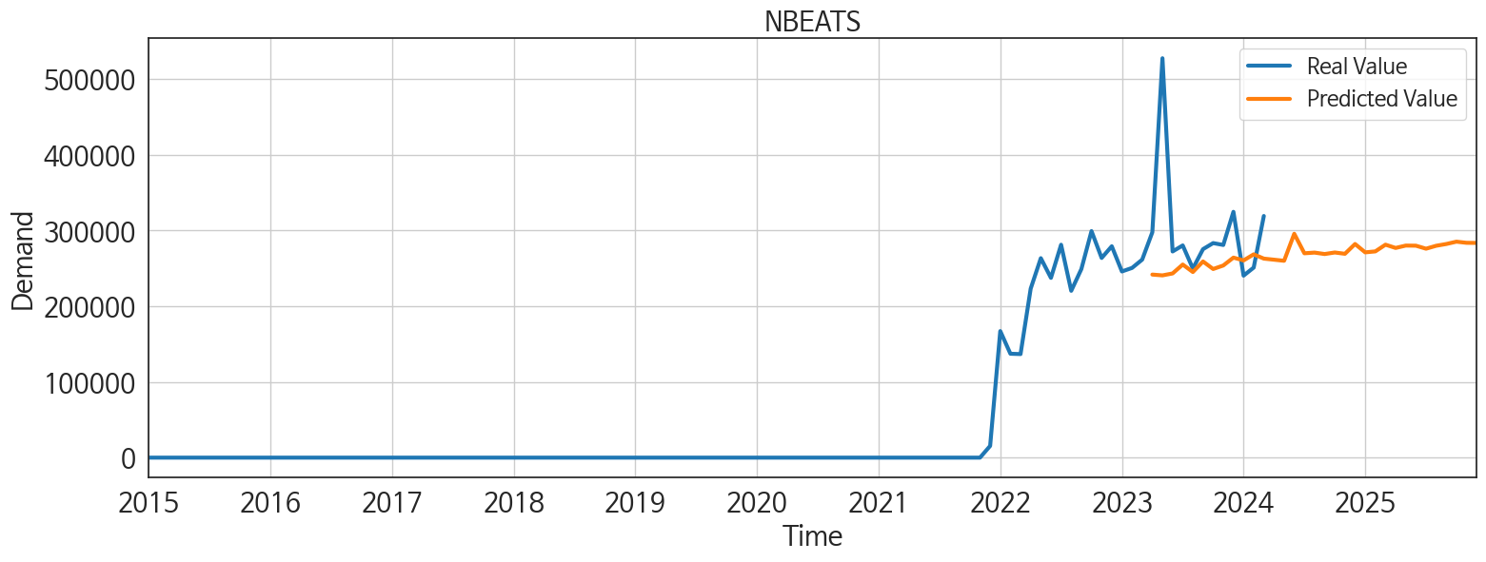
ds | unique_id | y | NBEATS | NHITS | RNN | LightGBM | RandomForest | CatBoost | XGBoost | TCN | GRU | LSTM | DilatedRNN | MLP
2023-04-01 | 1 | 297771 | 241886.85938 | 1015136.9375 | 173992.96875 | 24719.162286 | 16457.711188 | 17166.105175 | 17175.771484 | 251380.89062 | 209933.01562 | 195590.375 | 208016.54688 | -318849.21875
2023-05-01 | 1 | 527740 | 240830.92188 | 968135.625 | 177803.14062 | 8299.3222324 | 62550.149333 | 40425.728306 | 87255.492188 | 254176.3125 | 221121.96875 | 222582.125 | 231448.51562 | 206465.46875
2023-06-01 | 1 | 272448 | 243385.20312 | 837153.8125 | 230627.3125 | 24719.162286 | 18668.473208 | 17413.945996 | 17443.666016 | 270283.875 | 251310.53125 | 250044.10938 | 269609.96875 | 144569.5
2023-07-01 | 1 | 280402 | 255144.29688 | 616484.8125 | 242390.09375 | 24719.162286 | 16457.711188 | 17166.105175 | 17175.771484 | 279433.21875 | 279671.0625 | 279740.4375 | 314594.5 | -7140.8759766
2023-08-01 | 1 | 249895 | 245267.82812 | 514998.28125 | 223188.5 | 46137.364546 | 48045.3216 | 47943.194896 | 47946.574219 | 221822.45312 | 206160.32812 | 227446.45312 | 241339.60938 | 1116563.5
2023-09-01 | 1 | 275474 | 259205.78125 | 508288.1875 | 197081.21875 | 48918.087661 | 4351.7401786 | -17204.291083 | -867.38336182 | 235602.21875 | 223690.25 | 214314.125 | 244203.42188 | 555542.125
2023-10-01 | 1 | 283487 | 249237.625 | 844887.0625 | 272284.375 | 24719.162286 | 18668.473208 | 17413.945996 | 17443.666016 | 267727.03125 | 304028.8125 | 291524.6875 | 333783.3125 | 409125.28125
2023-11-01 | 1 | 281015 | 253888.96875 | 1198025 | 215711.03125 | 46137.364546 | 48045.3216 | 47943.194896 | 47946.574219 | 227235.39062 | 225224.84375 | 221636.40625 | 287337.78125 | 407445.90625
2023-12-01 | 1 | 324842 | 264304.25 | 650032 | 271458.03125 | 24719.162286 | 79119.71869 | 93240.061708 | 93781.648438 | 237169.15625 | 282984.28125 | 261214.70312 | 314161.53125 | 880857.625
2024-01-01 | 1 | 240495 | 260594.35938 | 478163.28125 | 177381.70312 | 46137.364546 | 48045.3216 | 47943.194896 | 47946.574219 | 122600.45312 | 188908.28125 | 195143.29688 | 219659.32812 | 875350.625
2024-02-01 | 1 | 251132 | 268629.65625 | 1536230.125 | 174200.10938 | 8299.3222324 | 111147.60667 | 63521.991987 | 124596.49219 | 118434.53125 | 204594.01562 | 202681.625 | 215790.57812 | 698731.75
2024-03-01 | 1 | 319320 | 262983.25 | 2590125.25 | 238211.32812 | 48918.087661 | 0 | 219.3781136 | -0.000110365203 | 167505.875 | 248817.625 | 257405.67188 | 242785.89062 | 1352158
2024-04-01 | 1 | 0 | 261533.51562 | 2852692.5 | 207782.09375 | 46137.364546 | 48045.3216 | 47943.194896 | 47946.574219 | 125897.91406 | 223568.53125 | 210687.6875 | 218412.40625 | 838068.1875
2024-05-01 | 1 | 0 | 260116.125 | 3185649 | 157456.70312 | 48918.087661 | 6131.8415833 | 4120.2703709 | 3869.2529297 | 66696.757812 | 150646.35938 | 163687.78125 | 185474.39062 | -554021.875
2024-06-01 | 1 | 0 | 295795.96875 | 4151564 | 134416.67188 | 24719.162286 | 16457.711188 | 17166.105175 | 17175.771484 | 22333.835938 | 146857.71875 | 153709 | 190590.89062 | -3573218
2024-07-01 | 1 | 0 | 270018.3125 | 4325255 | 154907.35938 | 46137.364546 | 48045.3216 | 47943.194896 | 47946.574219 | 36144.574219 | 174164.53125 | 147256.03125 | 175580.96875 | 2704115.5
2024-08-01 | 1 | 0 | 270940.875 | 4475974.5 | 198055.3125 | 24719.162286 | 16457.711188 | 17166.105175 | 17175.771484 | 63137.261719 | 198542.85938 | 217277 | 224252.5 | 2123099.75
2024-09-01 | 1 | 0 | 269025.375 | 4647022 | 181266.78125 | 24719.162286 | 18668.473208 | 17413.945996 | 17443.666016 | 31869.21875 | 128435.04688 | 169193.57812 | 220024.14062 | -1936143.75
2024-10-01 | 1 | 0 | 271081.125 | 4205328.5 | 175762.65625 | 46137.364546 | 48045.3216 | 47943.194896 | 47946.574219 | 45074.128906 | 137902.125 | 201299.95312 | 178485.51562 | 3753393
2024-11-01 | 1 | 0 | 269341 | 4096690.25 | 177392.375 | 24719.162286 | 16457.711188 | 17166.105175 | 17175.771484 | 34069.800781 | 161969.34375 | 188201.4375 | 251248.54688 | 6821686.5
2024-12-01 | 1 | 0 | 282276.09375 | 4472539 | 226590.71875 | 24719.162286 | 18668.473208 | 17413.945996 | 17443.666016 | 25953.095703 | 221360.46875 | 205066.35938 | 248094.10938 | 3234263.75
2025-01-01 | 1 | 0 | 271262.84375 | 4857963.5 | 247740.25 | 24719.162286 | 18668.473208 | 17413.945996 | 17443.666016 | 107500.92188 | 256316.60938 | 214776.76562 | 290525.78125 | 10900896
2025-02-01 | 1 | 0 | 272525.59375 | 5393887.5 | 303060.1875 | 46137.364546 | 48045.3216 | 47943.194896 | 47946.574219 | 97659.726562 | 288559.25 | 280562.28125 | 328989.6875 | 5421012
2025-03-01 | 1 | 0 | 281394.75 | 6043858 | 330413.21875 | 48918.087661 | 88709.416664 | 93097.209004 | 93232.367188 | 126326.84375 | 304600.21875 | 296441.875 | 334479.25 | 5539129.5
2025-04-01 | 1 | 0 | 277069.71875 | 6772822.5 | 334467.1875 | 46137.364546 | 48045.3216 | 47943.194896 | 47946.574219 | 119790.59375 | 276994.6875 | 297592.0625 | 348075.5 | 11108924
2025-05-01 | 1 | 0 | 280205.03125 | 7495145.5 | 387418.40625 | 24719.162286 | 16457.711188 | 17166.105175 | 17175.771484 | 156480.17188 | 335763.75 | 330297.5625 | 370627.78125 | 5292199
2025-06-01 | 1 | 0 | 280058.90625 | 7859375.5 | 422280.09375 | 48918.087661 | 6131.8415833 | 4120.2703709 | 3869.2529297 | 226920.25 | 349259.375 | 326552.84375 | 454841.4375 | 9621298
2025-07-01 | 1 | 0 | 276079.65625 | 7685466.5 | 451453.46875 | 46137.364546 | 48045.3216 | 47943.194896 | 47946.574219 | 214036.3125 | 373021.0625 | 317005.71875 | 443614.4375 | 8430670
2025-08-01 | 1 | 0 | 279958.46875 | 7377444 | 462756.21875 | 48918.087661 | 0 | 219.3781136 | -0.000110365203 | 288801.1875 | 416809.21875 | 365362.875 | 516797.34375 | 8504840
2025-09-01 | 1 | 0 | 282300.21875 | 7123875 | 492431.8125 | 46137.364546 | 48045.3216 | 47943.194896 | 47946.574219 | 406891.9375 | 445309.25 | 375247.21875 | 546070.9375 | 8656122
2025-10-01 | 1 | 0 | 285367.8125 | 7194305.5 | 440206 | 48918.087661 | 34469.098143 | 23559.654068 | 13.334630966 | 367891.40625 | 424203.375 | 375948.96875 | 576882.125 | 8740992
2025-11-01 | 1 | 0 | 283862.28125 | 7707800 | 582835.375 | 24719.162286 | 16457.711188 | 17166.105175 | 17175.771484 | 466013.125 | 500465.96875 | 436817.78125 | 680641.1875 | 7981771
2025-12-01 | 1 | 0 | 283708.90625 | 8035021 | 612447.8125 | 46137.364546 | 48045.3216 | 47943.194896 | 47946.574219 | 431628.15625 | 526676.3125 | 445845.125 | 684087.125 | 7774236.5

Performance_주중
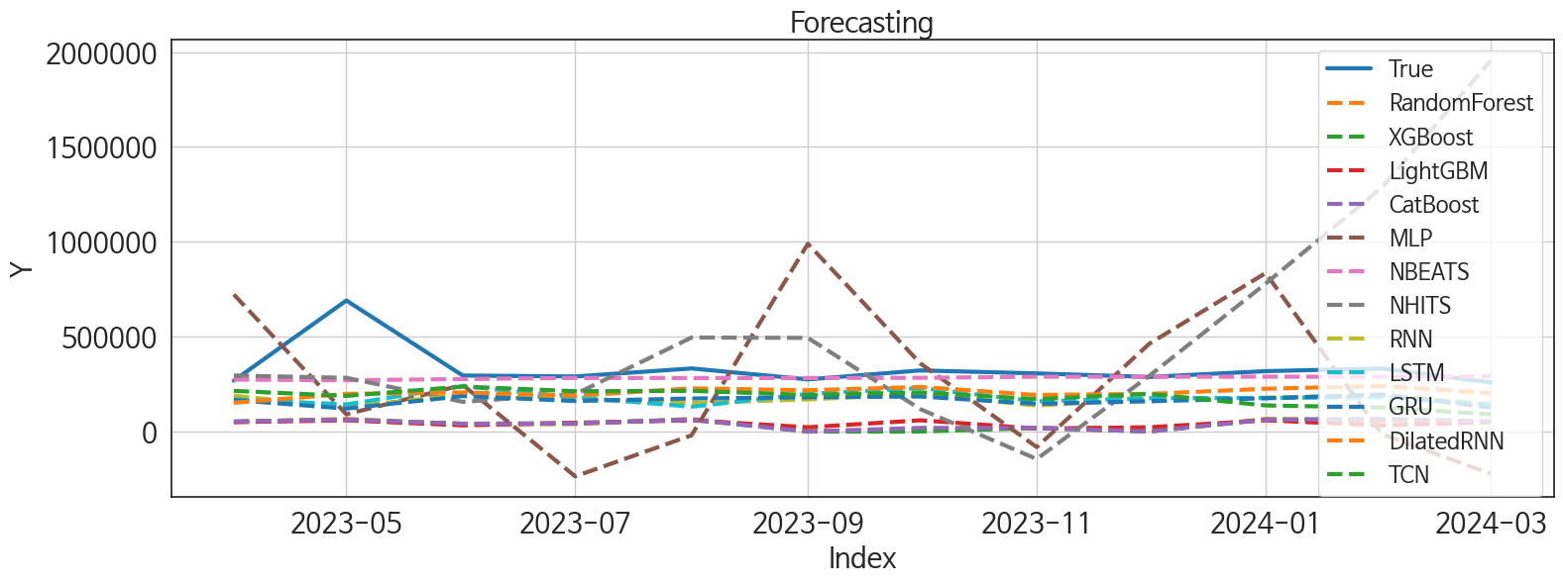
 | MSE | RMSE | MSPE | MAE | MAPE | MedAE | MedAPE
NBEATS | 15459628606 | 124336.75485 | 0.038203483312 | 55987.838542 | 0.1186854009 | 23833.890625 | 0.077202661797
DilatedRNN | 28107448340 | 167652.76121 | 0.13093572594 | 124388.91667 | 0.33854458646 | 92221.429688 | 0.30570781471
TCN | 35707384350 | 188963.97633 | 0.20369642089 | 148892.18164 | 0.41632483152 | 116940.46094 | 0.35747827173
LSTM | 39191733941 | 197969.02268 | 0.20513978209 | 154216.875 | 0.42684517664 | 114022.84375 | 0.41655751505
RNN | 41606415948 | 203976.50833 | 0.2220019847 | 162604.8418 | 0.45314236654 | 120510.95312 | 0.41613445463
GRU | 42904017123 | 207132.84897 | 0.23249243316 | 166586.84115 | 0.46708099343 | 134213.29297 | 0.44559915473
CatBoost | 95821187145 | 309549.9752 | 0.77410637986 | 291184.85048 | 0.8766523832 | 268353.06477 | 0.85665000103
LightGBM | 94863155280 | 307998.6287 | 0.75656726424 | 289135.96383 | 0.86836654395 | 262880.05848 | 0.86544190662
XGBoost | 96819238747 | 311157.90002 | 0.78374954713 | 292782.59967 | 0.88161862137 | 268315.42383 | 0.85670287463
RandomForest | 96472560559 | 310600.32286 | 0.78359936334 | 292712.44487 | 0.88207009838 | 269039.10785 | 0.8689364635
NHITS | 3.7627562068E+11 | 613413.09138 | 4.8042188961 | 401751.04753 | 1.3158550519 | 211556.41797 | 0.61235148307
MLP | 1.902121302E+11 | 436133.1565 | 2.0040430662 | 386827.27905 | 1.2277940933 | 421219.27344 | 1.164182598

Forecasting_주중
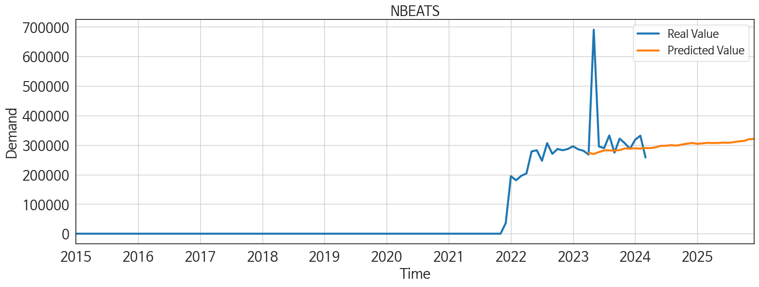
ds | unique_id | y | NBEATS | NHITS | RNN | LightGBM | RandomForest | CatBoost | XGBoost | TCN | GRU | LSTM | DilatedRNN | MLP
2023-04-01 | 1 | 268051 | 273565.71875 | 295020.4375 | 187956.20312 | 48889.564602 | 50912.50269 | 52629.399659 | 52628.421875 | 214124.26562 | 166056.26562 | 168875.75 | 151319.79688 | 722153.8125
2023-05-01 | 1 | 690516 | 269914.75 | 282867.3125 | 129751.80469 | 58967.531952 | 66171.726299 | 62818.239949 | 62824.492188 | 187591.32812 | 120785.71094 | 143017.53125 | 198116.42188 | 90460.921875
2023-06-01 | 1 | 295102 | 276487.75 | 156445.29688 | 193524.60938 | 32264.351079 | 37222.608978 | 40997.844942 | 40960.566406 | 236829.51562 | 186642.4375 | 238833.32812 | 206270 | 245356.01562
2023-07-01 | 1 | 290002 | 282261.625 | 196930.57812 | 172471.09375 | 46337.478992 | 39438.05353 | 42854.259177 | 42860.226562 | 212386.15625 | 160847.54688 | 181172.04688 | 188405.14062 | -236481.28125
2023-08-01 | 1 | 332425 | 281937.78125 | 495389.875 | 149942.39062 | 58967.531952 | 66171.726299 | 62818.239949 | 62824.492188 | 214299.42188 | 174056.89062 | 130534.875 | 227438.28125 | -20085.527344
2023-09-01 | 1 | 274506 | 281716.875 | 493428.15625 | 169026.1875 | 22377.328249 | 2681.058 | 16.089897021 | 0.00055796705419 | 192671.45312 | 180438.15625 | 198095.3125 | 217394.09375 | 989423.25
2023-10-01 | 1 | 321890 | 282932.875 | 117699.32031 | 198399 | 58967.531952 | 8508.777709 | 19147.03766 | -77.795928955 | 206134.65625 | 184507.125 | 228977.23438 | 234494.75 | 358507.34375
2023-11-01 | 1 | 306272 | 288702.25 | -144936.57812 | 136384.35938 | 15579.339414 | 18585.938962 | 18716.158429 | 18717.826172 | 170756.54688 | 146102.45312 | 159106.25 | 192494.26562 | -82063.734375
2023-12-01 | 1 | 287425 | 288293.71875 | 293251.84375 | 173123.09375 | 22377.328249 | 0 | -11.745587488 | -0.00027858623071 | 198230.39062 | 159279.09375 | 175569.71875 | 198209.92188 | 462565.6875
2024-01-01 | 1 | 318123 | 289069.46875 | 779296.1875 | 177999.8125 | 58967.531952 | 66171.726299 | 62818.239949 | 62824.492188 | 137336.95312 | 174980.8125 | 176891.76562 | 225322.25 | 834879.0625
2024-02-01 | 1 | 331929 | 288357 | 1285786.625 | 190197.73438 | 32264.351079 | 55155.040119 | 64829.630504 | 64898.660156 | 126833.38281 | 195137.20312 | 180755.09375 | 240286.89062 | -13870.915039
2024-03-01 | 1 | 258240 | 289904.25 | 1954762.375 | 144446.60938 | 48889.564602 | 50912.50269 | 52629.399659 | 52628.421875 | 90580.75 | 126605.21094 | 142049.59375 | 202062.1875 | -223222.67188
2024-04-01 | 1 | 0 | 289813.71875 | 1968178.375 | 116068.80469 | 58967.531952 | 82411.117829 | 76526.415421 | 76547.804688 | 83426.835938 | 109522.57812 | 93325.078125 | 163851.85938 | -92685.148438
2024-05-01 | 1 | 0 | 292790.375 | 2086367.625 | 183500.04688 | 58967.531952 | 6924.1287347 | 18602.221526 | 338.19668579 | 49484.753906 | 152087.21875 | 124327.1875 | 186466.875 | -215129.8125
2024-06-01 | 1 | 0 | 297582.28125 | 2792509 | 91510.640625 | 22377.328249 | 0 | -11.745587488 | -0.00027858623071 | 34481.1875 | 84518.945312 | 123221.61719 | 144144.46875 | 1586618.75
2024-07-01 | 1 | 0 | 297696.375 | 3409687.5 | 122824.46875 | 15579.339414 | 1729.4967857 | 80.483000025 | 2.7685413784E-07 | 2604.0102539 | 111179.92188 | 117297.83594 | 128947.23438 | 1771911
2024-08-01 | 1 | 0 | 299861.625 | 3574569.75 | 197750.46875 | 32264.351079 | 37222.608978 | 40997.844942 | 40960.566406 | 23552.652344 | 177847.78125 | 175800.125 | 202979.6875 | -1415519.25
2024-09-01 | 1 | 0 | 298261.8125 | 3687257.25 | 195547.67188 | 32264.351079 | 1356.9075 | -1609.5701522 | -1135.3666992 | 30753.732422 | 189805.5 | 224784.84375 | 173481.40625 | -296079.28125
2024-10-01 | 1 | 0 | 301662.5625 | 3519774.75 | 174939.34375 | 58967.531952 | 766.515 | 1.5581963833 | 2.6428586352E-05 | 18917.257812 | 162895.6875 | 176537.39062 | 208320.6875 | 2488484
2024-11-01 | 1 | 0 | 304752.65625 | 3164087.25 | 171386.73438 | 48889.564602 | 50912.50269 | 52629.399659 | 52628.421875 | 18049.976562 | 177676.375 | 189824.70312 | 192589.10938 | 3656752.5
2024-12-01 | 1 | 0 | 307189.4375 | 3045238 | 270055.6875 | 58967.531952 | 82411.117829 | 76526.415421 | 76547.804688 | 83318.0625 | 283406.8125 | 295409.65625 | 319418.03125 | 1265230.125
2025-01-01 | 1 | 0 | 304304.5 | 2973370.5 | 294889.3125 | 58967.531952 | 7892.24 | 27.971150074 | -1.0340332665E-05 | 93264.695312 | 300688.59375 | 313419.96875 | 320864.90625 | 2879869
2025-02-01 | 1 | 0 | 305909.96875 | 3510424.5 | 309932.40625 | 48889.564602 | 50912.50269 | 52629.399659 | 52628.421875 | 107952.85938 | 305503.09375 | 310597.1875 | 310964.84375 | 5076579.5
2025-03-01 | 1 | 0 | 307575.90625 | 4009519.75 | 301802.78125 | 32264.351079 | 37222.608978 | 40997.844942 | 40960.566406 | 48690.148438 | 249381.42188 | 243288.09375 | 218265.625 | 4081335.25
2025-04-01 | 1 | 0 | 306960.875 | 4145431 | 272515.09375 | 15579.339414 | 18585.938962 | 18716.158429 | 18717.826172 | 58244.335938 | 259439.29688 | 225880.42188 | 243310.71875 | 4670972
2025-05-01 | 1 | 0 | 307245.15625 | 4147287.5 | 333450.34375 | 32264.351079 | 2684.0552222 | 5817.5414294 | -516.55090332 | 61992.90625 | 260591.34375 | 246168.76562 | 313439.625 | 4069617.5
2025-06-01 | 1 | 0 | 308418.40625 | 4321847 | 298918.59375 | 46337.478992 | 39438.05353 | 42854.259177 | 42860.226562 | 58612.507812 | 206594.625 | 203714.54688 | 228822.34375 | 4292828
2025-07-01 | 1 | 0 | 307738.0625 | 4577316.5 | 291149.625 | 15579.339414 | 1729.4967857 | 80.483000025 | 2.7685413784E-07 | 149327.8125 | 191540.54688 | 201504.125 | 274008 | 5105306
2025-08-01 | 1 | 0 | 309752.8125 | 4159848.5 | 314788.625 | 48889.564602 | 50912.50269 | 52629.399659 | 52628.421875 | 161343.6875 | 199000.42188 | 222066.76562 | 309195.46875 | 4471696
2025-09-01 | 1 | 0 | 312617.8125 | 3343026.75 | 347608.40625 | 15579.339414 | 18585.938962 | 18716.158429 | 18717.826172 | 304611.75 | 237036.60938 | 225716.25 | 280451 | 5027309.5
2025-10-01 | 1 | 0 | 314122.03125 | 3335825.75 | 303361.4375 | 58967.531952 | 12208.7375 | 13754.159855 | -1.0340332665E-05 | 216896.71875 | 192065.79688 | 185496.21875 | 223794.39062 | 4666638.5
2025-11-01 | 1 | 0 | 319834.9375 | 3938275.5 | 402667.625 | 48889.564602 | 50912.50269 | 52629.399659 | 52628.421875 | 222982.39062 | 227715.1875 | 224151.46875 | 224700.65625 | 5533372
2025-12-01 | 1 | 0 | 321097.375 | 4241141 | 382968.9375 | 58967.531952 | 66171.726299 | 62818.239949 | 62824.492188 | 210101.29688 | 270191.34375 | 293552.78125 | 289511.71875 | 5135207

