Performance_전체
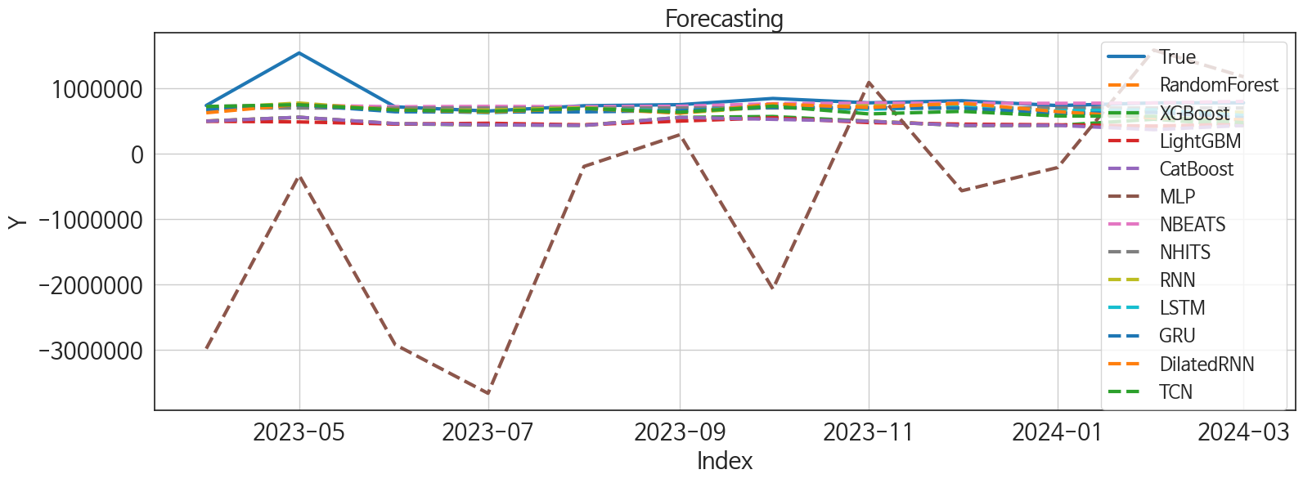
 | MSE | RMSE | MSPE | MAE | MAPE | MedAE | MedAPE
NBEATS | 54236011274 | 232886.26253 | 0.02482377155 | 91871.479167 | 0.077317052638 | 23287.03125 | 0.03067446102
NHITS | 63930026931 | 252843.87857 | 0.033137241026 | 129853.09896 | 0.1232495631 | 64300.40625 | 0.085899315137
RNN | 56516848545 | 237732.72502 | 0.033754704801 | 138062.93229 | 0.13846654064 | 84774.28125 | 0.11063777996
LSTM | 60526160283 | 246020.65011 | 0.036798320657 | 147370.51562 | 0.14963258934 | 95803.03125 | 0.12357187561
DilatedRNN | 65953810341 | 256814.73934 | 0.046548577777 | 158418.36198 | 0.16467076806 | 89675.6875 | 0.11485350975
GRU | 65222437501 | 255386.83893 | 0.043638398705 | 162852.54688 | 0.16952567732 | 104375.875 | 0.13560252807
TCN | 72482573020 | 269225.87732 | 0.05631683289 | 177467.15365 | 0.18779946471 | 138645.375 | 0.178613588
XGBoost | 1.527676571E+11 | 390855.03336 | 0.16070996201 | 335107.16667 | 0.38955964681 | 278532.09375 | 0.36465619721
RandomForest | 1.5855801782E+11 | 398193.44272 | 0.16964748951 | 344631.39289 | 0.40148752701 | 295322.3848 | 0.38229269436
LightGBM | 1.7013448427E+11 | 412473.61645 | 0.17418785976 | 351140.1812 | 0.40605275172 | 295022.11533 | 0.39493541105
CatBoost | 1.6323257877E+11 | 404020.51776 | 0.17771794736 | 351377.48695 | 0.41022340666 | 301458.32145 | 0.39534909151
MLP | 5.1883860107E+12 | 2277802.8911 | 9.777266724 | 1804532.2018 | 2.3607096125 | 1160460.25 | 1.2810173312

Forecasting_전체
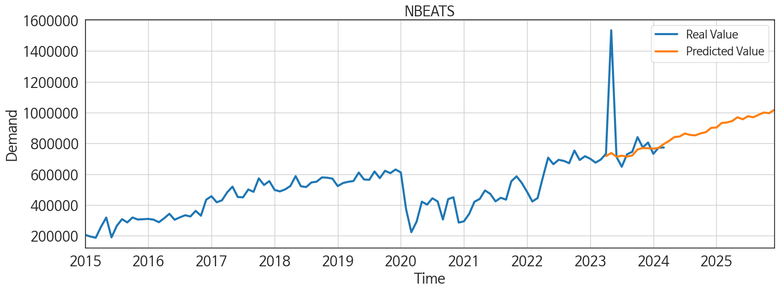
ds | unique_id | y | NBEATS | NHITS | RNN | LightGBM | RandomForest | CatBoost | XGBoost | TCN | GRU | LSTM | DilatedRNN | MLP
2023-04-01 | 1 | 733238 | 717939.5 | 694812.5 | 690114.5 | 491361.91426 | 496624.24858 | 493678.24459 | 493747.96875 | 718297 | 668702.375 | 665732.25 | 621631.625 | -2979729.25
2023-05-01 | 1 | 1534990 | 737984.625 | 694812.5625 | 770725.125 | 482262.54549 | 551996.47267 | 553959.75139 | 553531.125 | 744794.125 | 740907 | 747896 | 749421.5 | -333840.03125
2023-06-01 | 1 | 712496 | 714080.375 | 694813.125 | 658895.875 | 449044.79991 | 455312.80758 | 457114.50646 | 452017.28125 | 665492.125 | 637277.25 | 659665 | 669773.375 | -2917665.5
2023-07-01 | 1 | 648470 | 720170.75 | 694814.875 | 662935.5 | 462160.71703 | 441053.55804 | 437092.32533 | 437023.09375 | 644108 | 633503.1875 | 621795.0625 | 632227.1875 | -3661721.75
2023-08-01 | 1 | 729354 | 714426.8125 | 694816.3125 | 698410.625 | 437900.9863 | 434991.44416 | 429401.17855 | 429133.1875 | 688477.5 | 635805.25 | 679830.875 | 689417.125 | -197303.73438
2023-09-01 | 1 | 745932 | 721942.5625 | 694817.8125 | 619703.9375 | 494718.0291 | 540086.86867 | 551387.33289 | 551745.1875 | 630307.375 | 654273.0625 | 651747.625 | 615944.5625 | 287277.46875
2023-10-01 | 1 | 840753 | 760817.8125 | 694819.0625 | 710671.25 | 545172.78305 | 544470.78624 | 521737.70546 | 565132.125 | 722889.625 | 703867.5 | 721934.9375 | 754481 | -2068656.125
2023-11-01 | 1 | 773778 | 770357.0625 | 694820.75 | 728001.3125 | 471798.3713 | 494450.44193 | 491975.32602 | 492334.6875 | 604226.125 | 698846 | 674709.1875 | 703003.375 | 1085031.375
2023-12-01 | 1 | 805939 | 768675.75 | 694822.6875 | 723847.8125 | 449035.83203 | 430962.24989 | 428480.47572 | 427604.25 | 642961.8125 | 690736 | 708517.3125 | 767540.1875 | -569120.25
2024-01-01 | 1 | 732365 | 766095 | 694824.5625 | 644907.625 | 437900.9863 | 434991.44416 | 429401.17855 | 429133.1875 | 572937.625 | 611553.625 | 653638.75 | 639285.625 | -213496.25
2024-02-01 | 1 | 772313 | 771294.875 | 694826.375 | 636176.4375 | 419302.02876 | 411897.71355 | 364138.65586 | 523084.65625 | 568204 | 627024.75 | 667646.5625 | 543123.875 | 1579546.375
2024-03-01 | 1 | 773749 | 796333.625 | 694828.9375 | 631162.8125 | 449035.83203 | 430962.24989 | 428480.47572 | 427604.25 | 471075.84375 | 546650.4375 | 581817.25 | 516507.21875 | 1171856.25
2024-04-01 | 1 | 0 | 816603.6875 | 694831.5 | 628534.3125 | 406302.85622 | 388428.54576 | 387503.08201 | 387820.96875 | 308184.84375 | 515355.75 | 564149.375 | 470696.40625 | 6501866
2024-05-01 | 1 | 0 | 841476.3125 | 694834.1875 | 682959.125 | 545172.78305 | 576134.35821 | 542712.86189 | 576451.9375 | 495095 | 612044.375 | 683974 | 559793.625 | 2282280
2024-06-01 | 1 | 0 | 844972.1875 | 694836.6875 | 627633.5 | 471954.404 | 535512.10168 | 542759.1136 | 544047.6875 | 340858.75 | 490050.375 | 587011.0625 | 475494.46875 | 4089175
2024-07-01 | 1 | 0 | 864543.5 | 694833.625 | 605525.3125 | 478196.44445 | 529777.43101 | 560431.73438 | 563636.5 | 331760.6875 | 468660.96875 | 564057.75 | 336192.1875 | 3831117.25
2024-08-01 | 1 | 0 | 854875.1875 | 694830.375 | 642772.875 | 449035.83203 | 470436.39898 | 472195.77942 | 472471.90625 | 400820.6875 | 584011.4375 | 559969.5 | 533909.5625 | 2516883.5
2024-09-01 | 1 | 0 | 852564.0625 | 694827.1875 | 557093.3125 | 482212.26632 | 514930.99833 | 523691.39626 | 523996.625 | 359819.8125 | 448555.53125 | 496706.1875 | 419818.875 | 214989.9375
2024-10-01 | 1 | 0 | 865379.625 | 694823.9375 | 628287.5625 | 482262.54549 | 583478.49776 | 599070.56452 | 600816.75 | 329418.34375 | 511936.375 | 585632.375 | 446716.78125 | 2301185
2024-11-01 | 1 | 0 | 873475 | 694830.6875 | 570380.625 | 491361.91426 | 496624.24858 | 493678.24459 | 493747.96875 | 284969.4375 | 460917.03125 | 485006.28125 | 359045.5 | 1180173.75
2024-12-01 | 1 | 0 | 901319.5 | 694838.0625 | 588603.1875 | 474667.94054 | 471899.93397 | 462884.01156 | 463018.625 | 372261.0625 | 494691.46875 | 560674.75 | 380681.34375 | 2339120
2025-01-01 | 1 | 0 | 903129.3125 | 694845.375 | 551420.8125 | 545172.78305 | 587013.4074 | 585563.10769 | 585685.875 | 422447.90625 | 474557.4375 | 514195.375 | 492801.71875 | 3377554
2025-02-01 | 1 | 0 | 932767.75 | 694852.8125 | 400647.8125 | 477773.36075 | 545215.85819 | 546488.19768 | 546630.4375 | 240592.46875 | 330128.15625 | 354719.8125 | 277788.71875 | 1746100.375
2025-03-01 | 1 | 0 | 936219.6875 | 694853.6875 | 324206.9375 | 499591.02883 | 466470.9845 | 479260.31029 | 478272.25 | 209690.5625 | 287315.5625 | 213534.32812 | 241527.32812 | -1088956.75
2025-04-01 | 1 | 0 | 945596.1875 | 694853.3125 | 413511.15625 | 471798.3713 | 494450.44193 | 491975.32602 | 492334.6875 | 223397.01562 | 319943.5625 | 263338.90625 | 311487.375 | 2737051
2025-05-01 | 1 | 0 | 970026.5625 | 694853 | 526321.625 | 499591.02883 | 488649.25867 | 490283.28748 | 494593.625 | 377019 | 472634.625 | 413064.125 | 457700.15625 | 612132.5
2025-06-01 | 1 | 0 | 956736.125 | 694852.4375 | 519561.09375 | 449044.79991 | 455312.80758 | 457114.50646 | 452017.28125 | 374622.09375 | 489953.84375 | 446516.375 | 486615.71875 | 21030492
2025-07-01 | 1 | 0 | 977081.625 | 694858.5 | 549769.9375 | 478196.44445 | 529777.43101 | 560431.73438 | 563636.5 | 400562.375 | 519274.3125 | 502111.40625 | 508217.9375 | 20752404
2025-08-01 | 1 | 0 | 969903.1875 | 694867.5625 | 540403.375 | 449035.83203 | 430962.24989 | 428480.47572 | 427604.25 | 395682.3125 | 480377.15625 | 477862.375 | 508293.65625 | 28004164
2025-09-01 | 1 | 0 | 985819.625 | 694876.5625 | 440693.5 | 471798.3713 | 494450.44193 | 491975.32602 | 492334.6875 | 370042.96875 | 366115.625 | 319380.65625 | 369176.375 | 28468142
2025-10-01 | 1 | 0 | 1000836.875 | 694885.625 | 605428.3125 | 545172.78305 | 587013.4074 | 585563.10769 | 585685.875 | 521873.28125 | 504223.96875 | 497656.5625 | 539402.3125 | 55269448
2025-11-01 | 1 | 0 | 996412 | 694889.625 | 606893.625 | 491361.91426 | 496624.24858 | 493678.24459 | 493747.96875 | 481030.1875 | 580123.0625 | 488577.1875 | 604118 | 71366064
2025-12-01 | 1 | 0 | 1017692.1875 | 694889.625 | 517090.28125 | 437900.9863 | 434991.44416 | 429401.17855 | 429133.1875 | 529836.8125 | 458153.9375 | 404734 | 596412.5625 | 94547712

Performance_주말
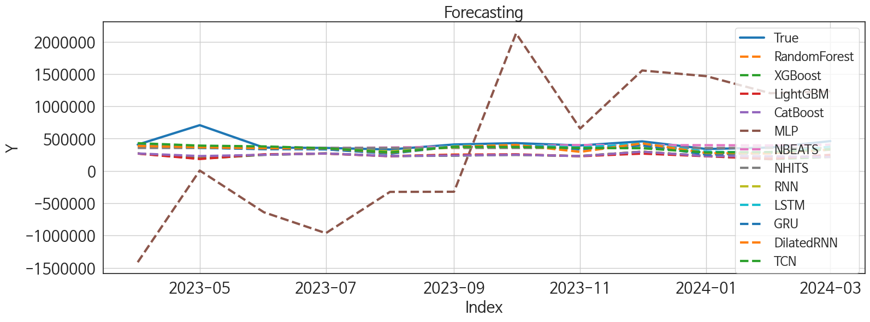
 | MSE | RMSE | MSPE | MAE | MAPE | MedAE | MedAPE
LSTM | 12128757695 | 110130.63922 | 0.032800577371 | 63924.049479 | 0.13082469369 | 31642.859375 | 0.074661153169
NBEATS | 10519960398 | 102566.85818 | 0.026894342917 | 58601.203125 | 0.117001498 | 33975.359375 | 0.093564810665
NHITS | 13336338742 | 115483.06691 | 0.036031146822 | 69410.190104 | 0.13617859532 | 45642.53125 | 0.11352732541
RNN | 11159616583 | 105639.08643 | 0.033506802954 | 70535.893229 | 0.1483795627 | 50069.671875 | 0.12078444859
DilatedRNN | 13593065783 | 116589.3039 | 0.043085676268 | 75446.742188 | 0.15944927419 | 41353.515625 | 0.11515934367
TCN | 12064520828 | 109838.61265 | 0.037685325771 | 74912.247396 | 0.15710328031 | 49943.8125 | 0.1373454137
GRU | 14249137789 | 119369.7524 | 0.046189674175 | 81029.832031 | 0.17391244292 | 61044.4375 | 0.14384279248
CatBoost | 40244167616 | 200609.49034 | 0.16569038711 | 173441.95277 | 0.39152354323 | 148630.09318 | 0.36129732261
RandomForest | 42564892374 | 206312.60837 | 0.17035255644 | 175606.41015 | 0.39470846773 | 153751.4391 | 0.36277649626
XGBoost | 44819037838 | 211705.07277 | 0.18182486498 | 180750.23698 | 0.40717554126 | 162220.3125 | 0.38289295384
LightGBM | 44306452669 | 210490.98002 | 0.17744273149 | 179199.85467 | 0.40312278605 | 163543.24606 | 0.39650978517
MLP | 1.1874051079E+12 | 1089681.1955 | 7.5280016318 | 1002496.4423 | 2.5006743753 | 921367.1875 | 2.3630034909

Forecasting_주말
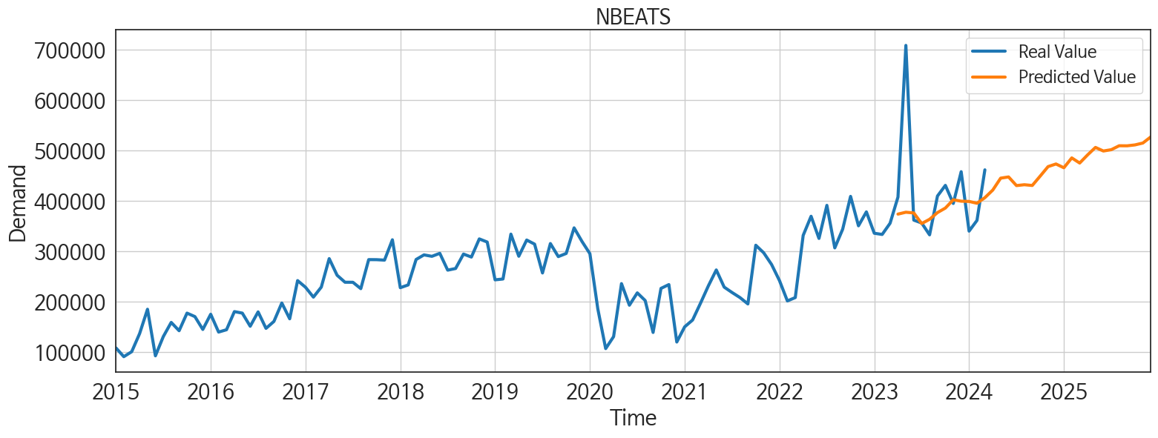
ds | unique_id | y | NBEATS | NHITS | RNN | LightGBM | RandomForest | CatBoost | XGBoost | TCN | GRU | LSTM | DilatedRNN | MLP
2023-04-01 | 1 | 407613 | 373751.03125 | 355608.0625 | 386678.1875 | 268480.42491 | 270795.90963 | 270750.79473 | 270722.8125 | 429935.5625 | 393524.4375 | 404741.96875 | 388271.1875 | -1412592.625
2023-05-01 | 1 | 708674 | 377520.3125 | 355608.4375 | 388639.1875 | 184621.07629 | 199689.75685 | 230414.51644 | 190499.59375 | 391834.5 | 358271.875 | 357748.40625 | 364866 | 6269.9111328
2023-06-01 | 1 | 361826 | 376066.28125 | 355609.65625 | 338449.53125 | 257539.12078 | 250677.99981 | 249355.71321 | 249408.51562 | 379894.25 | 336449.90625 | 341373 | 351418.625 | -639011.25
2023-07-01 | 1 | 356106 | 355014.75 | 355610.53125 | 343794.40625 | 268480.42491 | 270795.90963 | 270750.79473 | 270722.8125 | 352067.21875 | 334522.3125 | 334230.0625 | 349460.125 | -963074.5
2023-08-01 | 1 | 332612 | 363466.75 | 355611.03125 | 302795.3125 | 227914.05925 | 230621.70212 | 230512.20002 | 230520.4375 | 287092.375 | 266547.875 | 278855.125 | 282339.78125 | -324070.0625
2023-09-01 | 1 | 409660 | 376799.75 | 355611.46875 | 366564.3125 | 249551.44864 | 254288.19375 | 239117.37498 | 236420.21875 | 372320.03125 | 380038.59375 | 391617 | 377225.1875 | -321900.65625
2023-10-01 | 1 | 430802 | 385776.34375 | 355611.875 | 373868.96875 | 257539.12078 | 250677.99981 | 249355.71321 | 249408.51562 | 371422.0625 | 394977.625 | 401350.5 | 402526.1875 | 2129454
2023-11-01 | 1 | 394892 | 402216.75 | 355611.875 | 351685.6875 | 227914.05925 | 230621.70212 | 230512.20002 | 230520.4375 | 355263.875 | 334426.4375 | 362980.59375 | 295477.4375 | 656285.875
2023-12-01 | 1 | 457940 | 399423.28125 | 355611.3125 | 393972.9375 | 268480.42491 | 299363.23129 | 297542.01891 | 297870.9375 | 351200.3125 | 396316.6875 | 426565.6875 | 427126.75 | 1554918.625
2024-01-01 | 1 | 339988 | 398919.5 | 355610.75 | 277427.15625 | 227914.05925 | 230621.70212 | 230512.20002 | 230520.4375 | 285620 | 252959.51562 | 299140.40625 | 276901.625 | 1467276.625
2024-02-01 | 1 | 361245 | 395333.75 | 355610.65625 | 278779.46875 | 184621.07629 | 209113.92805 | 226740.90537 | 181418.40625 | 292871.8125 | 274399.34375 | 282273.40625 | 270877.9375 | 1203142.125
2024-03-01 | 1 | 461647 | 406382.125 | 355610.625 | 373919.125 | 249551.44864 | 218460.04303 | 216137.13513 | 215969.03125 | 335317.65625 | 328212.40625 | 375040.25 | 331153.25 | 1234523.875
2024-04-01 | 1 | 0 | 421505.40625 | 355611.21875 | 256059.57812 | 227914.05925 | 230621.70212 | 230512.20002 | 230520.4375 | 255079.14062 | 234244 | 301755.5625 | 235128.73438 | 164260.51562
2024-05-01 | 1 | 0 | 445135.8125 | 355611.8125 | 294931.625 | 237648.40861 | 182496.67057 | 173403.89769 | 172320.53125 | 241094.1875 | 228207.53125 | 299478.9375 | 233112.65625 | 2565262
2024-06-01 | 1 | 0 | 447562.53125 | 355611.78125 | 290047.5625 | 268480.42491 | 270795.90963 | 270750.79473 | 270722.8125 | 268649.09375 | 259372.35938 | 261072.79688 | 247185.98438 | 1276198.125
2024-07-01 | 1 | 0 | 430407.09375 | 355611.5625 | 256381.48438 | 227914.05925 | 230621.70212 | 230512.20002 | 230520.4375 | 275921.34375 | 235248.51562 | 250979.70312 | 226922.21875 | 1213436
2024-08-01 | 1 | 0 | 432097.6875 | 355611.09375 | 299405.75 | 268480.42491 | 270795.90963 | 270750.79473 | 270722.8125 | 260705.35938 | 255817.71875 | 253650.4375 | 230726.21875 | 1750961.5
2024-09-01 | 1 | 0 | 430613.28125 | 355610.65625 | 254548.39062 | 257539.12078 | 250677.99981 | 249355.71321 | 249408.51562 | 250347.4375 | 230371.90625 | 198542.48438 | 225062.39062 | 4012793
2024-10-01 | 1 | 0 | 449169.65625 | 355610.5 | 217047.375 | 227914.05925 | 230621.70212 | 230512.20002 | 230520.4375 | 208669.17188 | 193853.14062 | 186141.75 | 197533.64062 | 4864169.5
2024-11-01 | 1 | 0 | 468058.90625 | 355610.21875 | 303763.90625 | 268480.42491 | 270795.90963 | 270750.79473 | 270722.8125 | 266877.34375 | 251109.34375 | 240424.15625 | 251604.45312 | 6024944
2024-12-01 | 1 | 0 | 473272.75 | 355613.25 | 286623.0625 | 257539.12078 | 250677.99981 | 249355.71321 | 249408.51562 | 268314.09375 | 246290.48438 | 245074.71875 | 216697.59375 | 6856269
2025-01-01 | 1 | 0 | 465779.625 | 355616.46875 | 192069.0625 | 257539.12078 | 250677.99981 | 249355.71321 | 249408.51562 | 209506.85938 | 162227.28125 | 196054.0625 | 166347.32812 | 4943309
2025-02-01 | 1 | 0 | 485329.75 | 355619.3125 | 160766.96875 | 227914.05925 | 230621.70212 | 230512.20002 | 230520.4375 | 211698.15625 | 170771.67188 | 158788.65625 | 173506.84375 | 5530626.5
2025-03-01 | 1 | 0 | 475154.09375 | 355622.15625 | 237003.95312 | 249551.44864 | 261097.65817 | 261442.16821 | 261493.98438 | 229861 | 203178.40625 | 140274.0625 | 156711.96875 | 9292171
2025-04-01 | 1 | 0 | 491280 | 355622.3125 | 219919.29688 | 227914.05925 | 230621.70212 | 230512.20002 | 230520.4375 | 234004.42188 | 206728.73438 | 212713.8125 | 223887.07812 | 10453728
2025-05-01 | 1 | 0 | 506157.03125 | 355621.84375 | 284260.09375 | 268480.42491 | 270795.90963 | 270750.79473 | 270722.8125 | 269713.03125 | 250549.92188 | 231274.15625 | 263734.625 | 8511098
2025-06-01 | 1 | 0 | 499025.59375 | 355622.03125 | 286425.4375 | 237648.40861 | 182496.67057 | 173403.89769 | 172320.53125 | 261159.1875 | 258608.59375 | 203104.59375 | 263575.59375 | 13448547
2025-07-01 | 1 | 0 | 501652.3125 | 355622.71875 | 254221.90625 | 227914.05925 | 230621.70212 | 230512.20002 | 230520.4375 | 256072.01562 | 212291.6875 | 184365.67188 | 228376.53125 | 13112484
2025-08-01 | 1 | 0 | 509456.28125 | 355622.90625 | 299311.96875 | 249551.44864 | 218460.04303 | 216137.13513 | 215969.03125 | 300877.96875 | 285344.34375 | 246174.95312 | 298835.03125 | 13941994
2025-09-01 | 1 | 0 | 509330.71875 | 355622.8125 | 240783.78125 | 227914.05925 | 230621.70212 | 230512.20002 | 230520.4375 | 244952.35938 | 174035.65625 | 177167.23438 | 197635.73438 | 14704696
2025-10-01 | 1 | 0 | 511132.875 | 355623.375 | 255403.26562 | 237648.40861 | 278792.082 | 268328.16883 | 280532.09375 | 269007.5 | 244803.96875 | 244637.125 | 238706.76562 | 18647526
2025-11-01 | 1 | 0 | 514856.78125 | 355624.3125 | 316477.4375 | 268480.42491 | 270795.90963 | 270750.79473 | 270722.8125 | 306134.8125 | 315416.1875 | 270489.59375 | 342309.8125 | 19546674
2025-12-01 | 1 | 0 | 527009.625 | 355624.71875 | 272692.3125 | 227914.05925 | 230621.70212 | 230512.20002 | 230520.4375 | 277398.34375 | 257916.25 | 275192.875 | 318683.53125 | 29831716

Performance_주중
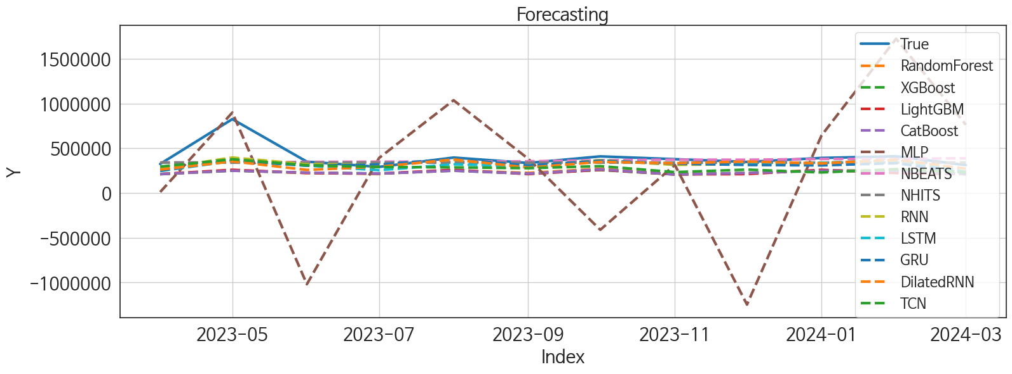
 | MSE | RMSE | MSPE | MAE | MAPE | MedAE | MedAPE
NBEATS | 20867008404 | 144454.17406 | 0.040529503857 | 68175.395833 | 0.12953429749 | 26729.015625 | 0.070360098585
NHITS | 21541609568 | 146770.60185 | 0.041247598751 | 74237.914062 | 0.13980438438 | 43260.484375 | 0.12013958163
RNN | 17302137014 | 131537.58784 | 0.038129959968 | 75132.61849 | 0.15395012876 | 44732.65625 | 0.10896273505
DilatedRNN | 20878431651 | 144493.708 | 0.045400138758 | 79276.483073 | 0.15813372437 | 48428.328125 | 0.13865235939
LSTM | 20998076161 | 144907.12944 | 0.048696020866 | 86410.615885 | 0.18065187202 | 48799.84375 | 0.12666939951
GRU | 20622371754 | 143604.9155 | 0.049744149647 | 85912.242188 | 0.1798906639 | 49744.390625 | 0.12999352608
TCN | 26055358788 | 161416.724 | 0.088179273077 | 117771.22396 | 0.25973187401 | 97501.25 | 0.26020357766
RandomForest | 43023567956 | 207421.23314 | 0.15647799362 | 165240.06475 | 0.38195446276 | 132740.40411 | 0.35708695016
CatBoost | 43728990878 | 209114.7792 | 0.1591789283 | 166747.9687 | 0.38525879869 | 133339.56205 | 0.35529483376
XGBoost | 43914247639 | 209557.26578 | 0.16026351888 | 167359.47786 | 0.38674794344 | 133255.44531 | 0.35973995926
LightGBM | 43479384079 | 208517.1074 | 0.16283564564 | 168150.3803 | 0.39031911124 | 134138.46375 | 0.36364887036
MLP | 6.3412375846E+11 | 796318.87989 | 4.7198133704 | 586527.0096 | 1.5904439128 | 382637.72949 | 1.2051092378

Forecasting_주중
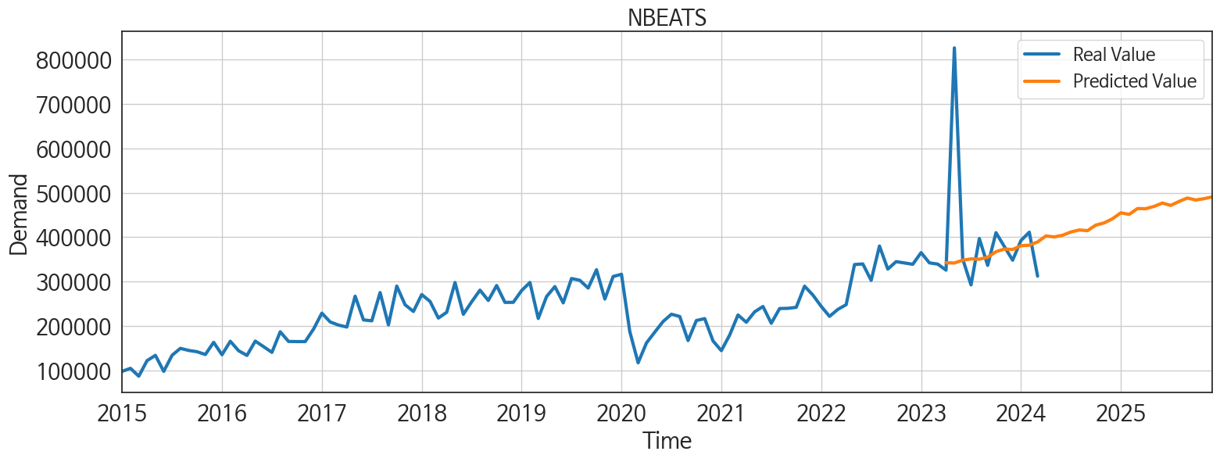
ds | unique_id | y | NBEATS | NHITS | RNN | LightGBM | RandomForest | CatBoost | XGBoost | TCN | GRU | LSTM | DilatedRNN | MLP
2023-04-01 | 1 | 325625 | 342253.40625 | 339198 | 275033.59375 | 212467.61717 | 210812.08315 | 211498.28714 | 211467.15625 | 295456 | 250575.21875 | 246219.15625 | 262011.65625 | 11595.353516
2023-05-01 | 1 | 826316 | 341750.09375 | 339197.8125 | 396814.59375 | 260043.54688 | 253405.85071 | 249790.1834 | 249737.39062 | 377665.5625 | 366498.125 | 357802.875 | 354816.21875 | 899625.4375
2023-06-01 | 1 | 350670 | 347997.5625 | 339197.1875 | 321925.4375 | 223858.57408 | 223617.33765 | 227868.7649 | 227698.59375 | 310457.03125 | 305804.125 | 306710.9375 | 258816.39062 | -1018346.75
2023-07-01 | 1 | 292364 | 350960.8125 | 339196.90625 | 318339.3125 | 216893.92559 | 216051.70734 | 217906.51412 | 217951.98438 | 291056.4375 | 318650.625 | 255361.14062 | 294165.78125 | 391875.34375
2023-08-01 | 1 | 396742 | 350269.0625 | 339197.375 | 371599.25 | 260043.54688 | 253405.85071 | 249790.1834 | 249737.39062 | 287056.25 | 381800.8125 | 321608.9375 | 375566.25 | 1037247
2023-09-01 | 1 | 336272 | 354627.25 | 339197.625 | 302682.09375 | 212055.52562 | 225140.88383 | 217403.71701 | 217315.03125 | 277935.34375 | 307694.375 | 298840.25 | 284476.71875 | 383689.59375
2023-10-01 | 1 | 409951 | 367159.28125 | 339197.71875 | 367056.75 | 260043.54688 | 271522.85414 | 264827.70961 | 257612.25 | 301046.65625 | 360491.75 | 357979.6875 | 348017.34375 | -410482.4375
2023-11-01 | 1 | 378886 | 373114.96875 | 339197.9375 | 315152.375 | 208735.88948 | 209040.78985 | 208125.42536 | 208108.25 | 234256.1875 | 328856.46875 | 333257.625 | 333824.625 | 314634.40625
2023-12-01 | 1 | 347999 | 372208.34375 | 339197.9375 | 322966.3125 | 212055.52562 | 222720.65204 | 223906.69251 | 224127.71875 | 261900.84375 | 313974.84375 | 320859.90625 | 352091.84375 | -1245780.25
2024-01-01 | 1 | 392377 | 380676.90625 | 339198.21875 | 337716.78125 | 260043.54688 | 253405.85071 | 249790.1834 | 249737.39062 | 230564.96875 | 309358.21875 | 336051.875 | 331296.53125 | 643959.625
2024-02-01 | 1 | 411068 | 381819.3125 | 339198.71875 | 364496.9375 | 223858.57408 | 247555.27966 | 246990.42767 | 247097.95312 | 267129.59375 | 334488.375 | 370912.3125 | 373054.40625 | 1724309.625
2024-03-01 | 1 | 312102 | 389194.125 | 339199.34375 | 236947.76562 | 212467.61717 | 210812.08315 | 211498.28714 | 211467.15625 | 232592.4375 | 223805.40625 | 237839.90625 | 272705.6875 | 763347.8125
2024-04-01 | 1 | 0 | 402637.25 | 339199.90625 | 278188.125 | 260043.54688 | 267728.26913 | 263200.61149 | 263289.40625 | 219790.90625 | 203035.34375 | 271981.34375 | 300959.65625 | 4269977
2024-05-01 | 1 | 0 | 400509.5625 | 339200.375 | 305309.0625 | 260043.54688 | 271451.14836 | 258721.43488 | 239583.375 | 270778.28125 | 280466.375 | 340576.15625 | 325921.8125 | 618474.125
2024-06-01 | 1 | 0 | 404242.25 | 339200.5625 | 243382.73438 | 212055.52562 | 222720.65204 | 223906.69251 | 224127.71875 | 231494.14062 | 234498.67188 | 278446.25 | 261384.34375 | 919763
2024-07-01 | 1 | 0 | 411518.40625 | 339200.21875 | 299720.25 | 208735.88948 | 215968.04729 | 211971.21408 | 211958.64062 | 256780.21875 | 250835.125 | 347831.59375 | 309275.46875 | 1851817
2024-08-01 | 1 | 0 | 416116.40625 | 339199.28125 | 297836.3125 | 223858.57408 | 223617.33765 | 227868.7649 | 227698.59375 | 257716.96875 | 239822.03125 | 311235.28125 | 299006.4375 | 149834.96875
2024-09-01 | 1 | 0 | 414572.34375 | 339198.40625 | 286868.625 | 223858.57408 | 241535.05067 | 240642.49376 | 270783.3125 | 276948.53125 | 233718.03125 | 322784.125 | 284228.1875 | -868807.1875
2024-10-01 | 1 | 0 | 427115.1875 | 339198.84375 | 285321.1875 | 260043.54688 | 296183.65181 | 295539.55244 | 295540.96875 | 269260.625 | 228571.39062 | 299235.65625 | 291500.875 | 107676.94531
2024-11-01 | 1 | 0 | 432056.5 | 339199.25 | 251425.20312 | 212467.61717 | 210812.08315 | 211498.28714 | 211467.15625 | 224283.01562 | 194687.54688 | 248717.71875 | 234347 | 992377.5
2024-12-01 | 1 | 0 | 441413.0625 | 339199 | 271739.75 | 260043.54688 | 267728.26913 | 263200.61149 | 263289.40625 | 269341.75 | 221695.34375 | 304925.5625 | 280243.5 | 968715.875
2025-01-01 | 1 | 0 | 454738.21875 | 339198.5625 | 298886.09375 | 260043.54688 | 280604.82983 | 289582.40813 | 289712.90625 | 276389.5 | 224002.9375 | 344440.75 | 295756.375 | 4134001
2025-02-01 | 1 | 0 | 451215.9375 | 339198.5 | 185884.15625 | 212467.61717 | 210812.08315 | 211498.28714 | 211467.15625 | 203708.89062 | 181138.59375 | 216724.95312 | 203446.5 | 10773866
2025-03-01 | 1 | 0 | 464345.96875 | 339198.4375 | 200891.96875 | 223858.57408 | 223617.33765 | 227868.7649 | 227698.59375 | 233456.95312 | 188960.73438 | 192146.60938 | 219291.875 | 10410403
2025-04-01 | 1 | 0 | 464064.40625 | 339198.40625 | 258764.70312 | 208735.88948 | 209040.78985 | 208125.42536 | 208108.25 | 278136.25 | 200671.5625 | 264022.125 | 224064.48438 | 13687949
2025-05-01 | 1 | 0 | 469268.75 | 339198.46875 | 260469.4375 | 223858.57408 | 240847.95804 | 231648.63298 | 270783.5 | 256133.84375 | 243162.01562 | 258325.23438 | 242354.6875 | 11110782
2025-06-01 | 1 | 0 | 476763.71875 | 339197.6875 | 219936.79688 | 216893.92559 | 216051.70734 | 217906.51412 | 217951.98438 | 225645.67188 | 203525.53125 | 214051.48438 | 194275.90625 | 12847677
2025-07-01 | 1 | 0 | 471429.5625 | 339197.125 | 261305.6875 | 208735.88948 | 215968.04729 | 211971.21408 | 211958.64062 | 255172.59375 | 249413.59375 | 242454.57812 | 229711.25 | 9609954
2025-08-01 | 1 | 0 | 480419.09375 | 339197.625 | 257516.90625 | 212467.61717 | 210812.08315 | 211498.28714 | 211467.15625 | 260833.8125 | 250029.46875 | 253542.23438 | 232492.65625 | 17497636
2025-09-01 | 1 | 0 | 488068.8125 | 339198.5625 | 244152.4375 | 208735.88948 | 209040.78985 | 208125.42536 | 208108.25 | 312718.6875 | 274336.375 | 262847.6875 | 282490.40625 | 18922822
2025-10-01 | 1 | 0 | 483621 | 339198.6875 | 244870.34375 | 260043.54688 | 244843.50335 | 223408.72901 | 239583.03125 | 275203.3125 | 261932.14062 | 203112.14062 | 250952.65625 | 22423248
2025-11-01 | 1 | 0 | 486630.25 | 339198.15625 | 250196 | 212467.61717 | 210812.08315 | 211498.28714 | 211467.15625 | 283034.5625 | 233503.75 | 224370.57812 | 248374.42188 | 48714584
2025-12-01 | 1 | 0 | 490735.5 | 339197.875 | 308521.34375 | 260043.54688 | 253405.85071 | 249790.1834 | 249737.39062 | 408450.5 | 326300.8125 | 307038.96875 | 370216 | 105103080

