Performance_전체
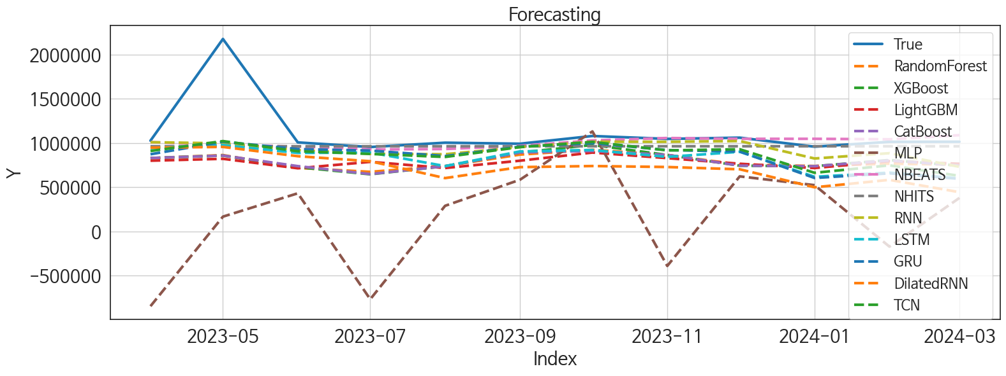
 | MSE | RMSE | MSPE | MAE | MAPE | MedAE | MedAPE
NBEATS | 1.216469803E+11 | 348779.27161 | 0.027420469012 | 137516.98438 | 0.083443880166 | 38305.46875 | 0.03742030376
NHITS | 1.2628587494E+11 | 355367.23954 | 0.029195518712 | 150002.91146 | 0.093687725408 | 50642.46875 | 0.049971117127
RNN | 1.2886069603E+11 | 358971.72037 | 0.037185668488 | 184161.92708 | 0.13057128595 | 81557.5 | 0.083149045165
TCN | 1.4475065953E+11 | 380461.11435 | 0.056856099259 | 243734.39062 | 0.19057559978 | 130428.15625 | 0.12388010019
GRU | 1.5670043434E+11 | 395854.05687 | 0.067668318961 | 259051.97917 | 0.20524657333 | 152527.71875 | 0.1487505007
LSTM | 1.7029982152E+11 | 412673.98939 | 0.075008897667 | 286774.85938 | 0.23068337856 | 181609.71875 | 0.17263257577
LightGBM | 2.0488480119E+11 | 452642.02323 | 0.082721461674 | 327488.72043 | 0.26360039893 | 233785.32867 | 0.23322916445
XGBoost | 1.9498073134E+11 | 441566.22531 | 0.080052156799 | 313930.40625 | 0.25273848419 | 243365.4375 | 0.24782337854
CatBoost | 1.9578587211E+11 | 442476.97354 | 0.080684554803 | 318388.6362 | 0.25679510918 | 242974.49336 | 0.24742441561
RandomForest | 1.9456500314E+11 | 441095.23137 | 0.080342993147 | 319296.38912 | 0.25794398806 | 252981.34729 | 0.24962599235
DilatedRNN | 2.3699099211E+11 | 486817.20606 | 0.13638400594 | 396486.95052 | 0.337647045 | 348650.28125 | 0.3261529566
MLP | 1.3139727388E+12 | 1146286.4994 | 1.0389754319 | 956759.72135 | 0.86102265296 | 674486.65625 | 0.66903781528

Forecasting_전체
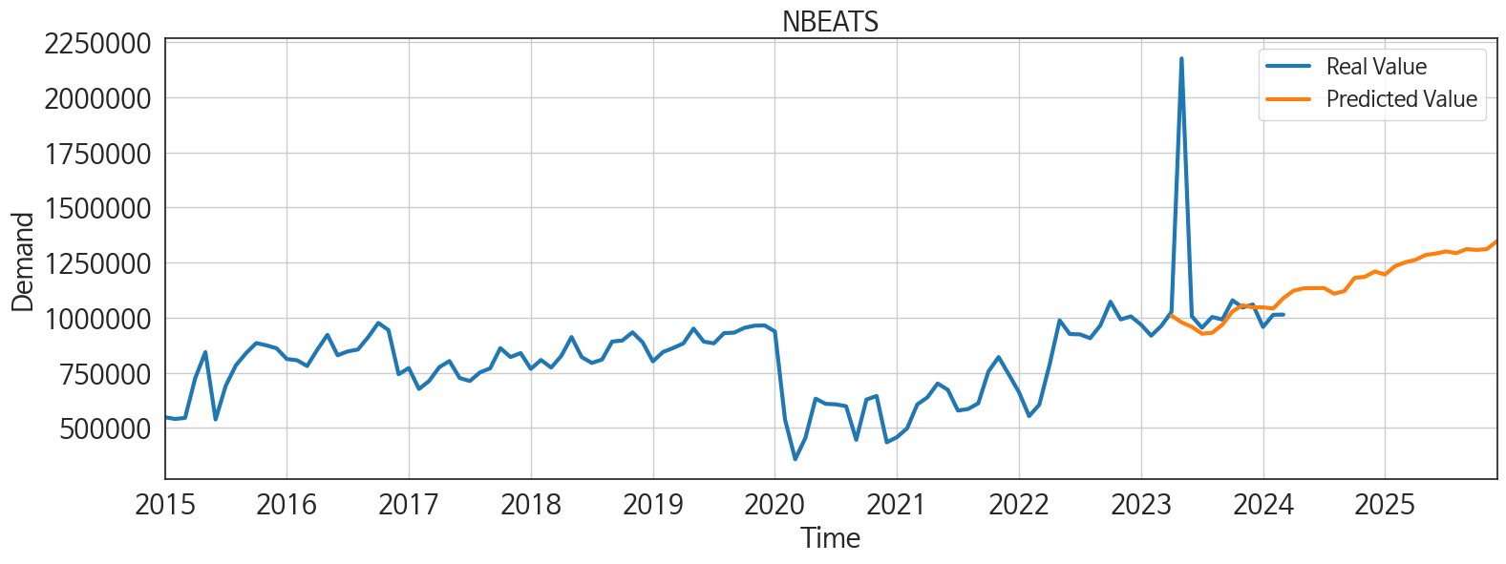
ds | unique_id | y | NBEATS | NHITS | RNN | LightGBM | RandomForest | CatBoost | XGBoost | TCN | GRU | LSTM | DilatedRNN | MLP
2023-04-01 | 1 | 1025955 | 1009081.25 | 962784.9375 | 1008499.625 | 799505.22154 | 828693.34981 | 829805.95919 | 829620.375 | 909131.5 | 872098.8125 | 942394.9375 | 946614.5625 | -845882.625
2023-05-01 | 1 | 2176084 | 978737.6875 | 962785.25 | 995920 | 820741.2497 | 863145.46233 | 857821.241 | 857550.5625 | 1021017.25 | 1013882.625 | 976120.3125 | 955118.1875 | 166802.71875
2023-06-01 | 1 | 1006231 | 958222.0625 | 962786.375 | 920248.4375 | 713562.41803 | 718196.91338 | 738045.53373 | 726234.3125 | 906484.375 | 930788.375 | 887223.1875 | 850168.0625 | 430657.71875
2023-07-01 | 1 | 954043 | 927141.9375 | 962787.25 | 876910.5625 | 786459.88557 | 673377.68733 | 648236.0568 | 645473.5625 | 876096.25 | 913952.625 | 891833.1875 | 793275.125 | -767455.1875
2023-08-01 | 1 | 1003070 | 931413.8125 | 962787.4375 | 872647.25 | 716657.12113 | 739679.19434 | 737449.50664 | 737058.5625 | 841589.25 | 851870.75 | 738224.9375 | 602647.25 | 289231.75
2023-09-01 | 1 | 991399 | 967818.9375 | 962787.625 | 953165.0625 | 799281.05669 | 868364.76464 | 891758.96268 | 891492.9375 | 952845.5 | 957853.125 | 904347.1875 | 726653.9375 | 583890.625
2023-10-01 | 1 | 1078780 | 1028504.1875 | 962787.4375 | 1014405.5 | 891598.86795 | 923310.2118 | 909873.75419 | 977150.0625 | 1011940.6875 | 998832.75 | 920458.0625 | 739062.5625 | 1130381
2023-11-01 | 1 | 1045942 | 1056136.5 | 962787.25 | 1013565.125 | 828373.58746 | 864092.8149 | 865475.36078 | 864513.125 | 915857.6875 | 919248.6875 | 842388.6875 | 728018.75 | -390729.46875
2023-12-01 | 1 | 1059829 | 1046735.875 | 962787.0625 | 1021669.625 | 764753.67591 | 754977.43224 | 743340.28435 | 742881.375 | 929057 | 903464.875 | 900162.875 | 702245.875 | 622196
2024-01-01 | 1 | 957778 | 1046905.5625 | 962787.125 | 824370.6875 | 716657.12113 | 739679.19434 | 737449.50664 | 737058.5625 | 662526.125 | 604030.125 | 617523.875 | 498409.5 | 522699.375
2024-02-01 | 1 | 1012952 | 1041554 | 962787.8125 | 884319.9375 | 793763.47387 | 765920.87318 | 802711.9152 | 806892.3125 | 746894.1875 | 656635.5625 | 664699.375 | 582814.875 | -172508.5
2024-03-01 | 1 | 1013909 | 1088453.5 | 962788.25 | 730307.0625 | 764753.67591 | 754977.43224 | 743340.28435 | 742881.375 | 627719.5 | 594689.9375 | 599297.0625 | 443099.90625 | 378773.9375
2024-04-01 | 1 | 0 | 1122139.5 | 962788.0625 | 725322.1875 | 693123.61546 | 666634.09942 | 670238.59399 | 671510.875 | 621005.625 | 613736.1875 | 562165.125 | 517232.5 | -787270.3125
2024-05-01 | 1 | 0 | 1133236.375 | 962787.8125 | 851663.6875 | 891598.86795 | 909471.27242 | 934076.58637 | 916662.375 | 857054.625 | 774870.6875 | 802692.5625 | 693155.625 | 1529023.25
2024-06-01 | 1 | 0 | 1133940 | 962787.875 | 764701.8125 | 755065.07935 | 841374.67028 | 853917.86889 | 856314.375 | 588707.875 | 651923.6875 | 601319.125 | 536415.625 | 714134
2024-07-01 | 1 | 0 | 1134382.25 | 962787.5 | 695838 | 824929.3173 | 853246.6203 | 877699.42528 | 883311.8125 | 574700.4375 | 542241.25 | 557768.875 | 438177.0625 | -302925.5625
2024-08-01 | 1 | 0 | 1108786.5 | 962786.8125 | 720524.4375 | 751708.33995 | 781285.81031 | 783435.63757 | 783829.1875 | 588535.625 | 580882.25 | 604579.5 | 597448.5 | 4235825
2024-09-01 | 1 | 0 | 1120666.375 | 962786.25 | 716273.9375 | 864621.09212 | 923759.42083 | 935003.05841 | 935979.3125 | 614747.875 | 608186.375 | 608438.25 | 700338.5 | 5120110
2024-10-01 | 1 | 0 | 1180209.875 | 962785.9375 | 714104 | 820741.2497 | 910675.13307 | 923847.142 | 925104.0625 | 612098.5 | 549164.5 | 593685.375 | 738015.375 | 6390167
2024-11-01 | 1 | 0 | 1185161.75 | 962786.6875 | 689687.625 | 799505.22154 | 828693.34981 | 829805.95919 | 829620.375 | 643352.625 | 661832.25 | 674432.625 | 664479.3125 | 6700701
2024-12-01 | 1 | 0 | 1209640.375 | 962787.3125 | 634107.125 | 737095.9237 | 716961.38292 | 710138.16387 | 710048.5625 | 636852.625 | 620441.625 | 654521.75 | 617197.5625 | 6775375.5
2025-01-01 | 1 | 0 | 1195656 | 962787.875 | 696120.75 | 891598.86795 | 886345.34257 | 885692.67045 | 884836.5 | 712939.0625 | 722082.375 | 680429.1875 | 809458.4375 | 6347929
2025-02-01 | 1 | 0 | 1234132.375 | 962788.6875 | 515696 | 768140.02465 | 790559.74467 | 796953.79153 | 797295.875 | 481273.96875 | 500975.09375 | 452742 | 462617.09375 | 6428688.5
2025-03-01 | 1 | 0 | 1251246.375 | 962789.3125 | 452726.75 | 866950.58461 | 968580.762 | 977065.94138 | 977676.875 | 435532.28125 | 486736.65625 | 410450.53125 | 414361.71875 | 6419585.5
2025-04-01 | 1 | 0 | 1262408.75 | 962789.625 | 553466.1875 | 828373.58746 | 864092.8149 | 865475.36078 | 864513.125 | 466564.40625 | 559036.1875 | 471639.15625 | 522379.34375 | 8199535
2025-05-01 | 1 | 0 | 1284597.125 | 962790.1875 | 693825.9375 | 866950.58461 | 785458.86967 | 710232.00931 | 701215.375 | 646363.625 | 678861.0625 | 662442 | 744558.4375 | 9457712
2025-06-01 | 1 | 0 | 1291120.5 | 962790.75 | 627762.625 | 713562.41803 | 718196.91338 | 738045.53373 | 726234.3125 | 628986.625 | 676375.75 | 637826.25 | 757311.8125 | 11666962
2025-07-01 | 1 | 0 | 1300758.625 | 962791.1875 | 597052.9375 | 824929.3173 | 853246.6203 | 877699.42528 | 883311.8125 | 633335.625 | 709877.5 | 618307.4375 | 753271.6875 | 17401868
2025-08-01 | 1 | 0 | 1292561 | 962791.125 | 639731.125 | 764753.67591 | 754977.43224 | 743340.28435 | 742881.375 | 656800.4375 | 776275.375 | 703748.125 | 762806.625 | 21179228
2025-09-01 | 1 | 0 | 1310865 | 962790.8125 | 551001.0625 | 828373.58746 | 864092.8149 | 865475.36078 | 864513.125 | 522002.15625 | 618276.9375 | 545760.0625 | 690035.4375 | 21123078
2025-10-01 | 1 | 0 | 1307370.125 | 962790.1875 | 753334.8125 | 891598.86795 | 886345.34257 | 885692.67045 | 884836.5 | 760290.875 | 805543.6875 | 736844.25 | 878789.9375 | 24104874
2025-11-01 | 1 | 0 | 1310645 | 962789.4375 | 770859.4375 | 799505.22154 | 828693.34981 | 829805.95919 | 829620.375 | 785915.8125 | 861169.875 | 845312.3125 | 911937.375 | 37024440
2025-12-01 | 1 | 0 | 1346747.375 | 962789.1875 | 655559.9375 | 716657.12113 | 739679.19434 | 737449.50664 | 737058.5625 | 703967.5625 | 745694.3125 | 743803.4375 | 970526.875 | 41887088

Performance_주말
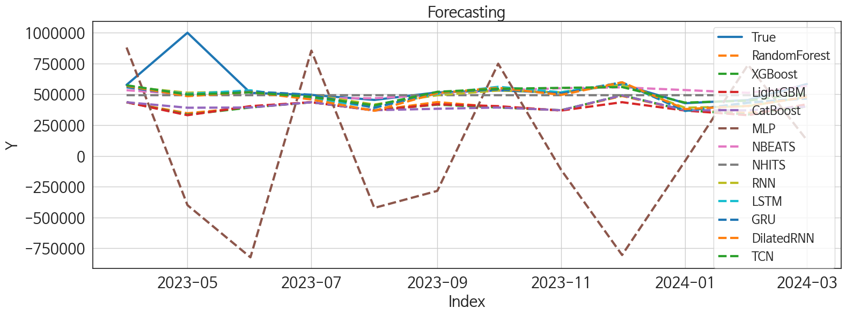
 | MSE | RMSE | MSPE | MAE | MAPE | MedAE | MedAPE
TCN | 21823837522 | 147728.93258 | 0.023955717617 | 61098.34375 | 0.078690542691 | 14883.625 | 0.029127327363
RNN | 21115874094 | 145313.02107 | 0.024782540226 | 63804.630208 | 0.086670493422 | 18134.734375 | 0.033857132454
GRU | 23559199303 | 153490.06256 | 0.028852238303 | 69765.585938 | 0.096491271593 | 18170.375 | 0.031423966915
NBEATS | 22508767553 | 150029.22233 | 0.028946964965 | 70657.122396 | 0.1017847976 | 25593.765625 | 0.048120996552
LSTM | 22472796080 | 149909.29284 | 0.027890480695 | 72747.3125 | 0.10375148911 | 26632.78125 | 0.053940701417
DilatedRNN | 24266644290 | 155777.54745 | 0.030750127513 | 76504.598958 | 0.11038420552 | 29305.234375 | 0.057679427704
NHITS | 24148147024 | 155396.74071 | 0.031076235112 | 84533.828125 | 0.12332712477 | 38887.359375 | 0.085622102982
RandomForest | 47712558995 | 218432.04663 | 0.079165181493 | 154307.179 | 0.2467508517 | 110279.18602 | 0.2286239146
CatBoost | 43655267195 | 208938.4292 | 0.076522720055 | 153174.43174 | 0.24757805421 | 125770.97845 | 0.23809134241
XGBoost | 49486892158 | 222456.49498 | 0.082746757916 | 157824.7474 | 0.25298041153 | 118112.23438 | 0.2380182609
LightGBM | 50293922612 | 224263.06564 | 0.084104482021 | 160270.32085 | 0.25699371062 | 125386.0884 | 0.24171506263
MLP | 6.8640814376E+11 | 828497.52188 | 2.1053821648 | 709383.54329 | 1.2721634692 | 548165.00195 | 1.1591474075

Forecasting_주말
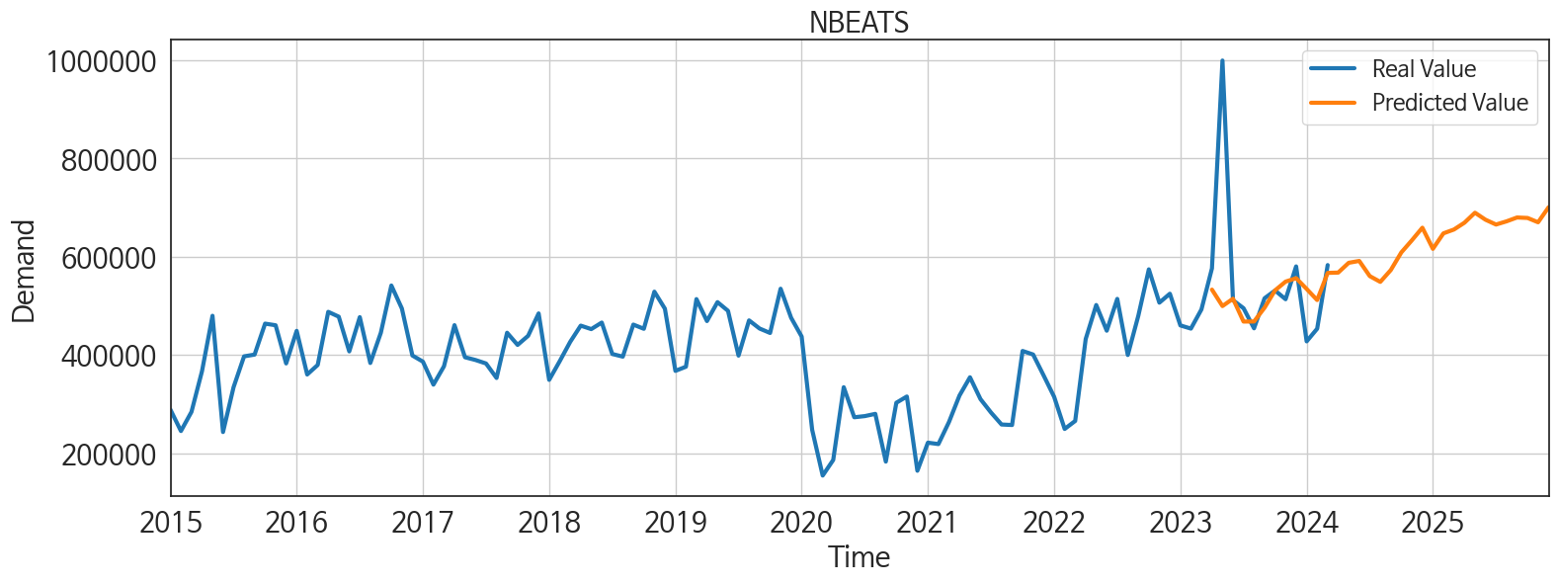
ds | unique_id | y | NBEATS | NHITS | RNN | LightGBM | RandomForest | CatBoost | XGBoost | TCN | GRU | LSTM | DilatedRNN | MLP
2023-04-01 | 1 | 576373 | 533098.5 | 492766.3125 | 563468.4375 | 436016.87549 | 435658.37378 | 435662.94496 | 435625.875 | 573458.625 | 556814.1875 | 567585.75 | 568181.625 | 879908.1875
2023-05-01 | 1 | 999630 | 499622.6875 | 492766.4375 | 513128.78125 | 330180.44969 | 346104.87974 | 390935.67945 | 335167.59375 | 497973.15625 | 490079.5625 | 503123.15625 | 484665.75 | -399861.1875
2023-06-01 | 1 | 511512 | 514574.4375 | 492766.875 | 522598.125 | 403809.37351 | 395141.87394 | 392814.36873 | 392922.03125 | 515207 | 522380.40625 | 532340.125 | 517505.8125 | -823302.0625
2023-07-01 | 1 | 495253 | 468078.65625 | 492767.09375 | 494629.21875 | 436016.87549 | 435658.37378 | 435662.94496 | 435625.875 | 479004.6875 | 496658.65625 | 463207.4375 | 458454.53125 | 854446.375
2023-08-01 | 1 | 454314 | 468221.34375 | 492767.28125 | 417366.75 | 368187.66332 | 369295.35507 | 370737.19346 | 370720.28125 | 410193.5625 | 390061.65625 | 395479.84375 | 366123.75 | -422280.75
2023-09-01 | 1 | 515497 | 496311.96875 | 492767.4375 | 492132.09375 | 419131.44348 | 436743.33667 | 382652.67437 | 416159.6875 | 520332.96875 | 515161.6875 | 503807.71875 | 509496.15625 | -284130.84375
2023-10-01 | 1 | 531268 | 531619.5625 | 492767.625 | 530929.1875 | 403809.37351 | 395141.87394 | 392814.36873 | 392922.03125 | 544786.9375 | 539078.8125 | 560927.8125 | 553080 | 748420.4375
2023-11-01 | 1 | 513516 | 549413.5625 | 492767.78125 | 516903.6875 | 368187.66332 | 369295.35507 | 370737.19346 | 370720.28125 | 552212.75 | 506426.03125 | 516431.25 | 495269.4375 | -113321.07812
2023-12-01 | 1 | 580416 | 556402.8125 | 492767.875 | 579879.375 | 436016.87549 | 486592.01511 | 491887.40087 | 492008.9375 | 558890.25 | 597197.9375 | 594088.0625 | 597505.625 | -804621.875
2024-01-01 | 1 | 427738 | 534461.5 | 492768.125 | 390707.78125 | 368187.66332 | 369295.35507 | 370737.19346 | 370720.28125 | 432662.75 | 365791.8125 | 364757.34375 | 380262.9375 | -41754.925781
2024-02-01 | 1 | 453494 | 511865.8125 | 492768.34375 | 403753.5625 | 330180.44969 | 349305.75401 | 369573.67264 | 335859.5 | 448458.5 | 433394.71875 | 429888.25 | 405455.84375 | 739136.125
2024-03-01 | 1 | 583089 | 567172.125 | 492768.375 | 479895.0625 | 419131.44348 | 402181.30585 | 399791.18399 | 399750.65625 | 507081.5 | 465601.125 | 471646 | 477834.21875 | 127905.32812
2024-04-01 | 1 | 0 | 567809.75 | 492768.125 | 437456.21875 | 368187.66332 | 369295.35507 | 370737.19346 | 370720.28125 | 473170.4375 | 377064.09375 | 370684.1875 | 373220.15625 | -1100373.5
2024-05-01 | 1 | 0 | 587717.375 | 492767.96875 | 417834.5 | 387631.09308 | 272804.55867 | 264472.62585 | 263834.8125 | 432188.21875 | 319003.5 | 337959.5 | 408605.96875 | 159636.20312
2024-06-01 | 1 | 0 | 591529.625 | 492768.53125 | 420072.6875 | 436016.87549 | 435658.37378 | 435662.94496 | 435625.875 | 426998.25 | 329269.34375 | 360761.40625 | 429062.5625 | 999622.25
2024-07-01 | 1 | 0 | 560641.6875 | 492768.84375 | 336971.53125 | 368187.66332 | 369295.35507 | 370737.19346 | 370720.28125 | 321730.96875 | 300831.25 | 299075.9375 | 394397.875 | 688727.5625
2024-08-01 | 1 | 0 | 548846.3125 | 492768.28125 | 383239.1875 | 436016.87549 | 435658.37378 | 435662.94496 | 435625.875 | 367369.6875 | 318957.96875 | 313608.875 | 410699.15625 | 3754695
2024-09-01 | 1 | 0 | 572977.875 | 492767.84375 | 346047.28125 | 403809.37351 | 395141.87394 | 392814.36873 | 392922.03125 | 317398.03125 | 276469.4375 | 271676.1875 | 431217.125 | 2520196.5
2024-10-01 | 1 | 0 | 608891.9375 | 492767.84375 | 323813.625 | 368187.66332 | 369295.35507 | 370737.19346 | 370720.28125 | 291464.5625 | 257927.4375 | 243430.82812 | 367531.8125 | 3985945.5
2024-11-01 | 1 | 0 | 633439.8125 | 492767.90625 | 398270.96875 | 436016.87549 | 435658.37378 | 435662.94496 | 435625.875 | 366198.875 | 337112.25 | 334322.125 | 459447.5 | 4066667.5
2024-12-01 | 1 | 0 | 659208.3125 | 492767.90625 | 370486.84375 | 403809.37351 | 395141.87394 | 392814.36873 | 392922.03125 | 322449.75 | 285965.21875 | 291120.46875 | 457210.0625 | 4298054
2025-01-01 | 1 | 0 | 616160.1875 | 492767.78125 | 278956.875 | 403809.37351 | 395141.87394 | 392814.36873 | 392922.03125 | 213000.03125 | 206488.64062 | 207081.125 | 346420.65625 | 4555219.5
2025-02-01 | 1 | 0 | 647682.8125 | 492767.5 | 198320.8125 | 368187.66332 | 369295.35507 | 370737.19346 | 370720.28125 | 195087.39062 | 163227.10938 | 163713.15625 | 343286.53125 | 5287615
2025-03-01 | 1 | 0 | 655487.5625 | 492767.03125 | 273640.90625 | 419131.44348 | 425441.6499 | 423211.98466 | 423298.59375 | 201458.34375 | 228541.42188 | 205146.04688 | 374374.28125 | 5103098
2025-04-01 | 1 | 0 | 669360.1875 | 492767.3125 | 269275.75 | 368187.66332 | 369295.35507 | 370737.19346 | 370720.28125 | 262715 | 294607.25 | 313894.34375 | 426054.375 | 7114412
2025-05-01 | 1 | 0 | 689715.375 | 492767.9375 | 358339.75 | 436016.87549 | 435658.37378 | 435662.94496 | 435625.875 | 350978.78125 | 357476.625 | 371033.875 | 455449.6875 | 8084690
2025-06-01 | 1 | 0 | 675465.0625 | 492767.9375 | 326053 | 387631.09308 | 272804.55867 | 264472.62585 | 263834.8125 | 326355.875 | 361674.625 | 328636.4375 | 475894.28125 | 5557620
2025-07-01 | 1 | 0 | 665633.25 | 492767.9375 | 288670.875 | 368187.66332 | 369295.35507 | 370737.19346 | 370720.28125 | 304771.375 | 312064.71875 | 299586.96875 | 446031.59375 | 6408304
2025-08-01 | 1 | 0 | 672133.5625 | 492767.96875 | 382482.8125 | 419131.44348 | 402181.30585 | 399791.18399 | 399750.65625 | 345517.84375 | 362712.96875 | 364607.15625 | 499058.3125 | 7500408
2025-09-01 | 1 | 0 | 680005.75 | 492767.8125 | 220405.89062 | 368187.66332 | 369295.35507 | 370737.19346 | 370720.28125 | 239673.79688 | 239210.875 | 268702.875 | 339841.78125 | 6430888
2025-10-01 | 1 | 0 | 679015 | 492767.75 | 311136.5 | 387631.09308 | 490539.41599 | 480832.88899 | 453883.96875 | 354524.9375 | 334791.5625 | 363254.875 | 437639.375 | 12020124
2025-11-01 | 1 | 0 | 670211.3125 | 492767.5625 | 357304.9375 | 436016.87549 | 435658.37378 | 435662.94496 | 435625.875 | 429227.25 | 412482.625 | 405863.25 | 549900.25 | 34021000
2025-12-01 | 1 | 0 | 700905.625 | 492767.40625 | 290560.03125 | 368187.66332 | 369295.35507 | 370737.19346 | 370720.28125 | 378196.6875 | 388153.125 | 405874.15625 | 514329.65625 | 47984944

Performance_주중
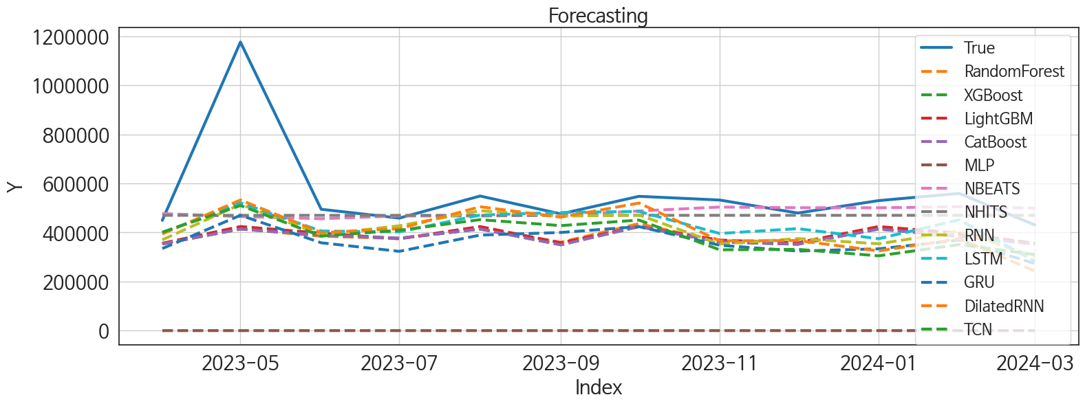
 | MSE | RMSE | MSPE | MAE | MAPE | MedAE | MedAPE
NBEATS | 44050659328 | 209882.48933 | 0.037733272468 | 94579.361979 | 0.120115273 | 33863.015625 | 0.069815495017
NHITS | 44129932639 | 210071.2561 | 0.038939654802 | 98779.382812 | 0.12654856937 | 49607.96875 | 0.10210907925
LSTM | 44410479595 | 210737.94057 | 0.060513923099 | 133808.27604 | 0.20440929051 | 83170.265625 | 0.16038563367
RNN | 48304692133 | 219783.28447 | 0.071975793751 | 146978.77865 | 0.22873987086 | 103753.73438 | 0.21308304978
DilatedRNN | 48587104574 | 220424.82749 | 0.080946883607 | 148194.39323 | 0.23454921523 | 103630.65625 | 0.21308969927
LightGBM | 59998134292 | 244945.16589 | 0.083309595059 | 168323.33512 | 0.26246575002 | 119515.64185 | 0.2258768207
RandomForest | 62178955490 | 249357.0843 | 0.087827045574 | 172855.24358 | 0.27049973591 | 115583.19983 | 0.2327362053
CatBoost | 62696152119 | 250391.99691 | 0.08952290339 | 174577.45613 | 0.27365697155 | 124593.10294 | 0.23484975082
XGBoost | 62762648100 | 250524.74549 | 0.089658157352 | 174722.3724 | 0.27389939737 | 124887.96875 | 0.23577391253
TCN | 54487951191 | 233426.54346 | 0.092011255163 | 168371.42448 | 0.26869646532 | 115094.51562 | 0.25075032937
GRU | 62785124521 | 250569.60015 | 0.1134937091 | 194695.61458 | 0.32083961214 | 156298.39062 | 0.30953775988
MLP | 3.4680195895E+11 | 588898.93781 | 0.99999380248 | 556987.73495 | 0.99999690123 | 512377.89291 | 0.99999700389

Forecasting_주중
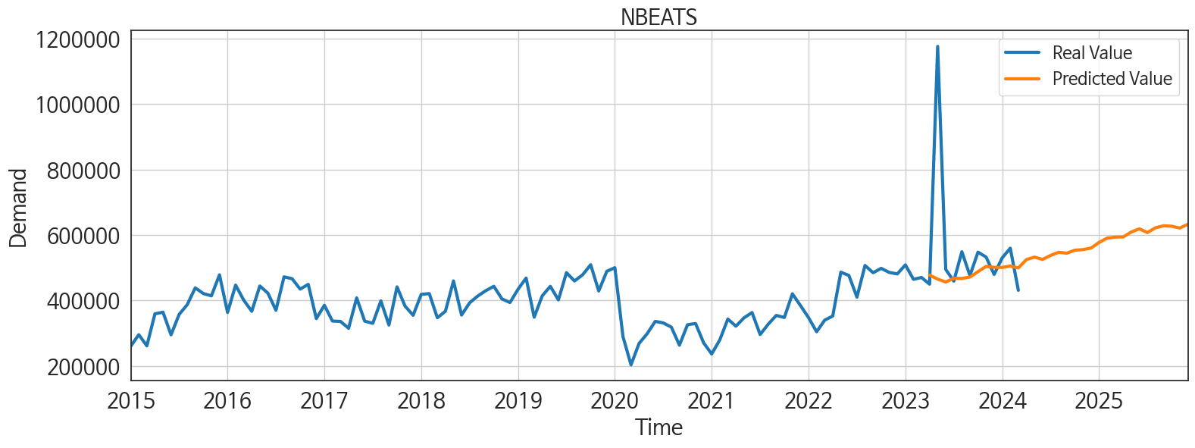
ds | unique_id | y | NBEATS | NHITS | RNN | LightGBM | RandomForest | CatBoost | XGBoost | TCN | GRU | LSTM | DilatedRNN | MLP
2023-04-01 | 1 | 449582 | 477399.59375 | 470021.0625 | 370176.9375 | 356052.72757 | 352860.00943 | 353700.75666 | 353748.96875 | 401368.6875 | 334568.625 | 399733.8125 | 394000.8125 | 1.5780308247
2023-05-01 | 1 | 1176454 | 464952.84375 | 470021.125 | 514772.25 | 424322.68837 | 414636.08433 | 414363.83689 | 414103.03125 | 509962.5 | 470087.09375 | 521190.75 | 532623.5 | 1.0176641941
2023-06-01 | 1 | 494719 | 456251.3125 | 470019.1875 | 391356.78125 | 397493.10055 | 384780.64695 | 389690.24876 | 389719.65625 | 385302.1875 | 358072.8125 | 406054.40625 | 399519.09375 | 1.4951701164
2023-07-01 | 1 | 458790 | 467614.15625 | 470019.40625 | 427430.6875 | 374331.75054 | 375482.14014 | 376671.39273 | 376674.28125 | 409069.96875 | 323164.59375 | 402478.28125 | 415550.03125 | 2.0808925629
2023-08-01 | 1 | 548756 | 467077.6875 | 470023.78125 | 488715.1875 | 424322.68837 | 414636.08433 | 414363.83689 | 414103.03125 | 452317.53125 | 389447.15625 | 471080.0625 | 505024.9375 | 1.6297812462
2023-09-01 | 1 | 475902 | 471226.5625 | 470021.53125 | 466544.625 | 358141.85815 | 360139.51601 | 349794.40428 | 349956.4375 | 428125.8125 | 400075.4375 | 481647.6875 | 462513.3125 | 1.3498352766
2023-10-01 | 1 | 547512 | 487753.90625 | 470022.59375 | 471495.1875 | 424322.68837 | 436158.4521 | 424433.38984 | 423681.625 | 450668.375 | 424001.125 | 486118.90625 | 520131.21875 | 1.6122913361
2023-11-01 | 1 | 532426 | 503820.96875 | 470023.75 | 353020.625 | 368994.10201 | 361357.59043 | 361522.15241 | 361399.46875 | 329517.8125 | 348043.09375 | 396090.0625 | 365991.84375 | 2.2520606518
2023-12-01 | 1 | 479413 | 500971.78125 | 470019.21875 | 375267.75 | 358141.85815 | 352251.9431 | 352563.22085 | 352310.3125 | 331337.4375 | 324342.03125 | 415783 | 367351.59375 | 1.9130694866
2024-01-01 | 1 | 530040 | 500781.65625 | 470023.625 | 353885.375 | 424322.68837 | 414636.08433 | 414363.83689 | 414103.03125 | 304819.1875 | 333421.84375 | 374621.0625 | 324962.5625 | 1.7190155983
2024-02-01 | 1 | 559458 | 505067.75 | 470020.625 | 405115.125 | 397493.10055 | 389810.51649 | 383774.69354 | 383654.71875 | 350877.625 | 369006.625 | 451676.15625 | 374931.1875 | 1.5759726763
2024-03-01 | 1 | 430820 | 499237.5 | 470019.5625 | 302346.125 | 356052.72757 | 352860.00943 | 353700.75666 | 353748.96875 | 310047.78125 | 273294.1875 | 283189.875 | 242939.1875 | 0.95677673817
2024-04-01 | 1 | 0 | 524770.375 | 470024.0625 | 326505.5 | 424322.68837 | 432594.56905 | 431348.11549 | 431606.4375 | 305949.34375 | 280195.625 | 266358.59375 | 257271.84375 | 1.7419707775
2024-05-01 | 1 | 0 | 532324.875 | 470023 | 376212.21875 | 424322.68837 | 421261.07631 | 405944.90311 | 413358.34375 | 330865.28125 | 365202.25 | 372075.84375 | 350863.375 | 1.1052638292
2024-06-01 | 1 | 0 | 525195.25 | 470022.15625 | 339793.0625 | 358141.85815 | 352251.9431 | 352563.22085 | 352310.3125 | 345129.09375 | 321494.875 | 350813.375 | 331863.375 | 1.5048978329
2024-07-01 | 1 | 0 | 537460.1875 | 470021.53125 | 360601.53125 | 368994.10201 | 412837.31337 | 410348.16984 | 410946.28125 | 352836.375 | 370741.75 | 389776.3125 | 336398.5 | 1.4307516813
2024-08-01 | 1 | 0 | 547009.8125 | 470022.625 | 325368.34375 | 397493.10055 | 384780.64695 | 389690.24876 | 389719.65625 | 334822.5625 | 346431.71875 | 354758.03125 | 283318.125 | 1.5050678253
2024-09-01 | 1 | 0 | 544275 | 470020.5625 | 415505.6875 | 397493.10055 | 431537.12567 | 415142.15798 | 444300.375 | 347871.8125 | 398519.5625 | 442295.5625 | 385487.8125 | 1.4569387436
2024-10-01 | 1 | 0 | 553493.125 | 470021 | 402939.28125 | 424322.68837 | 455582.22989 | 454734.43433 | 454769.1875 | 377044.4375 | 386849.65625 | 415704.78125 | 364367.625 | 1.057703495
2024-11-01 | 1 | 0 | 555211.25 | 470020.03125 | 331461.53125 | 356052.72757 | 352860.00943 | 353700.75666 | 353748.96875 | 345645.71875 | 348144.3125 | 364232.3125 | 299205 | 1.1172534227
2024-12-01 | 1 | 0 | 559924.6875 | 470023.03125 | 395172.1875 | 424322.68837 | 432594.56905 | 431348.11549 | 431606.4375 | 388471.28125 | 390606.875 | 398112.53125 | 382546.3125 | 0.96581059694
2025-01-01 | 1 | 0 | 576997.9375 | 470022.65625 | 442999.5625 | 424322.68837 | 426036.05192 | 441151.90531 | 441279.90625 | 419170.875 | 433302.625 | 483874.25 | 436480.03125 | 1.3823449612
2025-02-01 | 1 | 0 | 590313.1875 | 470022.09375 | 305770.375 | 356052.72757 | 352860.00943 | 353700.75666 | 353748.96875 | 311483.125 | 333440.78125 | 321304.34375 | 322224.875 | 3.4476897717
2025-03-01 | 1 | 0 | 593313.3125 | 470017.53125 | 321787 | 397493.10055 | 384780.64695 | 389690.24876 | 389719.65625 | 357709.75 | 347492.78125 | 332839.1875 | 359247.28125 | 6.5429997444
2025-04-01 | 1 | 0 | 594020.3125 | 470019.96875 | 406035.375 | 368994.10201 | 361357.59043 | 361522.15241 | 361399.46875 | 396132.90625 | 397624.90625 | 412130.4375 | 373117.78125 | 8.2292022705
2025-05-01 | 1 | 0 | 609099.0625 | 470021.3125 | 401730.9375 | 397493.10055 | 376751.86456 | 366647.40835 | 408018.3125 | 379082.1875 | 392667.1875 | 409119.3125 | 380453 | 8.4632139206
2025-06-01 | 1 | 0 | 618635.125 | 470022 | 360432.96875 | 374331.75054 | 375482.14014 | 376671.39273 | 376674.28125 | 343228.0625 | 374413 | 331793.0625 | 332551.6875 | 16.043643951
2025-07-01 | 1 | 0 | 607444.125 | 470025.90625 | 404489.09375 | 368994.10201 | 412837.31337 | 410348.16984 | 410946.28125 | 399721.3125 | 446007.375 | 372387.84375 | 365001.34375 | 17.91513443
2025-08-01 | 1 | 0 | 622109.0625 | 470027.9375 | 376092.40625 | 356052.72757 | 352860.00943 | 353700.75666 | 353748.96875 | 370669.28125 | 379154.65625 | 352413.6875 | 344445.59375 | 21.369377136
2025-09-01 | 1 | 0 | 628017.8125 | 470028.5 | 393575.90625 | 368994.10201 | 361357.59043 | 361522.15241 | 361399.46875 | 440838.125 | 448579.03125 | 368535.40625 | 391611.75 | 21.16601944
2025-10-01 | 1 | 0 | 626800.5 | 470032.75 | 400764.1875 | 424322.68837 | 399949.51006 | 390377.60203 | 353992.09375 | 397393.96875 | 461187.09375 | 332307.9375 | 348272.09375 | 63.949798584
2025-11-01 | 1 | 0 | 621119.9375 | 470113.46875 | 375259.1875 | 356052.72757 | 352860.00943 | 353700.75666 | 353748.96875 | 375101.375 | 392412.21875 | 332193.625 | 371626.1875 | 92.49155426
2025-12-01 | 1 | 0 | 632496.0625 | 470115.1875 | 461544.125 | 424322.68837 | 414636.08433 | 414363.83689 | 414103.03125 | 521983.625 | 522872.78125 | 441535.65625 | 478643.90625 | 121.65399933

