Performance_전체
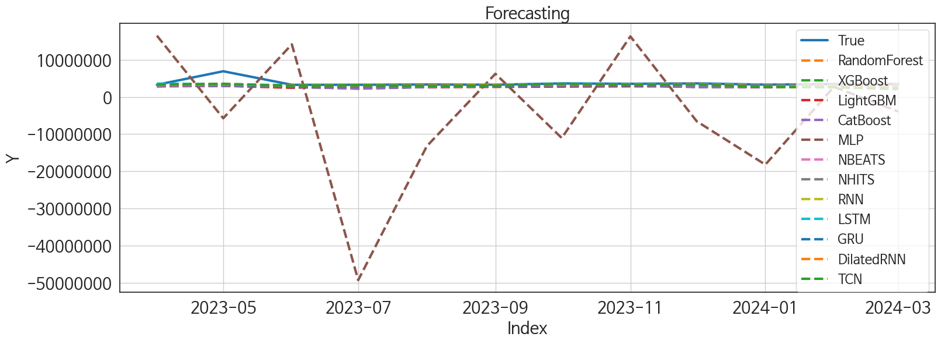
 | MSE | RMSE | MSPE | MAE | MAPE | MedAE | MedAPE
NBEATS | 1.157089949E+12 | 1075681.1558 | 0.02551996495 | 426980.4375 | 0.078676684337 | 135843.875 | 0.039565389973
NHITS | 1.2652045768E+12 | 1124813.1297 | 0.031197979709 | 555402.60417 | 0.11464088289 | 255665.75 | 0.074766316015
RNN | 1.1139976187E+12 | 1055460.8561 | 0.028016346726 | 528000.125 | 0.11048025681 | 302742.25 | 0.085187349363
DilatedRNN | 1.1147214386E+12 | 1055803.6932 | 0.028994927956 | 540750.8125 | 0.11493150236 | 293979.25 | 0.085892933241
TCN | 1.2322872957E+12 | 1110084.3642 | 0.043986991436 | 659511.70833 | 0.15095578979 | 284962.5 | 0.07919131625
LSTM | 1.138200993E+12 | 1066865.0304 | 0.031177938805 | 578503.875 | 0.12633203131 | 294438.25 | 0.086445014532
GRU | 1.2159959742E+12 | 1102722.0748 | 0.033560303744 | 617356.625 | 0.13613654353 | 371393.5 | 0.10441932302
RandomForest | 1.6327055611E+12 | 1277773.6736 | 0.057471060479 | 877429.68735 | 0.20863420841 | 632318.54162 | 0.19180190998
XGBoost | 1.6878081646E+12 | 1299156.7129 | 0.060941575611 | 883758.75 | 0.20999276319 | 660050.5 | 0.18983810852
CatBoost | 1.679505824E+12 | 1295957.4931 | 0.060532498811 | 884607.95091 | 0.21037898084 | 629340.46647 | 0.18313302891
LightGBM | 1.7015743545E+12 | 1304444.0787 | 0.06208400642 | 930892.23898 | 0.22339280103 | 683116.7515 | 0.20049209926
MLP | 3.7564644005E+14 | 19381600.554 | 33.083564136 | 14688609.25 | 4.1944772139 | 12711304.25 | 3.4620296003

Forecasting_전체
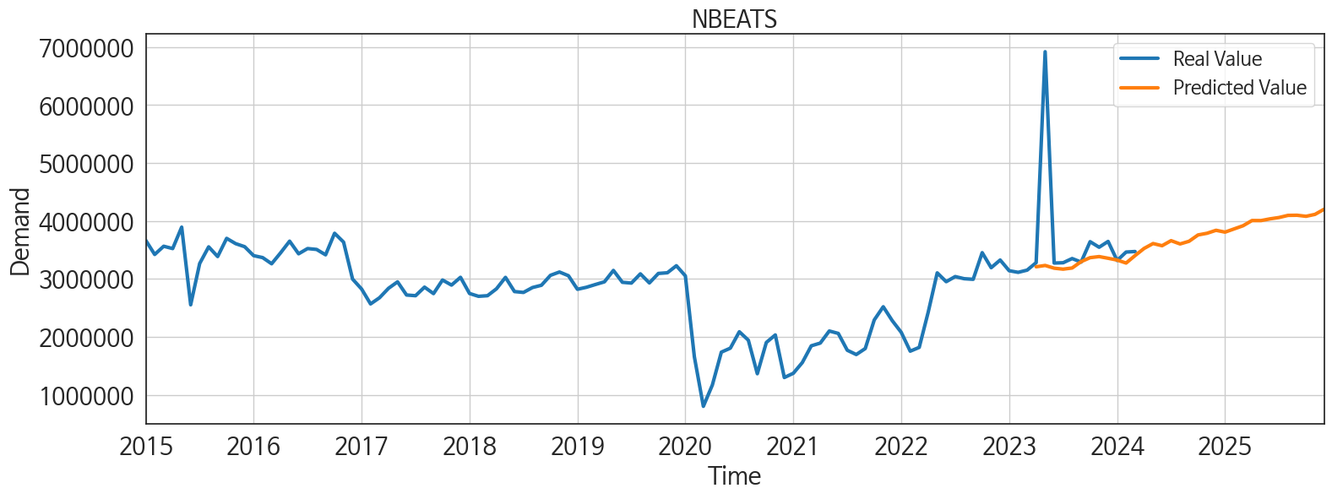
ds | unique_id | y | NBEATS | NHITS | RNN | DilatedRNN | TCN | LSTM | GRU | RandomForest | XGBoost | CatBoost | LightGBM | MLP
2023-04-01 | 1 | 3281372 | 3209957.25 | 3152500 | 3388371.5 | 3209468.25 | 3328565.25 | 3602737.5 | 3186574.5 | 2905411.7862 | 2914426 | 2913474.8831 | 2844105.0383 | 16508909
2023-05-01 | 1 | 6921600 | 3232945.5 | 3152500.25 | 3391520 | 3410640.5 | 3556425 | 3415491.5 | 3303425.25 | 3016078.481 | 2988824.25 | 2994699.7137 | 2996229.3925 | -5739085.5
2023-06-01 | 1 | 3274361 | 3186083.75 | 3152500.25 | 3050349 | 2987117 | 3029408 | 3028935.5 | 2725295 | 2652343.0867 | 2722987.5 | 2712965.0126 | 2462063.3841 | 14165833
2023-07-01 | 1 | 3279768 | 3169345.25 | 3152500.5 | 3180677.5 | 3104031 | 3186038 | 3152331.25 | 2949001.5 | 2414179.6451 | 2240371.5 | 2249788.4296 | 2894503.3693 | -49327156
2023-08-01 | 1 | 3352224 | 3189311.5 | 3152501.25 | 3014767.5 | 3000495.25 | 2956933.75 | 2859550.25 | 2940326 | 2676049.83 | 2672633 | 2672145.8742 | 2626744.6866 | -13252629
2023-09-01 | 1 | 3291100 | 3298762.75 | 3152501.75 | 3202956 | 3215638.25 | 3084509.75 | 3074373.25 | 3061460 | 2878093.7621 | 2891301.75 | 2892740.1109 | 2706828.0198 | 6241889.5
2023-10-01 | 1 | 3643417 | 3367579.25 | 3152501.25 | 3317956 | 3333809.25 | 3511008 | 3566379.5 | 3270672.25 | 3130349.8225 | 2969352 | 3031259.1929 | 2790699.1713 | -11054678
2023-11-01 | 1 | 3547176 | 3385911 | 3152501.5 | 3410940.75 | 3325006.75 | 3272113.5 | 3341544.75 | 3169287.25 | 3111203.514 | 3119839 | 3119440.2353 | 2872866.8104 | 16309099
2023-12-01 | 1 | 3647548 | 3357167.25 | 3152502 | 3343561.5 | 3502293.25 | 3352685.5 | 3380037 | 3432311.5 | 2731061.9263 | 2676677.25 | 2673387.3631 | 2804887.9231 | -6557849
2024-01-01 | 1 | 3318669 | 3326395.75 | 3152502.5 | 2965860.5 | 2744117.5 | 2695551.25 | 2916884 | 2948626.75 | 2676049.83 | 2672633 | 2672145.8742 | 2626744.6866 | -18221050
2024-02-01 | 1 | 3464111 | 3274700 | 3152502.25 | 3162613 | 3163396.5 | 2596612.75 | 3049203.5 | 3190637.5 | 3043807.1415 | 3344019.5 | 3274117.5365 | 2893579.727 | 2723631.5
2024-03-01 | 1 | 3473501 | 3403701.5 | 3152502.25 | 2943271.25 | 3009823.75 | 2105242.25 | 2808063.5 | 2908950 | 2731061.9263 | 2676677.25 | 2673387.3631 | 2804887.9231 | -3901935.5
2024-04-01 | 1 | 0 | 3526623 | 3152502 | 3060048.75 | 2880281.5 | 1979063.25 | 2794626.75 | 3060698 | 2310881.2095 | 2329365.75 | 2329099.1656 | 2430957.2453 | -7675519
2024-05-01 | 1 | 0 | 3611019 | 3152502 | 3367644.5 | 3364520.5 | 2662136.75 | 3510789 | 3089306.75 | 3121757.0172 | 3242008 | 3228099.2666 | 3022729.8309 | 7620087
2024-06-01 | 1 | 0 | 3573648.5 | 3152502 | 3218099 | 3045836 | 2381118 | 2708888.5 | 2851443.5 | 2824702.8319 | 2862355.5 | 2864018.891 | 2713656.0345 | -22370190
2024-07-01 | 1 | 0 | 3660756.75 | 3152502.25 | 3030124.75 | 2907143.5 | 2537133.5 | 2981599.25 | 2679586.5 | 2944349.1743 | 2928653.75 | 2932825.3905 | 2962130.7986 | 26564290
2024-08-01 | 1 | 0 | 3604046.75 | 3152502.25 | 3015422.25 | 2895911.25 | 2691324.75 | 3051903.5 | 2673022.25 | 3038435.073 | 3043010.25 | 3042449.787 | 2855286.254 | 13045284
2024-09-01 | 1 | 0 | 3650265.25 | 3152502.25 | 2988883.25 | 2907864.75 | 2612615.25 | 2944376.75 | 2428681.75 | 3086513.5344 | 3113884.25 | 3115469.9493 | 2920080.1654 | -21974512
2024-10-01 | 1 | 0 | 3759440.5 | 3152502.25 | 3245488.25 | 3016787.25 | 2240595.25 | 3082113.25 | 2390486.75 | 3059817.7663 | 3078905.5 | 3080398.9103 | 2782445.7405 | 1590507.5
2024-11-01 | 1 | 0 | 3788538.5 | 3152502 | 3111347.5 | 3248531 | 2356717.75 | 3103433.25 | 2153672 | 2905411.7862 | 2914426 | 2913474.8831 | 2844105.0383 | -7594990.5
2024-12-01 | 1 | 0 | 3839723 | 3152502.25 | 3275268.5 | 3257016.5 | 2443561 | 3193888 | 2574309.75 | 2519590.8381 | 2531378.75 | 2532864.8404 | 2627829.2579 | 3076205.5
2025-01-01 | 1 | 0 | 3808182.75 | 3152502.75 | 3052940.75 | 3018811.75 | 2782553 | 2970788.75 | 2538115.75 | 3003043.0372 | 3000941.75 | 3002141.6237 | 3022729.8309 | -18543250
2025-02-01 | 1 | 0 | 3862500.25 | 3152502 | 2258928.75 | 2428668 | 1877138.125 | 2477286.5 | 1500316.125 | 2768917.7227 | 2841466.75 | 2839539.437 | 2720301.8003 | 20709414
2025-03-01 | 1 | 0 | 3918111.25 | 3152501.75 | 1757311 | 2212829.5 | 1829284.75 | 2540610.25 | 874234.5 | 3624270.223 | 3647472.25 | 3644067.4154 | 3018156.1675 | -25402770
2025-04-01 | 1 | 0 | 4008163 | 3152501.75 | 2044267 | 2611065.75 | 2032604 | 2734669 | 1044742.5 | 3111203.514 | 3119839 | 3119440.2353 | 2872866.8104 | 27552616
2025-05-01 | 1 | 0 | 4007408 | 3152502 | 2354871 | 2800605 | 2568801 | 2900738.25 | 2053957 | 2545323.636 | 2101937.5 | 2125240.0486 | 3053265.8961 | 8704109
2025-06-01 | 1 | 0 | 4037032.5 | 3152502 | 2535241.25 | 2666245.75 | 2386635.5 | 2794436 | 1787906 | 2652343.0867 | 2722987.5 | 2712965.0126 | 2462063.3841 | 1941165.5
2025-07-01 | 1 | 0 | 4060179.25 | 3152502 | 2556284.5 | 2872420 | 2320636 | 2916805.5 | 1963249 | 2944349.1743 | 2928653.75 | 2932825.3905 | 2962130.7986 | 11389222
2025-08-01 | 1 | 0 | 4097172.25 | 3152502 | 2892802.25 | 3054702.75 | 2473080 | 3174786.25 | 1997623.125 | 2731061.9263 | 2676677.25 | 2673387.3631 | 2804887.9231 | 27426338
2025-09-01 | 1 | 0 | 4099446.75 | 3152502 | 2086352.375 | 2596153.5 | 1807093.25 | 2663226.5 | 1435838.875 | 3111203.514 | 3119839 | 3119440.2353 | 2872866.8104 | 124757608
2025-10-01 | 1 | 0 | 4081235 | 3152501.75 | 2768211 | 3041088.75 | 2688216.5 | 3020355.75 | 2265675.75 | 3003043.0372 | 3000941.75 | 3002141.6237 | 3022729.8309 | 334907584
2025-11-01 | 1 | 0 | 4114394.75 | 3152501 | 2819592.25 | 2765919.5 | 2726067.5 | 3072902.75 | 2402542 | 2905411.7862 | 2914426 | 2913474.8831 | 2844105.0383 | 399302400
2025-12-01 | 1 | 0 | 4202335.5 | 3152501 | 2206129.5 | 2731764.25 | 2641983.75 | 2913983.5 | 1532109.75 | 2676049.83 | 2672633 | 2672145.8742 | 2626744.6866 | 562155264

Performance_주말
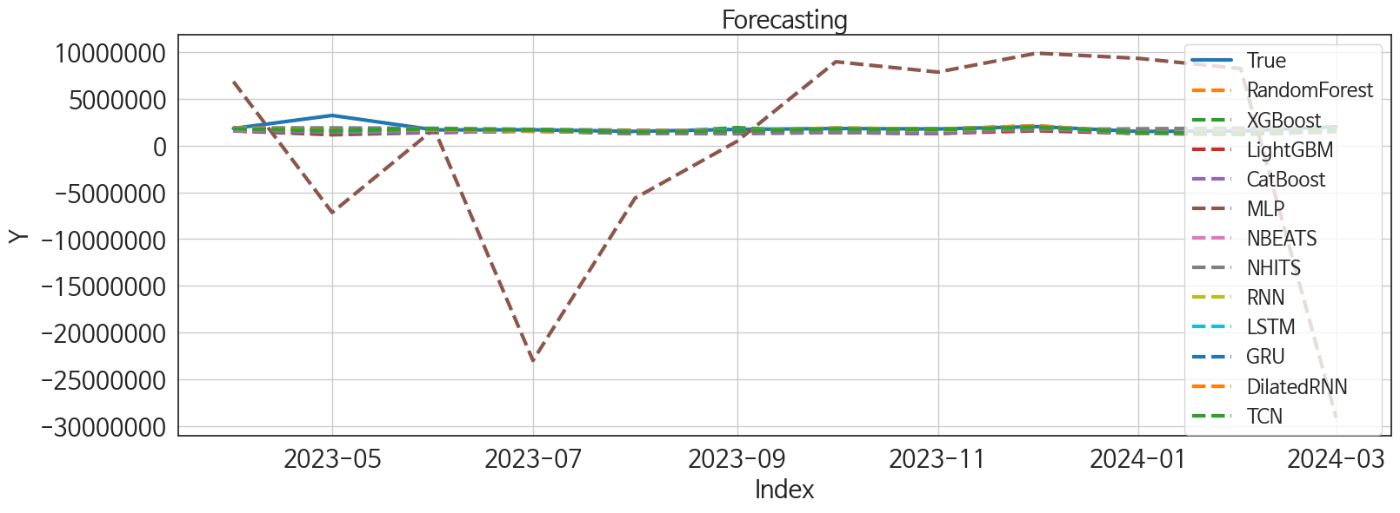
 | MSE | RMSE | MSPE | MAE | MAPE | MedAE | MedAPE
GRU | 2.1841347783E+11 | 467347.27755 | 0.024570151673 | 223098.39583 | 0.094324587704 | 81325.125 | 0.050699930705
TCN | 2.4275747492E+11 | 492704.24691 | 0.02790162688 | 241392.94792 | 0.10292833732 | 86835.5 | 0.050425442016
LSTM | 2.4301309024E+11 | 492963.57902 | 0.027837059992 | 238034.625 | 0.10135113609 | 92496.4375 | 0.052065804776
RNN | 2.376892339E+11 | 487533.82846 | 0.02721092314 | 231430.53125 | 0.098475830828 | 127109.9375 | 0.077718708563
NBEATS | 2.1380112569E+11 | 462386.33813 | 0.02507193854 | 241069.21875 | 0.1035800111 | 100352.125 | 0.062462498295
DilatedRNN | 2.2845732859E+11 | 477972.10022 | 0.02664816016 | 241195.6875 | 0.10336650773 | 129680.25 | 0.071287258273
NHITS | 1.9402481832E+11 | 440482.48356 | 0.029563539858 | 296110.75 | 0.14109900557 | 195482.5 | 0.10979345892
RandomForest | 3.9876166822E+11 | 631475.78593 | 0.05899126159 | 427519.69018 | 0.20207097816 | 264222.56978 | 0.15561206476
XGBoost | 4.5602060269E+11 | 675292.97545 | 0.065346794373 | 448327.48958 | 0.21063778076 | 269849.3125 | 0.1556169209
CatBoost | 3.8199296721E+11 | 618055.79619 | 0.060208331971 | 441586.35639 | 0.21200499203 | 272799.7787 | 0.16813379559
LightGBM | 4.3095842701E+11 | 656474.23941 | 0.063096380848 | 449890.06999 | 0.21207913104 | 289863.07555 | 0.17972107948
MLP | 1.6806396649E+14 | 12963948.723 | 48.355277675 | 9602327.25 | 5.1801636853 | 7142389.75 | 3.8907236258

Forecasting_주말
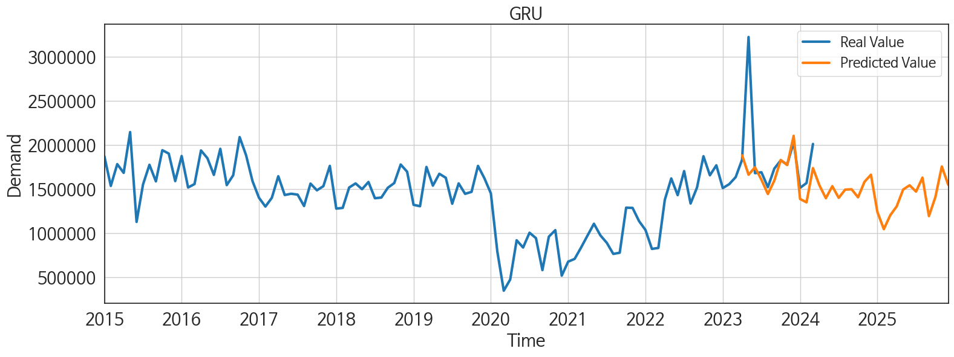
ds | unique_id | y | GRU | TCN | LSTM | RNN | NBEATS | DilatedRNN | NHITS | RandomForest | XGBoost | CatBoost | LightGBM | MLP
2023-04-01 | 1 | 1831775 | 1881027.875 | 1783042 | 1918696.5 | 1828108.125 | 1699556.5 | 1877148.5 | 1890038.625 | 1577056.3732 | 1573084.5 | 1573140.7881 | 1585893.3939 | 6841545
2023-05-01 | 1 | 3222240 | 1660794.25 | 1586031.25 | 1580643 | 1598326.875 | 1706143.25 | 1643963.75 | 1890016.5 | 1311097.9657 | 1147885 | 1407300.0918 | 1235633.8377 | -7156669
2023-06-01 | 1 | 1678704 | 1744866.625 | 1772906 | 1659510.875 | 1672841.125 | 1674776.375 | 1687529.5 | 1844172.875 | 1404977.4873 | 1397695.875 | 1397348.8951 | 1430026.0112 | 1782819
2023-07-01 | 1 | 1688805 | 1603415.125 | 1671789.25 | 1529770.25 | 1641789 | 1580422.125 | 1539802.75 | 1739550 | 1577056.3732 | 1573084.5 | 1573140.7881 | 1585893.3939 | -22982858
2023-08-01 | 1 | 1519750 | 1442489.625 | 1468622.25 | 1479210.625 | 1413417.25 | 1612071.375 | 1526710.625 | 1634886 | 1294574.8831 | 1301152.25 | 1301223.0948 | 1296976.7704 | -5624222.5
2023-09-01 | 1 | 1730278 | 1593462.875 | 1535988.625 | 1632206.625 | 1582390.875 | 1646030 | 1529132.125 | 1530195.75 | 1616382.6416 | 1920173.375 | 1259751.8974 | 1505980.4848 | 458287.5
2023-10-01 | 1 | 1823506 | 1827731.875 | 1784449 | 1869152 | 1831194 | 1741602.25 | 1891940.625 | 1490013.625 | 1404977.4873 | 1397695.875 | 1397348.8951 | 1430026.0112 | 8964313
2023-11-01 | 1 | 1776440 | 1769922.25 | 1696971 | 1761180.5 | 1621454.25 | 1792734.625 | 1731571.625 | 1591777.25 | 1294574.8831 | 1301152.25 | 1301223.0948 | 1296976.7704 | 7857252.5
2023-12-01 | 1 | 2030693 | 2101399.5 | 1979209 | 1989082 | 2020832 | 1783036.375 | 2141051.25 | 1693560.125 | 1782518.6936 | 1805938.75 | 1805096.8003 | 1585893.3939 | 9880277
2024-01-01 | 1 | 1512083 | 1385665.375 | 1385649.375 | 1286823 | 1301476.375 | 1717228.25 | 1328095.125 | 1795351.875 | 1294574.8831 | 1301152.25 | 1301223.0948 | 1296976.7704 | 9322751
2024-02-01 | 1 | 1566682 | 1347644.625 | 1314378.875 | 1376366.125 | 1390440.25 | 1646643.125 | 1386669.75 | 1868652.125 | 1226555.371 | 1199544.875 | 1302437.5475 | 1235633.8377 | 8224925.5
2024-03-01 | 1 | 2009616 | 1735667 | 1703224 | 1716650 | 1726511.5 | 1684941.875 | 1692513.125 | 1818733.25 | 1475988.6759 | 1471873.375 | 1472300.7355 | 1505980.4848 | -29097776
2024-04-01 | 1 | 0 | 1540944.125 | 1429018.625 | 1434985.75 | 1445237 | 1780438.75 | 1390547.375 | 1768786.875 | 1294574.8831 | 1301152.25 | 1301223.0948 | 1296976.7704 | -13558821
2024-05-01 | 1 | 0 | 1394782.25 | 1508875.5 | 1480049.5 | 1511017.75 | 1918910.625 | 1412659.625 | 1718849.75 | 1010955.7823 | 1006218.875 | 1008050.3385 | 1357112.0148 | 11437883
2024-06-01 | 1 | 0 | 1530657.625 | 1515144.125 | 1569171.375 | 1484779.625 | 1857128 | 1454143.5 | 1672093.625 | 1577056.3732 | 1573084.5 | 1573140.7881 | 1585893.3939 | -27280610
2024-07-01 | 1 | 0 | 1398590.375 | 1355384 | 1393931.75 | 1468301.5 | 1790162 | 1368704.25 | 1673157.875 | 1294574.8831 | 1301152.25 | 1301223.0948 | 1296976.7704 | 26875498
2024-08-01 | 1 | 0 | 1491929.75 | 1547049.625 | 1532928.125 | 1490651.125 | 1677914.5 | 1434320.625 | 1674206.875 | 1577056.3732 | 1573084.5 | 1573140.7881 | 1585893.3939 | 8046869
2024-09-01 | 1 | 0 | 1495680.875 | 1450477.375 | 1483242.125 | 1515870.125 | 1754288.25 | 1413129.75 | 1675267.625 | 1404977.4873 | 1397695.875 | 1397348.8951 | 1430026.0112 | -20636708
2024-10-01 | 1 | 0 | 1404560.375 | 1422774.125 | 1376159.625 | 1196800 | 1894333.125 | 1339671.625 | 1676344.125 | 1294574.8831 | 1301152.25 | 1301223.0948 | 1296976.7704 | 75854240
2024-11-01 | 1 | 0 | 1580654.125 | 1555675.375 | 1650532.5 | 1641508 | 2038888.25 | 1607548 | 1650804.75 | 1577056.3732 | 1573084.5 | 1573140.7881 | 1585893.3939 | 94693184
2024-12-01 | 1 | 0 | 1660990.25 | 1624822 | 1638336.125 | 1417777.875 | 2125874.75 | 1601672.875 | 1623489.375 | 1404977.4873 | 1397695.875 | 1397348.8951 | 1430026.0112 | 71228328
2025-01-01 | 1 | 0 | 1238764.25 | 1294978.625 | 1304571.75 | 1191125.875 | 2057758.75 | 1262013.375 | 1596169.5 | 1404977.4873 | 1397695.875 | 1397348.8951 | 1430026.0112 | 80643512
2025-02-01 | 1 | 0 | 1043854.5 | 1201762.75 | 1133242.625 | 1054246.875 | 2058446.75 | 1083041.75 | 1568833 | 1294574.8831 | 1301152.25 | 1301223.0948 | 1296976.7704 | 77911320
2025-03-01 | 1 | 0 | 1201386 | 1528198.625 | 1454060.25 | 1358636.125 | 2031496.875 | 1221429.875 | 1562718 | 1532445.604 | 1521003.625 | 1520934.0128 | 1505980.4848 | 86174936
2025-04-01 | 1 | 0 | 1302534.25 | 1433418.875 | 1477456.875 | 1419496.625 | 2138915.25 | 1418916.625 | 1561431.625 | 1294574.8831 | 1301152.25 | 1301223.0948 | 1296976.7704 | 98695368
2025-05-01 | 1 | 0 | 1492914.125 | 1659548 | 1578131.75 | 1605559 | 2198296.5 | 1483176.75 | 1560153.875 | 1577056.3732 | 1573084.5 | 1573140.7881 | 1585893.3939 | 82349008
2025-06-01 | 1 | 0 | 1540859.125 | 1621589.625 | 1546813.875 | 1468671.625 | 2161330.5 | 1550611.375 | 1558886.25 | 1010955.7823 | 1006218.875 | 1008050.3385 | 1357112.0148 | 72016864
2025-07-01 | 1 | 0 | 1469352.5 | 1532251 | 1521049.5 | 1415956.625 | 2102161.75 | 1474670 | 1622583.5 | 1294574.8831 | 1301152.25 | 1301223.0948 | 1296976.7704 | 86760872
2025-08-01 | 1 | 0 | 1627652.75 | 1651757.5 | 1793065.25 | 1711299 | 2118349.25 | 1704974 | 1715751.75 | 1475988.6759 | 1471873.375 | 1472300.7355 | 1505980.4848 | 55034808
2025-09-01 | 1 | 0 | 1191998.25 | 1298321.5 | 1244180.5 | 1257652 | 2126174.5 | 1387105.75 | 1808918 | 1294574.8831 | 1301152.25 | 1301223.0948 | 1296976.7704 | 78570952
2025-10-01 | 1 | 0 | 1406125.625 | 1411642.25 | 1444677.25 | 1485792.25 | 2095500.375 | 1452085.125 | 1902095 | 1657209.0871 | 1444086.5 | 1519225.7991 | 1357112.0148 | 124557400
2025-11-01 | 1 | 0 | 1754309.375 | 1867259.75 | 1739429.125 | 1708508.25 | 2036192.625 | 1859886.375 | 1942895.5 | 1577056.3732 | 1573084.5 | 1573140.7881 | 1585893.3939 | 130749320
2025-12-01 | 1 | 0 | 1546482.375 | 1603145.375 | 1592069 | 1415491.375 | 2123972 | 1641362.5 | 1942969.75 | 1294574.8831 | 1301152.25 | 1301223.0948 | 1296976.7704 | 270904832

Performance_주중
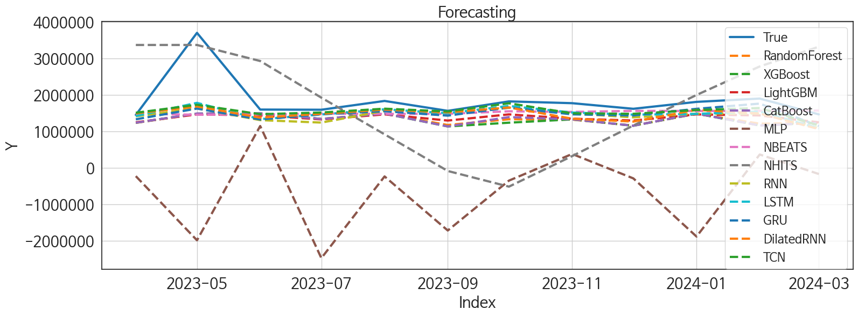
 | MSE | RMSE | MSPE | MAE | MAPE | MedAE | MedAPE
TCN | 3.556726259E+11 | 596382.95239 | 0.034855568513 | 310078.23958 | 0.13072136806 | 175064.3125 | 0.10053620606
NBEATS | 4.6050126329E+11 | 678602.43389 | 0.043184535546 | 350929.36458 | 0.14426896246 | 187916.5 | 0.11033214017
GRU | 4.021361126E+11 | 634142.02873 | 0.04196958807 | 359503.82292 | 0.15894455555 | 186721.125 | 0.10929443382
LSTM | 3.598787371E+11 | 599898.93907 | 0.041124825009 | 353871.61458 | 0.15806787056 | 242851.25 | 0.13496636736
DilatedRNN | 4.0805370339E+11 | 638790.81349 | 0.049124158303 | 386822.27083 | 0.17486052516 | 228523 | 0.13364417766
RNN | 4.2875180165E+11 | 654791.41843 | 0.05156810006 | 406751.9375 | 0.18560880498 | 285572.1875 | 0.16905625851
LightGBM | 5.1100411534E+11 | 714845.51852 | 0.06212360477 | 468826.56864 | 0.21673995402 | 332633.0833 | 0.19272086464
CatBoost | 5.514694719E+11 | 742609.9056 | 0.077382914347 | 515408.70981 | 0.24424738336 | 386807.18372 | 0.21259838988
RandomForest | 5.5145649719E+11 | 742601.16967 | 0.076659380387 | 516156.11461 | 0.24439318664 | 370689.47598 | 0.22073214567
XGBoost | 5.6597978559E+11 | 752316.28029 | 0.081521359668 | 529044.08333 | 0.25167186147 | 388229.3125 | 0.22055844098
NHITS | 1.7718113335E+12 | 1331094.0363 | 0.67485066034 | 1137472.9648 | 0.68627807813 | 1123619.6875 | 0.65945335124
MLP | 7.9972251054E+12 | 2827936.5455 | 2.1287156242 | 2464791.793 | 1.3250207191 | 1989308.3438 | 1.1695000039

Forecasting_주중
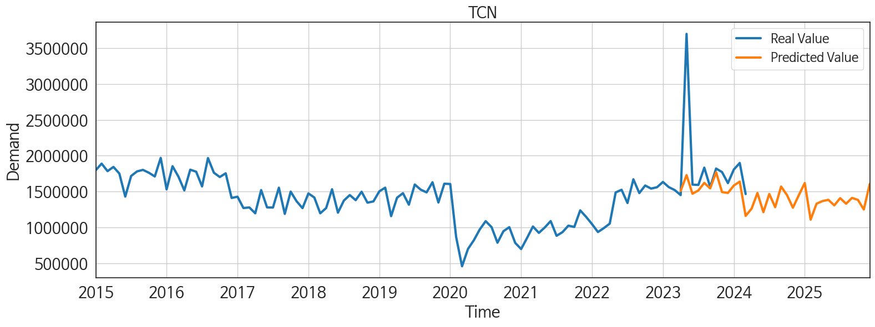
ds | unique_id | y | TCN | NBEATS | GRU | LSTM | DilatedRNN | RNN | LightGBM | CatBoost | RandomForest | XGBoost | NHITS | MLP
2023-04-01 | 1 | 1449597 | 1508140.375 | 1479137.5 | 1328482.125 | 1419313.125 | 1490509.25 | 1409436.125 | 1246216.311 | 1234342.6542 | 1231191.0711 | 1234547.875 | 3367019.75 | -230283.67188
2023-05-01 | 1 | 3699360 | 1727789.25 | 1453901.125 | 1623148.375 | 1779503 | 1682833.875 | 1630606.75 | 1463777.9188 | 1486643.6484 | 1479461.2672 | 1483729.25 | 3367020 | -1988878.5
2023-06-01 | 1 | 1595657 | 1468317.5 | 1459812.25 | 1323990 | 1333263.75 | 1374969.75 | 1306365.375 | 1435000.5035 | 1491106.2978 | 1483025.4738 | 1491449.625 | 2927240.5 | 1144208.875
2023-07-01 | 1 | 1590963 | 1514410.25 | 1487305.375 | 1468185.125 | 1461171.25 | 1479026.125 | 1238950.75 | 1325968.9346 | 1337989.7487 | 1337960.8775 | 1337818.125 | 1922029.125 | -2478484.5
2023-08-01 | 1 | 1832474 | 1619806 | 1477078.75 | 1550159.125 | 1603247.375 | 1596115.25 | 1561002.75 | 1463777.9188 | 1486643.6484 | 1479461.2672 | 1483729.25 | 916818.125 | -238028.1875
2023-09-01 | 1 | 1560822 | 1543127.5 | 1479298.375 | 1429460.375 | 1496762.625 | 1519878 | 1502140.25 | 1294396.9146 | 1133037.9841 | 1172455.7808 | 1133108.125 | -88393.046875 | -1720805.375
2023-10-01 | 1 | 1819911 | 1768315.5 | 1548621 | 1650381.5 | 1694701.75 | 1652434.75 | 1643700.25 | 1463777.9188 | 1389550.1254 | 1330843.0774 | 1236039.375 | -517670.03125 | -352761.28125
2023-11-01 | 1 | 1770736 | 1491596.625 | 1530747.75 | 1464484 | 1514260.125 | 1345547.375 | 1488883.25 | 1346048.1083 | 1327784.2537 | 1319821.9401 | 1326629.625 | 320106.875 | 378053.71875
2023-12-01 | 1 | 1616855 | 1479394.375 | 1560215.875 | 1433999.25 | 1456609.25 | 1266096.875 | 1383467.125 | 1294396.9146 | 1152450.0826 | 1156925.1733 | 1151619.375 | 1157883.375 | -291259.5
2024-01-01 | 1 | 1806586 | 1582657.375 | 1556453.375 | 1615999.5 | 1476060.125 | 1588196 | 1483315.75 | 1463777.9188 | 1486643.6484 | 1479461.2672 | 1483729.25 | 1995659.75 | -1886393.375
2024-02-01 | 1 | 1897429 | 1637751.625 | 1561701.125 | 1759045.125 | 1543041.25 | 1487369.75 | 1486884.875 | 1435000.5035 | 1158835.7363 | 1208603.358 | 1158798.25 | 2777909 | 363229.09375
2024-03-01 | 1 | 1463885 | 1159116.5 | 1569838.875 | 1142894.625 | 1079882 | 1061255.25 | 1088498.5 | 1246216.311 | 1234342.6542 | 1231191.0711 | 1234547.875 | 3319541.75 | -171823.8125
2024-04-01 | 1 | 0 | 1259132 | 1618884.625 | 1191729.625 | 1120773.25 | 985107.75 | 926701.375 | 1463777.9188 | 1472524.0834 | 1468368.3727 | 1474535.875 | 3861173.25 | 490736.4375
2024-05-01 | 1 | 0 | 1478791.875 | 1653967.25 | 1501700.5 | 1411506.5 | 1217831.25 | 1342672.125 | 1463777.9188 | 1329079.1696 | 1260219.1482 | 1026867.8125 | 4402805.5 | -517661.34375
2024-06-01 | 1 | 0 | 1210393.25 | 1653076.625 | 1189670.5 | 1272479.875 | 1132628 | 1167768 | 1294396.9146 | 1152450.0826 | 1156925.1733 | 1151619.375 | 4886945.5 | -731774.875
2024-07-01 | 1 | 0 | 1464710.875 | 1643904.5 | 1603558.75 | 1439218.125 | 1295346.875 | 1470297.625 | 1346048.1083 | 1442000.9468 | 1452941.2516 | 1449161.75 | 4508701.5 | -404856.90625
2024-08-01 | 1 | 0 | 1280346.875 | 1636456.5 | 1395630 | 1265208.375 | 1091471 | 1228704 | 1435000.5035 | 1491106.2978 | 1483025.4738 | 1491449.625 | 4130458.75 | 504303.0625
2024-09-01 | 1 | 0 | 1568747.875 | 1643381.5 | 1476878.5 | 1496374.5 | 1442426.25 | 1351840.25 | 1435000.5035 | 1546946.084 | 1503492.5533 | 1455460.625 | 3752215 | -2437550.5
2024-10-01 | 1 | 0 | 1448785.125 | 1706926.5 | 1421793 | 1430873.25 | 1373106.75 | 1230448.875 | 1463777.9188 | 1543780.5402 | 1543803.5852 | 1543780.5 | 3373971.25 | 219622.14062
2024-11-01 | 1 | 0 | 1273526.625 | 1704767.375 | 1103648.875 | 1205927.25 | 1168751.875 | 999211 | 1246216.311 | 1234342.6542 | 1231191.0711 | 1234547.875 | 3785582.5 | 1276217.375
2024-12-01 | 1 | 0 | 1448068.75 | 1781129.25 | 1272333.25 | 1445396.75 | 1322817 | 1403000.875 | 1463777.9188 | 1472524.0834 | 1468368.3727 | 1474535.875 | 4249849.5 | -1393320.125
2025-01-01 | 1 | 0 | 1617197.25 | 1848869 | 1238838.75 | 1577785.125 | 1635657.5 | 1451128.125 | 1463777.9188 | 1497213.3821 | 1451685.6517 | 1497756.625 | 4714117.5 | -1519798.375
2025-02-01 | 1 | 0 | 1106708.125 | 1830492.5 | 832325.0625 | 1108339.125 | 1126800.375 | 879784.75 | 1246216.311 | 1234342.6542 | 1231191.0711 | 1234547.875 | 5178385 | -686889.3125
2025-03-01 | 1 | 0 | 1329176.75 | 1894801.75 | 910978.8125 | 1317733.25 | 1305869.875 | 873183.8125 | 1435000.5035 | 1491106.2978 | 1483025.4738 | 1491449.625 | 4203621 | -859781.25
2025-04-01 | 1 | 0 | 1365741.75 | 1866472.5 | 936709 | 1467007 | 1499973.375 | 1197896.375 | 1346048.1083 | 1327784.2537 | 1319821.9401 | 1326629.625 | 2896776 | 1936102.75
2025-05-01 | 1 | 0 | 1383180.875 | 1914133 | 1175124 | 1331825.75 | 1304837.125 | 1250269.375 | 1435000.5035 | 1083876.8827 | 1214417.715 | 902389.1875 | 1589928.375 | 578937.625
2025-06-01 | 1 | 0 | 1305964.625 | 1940886.375 | 828468.5 | 1290213.5 | 1342231.375 | 1035426.25 | 1325968.9346 | 1337989.7487 | 1337960.8775 | 1337818.125 | 283083.375 | 45221.660156
2025-07-01 | 1 | 0 | 1406389.875 | 1922808.125 | 1037010.375 | 1392496.125 | 1597275.25 | 1068603 | 1346048.1083 | 1442000.9468 | 1452941.2516 | 1449161.75 | 2141665.5 | 3649840
2025-08-01 | 1 | 0 | 1328947.5 | 1934629.5 | 1015299.875 | 1277249.875 | 1397321.5 | 1207831.125 | 1246216.311 | 1234342.6542 | 1231191.0711 | 1234547.875 | 5439068 | 6965079
2025-09-01 | 1 | 0 | 1409947.875 | 1979692.625 | 1080617.25 | 1589627.375 | 1562137.375 | 1208567.375 | 1346048.1083 | 1327784.2537 | 1319821.9401 | 1326629.625 | 8736477 | 9243377
2025-10-01 | 1 | 0 | 1382710.5 | 1951668.875 | 1077603 | 1474756.5 | 1618341.125 | 1219815.125 | 1463777.9188 | 1187663.429 | 1408725.3465 | 1022715.1875 | 12033879 | 20208116
2025-11-01 | 1 | 0 | 1248478.125 | 1930463.875 | 1034601.875 | 1305394.375 | 1283063.5 | 1129848.75 | 1246216.311 | 1234342.6542 | 1231191.0711 | 1234547.875 | 13476493 | 33548888
2025-12-01 | 1 | 0 | 1604714.875 | 1940879.125 | 1498642.5 | 1755530.75 | 1789507 | 1527250.5 | 1463777.9188 | 1486643.6484 | 1479461.2672 | 1483729.25 | 13476492 | 56131876

