Performance_전체
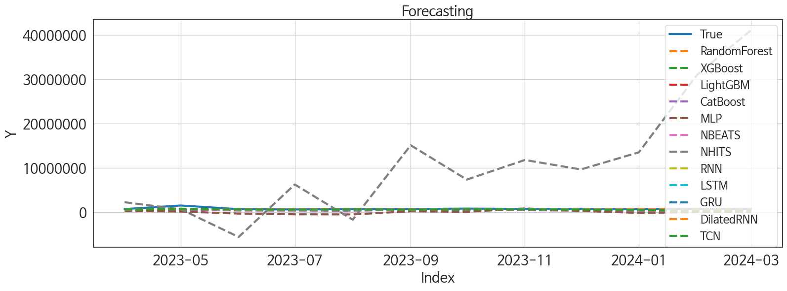
 | MSE | RMSE | MSPE | MAE | MAPE | MedAE | MedAPE
NBEATS | 54236011274 | 232886.26253 | 0.02482377155 | 91871.479167 | 0.077317052638 | 23287.03125 | 0.03067446102
GRU | 57245335763 | 239259.97526 | 0.035351065593 | 133592 | 0.13311806433 | 67458.375 | 0.089462264722
LSTM | 57115709900 | 238988.93259 | 0.032890241003 | 137523.375 | 0.13773333072 | 76112.5625 | 0.10016478464
RNN | 53834619954 | 232022.8867 | 0.037126323247 | 148223.22917 | 0.1551399226 | 87796.59375 | 0.11543570917
DilatedRNN | 63547754402 | 252086.79934 | 0.039251123533 | 150041.10938 | 0.15207760231 | 97832.5 | 0.12608808043
TCN | 80307528016 | 283385.82889 | 0.072125413006 | 202645.14583 | 0.22192964668 | 142288.21875 | 0.17548753437
XGBoost | 1.527676571E+11 | 390855.03336 | 0.16070996201 | 335107.16667 | 0.38955964681 | 278532.09375 | 0.36465619721
RandomForest | 1.5855801782E+11 | 398193.44272 | 0.16964748951 | 344631.39289 | 0.40148752701 | 295322.3848 | 0.38229269436
LightGBM | 1.7013448427E+11 | 412473.61645 | 0.17418785976 | 351140.1812 | 0.40605275172 | 295022.11533 | 0.39493541105
CatBoost | 1.6323257877E+11 | 404020.51776 | 0.17771794736 | 351377.48695 | 0.41022340666 | 301458.32145 | 0.39534909151
MLP | 7.0712430216E+11 | 840906.83322 | 1.1130604317 | 768546.17383 | 0.9619818239 | 739335.58984 | 0.88563713133
NHITS | 2.6907005262E+14 | 16403354.92 | 455.88726099 | 11729948.536 | 15.36249014 | 7697307.5 | 9.8979643623

Forecasting_전체
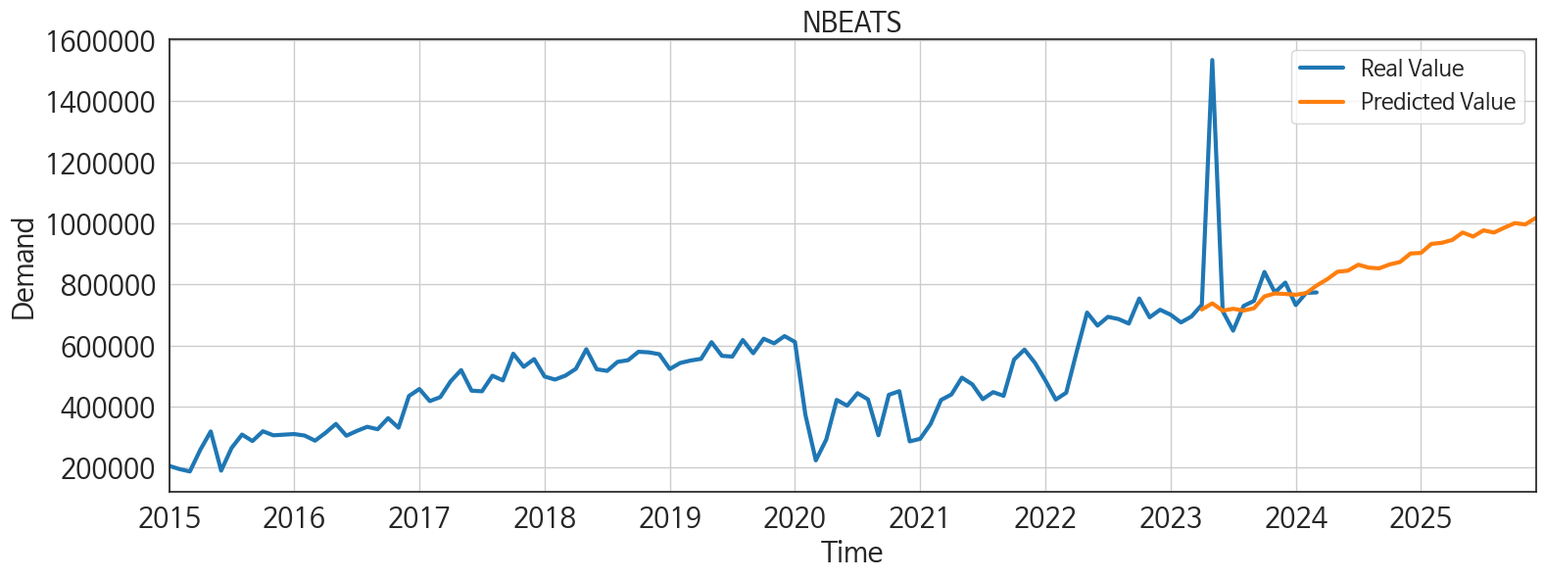
ds | unique_id | y | NBEATS | GRU | LSTM | RNN | DilatedRNN | TCN | XGBoost | RandomForest | LightGBM | CatBoost | MLP | NHITS
2023-04-01 | 1 | 733238 | 717939.5 | 704050.5625 | 669779.75 | 635888.9375 | 673750.125 | 652748.5625 | 493747.96875 | 496624.24858 | 491361.91426 | 493678.24459 | 311260.625 | 2272150
2023-05-01 | 1 | 1534990 | 737984.625 | 771529.125 | 758223.5625 | 819874.625 | 732205.875 | 761527.875 | 553531.125 | 551996.47267 | 482262.54549 | 553959.75139 | 175282.96875 | 696317.8125
2023-06-01 | 1 | 712496 | 714080.375 | 659197.375 | 652487.4375 | 636117.125 | 634820.875 | 657557 | 452017.28125 | 455312.80758 | 449044.79991 | 457114.50646 | -284044.75 | -5557725
2023-07-01 | 1 | 648470 | 720170.75 | 648255.4375 | 677386.25 | 673453.6875 | 630498.4375 | 624115.625 | 437023.09375 | 441053.55804 | 462160.71703 | 437092.32533 | -442144.09375 | 6272862.5
2023-08-01 | 1 | 729354 | 714426.8125 | 653414.375 | 657055.25 | 690968.875 | 682629.625 | 672910.5625 | 429133.1875 | 434991.44416 | 437900.9863 | 429401.17855 | -470379.75 | -1665815.75
2023-09-01 | 1 | 745932 | 721942.5625 | 662423.625 | 671315 | 630404.6875 | 651786.4375 | 630329 | 551745.1875 | 540086.86867 | 494718.0291 | 551387.33289 | 231067.32812 | 15120690
2023-10-01 | 1 | 840753 | 760817.8125 | 781775.875 | 745812.5625 | 736775.0625 | 727972.625 | 677565.3125 | 565132.125 | 544470.78624 | 545172.78305 | 521737.70546 | 107348.53125 | 7373610
2023-11-01 | 1 | 773778 | 770357.0625 | 724561.5 | 696169.875 | 695533.875 | 661025.25 | 652389.25 | 492334.6875 | 494450.44193 | 471798.3713 | 491975.32602 | 885428 | 11800966
2023-12-01 | 1 | 805939 | 768675.75 | 748613.25 | 715983.3125 | 727935.125 | 704419.5625 | 627258.1875 | 427604.25 | 430962.24989 | 449035.83203 | 428480.47572 | 306697.15625 | 9667697
2024-01-01 | 1 | 732365 | 766095 | 655701.4375 | 672732.625 | 658697.125 | 684245.4375 | 549850.5 | 429133.1875 | 434991.44416 | 437900.9863 | 429401.17855 | -132060.0625 | 13534719
2024-02-01 | 1 | 772313 | 771294.875 | 663399.8125 | 692679.0625 | 630394.625 | 662911.8125 | 415522.8125 | 523084.65625 | 411897.71355 | 419302.02876 | 364138.65586 | 27046.289062 | 30964046
2024-03-01 | 1 | 773749 | 796333.625 | 527350.625 | 601304.3125 | 538621.875 | 556617.625 | 449860.5625 | 427604.25 | 430962.24989 | 449035.83203 | 428480.47572 | 88620.671875 | 41075116
2024-04-01 | 1 | 0 | 816603.6875 | 516568.25 | 617691.0625 | 619224.25 | 630792.625 | 313587.40625 | 387820.96875 | 388428.54576 | 406302.85622 | 387503.08201 | 375178.4375 | 37131596
2024-05-01 | 1 | 0 | 841476.3125 | 661656.875 | 732936.5 | 705831.75 | 712879.5 | 460447.5 | 576451.9375 | 576134.35821 | 545172.78305 | 542712.86189 | -475626.53125 | 37129632
2024-06-01 | 1 | 0 | 844972.1875 | 533936.25 | 617174.9375 | 582425.4375 | 610147.8125 | 345065.125 | 544047.6875 | 535512.10168 | 471954.404 | 542759.1136 | -657460.5 | 94633232
2024-07-01 | 1 | 0 | 864543.5 | 483952.90625 | 675925.9375 | 585146.8125 | 616291.9375 | 410338.96875 | 563636.5 | 529777.43101 | 478196.44445 | 560431.73438 | 236113.70312 | 94364672
2024-08-01 | 1 | 0 | 854875.1875 | 619613.25 | 646279.75 | 606838.875 | 653687.875 | 390718.71875 | 472471.90625 | 470436.39898 | 449035.83203 | 472195.77942 | 768247.0625 | 97961304
2024-09-01 | 1 | 0 | 852564.0625 | 465273.9375 | 593338.5 | 537618.6875 | 553180.3125 | 344557.09375 | 523996.625 | 514930.99833 | 482212.26632 | 523691.39626 | -184260.60938 | 99795968
2024-10-01 | 1 | 0 | 865379.625 | 539551 | 637298 | 566741.8125 | 601438.0625 | 470844.40625 | 600816.75 | 583478.49776 | 482262.54549 | 599070.56452 | 298242.25 | 95435144
2024-11-01 | 1 | 0 | 873475 | 413590.40625 | 555174.6875 | 466413.0625 | 475062.875 | 357617.15625 | 493747.96875 | 496624.24858 | 491361.91426 | 493678.24459 | 486632.4375 | 95374944
2024-12-01 | 1 | 0 | 901319.5 | 492722.65625 | 629524.125 | 529807.9375 | 568141.0625 | 454997.6875 | 463018.625 | 471899.93397 | 474667.94054 | 462884.01156 | 57563.816406 | 109093312
2025-01-01 | 1 | 0 | 903129.3125 | 475753.5625 | 606142.25 | 551293 | 531203.6875 | 369805.1875 | 585685.875 | 587013.4074 | 545172.78305 | 585563.10769 | -320291.375 | 109046304
2025-02-01 | 1 | 0 | 932767.75 | 381720.84375 | 445578.125 | 349003.1875 | 330435.5625 | 309361.3125 | 546630.4375 | 545215.85819 | 477773.36075 | 546488.19768 | 159751.59375 | 109574624
2025-03-01 | 1 | 0 | 936219.6875 | 297823 | 405336.75 | 251036.71875 | 185379.90625 | 305905.25 | 478272.25 | 466470.9845 | 499591.02883 | 479260.31029 | -334172.78125 | 111035872
2025-04-01 | 1 | 0 | 945596.1875 | 356805.96875 | 412248.6875 | 295438.25 | 289898.75 | 364057.34375 | 492334.6875 | 494450.44193 | 471798.3713 | 491975.32602 | -144738.23438 | 113517464
2025-05-01 | 1 | 0 | 970026.5625 | 461572.625 | 517844.03125 | 462660.59375 | 408102.15625 | 421332.03125 | 494593.625 | 488649.25867 | 499591.02883 | 490283.28748 | -119648.30469 | 111999264
2025-06-01 | 1 | 0 | 956736.125 | 487739.9375 | 456449.9375 | 388679.03125 | 361820.96875 | 437618.21875 | 452017.28125 | 455312.80758 | 449044.79991 | 457114.50646 | -232955.14062 | 136999472
2025-07-01 | 1 | 0 | 977081.625 | 481425.8125 | 465296.9375 | 477808.625 | 452647.4375 | 468701.1875 | 563636.5 | 529777.43101 | 478196.44445 | 560431.73438 | 281707.59375 | 132546680
2025-08-01 | 1 | 0 | 969903.1875 | 487755.5625 | 392502.28125 | 484084.15625 | 418922.5 | 435778 | 427604.25 | 430962.24989 | 449035.83203 | 428480.47572 | 745475.125 | 131839928
2025-09-01 | 1 | 0 | 985819.625 | 358370.25 | 298753.15625 | 330148.1875 | 298280.46875 | 440738.125 | 492334.6875 | 494450.44193 | 471798.3713 | 491975.32602 | 1053443 | 171287216
2025-10-01 | 1 | 0 | 1000836.875 | 536758.125 | 502670.15625 | 516962.375 | 434653.65625 | 421440.1875 | 585685.875 | 587013.4074 | 545172.78305 | 585563.10769 | 5062857.5 | 173968768
2025-11-01 | 1 | 0 | 996412 | 566592.5625 | 491006.53125 | 559040.375 | 489896.96875 | 550278.625 | 493747.96875 | 496624.24858 | 491361.91426 | 493678.24459 | 4602153 | 162733408
2025-12-01 | 1 | 0 | 1017692.1875 | 492922.09375 | 204965.59375 | 527658.8125 | 383117.75 | 562336.1875 | 429133.1875 | 434991.44416 | 437900.9863 | 429401.17855 | 8099332.5 | 162274432

Performance_주말
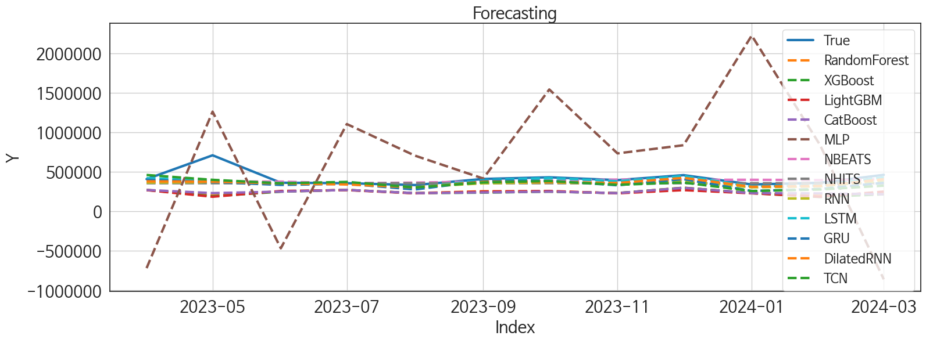
 | MSE | RMSE | MSPE | MAE | MAPE | MedAE | MedAPE
LSTM | 9097158908.5 | 95379.027613 | 0.020065184142 | 42665.382812 | 0.078997767351 | 14131.15625 | 0.035108837675
NBEATS | 10519960398 | 102566.85818 | 0.026894342917 | 58601.203125 | 0.117001498 | 33975.359375 | 0.093564810665
DilatedRNN | 10480649085 | 102375.04132 | 0.025882866126 | 58821.416667 | 0.11705459241 | 35455.65625 | 0.088756626731
NHITS | 13336612719 | 115484.25312 | 0.036032011749 | 69412.171875 | 0.1361832224 | 45645.21875 | 0.11353402858
RNN | 11976883774 | 109438.94999 | 0.032502993095 | 69922.903646 | 0.14256275823 | 47522.03125 | 0.12580930514
GRU | 12586069802 | 112187.65441 | 0.039208630123 | 73701.403646 | 0.15676062855 | 53432.765625 | 0.13776869273
TCN | 12480172454 | 111714.6922 | 0.042643837211 | 80667.580729 | 0.17311628091 | 55827.171875 | 0.13930714647
CatBoost | 40244167616 | 200609.49034 | 0.16569038711 | 173441.95277 | 0.39152354323 | 148630.09318 | 0.36129732261
RandomForest | 42564892374 | 206312.60837 | 0.17035255644 | 175606.41015 | 0.39470846773 | 153751.4391 | 0.36277649626
XGBoost | 44819037838 | 211705.07277 | 0.18182486498 | 180750.23698 | 0.40717554126 | 162220.3125 | 0.38289295384
LightGBM | 44306452669 | 210490.98002 | 0.17744273149 | 179199.85467 | 0.40312278605 | 163543.24606 | 0.39650978517
MLP | 8.3002484392E+11 | 911056.99269 | 5.6480821429 | 761481.42448 | 1.919959932 | 649388.5 | 1.713095154

Forecasting_주말
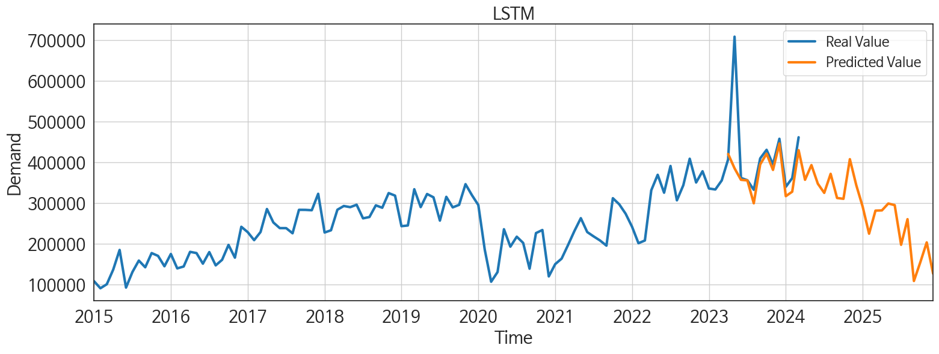
ds | unique_id | y | LSTM | NBEATS | DilatedRNN | NHITS | RNN | GRU | TCN | CatBoost | RandomForest | XGBoost | LightGBM | MLP
2023-04-01 | 1 | 407613 | 420513 | 373751.03125 | 379082.53125 | 355605.46875 | 362585.1875 | 398994.46875 | 459899.625 | 270750.79473 | 270795.90963 | 270722.8125 | 268480.42491 | -717703.6875
2023-05-01 | 1 | 708674 | 385241.1875 | 377520.3125 | 375610.4375 | 355605.46875 | 367748.8125 | 370260.9375 | 398614.40625 | 230414.51644 | 199689.75685 | 190499.59375 | 184621.07629 | 1260011.75
2023-06-01 | 1 | 361826 | 357165.125 | 376066.28125 | 353173.5625 | 355607.625 | 345646.1875 | 334295.71875 | 354539.625 | 249355.71321 | 250677.99981 | 249408.51562 | 257539.12078 | -467082.84375
2023-07-01 | 1 | 356106 | 355672.5625 | 355014.75 | 339822.625 | 355607.3125 | 347353.5 | 347845.53125 | 372493.125 | 270750.79473 | 270795.90963 | 270722.8125 | 268480.42491 | 1103545.25
2023-08-01 | 1 | 332612 | 299482.5 | 363466.75 | 302875.59375 | 355606.71875 | 306658.8125 | 276239.65625 | 301898.875 | 230512.20002 | 230621.70212 | 230520.4375 | 227914.05925 | 703900.9375
2023-09-01 | 1 | 409660 | 394849.375 | 376799.75 | 373564.625 | 355607.0625 | 354369.875 | 386301.0625 | 365395.1875 | 239117.37498 | 254288.19375 | 236420.21875 | 249551.44864 | 414931.9375
2023-10-01 | 1 | 430802 | 421268 | 385776.34375 | 370891.875 | 355608.15625 | 365804.3125 | 386385.875 | 382921.59375 | 249355.71321 | 250677.99981 | 249408.51562 | 257539.12078 | 1540889.75
2023-11-01 | 1 | 394892 | 381440.3125 | 402216.75 | 358760.15625 | 355609.09375 | 346208.59375 | 329625.90625 | 335524.28125 | 230512.20002 | 230621.70212 | 230520.4375 | 227914.05925 | 732594.3125
2023-12-01 | 1 | 457940 | 446335 | 399423.28125 | 423124.0625 | 355610.46875 | 381623.625 | 407446.8125 | 363848.3125 | 297542.01891 | 299363.23129 | 297870.9375 | 268480.42491 | 835924.0625
2024-01-01 | 1 | 339988 | 317032.8125 | 398919.5 | 311404.90625 | 355604.34375 | 303575.46875 | 257776.9375 | 256684.46875 | 230512.20002 | 230621.70212 | 230520.4375 | 227914.05925 | 2222309
2024-02-01 | 1 | 361245 | 327911.46875 | 395333.75 | 322829.8125 | 355597.375 | 314884.34375 | 282435.875 | 275876.125 | 226740.90537 | 209113.92805 | 181418.40625 | 184621.07629 | 840713.5
2024-03-01 | 1 | 461647 | 429909.0625 | 406382.125 | 406007.8125 | 355611.96875 | 387471.4375 | 360979.375 | 324645.90625 | 216137.13513 | 218460.04303 | 215969.03125 | 249551.44864 | -859003.0625
2024-04-01 | 1 | 0 | 357187.1875 | 421505.40625 | 348455.5625 | 355589.53125 | 295172.46875 | 278949.125 | 230596.51562 | 230512.20002 | 230621.70212 | 230520.4375 | 227914.05925 | 197198.0625
2024-05-01 | 1 | 0 | 393312.34375 | 445135.8125 | 353965.96875 | 355606.84375 | 330425.375 | 263790.15625 | 216030 | 173403.89769 | 182496.67057 | 172320.53125 | 237648.40861 | 994981.125
2024-06-01 | 1 | 0 | 347583.25 | 447562.53125 | 318729.96875 | 355620.09375 | 283034.28125 | 270525.84375 | 240527.89062 | 270750.79473 | 270795.90963 | 270722.8125 | 268480.42491 | 390082.75
2024-07-01 | 1 | 0 | 325072.09375 | 430407.09375 | 294625.125 | 355615.40625 | 235639.48438 | 216450.78125 | 233079.28125 | 230512.20002 | 230621.70212 | 230520.4375 | 227914.05925 | 139039.01562
2024-08-01 | 1 | 0 | 371835.0625 | 432097.6875 | 312428.78125 | 355618.71875 | 275854.3125 | 264814.53125 | 246497.98438 | 270750.79473 | 270795.90963 | 270722.8125 | 268480.42491 | 1009061.25
2024-09-01 | 1 | 0 | 312500.0625 | 430613.28125 | 320472.3125 | 355602.65625 | 227303.60938 | 214789.59375 | 217819.59375 | 249355.71321 | 250677.99981 | 249408.51562 | 257539.12078 | 701383.875
2024-10-01 | 1 | 0 | 310505.25 | 449169.65625 | 272531.375 | 355607.5625 | 215062.625 | 208329.59375 | 218992.125 | 230512.20002 | 230621.70212 | 230520.4375 | 227914.05925 | 554028.875
2024-11-01 | 1 | 0 | 407798.375 | 468058.90625 | 329782.53125 | 355608.84375 | 288030.84375 | 213335.42188 | 219252.6875 | 270750.79473 | 270795.90963 | 270722.8125 | 268480.42491 | 447638.46875
2024-12-01 | 1 | 0 | 344012.625 | 473272.75 | 295349.5625 | 355622.21875 | 233905.96875 | 248306.14062 | 202827.64062 | 249355.71321 | 250677.99981 | 249408.51562 | 257539.12078 | 1301159.625
2025-01-01 | 1 | 0 | 291137.25 | 465779.625 | 188924.21875 | 355624.9375 | 181097.21875 | 196031.28125 | 177879.70312 | 249355.71321 | 250677.99981 | 249408.51562 | 257539.12078 | 1346708.75
2025-02-01 | 1 | 0 | 224786.29688 | 485329.75 | 190276.5 | 355610.75 | 145431.3125 | 189829.14062 | 165034.6875 | 230512.20002 | 230621.70212 | 230520.4375 | 227914.05925 | 1495405.25
2025-03-01 | 1 | 0 | 281513.46875 | 475154.09375 | 182376.96875 | 355619.34375 | 169303.625 | 186519.5625 | 196176.23438 | 261442.16821 | 261097.65817 | 261493.98438 | 249551.44864 | 56630.476562
2025-04-01 | 1 | 0 | 282001.1875 | 491280 | 200338.71875 | 355619.65625 | 189694.34375 | 191830.34375 | 231433.5 | 230512.20002 | 230621.70212 | 230520.4375 | 227914.05925 | 609141
2025-05-01 | 1 | 0 | 298931.78125 | 506157.03125 | 283178.96875 | 355610.5 | 270094.90625 | 235413.48438 | 247145.51562 | 270750.79473 | 270795.90963 | 270722.8125 | 268480.42491 | 1237652.25
2025-06-01 | 1 | 0 | 294951.03125 | 499025.59375 | 249117.4375 | 355629.1875 | 216612.28125 | 239569.01562 | 240587.98438 | 173403.89769 | 182496.67057 | 172320.53125 | 237648.40861 | 36731.714844
2025-07-01 | 1 | 0 | 197563.95312 | 501652.3125 | 184634.53125 | 355624.53125 | 202928.20312 | 217717.34375 | 229985.23438 | 230512.20002 | 230621.70212 | 230520.4375 | 227914.05925 | 2132014.25
2025-08-01 | 1 | 0 | 260435.04688 | 509456.28125 | 227919.875 | 355627.59375 | 277406.59375 | 297811.71875 | 246715.65625 | 216137.13513 | 218460.04303 | 215969.03125 | 249551.44864 | 457949.625
2025-09-01 | 1 | 0 | 108690.51562 | 509330.71875 | 150509.64062 | 355604.40625 | 200711.0625 | 196142.375 | 242904.67188 | 230512.20002 | 230621.70212 | 230520.4375 | 227914.05925 | -1127191.75
2025-10-01 | 1 | 0 | 154684.17188 | 511132.875 | 181767.90625 | 355611.5625 | 241225.8125 | 246319.15625 | 233824.59375 | 268328.16883 | 278792.082 | 280532.09375 | 237648.40861 | 1861651.125
2025-11-01 | 1 | 0 | 203470.46875 | 514856.78125 | 252981.35938 | 355610.75 | 301937.0625 | 306263.09375 | 260352.5 | 270750.79473 | 270795.90963 | 270722.8125 | 268480.42491 | 2282722.25
2025-12-01 | 1 | 0 | 126532.39062 | 527009.625 | 225566.89062 | 355642.1875 | 236596.84375 | 251635.59375 | 282126.375 | 230512.20002 | 230621.70212 | 230520.4375 | 227914.05925 | -1668144.625

Performance_주중
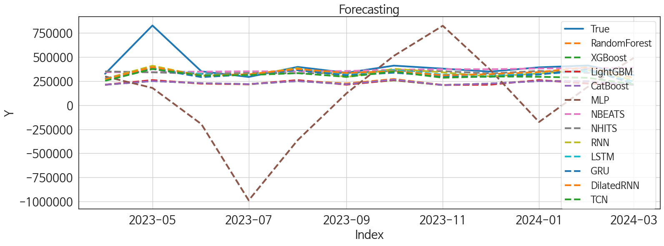
 | MSE | RMSE | MSPE | MAE | MAPE | MedAE | MedAPE
NBEATS | 20867008404 | 144454.17406 | 0.040529503857 | 68175.395833 | 0.12953429749 | 26729.015625 | 0.070360098585
NHITS | 21341165690 | 146086.15845 | 0.040507558007 | 74556.309896 | 0.14182525658 | 36284.53125 | 0.10382886299
DilatedRNN | 17052932983 | 130586.87906 | 0.034458523606 | 69161.981771 | 0.13584417418 | 35348.03125 | 0.1075150961
RNN | 16323256852 | 127762.50175 | 0.035660656732 | 73418.502604 | 0.15094672211 | 47011.171875 | 0.13463916812
LSTM | 18654107571 | 136580.0409 | 0.039894330713 | 76661.697917 | 0.15425553404 | 48797.609375 | 0.12953749828
GRU | 20022422941 | 141500.6111 | 0.050290534328 | 88383.666667 | 0.18779495546 | 56893.703125 | 0.16519816649
TCN | 22307324134 | 149356.36623 | 0.064257033802 | 102070.26823 | 0.22246271943 | 68825.84375 | 0.19350578396
RandomForest | 43023567956 | 207421.23314 | 0.15647799362 | 165240.06475 | 0.38195446276 | 132740.40411 | 0.35708695016
CatBoost | 43728990878 | 209114.7792 | 0.1591789283 | 166747.9687 | 0.38525879869 | 133339.56205 | 0.35529483376
XGBoost | 43914247639 | 209557.26578 | 0.16026351888 | 167359.47786 | 0.38674794344 | 133255.44531 | 0.35973995926
LightGBM | 43479384079 | 208517.1074 | 0.16283564564 | 168150.3803 | 0.39031911124 | 134138.46375 | 0.36364887036
MLP | 2.9927393437E+11 | 547059.35178 | 2.5360735761 | 417250.25586 | 1.1154947721 | 332260.8125 | 0.70916495688

Forecasting_주중
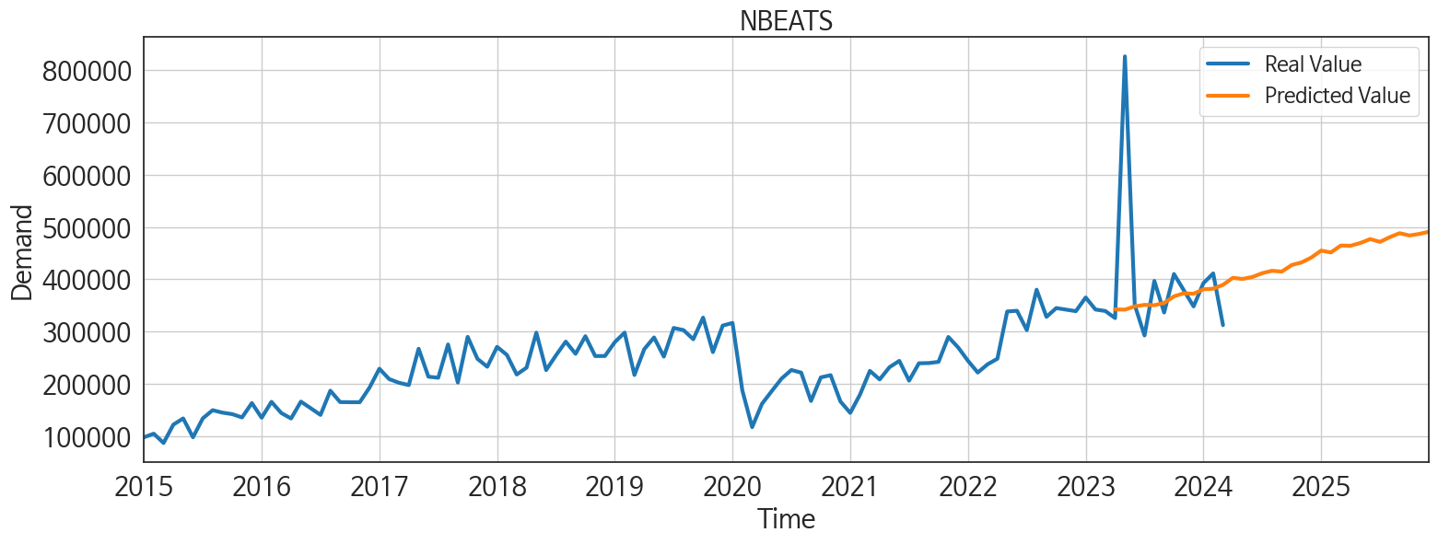
ds | unique_id | y | NBEATS | NHITS | DilatedRNN | RNN | LSTM | GRU | TCN | RandomForest | CatBoost | XGBoost | LightGBM | MLP
2023-04-01 | 1 | 325625 | 342253.40625 | 350010.71875 | 269107.65625 | 273173.34375 | 274561.03125 | 273511.5 | 252859.6875 | 210812.08315 | 211498.28714 | 211467.15625 | 212467.61717 | 297620.59375
2023-05-01 | 1 | 826316 | 341750.09375 | 340185.5625 | 394854.15625 | 408867.9375 | 379733.90625 | 377805.8125 | 375129 | 253405.85071 | 249790.1834 | 249737.39062 | 260043.54688 | 178610.48438
2023-06-01 | 1 | 350670 | 347997.5625 | 326584.78125 | 308823.9375 | 303795.21875 | 321837.53125 | 290931.65625 | 306614.90625 | 223617.33765 | 227868.7649 | 227698.59375 | 223858.57408 | -196507.71875
2023-07-01 | 1 | 292364 | 350960.8125 | 333820.6875 | 320342.78125 | 315241.53125 | 310201.03125 | 317725.5 | 312715.78125 | 216051.70734 | 217906.51412 | 217951.98438 | 216893.92559 | -987250
2023-08-01 | 1 | 396742 | 350269.0625 | 330625.875 | 375159.875 | 384083.3125 | 372418.0625 | 362530.625 | 331855.625 | 253405.85071 | 249790.1834 | 249737.39062 | 260043.54688 | -363916.625
2023-09-01 | 1 | 336272 | 354627.25 | 332587.90625 | 333766.8125 | 290671.40625 | 320888.8125 | 308281.34375 | 293316.34375 | 225140.88383 | 217403.71701 | 217315.03125 | 212055.52562 | 122913.24219
2023-10-01 | 1 | 409951 | 367159.28125 | 355704.0625 | 352521.75 | 376771.25 | 363419.75 | 336569.75 | 347681.4375 | 271522.85414 | 264827.70961 | 257612.25 | 260043.54688 | 511392.65625
2023-11-01 | 1 | 378886 | 373114.96875 | 352248.75 | 310333.5625 | 340267.375 | 317233.5 | 298821.3125 | 284527.8125 | 209040.78985 | 208125.42536 | 208108.25 | 208735.88948 | 823681.375
2023-12-01 | 1 | 347999 | 372208.34375 | 329082.40625 | 321776.5 | 297988.3125 | 316248.59375 | 293949.9375 | 297541.875 | 222720.65204 | 223906.69251 | 224127.71875 | 212055.52562 | 367762.65625
2024-01-01 | 1 | 392377 | 380676.90625 | 354453.3125 | 342849.5625 | 329262.40625 | 322604.0625 | 317323.6875 | 294195.40625 | 253405.85071 | 249790.1834 | 249737.39062 | 260043.54688 | -174817.42188
2024-02-01 | 1 | 411068 | 381819.3125 | 334620.40625 | 393597.1875 | 363920.4375 | 351228.59375 | 372552.0625 | 283599.125 | 247555.27966 | 246990.42767 | 247097.95312 | 223858.57408 | 191341.75
2024-03-01 | 1 | 312102 | 389194.125 | 346747.375 | 283252 | 261062.5 | 245730.8125 | 220487.8125 | 216195.34375 | 210812.08315 | 211498.28714 | 211467.15625 | 212467.61717 | 489664.6875
2024-04-01 | 1 | 0 | 402637.25 | 336044.8125 | 302537.4375 | 303024.8125 | 298316.15625 | 221919 | 225370.8125 | 267728.26913 | 263200.61149 | 263289.40625 | 260043.54688 | 179002.78125
2024-05-01 | 1 | 0 | 400509.5625 | 344149.875 | 365188.40625 | 335010.40625 | 351175.34375 | 288648.5 | 260963.90625 | 271451.14836 | 258721.43488 | 239583.375 | 260043.54688 | -579497.4375
2024-06-01 | 1 | 0 | 404242.25 | 327983.0625 | 313367.09375 | 278884.4375 | 298726.25 | 221370.5 | 233952.04688 | 222720.65204 | 223906.69251 | 224127.71875 | 212055.52562 | -619271.125
2024-07-01 | 1 | 0 | 411518.40625 | 326027.46875 | 330662.875 | 313343 | 346305.125 | 262014.26562 | 247956.625 | 215968.04729 | 211971.21408 | 211958.64062 | 208735.88948 | 224381.0625
2024-08-01 | 1 | 0 | 416116.40625 | 347222.0625 | 318513.5625 | 307796.8125 | 306202.3125 | 250663.65625 | 237356.54688 | 223617.33765 | 227868.7649 | 227698.59375 | 223858.57408 | 467425.75
2024-09-01 | 1 | 0 | 414572.34375 | 338891.75 | 347004.125 | 301717.78125 | 347090.90625 | 254045.54688 | 245884.89062 | 241535.05067 | 240642.49376 | 270783.3125 | 223858.57408 | 173102.07812
2024-10-01 | 1 | 0 | 427115.1875 | 340981.65625 | 352597.0625 | 277084.96875 | 331746.65625 | 274275.25 | 216820.8125 | 296183.65181 | 295539.55244 | 295540.96875 | 260043.54688 | 168041.9375
2024-11-01 | 1 | 0 | 432056.5 | 327220.4375 | 258738.09375 | 205919.6875 | 292501.0625 | 240895.9375 | 198927.09375 | 210812.08315 | 211498.28714 | 211467.15625 | 212467.61717 | 1315491.875
2024-12-01 | 1 | 0 | 441413.0625 | 346675.34375 | 322472.3125 | 269718.21875 | 324848.65625 | 247555.57812 | 235636.8125 | 267728.26913 | 263200.61149 | 263289.40625 | 260043.54688 | 96333.5625
2025-01-01 | 1 | 0 | 454738.21875 | 329784.21875 | 351460.6875 | 291937.6875 | 334556.125 | 261754.45312 | 236134.95312 | 280604.82983 | 289582.40813 | 289712.90625 | 260043.54688 | 98910.992188
2025-02-01 | 1 | 0 | 451215.9375 | 324886.1875 | 251999.85938 | 188519.5 | 234887.5 | 204282.6875 | 183598.28125 | 210812.08315 | 211498.28714 | 211467.15625 | 212467.61717 | 187395.35938
2025-03-01 | 1 | 0 | 464345.96875 | 339916.34375 | 237659.04688 | 210092.4375 | 261125.48438 | 215381.76562 | 220769.70312 | 223617.33765 | 227868.7649 | 227698.59375 | 223858.57408 | -279479.0625
2025-04-01 | 1 | 0 | 464064.40625 | 345400.4375 | 291326.125 | 259795.53125 | 295373.25 | 216976.8125 | 231228.375 | 209040.78985 | 208125.42536 | 208108.25 | 208735.88948 | 808144.25
2025-05-01 | 1 | 0 | 469268.75 | 327422.40625 | 290016.75 | 244365.01562 | 302173.6875 | 248535.84375 | 234938.73438 | 240847.95804 | 231648.63298 | 270783.5 | 223858.57408 | 1616163.125
2025-06-01 | 1 | 0 | 476763.71875 | 337087.90625 | 236532.375 | 225110.375 | 206346.23438 | 223246.65625 | 203634.65625 | 216051.70734 | 217906.51412 | 217951.98438 | 216893.92559 | 1905339.125
2025-07-01 | 1 | 0 | 471429.5625 | 332862.90625 | 275493.90625 | 230993.96875 | 242025.01562 | 262128.90625 | 244865.82812 | 215968.04729 | 211971.21408 | 211958.64062 | 208735.88948 | 1744118.5
2025-08-01 | 1 | 0 | 480419.09375 | 324274.1875 | 262783.25 | 254024.23438 | 228421.96875 | 225231.92188 | 233289.76562 | 210812.08315 | 211498.28714 | 211467.15625 | 212467.61717 | 2541016
2025-09-01 | 1 | 0 | 488068.8125 | 345783.71875 | 282850.8125 | 249576.875 | 247014.54688 | 262889.3125 | 262436.21875 | 209040.78985 | 208125.42536 | 208108.25 | 208735.88948 | 2499646.25
2025-10-01 | 1 | 0 | 483621 | 351334.9375 | 239532.85938 | 258863.89062 | 217911.90625 | 252645.64062 | 222327.79688 | 244843.50335 | 223408.72901 | 239583.03125 | 260043.54688 | 14808210
2025-11-01 | 1 | 0 | 486630.25 | 341408 | 239107.65625 | 242144.48438 | 222569.42188 | 239034.04688 | 234027.79688 | 210812.08315 | 211498.28714 | 211467.15625 | 212467.61717 | 24815056
2025-12-01 | 1 | 0 | 490735.5 | 354967.15625 | 308591.59375 | 331627.8125 | 293013 | 328910.25 | 329448.96875 | 253405.85071 | 249790.1834 | 249737.39062 | 260043.54688 | 59401912

