Performance_전체
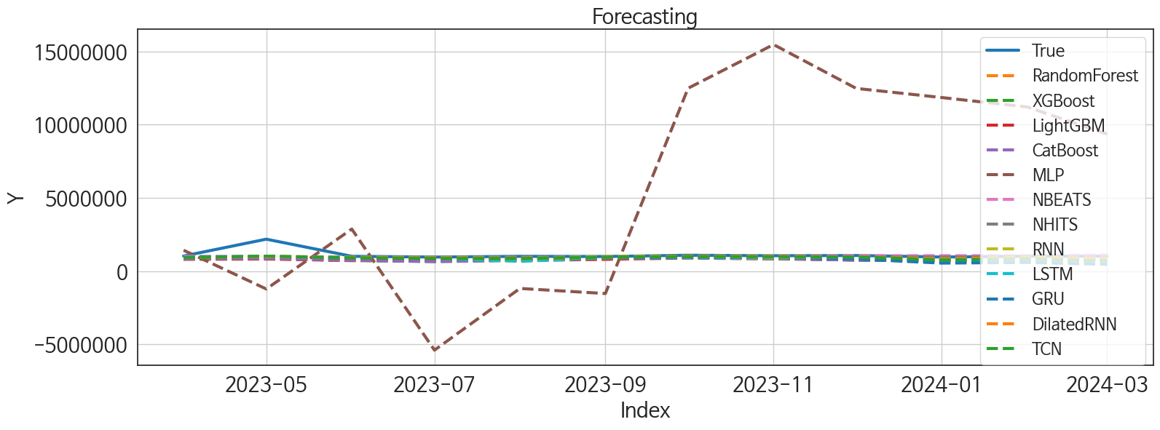
 | MSE | RMSE | MSPE | MAE | MAPE | MedAE | MedAPE
NBEATS | 1.216469803E+11 | 348779.27161 | 0.027420469012 | 137516.98438 | 0.083443880166 | 38305.46875 | 0.03742030376
NHITS | 1.262699179E+11 | 355344.78736 | 0.029180461627 | 149904.08333 | 0.09359361146 | 50385.21875 | 0.049717282394
DilatedRNN | 1.2967430932E+11 | 360103.1926 | 0.036214065337 | 195605.23438 | 0.14082816255 | 101198.21875 | 0.099580358993
RNN | 1.2932800468E+11 | 359622.0303 | 0.039918440956 | 198492.92188 | 0.14509250691 | 109383.65625 | 0.10480186324
TCN | 1.3370174351E+11 | 365652.49009 | 0.04511500415 | 218547.90625 | 0.1654105317 | 107162.59375 | 0.1054511754
LSTM | 1.7009514085E+11 | 412425.92165 | 0.076798609213 | 289208.45833 | 0.23371658051 | 200494.25 | 0.19042407325
GRU | 1.8425378211E+11 | 429247.92616 | 0.091710685954 | 299565.39323 | 0.2444524579 | 137549.0625 | 0.1369160915
XGBoost | 1.9498073134E+11 | 441566.22531 | 0.080052156799 | 313930.40625 | 0.25273848419 | 243365.4375 | 0.24782337854
CatBoost | 1.9578587211E+11 | 442476.97354 | 0.080684554803 | 318388.6362 | 0.25679510918 | 242974.49336 | 0.24742441561
LightGBM | 2.0488480119E+11 | 452642.02323 | 0.082721461674 | 327488.72043 | 0.26360039893 | 233785.32867 | 0.23322916445
RandomForest | 1.9456500314E+11 | 441095.23137 | 0.080342993147 | 319296.38912 | 0.25794398806 | 252981.34729 | 0.24962599235
MLP | 6.8960697034E+13 | 8304257.7654 | 64.84059654 | 6951419.2708 | 6.666848308 | 7352680.75 | 7.4485883961

Forecasting_전체
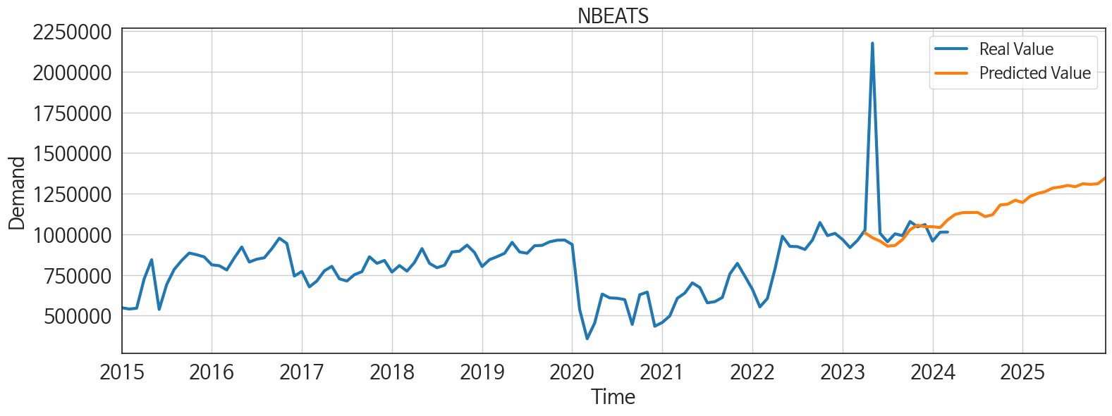
ds | unique_id | y | NBEATS | NHITS | DilatedRNN | RNN | TCN | LSTM | GRU | XGBoost | CatBoost | LightGBM | RandomForest | MLP
2023-04-01 | 1 | 1025955 | 1009081.25 | 962872.375 | 922197 | 923680.6875 | 916269.5625 | 976244.875 | 922799.125 | 829620.375 | 829805.95919 | 799505.22154 | 828693.34981 | 1418353.25
2023-05-01 | 1 | 2176084 | 978737.6875 | 962783.125 | 985108.8125 | 1010606.375 | 1016421.125 | 988817 | 993570.5 | 857550.5625 | 857821.241 | 820741.2497 | 863145.46233 | -1227318
2023-06-01 | 1 | 1006231 | 958222.0625 | 962883 | 907592.5625 | 932218.1875 | 901591.25 | 903678.4375 | 870853.875 | 726234.3125 | 738045.53373 | 713562.41803 | 718196.91338 | 2868061.75
2023-07-01 | 1 | 954043 | 927141.9375 | 962935.8125 | 892300.375 | 905353.6875 | 857363 | 873412 | 873260.3125 | 645473.5625 | 648236.0568 | 786459.88557 | 673377.68733 | -5404864.5
2023-08-01 | 1 | 1003070 | 931413.8125 | 962936.75 | 834267.375 | 873092.5625 | 848938.8125 | 660190.5625 | 863349 | 737058.5625 | 737449.50664 | 716657.12113 | 739679.19434 | -1189746.25
2023-09-01 | 1 | 991399 | 967818.9375 | 962947.625 | 943312.75 | 988304.9375 | 946960.1875 | 906213.125 | 926263.1875 | 891492.9375 | 891758.96268 | 799281.05669 | 868364.76464 | -1537966.5
2023-10-01 | 1 | 1078780 | 1028504.1875 | 962958.1875 | 1003259.125 | 1008220.875 | 991990.9375 | 919714.9375 | 956354.125 | 977150.0625 | 909873.75419 | 891598.86795 | 923310.2118 | 12485534
2023-11-01 | 1 | 1045942 | 1056136.5 | 962971.9375 | 930980.375 | 1011157.75 | 988472.125 | 846694.8125 | 921361.375 | 864513.125 | 865475.36078 | 828373.58746 | 864092.8149 | 15469295
2023-12-01 | 1 | 1059829 | 1046735.875 | 962986.9375 | 966886 | 943336 | 963096.75 | 858087.6875 | 816905.3125 | 742881.375 | 743340.28435 | 764753.67591 | 754977.43224 | 12474751
2024-01-01 | 1 | 957778 | 1046905.5625 | 963013.6875 | 822539.9375 | 750389.25 | 752237.75 | 609530 | 541284.4375 | 737058.5625 | 737449.50664 | 716657.12113 | 739679.19434 | 11851154
2024-02-01 | 1 | 1012952 | 1041554 | 963031.9375 | 928172.25 | 840354.3125 | 832622.625 | 707780 | 587759.5 | 806892.3125 | 802711.9152 | 793763.47387 | 765920.87318 | 11206404
2024-03-01 | 1 | 1013909 | 1088453.5 | 963058.625 | 842092.625 | 757342.3125 | 687433 | 605107.0625 | 457426.53125 | 742881.375 | 743340.28435 | 764753.67591 | 754977.43224 | 9360363
2024-04-01 | 1 | 0 | 1122139.5 | 963081.8125 | 823420.6875 | 765860.4375 | 712523.75 | 647691.875 | 593668.4375 | 671510.875 | 670238.59399 | 693123.61546 | 666634.09942 | 11405830
2024-05-01 | 1 | 0 | 1133236.375 | 963101.875 | 946156.8125 | 809579.625 | 884403.0625 | 847455.6875 | 717411.4375 | 916662.375 | 934076.58637 | 891598.86795 | 909471.27242 | 13388043
2024-06-01 | 1 | 0 | 1133940 | 963108.875 | 803330.5 | 733971.8125 | 688758 | 697801.25 | 598741.3125 | 856314.375 | 853917.86889 | 755065.07935 | 841374.67028 | 7364211.5
2024-07-01 | 1 | 0 | 1134382.25 | 963122.375 | 759785.125 | 691875.125 | 613213.875 | 692256 | 550556.25 | 883311.8125 | 877699.42528 | 824929.3173 | 853246.6203 | 16390917
2024-08-01 | 1 | 0 | 1108786.5 | 963130.375 | 847765.375 | 682495.75 | 613256.75 | 702194.625 | 564594.3125 | 783829.1875 | 783435.63757 | 751708.33995 | 781285.81031 | 14106606
2024-09-01 | 1 | 0 | 1120666.375 | 963202 | 843283.375 | 716323.375 | 776888.625 | 767065.0625 | 584366.625 | 935979.3125 | 935003.05841 | 864621.09212 | 923759.42083 | 9526541
2024-10-01 | 1 | 0 | 1180209.875 | 963201.125 | 872024.125 | 663019.4375 | 607027.5625 | 803594.0625 | 586412.875 | 925104.0625 | 923847.142 | 820741.2497 | 910675.13307 | 10926579
2024-11-01 | 1 | 0 | 1185161.75 | 963183.75 | 905754.8125 | 744068.0625 | 661617.375 | 778356.5 | 622496.75 | 829620.375 | 829805.95919 | 799505.22154 | 828693.34981 | 14370654
2024-12-01 | 1 | 0 | 1209640.375 | 963195.4375 | 849883.125 | 722228.5625 | 638367 | 791461.3125 | 614589.5 | 710048.5625 | 710138.16387 | 737095.9237 | 716961.38292 | 9413487
2025-01-01 | 1 | 0 | 1195656 | 963208.0625 | 850927.8125 | 761915.6875 | 709601.8125 | 816727.125 | 731161.3125 | 884836.5 | 885692.67045 | 891598.86795 | 886345.34257 | 9268813
2025-02-01 | 1 | 0 | 1234132.375 | 963181.9375 | 633124.375 | 498975.375 | 529197.875 | 618552.375 | 516830.78125 | 797295.875 | 796953.79153 | 768140.02465 | 790559.74467 | 11801365
2025-03-01 | 1 | 0 | 1251246.375 | 963183.5 | 669787.1875 | 433870.46875 | 541402.0625 | 687907.375 | 430521.5 | 977676.875 | 977065.94138 | 866950.58461 | 968580.762 | 9200107
2025-04-01 | 1 | 0 | 1262408.75 | 963191.125 | 735999.875 | 494741.96875 | 614138 | 731288.375 | 503505.5625 | 864513.125 | 865475.36078 | 828373.58746 | 864092.8149 | 22978500
2025-05-01 | 1 | 0 | 1284597.125 | 963195.4375 | 797888.625 | 684645.125 | 716691.375 | 813300.5625 | 724192.875 | 701215.375 | 710232.00931 | 866950.58461 | 785458.86967 | 22317442
2025-06-01 | 1 | 0 | 1291120.5 | 963194.25 | 760439.75 | 626077.875 | 693236.5625 | 823461.9375 | 652753 | 726234.3125 | 738045.53373 | 713562.41803 | 718196.91338 | 17386074
2025-07-01 | 1 | 0 | 1300758.625 | 963212.5625 | 758002.25 | 647040.5 | 665703.875 | 832753.375 | 625340.1875 | 883311.8125 | 877699.42528 | 824929.3173 | 853246.6203 | 21063496
2025-08-01 | 1 | 0 | 1292561 | 963239.125 | 821263 | 698362.0625 | 688192.0625 | 906164.125 | 724092.25 | 742881.375 | 743340.28435 | 764753.67591 | 754977.43224 | 17873402
2025-09-01 | 1 | 0 | 1310865 | 963252.625 | 703843.5625 | 543304.375 | 593870.375 | 803016.0625 | 584075 | 864513.125 | 865475.36078 | 828373.58746 | 864092.8149 | 35911352
2025-10-01 | 1 | 0 | 1307370.125 | 963305.0625 | 910959.125 | 708910.1875 | 746097.8125 | 945923.5 | 838784.5 | 884836.5 | 885692.67045 | 891598.86795 | 886345.34257 | 47264464
2025-11-01 | 1 | 0 | 1310645 | 963410.875 | 866504.875 | 791161.0625 | 820290.625 | 982303.8125 | 890126.5625 | 829620.375 | 829805.95919 | 799505.22154 | 828693.34981 | 65395548
2025-12-01 | 1 | 0 | 1346747.375 | 963403.4375 | 903893.9375 | 688216.25 | 750873.75 | 983641.25 | 767840.9375 | 737058.5625 | 737449.50664 | 716657.12113 | 739679.19434 | 67984872

Performance_주말
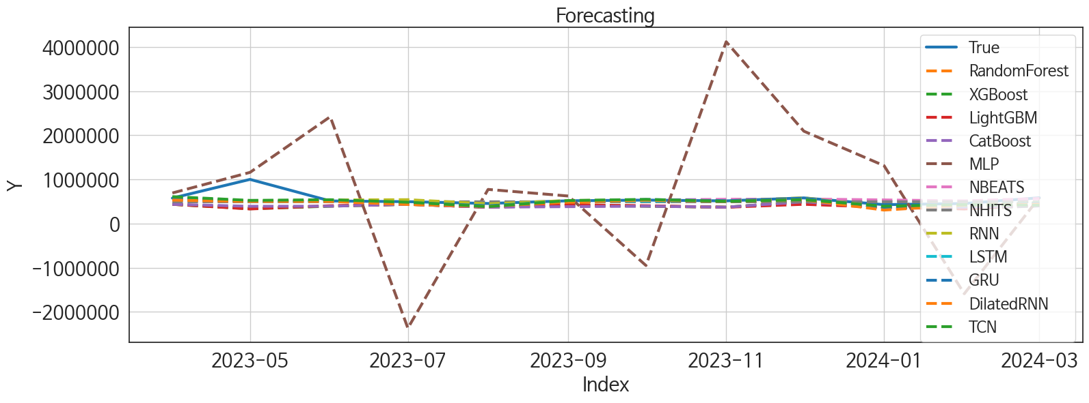
 | MSE | RMSE | MSPE | MAE | MAPE | MedAE | MedAPE
GRU | 22858312978 | 151189.65896 | 0.028453792355 | 70607.390625 | 0.099372653766 | 18728.25 | 0.037155632952
RNN | 21200368533 | 145603.46333 | 0.025518194377 | 66802.763021 | 0.092258915707 | 27131.125 | 0.049406125659
NBEATS | 22508767553 | 150029.22233 | 0.028946964965 | 70657.122396 | 0.1017847976 | 25593.765625 | 0.048120996552
LSTM | 23613940329 | 153668.28017 | 0.029879092403 | 76153.90625 | 0.10983769264 | 32195.453125 | 0.063256508172
TCN | 22124519681 | 148743.13322 | 0.02976543192 | 76737.416667 | 0.11049324144 | 30071.65625 | 0.056841462422
NHITS | 24147976608 | 155396.19239 | 0.031075949722 | 84533.257812 | 0.12332618631 | 38887.5 | 0.085622791019
DilatedRNN | 25121477692 | 158497.56368 | 0.037839565895 | 89790.763021 | 0.13747966781 | 43097.4375 | 0.080223137829
RandomForest | 47712558995 | 218432.04663 | 0.079165181493 | 154307.179 | 0.2467508517 | 110279.18602 | 0.2286239146
XGBoost | 49486892158 | 222456.49498 | 0.082746757916 | 157824.7474 | 0.25298041153 | 118112.23438 | 0.2380182609
CatBoost | 43655267195 | 208938.4292 | 0.076522720055 | 153174.43174 | 0.24757805421 | 125770.97845 | 0.23809134241
LightGBM | 50293922612 | 224263.06564 | 0.084104482021 | 160270.32085 | 0.25699371062 | 125386.0884 | 0.24171506263
MLP | 2.8681765933E+12 | 1693569.1876 | 11.361442671 | 1250301.8594 | 2.4814065626 | 1182588.2812 | 2.3343713259

Forecasting_주말
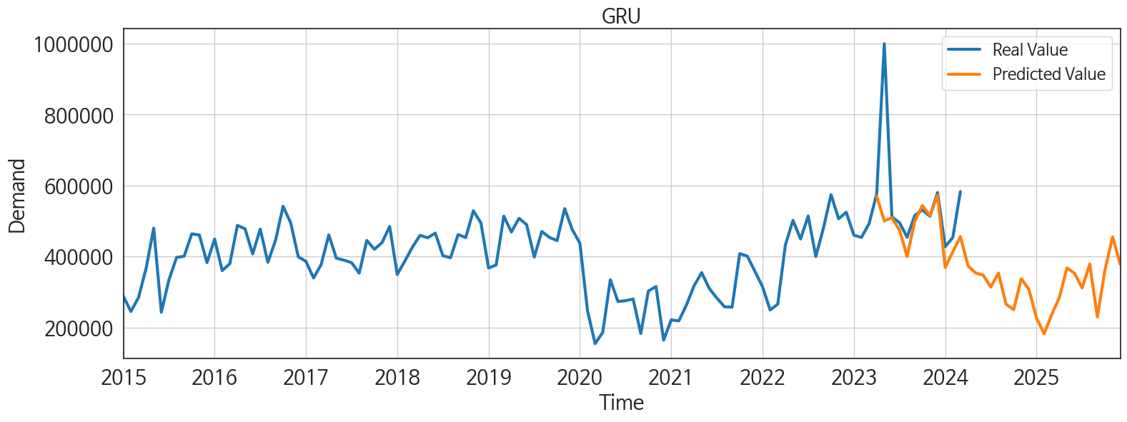
ds | unique_id | y | GRU | RNN | NBEATS | LSTM | TCN | NHITS | DilatedRNN | RandomForest | XGBoost | CatBoost | LightGBM | MLP
2023-04-01 | 1 | 576373 | 570431.375 | 543328.5 | 533098.5 | 597694.625 | 609005.5 | 492767.5625 | 530871.4375 | 435658.37378 | 435625.875 | 435662.94496 | 436016.87549 | 692182
2023-05-01 | 1 | 999630 | 500429.46875 | 515105.3125 | 499622.6875 | 492544.8125 | 524135.375 | 492767.78125 | 498620.5625 | 346104.87974 | 335167.59375 | 390935.67945 | 330180.44969 | 1158605.125
2023-06-01 | 1 | 511512 | 509037 | 532729.75 | 514574.4375 | 507227.3125 | 539022.8125 | 492768.28125 | 500031.53125 | 395141.87394 | 392922.03125 | 392814.36873 | 403809.37351 | 2418935.5
2023-07-01 | 1 | 495253 | 474440.46875 | 540274.0625 | 468078.65625 | 456454.9375 | 482418.375 | 492768.125 | 431802.625 | 435658.37378 | 435625.875 | 435662.94496 | 436016.87549 | -2369513.5
2023-08-01 | 1 | 454314 | 399947.375 | 446853.34375 | 468221.34375 | 403254.6875 | 383838.1875 | 492767.8125 | 388588.125 | 369295.35507 | 370720.28125 | 370737.19346 | 368187.66332 | 772715
2023-09-01 | 1 | 515497 | 498853.03125 | 521367.90625 | 496311.96875 | 503790.1875 | 520351.40625 | 492767.5 | 486104 | 436743.33667 | 416159.6875 | 382652.67437 | 419131.44348 | 623394.1875
2023-10-01 | 1 | 531268 | 543492.125 | 531798.3125 | 531619.5625 | 505675.15625 | 546902.1875 | 492767.4375 | 527858.5625 | 395141.87394 | 392922.03125 | 392814.36873 | 403809.37351 | -950838.6875
2023-11-01 | 1 | 513516 | 515828.59375 | 513545.4375 | 549413.5625 | 512694.53125 | 501885.375 | 492767.59375 | 500467.75 | 369295.35507 | 370720.28125 | 370737.19346 | 368187.66332 | 4116775
2023-12-01 | 1 | 580416 | 573001.75 | 581847.625 | 556402.8125 | 562272.625 | 540217.75 | 492767.6875 | 539722.6875 | 486592.01511 | 492008.9375 | 491887.40087 | 436016.87549 | 2091953.625
2024-01-01 | 1 | 427738 | 369165.9375 | 375277.78125 | 534461.5 | 360228.03125 | 393002.40625 | 492767.84375 | 305186.53125 | 369295.35507 | 370720.28125 | 370737.19346 | 368187.66332 | 1310807.875
2024-02-01 | 1 | 453494 | 413143.65625 | 409860.78125 | 511865.8125 | 400837.0625 | 427614.9375 | 492768.4375 | 416533.5 | 349305.75401 | 335859.5 | 369573.67264 | 330180.44969 | -1590165.125
2024-03-01 | 1 | 583089 | 456113.96875 | 476680.21875 | 567172.125 | 468222.40625 | 414120.5 | 492771.03125 | 438823.53125 | 402181.30585 | 399750.65625 | 399791.18399 | 419131.44348 | 589806.6875
2024-04-01 | 1 | 0 | 373888 | 401726.59375 | 567809.75 | 412898.21875 | 346614 | 492773.53125 | 323074.4375 | 369295.35507 | 370720.28125 | 370737.19346 | 368187.66332 | -677707.25
2024-05-01 | 1 | 0 | 353532.4375 | 411648.625 | 587717.375 | 425073.0625 | 258265 | 492776.09375 | 343681.5 | 272804.55867 | 263834.8125 | 264472.62585 | 387631.09308 | 1588286.875
2024-06-01 | 1 | 0 | 347490.3125 | 427681.09375 | 591529.625 | 449707.5 | 337282.90625 | 492778.46875 | 402394.21875 | 435658.37378 | 435625.875 | 435662.94496 | 436016.87549 | -2429651.25
2024-07-01 | 1 | 0 | 313968.28125 | 351480.21875 | 560641.6875 | 368617.15625 | 281308.34375 | 492778.28125 | 343054 | 369295.35507 | 370720.28125 | 370737.19346 | 368187.66332 | 1826999
2024-08-01 | 1 | 0 | 353344.59375 | 396475.21875 | 548846.3125 | 419750.6875 | 294564.6875 | 492778.40625 | 365493.71875 | 435658.37378 | 435625.875 | 435662.94496 | 436016.87549 | 3370743.75
2024-09-01 | 1 | 0 | 265855.875 | 374355.625 | 572977.875 | 442620.28125 | 189835.78125 | 492778.40625 | 395115.09375 | 395141.87394 | 392922.03125 | 392814.36873 | 403809.37351 | 979200.75
2024-10-01 | 1 | 0 | 249882.25 | 335673.6875 | 608891.9375 | 380330.875 | 213129.01562 | 492778.28125 | 368331.1875 | 369295.35507 | 370720.28125 | 370737.19346 | 368187.66332 | 1455637.5
2024-11-01 | 1 | 0 | 337668.84375 | 435336.625 | 633439.8125 | 471182.5 | 306830.1875 | 492778.15625 | 477320 | 435658.37378 | 435625.875 | 435662.94496 | 436016.87549 | -629432
2024-12-01 | 1 | 0 | 307448.46875 | 391578.375 | 659208.3125 | 466231.125 | 209688.95312 | 492778.28125 | 465409.34375 | 395141.87394 | 392922.03125 | 392814.36873 | 403809.37351 | 1117205.875
2025-01-01 | 1 | 0 | 226884.60938 | 303425.625 | 616160.1875 | 373446.5625 | 185819.71875 | 492778.40625 | 337747.25 | 395141.87394 | 392922.03125 | 392814.36873 | 403809.37351 | 334016.9375
2025-02-01 | 1 | 0 | 182339.875 | 290115.21875 | 647682.8125 | 337781.6875 | 152021.39062 | 492777.90625 | 325991.9375 | 369295.35507 | 370720.28125 | 370737.19346 | 368187.66332 | 324630.34375
2025-03-01 | 1 | 0 | 236265.8125 | 340805.125 | 655487.5625 | 398661.96875 | 187123.20312 | 492777.5625 | 372846.25 | 425441.6499 | 423298.59375 | 423211.98466 | 419131.44348 | 238654.17188
2025-04-01 | 1 | 0 | 284221.9375 | 338102.125 | 669360.1875 | 441749.34375 | 226012.76562 | 492778.21875 | 429939.625 | 369295.35507 | 370720.28125 | 370737.19346 | 368187.66332 | 3429987.25
2025-05-01 | 1 | 0 | 368054.15625 | 448587.75 | 689715.375 | 455927.59375 | 313715.96875 | 492779.15625 | 442339.0625 | 435658.37378 | 435625.875 | 435662.94496 | 436016.87549 | 3097945
2025-06-01 | 1 | 0 | 352588.625 | 394008.9375 | 675465.0625 | 469872.1875 | 280973.65625 | 492779.40625 | 469230.1875 | 272804.55867 | 263834.8125 | 264472.62585 | 387631.09308 | 843311.875
2025-07-01 | 1 | 0 | 311353.9375 | 380299.5625 | 665633.25 | 437894.96875 | 258035.10938 | 492779.34375 | 449276.9375 | 369295.35507 | 370720.28125 | 370737.19346 | 368187.66332 | 1722694.75
2025-08-01 | 1 | 0 | 378729.0625 | 417342.5 | 672133.5625 | 506695.4375 | 304784.625 | 492779.25 | 537328.875 | 402181.30585 | 399750.65625 | 399791.18399 | 419131.44348 | 3024893.5
2025-09-01 | 1 | 0 | 229918.07812 | 240898.23438 | 680005.75 | 373634.09375 | 202669.32812 | 492779.28125 | 389312.1875 | 369295.35507 | 370720.28125 | 370737.19346 | 368187.66332 | 5293526
2025-10-01 | 1 | 0 | 362295 | 359157.09375 | 679015 | 419581.3125 | 313519.90625 | 492779.15625 | 450745.15625 | 490539.41599 | 453883.96875 | 480832.88899 | 387631.09308 | 2403462.75
2025-11-01 | 1 | 0 | 455430.125 | 405718.0625 | 670211.3125 | 512409.65625 | 395553.78125 | 492778.84375 | 567528.625 | 435658.37378 | 435625.875 | 435662.94496 | 436016.87549 | -626266
2025-12-01 | 1 | 0 | 378300.125 | 378707 | 700905.625 | 491946.5 | 360486.75 | 492778.75 | 527482.0625 | 369295.35507 | 370720.28125 | 370737.19346 | 368187.66332 | 1700502.875

Performance_주중
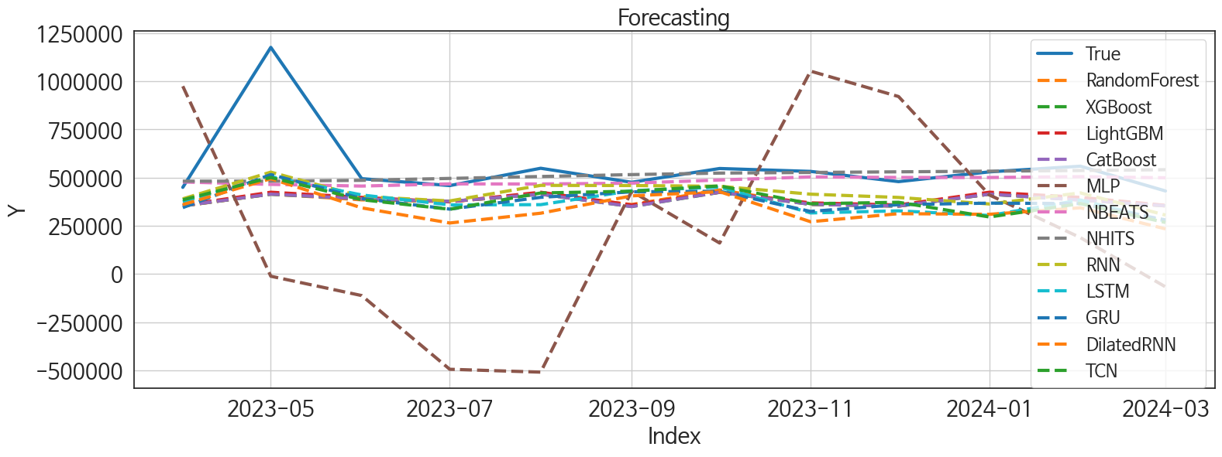
 | MSE | RMSE | MSPE | MAE | MAPE | MedAE | MedAPE
NBEATS | 44050659328 | 209882.48933 | 0.037733272468 | 94579.361979 | 0.120115273 | 33863.015625 | 0.069815495017
NHITS | 42036353226 | 205027.68893 | 0.037875438898 | 89339.34375 | 0.11546995702 | 34689.8125 | 0.074829620978
RNN | 44861919495 | 211806.32544 | 0.063813461659 | 142434.46875 | 0.22146243845 | 92585.65625 | 0.18070487022
LightGBM | 59998134292 | 244945.16589 | 0.083309595059 | 168323.33512 | 0.26246575002 | 119515.64185 | 0.2258768207
RandomForest | 62178955490 | 249357.0843 | 0.087827045574 | 172855.24358 | 0.27049973591 | 115583.19983 | 0.2327362053
CatBoost | 62696152119 | 250391.99691 | 0.08952290339 | 174577.45613 | 0.27365697155 | 124593.10294 | 0.23484975082
XGBoost | 62762648100 | 250524.74549 | 0.089658157352 | 174722.3724 | 0.27389939737 | 124887.96875 | 0.23577391253
TCN | 56132966659 | 236923.9681 | 0.097715843762 | 175445.73958 | 0.28437398197 | 125608.28125 | 0.25085167617
GRU | 54675521666 | 233827.97451 | 0.09730171765 | 178636.13021 | 0.29222693556 | 136178.57812 | 0.27064825025
LSTM | 58066957695 | 240970.86483 | 0.1056012513 | 182290.49219 | 0.29733080483 | 154389.21875 | 0.31549108383
DilatedRNN | 69799217872 | 264195.41607 | 0.14931406976 | 216865.67057 | 0.36652534986 | 195531.02344 | 0.40091850308
MLP | 4.2537448363E+11 | 652207.39311 | 1.3394682063 | 559827.91585 | 1.0135710428 | 509248.125 | 0.99394219395

Forecasting_주중
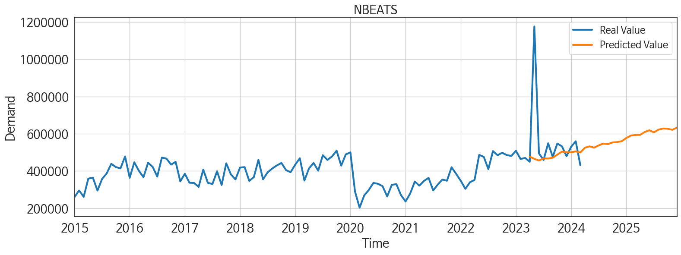
ds | unique_id | y | NBEATS | NHITS | RNN | LightGBM | RandomForest | CatBoost | XGBoost | TCN | GRU | LSTM | DilatedRNN | MLP
2023-04-01 | 1 | 449582 | 477399.59375 | 481756 | 389925.59375 | 356052.72757 | 352860.00943 | 353700.75666 | 353748.96875 | 384612.90625 | 344368.34375 | 374436.875 | 360135.625 | 974668.3125
2023-05-01 | 1 | 1176454 | 464952.84375 | 481756.1875 | 528650.3125 | 424322.68837 | 414636.08433 | 414363.83689 | 414103.03125 | 500885.625 | 515982.1875 | 505222.65625 | 494500.8125 | -11827.123047
2023-06-01 | 1 | 494719 | 456251.3125 | 486090.09375 | 401866.5 | 397493.10055 | 384780.64695 | 389690.24876 | 389719.65625 | 385319.71875 | 391663.28125 | 410005.53125 | 343054.875 | -112343.71094
2023-07-01 | 1 | 458790 | 467614.15625 | 495995.625 | 379087.90625 | 374331.75054 | 375482.14014 | 376671.39273 | 376674.28125 | 335909.375 | 336674.90625 | 358556.46875 | 264576.9375 | -494945.46875
2023-08-01 | 1 | 548756 | 467077.6875 | 505900.90625 | 459889.4375 | 424322.68837 | 414636.08433 | 414363.83689 | 414103.03125 | 420420.0625 | 397777.4375 | 359746.9375 | 315399.0625 | -509814.46875
2023-09-01 | 1 | 475902 | 471226.5625 | 515806.4375 | 458967.6875 | 358141.85815 | 360139.51601 | 349794.40428 | 349956.4375 | 429597.25 | 426377.03125 | 432039.8125 | 405373.5 | 429018.46875
2023-10-01 | 1 | 547512 | 487753.90625 | 523647.9375 | 455193.1875 | 424322.68837 | 436158.4521 | 424433.38984 | 423681.625 | 457061.4375 | 429256.40625 | 451005.71875 | 427067.375 | 160567.40625
2023-11-01 | 1 | 532426 | 503820.96875 | 526947.625 | 414191 | 368994.10201 | 361357.59043 | 361522.15241 | 361399.46875 | 364451.1875 | 324625.125 | 316844.34375 | 271211.875 | 1053048.75
2023-12-01 | 1 | 479413 | 500971.78125 | 530247 | 397198.09375 | 358141.85815 | 352251.9431 | 352563.22085 | 352310.3125 | 372101.625 | 359746.09375 | 327601.125 | 313055.75 | 921136.6875
2024-01-01 | 1 | 530040 | 500781.65625 | 533546.4375 | 363237.9375 | 424322.68837 | 414636.08433 | 414363.83689 | 414103.03125 | 295751.75 | 367653.90625 | 303464.125 | 309626.875 | 409910.9375
2024-02-01 | 1 | 559458 | 505067.75 | 537031.375 | 420852.28125 | 397493.10055 | 389810.51649 | 383774.69354 | 383654.71875 | 365320.375 | 365535.78125 | 383609.0625 | 343510.25 | 188436.21875
2024-03-01 | 1 | 430820 | 499237.5 | 541316.75 | 305598.4375 | 356052.72757 | 352860.00943 | 353700.75666 | 353748.96875 | 267091.8125 | 280577.9375 | 273853.4375 | 233971.01562 | -67053.5
2024-04-01 | 1 | 0 | 524770.375 | 545600.6875 | 313330.53125 | 424322.68837 | 432594.56905 | 431348.11549 | 431606.4375 | 246712.64062 | 318698.59375 | 269710.09375 | 294892.625 | 138520.90625
2024-05-01 | 1 | 0 | 532324.875 | 549885 | 394376.40625 | 424322.68837 | 421261.07631 | 405944.90311 | 413358.34375 | 303091.90625 | 363320.1875 | 349731.0625 | 358102.625 | -1018047.625
2024-06-01 | 1 | 0 | 525195.25 | 554685.1875 | 307006.15625 | 358141.85815 | 352251.9431 | 352563.22085 | 352310.3125 | 334431.34375 | 322129.53125 | 327400.03125 | 360534.15625 | -854730.875
2024-07-01 | 1 | 0 | 537460.1875 | 567208.9375 | 373373.3125 | 368994.10201 | 412837.31337 | 410348.16984 | 410946.28125 | 337654.78125 | 362932.03125 | 338024.34375 | 375574.125 | 559128.375
2024-08-01 | 1 | 0 | 547009.8125 | 579732.625 | 332567.90625 | 397493.10055 | 384780.64695 | 389690.24876 | 389719.65625 | 339753.125 | 348232.21875 | 309334.75 | 331803.28125 | 1059337.625
2024-09-01 | 1 | 0 | 544275 | 592256.375 | 418822.71875 | 397493.10055 | 431537.12567 | 415142.15798 | 444300.375 | 354613.09375 | 411589.125 | 394210.90625 | 417435.71875 | -296214.46875
2024-10-01 | 1 | 0 | 553493.125 | 604779.375 | 349560.8125 | 424322.68837 | 455582.22989 | 454734.43433 | 454769.1875 | 356751.21875 | 407934.90625 | 395303.53125 | 398211.28125 | 426766.25
2024-11-01 | 1 | 0 | 555211.25 | 614806.0625 | 315561.9375 | 356052.72757 | 352860.00943 | 353700.75666 | 353748.96875 | 327870.25 | 358229.15625 | 344530.625 | 347977.59375 | 1739709.5
2024-12-01 | 1 | 0 | 559924.6875 | 624667.4375 | 382229.875 | 424322.68837 | 432594.56905 | 431348.11549 | 431606.4375 | 379526.21875 | 389725.28125 | 407667.28125 | 395193.3125 | -1314107.125
2025-01-01 | 1 | 0 | 576997.9375 | 634529.125 | 421444 | 424322.68837 | 426036.05192 | 441151.90531 | 441279.90625 | 443711.1875 | 428529.75 | 456537.3125 | 456496.84375 | -1186442.625
2025-02-01 | 1 | 0 | 590313.1875 | 644389.125 | 311679.3125 | 356052.72757 | 352860.00943 | 353700.75666 | 353748.96875 | 333665.4375 | 329854.84375 | 305021.8125 | 310014.1875 | 3318414.25
2025-03-01 | 1 | 0 | 593313.3125 | 651604.5 | 319935.0625 | 397493.10055 | 384780.64695 | 389690.24876 | 389719.65625 | 373040.8125 | 358200.9375 | 335969.40625 | 356801.78125 | 2842759.5
2025-04-01 | 1 | 0 | 594020.3125 | 658211.0625 | 398618.875 | 368994.10201 | 361357.59043 | 361522.15241 | 361399.46875 | 412614.125 | 388655.0625 | 424879.65625 | 426975.96875 | 3674226
2025-05-01 | 1 | 0 | 609099.0625 | 664818.1875 | 382239.3125 | 397493.10055 | 376751.86456 | 366647.40835 | 408018.3125 | 374604.40625 | 395240.4375 | 395013.8125 | 397811.5625 | 3213451.25
2025-06-01 | 1 | 0 | 618635.125 | 671424.25 | 335068.875 | 374331.75054 | 375482.14014 | 376671.39273 | 376674.28125 | 346934.1875 | 373484.4375 | 357324.84375 | 365605.5 | 2731015.5
2025-07-01 | 1 | 0 | 607444.125 | 673539.8125 | 378548.9375 | 368994.10201 | 412837.31337 | 410348.16984 | 410946.28125 | 426739.3125 | 381056.5 | 402669.34375 | 441946 | 3321070.25
2025-08-01 | 1 | 0 | 622109.0625 | 673614.375 | 368494.53125 | 356052.72757 | 352860.00943 | 353700.75666 | 353748.96875 | 385935.09375 | 365270.25 | 379156.21875 | 414588.65625 | 7258927
2025-09-01 | 1 | 0 | 628017.8125 | 673688.9375 | 395973.90625 | 368994.10201 | 361357.59043 | 361522.15241 | 361399.46875 | 449528.84375 | 429469.59375 | 444250.875 | 483472.9375 | 7836206
2025-10-01 | 1 | 0 | 626800.5 | 673763.5 | 387951.65625 | 424322.68837 | 399949.51006 | 390377.60203 | 353992.09375 | 439987.5625 | 415154.875 | 396742.71875 | 467587.0625 | 11931794
2025-11-01 | 1 | 0 | 621119.9375 | 673796.0625 | 351988.90625 | 356052.72757 | 352860.00943 | 353700.75666 | 353748.96875 | 377524.1875 | 378537.125 | 381817.40625 | 385642.9375 | 19127852
2025-12-01 | 1 | 0 | 632496.0625 | 673796.125 | 457822.09375 | 424322.68837 | 414636.08433 | 414363.83689 | 414103.03125 | 486890.78125 | 497298.25 | 515054.625 | 525599.25 | 37469360

